Tubes
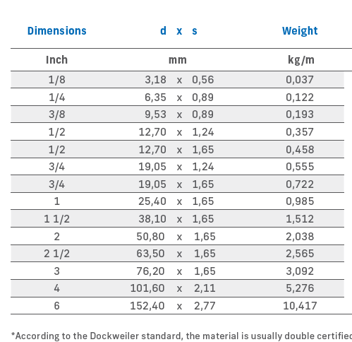
OD | TH | Ra | VSR Code | VSR €/m | TCC code | TCC €/m | TCC.1 Code | TCC.1 €/m | Finetron Code | Finetron €/m | Ultron Code | Ultron €/m | Peso Kg/m
3.18 | 0.56 |  | V-02 | 16.02 | T-02 | 18.87 |  |  |  |  | U-02 | 79.66 | 0.037
6.35 | 0.89 |  | V-04 | 8.72 | T-04 | 11.67 | T1-04 | 15.95 | F-04 | 19.63 | U-04 | 28.32 | 0.122
9.53 | 0.89 |  | V-06 | 12.48 | T-06 | 15.47 | T1-06 | 19.36 | F-06 | 23.85 | U-06 | 33.51 | 0.193
12.70 | 1.24 |  | V-08 | 15.20 | T-08 | 20.07 | T1-08 | 28.15 | F-08 | 29.03 | U-08 | 36.14 | 0.357
12.70 | 1.65 |  | V-08-65 | 23.94 | T-08-65 | 27.02 | T1-08-65 | 31.32 | F-08-65 | 46.02 | U-08-65 | 63.12 | 0.458
19.05 | 1.24 |  | V-12-49 | 22.34 | T-12-49 | 29.39 | T1-12-49 | 36.20 | F-12-49 | 56.56 | U-12-49 | 82.41 | 0.555
19.05 | 1.65 |  | V-12 | 25.90 | T-12 | 33.22 | T1-12 | 41.81 | F-12 | 43.66 | U-12 | 67.65 | 0.722
25.40 | 1.65 |  | V-16 | 29.63 | T-16 | 35.98 | T1-16 | 55.42 | F-16 | 58.80 | U-16 | 79.16 | 0.985
38.10 | 1.65 |  |  |  | T-24 | 42.45 | T1-24 | 61.67 | F-24 | 46.51 | U-24 | 81.65 | 1.512
50.80 | 1.65 |  |  |  | T-32 | 55.29 | T1-32 | 77.12 | F-32 | 60.66 | U-32 | 107.67 | 2.038
63.50 | 1.65 |  |  |  | T-40 | 68.38 | T1-40 | 94.67 | F-40 | 74.96 | U-40 | 135.03 | 2.565
76.20 | 1.65 |  |  |  | T-48 | 81.78 | T1-48 | 116.28 | F-48 | 89.77 | U-48 | 150.84 | 3.092
101.60 | 2.11 |  |  |  | T-64 | 135.00 | T1-64 | 199.34 | F-64 | 141.32 | U-64 | 233.50 | 5.276
152.40 | 2.77 |  |  |  | T-96 | 368.52 | T1-96 | 463.96 | F-96 | 480.78 | U-96 | 697.52 | 10.417

