PDB_3J3Y
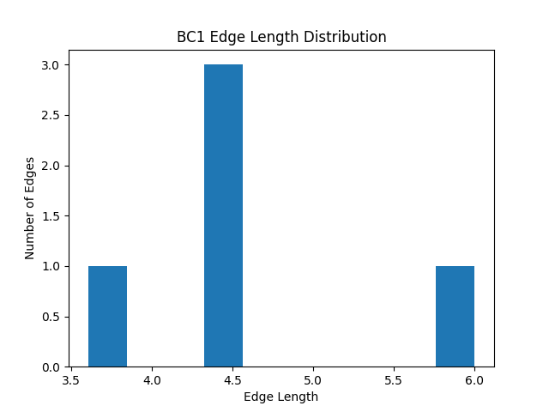
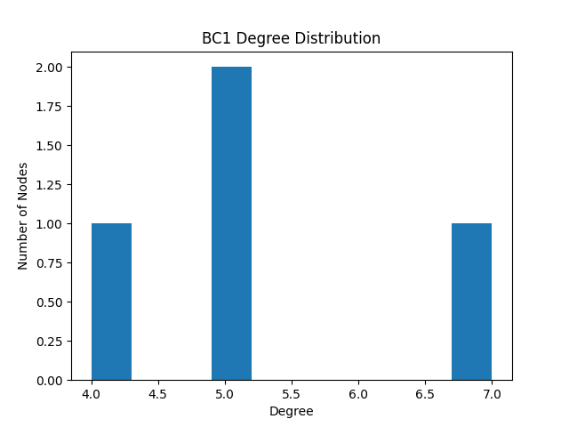
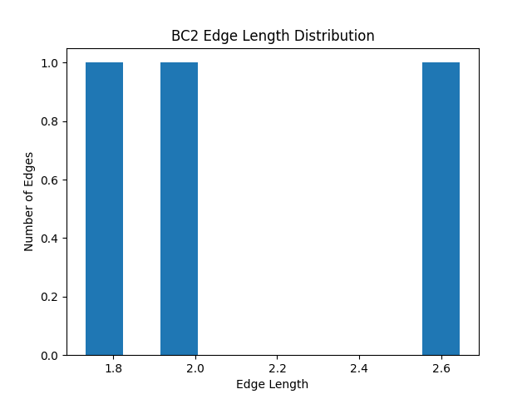
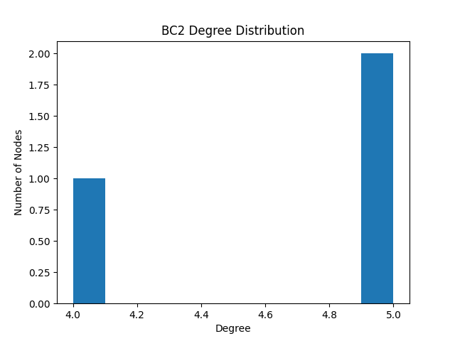
Community edge max | Community edge min | Community edge mean | Community edge median | Community edge std | Community degree max | Community degree min | Community degree mean | Community degree median | Community degree std | Type | Community
6 | 3.6055512755 | 4.5364496212 | 4.3588989435 | 0.78779745757 | 7 | 4 | 5.25 | 5 | 1.0897247359 | brute | 0, 8, 14, 7
2.6457513111 | 1.7320508076 | 2.1259340395 | 2 | 0.38349853477 | 5 | 4 | 4.6666666667 | 5 | 0.47140452079 | brute | 9, 5, 15
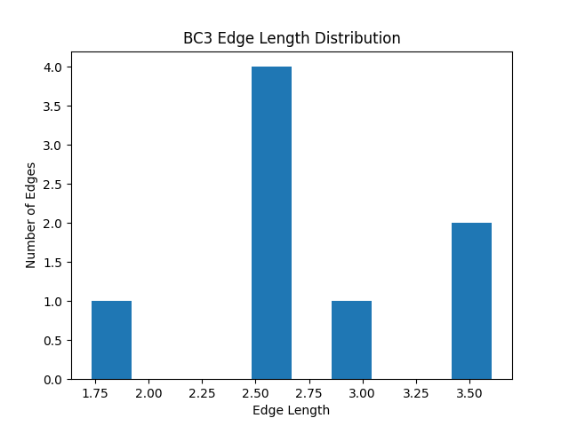
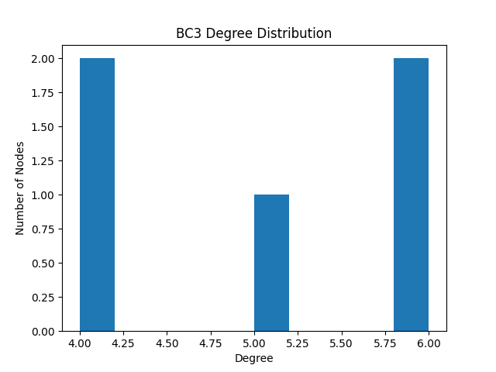
3.6055512755 | 1.7320508076 | 2.7980886178 | 2.6457513111 | 0.54378312489 | 6 | 4 | 5 | 5 | 0.894427191 | brute | 6, 12, 13, 16, 21
3.6055512755 | 1.7320508076 | 2.7980886178 | 2.6457513111 | 0.54378312489 | 6 | 4 | 5 | 5 | 0.894427191 | greedy | 16, 21, 6, 12, 13
6 | 3.6055512755 | 4.5364496212 | 4.3588989435 | 0.78779745757 | 7 | 4 | 5.25 | 5 | 1.0897247359 | greedy | 0, 8, 14, 7
2.6457513111 | 1.7320508076 | 2.1259340395 | 2 | 0.38349853477 | 5 | 4 | 4.6666666667 | 5 | 0.47140452079 | greedy | 9, 5, 15

PDB_3J3Q
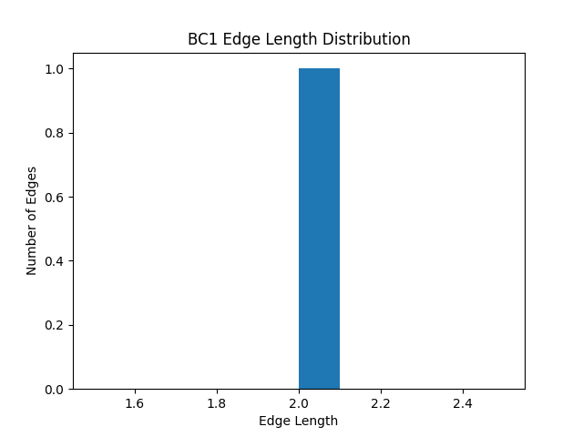
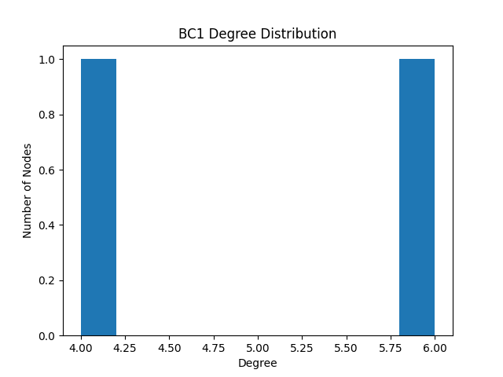
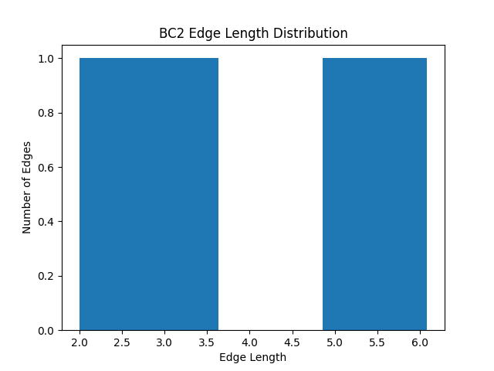
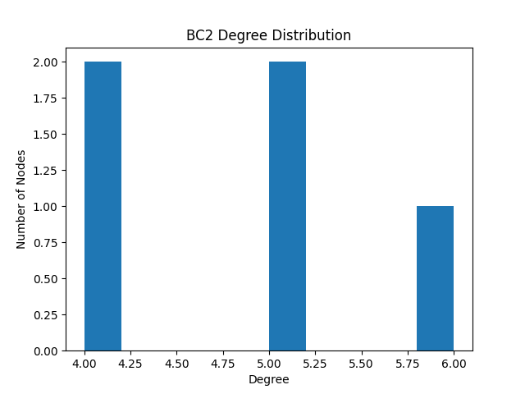
Community edge max | Community edge min | Community edge mean | Community edge median | Community edge std | Community degree max | Community degree min | Community degree mean | Community degree median | Community degree std | Type | Community
2 | 2 | 2 | 2 | 0 | 6 | 4 | 5 | 5 | 1 | brute | 0, 8
6.0827625303 | 2 | 3.9657685456 | 3.4641016151 | 1.4593912086 | 6 | 4 | 4.8 | 5 | 0.74833147735 | brute | 5, 6, 7, 12, 16
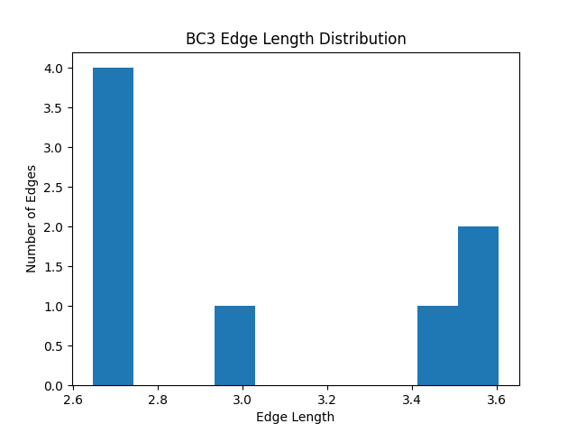
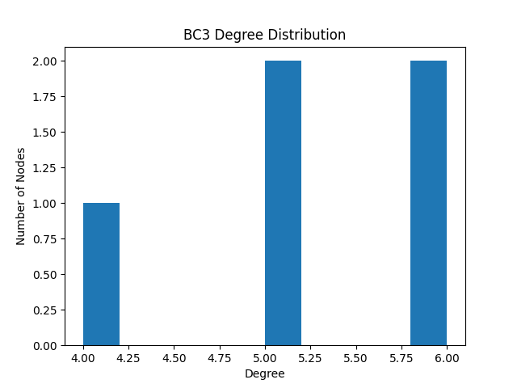
3.6055512755 | 2.6457513111 | 3.0322761763 | 2.8228756555 | 0.424618877 | 6 | 4 | 5.2 | 5 | 0.74833147735 | brute | 9, 13, 14, 15, 21
6.0827625303 | 2 | 3.9657685456 | 3.4641016151 | 1.4593912086 | 6 | 4 | 4.8 | 5 | 0.74833147735 | greedy | 16, 5, 6, 7, 12
3.6055512755 | 2.6457513111 | 3.0322761763 | 2.8228756555 | 0.424618877 | 6 | 4 | 5.2 | 5 | 0.74833147735 | greedy | 21, 9, 13, 14, 15
2 | 2 | 2 | 2 | 0 | 6 | 4 | 5 | 5 | 1 | greedy | 0, 8

mattei_1_1
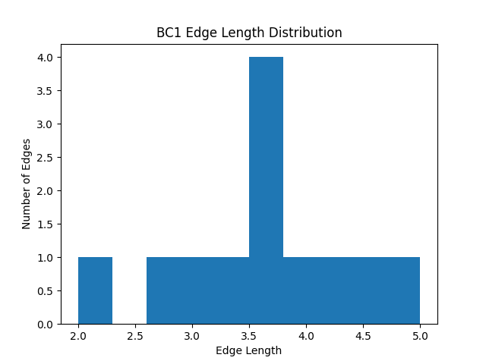
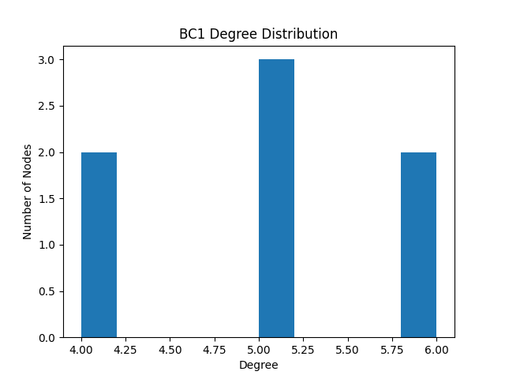
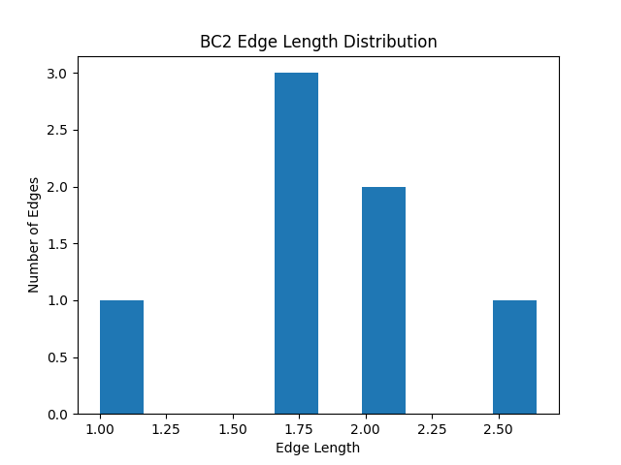
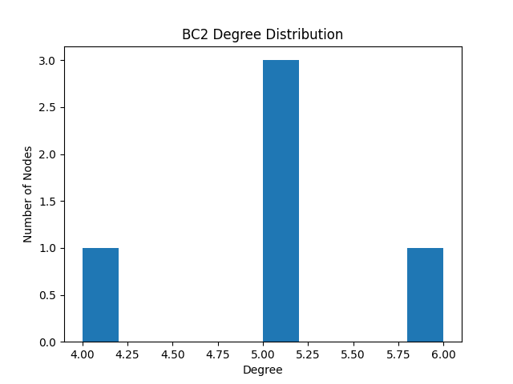
Community edge max | Community edge min | Community edge mean | Community edge median | Community edge std | Community degree max | Community degree min | Community degree mean | Community degree median | Community degree std | Type | Community
5 | 2 | 3.6227943889 | 3.6055512755 | 0.79079758213 | 6 | 4 | 5 | 5 | 0.75592894602 | brute | 0, 8, 9, 13, 14, 15, 21
2.6457513111 | 1 | 1.8345576763 | 1.7320508076 | 0.45368128012 | 6 | 4 | 5 | 5 | 0.63245553203 | brute | 5, 6, 7, 12, 16
5 | 2 | 3.6227943889 | 3.6055512755 | 0.79079758213 | 6 | 4 | 5 | 5 | 0.75592894602 | greedy | 0, 21, 8, 9, 13, 14, 15
2.6457513111 | 1 | 1.8345576763 | 1.7320508076 | 0.45368128012 | 6 | 4 | 5 | 5 | 0.63245553203 | greedy | 16, 5, 6, 7, 12

mattei_1_2
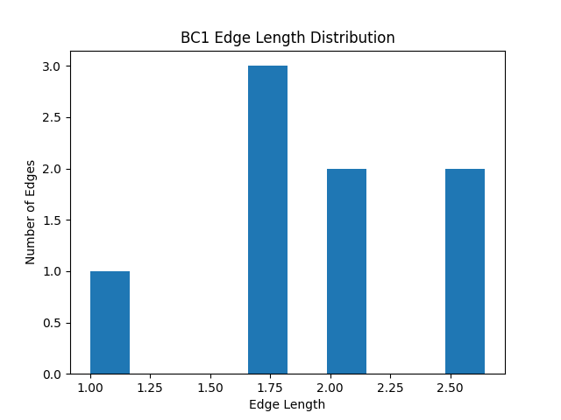
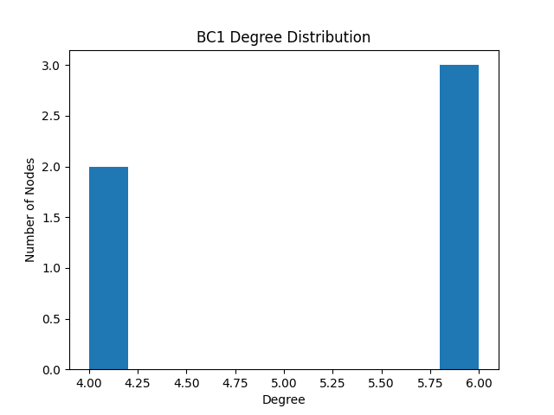
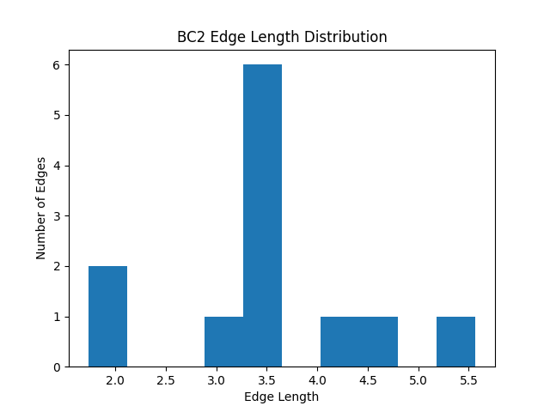
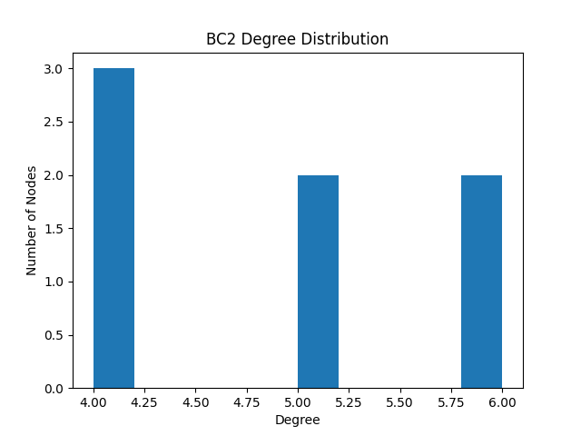
Community edge max | Community edge min | Community edge mean | Community edge median | Community edge std | Community degree max | Community degree min | Community degree mean | Community degree median | Community degree std | Type | Community
2.6457513111 | 1 | 1.9359568806 | 1.8660254038 | 0.50206668525 | 6 | 4 | 5.2 | 6 | 0.97979589711 | brute | 0, 8, 9, 14, 15
5.5677643628 | 1.7320508076 | 3.5610956501 | 3.6055512755 | 0.99260487477 | 6 | 4 | 4.8571428571 | 5 | 0.83299312784 | brute | 5, 6, 7, 12, 13, 16, 21
5.5677643628 | 1.7320508076 | 3.5610956501 | 3.6055512755 | 0.99260487477 | 6 | 4 | 4.8571428571 | 5 | 0.83299312784 | greedy | 16, 5, 6, 7, 21, 12, 13
2.6457513111 | 1 | 1.9359568806 | 1.8660254038 | 0.50206668525 | 6 | 4 | 5.2 | 6 | 0.97979589711 | greedy | 0, 8, 9, 14, 15

mattei_1_3
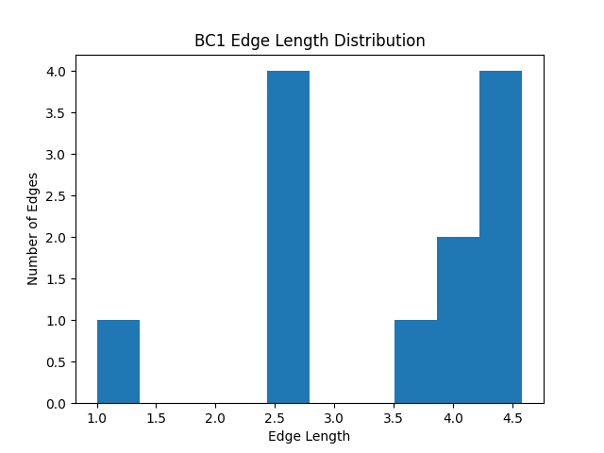
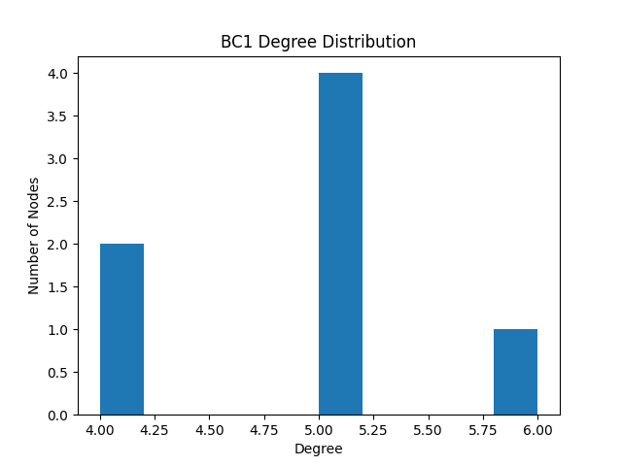
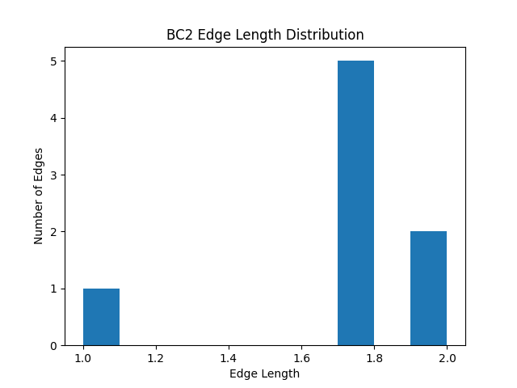

Community edge max | Community edge min | Community edge mean | Community edge median | Community edge std | Community degree max | Community degree min | Community degree mean | Community degree median | Community degree std | Type | Community
4.582575695 | 1 | 3.4039857538 | 3.8027756377 | 1.039012827 | 6 | 4 | 4.8571428571 | 5 | 0.638876565 | brute | 0, 6, 7, 8, 9, 10, 11
2 | 1 | 1.7075317547 | 1.7320508076 | 0.29040541763 | 6 | 4 | 5.2 | 5 | 0.74833147735 | brute | 14, 15, 16, 17, 21
4.582575695 | 1 | 3.4039857538 | 3.8027756377 | 1.039012827 | 6 | 4 | 4.8571428571 | 5 | 0.638876565 | greedy | 0, 6, 7, 8, 9, 10, 11
2 | 1 | 1.7075317547 | 1.7320508076 | 0.29040541763 | 6 | 4 | 5.2 | 5 | 0.74833147735 | greedy | 16, 17, 21, 14, 15

mattei_2_1
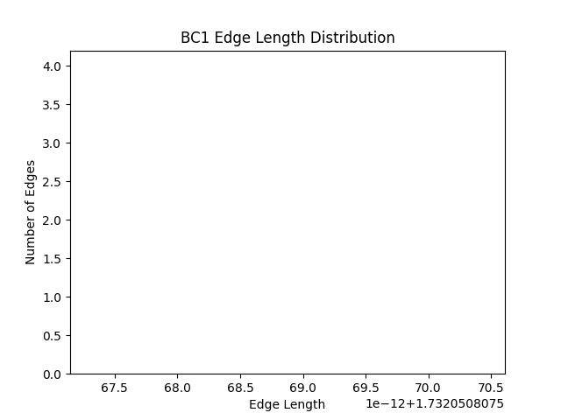
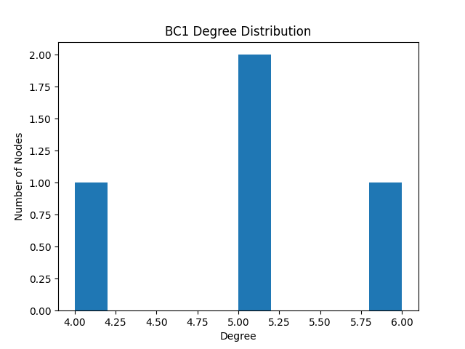
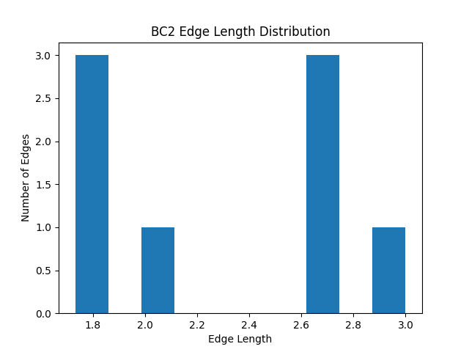
Community edge max | Community edge min | Community edge mean | Community edge median | Community edge std | Community degree max | Community degree min | Community degree mean | Community degree median | Community degree std | Type | Community
1.7320508076 | 1.7320508076 | 1.7320508076 | 1.7320508076 | 7.1607233461E-16 | 6 | 4 | 5 | 5 | 0.70710678119 | brute | 0, 8, 5, 9
3 | 1.7320508076 | 2.2666757945 | 2.3228756555 | 0.48701215866 | 6 | 4 | 5.2 | 5 | 0.74833147735 | brute | 6, 7, 12, 13, 21
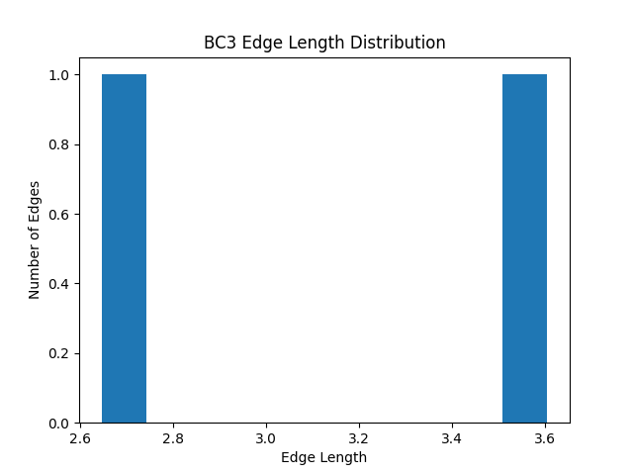

3.6055512755 | 2.6457513111 | 3.1256512933 | 3.1256512933 | 0.4798999822 | 5 | 4 | 4.6666666667 | 5 | 0.47140452079 | brute | 16, 14, 15
3 | 1.7320508076 | 2.2666757945 | 2.3228756555 | 0.48701215866 | 6 | 4 | 5.2 | 5 | 0.74833147735 | greedy | 21, 6, 7, 12, 13
1.7320508076 | 1.7320508076 | 1.7320508076 | 1.7320508076 | 7.1607233461E-16 | 6 | 4 | 5 | 5 | 0.70710678119 | greedy | 8, 0, 5, 9
3.6055512755 | 2.6457513111 | 3.1256512933 | 3.1256512933 | 0.4798999822 | 5 | 4 | 4.6666666667 | 5 | 0.47140452079 | greedy | 16, 14, 15

mattei_2_2
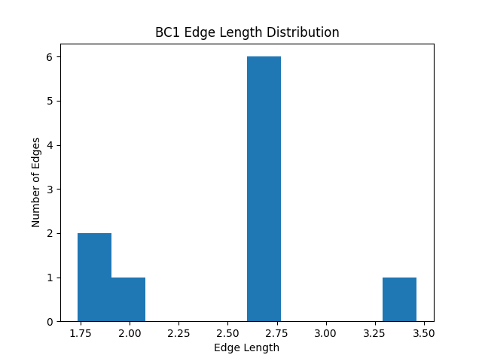

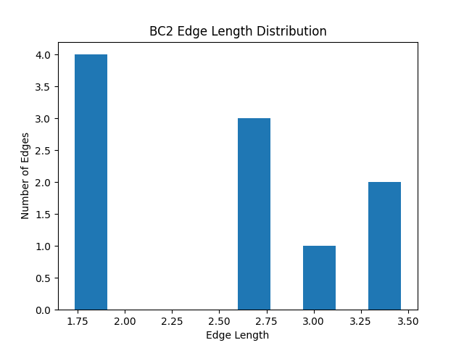

Community edge max | Community edge min | Community edge mean | Community edge median | Community edge std | Community degree max | Community degree min | Community degree mean | Community degree median | Community degree std | Type | Community
3.4641016151 | 1.7320508076 | 2.4802711097 | 2.6457513111 | 0.49825216764 | 5 | 5 | 5 | 5 | 0 | brute | 0, 5, 6, 7, 8, 9
3.4641016151 | 1.7320508076 | 2.4793660394 | 2.6457513111 | 0.67286257348 | 5 | 5 | 5 | 5 | 0 | brute | 12, 13, 14, 15, 16, 21
3.4641016151 | 1.7320508076 | 2.4802711097 | 2.6457513111 | 0.49825216764 | 5 | 5 | 5 | 5 | 0 | greedy | 0, 5, 6, 7, 8, 9
3.4641016151 | 1.7320508076 | 2.4793660394 | 2.6457513111 | 0.67286257348 | 5 | 5 | 5 | 5 | 0 | greedy | 16, 21, 12, 13, 14, 15

mattei_2_3
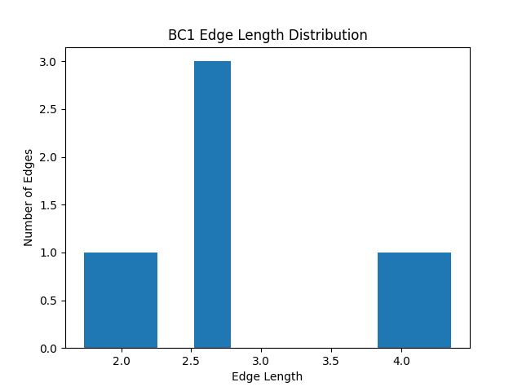

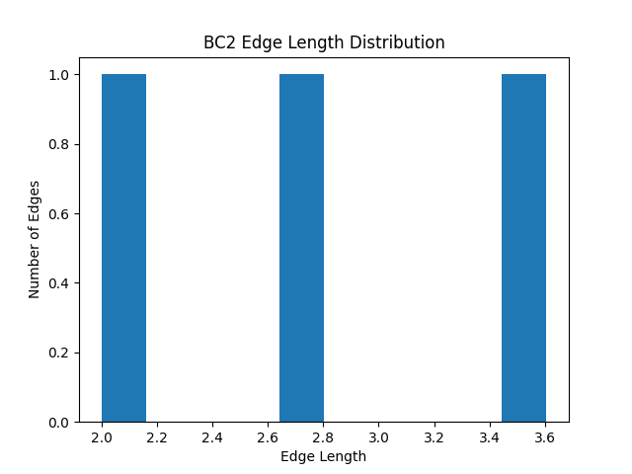
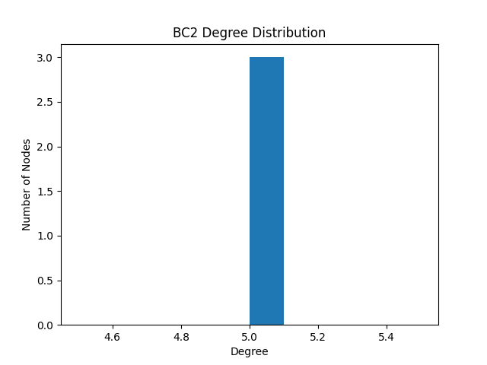
Community edge max | Community edge min | Community edge mean | Community edge median | Community edge std | Community degree max | Community degree min | Community degree mean | Community degree median | Community degree std | Type | Community
4.3588989435 | 1.7320508076 | 2.8611719549 | 2.6457513111 | 0.90205046671 | 5 | 5 | 5 | 5 | 0 | brute | 0, 5, 6, 8, 9
3.6055512755 | 2 | 2.7504341955 | 2.6457513111 | 0.65962999945 | 5 | 5 | 5 | 5 | 0 | brute | 12, 13, 7
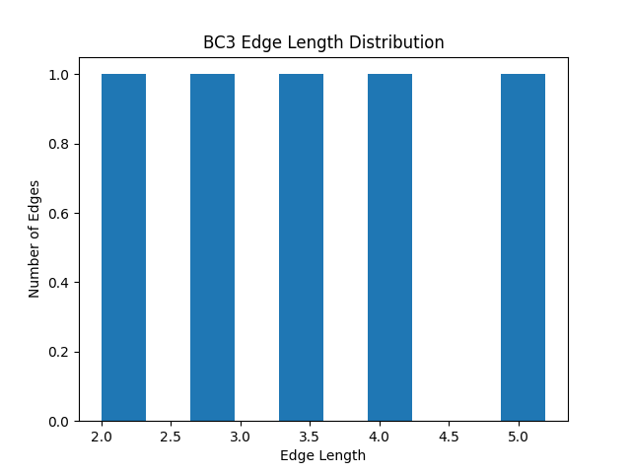

5.1961524227 | 2 | 3.4612010698 | 3.4641016151 | 1.104575554 | 5 | 5 | 5 | 5 | 0 | brute | 16, 21, 14, 15
4.3588989435 | 1.7320508076 | 2.8611719549 | 2.6457513111 | 0.90205046671 | 5 | 5 | 5 | 5 | 0 | greedy | 0, 5, 6, 8, 9
5.1961524227 | 2 | 3.4612010698 | 3.4641016151 | 1.104575554 | 5 | 5 | 5 | 5 | 0 | greedy | 16, 21, 14, 15
3.6055512755 | 2 | 2.7504341955 | 2.6457513111 | 0.65962999945 | 5 | 5 | 5 | 5 | 0 | greedy | 12, 13, 7

