Info
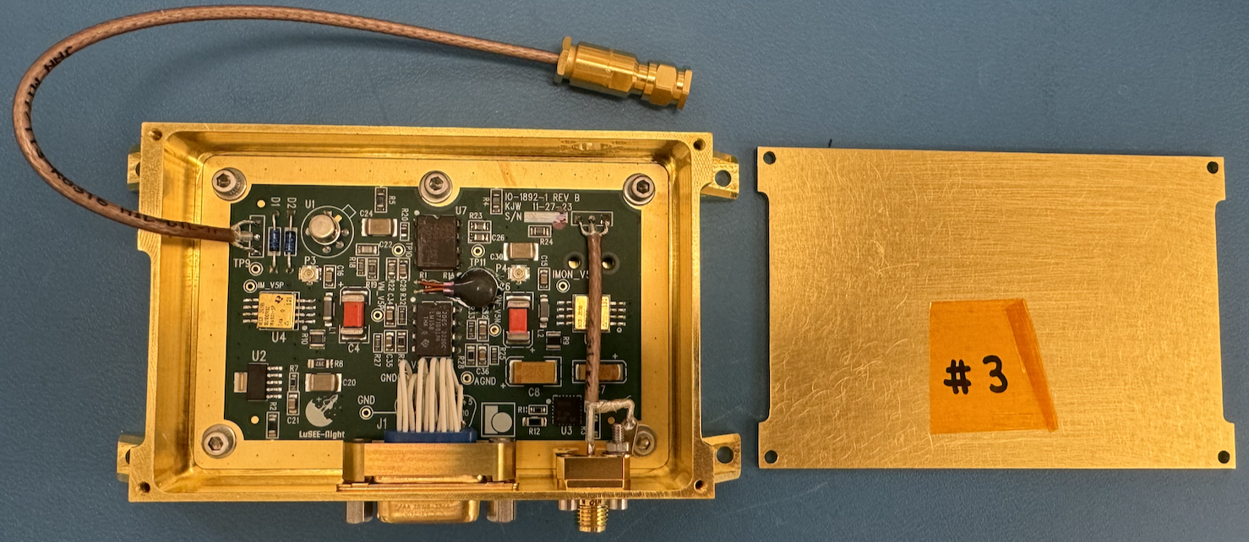
LuSEE-Night
FM Preamplifier

Serial number | 3

History | 2024-05-31 | initial testing at room temperature
 | 2024-06-03 | integrated into the FM enclosure with FM hardware
 | 2024-07-08 | cleaning before shipping
 | 2024-07-09 | integrated into the 3D printed enclosure with EM hardware for shipping
 | 2024-07-11 | shipped to SSL
 | 2024-08-19 | received, take the board out of the EM enclosure, integrated into the FM enclosure, initial test
 | 2024-09-11 | take the board out of the FM enclosure
 | 2024-09-24 | cleaning before shipping
 | 2024-09-25 | integrate into the 3D printed enclosure, ship to SSL

Transfer function
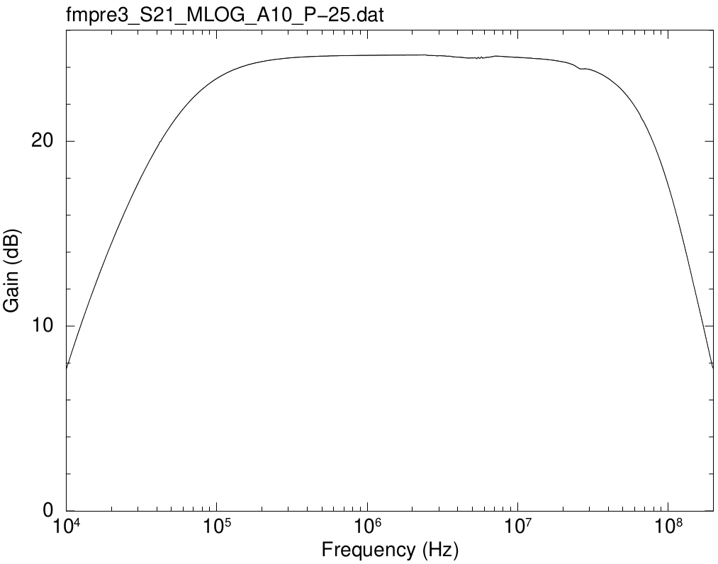
Frequency (Hz) | Gain (dB)
10000 | 7.64145314
10113.177 | 7.76441192
10227.634 | 7.89802518
10343.387 | 8.0113896
10460.449 | 8.140628
10578.837 | 8.26656465
10698.564 | 8.3891388
10819.647 | 8.5107717
10942.101 | 8.63512605
11065.938 | 8.75396295
11191.18 | 8.8702751
11317.837 | 8.9934096
11445.929 | 9.1151143
11575.47 | 9.2354838
11706.477 | 9.3515747
11838.966 | 9.47071465
11972.955 | 9.58837535
12108.461 | 9.7078321
12245.5 | 9.82114405
12384.091 | 9.93561635
12524.249 | 10.0553485
12665.994 | 10.1735713
12809.344 | 10.2857275 | Max gain (dB) | 24.6736511 | OK
12954.315 | 10.3967557 | BW (0.5MHz) | 24.6032788 | OK
13100.928 | 10.5119056 | BW (50MHz) | 22.7133744 | OK
13249.199 | 10.631163
13399.149 | 10.7370816
13550.796 | 10.859259
13704.159 | 10.96317335
13859.258 | 11.0734975
14016.112 | 11.19036565
14174.741 | 11.2995124
14335.166 | 11.4096514
14497.406 | 11.52191485
14661.483 | 11.6255186
14827.417 | 11.74012075
14995.229 | 11.8431575
15164.938 | 11.957802
15336.57 | 12.06424105
15510.145 | 12.1701823
15685.683 | 12.27438115
15863.208 | 12.3822979
16042.742 | 12.4928072
16224.308 | 12.5882504
16407.93 | 12.6981184
16593.629 | 12.8046634
16781.43 | 12.90584185
16971.355 | 13.011915
17163.432 | 13.11856265
17357.68 | 13.21681925
17554.129 | 13.3235634
17752.8 | 13.42496665
17953.72 | 13.5237884
18156.914 | 13.625343
18362.408 | 13.726963
18570.227 | 13.82461765
18780.398 | 13.9237891
18992.947 | 14.0318829
19207.902 | 14.13021535
19425.291 | 14.2213832
19645.14 | 14.3231622
19867.477 | 14.4233637
20092.33 | 14.5190339
20319.729 | 14.6136198
20549.7 | 14.71450315
20782.273 | 14.8083315
21017.48 | 14.9075426
21255.348 | 15.00195035
21495.908 | 15.0978036
21739.191 | 15.1887756
21985.229 | 15.28420775
22234.049 | 15.3793229
22485.688 | 15.4711075
22740.172 | 15.5667627
22997.537 | 15.659925
23257.814 | 15.7497864
23521.04 | 15.83931585
23787.242 | 15.9245509
24056.457 | 16.0184679
24328.72 | 16.1146936
24604.064 | 16.2023712
24882.523 | 16.2904951
25164.135 | 16.3758455
25448.934 | 16.4698355
25736.957 | 16.552848
26028.238 | 16.6435579
26322.816 | 16.7301151
26620.729 | 16.8195708
26922.014 | 16.9074833
27226.707 | 16.9875421
27534.85 | 17.0751116
27846.479 | 17.1605908
28161.635 | 17.2477818
28480.36 | 17.3343618
28802.69 | 17.4144981
29128.668 | 17.4953133
29458.336 | 17.5844565
29791.734 | 17.6647702
30128.908 | 17.7442339
30469.896 | 17.827774
30814.744 | 17.9061044
31163.494 | 17.9857684
31516.191 | 18.0729147
31872.88 | 18.1495166
32233.605 | 18.2294397
32598.414 | 18.3015279
32967.35 | 18.3811164
33340.465 | 18.4595888
33717.8 | 18.5341098
34099.406 | 18.6158919
34485.332 | 18.6860877
34875.625 | 18.7628271
35270.336 | 18.840296
35669.51 | 18.9148158
36073.207 | 18.9953451
36481.47 | 19.0608279
36894.355 | 19.1336497
37311.914 | 19.2058928
37734.195 | 19.2746531
38161.258 | 19.3514923
38593.152 | 19.4214457
39029.938 | 19.4926722
39471.664 | 19.5648398
39918.39 | 19.6298611
40370.17 | 19.696056
40827.066 | 19.7689429
41289.133 | 19.8373446
41756.43 | 19.9286311
42229.016 | 19.9991659
42706.95 | 20.0110034
43190.29 | 20.0973764
43679.1 | 20.1640984
44173.445 | 20.2330187
44673.387 | 20.2938242
45178.984 | 20.3538305
45690.305 | 20.4154719
46207.41 | 20.4842604
46730.37 | 20.54348
47259.246 | 20.6037133
47794.11 | 20.6607498
48335.027 | 20.722443
48882.066 | 20.7796588
49435.297 | 20.8392452
49994.79 | 20.8988729
50560.613 | 20.952985
51132.84 | 21.0103258
51711.543 | 21.0716265
52296.793 | 21.1222503
52888.67 | 21.1825051
53487.246 | 21.2348307
54092.598 | 21.2918293
54704.797 | 21.3368547
55323.926 | 21.3942082
55950.062 | 21.4433218
56583.285 | 21.49332
57223.676 | 21.547551
57871.312 | 21.6021675
58526.28 | 21.6485164
59188.66 | 21.7005563
59858.54 | 21.7467739
60535.996 | 21.7942229
61221.12 | 21.8452619
61914 | 21.8888037
62614.72 | 21.9316456
63323.37 | 21.9810072
64040.043 | 22.0276844
64764.824 | 22.070722
65497.812 | 22.1140092
66239.09 | 22.1578904
66988.766 | 22.1997227
67746.914 | 22.2437507
68513.66 | 22.2863941
69289.07 | 22.3306758
70073.26 | 22.3698824
70866.32 | 22.4092976
71668.36 | 22.4476323
72479.48 | 22.4854568
73299.77 | 22.5256476
74129.36 | 22.5641242
74968.33 | 22.5976809
75816.79 | 22.6364152
76674.86 | 22.6724331
77542.64 | 22.7097368
78420.234 | 22.746567
79307.77 | 22.7825085
80205.34 | 22.8141285
81113.086 | 22.848881
82031.09 | 22.8812165
82959.49 | 22.9123548
83898.4 | 22.9418988
84847.93 | 22.9800307
85808.21 | 23.0116195
86779.36 | 23.0411233
87761.49 | 23.0711299
88754.75 | 23.1031026
89759.24 | 23.1321985
90775.11 | 23.1611823
91802.47 | 23.1879591
92841.45 | 23.2169066
93892.2 | 23.2442664
94954.84 | 23.2729328
96029.51 | 23.2995833
97116.336 | 23.3265973
98215.46 | 23.3488655
99327.03 | 23.3772098
100451.18 | 23.3992753
101588.05 | 23.4284017
102737.79 | 23.4520529
103900.54 | 23.473781
105076.445 | 23.4955412
106265.664 | 23.5224864
107468.34 | 23.5396562
108684.63 | 23.5652495
109914.69 | 23.5825487
111158.664 | 23.6072926
112416.71 | 23.626623
113689.01 | 23.6454442
114975.7 | 23.670251
116276.95 | 23.689775
117592.94 | 23.7110917
118923.81 | 23.7258949
120269.75 | 23.7496532
121630.92 | 23.7648501
123007.49 | 23.7815599
124399.65 | 23.8050268
125807.56 | 23.821596
127231.41 | 23.8377616
128671.37 | 23.8557646
130127.625 | 23.8742342
131600.36 | 23.8865282
133089.77 | 23.9002353
134596.03 | 23.9179727
136119.34 | 23.9313774
137659.89 | 23.9465656
139217.88 | 23.9631283
140793.5 | 23.975873
142386.95 | 23.9889975
143998.44 | 24.005405
145628.16 | 24.0170905
147276.33 | 24.0374934
148943.14 | 24.045555
150628.83 | 24.0600138
152333.6 | 24.0706227
154057.66 | 24.0799165
155801.22 | 24.0971564
157564.53 | 24.1077873
159347.78 | 24.1217358
161151.23 | 24.1309935
162975.08 | 24.1446428
164819.58 | 24.1559743
166684.95 | 24.1618972
168571.42 | 24.1747068
170479.27 | 24.1819963
172408.69 | 24.200872
174359.95 | 24.2046821
176333.3 | 24.2121918
178328.97 | 24.2267229
180347.23 | 24.2333861
182388.34 | 24.2427097
184452.55 | 24.2520777
186540.11 | 24.2577483
188651.31 | 24.2638441
190786.39 | 24.2797968
192945.66 | 24.2846657
195129.34 | 24.2922179
197337.75 | 24.3031642
199571.14 | 24.3117626
201829.83 | 24.3146071
204114.06 | 24.3261828
206424.16 | 24.3280449
208760.39 | 24.3372373
211123.06 | 24.3471136
213512.48 | 24.3556142
215928.94 | 24.3596631
218372.75 | 24.363028
220844.22 | 24.3738612
223343.66 | 24.377252
225871.38 | 24.3826368
228427.7 | 24.3877752
231012.97 | 24.3994943
233627.5 | 24.3998746
236271.61 | 24.4058375
238945.64 | 24.409891
241649.95 | 24.4145242
244384.86 | 24.4275217
247150.72 | 24.431141
249947.88 | 24.4368586
252776.7 | 24.4397141
255637.55 | 24.4461823
258530.75 | 24.4485691
261456.72 | 24.4512968
264415.78 | 24.4546337
267408.34 | 24.4623165
270434.78 | 24.4648749
273495.47 | 24.4703574
276590.8 | 24.4748439
279721.16 | 24.4795047
282886.94 | 24.4853802
286088.56 | 24.4884486
289326.4 | 24.4929303
292600.9 | 24.4938235
295912.47 | 24.4985718
299261.5 | 24.5039796
302648.44 | 24.5028238
306073.7 | 24.5097485
309537.72 | 24.510614
313040.97 | 24.517307
316583.84 | 24.5183702
320166.84 | 24.5247532
323790.38 | 24.5237287
327454.9 | 24.5267559
331160.94 | 24.5332408
334908.9 | 24.5354369
338699.28 | 24.5382424
342532.56 | 24.5395924
346409.22 | 24.5462486
350329.75 | 24.5449448
354294.66 | 24.5468306
358304.44 | 24.5489645
362359.62 | 24.5527724
366460.66 | 24.5591377
370608.16 | 24.5570286
374802.56 | 24.5622549
379044.44 | 24.5598423
383334.3 | 24.5628838
387672.78 | 24.5693698
392060.3 | 24.5649064
396497.5 | 24.5706704
400984.94 | 24.565877
405523.12 | 24.5745449
410112.72 | 24.5784304
414754.22 | 24.5740642
419448.25 | 24.5807148
424195.44 | 24.5808169
428996.3 | 24.583785
433851.56 | 24.5818984
438761.72 | 24.5863408
443727.47 | 24.5832928
448749.44 | 24.5891528
453828.22 | 24.5916651
458964.5 | 24.5933303
464158.88 | 24.5908105
469412.06 | 24.5958486
474724.72 | 24.598488
480097.47 | 24.5993363
485531.06 | 24.6023038
491026.12 | 24.60287
496583.38 | 24.6032788
502203.53 | 24.6023865
507887.3 | 24.6045977
513635.38 | 24.6064097
519448.53 | 24.6079304
525327.44 | 24.6096408
531272.94 | 24.6070934
537285.7 | 24.6076353
543366.5 | 24.6094932
549516.1 | 24.6145918
555735.4 | 24.6133273
562025 | 24.6153353
568385.8 | 24.6141036
574818.56 | 24.6196595
581324.2 | 24.6197441
587903.4 | 24.6217988
594557.06 | 24.6197734
601286.06 | 24.6196729
608091.2 | 24.6215767
614973.4 | 24.624859
621933.44 | 24.6191688
628972.25 | 24.6245934
636090.75 | 24.6261893
643289.75 | 24.6261305
650570.3 | 24.6278102
657933.25 | 24.6305809
665379.5 | 24.6326816
672910 | 24.633126
680525.75 | 24.6299644
688227.75 | 24.628563
696016.8 | 24.630748
703894.1 | 24.6323657
711860.56 | 24.6332333
719917.1 | 24.6299893
728064.9 | 24.6321744
736304.9 | 24.6346745
744638.1 | 24.6304126
753065.7 | 24.6340185
761588.56 | 24.6365751
770208 | 24.6364334
778924.94 | 24.6370372
787740.5 | 24.6367294
796655.9 | 24.6361853
805672.2 | 24.6372888
814790.5 | 24.6396038
824012 | 24.63839
833337.9 | 24.6425717
842769.3 | 24.640623
852307.44 | 24.6401605
861953.56 | 24.6406443
871708.9 | 24.6443608
881574.56 | 24.6436887
891551.9 | 24.640345
901642.2 | 24.6424564
911846.6 | 24.6479043
922166.56 | 24.643183
932603.4 | 24.6463439
943158.25 | 24.6470967
953832.56 | 24.6461418
964627.7 | 24.6483397
975545 | 24.6436815
986585.9 | 24.6462823
997751.7 | 24.6471432
1009043.94 | 24.6476896
1020463.94 | 24.6488572
1032013.2 | 24.6507111
1043693.1 | 24.6480143
1055505.2 | 24.6471958
1067451.1 | 24.6498997
1079532.1 | 24.6494596
1091749.9 | 24.6491149
1104106 | 24.6524624
1116601.9 | 24.6511501
1129239.1 | 24.6495633
1142019.5 | 24.6516371
1154944.5 | 24.6520248
1168015.8 | 24.6533863
1181234.9 | 24.6501825
1194603.8 | 24.6548065
1208123.8 | 24.6508782
1221796.9 | 24.6558392
1235624.8 | 24.6522808
1249609.1 | 24.6570692
1263751.8 | 24.6539796
1278054.5 | 24.6602628
1292519 | 24.6554213
1307147.4 | 24.6584337
1321941.1 | 24.655239
1336902.4 | 24.6568935
1352033 | 24.654617
1367334.9 | 24.6573108
1382809.9 | 24.6555041
1398460 | 24.658128
1414287.2 | 24.6592465
1430293.6 | 24.6578027
1446481.2 | 24.6567182
1462852 | 24.6589894
1479408 | 24.6601072
1496151.5 | 24.6576861
1513084.4 | 24.65666
1530208.9 | 24.6581536
1547527.2 | 24.66069
1565041.6 | 24.6575897
1582754.2 | 24.6599768
1600667.2 | 24.6589227
1618783.1 | 24.6584816
1637103.9 | 24.660205
1655632.1 | 24.6593742
1674369.9 | 24.6628055
1693319.9 | 24.6617335
1712484.2 | 24.6602184
1731865.5 | 24.6587562
1751466.2 | 24.6588946
1771288.6 | 24.6622664
1791335.5 | 24.6578097
1811609.2 | 24.6645265
1832112.4 | 24.6602158
1852847.5 | 24.6610987
1873817.4 | 24.6603472
1895024.6 | 24.66437
1916471.9 | 24.661059
1938161.8 | 24.6618601
1960097.2 | 24.6626948
1982280.9 | 24.6618076
2004715.6 | 24.6610107
2027404.4 | 24.6639508
2050349.8 | 24.661451
2073554.9 | 24.6642903
2097022.6 | 24.6624356
2120756 | 24.6597636
2144758 | 24.6640058
2169031.8 | 24.6667142
2193580 | 24.6647714
2218406.2 | 24.666102
2243513.2 | 24.6647932
2268904.5 | 24.6679108
2294583.2 | 24.6688755
2320552.5 | 24.6679474
2346815.8 | 24.6701455
2373376 | 24.6671587
2400237.2 | 24.6736511
2427402.2 | 24.666918
2454874.8 | 24.6666983
2482658 | 24.6711683
2510756 | 24.6421207
2539171.8 | 24.647115
2567909.2 | 24.6415731
2596972 | 24.6418458
2626363.5 | 24.6419787
2656087.8 | 24.6435202
2686148.5 | 24.639719
2716549.2 | 24.6390158
2747294.2 | 24.6363799
2778387.2 | 24.6332344
2809832 | 24.6346202
2841632.8 | 24.6302869
2873793.2 | 24.63141
2906317.8 | 24.6070587
2939210.5 | 24.6277707
2972475.5 | 24.6184581
3006117 | 24.6252217
3040139 | 24.6316471
3074546.2 | 24.6265471
3109343 | 24.6221564
3144533.2 | 24.6247225
3180122 | 24.6206225
3216113.5 | 24.615866
3252512.5 | 24.6190622
3289323.2 | 24.6128179
3326550.5 | 24.6076893
3364199.2 | 24.6041641
3402274.2 | 24.6052377
3440780 | 24.5973038
3479721.5 | 24.6030949
3519103.8 | 24.6015833
3558931.8 | 24.598953
3599210.5 | 24.5953954
3639945 | 24.5967618
3681140.5 | 24.5630957
3722802.5 | 24.5640524
3764935.8 | 24.5653171
3807546 | 24.5659788
3850638.5 | 24.5579689
3894218.8 | 24.5561673
3938292 | 24.5488317
3982864.2 | 24.5496905
4027941 | 24.551464
4073527.8 | 24.5507373
4119630.5 | 24.5442654
4166255 | 24.5445433
4213407 | 24.5395995
4261093 | 24.5350431
4309318.5 | 24.5320998
4358090 | 24.5278768
4407413.5 | 24.5223123
4457295 | 24.5153053
4507741 | 24.509906
4558758 | 24.5034447
4610352.5 | 24.5101448
4662530.5 | 24.5023594
4715299.5 | 24.5000847
4768665.5 | 24.5023451
4822635.5 | 24.5045515
4877216.5 | 24.5021866
4932415 | 24.5025536
4988238.5 | 24.5075761
5044693.5 | 24.5029323
5101787.5 | 24.5069456
5159528 | 24.5103657
5217921.5 | 24.5102267
5276976.5 | 24.5129683
5336699 | 24.4680311
5397098 | 24.4922821
5458180.5 | 24.5375269
5519954.5 | 24.5266934
5582427 | 24.4747548
5645607 | 24.4945502
5709502 | 24.5518168
5774120.5 | 24.5524797
5839469.5 | 24.4942025
5905559 | 24.5088309
5972396 | 24.507739
6039989.5 | 24.5132719
6108348 | 24.5284073
6177480 | 24.5362735
6247394.5 | 24.5429377
6318100 | 24.5452726
6389606 | 24.5427064
6461921.5 | 24.5449602
6535055.5 | 24.5562643
6609016.5 | 24.5599239
6683815.5 | 24.5677923
6759460.5 | 24.5740585
6835961.5 | 24.5777693
6913328.5 | 24.5980011
6991571 | 24.5960272
7070699.5 | 24.6092855
7150723 | 24.6083284
7231652.5 | 24.6051864
7313497.5 | 24.6062657
7396269 | 24.6022318
7479977.5 | 24.5976209
7564633.5 | 24.5994202
7650247 | 24.597424
7736830 | 24.5955212
7824392.5 | 24.5914588
7912946.5 | 24.5859938
8002502.5 | 24.5828304
8093072 | 24.5810491
8184666.5 | 24.5773136
8277297.5 | 24.5762329
8370977 | 24.5720324
8465717 | 24.5686771
8561529 | 24.5691141
8658425 | 24.5677493
8756418 | 24.5635317
8855520 | 24.5663363
8955744 | 24.5597205
9057102 | 24.5565671
9159607 | 24.5563554
9263272 | 24.5507245
9368110 | 24.5489935
9474135 | 24.5414219
9581360 | 24.5403835
9689799 | 24.5409386
9799465 | 24.5427169
9910371 | 24.5398011
10022534 | 24.5400189
10135965 | 24.5352305
10250680 | 24.5335221
10366694 | 24.5295667
10484020 | 24.52797
10602675 | 24.5297645
10722672 | 24.5258314
10844028 | 24.5235468
10966757 | 24.5213245
11090874 | 24.5173429
11216397 | 24.5063273
11343340 | 24.5101095
11471720 | 24.5061064
11601553 | 24.502927
11732855 | 24.4985698
11865644 | 24.5046828
11999935 | 24.5029209
12135746 | 24.503139
12273094 | 24.4946164
12411996 | 24.4918477
12552471 | 24.4830476
12694535 | 24.4804451
12838208 | 24.4788417
12983506 | 24.4758974
13130449 | 24.474497
13279055 | 24.4709682
13429342 | 24.4665489
13581331 | 24.4631565
13735039 | 24.460527
13890488 | 24.4664111
14047695 | 24.461595
14206682 | 24.4551327
14367469 | 24.4547958
14530074 | 24.4482142
14694521 | 24.4468949
14860828 | 24.438307
15029018 | 24.4374803
15199111 | 24.434195
15371129 | 24.4311855
15545094 | 24.4270878
15721028 | 24.4196087
15898953 | 24.4167225
16078892 | 24.4102992
16260867 | 24.4038369
16444902 | 24.4022279
16631019 | 24.3983399
16819244 | 24.3915779
17009598 | 24.389974
17202106 | 24.3824009
17396794 | 24.3772389
17593684 | 24.3730694
17792804 | 24.3662708
17994176 | 24.3554294
18197828 | 24.349662
18403784 | 24.3487351
18612072 | 24.3424671
18822716 | 24.3317597
19035746 | 24.3260642
19251186 | 24.3188759
19469064 | 24.3075749
19689408 | 24.3053836
19912246 | 24.3008392
20137606 | 24.2912907
20365516 | 24.2819648
20596006 | 24.2748762
20829104 | 24.26406
21064840 | 24.2585208
21303244 | 24.2405639
21544346 | 24.2359298
21788178 | 24.223408
22034770 | 24.213349
22284150 | 24.1941653
22536356 | 24.1818478
22791414 | 24.1675059
23049358 | 24.152547
23310224 | 24.1348363
23574040 | 24.1199438
23840842 | 24.099
24110664 | 24.0765729
24383540 | 24.0541467
24659506 | 24.0259056
24938592 | 24.0021489
25220840 | 23.9689099
25506280 | 23.9479643
25794950 | 23.9299247
26086888 | 23.916015
26382132 | 23.9122866
26680714 | 23.9105917
26982678 | 23.9138295
27288058 | 23.9121574
27596894 | 23.9175096
27909226 | 23.9211952
28225094 | 23.923796
28544534 | 23.9127576
28867592 | 23.9090724
29194306 | 23.9032682
29524716 | 23.8951593
29858866 | 23.8905269
30196798 | 23.8777935
30538556 | 23.8704988
30884180 | 23.8532441
31233716 | 23.8436473
31587208 | 23.8261702
31944700 | 23.8122485
32306240 | 23.8026593
32671870 | 23.7863216
33041640 | 23.7698803
33415592 | 23.7507197
33793780 | 23.7292748
34176244 | 23.7144684
34563040 | 23.6962464
34954212 | 23.6762424
35349812 | 23.6577245
35749890 | 23.6389878
36154492 | 23.6170227
36563676 | 23.5950258
36977492 | 23.5741488
37395988 | 23.5542883
37819224 | 23.5244623
38247250 | 23.4968024
38680116 | 23.4732597
39117884 | 23.4440195
39560610 | 23.4252975
40008340 | 23.3993039
40461140 | 23.3719062
40919064 | 23.3456248
41382172 | 23.3149307
41850524 | 23.274545
42324172 | 23.2476149
42803180 | 23.2218926
43287612 | 23.1827094
43777530 | 23.1510614
44272984 | 23.1304711
44774052 | 23.0940736
45280788 | 23.0590111
45793260 | 23.0289113
46311532 | 22.9902245
46835668 | 22.9567753
47365740 | 22.9162985
47901810 | 22.8769831
48443944 | 22.8360164
48992216 | 22.7949343
49546692 | 22.7546907
50107444 | 22.7133744
50674544 | 22.6672371
51248060 | 22.6204232
51828068 | 22.577174
52414636 | 22.5335302
53007850 | 22.4847436
53607772 | 22.4367631
54214490 | 22.3840662
54828068 | 22.3357199
55448590 | 22.2823306
56076140 | 22.2304107
56710788 | 22.1778012
57352620 | 22.1223711
58001720 | 22.0702013
58658160 | 22.0098208
59322030 | 21.952071
59993420 | 21.8903273
60672404 | 21.8326087
61359070 | 21.7693533
62053510 | 21.7090394
62755812 | 21.6406026
63466060 | 21.5772879
64184348 | 21.5086254
64910764 | 21.4414055
65645400 | 21.3414042
66388350 | 21.2693197
67139710 | 21.1936191
67899576 | 21.1228201
68668040 | 21.0727468
69445200 | 20.9901412
70231150 | 20.9073184
71026010 | 20.825507
71829860 | 20.7476279
72642800 | 20.6686034
73464940 | 20.5818717
74296390 | 20.4901583
75137256 | 20.4046449
75987630 | 20.3182865
76847630 | 20.2270672
77717370 | 20.1314683
78596940 | 20.0370815
79486480 | 19.9449408
80386080 | 19.8466016
81295860 | 19.7495125
82215940 | 19.6487682
83146430 | 19.5442972
84087450 | 19.4437083
85039120 | 19.3364108
86001570 | 19.2277678
86974904 | 19.121087
87959250 | 19.0098733
88954744 | 18.8975588
89961500 | 18.781628
90979656 | 18.6674008
92009330 | 18.5498482
93050660 | 18.4291364
94103780 | 18.3111049
95168810 | 18.1874936
96245896 | 18.0641491
97335170 | 17.9412141
98436776 | 17.8093493
99550850 | 17.6843331
100677530 | 17.553527
101816960 | 17.4197237
102969290 | 17.2857065
104134664 | 17.1506611
105313224 | 17.0096974
106505120 | 16.8738323
107710504 | 16.7312298
108929540 | 16.58643
110162360 | 16.4415101
111409140 | 16.2940194
112670030 | 16.1468317
113945190 | 15.9954764
115234780 | 15.8444348
116538970 | 15.6918322
117857910 | 15.5363344
119191784 | 15.3811427
120540760 | 15.2269001
121905000 | 15.0699999
123284670 | 14.9117913
124679970 | 14.7575325
126091050 | 14.59587225
127518104 | 14.4360559
128961310 | 14.2727828
130420850 | 14.1116622
131896904 | 13.947522
133389660 | 13.77848875
134899330 | 13.6136591
136426060 | 13.44440345
137970100 | 13.2739797
139531580 | 13.1064671
141110750 | 12.93219855
142707790 | 12.7641635
144322910 | 12.5923792
145956300 | 12.4203602
147608200 | 12.2523067
149278770 | 12.0815392
150968260 | 11.9120393
152676860 | 11.74040075
154404800 | 11.5692749
156152300 | 11.4000523
157919580 | 11.22900535
159706850 | 11.0579509
161514370 | 10.8910386
163342320 | 10.7215915
165190980 | 10.5475982
167060540 | 10.3753127
168951280 | 10.20245095
170863410 | 10.03011665
172797180 | 9.8577882
174752830 | 9.6785642
176730620 | 9.5027798
178730800 | 9.3247996
180753620 | 9.1502084
182799330 | 8.9719665
184868180 | 8.79696645
186960450 | 8.619596
189076400 | 8.4414262
191216300 | 8.26626195
193380430 | 8.0909257
195569040 | 7.9180559
197782420 | 7.74053973
200020850 | 7.56483941
202284600 | 7.39343857
204574000 | 7.22148979
206889300 | 7.04570446
209230800 | 6.86937099
211598800 | 6.69696306
213993600 | 6.52771424
216415500 | 6.36118484
218864820 | 6.19900546
221341860 | 6.03340681
223846930 | 5.86762404
226380340 | 5.70492756
228942430 | 5.54096252
231533520 | 5.3834019
234153940 | 5.22858866
236804020 | 5.07081489
239484080 | 4.91697905
242194460 | 4.75914867
244935540 | 4.60510647
247707630 | 4.44928765
250511100 | 4.29820418
253346300 | 4.14873954
256213580 | 3.9976209
259113310 | 3.84799975
262045870 | 3.70871523
265011620 | 3.56483542
268010930 | 3.42788696
271044160 | 3.29661577
274111740 | 3.17044465
277214050 | 3.04601476
280351460 | 2.92574708
283524380 | 2.80494855
286733220 | 2.69374097
289978370 | 2.58075855
293260220 | 2.47010506
296579260 | 2.36723508
299935840 | 2.26628272
303330400 | 2.17513035
306763400 | 2.08021917
310235230 | 1.99019675
313746370 | 1.90635829
317297200 | 1.8292135
320888300 | 1.75035999
324520000 | 1.68129039
328192800 | 1.61548667
331907170 | 1.5553594
335663550 | 1.49993834
339462500 | 1.44226944
343304420 | 1.38881356
347189800 | 1.3452821
351119170 | 1.30161109
355093020 | 1.26190319
359111840 | 1.23412023
363176130 | 1.20827394
367286430 | 1.20017312
371443260 | 1.20464728
375647100 | 1.22327311
379898560 | 1.24847789
384198100 | 1.28104544
388546340 | 1.32211462
392943780 | 1.37317222
397390980 | 1.42785439
401888480 | 1.48623909
406436930 | 1.54438431
411036830 | 1.60699356
415688800 | 1.67254173
420393440 | 1.73158382
425151300 | 1.80655981
429963000 | 1.87205901
434829200 | 1.92665405
439750400 | 1.97825115
444727360 | 2.00705691
449760600 | 2.02332676
454850850 | 2.01491504
459998700 | 1.9807489
465204800 | 1.92598985
470469820 | 1.84237375
475794430 | 1.71815591
481179300 | 1.55787979
486625120 | 1.35741962
492132580 | 1.13188106
497702370 | 0.889039843
503335170 | 0.629147317
509031740 | 0.34484243
514792800 | 0.0345490565
520619040 | -0.304032895
526511200 | -0.669890127
532470080 | -1.04403838
538496400 | -1.43789992
544590900 | -1.82907463
550754370 | -2.2326866
556987650 | -2.61983449
563291400 | -3.01697912
569666560 | -3.40713653
576113860 | -3.799943
582634100 | -4.1895192
589228160 | -4.56878877
595896800 | -4.92461396
602640960 | -5.27854422
609461440 | -5.6182476
616359100 | -5.94910962
623334850 | -6.28314499
630389500 | -6.60242869
637524030 | -6.90128406
644739300 | -7.19585723
652036300 | -7.47873251
659415800 | -7.75482881
666878800 | -8.02610815
674426300 | -8.278801
682059260 | -8.5171663
689778560 | -8.7497617
697585200 | -8.96209795
705480260 | -9.173519
713464600 | -9.3928754
721539300 | -9.6004025
729705500 | -9.81295445
737964000 | -10.0216734
746316000 | -10.2293504
754762560 | -10.37431135
763304700 | -10.4600369
771943550 | -10.5449354
780680100 | -10.6840097
789515600 | -10.821232
798451000 | -10.9868328
807487600 | -11.17863315
816626500 | -11.39371505
825868800 | -11.63102125
835215700 | -11.89613995
844668350 | -12.1915722
854228000 | -12.5035832
863895900 | -12.8526227
873673100 | -13.24452725
883561000 | -13.6278806
893560900 | -14.0508375
903673860 | -14.5534595
913901300 | -15.03540305
924244540 | -15.3862756
934704830 | -15.5819621
945283500 | -15.7536444
955981900 | -16.063137
966801340 | -16.4987879
977743200 | -16.9672657
988809000 | -17.4565163
1000000000 | -17.9591566

Noise
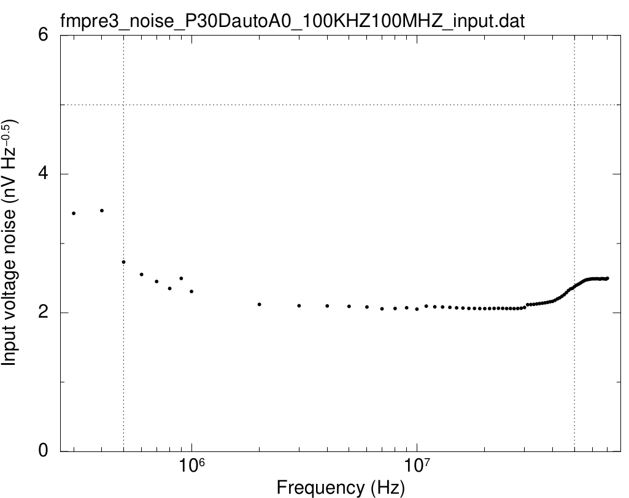
Frequency (Hz) | Input voltage noise (nV/sqrtHz)
300000 | 3.434543244
400000 | 3.4734216328
500000 | 2.7322569371
600000 | 2.5520267106
700000 | 2.4512056036
800000 | 2.3499284479
900000 | 2.4960482954
1000000 | 2.3068128168
2000000 | 2.1201612352
3000000 | 2.1012472321
4000000 | 2.0982291576
5000000 | 2.0928147439
6000000 | 2.0830734734
7000000 | 2.0575551079
8000000 | 2.0622367275
9000000 | 2.0724581093
10000000 | 2.0526540554
11000000 | 2.095768454
12000000 | 2.0854860729
13000000 | 2.0828235625
14000000 | 2.0778514487 |  | Noise | Result
15000000 | 2.0719454338 | Averaged (1MHz-6MHz) | 2.1337231098 | OK
16000000 | 2.0673310321 | Averaged (0.5MHz-50MHz) | 2.1663369451 | OK
17000000 | 2.0623907478
18000000 | 2.0628548444
19000000 | 2.0609451648
20000000 | 2.0604298989
21000000 | 2.0609771839
22000000 | 2.0632539559
23000000 | 2.0646969248
24000000 | 2.0640736735
25000000 | 2.061281602
26000000 | 2.0619071319
27000000 | 2.0599268615
28000000 | 2.0614191251
29000000 | 2.0658641431
30000000 | 2.075973678
31000000 | 2.1164234566
32000000 | 2.1182785321
33000000 | 2.1217343896
34000000 | 2.1273807224
35000000 | 2.1326164052
36000000 | 2.1383462342
37000000 | 2.1439113717
38000000 | 2.1508385947
39000000 | 2.1587776175
40000000 | 2.1652085526
41000000 | 2.1801665655
42000000 | 2.2003847084
43000000 | 2.2162088613
44000000 | 2.2377234547
45000000 | 2.2611264464
46000000 | 2.2896221184
47000000 | 2.3204190194
48000000 | 2.3433976864
49000000 | 2.3536239259
50000000 | 2.3764337222
51000000 | 2.3971917536
52000000 | 2.411268157
53000000 | 2.4266116916
54000000 | 2.443302634
55000000 | 2.458833873
56000000 | 2.4713502506
57000000 | 2.478553285
58000000 | 2.4817167585
59000000 | 2.4874165263
60000000 | 2.490246915
61000000 | 2.4902221478
62000000 | 2.4900174177
63000000 | 2.4916292773
64000000 | 2.4888030481
65000000 | 2.4859570816
66000000 | 2.4925478501
67000000 | 2.4905774378
68000000 | 2.489315954
69000000 | 2.4856501194
70000000 | 2.4974235268

Input impedance
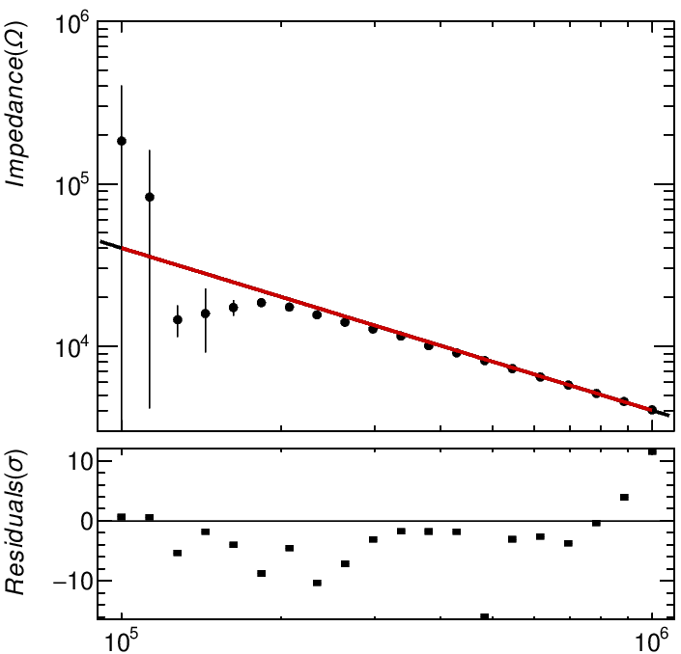
Frequency (Hz) | Z (ohm) | std Z (ohm) | Angle (degree) | std Angle (degree)
100000 | 183182 | 218829 | -98.804 | 60.0813
112884 | 82816.7 | 78688.6 | -67.0127 | 125.904
127427 | 14552.4 | 3167.89 | -126.687 | 13.2659
143845 | 15821.7 | 6672.91 | -50.7976 | 37.0659
162378 | 17274.3 | 1864.82 | -92.1352 | 2.55542
183298 | 18527.8 | 381.612 | -92.8315 | 1.49725
206914 | 17349 | 451.854 | -91.4803 | 1.46246
233572 | 15525.5 | 160.21 | -90.4991 | 0.912755
263665 | 14032.5 | 165.046 | -91.2687 | 0.630364
297635 | 12723.7 | 245.078 | -90.8246 | 0.717456
335982 | 11515.3 | 245.584 | -90.0218 | 1.26544
379269 | 10057.1 | 296.812 | -89.6722 | 1.34017
428133 | 9059.84 | 171.649 | -90.8069 | 0.69287
483293 | 8142.93 | 10.0465 | -90.3263 | 0.160035
545559 | 7251.24 | 34.0409 | -90.3397 | 0.123071
615848 | 6445.28 | 26.7882 | -90.223 | 0.201261
695193 | 5735.26 | 9.99949 | -90.2658 | 0.108959
784760 | 5111.83 | 4.72186 | -90.2087 | 0.0526743
885867 | 4544.68 | 3.74792 | -90.0739 | 0.0692997
1000000 | 4047.78 | 3.01521 | -89.9995 | 0.0617744

 |  |  |  |  | Input impedance (pF) | error | Result
 |  |  |  |  | 39.7 | 0.1 | OK

1dB Compression
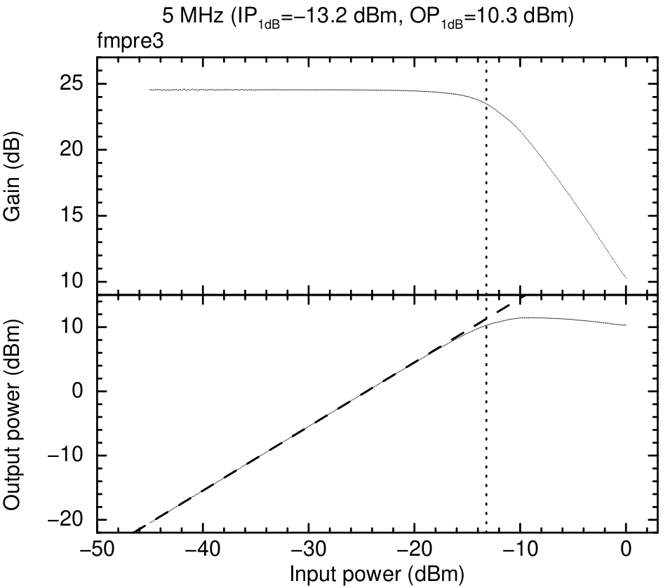
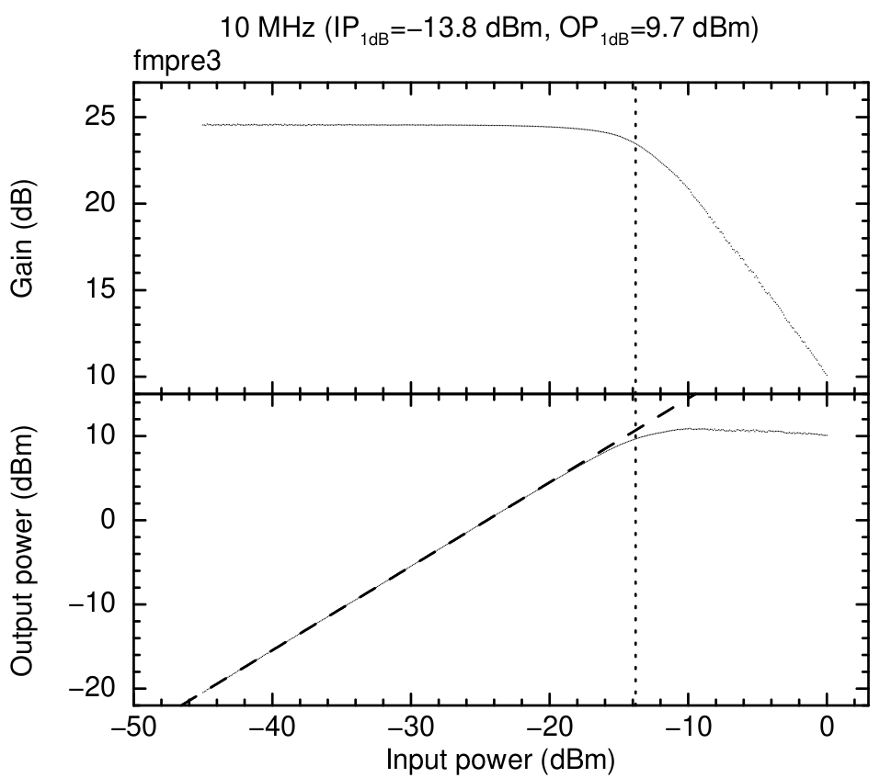
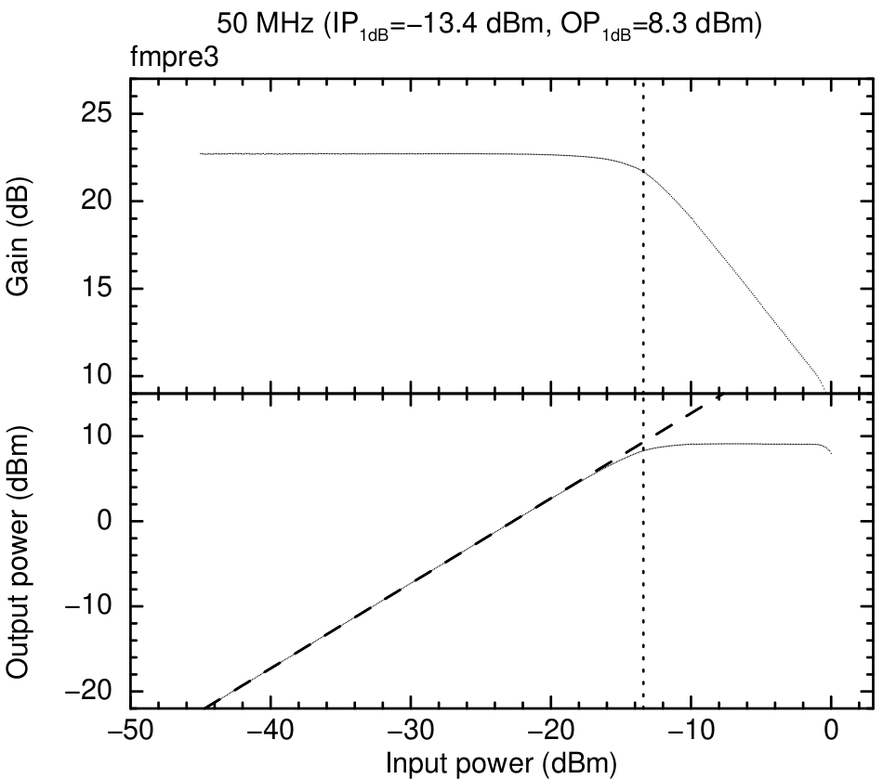
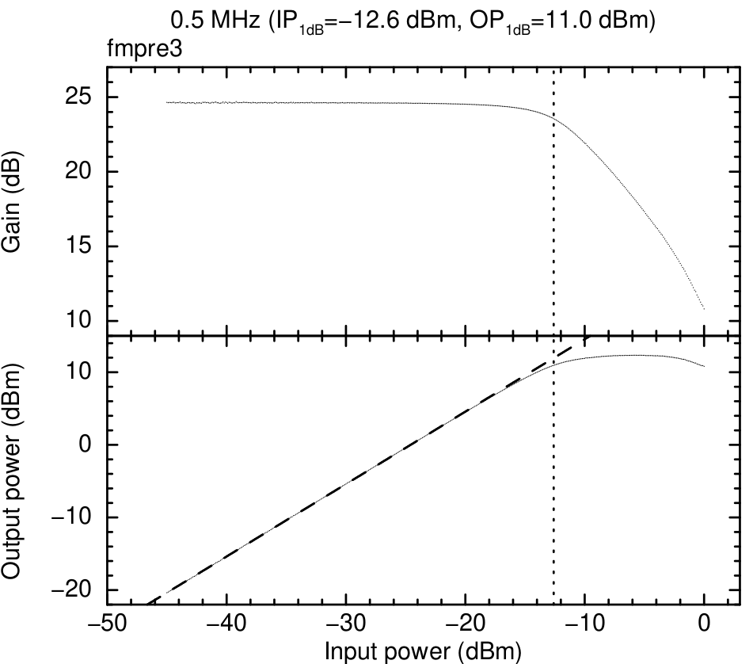
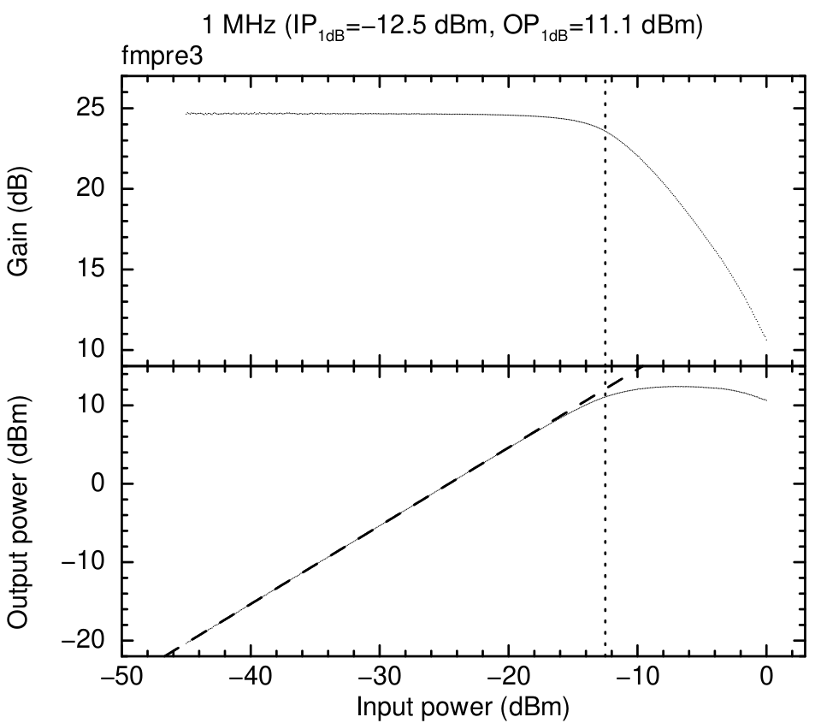
Frequency (Hz) | IP_1dB (dBm) | OP_1dB (dBm)
0.5M | -12.6 | 11
1M | -12.5 | 11.1
5M | -13.2 | 10.3
10M | -13.8 | 9.7
50M | -13.4 | 8.3

Third-order intercept
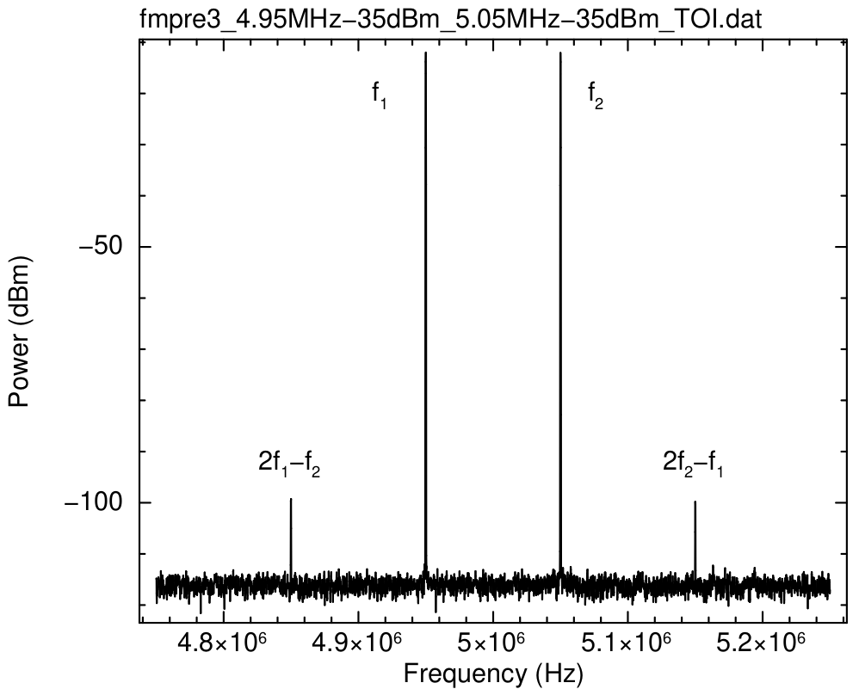
Frequency (Hz) | IIP3 (dBm) | OIP3 (dBm) | Results
5 | 8.75 | 31.7 | OK
10 | 6.25 | 27.5 | OK
50 | 2.86 | 20.2 | OK

Thermal test
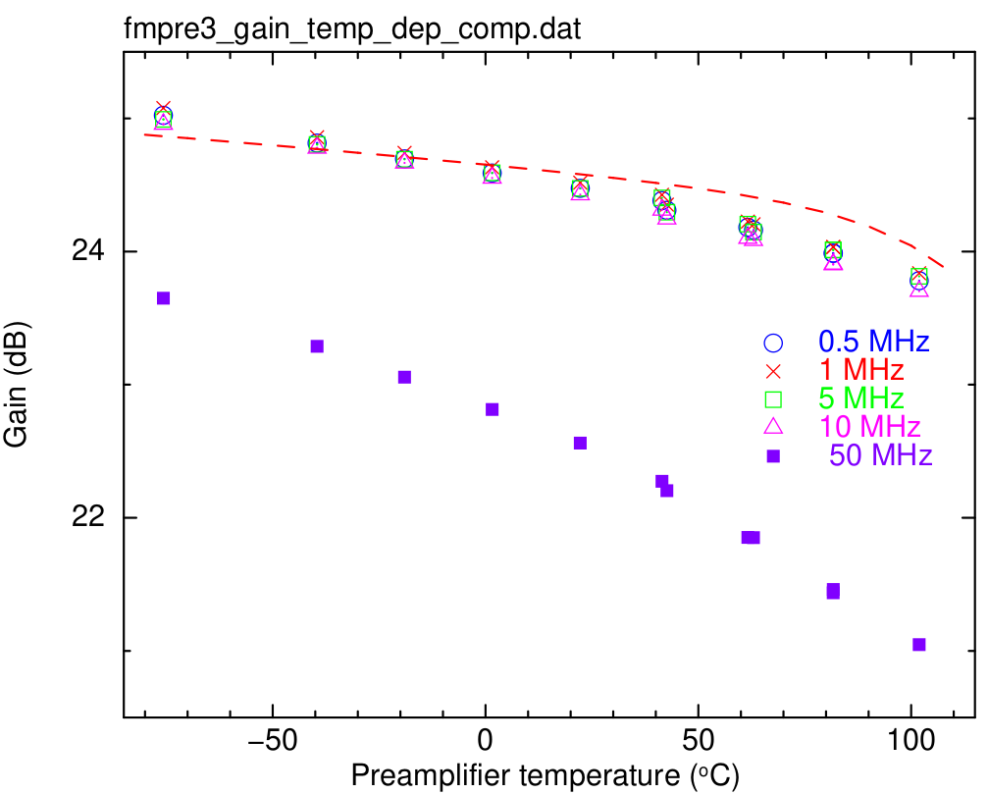
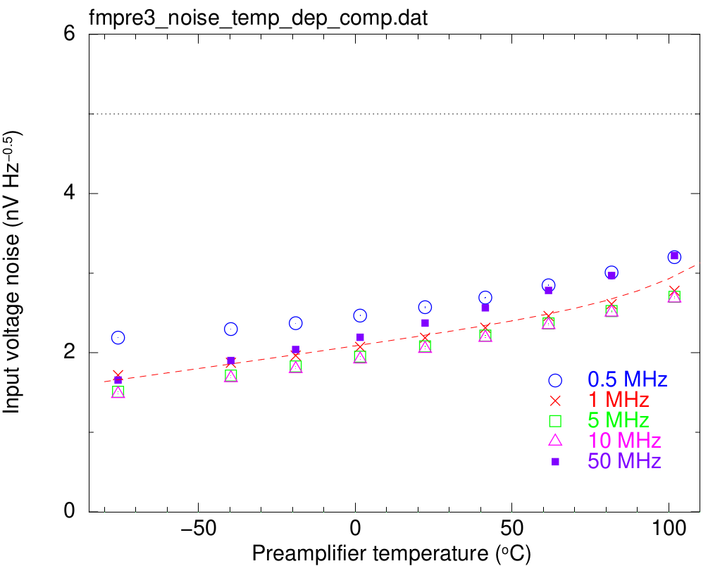

Gain
Temperature | std | 0.5MHz | 1MHz | 5MHz | 10MHz | 50MHz
-75.693 | 0.012300968652 | 25.023135465 | 25.077856101 | 24.992353588 | 24.957421716 | 23.649869764
-39.56675 | 0.0051985830721 | 24.814806346 | 24.858520179 | 24.804006603 | 24.777550976 | 23.287865773
-19.01968617 | 0.0026275788169 | 24.696489134 | 24.741029769 | 24.693176774 | 24.666027723 | 23.05662757
1.558525 | 0.0039469661345 | 24.589273445 | 24.632485026 | 24.5910448 | 24.552322599 | 22.813631347
22.25638017 | 0.0077166625826 | 24.474787135 | 24.517418982 | 24.473880163 | 24.427956241 | 22.561013241
!22.279533700137552 | 0.0066485174679 | 24.566860607 | 24.61077488 | 24.549306611 | 24.510650972 | 22.663442304
41.454687342 | 0.012035825921 | 24.38251003 | 24.425822866 | 24.403165527 | 24.31206622 | 22.274544475
42.610194444 | 0.0087317309682 | 24.309521627 | 24.352593076 | 24.295133408 | 24.245814403 | 22.204199089
61.62937747 | 0.0088614057676 | 24.181679798 | 24.225280064 | 24.206036839 | 24.101055115 | 21.852732526
62.968166667 | 0.0053391016104 | 24.161872341 | 24.204940921 | 24.146236801 | 24.084540281 | 21.851237917
81.681752632 | 0.006588216628 | 23.986638928 | 24.033304772 | 24.011912376 | 23.901773153 | 21.437024968
81.702281553 | 0.0053028065032 | 23.987597478 | 24.034478288 | 24.012696907 | 23.906417388 | 21.461394707
101.88811867 | 0.0047691319705 | 23.781117319 | 23.83740934 | 23.813429722 | 23.70203743 | 21.047477526

Noise
Temperature | std | 0.5MHz | std | 1MHz | std | 5MHz | std | 10MHz | std | 50MHz | std
-75.696083333 | 0.0061807272136 | 2.188580556 | 0.00135069123 | 1.7173027609 | 0.00087587186268 | 1.509409878 | 0.0011251657682 | 1.4829445585 | 0.00062447570916 | 1.6564602336 | 0.00061891374582
-39.678 | 0 | 2.2967609964 | 0 | 1.8730259908 | 0 | 1.7124881234 | 0 | 1.6819675243 | 0 | 1.9011457778 | 0
-19.0155 | 0 | 2.3703006566 | 0 | 1.9639977736 | 0 | 1.8276551953 | 0 | 1.7964782817 | 0 | 2.0399471869 | 0
1.54475 | 0.00075 | 2.4659592411 | 0.0038140951974 | 2.0722815497 | 0.0008757352654 | 1.9489541562 | 0.00029356140325 | 1.9179897789 | 0.00088427375699 | 2.1941206246 | 0.00071844159288
22.264433333 | 0.0077041475121 | 2.57147168 | 0.0053574605412 | 2.1864831401 | 0.0016105395474 | 2.0788669959 | 0.0015988327184 | 2.0497629105 | 0.0010104097081 | 2.3728791805 | 0.0015277214702
41.499730769 | 0.014241887549 | 2.6922849044 | 0.0057278386301 | 2.3132021846 | 0.0020341533321 | 2.2149442938 | 0.0023764748071 | 2.1890136348 | 0.00076949264919 | 2.5636306144 | 0.0016435520301
61.658590909 | 0.006914471589 | 2.8462732151 | 0.0034803568852 | 2.4608165216 | 0.001620960671 | 2.3679194573 | 0.0024903490535 | 2.3482870285 | 0.0013347424733 | 2.7819749294 | 0.0014513146462
81.767388889 | 0.0032212642254 | 3.0084218233 | 0.0060141620659 | 2.6099127184 | 0.0028566985446 | 2.5236125972 | 0.0024472083245 | 2.5065651107 | 0.00063419422109 | 2.9692758866 | 0.0013242501107
101.84377778 | 0.0025288459282 | 3.2005650581 | 0.0056604668208 | 2.7774375072 | 0.0020337361643 | 2.7020886578 | 0.0025032464085 | 2.683503786 | 0.0018981130739 | 3.2204033395 | 0.0015330717568

Out of enclosure (7_5)
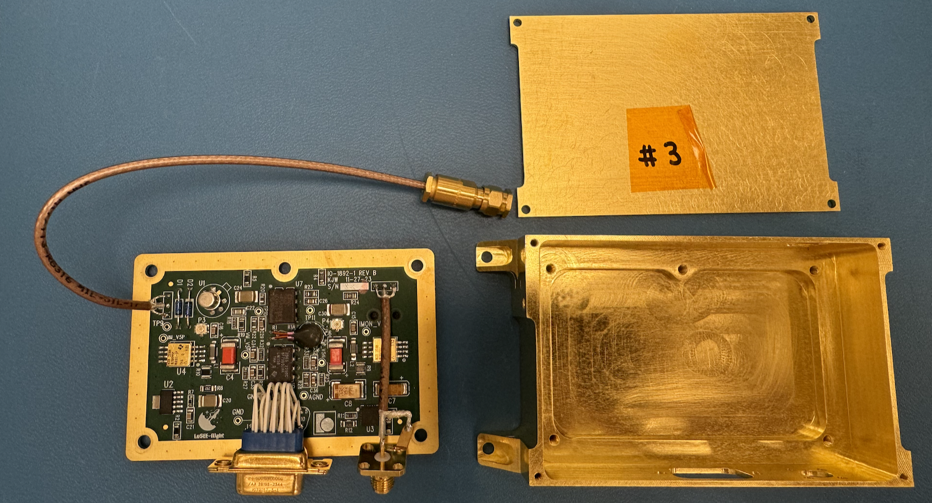
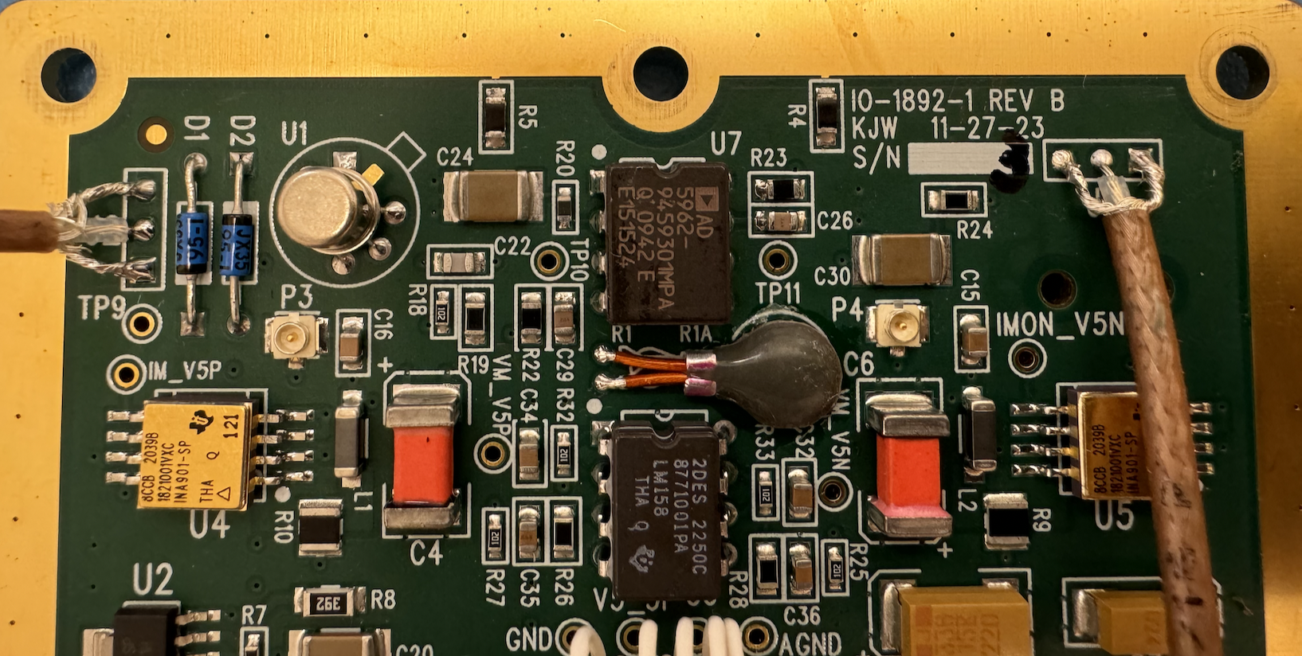

before shipping
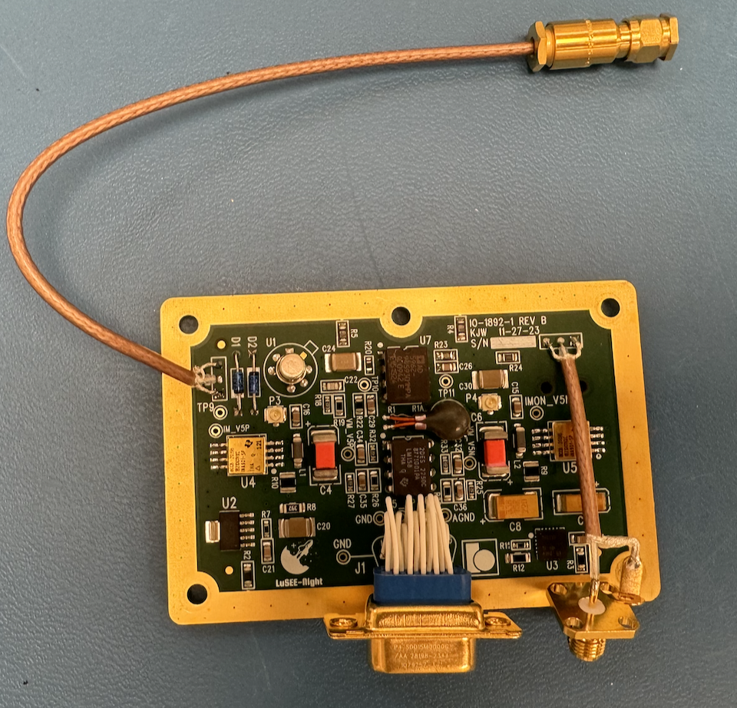
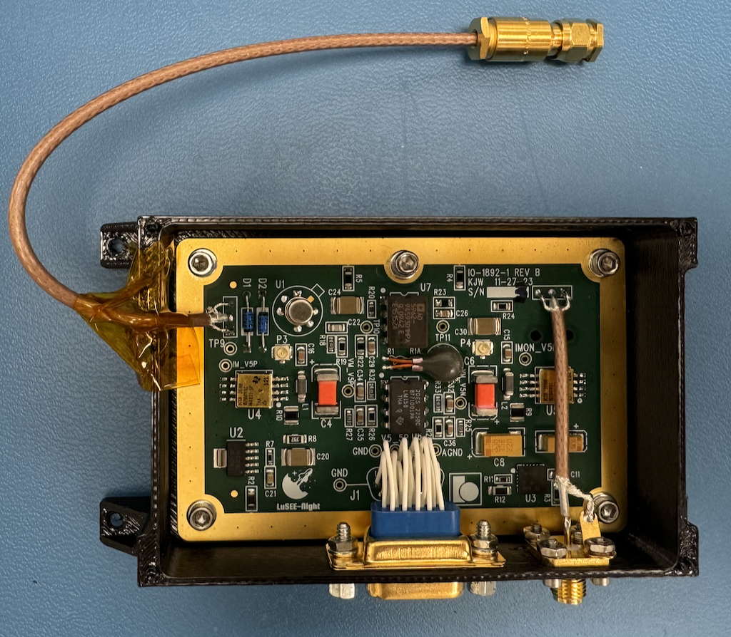
after cleaning | integrating into the 3D printed enclosure

AUG 19 before cycling
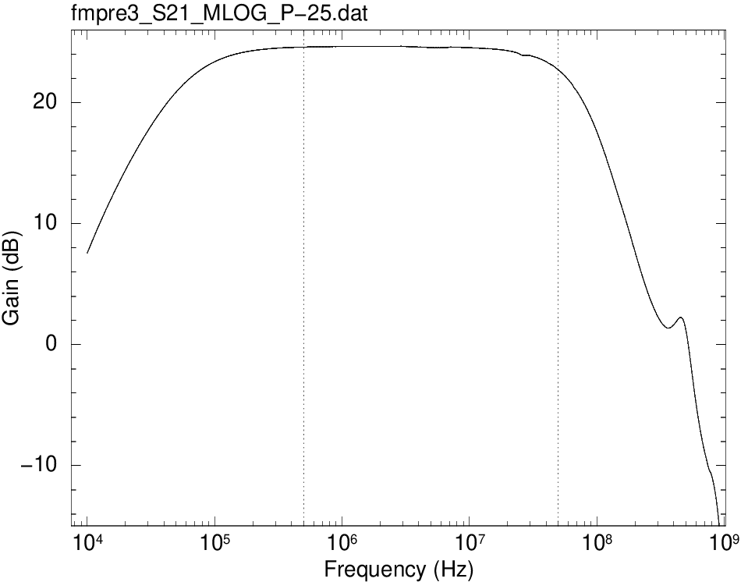
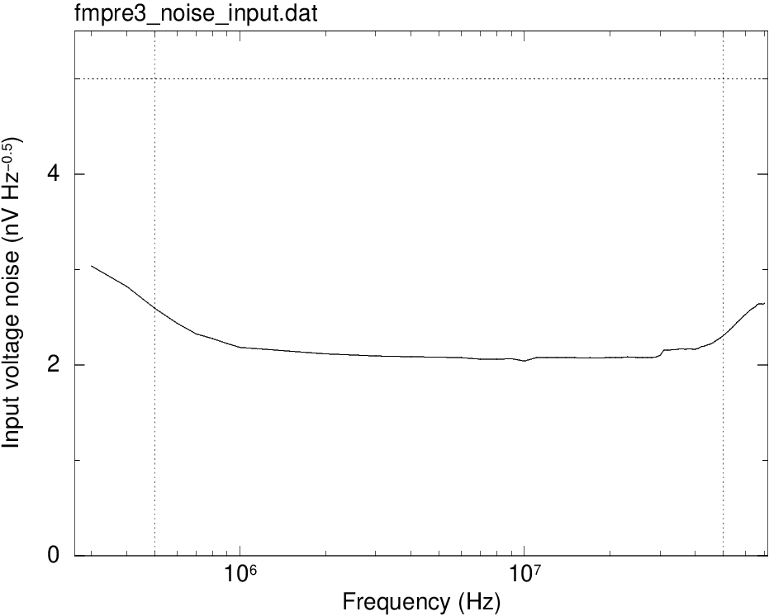
2024-08-19

After 10 thermal cycles
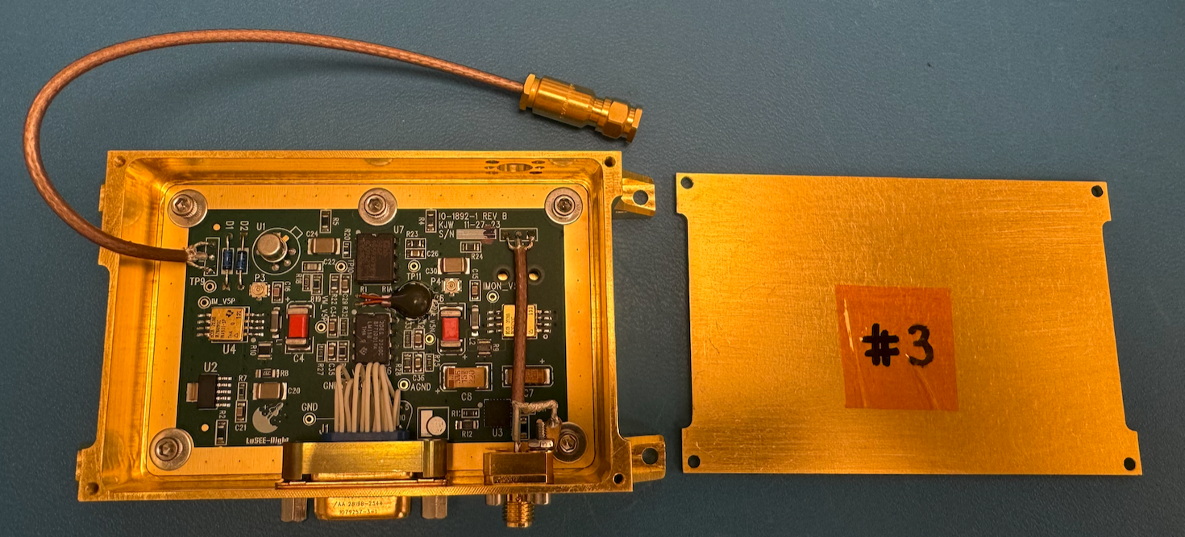
2024-09-11

before shipping (9_25)
