distinct_flight_paths_full
NUMBER OF DISTINCT DIRECT AND INDIRECT FLIGHT PATHS: |  |  |  |  |  |  |  |  |  |  |  |  | highlighting legend:
 | AMS | MIA | BOG | UIO | SCL | VCP | EZE | GUA | CAI | JNB | NBO | HRE | All intra SA via AMS
AMS | 0 | 6 | 3 | 4 | 2 | 3 | 1 | 1 | 1 | 4 | 4 | 3 | All intra SA via MIA
MIA | 6 | 0 | 3 | 4 | 2 | 3 | 1 | 1 | 1 | 2 | 3 | 2 | All intra AF via AMS
BOG | 3 | 3 | 0 | 2 | 1 | 2 | 1 | 1 | 1 | 2 | 2 | 2 | 1 of 2 Intra SA via MIA
UIO | 4 | 3 | 2 | 0 | 2 | 3 | 1 | 1 | 1 | 2 | 3 | 2 | 2 of 3 MIA-SA via AMS
SCL | 2 | 2 | 2 | 1 | 0 | 2 | 0 | 0 | 1 | 2 | 2 | 2 | MIA-SA via AMS
VCP | 3 | 2 | 2 | 2 | 1 | 0 | 1 | 0 | 1 | 2 | 2 | 2
EZE | 1 | 0 | 0 | 0 | 0 | 1 | 0 | 0 | 0 | 0 | 0 | 0 | ORIGIN
GUA | 1 | 1 | 1 | 1 | 0 | 1 | 1 | 0 | 1 | 1 | 1 | 1 | DESTINATION
CAI | 1 | 0 | 0 | 0 | 0 | 0 | 0 | 0 | 0 | 0 | 0 | 0
JNB | 4 | 3 | 3 | 3 | 1 | 2 | 1 | 1 | 1 | 0 | 3 | 2
NBO | 5 | 3 | 3 | 3 | 1 | 2 | 1 | 1 | 1 | 4 | 0 | 3
HRE | 3 | 2 | 2 | 2 | 1 | 2 | 1 | 1 | 1 | 3 | 2 | 0
totals: | 33 | 25 | 21 | 22 | 11 | 21 | 9 | 7 | 10 | 22 | 22 | 19 |  | 0 | 6 | 3 | 4 | 2 | 3 | 1 | 1 | 1 | 4 | 4 | 3
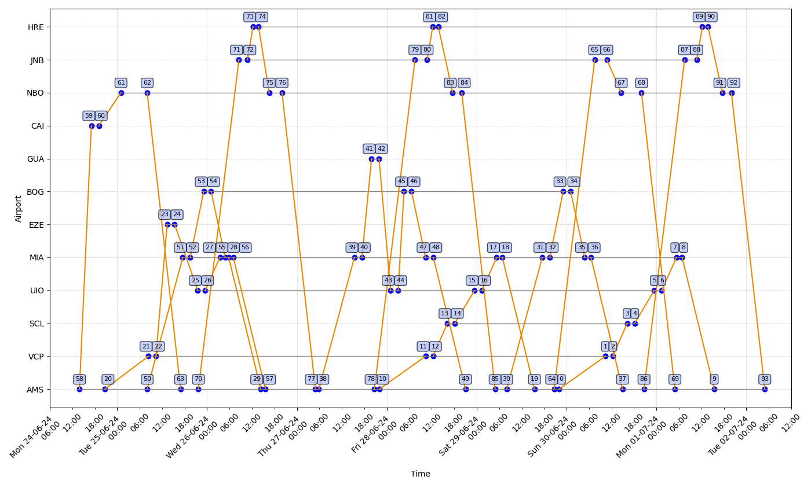
 |  |  |  |  |  |  |  |  |  |  |  |  |  | 6 | 0 | 3 | 4 | 2 | 3 | 1 | 1 | 1 | 2 | 3 | 2
 |  |  |  |  |  |  |  |  |  |  |  |  |  | 3 | 3 | 0 | 2 | 1 | 2 | 1 | 1 | 1 | 2 | 2 | 2
 |  |  |  |  |  |  |  |  |  |  |  |  |  | 4 | 3 | 2 | 0 | 2 | 3 | 1 | 1 | 1 | 2 | 3 | 2
 |  |  |  |  |  |  |  |  |  |  |  |  |  | 2 | 2 | 2 | 1 | 0 | 2 | 0 | 0 | 1 | 2 | 2 | 2
 |  |  |  |  |  |  |  |  |  |  |  |  |  | 3 | 2 | 2 | 2 | 1 | 0 | 1 | 0 | 1 | 2 | 2 | 2
 |  |  |  |  |  |  |  |  |  |  |  |  |  | 1 | 0 | 0 | 0 | 0 | 1 | 0 | 0 | 0 | 0 | 0 | 0
 |  |  |  |  |  |  |  |  |  |  |  |  |  | 1 | 1 | 1 | 1 | 0 | 1 | 1 | 0 | 1 | 1 | 1 | 1
 |  |  |  |  |  |  |  |  |  |  |  |  |  | 1 | 0 | 0 | 0 | 0 | 0 | 0 | 0 | 0 | 0 | 0 | 0
 |  |  |  |  |  |  |  |  |  |  |  |  |  | 4 | 3 | 3 | 3 | 1 | 2 | 1 | 1 | 1 | 0 | 3 | 2
 |  |  |  |  |  |  |  |  |  |  |  |  |  | 5 | 3 | 3 | 3 | 1 | 2 | 1 | 1 | 1 | 4 | 0 | 3
 |  |  |  |  |  |  |  |  |  |  |  |  |  | 3 | 2 | 2 | 2 | 1 | 2 | 1 | 1 | 1 | 3 | 2 | 0

