distinct_flight_paths_reduced
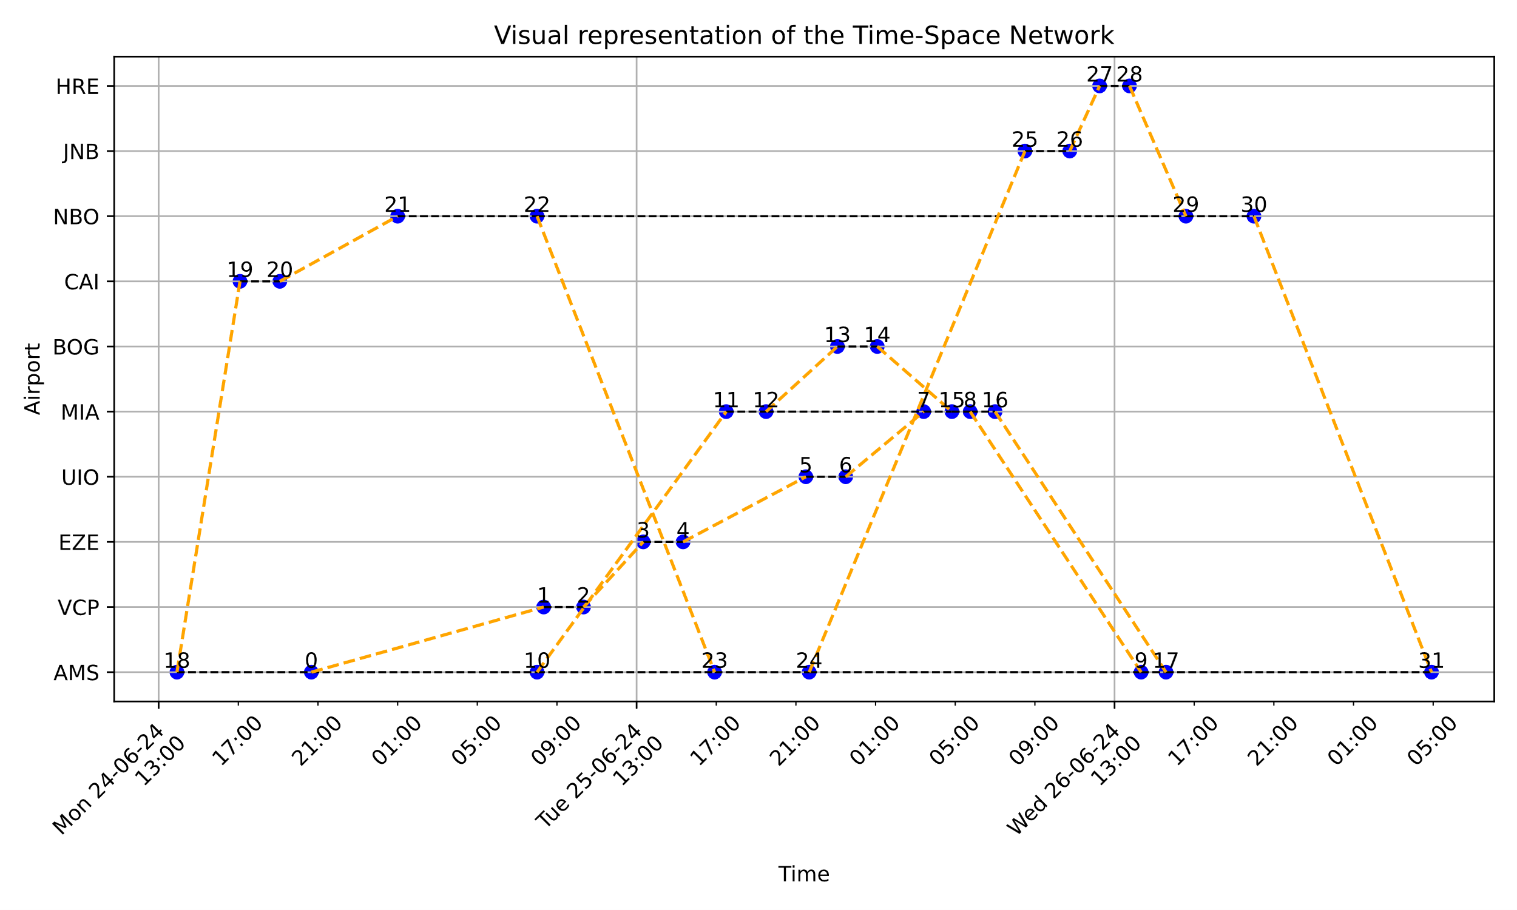
NUMBER OF DISTINCT DIRECT AND INDIRECT FLIGHT PATHS:
 | AMS | MIA | BOG | UIO | VCP | EZE | CAI | JNB | NBO | HRE
AMS | 0 | 2 | 1 | 1 | 1 | 1 | 1 | 1 | 2 | 1
MIA | 2 | 0 | 1 | 1 | 1 | 1 | 0 | 0 | 0 | 0
BOG | 1 | 1 | 0 | 0 | 0 | 0 | 0 | 0 | 0 | 0 | All intra AF via AMS
UIO | 1 | 0 | 0 | 0 | 1 | 1 | 0 | 0 | 0 | 0
VCP | 1 | 0 | 0 | 0 | 0 | 0 | 0 | 0 | 0 | 0
EZE | 1 | 0 | 0 | 0 | 1 | 0 | 0 | 0 | 0 | 0 | ORIGIN
CAI | 1 | 0 | 0 | 0 | 0 | 0 | 0 | 0 | 0 | 0 | DESTINATION
JNB | 1 | 0 | 0 | 0 | 0 | 0 | 1 | 0 | 1 | 0
NBO | 2 | 0 | 0 | 0 | 0 | 0 | 1 | 1 | 0 | 1
HRE | 1 | 0 | 0 | 0 | 0 | 0 | 1 | 1 | 1 | 0

