Sheet1
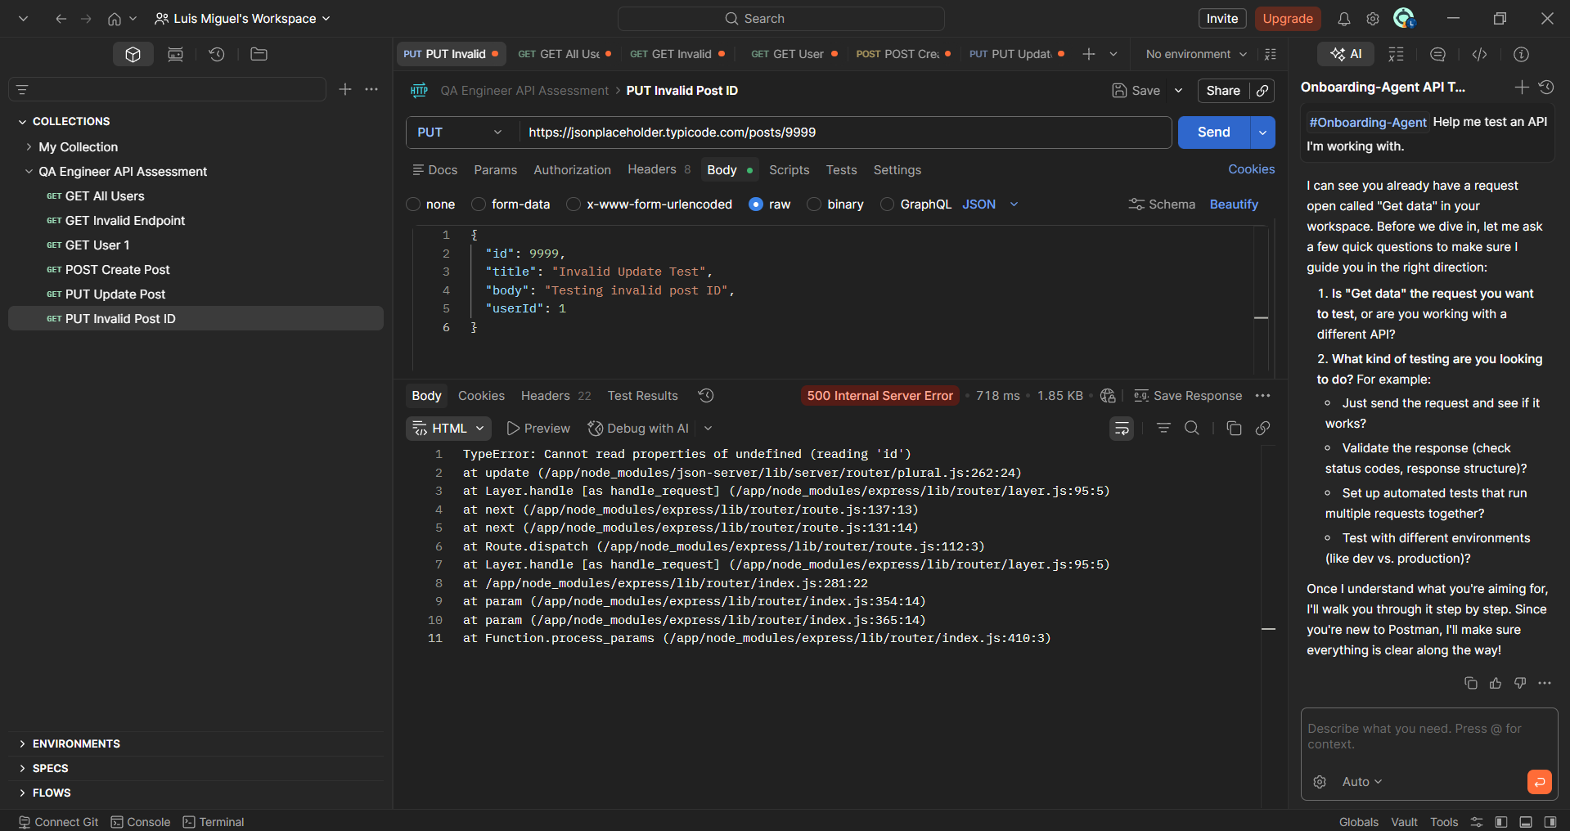
Bug ID | Module | Title | Severity | Priority | Steps to Reproduce | Expected Result | Actual Result | Environment | Screenshot
API_BUG_01 | API Testing | PUT request on invalid post ID returns 500 Internal Server Error | Medium | Medium | 1. Send PUT request to https://jsonplaceholder.typicode.com/posts/9999 2. Include valid JSON body 3. Click Send | API should return proper validation response such as 404 Not Found or handled error message | API returned 500 Internal Server Error | Postman / Windows / MS Edge

