Sheet1
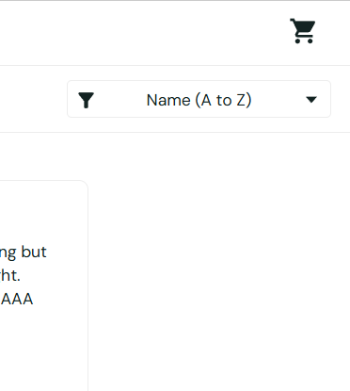
Bug ID | Title | Steps to Reproduce | Expected Result | Severity | Actual Result | Screenshot
Bug_01 | Sorting dropdown arrow icon is not clickable | 1. Navigate to the product listing page. 2. Locate the "Name (A to Z)" sorting dropdown 3. Attempt to click directly on the downward arrow icon on the right side of the tab. | The sorting dropdown menu should expand when clicking anywhere within the button container, including the arrow icon. | LOW (UI/UX Inconsistency) | The dropdown only opens when clicking the text; the arrow icon is unresponsive (dead zone).

