Sheet1
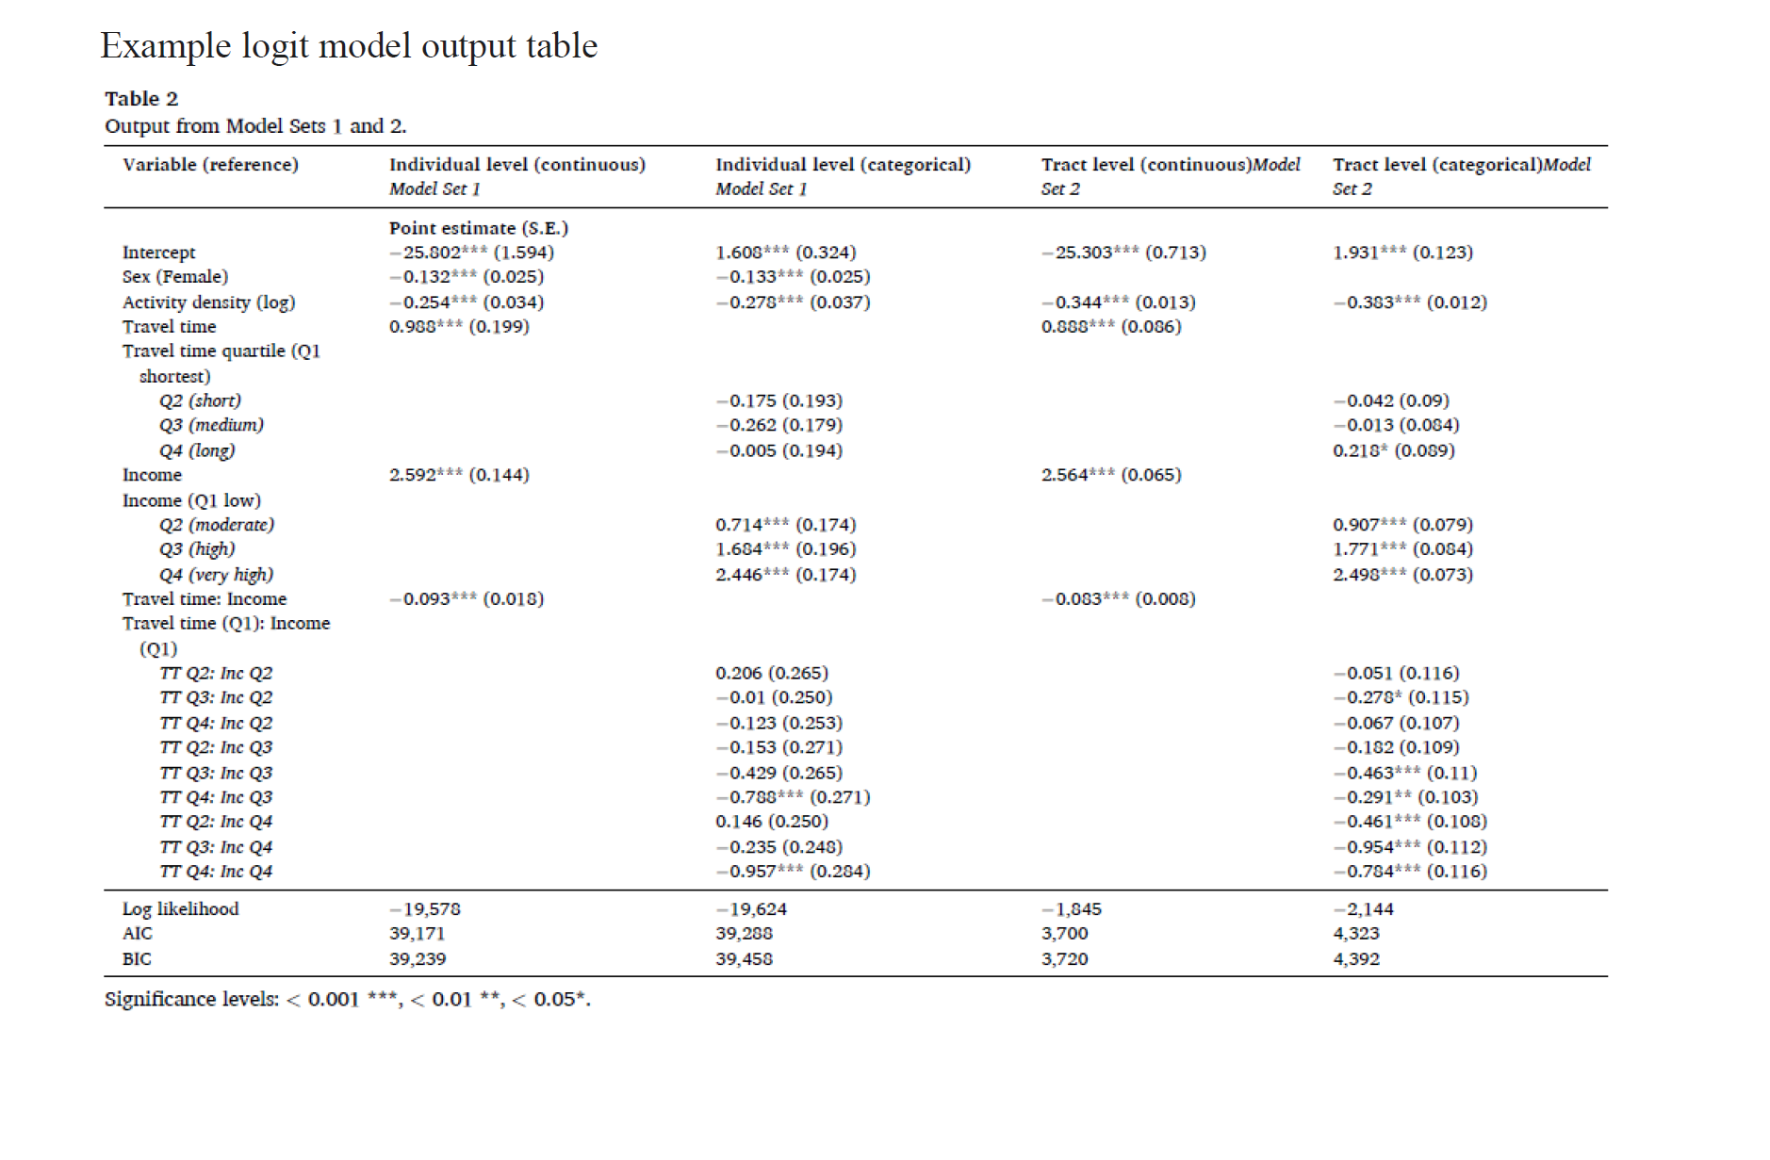
 |  |  | Call:
 |  |  | glm(formula = candidate_cat ~ age_cat + race_cat + religion_cat +
 |  |  | south_cat + education_cat + party_cat, family = binomial("logit"),
 |  |  | data = dat2016, na.action = na.exclude)

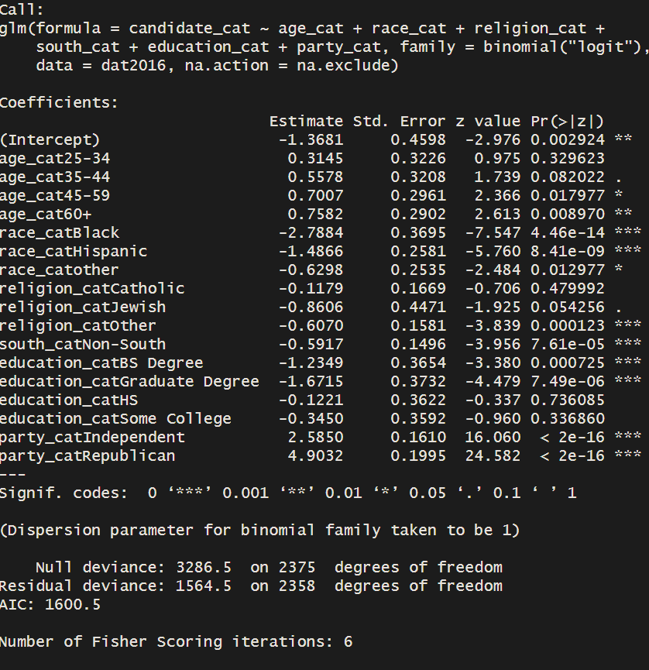
Variable (reference) | Model 2012 | Model 2016 | Coefficients:
 | Point estimate (S.E.) |  | Estimate Std. Error z value Pr(>|z|)
Intercept | -2.411*** (0.356) | -1.368**(0.460) | (Intercept) -1.3681 0.4598 -2.976 0.002924 **
Race (White) |  |  | age_cat25-34 0.3145 0.3226 0.975 0.329623
Black | -3.504*** (0.303) | -2.788*** (0.370) | age_cat35-44 0.5578 0.3208 1.739 0.082022 .
Hispanic | -0.948 *** (0.161) | -1.487 *** (0.258) | age_cat45-59 0.7007 0.2961 2.366 0.017977 *
Other | -0.386.(0.225) | -0.630* (0.254) | age_cat60+ 0.7582 0.2902 2.613 0.008970 **
Income (lower Income) |  |  | race_catHispanic -1.4866 0.2581 -5.760 8.41e-09 ***
Middle Income | 0.257. (0.135) |  | race_catother -0.6298 0.2535 -2.484 0.012977 *
High Income | 0.381 ** (0.146) |  | religion_catCatholic -0.1179 0.1669 -0.706 0.479992
Age (18-24 yrs) |  |  | religion_catJewish -0.8606 0.4471 -1.925 0.054256 .
25-34 | 0.025 (0.279) | 0.315 (0.323) | religion_catOther -0.6070 0.1581 -3.839 0.000123 ***
35-44 | 0.302 (0.270) | 0.558 . (0.321) | south_catNon-South -0.5917 0.1496 -3.956 7.61e-05 ***
45-59 | 0.368 (0.251) | 0.701* (0.296) | education_catBS Degree -1.2349 0.3654 -3.380 0.000725 ***
60+ yrs | 0.718** (0.248) | 0.758** (0.290) | education_catGraduate Degree -1.6715 0.3732 -4.479 7.49e-06 ***
Education (Below High School) |  |  | education_catHS -0.1221 0.3622 -0.337 0.736085
High School | 0.248 (0.235) | -0.122 (0.362) | education_catSome College -0.3450 0.3592 -0.960 0.336860
Some College | 0.215(0.238) | -0.345 (0.359) | party_catIndependent 2.5850 0.1610 16.060 < 2e-16 ***
Bachelor Degree | 0.067 (0.247) | -1.235*** (0.3654) | party_catRepublican 4.9032 0.1995 24.582 < 2e-16 ***
Graduate Degree | -0.632* (0.261) | -1.671*** (0.3732) | ---
Religion (Protestant) |  |  | Signif. codes: 0 ‘***’ 0.001 ‘**’ 0.01 ‘*’ 0.05 ‘.’ 0.1 ‘ ’ 1
Catholic | -0.305* (0.135) | -0.118 (0.167)
Jewish | -0.397 (0.343) | -0.861 .(0.447) | (Dispersion parameter for binomial family taken to be 1)
Other | -0.669*** (0.129) | -0.607*** (0.158)
Party (Democrat) |  |  | Null deviance: 3286.5 on 2375 degrees of freedom
Republican | 5.122*** (0.172) | 4.903*** (0.200) | Residual deviance: 1564.5 on 2358 degrees of freedom
Independent | 2.388*** (0.129) | 2.585*** (0.161) | AIC: 1600.5
Political South(South)
Non South | -0.273* (0.118) | -0.592*** (0.150) | Number of Fisher Scoring iterations: 6

Log likelihood | -1185.388 | -782.2323
AIC | 2410.776 | 1600.465
Significance levels: < 0 ‘***’ 0.001 ‘**’ 0.01 ‘*’ 0.05 ‘.’ 0.1 ‘ ’ 1

Sheet2
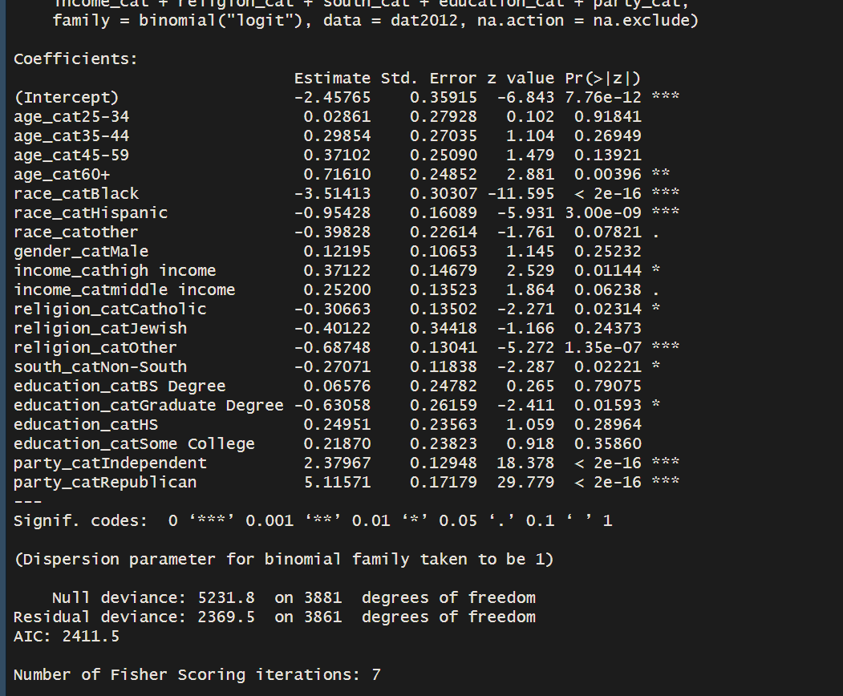
Variable (reference) | Model 2012 (mod.1) | Model 2012 (mod.2)
 | Point estimate (S.E.)
Intercept | -2.458*** (0.359) | -2.411*** (0.356)
Race (White)
Black | -3.514*** (0.303) | -3.504*** (0.303)
Hispanic | -0.954 *** (0.161) | -0.948 *** (0.161)
Other | -0.398.(0.226) | -0.386.(0.225)
Income (lower Income)
Middle Income | 0.252. (0.135) | 0.257. (0.135)
High Income | 0.371 * (0.147) | 0.381 ** (0.146)
Age (18-24 yrs)
25-34 | 0.029 (0.279) | 0.025 (0.279)
35-44 | 0.299 (0.270) | 0.302 (0.270)
45-59 | 0.371 (0.251) | 0.368 (0.251)
60+ yrs | 0.716** (0.249) | 0.718** (0.248)
Education (Below High School)
High School | 0.250 (0.236) | 0.248 (0.235)
Some College | 0.219(0.238) | 0.215(0.238)
Bachelor Degree | 0.066 (0.248) | 0.067 (0.247)
Graduate Degree | -0.631* (0.262) | -0.632* (0.261)
Religion (Protestant)
Catholic | -0.307* (0.135) | -0.305* (0.135)
Jewish | -0.401(0.344) | -0.397 (0.343)
Other | -0.687*** (0.130) | -0.669*** (0.129)
Party (Democrat)
Republican | 5.116*** (0.172) | 5.122*** (0.172)
Independent | 2.380*** (0.129) | 2.388*** (0.129)
Political South(South)
Non South | -0.271* (0.118) | -0.273* (0.118)
Gender(Female) | 0.122(0.107)
Log likelihood | -1184.733 | -1185.388
AIC | 2411.5 | 2410.776
Significance levels: < 0 ‘***’ 0.001 ‘**’ 0.01 ‘*’ 0.05 ‘.’ 0.1 ‘ ’ 1

Sheet3
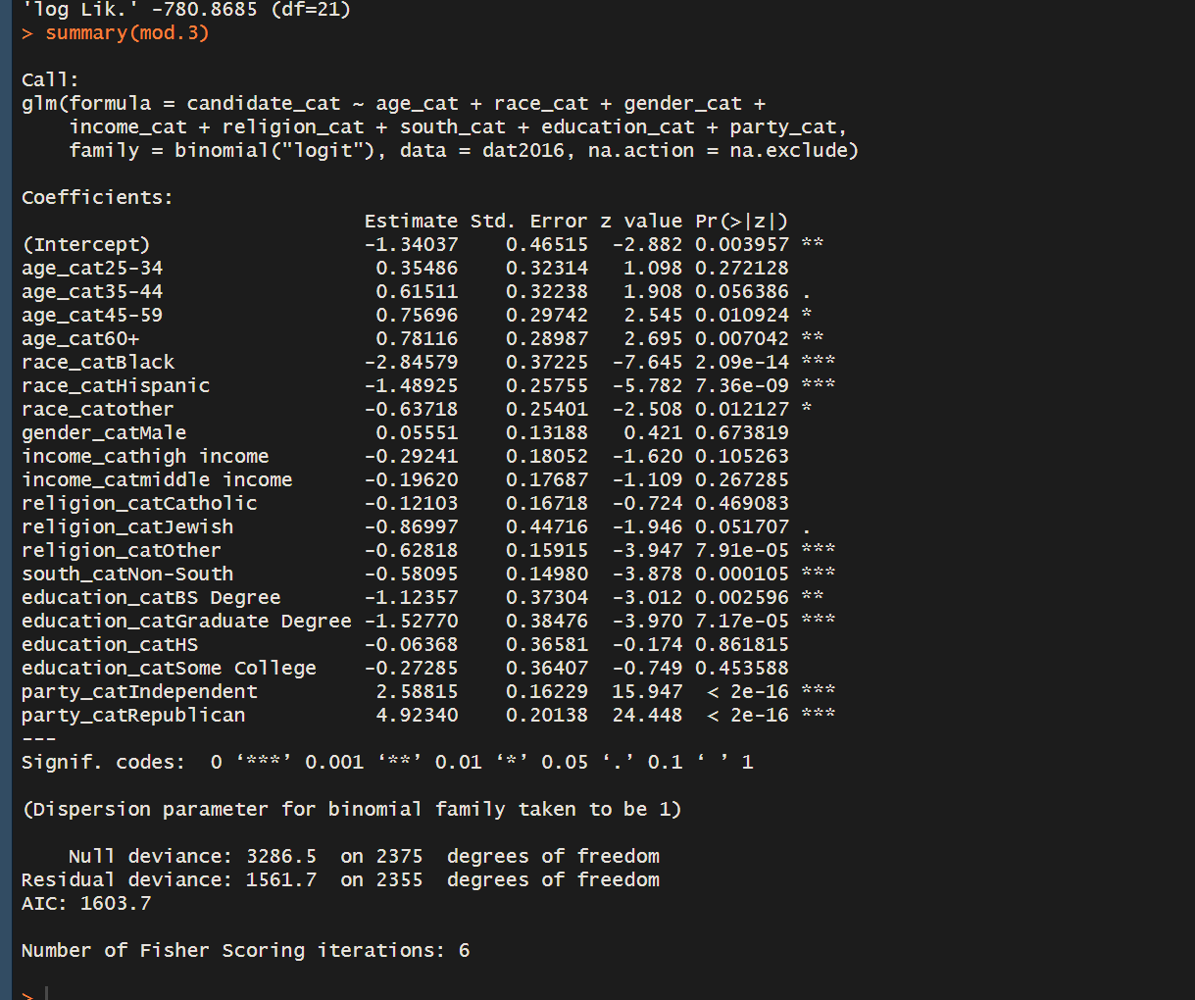
Variable (reference) | Model 2016 (mod.3) | Model 2016 (mod.4)
 | Point estimate (S.E.)
Intercept | -1.340** (0.465) | -1.368**(0.460)
Race (White)
Black | -2.846*** (0.372) | -2.788*** (0.370)
Hispanic | -1.489 *** (0.258) | -1.487 *** (0.258)
Other | -0.637* (0.254) | -0.630* (0.254)
Income (lower Income)
Middle Income | -0.196 (0.177)
High Income | -0.292 (0.181)
Age (18-24 yrs)
25-34 | 0.355 (0.323) | 0.315 (0.323)
35-44 | 0.615 . (0.322) | 0.558 . (0.321)
45-59 | 0.757* (0.297) | 0.701* (0.296)
60+ yrs | 0.781** (0.290) | 0.758** (0.290)
Education (Below High School)
High School | -0.122 (0.362) | -0.122 (0.362)
Some College | -0.345 (0.359) | -0.345 (0.359)
Bachelor Degree | -1.2349 (0.3654) | -1.2349 (0.3654)
Graduate Degree | -1.6715* (0.3732) | -1.6715* (0.3732)
Religion (Protestant)
Catholic | -0.121 (0.167) | -0.118 (0.167)
Jewish | -0.870 .(0.447) | -0.861 .(0.447)
Other | -0.628*** (0.159) | -0.607*** (0.158)
Party (Democrat)
Republican | 4.923*** (0.201) | 4.903*** (0.200)
Independent | 2.589*** (0.162) | 2.585*** (0.161)
Political South(South)
Non South | -0.581*** (0.150) | -0.592*** (0.150)
Gender(Female) | 0.056 (0.132)
Log likelihood | -780.8685 | -782.2323
AIC | 1603.737 | 1600.465
Significance levels: < 0 ‘***’ 0.001 ‘**’ 0.01 ‘*’ 0.05 ‘.’ 0.1 ‘ ’ 1

