Repeated List
 | Value | n | r
1 day | 1 | 1 | 0.0071942446043
1 day | 1 | 2 | 0.014388489209
1 day | 1 | 3 | 0.021582733813
1 day | 1 | 4 | 0.028776978417
1 day | 1 | 5 | 0.035971223022
1 day | 1 | 6 | 0.043165467626
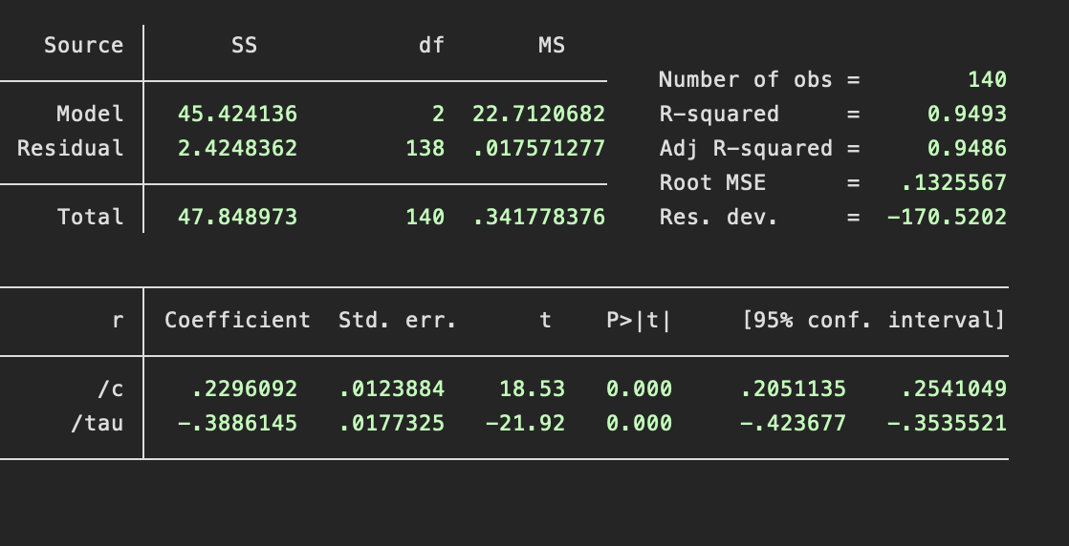
1 day | 1 | 7 | 0.05035971223
1 day | 1 | 8 | 0.057553956835
1 day | 1 | 9 | 0.064748201439
2 day | 2 | 10 | 0.071942446043
2 day | 2 | 11 | 0.079136690647
2 day | 2 | 12 | 0.086330935252
2 day | 2 | 13 | 0.093525179856
2 day | 2 | 14 | 0.10071942446
2 day | 2 | 15 | 0.10791366906
2 day | 2 | 16 | 0.11510791367
2 day | 2 | 17 | 0.12230215827
2 day | 2 | 18 | 0.12949640288
2 day | 2 | 19 | 0.13669064748
2 day | 2 | 20 | 0.14388489209
2 day | 2 | 21 | 0.15107913669
2 day | 2 | 22 | 0.15827338129
3 day | 3 | 23 | 0.1654676259
3 day | 3 | 24 | 0.1726618705
3 day | 3 | 25 | 0.17985611511
3 day | 3 | 26 | 0.18705035971
3 day | 3 | 27 | 0.19424460432
3 day | 3 | 28 | 0.20143884892
3 day | 3 | 29 | 0.20863309353
3 day | 3 | 30 | 0.21582733813
3 day | 3 | 31 | 0.22302158273
3 day | 3 | 32 | 0.23021582734
3 day | 3 | 33 | 0.23741007194
3 day | 3 | 34 | 0.24460431655
3 day | 3 | 35 | 0.25179856115
3 day | 3 | 36 | 0.25899280576
3 day | 3 | 37 | 0.26618705036
3 day | 3 | 38 | 0.27338129496
3 day | 3 | 39 | 0.28057553957
3 day | 3 | 40 | 0.28776978417
3 day | 3 | 41 | 0.29496402878
4 day | 4 | 42 | 0.30215827338
4 day | 4 | 43 | 0.30935251799
4 day | 4 | 44 | 0.31654676259
4 day | 4 | 45 | 0.32374100719
4 day | 4 | 46 | 0.3309352518
4 day | 4 | 47 | 0.3381294964
4 day | 4 | 48 | 0.34532374101
4 day | 4 | 49 | 0.35251798561
4 day | 4 | 50 | 0.35971223022
4 day | 4 | 51 | 0.36690647482
4 day | 4 | 52 | 0.37410071942
4 day | 4 | 53 | 0.38129496403
5 day | 5 | 54 | 0.38848920863
5 day | 5 | 55 | 0.39568345324
5 day | 5 | 56 | 0.40287769784
5 day | 5 | 57 | 0.41007194245
5 day | 5 | 58 | 0.41726618705
5 day | 5 | 59 | 0.42446043165
5 day | 5 | 60 | 0.43165467626
5 day | 5 | 61 | 0.43884892086
5 day | 5 | 62 | 0.44604316547
5 day | 5 | 63 | 0.45323741007
5 day | 5 | 64 | 0.46043165468
5 day | 5 | 65 | 0.46762589928
5 day | 5 | 66 | 0.47482014388
5 day | 5 | 67 | 0.48201438849
5 day | 5 | 68 | 0.48920863309
5 day | 5 | 69 | 0.4964028777
5 day | 5 | 70 | 0.5035971223
5 day | 5 | 71 | 0.51079136691
5 day | 5 | 72 | 0.51798561151
5 day | 5 | 73 | 0.52517985612
5 day | 5 | 74 | 0.53237410072
5 day | 5 | 75 | 0.53956834532
6 day | 6 | 76 | 0.54676258993
6 day | 6 | 77 | 0.55395683453
6 day | 6 | 78 | 0.56115107914
6 day | 6 | 79 | 0.56834532374
6 day | 6 | 80 | 0.57553956835
6 day | 6 | 81 | 0.58273381295
6 day | 6 | 82 | 0.58992805755
6 day | 6 | 83 | 0.59712230216
6 day | 6 | 84 | 0.60431654676
7 day | 7 | 85 | 0.61151079137
7 day | 7 | 86 | 0.61870503597
7 day | 7 | 87 | 0.62589928058
7 day | 7 | 88 | 0.63309352518
7 day | 7 | 89 | 0.64028776978
7 day | 7 | 90 | 0.64748201439
8 day | 8 | 91 | 0.65467625899
8 day | 8 | 92 | 0.6618705036
8 day | 8 | 93 | 0.6690647482
8 day | 8 | 94 | 0.67625899281
9 day | 9 | 95 | 0.68345323741
9 day | 9 | 96 | 0.69064748201
9 day | 9 | 97 | 0.69784172662
10 day | 10 | 98 | 0.70503597122
10 day | 10 | 99 | 0.71223021583
10 day | 10 | 100 | 0.71942446043
10 day | 10 | 101 | 0.72661870504
10 day | 10 | 102 | 0.73381294964
10 day | 10 | 103 | 0.74100719424
10 day | 10 | 104 | 0.74820143885
10 day | 10 | 105 | 0.75539568345
10 day | 10 | 106 | 0.76258992806
11 day | 11 | 107 | 0.76978417266
11 day | 11 | 108 | 0.77697841727
12 day | 12 | 109 | 0.78417266187
12 day | 12 | 110 | 0.79136690647
13 day | 13 | 111 | 0.79856115108
15 day | 15 | 112 | 0.80575539568
15 day | 15 | 113 | 0.81294964029
16 day | 16 | 114 | 0.82014388489
18 day | 18 | 115 | 0.8273381295
19 day | 19 | 116 | 0.8345323741
20 day | 20 | 117 | 0.84172661871
20 day | 20 | 118 | 0.84892086331
20 day | 20 | 119 | 0.85611510791
22 day | 22 | 120 | 0.86330935252
25 day | 25 | 121 | 0.87050359712
30 day | 30 | 122 | 0.87769784173
30 day | 30 | 123 | 0.88489208633
36 day | 36 | 124 | 0.89208633094
40 day | 40 | 125 | 0.89928057554
40 day | 40 | 126 | 0.90647482014
40 day | 40 | 127 | 0.91366906475
40 day | 40 | 128 | 0.92086330935
40 day | 40 | 129 | 0.92805755396
50 day | 50 | 130 | 0.93525179856
50 day | 50 | 131 | 0.94244604317
50 day | 50 | 132 | 0.94964028777
53 day | 53 | 133 | 0.95683453237
60 day | 60 | 134 | 0.96402877698
60 day | 60 | 135 | 0.97122302158
60 day | 60 | 136 | 0.97841726619
60 day | 60 | 137 | 0.98561151079
60 day | 60 | 138 | 0.9928057554
60 day | 60 | 139 | 1
65 day | 65 | 140 | 1.0071942446
one day
one day
one day
one day
one day
one day
one day
one day
one day
two day
two day
two day
two day
two day
two day
two day
two day
two day
two day
two day
two day
two day
three day
three day
three day
three day
three day
three day
three day
three day
three day
three day
three day
three day
three day
three day
three day
three day
three day
three day
three day
four day
four day
four day
four day
four day
four day
four day
four day
four day
four day
four day
four day
five day
five day
five day
five day
five day
five day
five day
five day
five day
five day
five day
five day
five day
five day
five day
five day
five day
five day
five day
five day
five day
five day
six day
six day
six day
six day
six day
six day
six day
six day
six day
seven day
seven day
seven day
seven day
seven day
seven day
eight day
eight day
eight day
eight day
nine day
nine day
nine day
ten day
ten day
ten day
ten day
ten day
ten day
ten day
ten day
ten day
eleven day
eleven day
twelve day
twelve day
thirteen day
fifteen day
fifteen day
sixteen day
eighteen day
nineteen day
twenty day
twenty day
twenty day
twenty-two day
twenty-five day
thirty day
thirty day
thirty-six day
forty day
forty day
forty day
forty day
forty day
fifty day
fifty day
fifty day
fifty-three day
sixty day
sixty day
sixty day
sixty day
sixty day
sixty day
sixty-five day

