登录
序号 | 描述 | url | 参数 | 返回值
1 | 用户登录获取token | http://IP:8082/tetris-user/api/zoom/android/auth/do/username/password/login | { username:'用户名', password: '5次base64加密的密码' } | { "data":{ "token": "4b4a3486bf3943c1b9016898f547e561" } "message": "操作成功", "status": 200 }

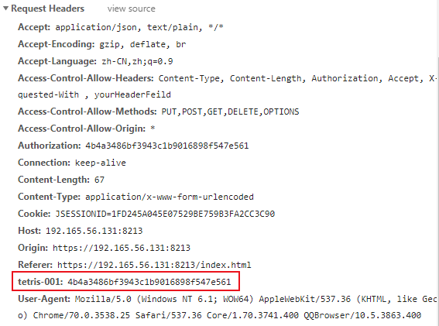
 | 获取到的token，需要添加在其它http请求的头部，即Request Header，以“tetris-001”作为key，作为改用户的身份标识

