选择最优的相关性阈值
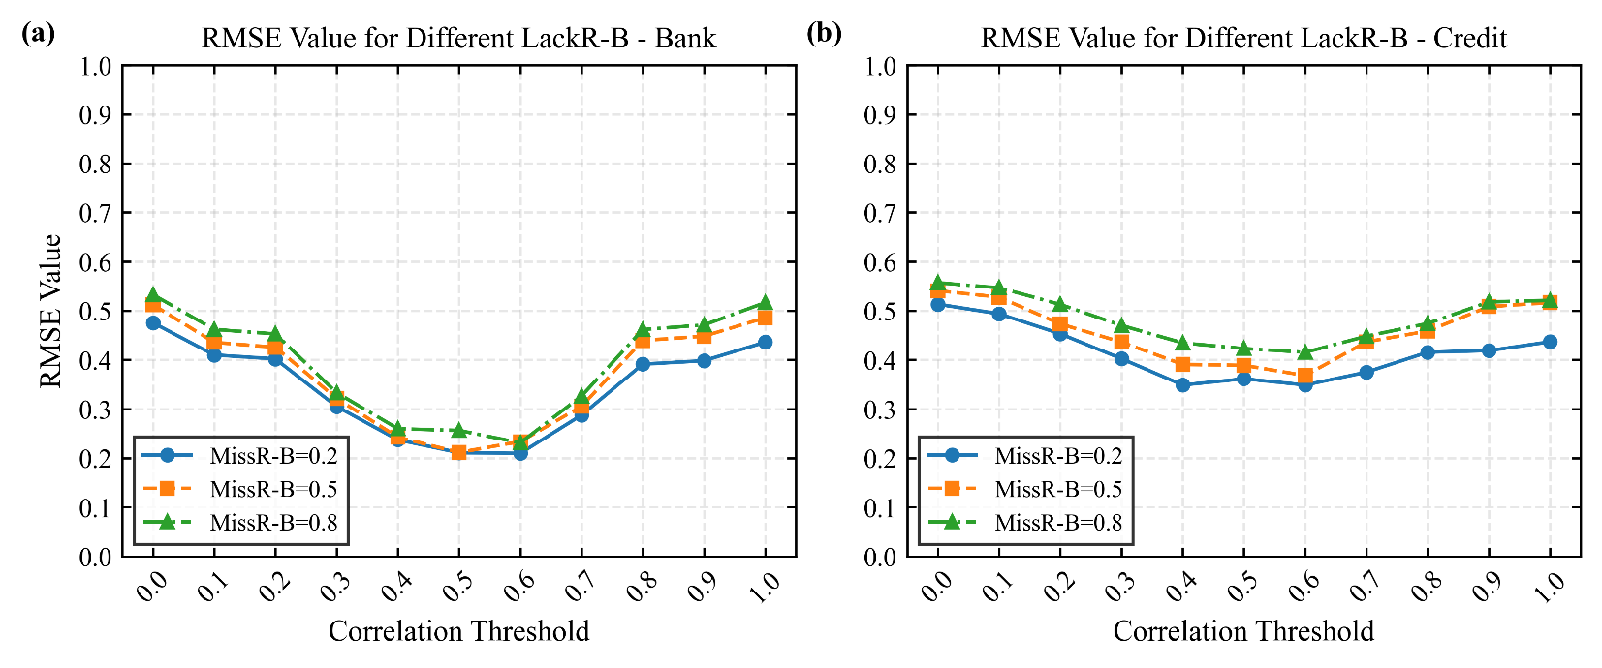
其它设置：基学习器=VF_GBDT；置信度阈值=0.7；数据集=Bank；填补模型=VF-GAIN
缺失率\相关系数阈值 | 0.0 | 0.1 | 0.2 | 0.3 | 0.4 | 0.5 | 0.6 | 0.7 | 0.8 | 0.9 | 1.0
0.2 | 0.4755 | 0.4099 | 0.4018 | 0.3050 | 0.2372 | 0.2109 | 0.2097 | 0.2875 | 0.3912 | 0.3982 | 0.4360
0.5 | 0.5121 | 0.4356 | 0.4255 | 0.3214 | 0.2424 | 0.2115 | 0.2335 | 0.3053 | 0.4395 | 0.4481 | 0.4856
0.8 | 0.5326 | 0.4619 | 0.4527 | 0.3331 | 0.2597 | 0.2563 | 0.2311 | 0.3264 | 0.4616 | 0.4709 | 0.5166

其它设置：基学习器=VF_GBDT；置信度阈值=0.7；数据集=Credit；填补模型=VF-GAIN
missing_rate\correlation_thrashold | 0.0 | 0.1 | 0.2 | 0.3 | 0.4 | 0.5 | 0.6 | 0.7 | 0.8 | 0.9 | 1.0
0.2 | 0.5132 | 0.4937 | 0.4529 | 0.4022 | 0.3487 | 0.3615 | 0.3487 | 0.3750 | 0.4154 | 0.4187 | 0.4368
0.5 | 0.5406 | 0.5275 | 0.4730 | 0.4360 | 0.3906 | 0.3888 | 0.3681 | 0.4366 | 0.4586 | 0.5083 | 0.5166
0.8 | 0.557 | 0.5466 | 0.5127 | 0.4699 | 0.4344 | 0.423 | 0.4153 | 0.4481 | 0.4739 | 0.5179 | 0.521

不同方法比较
dataset | missing_rate | method | best_rmse
Bank | 0.2 | FedPSG-AG | 0.282
Bank | 0.2 | FedPSG-CAG | 0.2518
Bank | 0.2 | FedPSG-PUM(TabDDPM) | 0.2143
Bank | 0.2 | FedPSG-PUM(VF-GAIN) | 0.2097
Bank | 0.2 | FedPSG-AR | 0.2057
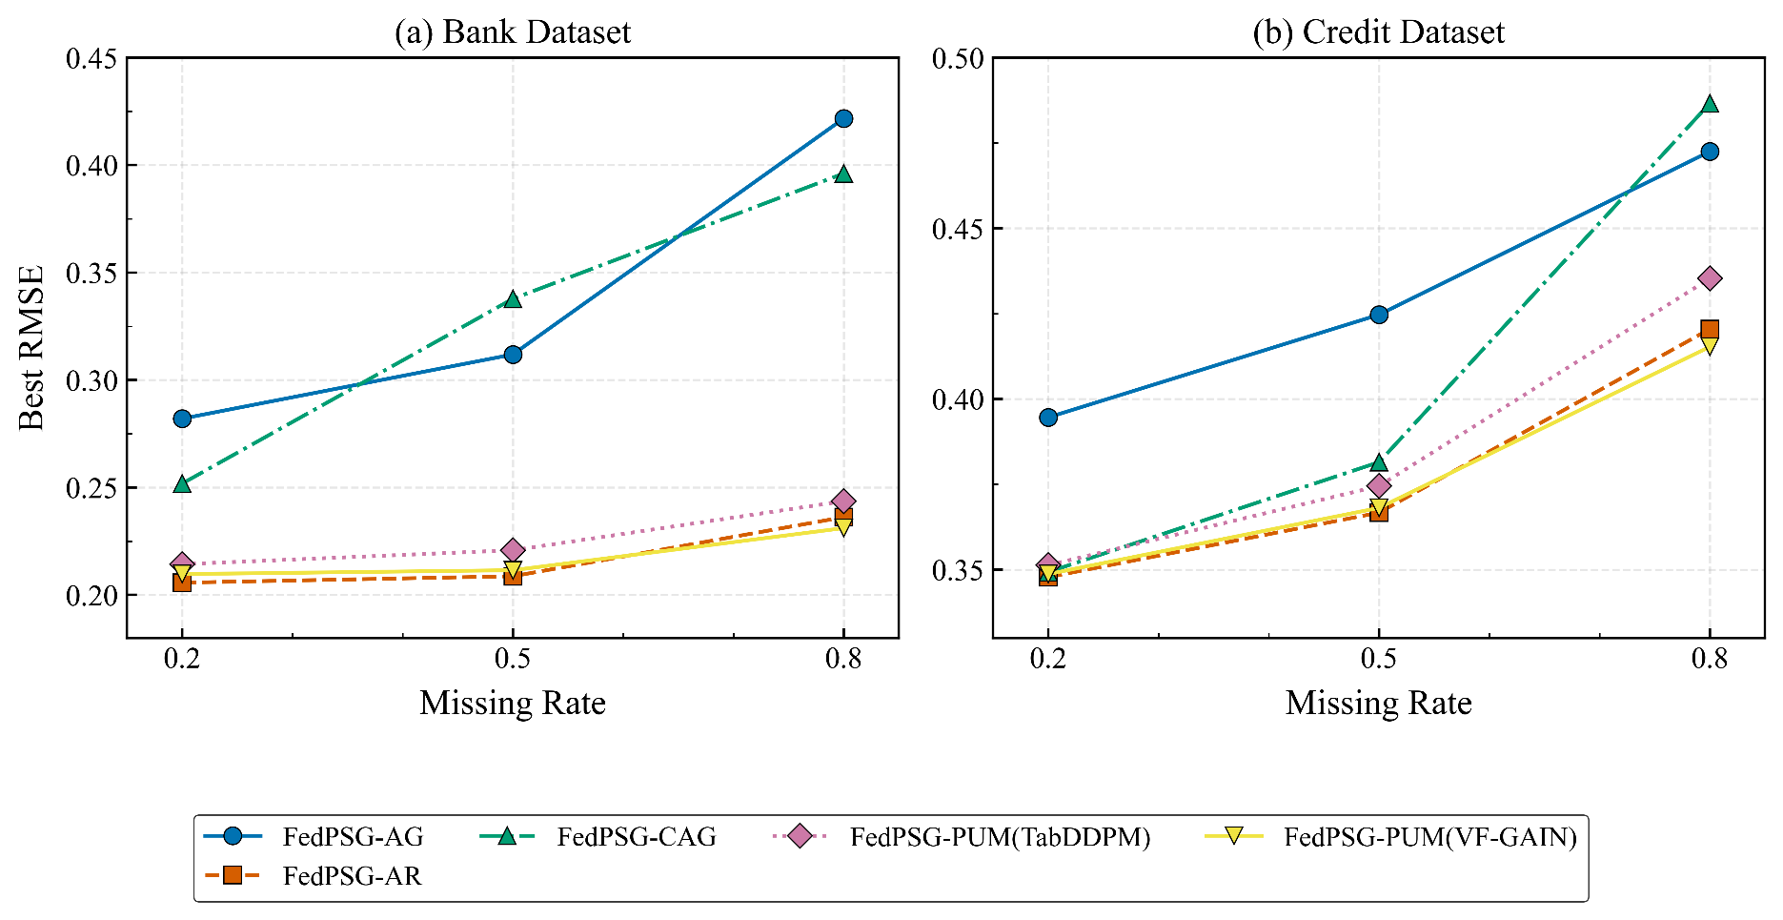
Bank | 0.5 | FedPSG-AG | 0.3119
Bank | 0.5 | FedPSG-CAG | 0.3378
Bank | 0.5 | FedPSG-PUM(TabDDPM) | 0.2208
Bank | 0.5 | FedPSG-PUM(VF-GAIN) | 0.2115
Bank | 0.5 | FedPSG-AR | 0.2087
Bank | 0.8 | FedPSG-AG | 0.4217
Bank | 0.8 | FedPSG-CAG | 0.3961
Bank | 0.8 | FedPSG-PUM(TabDDPM) | 0.2436
Bank | 0.8 | FedPSG-PUM(VF-GAIN) | 0.2311
Bank | 0.8 | FedPSG-AR | 0.2362

dataset | missing_rate | method | best_rmse
Credit | 0.2 | FedPSG-AG | 0.3946
Credit | 0.2 | FedPSG-CAG | 0.3493
Credit | 0.2 | FedPSG-PUM(TabDDPM) | 0.3513
Credit | 0.2 | FedPSG-PUM(VF-GAIN) | 0.3487
Credit | 0.2 | FedPSG-AR | 0.3478
Credit | 0.5 | FedPSG-AG | 0.4247
Credit | 0.5 | FedPSG-CAG | 0.3815
Credit | 0.5 | FedPSG-PUM(TabDDPM) | 0.3745
Credit | 0.5 | FedPSG-PUM(VF-GAIN) | 0.3681
Credit | 0.5 | FedPSG-AR | 0.3667
Credit | 0.8 | FedPSG-AG | 0.4725
Credit | 0.8 | FedPSG-CAG | 0.4866
Credit | 0.8 | FedPSG-PUM(TabDDPM) | 0.4353
Credit | 0.8 | FedPSG-PUM(VF-GAIN) | 0.4153
Credit | 0.8 | FedPSG-AR | 0.4205

