不同方法比较
dataset | missing_rate | method | best_rmse
Bank | 0.2 | FedPSG-AG | 0.282
Bank | 0.2 | FedPSG-CAG | 0.2518
Bank | 0.2 | VFPU-M-Syn(TabDDPM) | 0.2143
Bank | 0.2 | VFPU-M-Syn(VF-GAIN) | 0.2097
Bank | 0.2 | FedPSG-AR | 0.2057
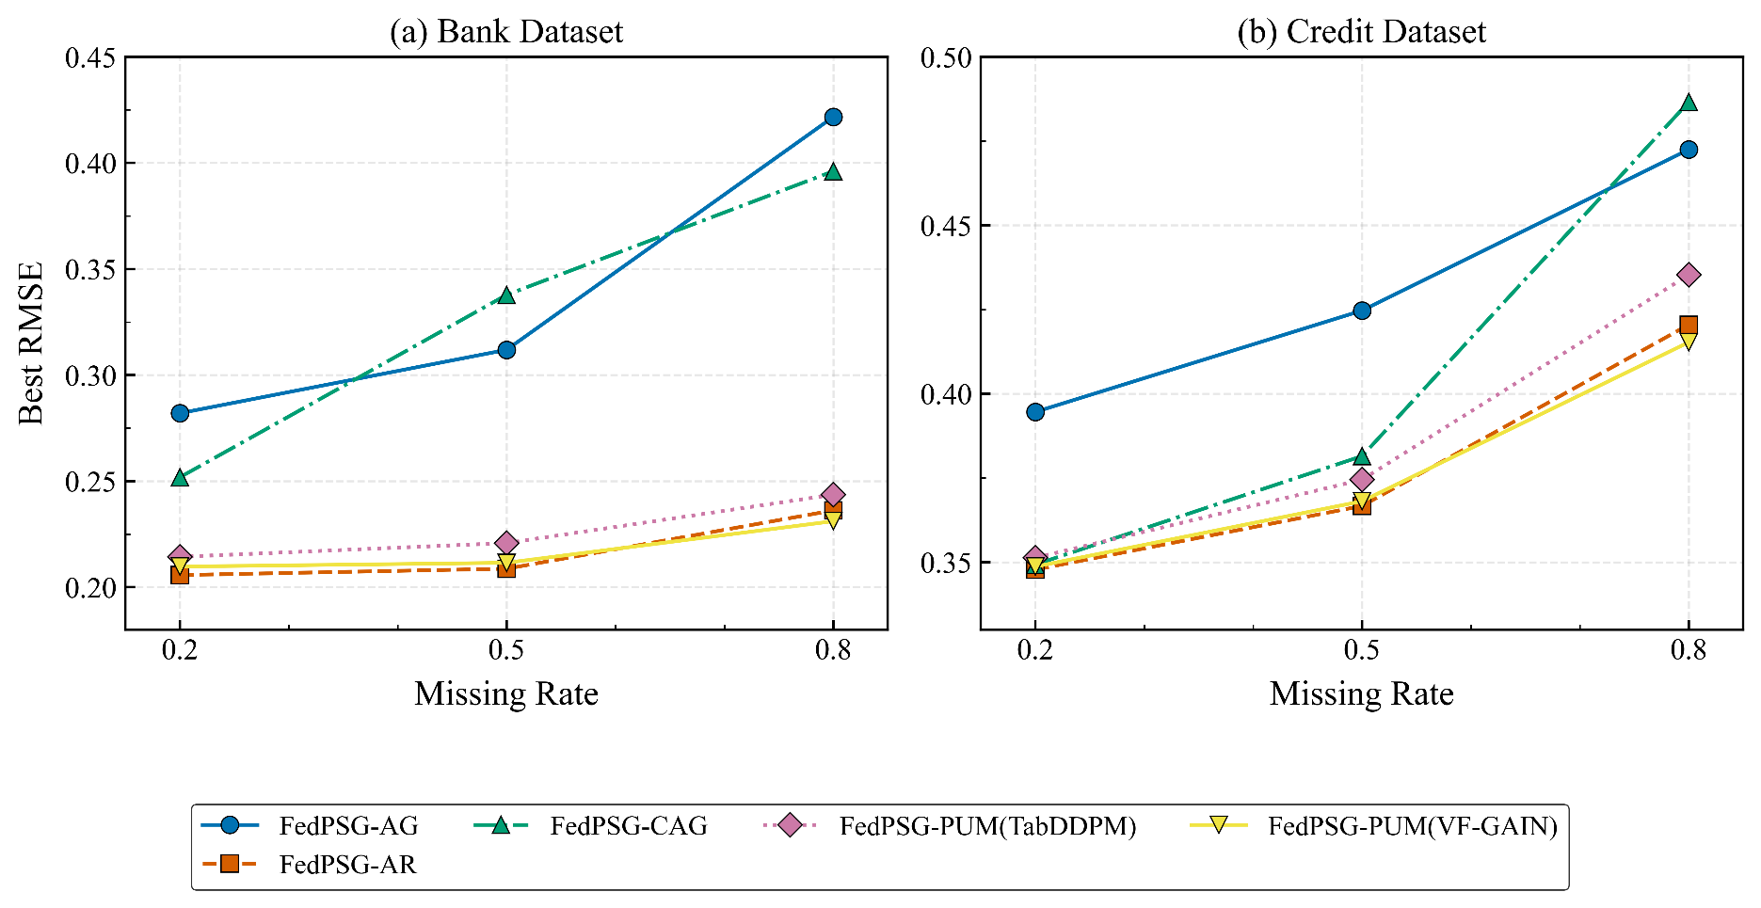
Bank | 0.5 | FedPSG-AG | 0.3119
Bank | 0.5 | FedPSG-CAG | 0.3378
Bank | 0.5 | VFPU-M-Syn(TabDDPM) | 0.2208
Bank | 0.5 | VFPU-M-Syn(VF-GAIN) | 0.2115
Bank | 0.5 | FedPSG-AR | 0.2087
Bank | 0.8 | FedPSG-AG | 0.4217
Bank | 0.8 | FedPSG-CAG | 0.3961
Bank | 0.8 | VFPU-M-Syn(TabDDPM) | 0.2436
Bank | 0.8 | VFPU-M-Syn(VF-GAIN) | 0.2311
Bank | 0.8 | FedPSG-AR | 0.2362

dataset | missing_rate | method | best_rmse
Credit | 0.2 | FedPSG-AG | 0.3946
Credit | 0.2 | FedPSG-CAG | 0.3493
Credit | 0.2 | VFPU-M-Syn(TabDDPM) | 0.3513
Credit | 1.2 | VFPU-M-Syn(VF-GAIN) | 0.3487
Credit | 0.2 | FedPSG-AR | 0.3478
Credit | 0.5 | FedPSG-AG | 0.4247
Credit | 0.5 | FedPSG-CAG | 0.3815
Credit | 0.5 | VFPU-M-Syn(TabDDPM) | 0.3745
Credit | 1.5 | VFPU-M-Syn(VF-GAIN) | 0.3681
Credit | 0.5 | FedPSG-AR | 0.3667
Credit | 0.8 | FedPSG-AG | 0.4725
Credit | 0.8 | FedPSG-CAG | 0.4866
Credit | 0.8 | VFPU-M-Syn(TabDDPM) | 0.4353
Credit | 1.8 | VFPU-M-Syn(VF-GAIN) | 0.4153
Credit | 0.8 | FedPSG-AR | 0.4205

