选择最优的相关性阈值
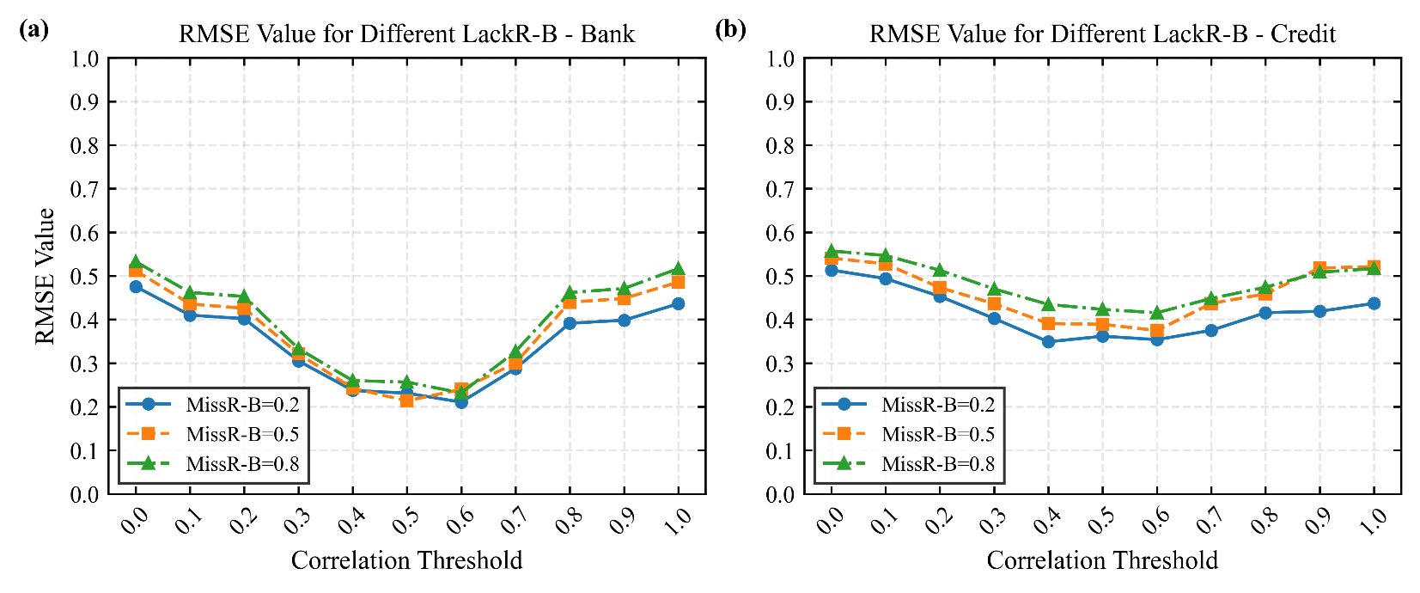
其它设置：基学习器=VF_GBDT；置信度阈值=0.7；数据集=Bank；生成模型=TabDDPM
缺失率\相关系数阈值 | 0.0 | 0.1 | 0.2 | 0.3 | 0.4 | 0.5 | 0.6 | 0.7 | 0.8 | 0.9 | 1.0
0.2 | 0.47546 | 0.4099 | 0.4018 | 0.3050 | 0.2372 | 0.2309 | 0.2103 | 0.2875 | 0.391225 | 0.3982 | 0.436
0.5 | 0.51206 | 0.4356 | 0.4255 | 0.3214 | 0.2424 | 0.2335 | 0.2396 | 0.3000 | 0.4395 | 0.4481 | 0.4856
0.8 | 0.5326 | 0.4619 | 0.4527 | 0.3331 | 0.2597 | 0.2563 | 0.2315 | 0.3264 | 0.46155 | 0.4709 | 0.5166

其它设置：基学习器=VF_GBDT；置信度阈值=0.7；数据集=Credit；生成模型=TabDDPM
missing_rate\correlation_thrashold | 0.0 | 0.1 | 0.2 | 0.3 | 0.4 | 0.5 | 0.6 | 0.7 | 0.8 | 0.9 | 1.0
0.2 | 0.5132 | 0.4937 | 0.4529 | 0.4022 | 0.3487 | 0.3615 | 0.3537 | 0.3750 | 0.4154 | 0.4187 | 0.4368
0.5 | 0.5406 | 0.5275 | 0.4730 | 0.4360 | 0.3906 | 0.3888 | 0.3745 | 0.4366 | 0.4586 | 0.5179 | 0.5210
0.8 | 0.557 | 0.5466 | 0.5127 | 0.4699 | 0.4344 | 0.423 | 0.4153 | 0.4481 | 0.4739 | 0.5083 | 0.5166

不同方法比较
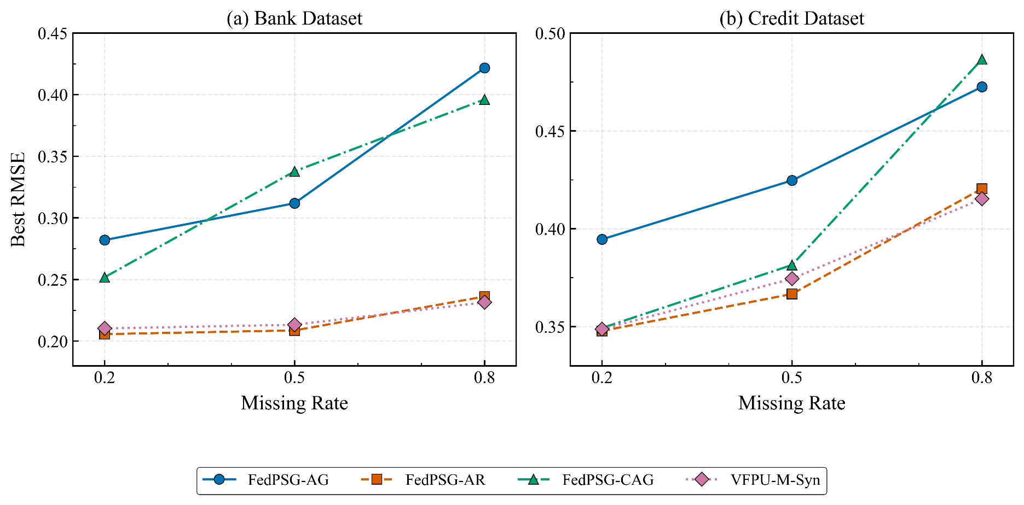
dataset | missing_rate | method | best_rmse
bank | 0.2 | FedPSG-AG | 0.282
bank | 0.2 | FedPSG-CAG | 0.2518
bank | 0.2 | VFPU-M-Syn | 0.2103
bank | 0.2 | FedPSG-AR | 0.2057
bank | 0.5 | FedPSG-AG | 0.3119
bank | 0.5 | FedPSG-CAG | 0.3378
bank | 0.5 | VFPU-M-Syn | 0.2335
bank | 0.5 | FedPSG-AR | 0.2087
bank | 0.8 | FedPSG-AG | 0.4217
bank | 0.8 | FedPSG-CAG | 0.3961
bank | 0.8 | VFPU-M-Syn | 0.2315
bank | 0.8 | FedPSG-AR | 0.2362

dataset | missing_rate | method | best_rmse
credit | 0.2 | FedPSG-AG | 0.3946
credit | 0.2 | FedPSG-CAG | 0.3493
credit | 0.2 | VFPU-M-Syn | 0.3487
credit | 0.2 | FedPSG-AR | 0.3478
credit | 0.5 | FedPSG-AG | 0.4247
credit | 0.5 | FedPSG-CAG | 0.3815
credit | 0.5 | VFPU-M-Syn | 0.3745
credit | 0.5 | FedPSG-AR | 0.3667
credit | 0.8 | FedPSG-AG | 0.4725
credit | 0.8 | FedPSG-CAG | 0.4866
credit | 0.8 | VFPU-M-Syn | 0.4153
credit | 0.8 | FedPSG-AR | 0.4205

