QC
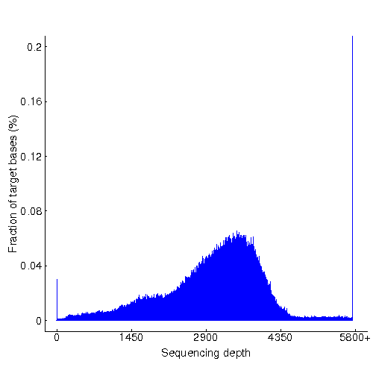
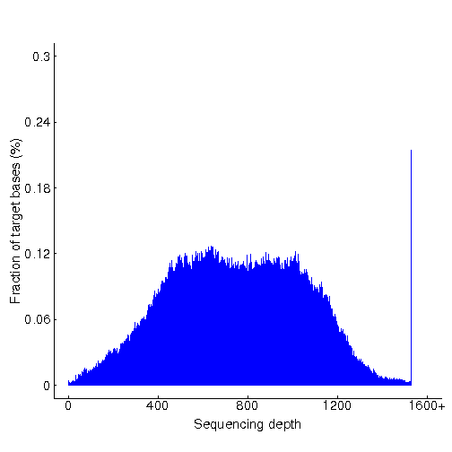
Sample_Type | cancer | normal
Sample_ID | Oseq_Leuk__yeguiming.yeguiming | Oseq_Leuk__yeguiming.yeguiming | HistPlot
Initial bases on target | 586724 | 586724
Average sequencing depth on target | 3051.14 | 747.66

Fraction of effective bases on target | 29.61% | 39.07%
Effective bases on target(Mb) | 1790.18 | 438.67
Total effective bases(Mb) | 6045.54 | 1122.68

Fraction of mapped reads on target(include dups) | 44.59% | 52.11%
Mapped reads on targets(M) | 36.89 | 7.76
Total mapped reads(M) | 82.72 | 14.9

Fraction of effective reads over target | 37.71% | 49.03%
Effective reads over target(M) | 24.42 | 5.91
Total effective reads(M) | 64.76 | 12.06

Fraction of uniquely mapped reads on target | 39.83% | 51.31%
Uniquely mapped reads on target(M) | 24.42 | 5.91
Total uniquely mapped reads(M) | 61.31 | 11.52
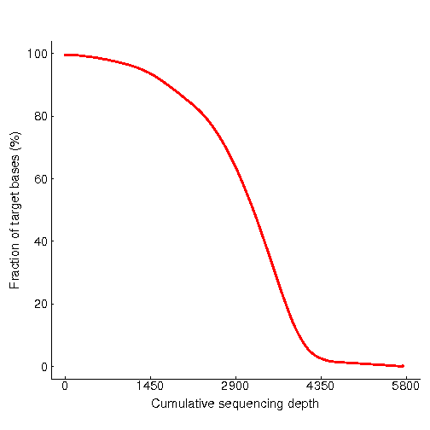
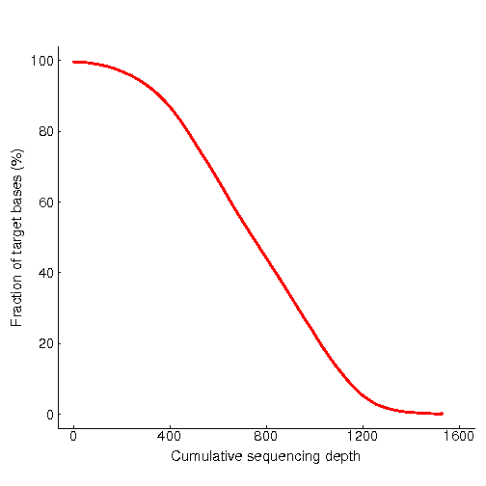
 |  |  | CumuPlot
Fraction of reads mapped to genome( mapping rate) | 99.80% | 96.43%
Total reads mapped to genome(M) | 82.72 | 14.9
Total reads pass low quality check(M) | 82.89 | 15.45

Mismatch rate of effective reads on target | 0.62% | 0.69%
Mismatch rate of all effective reads | 0.64% | 0.63%

Duplication rate of reads on target | 33.80% | 23.86%
Duplication rate of all reads | 21.72% | 19.08%

Fraction of target covered with at least 1x | 99.81% | 99.78%
Fraction of target covered with at least 100x | 99.75% | 99.12%
Fraction of target covered with at least 200x | 99.67% | 97.13%
Fraction of target covered with at least 300x | 99.45% | 93.43%
Fraction of target covered with at least 400x | 99.22% | 87.13%
Fraction of target covered with at least 500x | 98.97% | 77.39%
Fraction of target covered with at least 600x | 98.64% | 66.43%
Fraction of target covered with at least 700x | 98.31% | 54.98%
Fraction of target covered with at least 800x | 97.91% | 44.39%
Fraction of target covered with at least 900x | 97.46% | 33.68%
Fraction of target covered with at least 1000x | 96.99% | 22.91%
Fraction of target covered with at least 1100x | 96.49% | 12.90%
Fraction of target covered with at least 1200x | 95.91% | 5.49%
Fraction of target covered with at least 1300x | 95.16% | 1.90%
Fraction of target covered with at least 1400x | 94.31% | 0.68%
Fraction of target covered with at least 1500x | 93.33% | 0.27%
Fraction of target covered with at least 1600x | 92.14% | 0.12%
Fraction of target covered with at least 1700x | 90.81% | 0.07%
Fraction of target covered with at least 1800x | 89.45% | 0.06%
Fraction of target covered with at least 1900x | 88.02% | 0.05%
Fraction of target covered with at least 2000x | 86.51% | 0.04%
Fraction of target covered with at least 2100x | 84.99% | 0.03%

AllCorrectReads | 4.17%; 4.68%; 5.00%; 4.11%; | 3.85%; 4.35%; 4.60%; 3.75%;
AllError | 1.64%; 1.34%; 1.44%; 1.51%; | 3.43%; 3.12%; 3.25%; 3.24%;
AllRightReads | 94.19%; 93.98%; 93.56%; 94.39%; | 92.72%; 92.54%; 92.15%; 93.02%;
Insert | 170 | 171
RawRead1_TotalNumBase | 3865235682 | 720271794
RawRead1_TotalNumReads | 41561674 | 7744858
RawRead2_TotalNumBase | 3865235682 | 720271794
RawRead2_TotalNumReads | 41561674 | 7744858
read1-all-GC(%) | 45.13;45.06;45.14;45.12; | 47.79;47.71;47.79;47.76;
read1-all-Q20(%) | 96.79;96.95;96.91;96.84; | 96.66;96.84;96.78;96.72;
read1-all-Q30(%) | 88.09;88.49;88.33;88.29; | 87.79;88.24;88.05;88.02;
read1-ave-GC(%) | 45.11 | 47.76
read1-ave-Q20(%) | 96.87 | 96.75
read1-ave-Q30(%) | 88.3 | 88.02
read2-all-GC(%) | 45.26;45.23;45.24;45.28; | 47.89;47.87;47.88;47.92;
read2-all-Q20(%) | 95.63;96.02;95.95;96.12; | 95.22;95.62;95.48;95.64;
read2-all-Q30(%) | 86.69;87.32;87.34;87.57; | 85.94;86.58;86.43;86.68;
read2-ave-GC(%) | 45.25 | 47.89
read2-ave-Q20(%) | 95.93 | 95.49
read2-ave-Q30(%) | 87.23 | 86.41
FOLD80 | 0 | 0

