Discuss
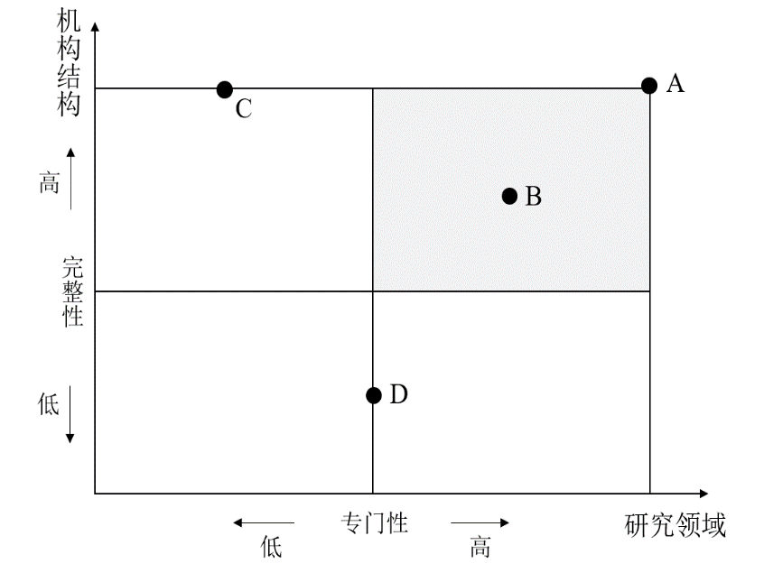
centerNet登记的数字人文中心分类说明
分类 | 描述 | 统计数量
A：高机构结构完整性-高研究领域专门性 | 具备完整的组织结构，大多以”DH中心/研究所/实验室“命名，研究指向明确，围绕DH开展多个研究项目及日常活动。 | 75
B：较高机构结构完整性-较高研究领域专门性 | 具备较完整的组织结构，一般表现某一高校内部与DH研究领域交叉的中心、科系或者研究所。 | 44
C：高机构结构完整性-低研究领域专门性 | 具备完整的组织结构，一般表现为全国或国际范围的大型联盟、学会、协会或组织。 | 35
D：低机构结构完整性-较高研究领域专门性 | 缺乏完整的组织结构，一般表现为具体的某一项目、程序、平台或者服务。 | 18

