Sheet
id | text | image | sarcasm | speaker | context | RUS | image_label | text_label
2_180 | That oughta do it. | ../mustard_data/data_raw/images/2_180.jpg | FALSE | PHOEBE | Where's Chandler? Oh, he needed some time to grieve. I'm free! I'm free!
2_221 | See Joe that's why your parents told you not to jump on your bed! | ../mustard_data/data_raw/images/2_221.jpg | FALSE | CHANDLER | Whoa!
2_441 | He's right, even if it's to say something complementary. | 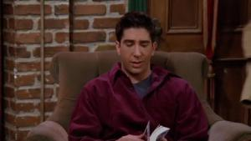 ../mustard_data/data_raw/images/2_441.jpg | FALSE | ROSS | Oh. Please, right now, no, every time I see him it's like 'Is it on the lose?' 'Is it watching me?' We can't tell him, you can't go up to a guy you barely know and talk about his.... stuff.
2_421 | Joey's got a really bad hernia but its nothing that a laser eye surgery wont fix | 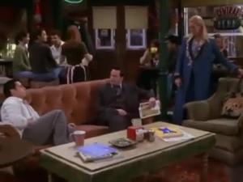 ../mustard_data/data_raw/images/2_421.jpg | TRUE | CHANDLER | Thank you, but it would take me forever to pay you that money back and I don't want that hanging on my head. Besides, soon as my insurance kicks in I' ll all the free operations I want. T'll probably start with that laser eye surgery.
2_322 | Hey, my father's house does that. | ../mustard_data/data_raw/images/2_322.jpg | FALSE | CHANDLER | And! And! Ah!
2_109 | I thought if I littered, that crying Indian might come by and save us. | ../mustard_data/data_raw/images/2_109.jpg | TRUE | CHANDLER | Chandler, what are you doing? There is a trash can right there!
2_475 | Oh yeah ok, including the waffles last week, you now owe me, seventeen zillion dollars. | 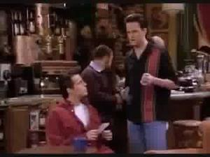 ../mustard_data/data_raw/images/2_475.jpg | TRUE | CHANDLER | Hey, Chan. Can you help me out here, I promise I'll pay you back.
2_400 | Anyway, I should go, one of the lifeguards was just about to dismantle a nuclear device. | ../mustard_data/data_raw/images/2_400.jpg | FALSE | CHANDLER | I know, it is isn't it? No, I mean it, this feels really good. Is it a hundred percent cotton? Yeah! And I got it on sale, too.
2_570 | Oh my god, where are all the men? | ../mustard_data/data_raw/images/2_570.jpg | FALSE | CHANDLER | Hey Ross I was wondering.
2_261 | Oh, no, no. I just meant hypothetically. | ../mustard_data/data_raw/images/2_261.jpg | FALSE | CHANDLER | I'll tell you what. When we're 40, if neither one of us are married, what do you say you and I get together and have one? Why won't I be married when I'm 40?
2_500 | Oh my God I love that! - Really? - NO! | ../mustard_data/data_raw/images/2_500.jpg | TRUE | MONICA | I want to show you something too. You know those big road signs that say Merge? So I was thinking that we could get one fo those signs and hang it over the bed. Because its you and I together - Merge!
2_367 | Well, don't 'cha wanna? | 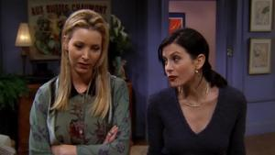 ../mustard_data/data_raw/images/2_367.jpg | FALSE | MONICA | It's just y'know, been a couple of hours, and she hasn't called. Not that I even care, y'know. Phoebe why don't you just call her? You obviously want to. You think you know me so well.
2_474 | Lovely | ../mustard_data/data_raw/images/2_474.jpg | TRUE | CHANDLER | No. How long have we been home? About a half an hour.
2_456 | And you are gonna make them all disappear. | 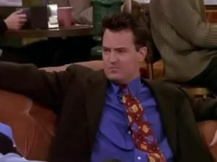 ../mustard_data/data_raw/images/2_456.jpg | TRUE | CHANDLER | This would be the place where you explain the hat Oh, Okay. This is called the top hat? And why are you wearing this? Is it top hat? Oh , yeah. There's this play right. And I am up for the part of this real cool like suave, international guy. A real close horse. So I figured everyone in the audition is gonna be wearing this kind of, you now, ultra hip, high fashion stuff.
2_268 | A lonely grey couch. " O look " cried Ned. And then the kingdom was his. The End. | 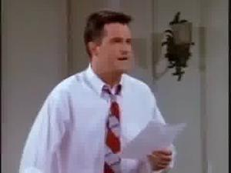 ../mustard_data/data_raw/images/2_268.jpg | FALSE | CHANDLER | It was summer. And it was hot. Rachel was there.
2_198 | Yeah, she's fired. | ../mustard_data/data_raw/images/2_198.jpg | FALSE | ROSS | Was it my work? Were they mad? Was it Jack? Did he yell?! J-j-just relax, nobody yelled. Jack just was calling to make sure that you were feeling better. Thank God.
2_407 | Hey! | 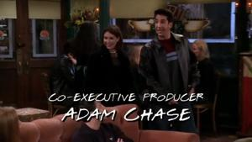 ../mustard_data/data_raw/images/2_407.jpg | FALSE | JOEY | Well, Joshua's coming in tomorrow and since I don't have the guts to ask him out, I'm going to sell him a coat and put this note in the pocket. Oh yeah? Joshua, give me a call sometime, guys like you never go out of style.
2_334 | When they're hungry enough, they'll come in. | 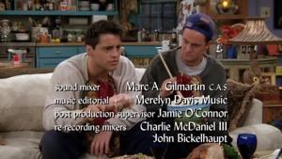 ../mustard_data/data_raw/images/2_334.jpg | FALSE | JOEY | Yes. Yes, there is, they play on Sundays and Monday nights. Oh shoot! I work Monday nights. Umm, this stuffing is amazing. Do you think we should bring them some?
2_323 | That monkey has got a Ross on its ass! | ../mustard_data/data_raw/images/2_323.jpg | TRUE | CHANDLER | Hey!
2_134 | Paper cut! | ../mustard_data/data_raw/images/2_134.jpg | FALSE | CHANDLER | I can't figure this out! It's so hard! Should I get her a Tiffany cut or a Princess cut or a,ah-ah!
2_146 | So Ross, how umm, how did it go with Bonnie? | 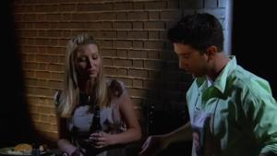 ../mustard_data/data_raw/images/2_146.jpg | FALSE | PHOEBE | Oh, about five minutes. Right now they're interviewing his opponent. Apparently he trains by going to Iran and pulling the arms off thieves. Hot dog? Four, please. I'm really nervous. Thank you.
2_598 | Our balcony? Seriously? That's so funny because I told Monica we should put lights on our balcony. - And she said - "No no, its too cold, nobody will go out there." - I said "Maybe if we put some lights out there they will". | 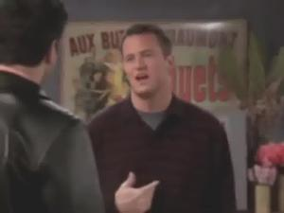 ../mustard_data/data_raw/images/2_598.jpg | TRUE | CHANDLER | After the party I saw Rachel kissing that jerk from her office out on your balcony.
2_482 | Y'know you, you just stop being such a wuss and get those off and you come with us and watch naked girls dance around!! | 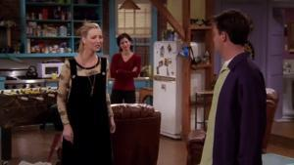 ../mustard_data/data_raw/images/2_482.jpg | FALSE | PHOEBE | No you can't. You don't want to be guys, you'd be all hairy and wouldn't live as long.
2_488 | Just a sec, give me a minute to wake up for this,Ah-ha-ha!! | ../mustard_data/data_raw/images/2_488.jpg | FALSE | CHANDLER | What? The ring is gone! Ugh.
2_428 | His legs flail about as if independent from his body | ../mustard_data/data_raw/images/2_428.jpg | FALSE | CHANDLER | According to Chandler, what phenomenon scares the bejesus out of him? Michael flatly lord of the dance That is correct! The Irish gig guy?
2_477 | And then and then you clicked it again, she's dressed. She is a business woman, she is walking down the street and oh oh oh she's naked. | ../mustard_data/data_raw/images/2_477.jpg | FALSE | CHANDLER | Did you have fun at the bachelor's party last night? Oh yeah, look what I got, she is fully dressed right. And then you click it and oh oh she naked.
2_357 | Stating the obvious, but thank you. And it's not weird is it. | ../mustard_data/data_raw/images/2_357.jpg | TRUE | PHOEBE | Yes. Great, let's begin. How's the pressure? Nice! Wow Phoebe you are good!
2_44 | Whoa, maybe I was! | 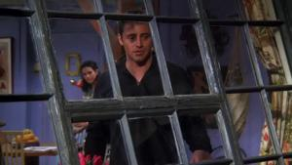 ../mustard_data/data_raw/images/2_44.jpg | FALSE | JOEY | Very life-like and funny. Okay. Oh no-no-no, I wasn't waving at you lady.
2_88 | Oh. | ../mustard_data/data_raw/images/2_88.jpg | FALSE | RACHEL | Hi! What are you doing here? Ah y'know, this building is on my paper route so I...
2_152 | Your makeup? | 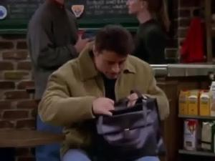 ../mustard_data/data_raw/images/2_152.jpg | TRUE | ROSS | Are you referring to my man's bag? At first it I thought it just look good. But its practical too, check it out! Its got compartments for all your stuff. Your wallet, your key, your addressbook.
2_337 | Uh, listen, I need that broiling pan that Joey borrowed the other day. | ../mustard_data/data_raw/images/2_337.jpg | FALSE | MONICA | How many times have I told you guys, you Hi Chandler. Hey!
2_550 | All right I'll have one. | ../mustard_data/data_raw/images/2_550.jpg | TRUE | CHANDLER | I will have one. Okay, I'm not gonna have one. No, no, it's just my tooth.
2_188 | You had no relationship!! | ../mustard_data/data_raw/images/2_188.jpg | FALSE | MONICA | I just saw Danny getting on the subway with a girl and he had his arm around her. Oh, honey, I'm sorry. Well, you should be, this is all your fault! You meddled in our relationship!!
2_541 | Oh yeah right. And what would my opening line be? Excuse me | 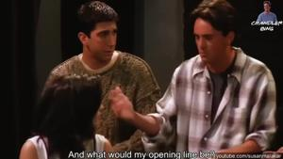 ../mustard_data/data_raw/images/2_541.jpg | TRUE | CHANDLER | Go over to her. She's not with anyone.
2_299 | What would you give to a kid if he wanted a ticket to play with? | 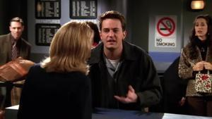 ../mustard_data/data_raw/images/2_299.jpg | FALSE | CHANDLER | One ticket to Yemen? Oh no-no-no, no. No, no, no, I just, I just need a pretend ticket. I'm sorry sir, I don't understand.
2_120 | You know some might find it amusing, I myself find it regular. | ../mustard_data/data_raw/images/2_120.jpg | TRUE | CHANDLER | What an interesting approach to guitar instruction.
2_387 | Yes, I know, but her friend sounds like such a... | 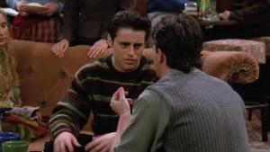 ../mustard_data/data_raw/images/2_387.jpg | FALSE | CHANDLER | Oh, uh, listen, about tonight... No, no, no, don't you dare bail on me. The only reason she's goin' out with me is because I said I could bring a friend for her friend.
2_559 | What?!?! | ../mustard_data/data_raw/images/2_559.jpg | FALSE | MONICA | Well, you-you coulda just turned the cushion over. Yeah, I would've except I had a big spaghetti stain on the other side.
2_611 | Just tell me how. | ../mustard_data/data_raw/images/2_611.jpg | TRUE | RACHEL | Why?!! Uh well umm .. we're just not in that place, y'know? But we're very excited about this. Oh. Well then shut me up.
2_393 | Pheebs? | 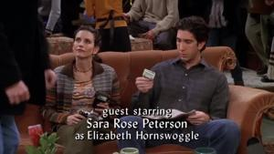 ../mustard_data/data_raw/images/2_393.jpg | FALSE | CHANDLER | I can't take it anymore. So you win, okay? Here!
2_151 | Yeah, I mean, it would be rude to them for us to leave now. | ../mustard_data/data_raw/images/2_151.jpg | TRUE | CHANDLER | Yeah, I know, it's my birthday. We all should be here. So, let's go. Well maybe, you know, maybe we should stay for one song.
2_380 | Oh just like give a minute to wake up for this ... Ha ha! You lost the ring. You the worst best man ever! | ../mustard_data/data_raw/images/2_380.jpg | FALSE | CHANDLER | The stripper stole the ring! The stripper stole the ring! Chandler get up get up, the stripper stole the ring.
2_353 | Nothing. It's just old and dingy, that's all. | ../mustard_data/data_raw/images/2_353.jpg | FALSE | JOEY | Oh Monica, listen, I ah, I saw down at the hardware store, they got those designer tiles on sale. If you ever want to redo the bathroom floor. Why, what's wrong with my bathroom floor?
2_315 | I guess you'd know that, being one of the two of us, though, right? | ../mustard_data/data_raw/images/2_315.jpg | TRUE | RACHEL | So. I just thought the two of us should hang out for a bit. I mean, you know, we've never really talked.
2_51 | Well, I believe the piece of furniture was fine until your little breakfast adventure with Angela Delvecchio | ../mustard_data/data_raw/images/2_51.jpg | FALSE | CHANDLER | That's the rule. What rule? There's no rule, if anything, you owe me a table! How'd you get to that?
2_178 | This is so good, that I am gonna enjoy it in the balcony. I can enjoy my view, whilst I enjoy my desert. | 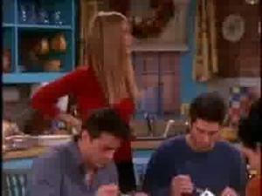 ../mustard_data/data_raw/images/2_178.jpg | TRUE | CHANDLER | Mmm Mmm
2_590 | Yeah, I don't think so Joe. | 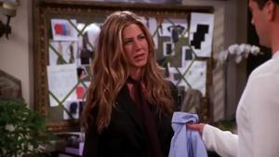 ../mustard_data/data_raw/images/2_590.jpg | FALSE | RACHEL | Uhh, well I've got an audition down the street and I spilled sauce all over the front of my shirt. You got an extra one? Yeah, sure. Umm .. here. Great. You got anything that's not
2_289 | Nooo! No, that's not true. No, best time ever! Yeah, you rocked my world! | 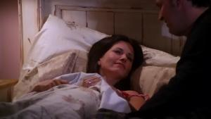 ../mustard_data/data_raw/images/2_289.jpg | TRUE | MONICA | Do you know what just happened? Yeah. We-we had sex and then we fell asleep. No. We were in the middle of sex .. and
2_287 | Oh I am sorry, do you need a break? | ../mustard_data/data_raw/images/2_287.jpg | TRUE | CHANDLER | Oh wait stop! Stop! Stop!
2_272 | Weā€™re not peeking? | ../mustard_data/data_raw/images/2_272.jpg | FALSE | JOEY | Come on!
2_254 | Yeah. Yeah, that's what you need a good .. pill. | 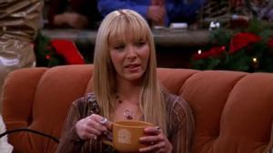 ../mustard_data/data_raw/images/2_254.jpg | TRUE | PHOEBE | Yeah. I go see my doctor tomorrow, I'll ask her about this. Maybe she can give me a pill or something.
2_413 | Some guy bought it. I'm sorry. I tired to stop it but they put me in jail! | ../mustard_data/data_raw/images/2_413.jpg | FALSE | PHOEBE | Oh, that's uh, that's pretty nice but I'm gonna go with the one I picked first. Oh my God Chandler, the one you picked is gone. It's over! What?
2_509 | Crazy bitch! | ../mustard_data/data_raw/images/2_509.jpg | TRUE | CHANDLER | Well the tough thing is she really wants to have sex with me.
2_97 | It would be nice to have a little guarantee though. | ../mustard_data/data_raw/images/2_97.jpg | TRUE | RACHEL | Definitely! Yeah, I'm pretty confident about that. That's what makes it so easy for me to be 80% happy for Monica and Chandler!
2_430 | I guess you would know that or else we would be in a predicament room | 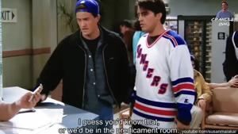 ../mustard_data/data_raw/images/2_430.jpg | TRUE | CHANDLER | Listen it's kind of an emergency
2_498 | Uh, so how many cameras are actually on you. | ../mustard_data/data_raw/images/2_498.jpg | TRUE | CHANDLER | Where's Monica? Over here Dad How to you zoom out? There she is Some girl ate Monica Shut up, the camera adds 10 pounds.
2_251 | No!! You have been screwing us all day! | ../mustard_data/data_raw/images/2_251.jpg | FALSE | MONICA | Oh you've got to be kidding me. What? As a wedding gift to you, the hotel would like to give you the honeymoon suite.
2_189 | Yeah okay, I was just talking to the guys. Just look at them I mean, is it okay if they come visit? | ../mustard_data/data_raw/images/2_189.jpg | TRUE | CHANDLER | Ahh! Aren't you dressed yet? Am I naked again?! We're supposed to meet my parents in 15 minutes.
2_608 | You are right, by saying nice, I am virtually licking her. | ../mustard_data/data_raw/images/2_608.jpg | TRUE | CHANDLER | Did I go to this school? Hey, there's Missy Goldberg. You gotta remember her. Sure, nice. Dude. You're married to my sister.
2_427 | Oh-oh, that's a risky little game! | ../mustard_data/data_raw/images/2_427.jpg | FALSE | RACHEL | Oh! Oh God Now you know how you really feel about it.
2_546 | Oh sure, she was probably up all night excited about the party she knows is happening. | 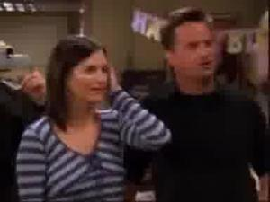 ../mustard_data/data_raw/images/2_546.jpg | TRUE | CHANDLER | Hey Hey, where's the birthday girl? Oh she is still napping.
2_531 | Yeah well that's because uh .. I stayed in my room. Yeah, you don't want to look in my hamper. | 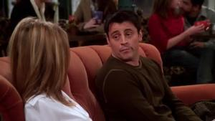 ../mustard_data/data_raw/images/2_531.jpg | FALSE | JOEY | Yeah, I mean I was up sick all night. Yeah me too, all night. Really?! How come we didn't cross paths?
2_154 | Okay, does this look like a garbage can to you? | ../mustard_data/data_raw/images/2_154.jpg | FALSE | PHOEBE | Nobody respects the bucket! You wouldn't believe what people put in here! Look!
2_548 | Almost! But first, we gotta start. | ../mustard_data/data_raw/images/2_548.jpg | TRUE | PERSON | All right, I'm outta here! I'm kidding! I'm kidding! So were done then!
2_258 | I am telling you, when she leaned back, I could see her brain | 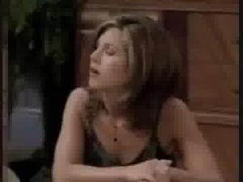 ../mustard_data/data_raw/images/2_258.jpg | TRUE | CHANDLER | Hey So how was Joan? Broke up with her Why Don't tell me, because of the big nostril thing?
2_437 | Oh yeah. First off all, chasing the Churo guy isn't jogging. | ../mustard_data/data_raw/images/2_437.jpg | FALSE | CHANDLER | Oh, y'know the same thing happened to me one time. When did that happen to you?! Don't you remember when we were jogging in the park and we saw that really pretty bird and wanted to take a picture,I didn't have my camera!
2_369 | I just have to do one thing, really quickly, its not a big thing ... GET UP|| | ../mustard_data/data_raw/images/2_369.jpg | TRUE | CHANDLER | Get up What? You're in my seat How is it your seat? Cause I was sitting there But then you left But its not like I went to Spain, I went to the bathroom , you knew I was coming back. Whats the big deal? The big deal is that I was sitting there last, so.. that's my seat Actually, the last place you were sitting was in there You guys, you know what? it doesn't matter. Because you both have to go get dressed before the big vein in my head pops!
2_79 | I'm just gonna throw it out, it's probably just a bunch of shampoo and... | ../mustard_data/data_raw/images/2_79.jpg | FALSE | RACHEL | Oh, great. Although I did sit down where there wasn't a chair. By the way, Ross dropped by a box of your stuff. Oh, well, I guess I had that one coming.
2_194 | And it came out, "Squatternut buash?" | 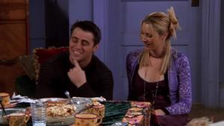 ../mustard_data/data_raw/images/2_194.jpg | FALSE | JOEY | Hey, I wasn't the only one who looked like an idiot. All right? Remember when Ross tried to say, "Butternut squash?"
2_445 | Okay? | ../mustard_data/data_raw/images/2_445.jpg | FALSE | PHOEBE | Okay, here's what we're gonna do. Okay, I'm gonna break into this mini-van and put it in neutral. You guys push it forward so Ross can drive out of his spot.
2_160 | Because his penis was too big. I am sorry, thatÕs the kind of thing I do. | ../mustard_data/data_raw/images/2_160.jpg | FALSE | CHANDLER | I am sorry, why did Phoebe and Mike breakup?
2_176 | I'm the ruptured spleen. | ../mustard_data/data_raw/images/2_176.jpg | FALSE | CHANDLER | Yeah, come on, eat, whatever you want. Dr. Roger got beeped again. Yeah I know, guess who beeped him? What?!
2_376 | Me? I am gonna die alone! | 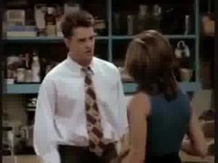 ../mustard_data/data_raw/images/2_376.jpg | TRUE | CHANDLER | Hey Chandler? Monica just broke my sea-shell lamp.
2_576 | And then for forgetting to invite you to it. | ../mustard_data/data_raw/images/2_576.jpg | FALSE | PHOEBE | Oh Monica, we are so sorry. For what? Well first, for forgetting to throw you a bridal shower.
2_595 | I'd miss you if I broke up with you. Just trying to be supportive. | ../mustard_data/data_raw/images/2_595.jpg | FALSE | CHANDLER | So Rachel called, wants to see me. Going over in a minute. Wow, what do you think she wants? Well, maybe the crazy fog has lifted and she realizes that life without me a sucks. Its possible, you are very lovable.
2_504 | All right, okay, well, apparently not! | 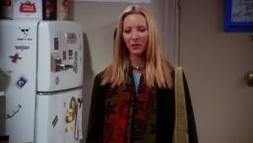 ../mustard_data/data_raw/images/2_504.jpg | TRUE | PHOEBE | So you like the drums! That's, that's great! Y'know, I was worried, that, you know, they would maybe an unbearable living situation.
2_372 | Actually I yesterday I was smoking again. Today I am smoking still. | ../mustard_data/data_raw/images/2_372.jpg | TRUE | CHANDLER | Boy do I feel bad very bad. Chandler what are you doing? Chandler?
2_65 | It's my friends. | 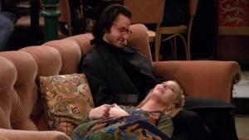 ../mustard_data/data_raw/images/2_65.jpg | FALSE | PHOEBE | Nothing, nothing. Aaaah, what's wrong, c'mon. It's, I mean, it's nothing, I'm fine.
2_73 | Oh my god, you almost gave me a heart attack! | ../mustard_data/data_raw/images/2_73.jpg | TRUE | CHANDLER | Okay, I am officially unpacked. Thanks for helping me man. Joey?
2_339 | Thank you. | 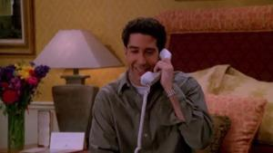 ../mustard_data/data_raw/images/2_339.jpg | FALSE | ROSS | I have a question. Umm, I used your pen to draw on my friend's face. A beard and a moustache.
2_250 | Oh, you say someone's name enough, they turn around. | ../mustard_data/data_raw/images/2_250.jpg | TRUE | PHOEBE | David who? David the scientist guy, David that I was in love with, David who went to Russia and broke my heart David! Oh my God!
2_1 | Yes you can. You're thinking about time, you can't go back in time. | ../mustard_data/data_raw/images/2_1.jpg | FALSE | CHANDLER | You know what I knew something like this is gonna happen What are you doing? Chandler, you can't just go back a phase
2_493 | Did you tell her about the magical night that starts with the flush of every toilet? | 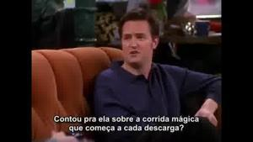 ../mustard_data/data_raw/images/2_493.jpg | TRUE | CHANDLER | So Ross, how was the date the other night?
2_284 | What? Why? | 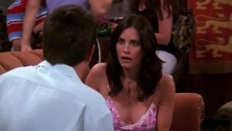 ../mustard_data/data_raw/images/2_284.jpg | FALSE | MONICA | I do! Want a hint? huh? "I do" "I do". Ok, I'm sensing that this is some kind of word play, because you are pink with barely controlled glee. David is going to propose to Phoebe.
2_435 | Me too! There's a game on Tuesday, do you wanna go? | 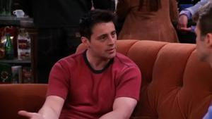 ../mustard_data/data_raw/images/2_435.jpg | FALSE | JOEY | It's Jake. Joey. Hey Jake, do you like the Knicks? Yeah, big fan.
2_449 | Oh no, now its not gonna make any sense | 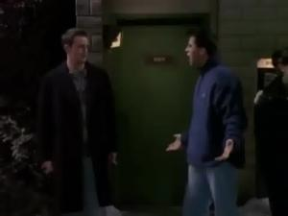 ../mustard_data/data_raw/images/2_449.jpg | TRUE | CHANDLER | Oh Oh car car. Its Ross on one of his drives What is he doing here? He is saving your butt. Unless ofcourse I am stepping on some toes here, in which case I can just mosey on. I have plenty of people to help in the interstate.
2_347 | Well what are you gonna do when he finds out he wasn't even asked?! | 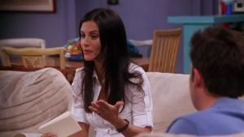 ../mustard_data/data_raw/images/2_347.jpg | FALSE | MONICA | Oh! Right. Umm, maybe that's because I didn't send him an invitation. Chandler! He's your father. he should be at the wedding. I don't even know the man. Okay? We're not that close. I haven't seen him in years.
2_572 | No! I'm so happy for them! | 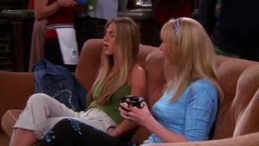 ../mustard_data/data_raw/images/2_572.jpg | FALSE | RACHEL | I know, they're gonna be Ohh .. I mean two best friends falling in love, how often does that happen? Not
2_163 | Oh boy, I just can't watch. It's too scary! | 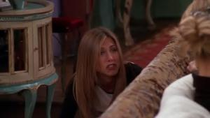 ../mustard_data/data_raw/images/2_163.jpg | TRUE | RACHEL | Oh umm, my big scene is coming up. Big scene coming up. If you said, "Big lima bean, bubbling up." Would she understand the difference? Rach? What are you doing?
2_588 | I talk to you and nothin'. | 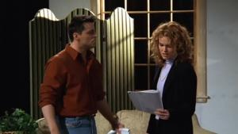 ../mustard_data/data_raw/images/2_588.jpg | FALSE | JOEY | Well, why don't you tell me what you're supposed to be! Huh? Because I sure as hell can't figure it out!

