Risk_Variable
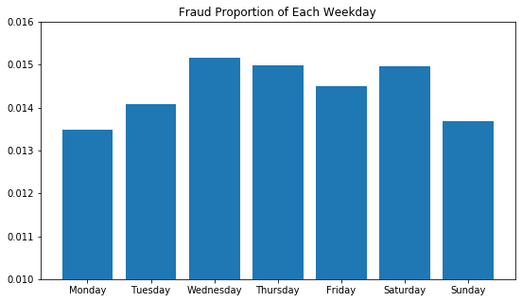
 | dayofweek | Risk of Fraud
0 | Monday | 0.01348
1 | Tuesday | 0.01407
2 | Wednesday | 0.015169
3 | Thursday | 0.014981
4 | Friday | 0.014499
5 | Saturday | 0.014968
6 | Sunday | 0.013674

Note: Calculation of risk variable only involved training data from 1/1/2016 to 10/31/2016.

