VA00002980T
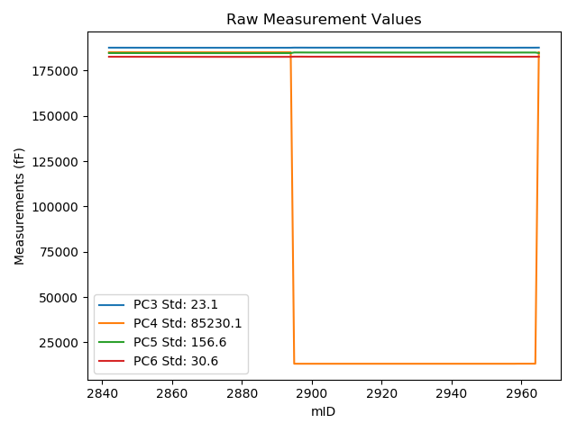
mTS | dos_ID | mID | PC1 | PC3 | PC4 | PC5 | PC6 | PC7 | TCPM | type | TC PC3 | TC PC4 | TC PC5 | TC PC6
2018-06-11 | VA00002980T | 2842 | 228964.8 | 187639.3 | 185119.4 | 184677.6 | 182630.4 | 90853.41 | 0 | raw | 187639.3 | 185119.4 | 184677.6 | 182630.4
2018-06-11 | VA00002980T | 2843 | 228987.4 | 187637.4 | 185118.2 | 184676.5 | 182626.4 | 90843.34 | 0 | raw | 187639.32263 | 181403.85699 | 184684.35871 | 182628.73883
2018-06-11 | VA00002980T | 2844 | 229000.4 | 187637.7 | 185119.2 | 184674.1 | 182624.2 | 90837.15 | 0 | raw | 187640.72858 | 179268.28799 | 184686.47921 | 182627.88418
2018-06-11 | VA00002980T | 2845 | 229026 | 187634.3 | 185119.5 | 184673.9 | 182625.3 | 90828.45 | 0 | raw | 187639.50643 | 175061.1906 | 184695.18111 | 182631.63348
2018-06-11 | VA00002980T | 2846 | 229049.8 | 187632.6 | 185119.7 | 184670.5 | 182621.5 | 90817.33 | 0 | raw | 187639.83115 | 171149.82583 | 184700.05709 | 182630.2965
2018-06-11 | VA00002980T | 2847 | 229071.3 | 187629.3 | 185120 | 184669.4 | 182621.9 | 90808.41 | 0 | raw | 187638.3602 | 167616.56942 | 184706.4333 | 182632.9215
2018-06-11 | VA00002980T | 2848 | 229089.5 | 187630.6 | 185119.2 | 184667.9 | 182619.2 | 90800.33 | 0 | raw | 187641.20852 | 164624.57283 | 184711.26199 | 182632.10499
2018-06-11 | VA00002980T | 2849 | 229118 | 187627.7 | 185117.5 | 184666.3 | 182619.8 | 90789.32 | 0 | raw | 187640.73308 | 159938.8562 | 184719.57231 | 182635.6544
2018-06-11 | VA00002980T | 2850 | 229140.7 | 187625.1 | 185115.5 | 184662.9 | 182613.9 | 90779.04 | 0 | raw | 187640.06423 | 156206.07804 | 184724.06579 | 182632.10358
2018-06-11 | VA00002980T | 2851 | 229174.4 | 187620.5 | 185111.1 | 184660.9 | 182615.9 | 90767.29 | 0 | raw | 187638.33116 | 150663.03381 | 184733.78431 | 182637.59114
2018-06-11 | VA00002980T | 2852 | 229200.8 | 187618.3 | 185109.6 | 184659.7 | 182613.2 | 90756.8 | 0 | raw | 187638.37707 | 146322.65524 | 184741.7644 | 182637.62323
2018-06-11 | VA00002980T | 2853 | 229218 | 187618.2 | 185109.7 | 184657.6 | 182610.1 | 90748.3 | 0 | raw | 187639.74032 | 143495.91012 | 184745.64536 | 182636.30323
2018-06-11 | VA00002980T | 2854 | 229250.2 | 187615.3 | 185107.3 | 184656.1 | 182609.9 | 90736.76 | 0 | raw | 187639.57965 | 138201.39308 | 184755.34228 | 182639.43555
2018-06-11 | VA00002980T | 2855 | 229269.3 | 187616.7 | 185109.5 | 184656.9 | 182608.4 | 90729.52 | 0 | raw | 187642.60453 | 135064.48017 | 184762.78393 | 182639.91217
2018-06-11 | VA00002980T | 2856 | 229287.6 | 187614.1 | 185107.4 | 184653.1 | 182604.2 | 90720.08 | 0 | raw | 187641.56135 | 132054.74844 | 184765.3474 | 182637.60601
2018-06-11 | VA00002980T | 2857 | 229302.1 | 187613 | 185104.8 | 184652.5 | 182605.6 | 90714.1 | 0 | raw | 187641.6949 | 129669.05226 | 184769.78949 | 182640.50659
2018-06-11 | VA00002980T | 2858 | 229327.7 | 187609.9 | 185104.7 | 184650.8 | 182604.3 | 90705.18 | 0 | raw | 187640.77275 | 125461.55486 | 184776.9914 | 182641.85589
2018-06-11 | VA00002980T | 2859 | 229346.9 | 187607.6 | 185105.8 | 184651.9 | 182605 | 90697.42 | 0 | raw | 187640.10614 | 122307.10681 | 184784.76782 | 182644.54286
2018-06-11 | VA00002980T | 2860 | 229369.5 | 187608.5 | 185106.7 | 184648.9 | 182600.3 | 90688.19 | 0 | raw | 187642.92878 | 118593.6638 | 184789.62653 | 182642.1817
2018-06-11 | VA00002980T | 2861 | 229382.2 | 187605 | 185104.8 | 184649.7 | 182601.8 | 90683.36 | 0 | raw | 187640.5092 | 116504.50025 | 184794.84271 | 182644.996
2018-06-11 | VA00002980T | 2862 | 229396.5 | 187605.8 | 185102.9 | 184645.8 | 182598.8 | 90676.34 | 0 | raw | 187642.52573 | 114152.37436 | 184795.91525 | 182643.47588
2018-06-11 | VA00002980T | 2863 | 229413.5 | 187606.2 | 185104.4 | 184645.3 | 182595.9 | 90671.41 | 0 | raw | 187644.37196 | 111359.89952 | 184801.32667 | 182642.33518
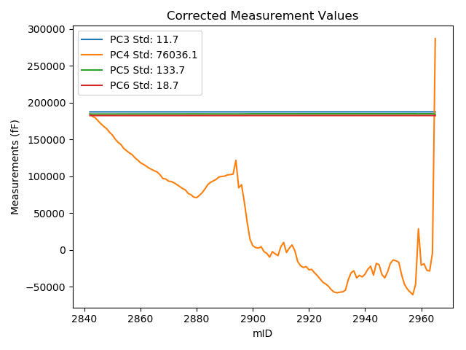
2018-06-11 | VA00002980T | 2864 | 229424.9 | 187605.2 | 185102.9 | 184643 | 182594.7 | 90665.32 | 0 | raw | 187644.34179 | 109484.79287 | 184802.9908 | 182642.31495
2018-06-11 | VA00002980T | 2865 | 229436.7 | 187602.8 | 185101.4 | 184642.2 | 182595.6 | 90659.76 | 0 | raw | 187642.94564 | 107543.94563 | 184806.29402 | 182644.43611
2018-06-11 | VA00002980T | 2866 | 229446.5 | 187601.2 | 185104.2 | 184644.7 | 182595.7 | 90657.14 | 0 | raw | 187642.17935 | 105936.10131 | 184812.20178 | 182645.55029
2018-06-11 | VA00002980T | 2867 | 229470.1 | 187600.5 | 185100 | 184639.2 | 182593.3 | 90647.91 | 0 | raw | 187643.48706 | 102053.20684 | 184814.90822 | 182645.59262
2018-06-11 | VA00002980T | 2868 | 229499.7 | 187599 | 185101.4 | 184641.1 | 182589.5 | 90635.63 | 0 | raw | 187644.5052 | 97189.803597 | 184827.10104 | 182644.85587
2018-06-11 | VA00002980T | 2869 | 229504 | 187596.6 | 185097.5 | 184637.1 | 182589.3 | 90632.49 | 0 | raw | 187642.47101 | 96479.192315 | 184824.59628 | 182645.10087
2018-06-11 | VA00002980T | 2870 | 229521.6 | 187598.4 | 185099.3 | 184635.8 | 182586.1 | 90627.03 | 0 | raw | 187645.76828 | 93588.406604 | 184829.41634 | 182643.72226
2018-06-11 | VA00002980T | 2871 | 229524.6 | 187596.3 | 185097.2 | 184634.9 | 182585.6 | 90624.93 | 0 | raw | 187643.9235 | 93093.252222 | 184829.55953 | 182643.53273
2018-06-11 | VA00002980T | 2872 | 229535.9 | 187597.6 | 185097.2 | 184635 | 182588 | 90621.47 | 0 | raw | 187646.18482 | 91236.080714 | 184833.58888 | 182647.10214
2018-06-11 | VA00002980T | 2873 | 229550.5 | 187593.2 | 185094.8 | 184633.7 | 182584.7 | 90614.65 | 0 | raw | 187643.02687 | 88834.149386 | 184837.36575 | 182645.31307
2018-06-11 | VA00002980T | 2874 | 229566.4 | 187591.6 | 185092.5 | 184633.2 | 182586.1 | 90608.04 | 0 | raw | 187642.77952 | 86218.661159 | 184842.39466 | 182648.35854
2018-06-11 | VA00002980T | 2875 | 229582.6 | 187593.7 | 185093.5 | 184630.8 | 182580.2 | 90603.22 | 0 | raw | 187646.25769 | 83557.167493 | 184845.6279 | 182644.13505
2018-06-11 | VA00002980T | 2876 | 229593.9 | 187589.9 | 185090.7 | 184629.2 | 182582.6 | 90597.76 | 0 | raw | 187643.41901 | 81697.195986 | 184847.95725 | 182647.70446
2018-06-11 | VA00002980T | 2877 | 229623.1 | 187590.8 | 185092.5 | 184629.6 | 182579.4 | 90586.22 | 0 | raw | 187646.80312 | 76899.933329 | 184858.51098 | 182647.52632
2018-06-11 | VA00002980T | 2878 | 229634 | 187588.1 | 185094.6 | 184630.7 | 182580.8 | 90582.97 | 0 | raw | 187645.03041 | 75110.602406 | 184863.40124 | 182650.05434
2018-06-11 | VA00002980T | 2879 | 229653.5 | 187586.8 | 185092.7 | 184628.4 | 182578 | 90575.42 | 0 | raw | 187645.38932 | 71903.848919 | 184867.88199 | 182649.27236
2018-06-11 | VA00002980T | 2880 | 229658.4 | 187588.8 | 185093.3 | 184628.4 | 182579.3 | 90574.79 | 0 | raw | 187647.80618 | 71099.126761 | 184869.58587 | 182651.07946
2018-06-11 | VA00002980T | 2881 | 229639.2 | 187587.8 | 185093.7 | 184630.3 | 182581.2 | 90583.92 | 0 | raw | 187645.17279 | 74255.074809 | 184864.80944 | 182650.99248
2018-06-11 | VA00002980T | 2882 | 229615.7 | 187592.9 | 185096.2 | 184627.6 | 182577.8 | 90591.47 | 0 | raw | 187648.27359 | 78119.834139 | 184853.93778 | 182645.16051
2018-06-11 | VA00002980T | 2883 | 229585.6 | 187594.4 | 185098.9 | 184631.7 | 182583.2 | 90603.11 | 0 | raw | 187647.21291 | 83069.51311 | 184847.57109 | 182647.44551
2018-06-11 | VA00002980T | 2884 | 229549.8 | 187596.9 | 185105.7 | 184637.7 | 182585.7 | 90617.17 | 0 | raw | 187646.66732 | 88960.095409 | 184841.12234 | 182646.24063
2018-06-11 | VA00002980T | 2885 | 229530.8 | 187597.6 | 185103.9 | 184635.9 | 182587.1 | 90622.84 | 0 | raw | 187645.75095 | 92080.973165 | 184832.71546 | 182645.67435
2018-06-11 | VA00002980T | 2886 | 229518.9 | 187599.6 | 185109.6 | 184636.1 | 182587.6 | 90627.66 | 0 | raw | 187646.73859 | 94042.455549 | 184828.77746 | 182644.94284
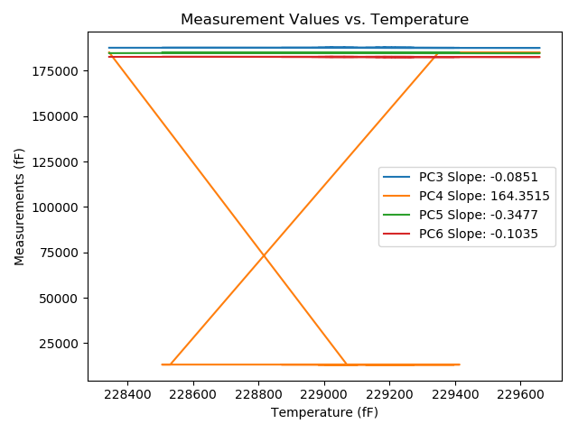
2018-06-11 | VA00002980T | 2887 | 229506.2 | 187601.3 | 185110.7 | 184637.9 | 182588 | 90633.33 | 0 | raw | 187647.35817 | 96130.819101 | 184826.16129 | 182644.02854
2018-06-11 | VA00002980T | 2888 | 229486.7 | 187602.8 | 185112.6 | 184640.3 | 182591.1 | 90639.93 | 0 | raw | 187647.19926 | 99337.572588 | 184821.78054 | 182645.11052
2018-06-11 | VA00002980T | 2889 | 229482.9 | 187603.6 | 185114.5 | 184640.7 | 182590.1 | 90640.88 | 0 | raw | 187647.67598 | 99964.008139 | 184820.85917 | 182643.71727
2018-06-11 | VA00002980T | 2890 | 229480 | 187603.3 | 185114.2 | 184640.8 | 182592.2 | 90642.03 | 0 | raw | 187647.12927 | 100440.32738 | 184819.95075 | 182645.51715
2018-06-11 | VA00002980T | 2891 | 229470.1 | 187605 | 185120.2 | 184640.6 | 182589.6 | 90644.97 | 0 | raw | 187647.98706 | 102073.40684 | 184816.30822 | 182641.89262
2018-06-11 | VA00002980T | 2892 | 229467.7 | 187603.4 | 185119.6 | 184639.2 | 182589.9 | 90646.86 | 0 | raw | 187646.18288 | 102467.25034 | 184814.07366 | 182641.94425
2018-06-11 | VA00002980T | 2893 | 229463.7 | 187602.1 | 185122.4 | 184640.3 | 182590.8 | 90647.91 | 0 | raw | 187644.54259 | 103127.45619 | 184813.78274 | 182642.43029
2018-06-11 | VA00002980T | 2894 | 229349.7 | 187608.6 | 185126.7 | 184644.8 | 182596.5 | 90687.14 | 1 | raw | 187641.34435 | 121867.82272 | 184778.64147 | 182636.33263
2018-06-11 | VA00002980T | 2895 | 228530.6 | 187678.6 | 13218 | 184994.8 | 182695.6 | 91052.1 | 0 | raw | 187641.66159 | 84579.404297 | 184843.81542 | 182650.6654
2018-06-11 | VA00002980T | 2896 | 228505.4 | 187666.7 | 13209.5 | 184986.9 | 182685.4 | 91070.04 | 0 | raw | 187627.61777 | 88712.56111 | 184827.15261 | 182637.85749
2018-06-11 | VA00002980T | 2897 | 228649.7 | 187674.3 | 13208.6 | 184993.7 | 182689 | 91003.64 | 2 | raw | 187647.4937 | 64995.745311 | 184884.13012 | 182656.39085
2018-06-11 | VA00002980T | 2898 | 228812.7 | 187665.8 | 13208.2 | 184983.6 | 182679 | 90937.34 | 0 | raw | 187652.8605 | 38206.057194 | 184930.71019 | 182663.25944
2018-06-11 | VA00002980T | 2899 | 228954.8 | 187657.2 | 13207.2 | 184975 | 182668.7 | 90878.49 | 0 | raw | 187656.34928 | 14850.714608 | 184971.5227 | 182667.66512
2018-06-11 | VA00002980T | 2900 | 229008.6 | 187654.2 | 13207.2 | 184970.7 | 182664.1 | 90856.04 | 0 | raw | 187657.92617 | 6008.6060152 | 184985.9306 | 182668.63279
2018-06-11 | VA00002980T | 2901 | 229024.5 | 187653.4 | 13207.2 | 184968.6 | 182661.8 | 90849.64 | 0 | raw | 187658.47882 | 3395.4177878 | 184989.35951 | 182667.97825
2018-06-11 | VA00002980T | 2902 | 229028.3 | 187653.3 | 13207.2 | 184967.1 | 182660.5 | 90849.43 | 0 | raw | 187658.70209 | 2770.8822367 | 184989.18089 | 182667.0715
2018-06-11 | VA00002980T | 2903 | 229017.5 | 187653.6 | 13207.1 | 184969.9 | 182662.3 | 90852.58 | 0 | raw | 187658.08331 | 4545.7780137 | 184988.2254 | 182667.75383
2018-06-11 | VA00002980T | 2904 | 229057.5 | 187654 | 13207.2 | 184968 | 182661.4 | 90839.46 | 0 | raw | 187661.88621 | -2028.1804199 | 185000.23462 | 182670.99336
2018-06-11 | VA00002980T | 2905 | 229072.1 | 187653.8 | 13207.1 | 184969 | 182661.7 | 90832.85 | 0 | raw | 187662.92826 | -4427.8117481 | 185006.31148 | 182672.80429
2018-06-11 | VA00002980T | 2906 | 229103 | 187651.4 | 13207.2 | 184967.1 | 182659.8 | 90821.1 | 0 | raw | 187663.157 | -9506.1718881 | 185015.15635 | 182674.10208
2018-06-11 | VA00002980T | 2907 | 229058.1 | 187653 | 13207.2 | 184969.3 | 182660.9 | 90834.74 | 0 | raw | 187660.93725 | -2126.7912964 | 185001.74325 | 182670.55545
2018-06-11 | VA00002980T | 2908 | 229076.2 | 187652.7 | 13207.1 | 184966.5 | 182659.1 | 90829.29 | 0 | raw | 187662.17706 | -5101.6527376 | 185005.23718 | 182670.62859
2018-06-11 | VA00002980T | 2909 | 229090.6 | 187650.7 | 13206.9 | 184967.5 | 182659.5 | 90822.36 | 0 | raw | 187661.4021 | -7468.5137737 | 185011.2445 | 182672.51882
2018-06-11 | VA00002980T | 2910 | 229017.4 | 187653.6 | 13207.4 | 184971.3 | 182663.9 | 90849.85 | 0 | raw | 187658.07481 | 4562.5131598 | 184989.59062 | 182669.34348
2018-06-11 | VA00002980T | 2911 | 228981.8 | 187659.8 | 13207.6 | 184974.9 | 182666.9 | 90861.49 | 0 | raw | 187661.24623 | 10413.625166 | 184980.81142 | 182668.6593
2018-06-11 | VA00002980T | 2912 | 229065 | 187654.4 | 13207.1 | 184970.2 | 182662.5 | 90828.34 | 0 | raw | 187662.92425 | -3260.9163762 | 185005.0426 | 182672.86952
2018-06-11 | VA00002980T | 2913 | 229028.8 | 187657.6 | 13207.5 | 184972.3 | 182664.5 | 90845.02 | 0 | raw | 187663.04463 | 2689.0065062 | 184994.55475 | 182671.12325
2018-06-11 | VA00002980T | 2914 | 229002.9 | 187658.6 | 13207.5 | 184973 | 182665.7 | 90854.67 | 0 | raw | 187661.84126 | 6945.709342 | 184986.24853 | 182669.6429
2018-06-11 | VA00002980T | 2915 | 229050.8 | 187655.7 | 13207.3 | 184970.2 | 182662.4 | 90836.52 | 0 | raw | 187663.01622 | -926.92563225 | 185000.10482 | 182671.29999
2018-06-11 | VA00002980T | 2916 | 229139.4 | 187649.5 | 13207 | 184967.5 | 182659 | 90799.91 | 0 | raw | 187664.35363 | -15488.765063 | 185028.21374 | 182677.06905
2018-06-11 | VA00002980T | 2917 | 229173.3 | 187645.2 | 13206.7 | 184961.8 | 182654.3 | 90786.59 | 0 | raw | 187662.93758 | -21060.579585 | 185034.30181 | 182675.8773
2018-06-11 | VA00002980T | 2918 | 229189 | 187644.5 | 13207.1 | 184960.4 | 182653.3 | 90780.51 | 0 | raw | 187663.57322 | -23640.49752 | 185038.36118 | 182676.50207
2018-06-11 | VA00002980T | 2919 | 229181.3 | 187645 | 13207 | 184961.6 | 182653.8 | 90782.71 | 0 | raw | 187663.41816 | -22375.091272 | 185036.88365 | 182676.20521
2018-06-11 | VA00002980T | 2920 | 229207.4 | 187642 | 13206.9 | 184958.2 | 182651.9 | 90772.01 | 0 | raw | 187662.63855 | -26664.7644 | 185042.55942 | 182677.00625
2018-06-11 | VA00002980T | 2921 | 229204.6 | 187641.9 | 13207.2 | 184957.9 | 182651.3 | 90775.79 | 0 | raw | 187662.30035 | -26204.280309 | 185041.28577 | 182676.11648
2018-06-11 | VA00002980T | 2922 | 229232.5 | 187642.8 | 13207.1 | 184958.4 | 182651.1 | 90764.56 | 0 | raw | 187665.57387 | -30789.786067 | 185051.48745 | 182678.80381
2018-06-11 | VA00002980T | 2923 | 229256.1 | 187640 | 13206.8 | 184955.6 | 182647.4 | 90754.28 | 0 | raw | 187664.78157 | -34668.780543 | 185056.89389 | 182677.54613
2018-06-11 | VA00002980T | 2924 | 229283.5 | 187637.9 | 13206.9 | 184954.1 | 182646.8 | 90743.79 | 0 | raw | 187665.01256 | -39171.91057 | 185064.92171 | 182679.78171
2018-06-11 | VA00002980T | 2925 | 229310.7 | 187638.7 | 13206.7 | 184953.5 | 182645 | 90734.03 | 0 | raw | 187668.12652 | -43642.470305 | 185073.77998 | 182680.79659
2018-06-11 | VA00002980T | 2926 | 229325 | 187635.1 | 13206.5 | 184950.9 | 182642.9 | 90726.9 | 0 | raw | 187665.74306 | -45992.896195 | 185076.15252 | 182680.17647
2018-06-11 | VA00002980T | 2927 | 229345 | 187635.1 | 13206.6 | 184951 | 182642.5 | 90719.03 | 0 | raw | 187667.44451 | -49279.825411 | 185083.20713 | 182681.84624
2018-06-11 | VA00002980T | 2928 | 229373.3 | 187631.7 | 13206.4 | 184947.9 | 182639.6 | 90707.81 | 0 | raw | 187666.45205 | -53931.171753 | 185089.94791 | 182681.87495
2018-06-11 | VA00002980T | 2929 | 229392.3 | 187629.5 | 13206.2 | 184946.6 | 182639 | 90700.04 | 0 | raw | 187665.86843 | -57054.049509 | 185095.25478 | 182683.24123
2018-06-11 | VA00002980T | 2930 | 229397.3 | 187630.8 | 13206.7 | 184946.1 | 182638.3 | 90698.05 | 0 | raw | 187667.59379 | -57875.306813 | 185096.49344 | 182683.05867
2018-06-11 | VA00002980T | 2931 | 229392.9 | 187630 | 13206.5 | 184945.9 | 182638.1 | 90699.21 | 0 | raw | 187666.41947 | -57152.360386 | 185094.76342 | 182682.40332
2018-06-11 | VA00002980T | 2932 | 229390.3 | 187628.9 | 13207 | 184944.5 | 182637.5 | 90696.58 | 0 | raw | 187665.09828 | -56724.546587 | 185092.45932 | 182681.53425
2018-06-11 | VA00002980T | 2933 | 229375.9 | 187628.3 | 13206.8 | 184944.7 | 182637.7 | 90704.14 | 0 | raw | 187663.27324 | -54358.085551 | 185087.652 | 182680.24402
2018-06-11 | VA00002980T | 2934 | 229290.2 | 187638.6 | 13207.1 | 184953.4 | 182643.3 | 90735.71 | 0 | raw | 187666.28254 | -40272.865357 | 185066.5515 | 182676.97508
2018-06-11 | VA00002980T | 2935 | 229233.7 | 187641.8 | 13207.1 | 184958.3 | 182649.1 | 90755.75 | 0 | raw | 187664.67595 | -30987.00782 | 185051.80473 | 182676.92799
2018-06-11 | VA00002980T | 2936 | 229215.9 | 187646.7 | 13207.4 | 184961.1 | 182651 | 90762.99 | 0 | raw | 187668.06167 | -28061.251817 | 185048.41513 | 182676.9859
2018-06-11 | VA00002980T | 2937 | 229275 | 187641.2 | 13207 | 184957.8 | 182648 | 90740.22 | 0 | raw | 187667.58944 | -37774.823153 | 185065.666 | 182680.10206
2018-06-11 | VA00002980T | 2938 | 229253.9 | 187639.9 | 13207.4 | 184956.9 | 182648.9 | 90749.45 | 0 | raw | 187664.49441 | -34306.607329 | 185057.42888 | 182678.81846
2018-06-11 | VA00002980T | 2939 | 229266.7 | 187644.1 | 13207.2 | 184956.9 | 182646.7 | 90745.57 | 0 | raw | 187669.78334 | -36410.506028 | 185061.87984 | 182677.94311
2018-06-11 | VA00002980T | 2940 | 229243.2 | 187641.8 | 13207.3 | 184955.8 | 182646.5 | 90752.81 | 0 | raw | 187665.48414 | -32548.146698 | 185052.60817 | 182675.31113
2018-06-11 | VA00002980T | 2941 | 229202.8 | 187646.5 | 13207.6 | 184959.3 | 182649.6 | 90768.02 | 0 | raw | 187666.74722 | -25908.04768 | 185042.05986 | 182674.23021
2018-06-11 | VA00002980T | 2942 | 229178.4 | 187649.8 | 13207.6 | 184961.5 | 182650.8 | 90776.94 | 0 | raw | 187667.97145 | -21897.872035 | 185035.77523 | 182672.90509
2018-06-11 | VA00002980T | 2943 | 229252.2 | 187643.1 | 13207.4 | 184960.3 | 182650.7 | 90753.13 | 0 | raw | 187667.54979 | -34027.209845 | 185060.23774 | 182680.44253
2018-06-11 | VA00002980T | 2944 | 229155 | 187648.6 | 13207.9 | 184961.9 | 182653.3 | 90788.16 | 0 | raw | 187664.78076 | -18051.747852 | 185028.03834 | 182672.98347
2018-06-11 | VA00002980T | 2945 | 229166.5 | 187651.5 | 13207.8 | 184964.7 | 182654 | 90782.92 | 0 | raw | 187668.65909 | -19941.889651 | 185034.83724 | 182674.87358
2018-06-11 | VA00002980T | 2946 | 229247.1 | 187643.8 | 13207.3 | 184957.5 | 182648.3 | 90750.08 | 0 | raw | 187667.81592 | -33189.117395 | 185055.66432 | 182677.51474
2018-06-11 | VA00002980T | 2947 | 229274.8 | 187642.9 | 13207.2 | 184956.2 | 182647 | 90740.33 | 0 | raw | 187669.27243 | -37741.75286 | 185063.99645 | 182679.08136
2018-06-11 | VA00002980T | 2948 | 229226 | 187641.5 | 13207.4 | 184959.5 | 182650.4 | 90758.06 | 0 | raw | 187663.7209 | -29721.201571 | 185050.3272 | 182677.43113
2018-06-11 | VA00002980T | 2949 | 229155.2 | 187647.3 | 13207.5 | 184962.4 | 182653.2 | 90789.53 | 0 | raw | 187663.49777 | -18085.018144 | 185028.60789 | 182672.90416
2018-06-11 | VA00002980T | 2950 | 229126.7 | 187652.3 | 13208.1 | 184965.3 | 182656 | 90797.4 | 0 | raw | 187666.07321 | -13400.40151 | 185021.59757 | 182672.75475
2018-06-11 | VA00002980T | 2951 | 229133.5 | 187654.5 | 13208.2 | 184968.5 | 182658.1 | 90794.25 | 0 | raw | 187668.8517 | -14517.891444 | 185027.16213 | 182675.55847
2018-06-11 | VA00002980T | 2952 | 229144.9 | 187655.3 | 13208.2 | 184967.9 | 182656.8 | 90790.05 | 0 | raw | 187670.62153 | -16391.498097 | 185030.52626 | 182675.43824
2018-06-11 | VA00002980T | 2953 | 229247.6 | 187644.6 | 13207.5 | 184960.9 | 182650.9 | 90754.07 | 0 | raw | 187668.65846 | -33271.093126 | 185059.23818 | 182680.16648
2018-06-11 | VA00002980T | 2954 | 229325.4 | 187637.9 | 13207.3 | 184953.3 | 182644.8 | 90724.49 | 0 | raw | 187668.57709 | -46057.836779 | 185078.69161 | 182682.11787
2018-06-11 | VA00002980T | 2955 | 229365.4 | 187632 | 13207 | 184947.6 | 182639.3 | 90707.81 | 0 | raw | 187666.07998 | -52632.195213 | 185086.90083 | 182680.7574
2018-06-11 | VA00002980T | 2956 | 229390.7 | 187629.6 | 13206.9 | 184945 | 182637.6 | 90696.48 | 0 | raw | 187665.83231 | -56790.387172 | 185093.09842 | 182681.67565
2018-06-11 | VA00002980T | 2957 | 229413.6 | 187629.3 | 13207.1 | 184945.4 | 182636.6 | 90687.88 | 0 | raw | 187667.48047 | -60553.835625 | 185101.46144 | 182683.04553
2018-06-11 | VA00002980T | 2958 | 229327.2 | 187629.9 | 13207.6 | 184944.2 | 182637.6 | 90725.33 | 1 | raw | 187660.73022 | -46353.369408 | 185070.21753 | 182675.10414
2018-06-11 | VA00002980T | 2959 | 228869.8 | 187644.8 | 13235.7 | 184956.4 | 182652.9 | 90932.51 | 0 | raw | 187636.71813 | 28849.08878 | 184923.3656 | 182643.06862
2018-06-11 | VA00002980T | 2960 | 229170.7 | 187642.7 | 13234.3 | 184960.6 | 182651.9 | 90793.41 | 0 | raw | 187660.2164 | -20605.665787 | 185032.19771 | 182673.20823
2018-06-11 | VA00002980T | 2961 | 229158 | 187647.3 | 13234.2 | 184961.7 | 182651.2 | 90795.3 | 0 | raw | 187663.73598 | -18518.502234 | 185028.88153 | 182671.19393
2018-06-11 | VA00002980T | 2962 | 229212.1 | 187643.5 | 13233.9 | 184960.5 | 182649.7 | 90772.43 | 0 | raw | 187664.53839 | -27410.216266 | 185046.49375 | 182675.29265
2018-06-11 | VA00002980T | 2963 | 229218 | 187642.3 | 13233.9 | 184957.7 | 182647.8 | 90772.95 | 0 | raw | 187663.84032 | -28379.889885 | 185045.74536 | 182674.00323
2018-06-11 | VA00002980T | 2964 | 229069.6 | 187654.1 | 13233.2 | 184967.9 | 182657.3 | 90825.2 | 2 | raw | 187663.01558 | -3990.833096 | 185004.34216 | 182668.14557
2018-06-11 | VA00002980T | 2965 | 228344.1 | 187667.2 | 185123 | 184690.7 | 182647.4 | 91106.02 | 0 | raw | 187614.3956 | 287135.95174 | 184474.86368 | 182583.16484

VA00002979C
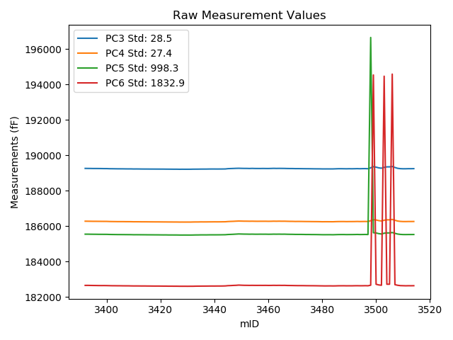
mTS | dos_ID | mID | PC1 | PC3 | PC4 | PC5 | PC6 | PC7 | TCPM | type | TC PC3 | TC PC4 | TC PC5 | TC PC6
2018-06-11 | VA00002979C | 3392 | 246690 | 189262.9 | 186284 | 185552 | 182662.4 | 90912.16 | 0 | raw | 189262.9 | 186284 | 185552 | 182662.4
2018-06-11 | VA00002979C | 3393 | 246707.9 | 189260.6 | 186281.8 | 185552.1 | 182663.2 | 90903.98 | 0 | raw | 189261.98513 | 186283.13286 | 185562.15942 | 182717.95457
2018-06-11 | VA00002979C | 3394 | 246733.9 | 189259.3 | 186279.9 | 185549 | 182660.1 | 90893.28 | 0 | raw | 189262.69704 | 186283.16886 | 185573.67087 | 182794.38635
2018-06-11 | VA00002979C | 3395 | 246760.2 | 189256.5 | 186277.4 | 185547.1 | 182657.5 | 90883.31 | 0 | raw | 189261.93218 | 186282.62719 | 185586.55091 | 182872.23581
2018-06-11 | VA00002979C | 3396 | 246792.3 | 189256.8 | 186277.1 | 185545.9 | 182656 | 90871.56 | 0 | raw | 189264.71612 | 186284.7174 | 185603.39043 | 182968.92697
2018-06-11 | VA00002979C | 3397 | 246811.2 | 189255.8 | 186275.8 | 185543.3 | 182653.1 | 90863.8 | 0 | raw | 189265.17863 | 186284.82472 | 185611.41183 | 183023.84046
2018-06-11 | VA00002979C | 3398 | 246828.1 | 189254 | 186274.6 | 185542.8 | 182651.9 | 90856.77 | 0 | raw | 189264.68638 | 186284.88312 | 185620.40928 | 183074.33611
2018-06-11 | VA00002979C | 3399 | 246857.7 | 189251.3 | 186273.5 | 185542 | 182652.9 | 90845.23 | 0 | raw | 189264.27687 | 186285.98718 | 185636.24385 | 183165.87999
2018-06-11 | VA00002979C | 3400 | 246886.5 | 189251.3 | 186273 | 185541.4 | 182650.9 | 90836.63 | 0 | raw | 189266.50545 | 186287.63167 | 185651.82884 | 183251.97673
2018-06-11 | VA00002979C | 3401 | 246918 | 189245.7 | 186267.2 | 185536.3 | 182647.2 | 90822.05 | 0 | raw | 189263.34297 | 186284.1772 | 185664.43117 | 183344.63254
2018-06-11 | VA00002979C | 3402 | 246938 | 189244.2 | 186264.4 | 185533.7 | 182643.8 | 90813.87 | 0 | raw | 189263.3906 | 186282.86643 | 185673.07075 | 183402.41084
2018-06-11 | VA00002979C | 3403 | 246964.7 | 189242.2 | 186262.6 | 185531.8 | 182643.4 | 90803.9 | 0 | raw | 189263.45668 | 186283.05455 | 185686.17558 | 183483.68386
2018-06-11 | VA00002979C | 3404 | 246985.9 | 189239.7 | 186260.5 | 185529.6 | 182641.4 | 90795.09 | 0 | raw | 189262.59717 | 186282.53313 | 185695.88954 | 183546.53285
2018-06-11 | VA00002979C | 3405 | 247001.8 | 189238.9 | 186260.3 | 185529 | 182641 | 90790.47 | 0 | raw | 189263.02753 | 186283.51707 | 185704.225 | 183594.76959
2018-06-11 | VA00002979C | 3406 | 247018.4 | 189238.1 | 186260.1 | 185528.1 | 182638.5 | 90783.65 | 0 | raw | 189263.51206 | 186284.55312 | 185712.65385 | 183643.04757
2018-06-11 | VA00002979C | 3407 | 247038.8 | 189235.5 | 186257.9 | 185526.8 | 182637.5 | 90774.11 | 0 | raw | 189262.49064 | 186283.87214 | 185722.81822 | 183704.44943
2018-06-11 | VA00002979C | 3408 | 247064.8 | 189234.3 | 186257.3 | 185525.9 | 182637.2 | 90765.61 | 0 | raw | 189263.30256 | 186285.20813 | 185736.52967 | 183783.68121
2018-06-11 | VA00002979C | 3409 | 247087.5 | 189234.6 | 186256.3 | 185524.7 | 182633.8 | 90756.48 | 0 | raw | 189265.35912 | 186285.89841 | 185748.08659 | 183849.71858
2018-06-11 | VA00002979C | 3410 | 247104.7 | 189230.3 | 186252.3 | 185520.4 | 182631.3 | 90749.14 | 0 | raw | 189262.39008 | 186283.17914 | 185753.45262 | 183899.83191
2018-06-11 | VA00002979C | 3411 | 247121.8 | 189231.6 | 186252.7 | 185521.1 | 182631.7 | 90742.95 | 0 | raw | 189265.0133 | 186284.85243 | 185763.76246 | 183952.53935
2018-06-11 | VA00002979C | 3412 | 247138.3 | 189230.1 | 186251.7 | 185520.3 | 182630.8 | 90738.02 | 0 | raw | 189264.7901 | 186285.08105 | 185772.23511 | 184002.11144
2018-06-11 | VA00002979C | 3413 | 247160.8 | 189227.6 | 186249.9 | 185519.4 | 182629.1 | 90726.59 | 0 | raw | 189264.03118 | 186284.95643 | 185783.97963 | 184069.23702
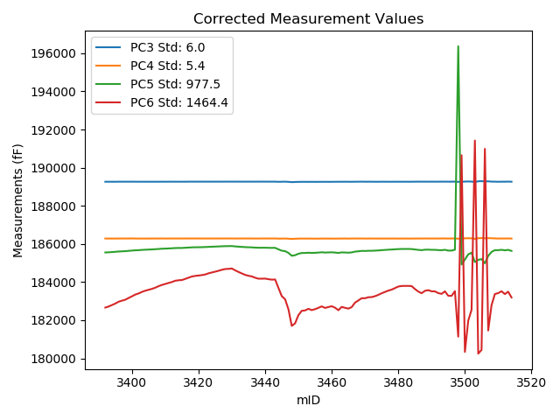
2018-06-11 | VA00002979C | 3414 | 247168.6 | 189226.8 | 186249.9 | 185518.7 | 182629.8 | 90724.49 | 0 | raw | 189263.83475 | 186285.53723 | 185787.66307 | 184093.79656
2018-06-11 | VA00002979C | 3415 | 247173.4 | 189226.7 | 186249 | 185516.9 | 182627.4 | 90720.71 | 0 | raw | 189264.10618 | 186284.99464 | 185788.56057 | 184106.07935
2018-06-11 | VA00002979C | 3416 | 247193.1 | 189225.3 | 186247.5 | 185516.1 | 182626.6 | 90713.26 | 0 | raw | 189264.2306 | 186284.96153 | 185798.83155 | 184165.53996
2018-06-11 | VA00002979C | 3417 | 247214.5 | 189225 | 186246.9 | 185515.3 | 182624.8 | 90705.08 | 0 | raw | 189265.58656 | 186285.95501 | 185810.0579 | 184229.20074
2018-06-11 | VA00002979C | 3418 | 247235.4 | 189224.3 | 186245.5 | 185514 | 182623.8 | 90697.63 | 0 | raw | 189266.50383 | 186286.11125 | 185820.50325 | 184292.13205
2018-06-11 | VA00002979C | 3419 | 247245.3 | 189223.7 | 186245.5 | 185513.4 | 182624.3 | 90694.8 | 0 | raw | 189266.66991 | 186286.84842 | 185825.46684 | 184322.91531
2018-06-11 | VA00002979C | 3420 | 247252.2 | 189222.9 | 186244.2 | 185511.7 | 182622.9 | 90690.39 | 0 | raw | 189266.40384 | 186286.0622 | 185827.6445 | 184342.62182
2018-06-11 | VA00002979C | 3421 | 247260.3 | 189222.8 | 186242.7 | 185510.2 | 182621.1 | 90687.04 | 0 | raw | 189266.93063 | 186285.16534 | 185830.69653 | 184365.59903
2018-06-11 | VA00002979C | 3422 | 247270.6 | 189220.6 | 186241.8 | 185511 | 182621.1 | 90683.26 | 0 | raw | 189265.52766 | 186285.03229 | 185837.28491 | 184397.10585
2018-06-11 | VA00002979C | 3423 | 247291.8 | 189219.5 | 186240.2 | 185507 | 182617.9 | 90673.92 | 0 | raw | 189266.06815 | 186285.01087 | 185845.19886 | 184458.75484
2018-06-11 | VA00002979C | 3424 | 247306 | 189218.3 | 186239.8 | 185507.4 | 182618.3 | 90670.57 | 0 | raw | 189265.96696 | 186285.66822 | 185853.57896 | 184502.59143
2018-06-11 | VA00002979C | 3425 | 247320.4 | 189216.8 | 186238.4 | 185506.6 | 182616.7 | 90662.91 | 0 | raw | 189265.58125 | 186285.34047 | 185860.87145 | 184545.0398
2018-06-11 | VA00002979C | 3426 | 247335.5 | 189217.1 | 186238.3 | 185506.2 | 182616.8 | 90657.98 | 0 | raw | 189267.04971 | 186286.36484 | 185868.95734 | 184591.32941
2018-06-11 | VA00002979C | 3427 | 247353.4 | 189213.6 | 186235.2 | 185503.2 | 182613.9 | 90648.64 | 0 | raw | 189264.93484 | 186284.59769 | 185876.01676 | 184643.18398
2018-06-11 | VA00002979C | 3428 | 247366.5 | 189215.7 | 186236 | 185502.6 | 182613.6 | 90645.07 | 0 | raw | 189268.04854 | 186286.37314 | 185882.77868 | 184682.95577
2018-06-11 | VA00002979C | 3429 | 247369.6 | 189214.3 | 186235 | 185503.4 | 182613.8 | 90643.5 | 0 | raw | 189266.88842 | 186285.60397 | 185885.32081 | 184692.6384
2018-06-11 | VA00002979C | 3430 | 247376.2 | 189214.7 | 186235.8 | 185502.6 | 182612.4 | 90640.67 | 0 | raw | 189267.79914 | 186286.89541 | 185888.22987 | 184711.42724
2018-06-11 | VA00002979C | 3431 | 247344.6 | 189215.3 | 186235 | 185502.3 | 182614 | 90652.73 | 0 | raw | 189265.95389 | 186283.74243 | 185870.17134 | 184616.36553
2018-06-11 | VA00002979C | 3432 | 247316.4 | 189219.1 | 186239.3 | 185504.3 | 182614.1 | 90662.07 | 0 | raw | 189267.57173 | 186285.94262 | 185856.32354 | 184530.20414
2018-06-11 | VA00002979C | 3433 | 247289.5 | 189220.1 | 186241.4 | 185508.2 | 182618.4 | 90670.25 | 0 | raw | 189266.49017 | 186286.03961 | 185845.10631 | 184452.21934
2018-06-11 | VA00002979C | 3434 | 247264.4 | 189221.1 | 186241.5 | 185509.2 | 182620.2 | 90680.95 | 0 | raw | 189265.54789 | 186284.27063 | 185832.00064 | 184377.24058
2018-06-11 | VA00002979C | 3435 | 247248 | 189223.6 | 186245.2 | 185512.4 | 182621.5 | 90687.46 | 0 | raw | 189266.77884 | 186286.74946 | 185825.98419 | 184328.37438
2018-06-11 | VA00002979C | 3436 | 247237.5 | 189224.2 | 186244.1 | 185512.3 | 182622.5 | 90693.44 | 0 | raw | 189266.56633 | 186284.86762 | 185819.98341 | 184297.25578
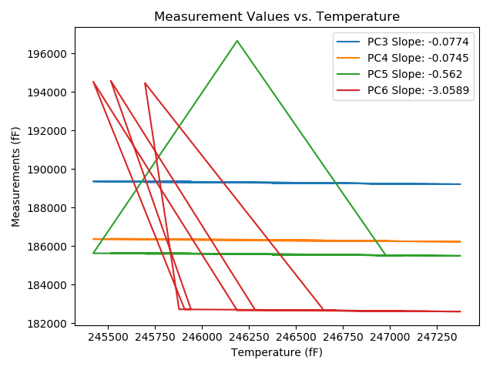
2018-06-11 | VA00002979C | 3437 | 247214.5 | 189224.6 | 186244.6 | 185511.7 | 182623.2 | 90700.04 | 0 | raw | 189265.18656 | 186283.65501 | 185806.4579 | 184227.60074
2018-06-11 | VA00002979C | 3438 | 247197.2 | 189227.5 | 186246.2 | 185514.6 | 182625.1 | 90706.55 | 0 | raw | 189266.74786 | 186283.96682 | 185799.63566 | 184176.58151
2018-06-11 | VA00002979C | 3439 | 247196.9 | 189228.5 | 186247.3 | 185515.5 | 182626.2 | 90707.18 | 0 | raw | 189267.72465 | 186285.04448 | 185800.36707 | 184176.76384
2018-06-11 | VA00002979C | 3440 | 247199.1 | 189228.4 | 186248.8 | 185514.9 | 182625.3 | 90706.02 | 0 | raw | 189267.79489 | 186286.7083 | 185801.00342 | 184182.59345
2018-06-11 | VA00002979C | 3441 | 247187.8 | 189227.3 | 186247.6 | 185515.7 | 182627.3 | 90710.54 | 0 | raw | 189265.82048 | 186284.66689 | 185795.45306 | 184150.02772
2018-06-11 | VA00002979C | 3442 | 247180 | 189228.2 | 186248.4 | 185516.7 | 182627.2 | 90711.9 | 0 | raw | 189266.1169 | 186284.88609 | 185792.06963 | 184126.06818
2018-06-11 | VA00002979C | 3443 | 247182.8 | 189229.2 | 186251 | 185518.8 | 182628.8 | 90711.48 | 0 | raw | 189267.33357 | 186287.69458 | 185795.74317 | 184136.23314
2018-06-11 | VA00002979C | 3444 | 247035.5 | 189231.5 | 186252.6 | 185521 | 182632.9 | 90773.69 | 1 | raw | 189258.23528 | 186278.32641 | 185715.16369 | 183689.75501
2018-06-11 | VA00002979C | 3445 | 246890.8 | 189248.1 | 186265.2 | 185533.5 | 182647.3 | 90824.15 | 0 | raw | 189263.63819 | 186280.15185 | 185646.34535 | 183261.53006
2018-06-11 | VA00002979C | 3446 | 246835.5 | 189254.3 | 186272.5 | 185539.1 | 182652.8 | 90849.95 | 0 | raw | 189265.559 | 186283.33413 | 185620.86792 | 183097.87208
2018-06-11 | VA00002979C | 3447 | 246661.2 | 189259.7 | 186277.6 | 185546.2 | 182661 | 90918.87 | 1 | raw | 189257.47141 | 186275.45551 | 185530.01501 | 182572.90326
2018-06-11 | VA00002979C | 3448 | 246373.7 | 189266.1 | 186286.3 | 185555.1 | 182666.9 | 91037.42 | 0 | raw | 189241.62425 | 186262.74786 | 185377.3461 | 181699.36529
2018-06-11 | VA00002979C | 3449 | 246414.3 | 189270 | 186292.7 | 185564.2 | 182679.3 | 91020.95 | 0 | raw | 189248.66594 | 186272.17099 | 185409.26244 | 181835.95723
2018-06-11 | VA00002979C | 3450 | 246557.1 | 189265.5 | 186289.7 | 185560.1 | 182672.5 | 90961.89 | 0 | raw | 189255.21601 | 186279.80408 | 185485.41301 | 182265.97024
2018-06-11 | VA00002979C | 3451 | 246633.3 | 189262.3 | 186285.4 | 185556 | 182666.8 | 90933.88 | 0 | raw | 189257.91247 | 186281.17804 | 185524.1358 | 182493.35954
2018-06-11 | VA00002979C | 3452 | 246640 | 189262 | 186284.7 | 185554.4 | 182665.2 | 90930.73 | 0 | raw | 189258.13093 | 186280.97693 | 185526.30106 | 182512.25427
2018-06-11 | VA00002979C | 3453 | 246668.9 | 189257.6 | 186282 | 185550.9 | 182662.6 | 90920.34 | 0 | raw | 189255.96725 | 186280.42886 | 185539.04225 | 182598.0569
2018-06-11 | VA00002979C | 3454 | 246645.3 | 189263.2 | 186284 | 185553.5 | 182664.8 | 90928.63 | 0 | raw | 189259.74105 | 186280.67158 | 185528.37955 | 182528.06651
2018-06-11 | VA00002979C | 3455 | 246662.8 | 189258.1 | 186280.5 | 185549.7 | 182662.8 | 90922.86 | 0 | raw | 189255.99523 | 186278.47465 | 185534.41418 | 182579.59752
2018-06-11 | VA00002979C | 3456 | 246685.6 | 189257.5 | 186279 | 185549.4 | 182662.3 | 90916.67 | 0 | raw | 189257.15952 | 186278.67237 | 185546.92729 | 182648.84078
2018-06-11 | VA00002979C | 3457 | 246710.1 | 189256.9 | 186280.5 | 185551.6 | 182663.1 | 90907.55 | 0 | raw | 189258.45537 | 186281.99667 | 185562.89577 | 182724.58418
2018-06-11 | VA00002979C | 3458 | 246683.5 | 189259.5 | 186280.5 | 185550.4 | 182662.3 | 90914.68 | 0 | raw | 189258.99702 | 186280.016 | 185546.74714 | 182642.41705
2018-06-11 | VA00002979C | 3459 | 246698.6 | 189257.4 | 186280.7 | 185551.1 | 182663.6 | 90910.06 | 0 | raw | 189258.06548 | 186281.34037 | 185555.93302 | 182689.90667
2018-06-11 | VA00002979C | 3460 | 246713.5 | 189256.4 | 186277.6 | 185547.3 | 182660.6 | 90902.72 | 0 | raw | 189258.21846 | 186279.34984 | 185560.5065 | 182732.48449
2018-06-11 | VA00002979C | 3461 | 246688 | 189260.5 | 186279.8 | 185549 | 182661.6 | 90911.11 | 0 | raw | 189260.34524 | 186279.65108 | 185547.87604 | 182655.48217
2018-06-11 | VA00002979C | 3462 | 246643.4 | 189265.5 | 186284.6 | 185553.4 | 182665.4 | 90924.64 | 0 | raw | 189261.89403 | 186281.1301 | 185527.21179 | 182522.85458
2018-06-11 | VA00002979C | 3463 | 246701.4 | 189261.3 | 186281.8 | 185551.1 | 182662.3 | 90905.87 | 0 | raw | 189262.18215 | 186282.64886 | 185557.50656 | 182697.17163
2018-06-11 | VA00002979C | 3464 | 246684.6 | 189264 | 186285.3 | 185553.6 | 182664.9 | 90910.48 | 0 | raw | 189263.58214 | 186284.89791 | 185550.56531 | 182648.38186
2018-06-11 | VA00002979C | 3465 | 246672.2 | 189262.6 | 186282.3 | 185550.6 | 182662.2 | 90913.63 | 0 | raw | 189261.22261 | 186280.97459 | 185540.59678 | 182607.75132
2018-06-11 | VA00002979C | 3466 | 246697.1 | 189260.8 | 186283.1 | 185552.3 | 182664.2 | 90906.6 | 0 | raw | 189261.34941 | 186283.62868 | 185556.29005 | 182685.91829
2018-06-11 | VA00002979C | 3467 | 246776.3 | 189256.4 | 186278.6 | 185547 | 182658.4 | 90876.18 | 0 | raw | 189263.07802 | 186285.02602 | 185595.49877 | 182922.38433
2018-06-11 | VA00002979C | 3468 | 246813.9 | 189254.6 | 186275.1 | 185544.2 | 182656.3 | 90862.33 | 0 | raw | 189264.18756 | 186284.32577 | 185613.82918 | 183035.29953
2018-06-11 | VA00002979C | 3469 | 246853 | 189254.2 | 186274.4 | 185542.8 | 182654.4 | 90847.23 | 0 | raw | 189266.81317 | 186286.53721 | 185634.40255 | 183153.00309
2018-06-11 | VA00002979C | 3470 | 246853.7 | 189250.3 | 186269.5 | 185539 | 182651.5 | 90845.02 | 0 | raw | 189262.96734 | 186281.68933 | 185630.99593 | 183152.24433
2018-06-11 | VA00002979C | 3471 | 246871.2 | 189250.6 | 186271.2 | 185538.1 | 182649.5 | 90838.73 | 0 | raw | 189264.62152 | 186284.69241 | 185639.93056 | 183203.77534
2018-06-11 | VA00002979C | 3472 | 246873.9 | 189249 | 186270.4 | 185538.1 | 182649.5 | 90837.26 | 0 | raw | 189263.23045 | 186284.09345 | 185641.44791 | 183212.03441
2018-06-11 | VA00002979C | 3473 | 246889.7 | 189246.7 | 186268.3 | 185536.5 | 182648.7 | 90832.85 | 0 | raw | 189262.15307 | 186283.16994 | 185648.72717 | 183259.56526
2018-06-11 | VA00002979C | 3474 | 246913.6 | 189244.9 | 186265.8 | 185533.2 | 182645.8 | 90822.26 | 0 | raw | 189262.20249 | 186282.44957 | 185658.85847 | 183329.77332
2018-06-11 | VA00002979C | 3475 | 246940.9 | 189244.3 | 186265.1 | 185533.6 | 182644.3 | 90812.4 | 0 | raw | 189263.715 | 186283.78237 | 185674.60049 | 183411.78169
2018-06-11 | VA00002979C | 3476 | 246964.3 | 189242.2 | 186262.5 | 185531 | 182643.8 | 90803.27 | 0 | raw | 189263.42573 | 186282.92476 | 185685.15079 | 183482.86029
2018-06-11 | VA00002979C | 3477 | 246987.3 | 189239.4 | 186261 | 185530.4 | 182642.7 | 90793.62 | 0 | raw | 189262.4055 | 186283.13737 | 185697.47631 | 183552.11533
2018-06-11 | VA00002979C | 3478 | 247004.6 | 189238.1 | 186260.3 | 185528.9 | 182640.5 | 90786.7 | 0 | raw | 189262.4442 | 186283.72556 | 185705.69854 | 183602.83455
2018-06-11 | VA00002979C | 3479 | 247032.3 | 189237.4 | 186257.9 | 185525.9 | 182637.4 | 90776.1 | 0 | raw | 189263.88766 | 186283.38814 | 185718.26535 | 183684.46649
2018-06-11 | VA00002979C | 3480 | 247059.3 | 189233.7 | 186253.7 | 185522.3 | 182635.7 | 90766.24 | 0 | raw | 189262.27696 | 186281.1986 | 185729.83878 | 183765.35718
2018-06-11 | VA00002979C | 3481 | 247069.9 | 189233.6 | 186254.9 | 185521.8 | 182632.6 | 90761.2 | 0 | raw | 189262.99721 | 186283.18789 | 185735.29576 | 183794.68168
2018-06-11 | VA00002979C | 3482 | 247070.6 | 189234 | 186254.8 | 185522.6 | 182634 | 90760.26 | 0 | raw | 189263.45137 | 186283.14001 | 185736.48914 | 183798.22292
2018-06-11 | VA00002979C | 3483 | 247070.3 | 189233.4 | 186254 | 185522.7 | 182635.1 | 90759.74 | 0 | raw | 189262.82816 | 186282.31767 | 185736.42055 | 183798.40524
2018-06-11 | VA00002979C | 3484 | 247068 | 189233.8 | 186253.3 | 185519.9 | 182632.2 | 90759.53 | 0 | raw | 189263.05018 | 186281.44641 | 185732.328 | 183788.46974
2018-06-11 | VA00002979C | 3485 | 247016.2 | 189239.7 | 186259.6 | 185525.2 | 182634.9 | 90777.88 | 0 | raw | 189264.94182 | 186283.88931 | 185708.51749 | 183632.71796
2018-06-11 | VA00002979C | 3486 | 246971.9 | 189245.2 | 186263.8 | 185530 | 182640 | 90792.26 | 0 | raw | 189267.01383 | 186284.79067 | 185688.42183 | 183502.30804
2018-06-11 | VA00002979C | 3487 | 246942.9 | 189245.6 | 186264.9 | 185531.5 | 182640.8 | 90799.81 | 0 | raw | 189265.16976 | 186283.73129 | 185673.62445 | 183414.39952
2018-06-11 | VA00002979C | 3488 | 246984.2 | 189243.6 | 186265.2 | 185531.8 | 182641.8 | 90786.91 | 0 | raw | 189266.36562 | 186287.10654 | 185697.13417 | 183541.73269
2018-06-11 | VA00002979C | 3489 | 246995.8 | 189241.2 | 186261.7 | 185528.3 | 182638.7 | 90781.66 | 0 | raw | 189264.86324 | 186284.4703 | 185700.15313 | 183574.1161
2018-06-11 | VA00002979C | 3490 | 246976.3 | 189244.7 | 186263.6 | 185529.7 | 182639.6 | 90789.32 | 0 | raw | 189266.8543 | 186284.9183 | 185690.59454 | 183515.36727
2018-06-11 | VA00002979C | 3491 | 246975.3 | 189242.3 | 186263.6 | 185530.5 | 182638.9 | 90787.95 | 0 | raw | 189264.37692 | 186284.84384 | 185690.83256 | 183511.60835
2018-06-11 | VA00002979C | 3492 | 246944.5 | 189245.3 | 186264.9 | 185532.4 | 182642.7 | 90799.91 | 0 | raw | 189264.99357 | 186283.85043 | 185675.42361 | 183421.19378
2018-06-11 | VA00002979C | 3493 | 246931 | 189249.2 | 186269.3 | 185536 | 182644.1 | 90805.05 | 0 | raw | 189267.84893 | 186287.2452 | 185671.4369 | 183381.29843
2018-06-11 | VA00002979C | 3494 | 246975.2 | 189244.6 | 186265.4 | 185531.4 | 182641.7 | 90791.31 | 0 | raw | 189266.66918 | 186286.63639 | 185691.67636 | 183514.10246
2018-06-11 | VA00002979C | 3495 | 246898.2 | 189249.2 | 186267.5 | 185533.5 | 182642.5 | 90817.12 | 0 | raw | 189265.31081 | 186283.00286 | 185650.50399 | 183279.36603
2018-06-11 | VA00002979C | 3496 | 246896 | 189250.6 | 186270.1 | 185536 | 182645.5 | 90816.91 | 0 | raw | 189266.54057 | 186285.43905 | 185651.76764 | 183275.63642
2018-06-11 | VA00002979C | 3497 | 246978.7 | 189244.6 | 186265.2 | 185531.9 | 182641.5 | 90790.79 | 0 | raw | 189266.94002 | 186286.69701 | 185694.14329 | 183524.60866
2018-06-11 | VA00002979C | 3498 | 246187.8 | 189295.2 | 186313.3 | 196649.3 | 182672.7 | 91074.03 | 1 | raw | 189256.33905 | 186275.90548 | 196367.07423 | 181136.51306
2018-06-11 | VA00002979C | 3499 | 245421.3 | 189358.4 | 186368.8 | 185632.2 | 194534.2 | 91335.76 | 0 | raw | 189260.22618 | 186274.33082 | 184919.21746 | 190653.35497
2018-06-11 | VA00002979C | 3500 | 245908.2 | 189332.8 | 186352.9 | 185620.9 | 182726 | 91174 | 1 | raw | 189272.3032 | 186294.68608 | 185181.54495 | 180334.54052
2018-06-11 | VA00002979C | 3501 | 246456.3 | 189293.7 | 186316.2 | 185582.4 | 182688.4 | 90968.91 | 0 | raw | 189275.61596 | 186298.79837 | 185451.06555 | 181973.53164
2018-06-11 | VA00002979C | 3502 | 246649.9 | 189274.9 | 186297.4 | 185562.7 | 182669.7 | 90904.19 | 0 | raw | 189271.797 | 186294.4141 | 185540.16465 | 182547.03752
2018-06-11 | VA00002979C | 3503 | 245696.6 | 189320.7 | 186339.3 | 185606.1 | 194463.5 | 91247.33 | 1 | raw | 189243.82929 | 186265.33004 | 185047.83023 | 191424.77418
2018-06-11 | VA00002979C | 3504 | 245878.5 | 189349.3 | 186360.3 | 185622.4 | 182727.9 | 91186.28 | 0 | raw | 189286.50497 | 186299.87457 | 185166.35418 | 180245.59076
2018-06-11 | VA00002979C | 3505 | 245942 | 189350 | 186361.8 | 185622.3 | 182728.2 | 91162.04 | 0 | raw | 189292.11869 | 186306.10287 | 185201.93983 | 180440.13184
2018-06-11 | VA00002979C | 3506 | 245514.6 | 189371.9 | 186384.3 | 185645.4 | 194581.7 | 91295.27 | 0 | raw | 189280.94587 | 186296.77807 | 184984.85008 | 190986.25171
2018-06-11 | VA00002979C | 3507 | 246283.1 | 189314.4 | 186335.8 | 185599.5 | 182704 | 91039.83 | 2 | raw | 189282.9135 | 186305.50166 | 185370.83081 | 181459.32763
2018-06-11 | VA00002979C | 3508 | 246729.1 | 189266.9 | 186293.7 | 185559.7 | 182668.7 | 90882.05 | 0 | raw | 189269.92561 | 186296.61144 | 185581.67337 | 182788.30356
2018-06-11 | VA00002979C | 3509 | 246926.1 | 189248.2 | 186273.3 | 185539.4 | 182649.4 | 90811.66 | 0 | raw | 189266.46976 | 186290.88034 | 185672.0832 | 183371.60975
2018-06-11 | VA00002979C | 3510 | 246943.8 | 189241.8 | 186264.5 | 185531.1 | 182645.2 | 90803.38 | 1 | raw | 189261.43941 | 186283.3983 | 185673.73023 | 183421.55254
2018-06-11 | VA00002979C | 3511 | 246976.4 | 189242.4 | 186263.8 | 185530 | 182640.1 | 90788.48 | 0 | raw | 189264.56204 | 186285.12575 | 185690.95074 | 183516.17316
2018-06-11 | VA00002979C | 3512 | 246927.7 | 189247.1 | 186267 | 185532.2 | 182643.7 | 90803.69 | 0 | raw | 189265.49357 | 186284.69948 | 185665.78237 | 183370.80401
2018-06-11 | VA00002979C | 3513 | 246968.7 | 189246.3 | 186266.8 | 185532.6 | 182642.5 | 90787.85 | 0 | raw | 189267.8662 | 186287.55239 | 185689.2235 | 183495.01952
2018-06-11 | VA00002979C | 3514 | 246868.9 | 189249.6 | 186268.9 | 185533.6 | 182644.6 | 90829.71 | 0 | raw | 189263.44354 | 186282.22114 | 185634.13801 | 183191.83983

VA00002981R
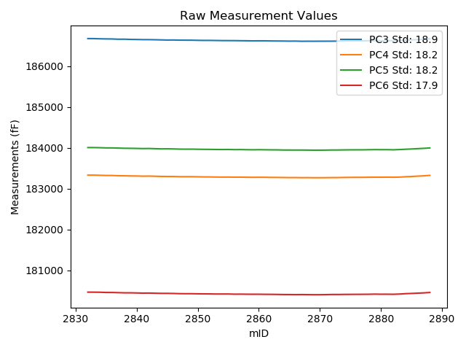
mTS | dos_ID | mID | PC1 | PC3 | PC4 | PC5 | PC6 | PC7 | TCPM | type | TC PC3 | TC PC4 | TC PC5 | TC PC6
2018-06-11 | VA00002981R | 2832 | 245622.8 | 186672.6 | 183331.7 | 184006 | 180469.2 | 88249.9 | 0 | raw | 186672.6 | 183331.7 | 184006 | 180469.2
2018-06-11 | VA00002981R | 2833 | 245657.1 | 186671.6 | 183331.7 | 184005.8 | 180468.2 | 88238.15 | 0 | raw | 186674.08024 | 183334.0845 | 184008.17844 | 180470.54517
2018-06-11 | VA00002981R | 2834 | 245705.4 | 186667.1 | 183327.5 | 184002.7 | 180466.5 | 88219.48 | 0 | raw | 186673.07282 | 183333.24228 | 184008.42767 | 180472.14755
2018-06-11 | VA00002981R | 2835 | 245738.7 | 186664.2 | 183323.3 | 183997.6 | 180461 | 88206.37 | 0 | raw | 186672.58075 | 183331.35726 | 184005.63676 | 180468.92435
2018-06-11 | VA00002981R | 2836 | 245777.4 | 186662.6 | 183323 | 183997.6 | 180460.6 | 88193.57 | 0 | raw | 186673.77915 | 183333.74765 | 184008.3203 | 180471.17036
2018-06-11 | VA00002981R | 2837 | 245818 | 186656.5 | 183317 | 183993.1 | 180456.2 | 88176.89 | 0 | raw | 186670.61494 | 183330.57013 | 184006.6356 | 180469.54628
2018-06-11 | VA00002981R | 2838 | 245846.6 | 186657.3 | 183315.2 | 183988.6 | 180452.2 | 88166.92 | 0 | raw | 186673.48301 | 183330.75837 | 184004.11878 | 180467.50173
2018-06-11 | VA00002981R | 2839 | 245884.3 | 186651.9 | 183312.3 | 183987.8 | 180452.3 | 88154.02 | 0 | raw | 186670.8091 | 183330.47924 | 184005.93298 | 180470.17936
2018-06-11 | VA00002981R | 2840 | 245919.8 | 186650.2 | 183310.5 | 183984.8 | 180449.1 | 88140.59 | 0 | raw | 186671.67611 | 183331.14717 | 184005.39463 | 180469.40658
2018-06-11 | VA00002981R | 2841 | 245962.8 | 186646.9 | 183306.4 | 183981.6 | 180444.9 | 88126.33 | 0 | raw | 186671.48545 | 183330.03649 | 184005.17635 | 180468.14659
2018-06-11 | VA00002981R | 2842 | 245981.8 | 186646.6 | 183308.1 | 183983.4 | 180446.5 | 88119.19 | 0 | raw | 186672.55934 | 183333.05735 | 184008.29385 | 180471.04566
2018-06-11 | VA00002981R | 2843 | 246013.5 | 186644 | 183304.3 | 183978.8 | 180442.7 | 88105.13 | 0 | raw | 186672.25157 | 183331.46111 | 184005.892 | 180469.41307
2018-06-11 | VA00002981R | 2844 | 246049 | 186640.3 | 183300.2 | 183974.2 | 180439 | 88092.23 | 0 | raw | 186671.11858 | 183329.82904 | 184003.75364 | 180468.14028
2018-06-11 | VA00002981R | 2845 | 246081.9 | 186636.6 | 183298.5 | 183975.2 | 180439 | 88079.96 | 0 | raw | 186669.79759 | 183330.41621 | 184007.035 | 180470.38973
2018-06-11 | VA00002981R | 2846 | 246103 | 186637.8 | 183297.9 | 183972.7 | 180436.6 | 88073.45 | 0 | raw | 186672.52333 | 183331.28307 | 184005.99812 | 180469.43239
2018-06-11 | VA00002981R | 2847 | 246136.4 | 186634.6 | 183293.7 | 183968.1 | 180432 | 88060.24 | 0 | raw | 186671.73849 | 183329.405 | 184003.71415 | 180467.11603
2018-06-11 | VA00002981R | 2848 | 246160.7 | 186633.4 | 183293.3 | 183966.7 | 180430.9 | 88050.58 | 0 | raw | 186672.29563 | 183330.69432 | 184003.99917 | 180467.67747
2018-06-11 | VA00002981R | 2849 | 246176.7 | 186633 | 183293.7 | 183967.5 | 180430.9 | 88044.4 | 0 | raw | 186673.05259 | 183332.20662 | 184005.90864 | 180468.77143
2018-06-11 | VA00002981R | 2850 | 246207.1 | 186629.6 | 183290.9 | 183964.8 | 180428.2 | 88033.8 | 0 | raw | 186671.85082 | 183331.52 | 184005.31665 | 180468.14995
2018-06-11 | VA00002981R | 2851 | 246226.8 | 186627.4 | 183288.2 | 183962.5 | 180426.4 | 88025.09 | 0 | raw | 186671.07533 | 183330.18953 | 184004.38269 | 180467.69688
2018-06-11 | VA00002981R | 2852 | 246247 | 186627.9 | 183287.5 | 183961.5 | 180425.6 | 88018.17 | 0 | raw | 186673.03599 | 183330.89382 | 184004.7834 | 180468.278
2018-06-11 | VA00002981R | 2853 | 246265.6 | 186625.6 | 183285 | 183959.1 | 180423 | 88012.5 | 0 | raw | 186672.08096 | 183329.68687 | 184003.67317 | 180466.94973
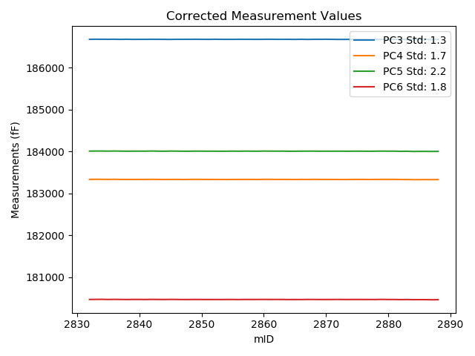
2018-06-11 | VA00002981R | 2854 | 246284.9 | 186623.2 | 183283.3 | 183958.2 | 180423.1 | 88003.48 | 0 | raw | 186671.07655 | 183329.32859 | 184004.11147 | 180468.36932
2018-06-11 | VA00002981R | 2855 | 246292.7 | 186623 | 183283.9 | 183959.4 | 180423.2 | 88001.59 | 0 | raw | 186671.44057 | 183330.47084 | 184005.85234 | 180469.00262
2018-06-11 | VA00002981R | 2856 | 246319.5 | 186622.2 | 183281.9 | 183955.6 | 180419.1 | 87991.63 | 0 | raw | 186672.57848 | 183330.33395 | 184003.91071 | 180466.735
2018-06-11 | VA00002981R | 2857 | 246340.3 | 186620.2 | 183282 | 183956.6 | 180420.2 | 87984.5 | 0 | raw | 186672.08253 | 183331.87995 | 184006.35303 | 180469.25714
2018-06-11 | VA00002981R | 2858 | 246356.8 | 186618.8 | 183280 | 183954.2 | 180418.2 | 87977.36 | 0 | raw | 186671.87565 | 183331.02701 | 184005.09717 | 180468.38529
2018-06-11 | VA00002981R | 2859 | 246375.5 | 186616.4 | 183277.6 | 183952 | 180417.5 | 87971.07 | 0 | raw | 186670.82785 | 183329.92702 | 184004.19387 | 180468.96385
2018-06-11 | VA00002981R | 2860 | 246387.3 | 186617.3 | 183279.3 | 183954.1 | 180417.9 | 87968.13 | 0 | raw | 186672.58111 | 183332.44734 | 184007.11211 | 180470.17064
2018-06-11 | VA00002981R | 2861 | 246397.8 | 186617.4 | 183278.7 | 183952.3 | 180415.5 | 87964.88 | 0 | raw | 186673.44036 | 183332.57729 | 184006.0402 | 180468.48855
2018-06-11 | VA00002981R | 2862 | 246417.4 | 186614.4 | 183275.6 | 183950.3 | 180415 | 87955.75 | 0 | raw | 186671.85764 | 183330.83987 | 184005.39931 | 180469.32865
2018-06-11 | VA00002981R | 2863 | 246434.8 | 186613.1 | 183275 | 183949.8 | 180413.2 | 87949.88 | 0 | raw | 186671.81584 | 183331.4495 | 184006.10587 | 180468.71833
2018-06-11 | VA00002981R | 2864 | 246450.2 | 186612.1 | 183273.2 | 183946.1 | 180410.3 | 87943.48 | 0 | raw | 186671.92942 | 183330.7201 | 184003.47373 | 180466.87126
2018-06-11 | VA00002981R | 2865 | 246459.5 | 186609.4 | 183270.8 | 183945.6 | 180409.9 | 87941.69 | 0 | raw | 186669.9019 | 183328.96662 | 184003.61862 | 180467.10712
2018-06-11 | VA00002981R | 2866 | 246482.5 | 186610.9 | 183272 | 183945.4 | 180408.4 | 87930.89 | 0 | raw | 186673.06503 | 183331.76556 | 184005.01349 | 180467.17969
2018-06-11 | VA00002981R | 2867 | 246497 | 186606.3 | 183269.2 | 183945.2 | 180409.7 | 87926.48 | 0 | raw | 186669.51353 | 183329.97359 | 184005.81895 | 180469.47109
2018-06-11 | VA00002981R | 2868 | 246514.8 | 186607.8 | 183270.4 | 183944.2 | 180408.1 | 87919.24 | 0 | raw | 186672.30065 | 183332.41103 | 184006.05324 | 180469.08811
2018-06-11 | VA00002981R | 2869 | 246520.6 | 186607.1 | 183268 | 183941.9 | 180406.3 | 87916.62 | 0 | raw | 186672.02005 | 183330.41424 | 184004.15543 | 180467.68467
2018-06-11 | VA00002981R | 2870 | 246525.1 | 186608.2 | 183268.2 | 183942.4 | 180406.6 | 87915.47 | 0 | raw | 186673.44545 | 183330.92708 | 184004.96747 | 180468.29235
2018-06-11 | VA00002981R | 2871 | 246494.1 | 186608.3 | 183269.3 | 183943.7 | 180408.7 | 87927.01 | 0 | raw | 186671.30383 | 183329.87198 | 184004.11786 | 180468.27281
2018-06-11 | VA00002981R | 2872 | 246465.6 | 186608.8 | 183271.1 | 183946.8 | 180412 | 87938.02 | 0 | raw | 186669.74299 | 183329.69069 | 184005.2416 | 180469.62419
2018-06-11 | VA00002981R | 2873 | 246447.7 | 186610.8 | 183271.7 | 183946.6 | 180411.5 | 87944.11 | 0 | raw | 186670.44864 | 183329.0463 | 184003.80038 | 180467.90033
2018-06-11 | VA00002981R | 2874 | 246421.6 | 186612.8 | 183274.9 | 183949.1 | 180413.8 | 87954.81 | 0 | raw | 186670.56135 | 183330.43185 | 184004.49055 | 180468.41581
2018-06-11 | VA00002981R | 2875 | 246413.3 | 186614.4 | 183276.3 | 183950.5 | 180414.4 | 87956.59 | 0 | raw | 186671.56117 | 183331.25484 | 184005.31501 | 180468.44832
2018-06-11 | VA00002981R | 2876 | 246396.3 | 186616.2 | 183277.6 | 183951 | 180415.5 | 87963.3 | 0 | raw | 186672.1319 | 183331.37302 | 184004.63619 | 180468.38599
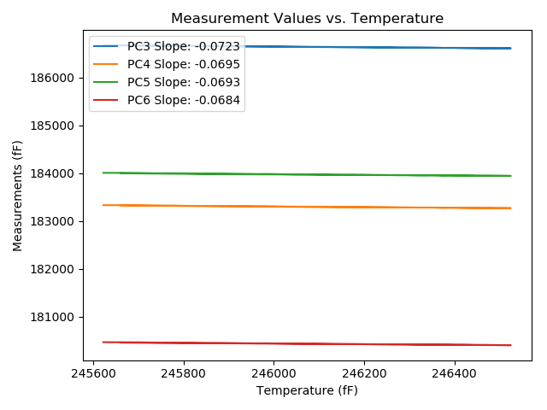
2018-06-11 | VA00002981R | 2877 | 246376.5 | 186616.6 | 183277 | 183951 | 180416.1 | 87970.65 | 0 | raw | 186671.10016 | 183329.39654 | 184003.26321 | 180467.63222
2018-06-11 | VA00002981R | 2878 | 246361.5 | 186619.5 | 183279.9 | 183953.6 | 180417.2 | 87975.68 | 0 | raw | 186672.91551 | 183331.25375 | 184004.82308 | 180467.70664
2018-06-11 | VA00002981R | 2879 | 246356.5 | 186618.3 | 183280.9 | 183955.8 | 180420.4 | 87977.47 | 0 | raw | 186671.35396 | 183331.90616 | 184006.67637 | 180470.56477
2018-06-11 | VA00002981R | 2880 | 246354.4 | 186619.6 | 183280.6 | 183954.3 | 180418 | 87976.84 | 0 | raw | 186672.5021 | 183331.46017 | 184005.03075 | 180468.02119
2018-06-11 | VA00002981R | 2881 | 246349.1 | 186621.3 | 183281.8 | 183955 | 180418.6 | 87979.98 | 0 | raw | 186673.81886 | 183332.29172 | 184005.36324 | 180468.25882
2018-06-11 | VA00002981R | 2882 | 246336.3 | 186621.3 | 183279.9 | 183951.7 | 180416.7 | 87983.87 | 0 | raw | 186672.89329 | 183329.50187 | 184001.17566 | 180465.48365
2018-06-11 | VA00002981R | 2883 | 246287.1 | 186621.6 | 183282.9 | 183957 | 180422.1 | 88005.69 | 0 | raw | 186669.63563 | 183329.08153 | 184003.06402 | 180467.51974
2018-06-11 | VA00002981R | 2884 | 246108 | 186633.9 | 183292 | 183964.6 | 180431.4 | 88070.2 | 0 | raw | 186668.98488 | 183325.73066 | 183998.24483 | 180464.57425
2018-06-11 | VA00002981R | 2885 | 246031.7 | 186639.6 | 183297.7 | 183971.4 | 180437.1 | 88095.8 | 0 | raw | 186669.16762 | 183326.12636 | 183999.75402 | 180465.05744
2018-06-11 | VA00002981R | 2886 | 245922.7 | 186648.3 | 183307 | 183979.3 | 180444.2 | 88134.3 | 0 | raw | 186669.98581 | 183327.84878 | 184000.09573 | 180464.70486
2018-06-11 | VA00002981R | 2887 | 245787.8 | 186656.6 | 183314.8 | 183987.2 | 180450.8 | 88182.03 | 0 | raw | 186668.53117 | 183326.27065 | 183998.64146 | 180462.08143
2018-06-11 | VA00002981R | 2888 | 245660.8 | 186666.7 | 183325.2 | 183996.9 | 180460.7 | 88227.77 | 0 | raw | 186669.44779 | 183327.84173 | 183999.535 | 180463.29815

VA00002976I
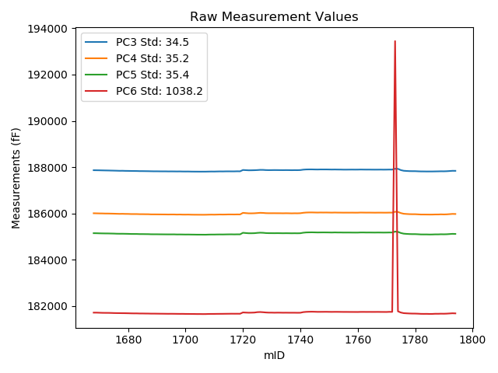
mTS | dos_ID | mID | PC1 | PC3 | PC4 | PC5 | PC6 | PC7 | TCPM | type | TC PC3 | TC PC4 | TC PC5 | TC PC6
2018-06-11 | VA00002976I | 1668 | 236461.8 | 187869.4 | 186010 | 185149.7 | 181719.2 | 90473.98 | 0 | raw | 187869.4 | 186010 | 185149.7 | 181719.2
2018-06-11 | VA00002976I | 1669 | 236486 | 187867.5 | 186007 | 185148 | 181718.9 | 90465.58 | 0 | raw | 187869.25468 | 186008.79335 | 185149.80916 | 181732.22215
2018-06-11 | VA00002976I | 1670 | 236516.6 | 187865.5 | 186003.6 | 185143.7 | 181714.7 | 90452.26 | 0 | raw | 187869.47341 | 186007.66098 | 185147.79677 | 181744.86752
2018-06-11 | VA00002976I | 1671 | 236558.2 | 187862.3 | 186002.3 | 185141 | 181710.5 | 90436.63 | 0 | raw | 187869.28972 | 186009.44377 | 185148.20672 | 181763.56841
2018-06-11 | VA00002976I | 1672 | 236584.5 | 187859.5 | 185998.4 | 185138.9 | 181708.6 | 90425.51 | 0 | raw | 187868.39667 | 186007.49275 | 185148.07287 | 181776.14662
2018-06-11 | VA00002976I | 1673 | 236617.9 | 187857.3 | 185998 | 185138.3 | 181708.2 | 90412.71 | 0 | raw | 187868.61842 | 186009.56787 | 185149.96981 | 181794.1334
2018-06-11 | VA00002976I | 1674 | 236642.7 | 187854.2 | 185995.1 | 185135.3 | 181705.6 | 90404.11 | 0 | raw | 187867.31661 | 186008.50569 | 185148.82382 | 181805.18585
2018-06-11 | VA00002976I | 1675 | 236682.7 | 187851.3 | 185992.1 | 185132.6 | 181701.2 | 90386.59 | 0 | raw | 187867.31691 | 186008.46991 | 185149.11416 | 181822.80594
2018-06-11 | VA00002976I | 1676 | 236710.9 | 187847.9 | 185988.1 | 185127.5 | 181699.1 | 90375.26 | 0 | raw | 187865.96162 | 186006.55969 | 185146.12235 | 181836.2301
2018-06-11 | VA00002976I | 1677 | 236742.9 | 187843.7 | 185984 | 185125.4 | 181697.7 | 90361.94 | 0 | raw | 187864.08186 | 186004.83106 | 185146.41462 | 181852.44618
2018-06-11 | VA00002976I | 1678 | 236766.9 | 187845.3 | 185986.6 | 185126 | 181695.9 | 90354.8 | 0 | raw | 187867.42204 | 186009.2096 | 185148.80883 | 181863.85823
2018-06-11 | VA00002976I | 1679 | 236790.1 | 187841.1 | 185982.6 | 185123.7 | 181694.6 | 90343.48 | 0 | raw | 187864.90422 | 186006.92884 | 185148.24322 | 181875.32988
2018-06-11 | VA00002976I | 1680 | 236823.6 | 187839.5 | 185981.3 | 185121.3 | 181692 | 90330.57 | 0 | raw | 187865.73322 | 186008.11138 | 185148.34763 | 181891.17171
2018-06-11 | VA00002976I | 1681 | 236853.9 | 187837.2 | 185976.3 | 185116.6 | 181688.3 | 90317.56 | 0 | raw | 187865.63019 | 186005.35678 | 185145.91282 | 181904.15192
2018-06-11 | VA00002976I | 1682 | 236885.1 | 187835.4 | 185975.7 | 185115.9 | 181686.1 | 90304.45 | 0 | raw | 187866.09243 | 186007.06887 | 185147.54528 | 181919.12759
2018-06-11 | VA00002976I | 1683 | 236911.5 | 187834.6 | 185975.6 | 185115.7 | 181686.3 | 90294.59 | 0 | raw | 187867.20663 | 186008.92525 | 185149.31891 | 181933.86085
2018-06-11 | VA00002976I | 1684 | 236929.8 | 187830.5 | 185970.8 | 185111.1 | 181682.1 | 90287.04 | 0 | raw | 187864.43351 | 186005.48138 | 185146.08699 | 181939.73504
2018-06-11 | VA00002976I | 1685 | 236941.1 | 187830.4 | 185970.8 | 185111.1 | 181682.1 | 90282.74 | 0 | raw | 187865.15285 | 186006.31878 | 185146.93176 | 181945.95572
2018-06-11 | VA00002976I | 1686 | 236966.3 | 187828.6 | 185968.8 | 185109.3 | 181679.9 | 90272.35 | 0 | raw | 187865.18004 | 186006.18624 | 185147.01568 | 181957.62837
2018-06-11 | VA00002976I | 1687 | 236981.7 | 187827.1 | 185968 | 185108.2 | 181678.9 | 90266.37 | 0 | raw | 187864.79665 | 186006.52746 | 185147.06696 | 181965.10611
2018-06-11 | VA00002976I | 1688 | 237004.5 | 187824.3 | 185962.3 | 185103.5 | 181675.9 | 90257.03 | 0 | raw | 187863.64983 | 186002.51707 | 185144.07145 | 181974.65756
2018-06-11 | VA00002976I | 1689 | 237023.5 | 187822.1 | 185962.3 | 185102.9 | 181675.7 | 90248.85 | 0 | raw | 187862.82747 | 186003.92507 | 185144.89186 | 181984.9171
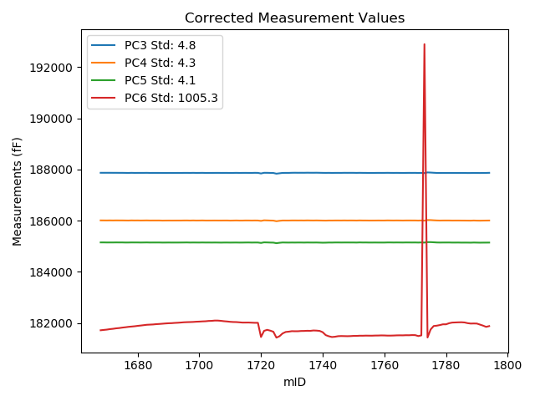
2018-06-11 | VA00002976I | 1690 | 237040.4 | 187822.4 | 185961.7 | 185102.9 | 181674.4 | 90243.82 | 0 | raw | 187864.35284 | 186004.57746 | 185146.15528 | 181992.92059
2018-06-11 | VA00002976I | 1691 | 237049.9 | 187820.6 | 185960.5 | 185101 | 181672.7 | 90238.78 | 0 | raw | 187863.24167 | 186004.08146 | 185144.96549 | 181996.45036
2018-06-11 | VA00002976I | 1692 | 237069 | 187819.7 | 185959.4 | 185100 | 181671.9 | 90229.97 | 0 | raw | 187863.72656 | 186004.39687 | 185145.39338 | 182006.16495
2018-06-11 | VA00002976I | 1693 | 237083.6 | 187819.8 | 185958.8 | 185098.9 | 181670.2 | 90223.99 | 0 | raw | 187864.88517 | 186004.87881 | 185145.38485 | 182012.50228
2018-06-11 | VA00002976I | 1694 | 237102.4 | 187817.5 | 185957 | 185098.2 | 181668.6 | 90216.54 | 0 | raw | 187863.94831 | 186004.472 | 185146.09031 | 182021.25173
2018-06-11 | VA00002976I | 1695 | 237117.6 | 187818.3 | 185958.2 | 185098.2 | 181669.9 | 90211.09 | 0 | raw | 187865.85042 | 186006.7984 | 185147.22664 | 182030.91936
2018-06-11 | VA00002976I | 1696 | 237129.9 | 187817.5 | 185958 | 185099 | 181668.6 | 90205.74 | 0 | raw | 187865.94227 | 186007.5099 | 185148.94617 | 182036.39054
2018-06-11 | VA00002976I | 1697 | 237138.8 | 187815.6 | 185954.1 | 185094.6 | 181666.9 | 90201.75 | 0 | raw | 187864.68758 | 186004.26944 | 185145.21152 | 182039.59001
2018-06-11 | VA00002976I | 1698 | 237149.7 | 187817.2 | 185956.8 | 185095.5 | 181665.6 | 90197.03 | 0 | raw | 187867.07792 | 186007.77719 | 185146.92639 | 182044.29048
2018-06-11 | VA00002976I | 1699 | 237164.6 | 187813.8 | 185952.6 | 185093.8 | 181666.2 | 90191.68 | 0 | raw | 187864.75828 | 186004.68136 | 185146.34029 | 182053.09296
2018-06-11 | VA00002976I | 1700 | 237178.3 | 187813.3 | 185952.1 | 185091.7 | 181663.6 | 90185.07 | 0 | raw | 187865.25163 | 186005.19661 | 185145.26448 | 182058.03484
2018-06-11 | VA00002976I | 1701 | 237193.9 | 187813.8 | 185953.7 | 185092.8 | 181662.9 | 90179.82 | 0 | raw | 187866.88275 | 186007.95265 | 185147.53072 | 182065.92268
2018-06-11 | VA00002976I | 1702 | 237205.2 | 187810.3 | 185949.6 | 185090.1 | 181661.5 | 90174.06 | 0 | raw | 187864.20208 | 186004.69005 | 185145.67549 | 182070.74335
2018-06-11 | VA00002976I | 1703 | 237228.7 | 187809 | 185947.8 | 185088.8 | 181660.7 | 90165.14 | 0 | raw | 187864.60601 | 186004.63153 | 185146.13231 | 182082.88016
2018-06-11 | VA00002976I | 1704 | 237239 | 187808.5 | 185947.3 | 185086.7 | 181658.8 | 90160.84 | 0 | raw | 187864.85284 | 186004.89481 | 185144.80233 | 182086.65033
2018-06-11 | VA00002976I | 1705 | 237259.8 | 187807.7 | 185946.7 | 185086.5 | 181659.1 | 90152.13 | 0 | raw | 187865.56099 | 186005.83621 | 185146.1573 | 182098.40078
2018-06-11 | VA00002976I | 1706 | 237261.6 | 187808.1 | 185945.7 | 185085.6 | 181657.2 | 90152.34 | 0 | raw | 187866.09151 | 186004.9696 | 185145.39187 | 182097.49168
2018-06-11 | VA00002976I | 1707 | 237242.1 | 187808.3 | 185946.7 | 185084.7 | 181657.9 | 90159.58 | 0 | raw | 187864.87761 | 186004.52454 | 185143.03408 | 182087.45689
2018-06-11 | VA00002976I | 1708 | 237208.3 | 187811.1 | 185950.3 | 185089.5 | 181662.1 | 90174.06 | 0 | raw | 187865.22686 | 186005.61977 | 185145.30724 | 182073.04991
2018-06-11 | VA00002976I | 1709 | 237185.9 | 187813.2 | 185952.4 | 185091.7 | 181663.8 | 90181.71 | 0 | raw | 187865.70269 | 186006.05981 | 185145.83265 | 182062.41866
2018-06-11 | VA00002976I | 1710 | 237161.8 | 187812.1 | 185950.5 | 185091.5 | 181664.2 | 90190.84 | 0 | raw | 187862.85526 | 186002.37387 | 185143.83097 | 182049.55156
2018-06-11 | VA00002976I | 1711 | 237144 | 187815.3 | 185953.9 | 185094.2 | 181666.1 | 90197.34 | 0 | raw | 187864.76462 | 186004.45479 | 185145.20027 | 182041.65262
2018-06-11 | VA00002976I | 1712 | 237137.7 | 187817.9 | 185956.9 | 185095.5 | 181666.9 | 90200.28 | 0 | raw | 187866.90783 | 186006.98792 | 185146.02929 | 182038.98445
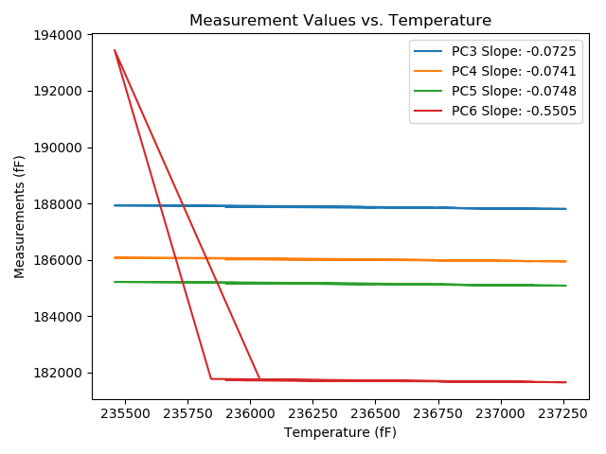
2018-06-11 | VA00002976I | 1713 | 237118.9 | 187816.6 | 185954.8 | 185094.6 | 181667.8 | 90207.52 | 0 | raw | 187864.24468 | 186003.49474 | 185143.72383 | 182029.53501
2018-06-11 | VA00002976I | 1714 | 237097.2 | 187819.6 | 185956.8 | 185097.1 | 181669.5 | 90217.7 | 0 | raw | 187865.67127 | 186003.88665 | 185144.60157 | 182019.28911
2018-06-11 | VA00002976I | 1715 | 237096.1 | 187820.3 | 185959.9 | 185099.4 | 181670.7 | 90215.7 | 0 | raw | 187866.29151 | 186006.90513 | 185146.81933 | 182019.88356
2018-06-11 | VA00002976I | 1716 | 237094.4 | 187819.3 | 185959.4 | 185100.3 | 181672.4 | 90216.86 | 0 | raw | 187865.16825 | 186006.27915 | 185147.59224 | 182020.64771
2018-06-11 | VA00002976I | 1717 | 237086.4 | 187819.3 | 185958.2 | 185097.9 | 181671.5 | 90219.16 | 0 | raw | 187864.58819 | 186004.48631 | 185144.59417 | 182015.34369
2018-06-11 | VA00002976I | 1718 | 237076.3 | 187823.2 | 185961 | 185100.5 | 181671.9 | 90223.36 | 0 | raw | 187867.75586 | 186006.53784 | 185146.43911 | 182010.18362
2018-06-11 | VA00002976I | 1719 | 237077.9 | 187821.2 | 185959.6 | 185100 | 181671.2 | 90221.58 | 0 | raw | 187865.87188 | 186005.25641 | 185146.05873 | 182010.36442
2018-06-11 | VA00002976I | 1720 | 235966.8 | 187878.7 | 186027.6 | 185167.4 | 181727.6 | 90630.49 | 0 | raw | 187842.80878 | 185990.91777 | 185130.39453 | 181455.1014
2018-06-11 | VA00002976I | 1721 | 236416.7 | 187872.3 | 186016.7 | 185155.9 | 181720.9 | 90467.89 | 0 | raw | 187869.02991 | 186013.35784 | 185152.52839 | 181696.07235
2018-06-11 | VA00002976I | 1722 | 236498 | 187865.4 | 186006.7 | 185146.6 | 181716 | 90446.28 | 0 | raw | 187868.02477 | 186009.38262 | 185149.30626 | 181735.92818
2018-06-11 | VA00002976I | 1723 | 236436.9 | 187866.7 | 186006.4 | 185146.4 | 181718.3 | 90472.51 | 0 | raw | 187864.89456 | 186004.55477 | 185144.53851 | 181704.59249
2018-06-11 | VA00002976I | 1724 | 236352.3 | 187870.3 | 186010.2 | 185150.2 | 181722.7 | 90506.92 | 1 | raw | 187862.36043 | 186002.08545 | 185142.01394 | 181662.42001
2018-06-11 | VA00002976I | 1725 | 235900.9 | 187875.3 | 186019.1 | 185162.4 | 181739.7 | 90716.09 | 1 | raw | 187834.63054 | 185977.53421 | 185120.46794 | 181430.9233
2018-06-11 | VA00002976I | 1726 | 235992.2 | 187884.3 | 186029.1 | 185171.3 | 181745.3 | 90661.02 | 0 | raw | 187850.25047 | 185994.30005 | 185136.1934 | 181486.78415
2018-06-11 | VA00002976I | 1727 | 236204.3 | 187883.2 | 186024.7 | 185166.7 | 181736.7 | 90569.54 | 0 | raw | 187864.52932 | 186005.61783 | 185147.44968 | 181594.94568
2018-06-11 | VA00002976I | 1728 | 236328.6 | 187875.6 | 186014.8 | 185155.3 | 181725.7 | 90519.19 | 0 | raw | 187865.942 | 186004.92914 | 185145.34216 | 181652.3731
2018-06-11 | VA00002976I | 1729 | 236362.8 | 187872.7 | 186012 | 185151.4 | 181719.7 | 90507.13 | 0 | raw | 187865.52176 | 186004.66355 | 185143.99891 | 181665.20028
2018-06-11 | VA00002976I | 1730 | 236397.2 | 187874.1 | 186012.4 | 185150.6 | 181719.5 | 90493.28 | 0 | raw | 187869.41601 | 186007.61278 | 185145.7706 | 181683.93756
2018-06-11 | VA00002976I | 1731 | 236397.2 | 187875.9 | 186012.6 | 185149.6 | 181716.4 | 90493.7 | 0 | raw | 187871.21601 | 186007.81278 | 185144.7706 | 181680.83756
2018-06-11 | VA00002976I | 1732 | 236394.2 | 187874.6 | 186011.6 | 185151.5 | 181718.9 | 90493.7 | 0 | raw | 187869.69849 | 186006.59047 | 185146.44632 | 181681.68605
2018-06-11 | VA00002976I | 1733 | 236413 | 187873.6 | 186011.2 | 185149.7 | 181718.1 | 90486.98 | 0 | raw | 187870.06163 | 186007.58365 | 185146.05178 | 181691.23549
2018-06-11 | VA00002976I | 1734 | 236420.7 | 187872.7 | 186009.1 | 185147.3 | 181715.6 | 90483 | 0 | raw | 187869.71994 | 186006.05426 | 185144.22742 | 181692.97436
2018-06-11 | VA00002976I | 1735 | 236430.2 | 187874.4 | 186011.9 | 185149.6 | 181716.7 | 90475.34 | 0 | raw | 187872.10876 | 186009.55827 | 185147.23763 | 181699.30413
2018-06-11 | VA00002976I | 1736 | 236428.1 | 187873.1 | 186009.7 | 185148 | 181715.2 | 90477.75 | 0 | raw | 187870.6565 | 186007.20264 | 185145.48064 | 181696.64807
2018-06-11 | VA00002976I | 1737 | 236453.7 | 187870.9 | 186006.7 | 185145.8 | 181715.3 | 90467.68 | 0 | raw | 187870.31269 | 186006.09975 | 185145.19446 | 181710.84093
2018-06-11 | VA00002976I | 1738 | 236445.5 | 187873 | 186009.7 | 185147.7 | 181715 | 90470.09 | 0 | raw | 187871.81813 | 186008.49208 | 185146.48144 | 181706.02681
2018-06-11 | VA00002976I | 1739 | 236427.7 | 187871.8 | 186008.3 | 185145.6 | 181713.2 | 90475.44 | 0 | raw | 187869.32749 | 186005.773 | 185143.05073 | 181694.42787
2018-06-11 | VA00002976I | 1740 | 236333.9 | 187876 | 186013 | 185148.6 | 181714.4 | 90514.68 | 2 | raw | 187866.72629 | 186003.5219 | 185139.03838 | 181643.99077
2018-06-11 | VA00002976I | 1741 | 236075.9 | 187893.7 | 186030.7 | 185170.1 | 181741.2 | 90623.25 | 0 | raw | 187865.71935 | 186002.10268 | 185141.25069 | 181528.76119
2018-06-11 | VA00002976I | 1742 | 235975.3 | 187902.1 | 186041.4 | 185181.9 | 181752.6 | 90657.03 | 1 | raw | 187866.8251 | 186005.34766 | 185145.52998 | 181484.78067
2018-06-11 | VA00002976I | 1743 | 235912.7 | 187904.5 | 186045.6 | 185185.5 | 181757.5 | 90684.52 | 0 | raw | 187864.68613 | 186004.90866 | 185144.45009 | 181455.21923
2018-06-11 | VA00002976I | 1744 | 235928.9 | 187904.6 | 186046.1 | 185187.4 | 181759.6 | 90677.49 | 0 | raw | 187865.96075 | 186006.60917 | 185147.56118 | 181466.23736
2018-06-11 | VA00002976I | 1745 | 235973.5 | 187901.7 | 186043.1 | 185184.5 | 181756.9 | 90658.82 | 0 | raw | 187866.29458 | 186006.91427 | 185147.99541 | 181488.08976
2018-06-11 | VA00002976I | 1746 | 235991.6 | 187899.8 | 186040.6 | 185181.4 | 181752.6 | 90652.1 | 0 | raw | 187865.70697 | 186005.75558 | 185146.24854 | 181493.75385
2018-06-11 | VA00002976I | 1747 | 235985.1 | 187902.9 | 186043.6 | 185183 | 181753.2 | 90654.62 | 0 | raw | 187868.33567 | 186008.2739 | 185147.36261 | 181490.77559
2018-06-11 | VA00002976I | 1748 | 235978.2 | 187902.6 | 186041.8 | 185183.6 | 181753.9 | 90657.03 | 0 | raw | 187867.53537 | 186005.96257 | 185147.44678 | 181487.67712
2018-06-11 | VA00002976I | 1749 | 235983 | 187902.6 | 186042.7 | 185182.7 | 181754.9 | 90654.62 | 0 | raw | 187867.8834 | 186007.21828 | 185146.90562 | 181491.31953
2018-06-11 | VA00002976I | 1750 | 236001.1 | 187901 | 186040.9 | 185181.5 | 181752.8 | 90648.54 | 0 | raw | 187867.59579 | 186006.75959 | 185147.05875 | 181499.18362
2018-06-11 | VA00002976I | 1751 | 236004.4 | 187898.8 | 186038.5 | 185179.2 | 181751.4 | 90647.7 | 0 | raw | 187865.63507 | 186004.60413 | 185145.00545 | 181499.60028
2018-06-11 | VA00002976I | 1752 | 236014 | 187900.4 | 186041.9 | 185183.4 | 181753.2 | 90645.18 | 0 | raw | 187867.93114 | 186008.71555 | 185149.92313 | 181506.6851
2018-06-11 | VA00002976I | 1753 | 236013.5 | 187898.4 | 186039.1 | 185180.2 | 181752.8 | 90645.18 | 0 | raw | 187865.89488 | 186005.87849 | 185146.68575 | 181506.00985
2018-06-11 | VA00002976I | 1754 | 236023.7 | 187897.6 | 186038.5 | 185180.6 | 181751.2 | 90639.83 | 0 | raw | 187865.83446 | 186006.03437 | 185147.84829 | 181510.02497
2018-06-11 | VA00002976I | 1755 | 236023.4 | 187894.9 | 186036.7 | 185178.2 | 181749.7 | 90638.78 | 0 | raw | 187863.11271 | 186004.21214 | 185145.42586 | 181508.35982
2018-06-11 | VA00002976I | 1756 | 236022.5 | 187894.7 | 186037.2 | 185178 | 181749.6 | 90639.41 | 0 | raw | 187862.84745 | 186004.64544 | 185145.15858 | 181507.76437
2018-06-11 | VA00002976I | 1757 | 236033.4 | 187896 | 186036.7 | 185178.5 | 181748.7 | 90634.58 | 0 | raw | 187864.93778 | 186004.95319 | 185146.47345 | 181512.86485
2018-06-11 | VA00002976I | 1758 | 236036.3 | 187897 | 186037.8 | 185177.1 | 181748.2 | 90634.16 | 0 | raw | 187866.14805 | 186006.2681 | 185145.29025 | 181513.9613
2018-06-11 | VA00002976I | 1759 | 236045.4 | 187895.7 | 186036 | 185176.1 | 181747.4 | 90630.6 | 0 | raw | 187865.50787 | 186005.14246 | 185144.97055 | 181518.17087
2018-06-11 | VA00002976I | 1760 | 236042.5 | 187896.3 | 186036.3 | 185176.3 | 181747.1 | 90631.65 | 0 | raw | 187865.8976 | 186005.22755 | 185144.95375 | 181516.27442
2018-06-11 | VA00002976I | 1761 | 236026.7 | 187899.1 | 186041.4 | 185181.3 | 181750.4 | 90635 | 0 | raw | 187867.55198 | 186009.15669 | 185148.77257 | 181510.87648
2018-06-11 | VA00002976I | 1762 | 236025.4 | 187897.6 | 186039.6 | 185181.3 | 181750.8 | 90638.68 | 0 | raw | 187865.95772 | 186007.26035 | 185148.67538 | 181510.56083
2018-06-11 | VA00002976I | 1763 | 236033.9 | 187896.3 | 186037.9 | 185178.6 | 181749.5 | 90634.37 | 0 | raw | 187865.27404 | 186006.19025 | 185146.61083 | 181513.9401
2018-06-11 | VA00002976I | 1764 | 236042.8 | 187896.7 | 186038.8 | 185179.7 | 181750.3 | 90632.17 | 0 | raw | 187866.31935 | 186007.74979 | 185148.37618 | 181519.63957
2018-06-11 | VA00002976I | 1765 | 236047.6 | 187895.1 | 186037.1 | 185178.3 | 181749.7 | 90628.5 | 0 | raw | 187865.06739 | 186006.40549 | 185147.33502 | 181521.68198
2018-06-11 | VA00002976I | 1766 | 236045.4 | 187894.5 | 186035.6 | 185177.2 | 181749.6 | 90629.34 | 0 | raw | 187864.30787 | 186004.74246 | 185146.07055 | 181520.37087
2018-06-11 | VA00002976I | 1767 | 236053.4 | 187894.7 | 186037.1 | 185179.1 | 181750.8 | 90626.3 | 0 | raw | 187865.08793 | 186006.8353 | 185148.56862 | 181525.97489
2018-06-11 | VA00002976I | 1768 | 236053.8 | 187896.1 | 186037.5 | 185178.4 | 181749.1 | 90625.88 | 0 | raw | 187866.51694 | 186007.26495 | 185147.89852 | 181524.49509
2018-06-11 | VA00002976I | 1769 | 236067.1 | 187894.3 | 186035.9 | 185176.4 | 181748.3 | 90621.16 | 0 | raw | 187865.68129 | 186006.65055 | 185146.89281 | 181531.01677
2018-06-11 | VA00002976I | 1770 | 236064.6 | 187895.5 | 186036 | 185177.7 | 181747.7 | 90622.42 | 0 | raw | 187866.70002 | 186006.56529 | 185148.00591 | 181529.04052
2018-06-11 | VA00002976I | 1771 | 235989.2 | 187897.7 | 186038.5 | 185180.3 | 181753.1 | 90652.21 | 0 | raw | 187863.43295 | 186003.47773 | 185144.96912 | 181492.93265
2018-06-11 | VA00002976I | 1772 | 236038.5 | 187896.8 | 186038.1 | 185180.1 | 181752 | 90632.49 | 0 | raw | 187866.10757 | 186006.73113 | 185148.45472 | 181518.97241
2018-06-11 | VA00002976I | 1773 | 235457 | 187930.8 | 186075.2 | 185218.6 | 193444.6 | 90837.15 | 3 | raw | 187857.94445 | 186000.73877 | 185143.48263 | 192891.45536
2018-06-11 | VA00002976I | 1774 | 235842.8 | 187928.5 | 186068.3 | 185207.7 | 181775.9 | 90700.67 | 0 | raw | 187883.61785 | 186022.42868 | 185161.42447 | 181435.13912
2018-06-11 | VA00002976I | 1775 | 236507.4 | 187874.7 | 186018.5 | 185158.1 | 181724 | 90432.96 | 1 | raw | 187878.00634 | 186021.87921 | 185161.50899 | 181749.1029
2018-06-11 | VA00002976I | 1776 | 236803.7 | 187845.6 | 185988.6 | 185129.5 | 181697 | 90324.59 | 0 | raw | 187870.39032 | 186013.93668 | 185155.05994 | 181885.21671
2018-06-11 | VA00002976I | 1777 | 236842.5 | 187836.7 | 185979.5 | 185119.3 | 181689.2 | 90314.94 | 0 | raw | 187864.30361 | 186007.71197 | 185147.76057 | 181898.7762
2018-06-11 | VA00002976I | 1778 | 236898 | 187830.2 | 185971.8 | 185112.5 | 181682.4 | 90293.75 | 0 | raw | 187861.82778 | 186004.12483 | 185145.10967 | 181922.52907
2018-06-11 | VA00002976I | 1779 | 236957.6 | 187828.3 | 185969.2 | 185109.4 | 181678.6 | 90269.62 | 0 | raw | 187864.24922 | 186005.94152 | 185146.46528 | 181951.539
2018-06-11 | VA00002976I | 1780 | 236959.5 | 187827.9 | 185969.5 | 185109.5 | 181677.8 | 90264.38 | 1 | raw | 187863.98699 | 186006.38232 | 185146.70732 | 181951.78496
2018-06-11 | VA00002976I | 1781 | 237044.8 | 187822 | 185963 | 185103.6 | 181673.4 | 90231.54 | 0 | raw | 187864.27188 | 186006.20352 | 185147.18422 | 181994.3428
2018-06-11 | VA00002976I | 1782 | 237102.2 | 187817.3 | 185956.4 | 185096.4 | 181666.7 | 90210.14 | 0 | raw | 187863.73381 | 186003.85718 | 185144.27536 | 182019.24163
2018-06-11 | VA00002976I | 1783 | 237114.3 | 187816.7 | 185956.2 | 185095.7 | 181665.1 | 90206.68 | 0 | raw | 187864.01115 | 186004.55385 | 185144.47994 | 182024.3027
2018-06-11 | VA00002976I | 1784 | 237121.4 | 187814.7 | 185955.6 | 185096.1 | 181666.3 | 90202.8 | 0 | raw | 187862.52595 | 186004.48 | 185145.41072 | 182029.41127
2018-06-11 | VA00002976I | 1785 | 237132.3 | 187815.3 | 185954 | 185092.5 | 181662.8 | 90198.18 | 0 | raw | 187863.91629 | 186003.68775 | 185142.62559 | 182031.91174
2018-06-11 | VA00002976I | 1786 | 237116.5 | 187815.4 | 185954.6 | 185094.4 | 181663.9 | 90206.37 | 0 | raw | 187862.87067 | 186003.11689 | 185143.34441 | 182024.31381
2018-06-11 | VA00002976I | 1787 | 237054.7 | 187817.9 | 185958.2 | 185098.8 | 181670.3 | 90230.07 | 0 | raw | 187860.8897 | 186002.13716 | 185143.12433 | 181996.69277
2018-06-11 | VA00002976I | 1788 | 237026.6 | 187820.1 | 185958.7 | 185098.7 | 181669.9 | 90241.4 | 0 | raw | 187861.05224 | 186000.5548 | 185140.92361 | 181980.82366
2018-06-11 | VA00002976I | 1789 | 237026.7 | 187823.2 | 185963.5 | 185103.4 | 181673.5 | 90238.05 | 0 | raw | 187864.15949 | 186005.36221 | 185145.63109 | 181984.47871
2018-06-11 | VA00002976I | 1790 | 237023.5 | 187821.9 | 185959.9 | 185101.2 | 181671.8 | 90236.79 | 0 | raw | 187862.62747 | 186001.52507 | 185143.19186 | 181981.0171
2018-06-11 | VA00002976I | 1791 | 236942.4 | 187826.2 | 185963.8 | 185104.4 | 181676.1 | 90270.46 | 0 | raw | 187861.04711 | 185999.41511 | 185140.32895 | 181940.67137
2018-06-11 | VA00002976I | 1792 | 236855.2 | 187834.4 | 185972.8 | 185112.8 | 181683.9 | 90302.56 | 0 | raw | 187862.92445 | 186001.95311 | 185142.21 | 181900.46758
2018-06-11 | VA00002976I | 1793 | 236753.3 | 187843.4 | 185982.2 | 185121.1 | 181691.6 | 90340.75 | 0 | raw | 187864.53594 | 186003.80176 | 185142.89211 | 181852.0714
2018-06-11 | VA00002976I | 1794 | 236816.9 | 187842.3 | 185978.9 | 185117.3 | 181686.6 | 90312.32 | 0 | raw | 187868.04742 | 186005.21487 | 185143.84675 | 181882.08334

