VA00002980T
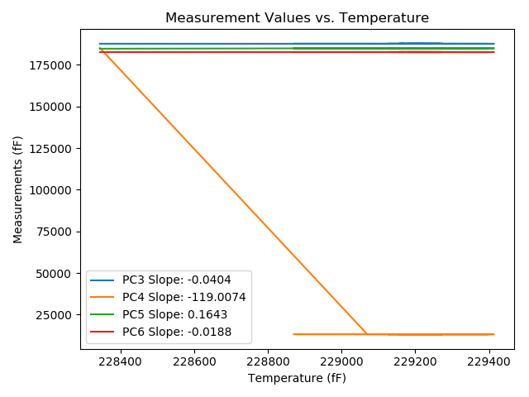
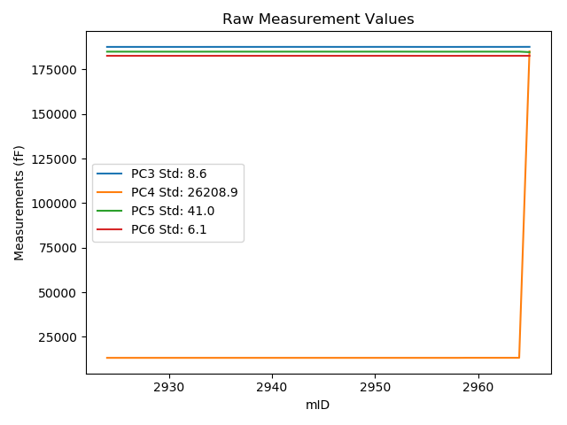
mTS | dos_ID | mID | PC1 | PC3 | PC4 | PC5 | PC6 | PC7 | TCPM | type | TC PC3 | TC PC4 | TC PC5 | TC PC6
2018-06-11 | VA00002980T | 2924 | 229283.5 | 187637.9 | 13206.9 | 184954.1 | 182646.8 | 90743.79 | 0 | raw | 187637.9 | 13206.9 | 184954.1 | 182646.8
2018-06-11 | VA00002980T | 2925 | 229310.7 | 187638.7 | 13206.7 | 184953.5 | 182645 | 90734.03 | 0 | raw | 187639.79974 | 16443.700763 | 184949.03206 | 182645.51134
2018-06-11 | VA00002980T | 2926 | 229325 | 187635.1 | 13206.5 | 184950.9 | 182642.9 | 90726.9 | 0 | raw | 187636.77791 | 18145.306312 | 184944.0831 | 182643.68017
2018-06-11 | VA00002980T | 2927 | 229345 | 187635.1 | 13206.6 | 184951 | 182642.5 | 90719.03 | 0 | raw | 187637.58654 | 20525.553932 | 184940.89785 | 182643.65615
2018-06-11 | VA00002980T | 2928 | 229373.3 | 187631.7 | 13206.4 | 184947.9 | 182639.6 | 90707.81 | 0 | raw | 187635.33075 | 23893.262815 | 184933.14922 | 182641.28817
2018-06-11 | VA00002980T | 2929 | 229392.3 | 187629.5 | 13206.2 | 184946.6 | 182639 | 90700.04 | 0 | raw | 187633.89894 | 26154.203054 | 184928.72823 | 182641.04536
2018-06-11 | VA00002980T | 2930 | 229397.3 | 187630.8 | 13206.7 | 184946.1 | 182638.3 | 90698.05 | 0 | raw | 187635.4011 | 26749.739959 | 184927.40691 | 182640.43935
2018-06-11 | VA00002980T | 2931 | 229392.9 | 187630 | 13206.5 | 184945.9 | 182638.1 | 90699.21 | 0 | raw | 187634.4232 | 26225.907483 | 184927.92967 | 182640.15664
2018-06-11 | VA00002980T | 2932 | 229390.3 | 187628.9 | 13207 | 184944.5 | 182637.5 | 90696.58 | 0 | raw | 187633.21808 | 25916.988292 | 184926.95675 | 182639.50776
2018-06-11 | VA00002980T | 2933 | 229375.9 | 187628.3 | 13206.8 | 184944.7 | 182637.7 | 90704.14 | 0 | raw | 187632.03587 | 24203.082005 | 184929.52213 | 182639.43705
2018-06-11 | VA00002980T | 2934 | 229290.2 | 187638.6 | 13207.1 | 184953.4 | 182643.3 | 90735.71 | 0 | raw | 187638.87089 | 14004.449453 | 184952.29944 | 182643.42595
2018-06-11 | VA00002980T | 2935 | 229233.7 | 187641.8 | 13207.1 | 184958.3 | 182649.1 | 90755.75 | 0 | raw | 187639.78651 | 7280.5324257 | 184966.48028 | 182648.1638
2018-06-11 | VA00002980T | 2936 | 229215.9 | 187646.7 | 13207.4 | 184961.1 | 182651 | 90762.99 | 0 | raw | 187643.96683 | 5162.5010437 | 184972.20415 | 182649.72917
2018-06-11 | VA00002980T | 2937 | 229275 | 187641.2 | 13207 | 184957.8 | 182648 | 90740.22 | 0 | raw | 187640.85633 | 12195.437261 | 184959.19623 | 182647.84021
2018-06-11 | VA00002980T | 2938 | 229253.9 | 187639.9 | 13207.4 | 184956.9 | 182648.9 | 90749.45 | 0 | raw | 187638.70323 | 9684.7815221 | 184961.76217 | 182648.34354
2018-06-11 | VA00002980T | 2939 | 229266.7 | 187644.1 | 13207.2 | 184956.9 | 182646.7 | 90745.57 | 0 | raw | 187643.42075 | 11207.875999 | 184959.65961 | 182646.38417
2018-06-11 | VA00002980T | 2940 | 229243.2 | 187641.8 | 13207.3 | 184955.8 | 182646.5 | 90752.81 | 0 | raw | 187640.17061 | 8411.3025453 | 184962.41978 | 182645.74239
2018-06-11 | VA00002980T | 2941 | 229202.8 | 187646.5 | 13207.6 | 184959.3 | 182649.6 | 90768.02 | 0 | raw | 187643.23718 | 3603.7043524 | 184972.55599 | 182648.0829
2018-06-11 | VA00002980T | 2942 | 229178.4 | 187649.8 | 13207.6 | 184961.5 | 182650.8 | 90776.94 | 0 | raw | 187645.55065 | 699.92425579 | 184978.764 | 182648.8242
2018-06-11 | VA00002980T | 2943 | 229252.2 | 187643.1 | 13207.4 | 184960.3 | 182650.7 | 90753.13 | 0 | raw | 187641.8345 | 9482.4689744 | 184965.44142 | 182650.11158
2018-06-11 | VA00002980T | 2944 | 229155 | 187648.6 | 13207.9 | 184961.9 | 182653.3 | 90788.16 | 0 | raw | 187643.40456 | -2084.5484599 | 184983.00775 | 182650.8843
2018-06-11 | VA00002980T | 2945 | 229166.5 | 187651.5 | 13207.8 | 184964.7 | 182654 | 90782.92 | 0 | raw | 187646.76952 | -716.06357824 | 184983.91873 | 182651.80049
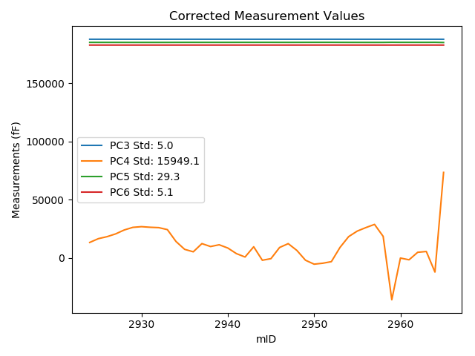
2018-06-11 | VA00002980T | 2946 | 229247.1 | 187643.8 | 13207.3 | 184957.5 | 182648.3 | 90750.08 | 0 | raw | 187642.32829 | 8875.4313312 | 184963.47916 | 182647.61571
2018-06-11 | VA00002980T | 2947 | 229274.8 | 187642.9 | 13207.2 | 184956.2 | 182647 | 90740.33 | 0 | raw | 187642.54825 | 12171.835785 | 184957.62908 | 182646.83645
2018-06-11 | VA00002980T | 2948 | 229226 | 187641.5 | 13207.4 | 184959.5 | 182650.4 | 90758.06 | 0 | raw | 187639.17519 | 6364.4755919 | 184968.9451 | 182649.31904
2018-06-11 | VA00002980T | 2949 | 229155.2 | 187647.3 | 13207.5 | 184962.4 | 182653.2 | 90789.53 | 0 | raw | 187642.11264 | -2061.1469837 | 184983.4749 | 182650.78806
2018-06-11 | VA00002980T | 2950 | 229126.7 | 187652.3 | 13208.1 | 184965.3 | 182656 | 90797.4 | 0 | raw | 187645.96035 | -5452.2573425 | 184991.05638 | 182653.05228
2018-06-11 | VA00002980T | 2951 | 229133.5 | 187654.5 | 13208.2 | 184968.5 | 182658.1 | 90794.25 | 0 | raw | 187648.43528 | -4642.9071516 | 184993.13939 | 182655.28011
2018-06-11 | VA00002980T | 2952 | 229144.9 | 187655.3 | 13208.2 | 184967.9 | 182656.8 | 90790.05 | 0 | raw | 187649.6962 | -3286.2230081 | 184990.6668 | 182654.19442
2018-06-11 | VA00002980T | 2953 | 229247.6 | 187644.6 | 13207.5 | 184960.9 | 182650.9 | 90754.07 | 0 | raw | 187643.14851 | 8935.1350217 | 184966.79703 | 182650.22511
2018-06-11 | VA00002980T | 2954 | 229325.4 | 187637.9 | 13207.3 | 184953.3 | 182644.8 | 90724.49 | 0 | raw | 187639.59408 | 18193.709264 | 184946.4174 | 182645.58769
2018-06-11 | VA00002980T | 2955 | 229365.4 | 187632 | 13207 | 184947.6 | 182639.3 | 90707.81 | 0 | raw | 187635.31134 | 22953.704505 | 184934.14689 | 182640.83966
2018-06-11 | VA00002980T | 2956 | 229390.7 | 187629.6 | 13206.9 | 184945 | 182637.6 | 90696.48 | 0 | raw | 187633.93425 | 25964.491244 | 184927.39105 | 182639.61528
2018-06-11 | VA00002980T | 2957 | 229413.6 | 187629.3 | 13207.1 | 184945.4 | 182636.6 | 90687.88 | 0 | raw | 187634.56013 | 28689.960269 | 184924.02943 | 182639.04578
2018-06-11 | VA00002980T | 2958 | 229327.2 | 187629.9 | 13207.6 | 184944.2 | 182637.6 | 90725.33 | 1 | raw | 187631.66686 | 18408.22255 | 184937.02172 | 182638.42153
2018-06-11 | VA00002980T | 2959 | 228869.8 | 187644.8 | 13235.7 | 184956.4 | 182652.9 | 90932.51 | 0 | raw | 187628.0735 | -35997.653524 | 185024.35545 | 182645.12275
2018-06-11 | VA00002980T | 2960 | 229170.7 | 187642.7 | 13234.3 | 184960.6 | 182651.9 | 90793.41 | 0 | raw | 187638.13933 | -189.73257799 | 184979.12882 | 182649.77944
2018-06-11 | VA00002980T | 2961 | 229158 | 187647.3 | 13234.2 | 184961.7 | 182651.2 | 90795.3 | 0 | raw | 187642.22585 | -1701.2263168 | 184982.31496 | 182648.84069
2018-06-11 | VA00002980T | 2962 | 229212.1 | 187643.5 | 13233.9 | 184960.5 | 182649.7 | 90772.43 | 0 | raw | 187640.61319 | 4736.7729958 | 184972.22835 | 182648.35773
2018-06-11 | VA00002980T | 2963 | 229218 | 187642.3 | 13233.9 | 184957.7 | 182647.8 | 90772.95 | 0 | raw | 187639.65174 | 5438.9165438 | 184968.4592 | 182646.56865
2018-06-11 | VA00002980T | 2964 | 229069.6 | 187654.1 | 13233.2 | 184967.9 | 182657.3 | 90825.2 | 2 | raw | 187645.45171 | -12222.478798 | 185003.03578 | 182653.27884
2018-06-11 | VA00002980T | 2965 | 228344.1 | 187667.2 | 185123 | 184690.7 | 182647.4 | 91106.02 | 0 | raw | 187629.21868 | 73327.466279 | 184845.00831 | 182629.73999

VA00002979C
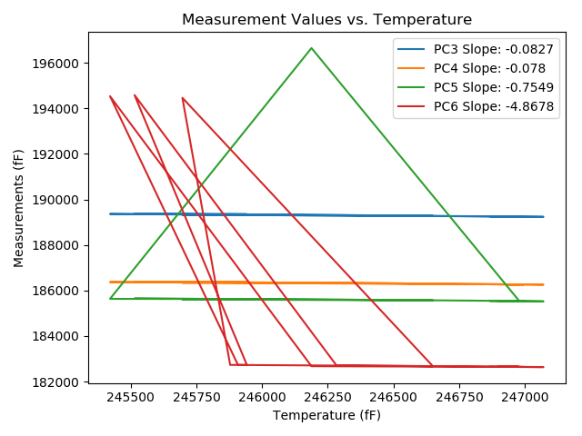
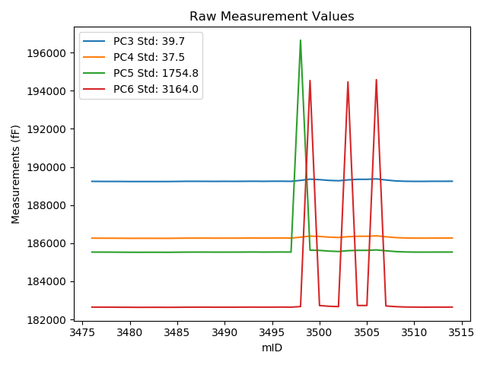
mTS | dos_ID | mID | PC1 | PC3 | PC4 | PC5 | PC6 | PC7 | TCPM | type | TC PC3 | TC PC4 | TC PC5 | TC PC6
2018-06-11 | VA00002979C | 3476 | 246964.3 | 189242.2 | 186262.5 | 185531 | 182643.8 | 90803.27 | 0 | raw | 189242.2 | 186262.5 | 185531 | 182643.8
2018-06-11 | VA00002979C | 3477 | 246987.3 | 189239.4 | 186261 | 185530.4 | 182642.7 | 90793.62 | 0 | raw | 189241.30097 | 186262.79331 | 185547.76334 | 182754.6601
2018-06-11 | VA00002979C | 3478 | 247004.6 | 189238.1 | 186260.3 | 185528.9 | 182640.5 | 90786.7 | 0 | raw | 189241.43082 | 186263.44219 | 185559.32358 | 182836.67356
2018-06-11 | VA00002979C | 3479 | 247032.3 | 189237.4 | 186257.9 | 185525.9 | 182637.4 | 90776.1 | 0 | raw | 189243.02025 | 186263.20196 | 185577.23508 | 182968.41246
2018-06-11 | VA00002979C | 3480 | 247059.3 | 189233.7 | 186253.7 | 185522.3 | 182635.7 | 90766.24 | 0 | raw | 189241.55182 | 186261.10716 | 185594.01813 | 183098.14388
2018-06-11 | VA00002979C | 3481 | 247069.9 | 189233.6 | 186254.9 | 185521.8 | 182632.6 | 90761.2 | 0 | raw | 189242.32792 | 186263.13364 | 185601.52036 | 183146.64288
2018-06-11 | VA00002979C | 3482 | 247070.6 | 189234 | 186254.8 | 185522.6 | 182634 | 90760.26 | 0 | raw | 189242.78577 | 186263.08822 | 185602.84881 | 183151.45036
2018-06-11 | VA00002979C | 3483 | 247070.3 | 189233.4 | 186254 | 185522.7 | 182635.1 | 90759.74 | 0 | raw | 189242.16098 | 186262.26483 | 185602.72233 | 183151.09001
2018-06-11 | VA00002979C | 3484 | 247068 | 189233.8 | 186253.3 | 185519.9 | 182632.2 | 90759.53 | 0 | raw | 189242.37088 | 186261.3855 | 185598.186 | 183136.994
2018-06-11 | VA00002979C | 3485 | 247016.2 | 189239.7 | 186259.6 | 185525.2 | 182634.9 | 90777.88 | 0 | raw | 189243.98957 | 186263.64665 | 185564.38074 | 182887.54039
2018-06-11 | VA00002979C | 3486 | 246971.9 | 189245.2 | 186263.8 | 185530 | 182640 | 90792.26 | 0 | raw | 189245.82815 | 186264.39257 | 185535.73745 | 182676.99551
2018-06-11 | VA00002979C | 3487 | 246942.9 | 189245.6 | 186264.9 | 185531.5 | 182640.8 | 90799.81 | 0 | raw | 189243.83127 | 186263.23144 | 185515.34455 | 182536.62843
2018-06-11 | VA00002979C | 3488 | 246984.2 | 189243.6 | 186265.2 | 185531.8 | 182641.8 | 90786.91 | 0 | raw | 189245.24475 | 186266.7516 | 185546.82306 | 182738.66982
2018-06-11 | VA00002979C | 3489 | 246995.8 | 189241.2 | 186261.7 | 185528.3 | 182638.7 | 90781.66 | 0 | raw | 189243.8035 | 186264.15606 | 185552.08022 | 182792.03666
2018-06-11 | VA00002979C | 3490 | 246976.3 | 189244.7 | 186263.6 | 185529.7 | 182639.6 | 90789.32 | 0 | raw | 189245.69181 | 186264.53564 | 185538.75913 | 182698.01396
2018-06-11 | VA00002979C | 3491 | 246975.3 | 189242.3 | 186263.6 | 185530.5 | 182638.9 | 90787.95 | 0 | raw | 189243.20916 | 186264.45767 | 185538.8042 | 182692.44613
2018-06-11 | VA00002979C | 3492 | 246944.5 | 189245.3 | 186264.9 | 185532.4 | 182642.7 | 90799.91 | 0 | raw | 189243.66352 | 186263.35619 | 185517.45243 | 182546.31696
2018-06-11 | VA00002979C | 3493 | 246931 | 189249.2 | 186269.3 | 185536 | 182644.1 | 90805.05 | 0 | raw | 189246.44773 | 186266.7036 | 185510.86091 | 182482.00125
2018-06-11 | VA00002979C | 3494 | 246975.2 | 189244.6 | 186265.4 | 185531.4 | 182641.7 | 90791.31 | 0 | raw | 189245.50089 | 186266.24987 | 185539.62871 | 182694.75935
2018-06-11 | VA00002979C | 3495 | 246898.2 | 189249.2 | 186267.5 | 185533.5 | 182642.5 | 90817.12 | 0 | raw | 189243.73679 | 186262.34618 | 185483.59928 | 182320.73642
2018-06-11 | VA00002979C | 3496 | 246896 | 189250.6 | 186270.1 | 185536 | 182645.5 | 90816.91 | 0 | raw | 189244.95496 | 186264.77464 | 185484.43844 | 182313.02719
2018-06-11 | VA00002979C | 3497 | 246978.7 | 189244.6 | 186265.2 | 185531.9 | 182641.5 | 90790.79 | 0 | raw | 189245.79017 | 186266.32277 | 185542.77096 | 182711.59676
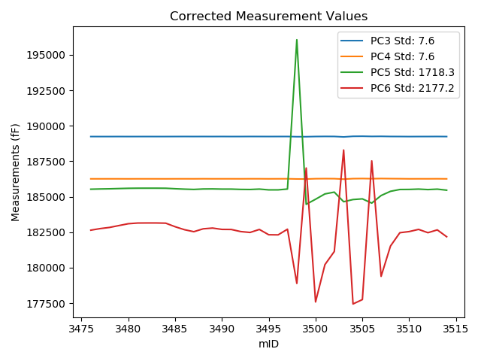
2018-06-11 | VA00002979C | 3498 | 246187.8 | 189295.2 | 186313.3 | 196649.3 | 182672.7 | 91074.03 | 1 | raw | 189231.02172 | 186252.75624 | 196063.09869 | 178892.82976
2018-06-11 | VA00002979C | 3499 | 245421.3 | 189358.4 | 186368.8 | 185632.2 | 194534.2 | 91335.76 | 0 | raw | 189230.86994 | 186248.49219 | 184467.34665 | 187023.13782
2018-06-11 | VA00002979C | 3500 | 245908.2 | 189332.8 | 186352.9 | 185620.9 | 182726 | 91174 | 1 | raw | 189245.51258 | 186270.55581 | 184823.62092 | 177585.0844
2018-06-11 | VA00002979C | 3501 | 246456.3 | 189293.7 | 186316.2 | 185582.4 | 182688.4 | 90968.91 | 0 | raw | 189251.71344 | 186276.59121 | 185198.89676 | 180215.5422
2018-06-11 | VA00002979C | 3502 | 246649.9 | 189274.9 | 186297.4 | 185562.7 | 182669.7 | 90904.19 | 0 | raw | 189248.91461 | 186272.88621 | 185325.35075 | 181139.25415
2018-06-11 | VA00002979C | 3503 | 245696.6 | 189320.7 | 186339.3 | 185606.1 | 194463.5 | 91247.33 | 1 | raw | 189215.92368 | 186240.45735 | 184649.07823 | 188292.5515
2018-06-11 | VA00002979C | 3504 | 245878.5 | 189349.3 | 186360.3 | 185622.4 | 182727.9 | 91186.28 | 0 | raw | 189259.55785 | 186275.6401 | 184802.69957 | 177442.40984
2018-06-11 | VA00002979C | 3505 | 245942 | 189350 | 186361.8 | 185622.3 | 182728.2 | 91162.04 | 0 | raw | 189265.50617 | 186282.0912 | 184850.53747 | 177751.81706
2018-06-11 | VA00002979C | 3506 | 245514.6 | 189371.9 | 186384.3 | 185645.4 | 194581.7 | 91295.27 | 0 | raw | 189252.08125 | 186271.26679 | 184550.9814 | 187524.80639
2018-06-11 | VA00002979C | 3507 | 246283.1 | 189314.4 | 186335.8 | 185599.5 | 182704 | 91039.83 | 2 | raw | 189258.09833 | 186282.68679 | 185085.24329 | 179388.03399
2018-06-11 | VA00002979C | 3508 | 246729.1 | 189266.9 | 186293.7 | 185559.7 | 182668.7 | 90882.05 | 0 | raw | 189247.46055 | 186275.36144 | 185382.14102 | 181523.78631
2018-06-11 | VA00002979C | 3509 | 246926.1 | 189248.2 | 186273.3 | 185539.4 | 182649.4 | 90811.66 | 0 | raw | 189245.04274 | 186270.32154 | 185510.56176 | 182463.44888
2018-06-11 | VA00002979C | 3510 | 246943.8 | 189241.8 | 186264.5 | 185531.1 | 182645.2 | 90803.38 | 1 | raw | 189240.10566 | 186262.90161 | 185515.62398 | 182545.40948
2018-06-11 | VA00002979C | 3511 | 246976.4 | 189242.4 | 186263.8 | 185530 | 182640.1 | 90788.48 | 0 | raw | 189243.40007 | 186264.74344 | 185539.13462 | 182699.00075
2018-06-11 | VA00002979C | 3512 | 246927.7 | 189247.1 | 186267 | 185532.2 | 182643.7 | 90803.69 | 0 | raw | 189244.07498 | 186264.1463 | 185504.56965 | 182465.53741
2018-06-11 | VA00002979C | 3513 | 246968.7 | 189246.3 | 186266.8 | 185532.6 | 182642.5 | 90787.85 | 0 | raw | 189246.66366 | 186267.14307 | 185535.92168 | 182663.91845
2018-06-11 | VA00002979C | 3514 | 246868.9 | 189249.6 | 186268.9 | 185533.6 | 182644.6 | 90829.71 | 0 | raw | 189241.71512 | 186261.46166 | 185461.5799 | 182180.20899

VA00002976I
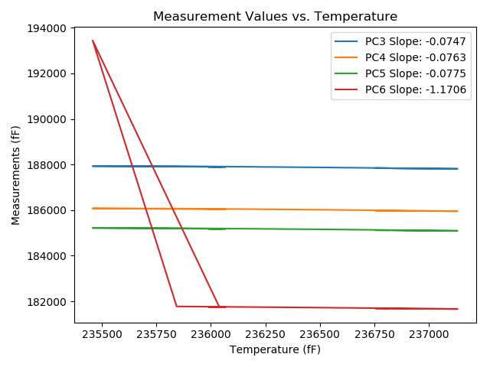
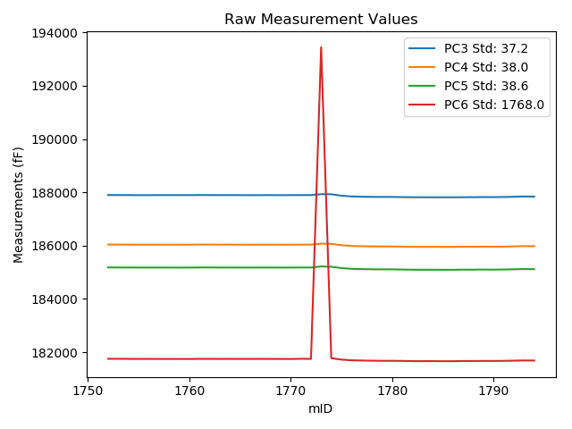
mTS | dos_ID | mID | PC1 | PC3 | PC4 | PC5 | PC6 | PC7 | TCPM | type | TC PC3 | TC PC4 | TC PC5 | TC PC6
2018-06-11 | VA00002976I | 1752 | 236014 | 187900.4 | 186041.9 | 185183.4 | 181753.2 | 90645.18 | 0 | raw | 187900.4 | 186041.9 | 185183.4 | 181753.2
2018-06-11 | VA00002976I | 1753 | 236013.5 | 187898.4 | 186039.1 | 185180.2 | 181752.8 | 90645.18 | 0 | raw | 187898.36266 | 186039.06183 | 185180.16125 | 181752.21472
2018-06-11 | VA00002976I | 1754 | 236023.7 | 187897.6 | 186038.5 | 185180.6 | 181751.2 | 90639.83 | 0 | raw | 187898.32432 | 186039.24054 | 185181.35181 | 181762.55443
2018-06-11 | VA00002976I | 1755 | 236023.4 | 187894.9 | 186036.7 | 185178.2 | 181749.7 | 90638.78 | 0 | raw | 187895.60191 | 186037.41764 | 185178.92856 | 181760.70326
2018-06-11 | VA00002976I | 1756 | 236022.5 | 187894.7 | 186037.2 | 185178 | 181749.6 | 90639.41 | 0 | raw | 187895.33471 | 186037.84893 | 185178.6588 | 181759.54976
2018-06-11 | VA00002976I | 1757 | 236033.4 | 187896 | 186036.7 | 185178.5 | 181748.7 | 90634.58 | 0 | raw | 187897.44863 | 186038.18108 | 185180.00362 | 181771.40886
2018-06-11 | VA00002976I | 1758 | 236036.3 | 187897 | 186037.8 | 185177.1 | 181748.2 | 90634.16 | 0 | raw | 187898.66518 | 186039.50248 | 185178.82839 | 181774.30349
2018-06-11 | VA00002976I | 1759 | 236045.4 | 187895.7 | 186036 | 185176.1 | 181747.4 | 90630.6 | 0 | raw | 187898.04469 | 186038.39721 | 185178.5337 | 181784.15558
2018-06-11 | VA00002976I | 1760 | 236042.5 | 187896.3 | 186036.3 | 185176.3 | 181747.1 | 90631.65 | 0 | raw | 187898.42815 | 186038.47581 | 185178.50893 | 181780.46096
2018-06-11 | VA00002976I | 1761 | 236026.7 | 187899.1 | 186041.4 | 185181.3 | 181750.4 | 90635 | 0 | raw | 187900.04833 | 186042.36957 | 185182.28433 | 181765.26611
2018-06-11 | VA00002976I | 1762 | 236025.4 | 187897.6 | 186039.6 | 185181.3 | 181750.8 | 90638.68 | 0 | raw | 187898.45126 | 186040.47032 | 185182.18357 | 181764.14438
2018-06-11 | VA00002976I | 1763 | 236033.9 | 187896.3 | 186037.9 | 185178.6 | 181749.5 | 90634.37 | 0 | raw | 187897.78597 | 186039.41925 | 185180.14238 | 181772.79414
2018-06-11 | VA00002976I | 1764 | 236042.8 | 187896.7 | 186038.8 | 185179.7 | 181750.3 | 90632.17 | 0 | raw | 187898.85055 | 186040.99871 | 185181.93218 | 181784.01213
2018-06-11 | VA00002976I | 1765 | 236047.6 | 187895.1 | 186037.1 | 185178.3 | 181749.7 | 90628.5 | 0 | raw | 187897.60897 | 186039.66516 | 185180.90421 | 181789.03081
2018-06-11 | VA00002976I | 1766 | 236045.4 | 187894.5 | 186035.6 | 185177.2 | 181749.6 | 90629.34 | 0 | raw | 187896.84469 | 186037.99721 | 185179.6337 | 181786.35558
2018-06-11 | VA00002976I | 1767 | 236053.4 | 187894.7 | 186037.1 | 185179.1 | 181750.8 | 90626.3 | 0 | raw | 187897.64207 | 186040.10796 | 185182.15375 | 181796.92006
2018-06-11 | VA00002976I | 1768 | 236053.8 | 187896.1 | 186037.5 | 185178.4 | 181749.1 | 90625.88 | 0 | raw | 187899.07194 | 186040.5385 | 185181.48475 | 181795.68829
2018-06-11 | VA00002976I | 1769 | 236067.1 | 187894.3 | 186035.9 | 185176.4 | 181748.3 | 90621.16 | 0 | raw | 187898.26507 | 186039.95388 | 185180.51559 | 181810.45673
2018-06-11 | VA00002976I | 1770 | 236064.6 | 187895.5 | 186036 | 185177.7 | 181747.7 | 90622.42 | 0 | raw | 187899.27839 | 186039.86302 | 185181.62182 | 181806.93033
2018-06-11 | VA00002976I | 1771 | 235989.2 | 187897.7 | 186038.5 | 185180.3 | 181753.1 | 90652.21 | 0 | raw | 187895.84814 | 186036.60666 | 185178.37784 | 181724.07011
2018-06-11 | VA00002976I | 1772 | 236038.5 | 187896.8 | 186038.1 | 185180.1 | 181752 | 90632.49 | 0 | raw | 187898.62946 | 186039.97043 | 185181.99891 | 181780.67872
2018-06-11 | VA00002976I | 1773 | 235457 | 187930.8 | 186075.2 | 185218.6 | 193444.6 | 90837.15 | 3 | raw | 187889.2078 | 186032.67628 | 185175.42894 | 192792.59811
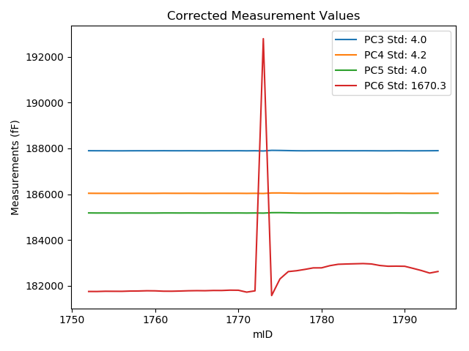
2018-06-11 | VA00002976I | 1774 | 235842.8 | 187928.5 | 186068.3 | 185207.7 | 181775.9 | 90700.67 | 0 | raw | 187915.71619 | 186055.22987 | 185194.43091 | 181575.50014
2018-06-11 | VA00002976I | 1775 | 236507.4 | 187874.7 | 186018.5 | 185158.1 | 181724 | 90432.96 | 1 | raw | 187911.54307 | 186056.16822 | 185196.34165 | 182301.55428
2018-06-11 | VA00002976I | 1776 | 236803.7 | 187845.6 | 185988.6 | 185129.5 | 181697 | 90324.59 | 0 | raw | 187904.56833 | 186048.88901 | 185190.7068 | 182621.3912
2018-06-11 | VA00002976I | 1777 | 236842.5 | 187836.7 | 185979.5 | 185119.3 | 181689.2 | 90314.94 | 0 | raw | 187898.56559 | 186042.75116 | 185183.51405 | 182659.00892
2018-06-11 | VA00002976I | 1778 | 236898 | 187830.2 | 185971.8 | 185112.5 | 181682.4 | 90293.75 | 0 | raw | 187896.20988 | 186039.28827 | 185181.01565 | 182717.175
2018-06-11 | VA00002976I | 1779 | 236957.6 | 187828.3 | 185969.2 | 185109.4 | 181678.6 | 90269.62 | 0 | raw | 187898.76032 | 186041.23838 | 185182.53503 | 182783.14037
2018-06-11 | VA00002976I | 1780 | 236959.5 | 187827.9 | 185969.5 | 185109.5 | 181677.8 | 90264.38 | 1 | raw | 187898.50219 | 186041.68343 | 185182.78229 | 182784.56444
2018-06-11 | VA00002976I | 1781 | 237044.8 | 187822 | 185963 | 185103.6 | 181673.4 | 90231.54 | 0 | raw | 187898.9717 | 186041.69559 | 185183.49359 | 182880.0132
2018-06-11 | VA00002976I | 1782 | 237102.2 | 187817.3 | 185956.4 | 185096.4 | 181666.7 | 90210.14 | 0 | raw | 187898.55786 | 186039.47775 | 185180.74246 | 182940.50334
2018-06-11 | VA00002976I | 1783 | 237114.3 | 187816.7 | 185956.2 | 185095.7 | 181665.1 | 90206.68 | 0 | raw | 187898.86139 | 186040.20151 | 185180.98028 | 182953.06712
2018-06-11 | VA00002976I | 1784 | 237121.4 | 187814.7 | 185955.6 | 185096.1 | 181666.3 | 90202.8 | 0 | raw | 187897.39156 | 186040.14356 | 185181.93058 | 182962.57809
2018-06-11 | VA00002976I | 1785 | 237132.3 | 187815.3 | 185954 | 185092.5 | 181662.8 | 90198.18 | 0 | raw | 187898.80548 | 186039.37571 | 185179.1754 | 182971.8372
2018-06-11 | VA00002976I | 1786 | 237116.5 | 187815.4 | 185954.6 | 185094.4 | 181663.9 | 90206.37 | 0 | raw | 187897.72567 | 186038.76947 | 185179.8508 | 182954.44235
2018-06-11 | VA00002976I | 1787 | 237054.7 | 187817.9 | 185958.2 | 185098.8 | 181670.3 | 90230.07 | 0 | raw | 187895.61095 | 186037.6514 | 185179.4609 | 182888.50174
2018-06-11 | VA00002976I | 1788 | 237026.6 | 187820.1 | 185958.7 | 185098.7 | 181669.9 | 90241.4 | 0 | raw | 187895.71267 | 186036.00613 | 185177.18297 | 182855.20901
2018-06-11 | VA00002976I | 1789 | 237026.7 | 187823.2 | 185963.5 | 185103.4 | 181673.5 | 90238.05 | 0 | raw | 187898.82014 | 186040.81376 | 185181.89072 | 182858.92607
2018-06-11 | VA00002976I | 1790 | 237023.5 | 187821.9 | 185959.9 | 185101.2 | 181671.8 | 90236.79 | 0 | raw | 187897.28119 | 186036.96946 | 185179.4427 | 182853.48027
2018-06-11 | VA00002976I | 1791 | 236942.4 | 187826.2 | 185963.8 | 185104.4 | 181676.1 | 90270.46 | 0 | raw | 187895.5253 | 186034.67795 | 185176.35693 | 182762.84786
2018-06-11 | VA00002976I | 1792 | 236855.2 | 187834.4 | 185972.8 | 185112.8 | 181683.9 | 90302.56 | 0 | raw | 187897.21392 | 186037.02073 | 185177.99838 | 182668.57503
2018-06-11 | VA00002976I | 1793 | 236753.3 | 187843.4 | 185982.2 | 185121.1 | 181691.6 | 90340.75 | 0 | raw | 187898.60487 | 186038.64126 | 185178.40048 | 182556.99497
2018-06-11 | VA00002976I | 1794 | 236816.9 | 187842.3 | 185978.9 | 185117.3 | 181686.6 | 90312.32 | 0 | raw | 187902.25399 | 186040.19675 | 185179.52988 | 182626.44259

