VA00002980T
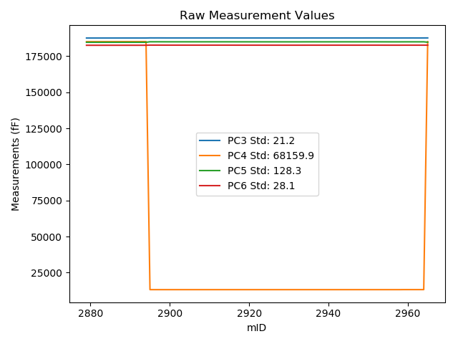
mTS | dos_ID | mID | PC1 | PC3 | PC4 | PC5 | PC6 | PC7 | TCPM | type | TC PC3 | TC PC4 | TC PC5 | TC PC6
2018-06-11 | VA00002980T | 2879 | 229653.5 | 187586.8 | 185092.7 | 184628.4 | 182578 | 90575.42 | 0 | raw | 187586.8 | 185092.7 | 184628.4 | 182578
2018-06-11 | VA00002980T | 2880 | 229658.4 | 187588.8 | 185093.3 | 184628.4 | 182579.3 | 90574.79 | 0 | raw | 187589.18063 | 184401.54311 | 184629.88848 | 182579.76994
2018-06-11 | VA00002980T | 2881 | 229639.2 | 187587.8 | 185093.7 | 184630.3 | 182581.2 | 90583.92 | 0 | raw | 187586.68917 | 187112.50072 | 184625.95607 | 182579.82855
2018-06-11 | VA00002980T | 2882 | 229615.7 | 187592.9 | 185096.2 | 184627.6 | 182577.8 | 90591.47 | 0 | raw | 187589.96368 | 190432.6103 | 184616.11744 | 182574.17477
2018-06-11 | VA00002980T | 2883 | 229585.6 | 187594.4 | 185098.9 | 184631.7 | 182583.2 | 90603.11 | 0 | raw | 187589.1255 | 194684.67407 | 184611.07392 | 182576.68801
2018-06-11 | VA00002980T | 2884 | 229549.8 | 187596.9 | 185105.7 | 184637.7 | 182585.7 | 90617.17 | 0 | raw | 187588.84454 | 199745.53462 | 184606.19891 | 182575.75459
2018-06-11 | VA00002980T | 2885 | 229530.8 | 187597.6 | 185103.9 | 184635.9 | 182587.1 | 90622.84 | 0 | raw | 187588.06861 | 202426.05726 | 184598.62725 | 182575.33238
2018-06-11 | VA00002980T | 2886 | 229518.9 | 187599.6 | 185109.6 | 184636.1 | 182587.6 | 90627.66 | 0 | raw | 187589.14421 | 204111.73828 | 184595.21238 | 182574.6911
2018-06-11 | VA00002980T | 2887 | 229506.2 | 187601.3 | 185110.7 | 184637.9 | 182588 | 90633.33 | 0 | raw | 187589.85767 | 205905.7592 | 184593.15448 | 182573.8731
2018-06-11 | VA00002980T | 2888 | 229486.7 | 187602.8 | 185112.6 | 184640.3 | 182591.1 | 90639.93 | 0 | raw | 187589.8429 | 208660.56928 | 184589.63094 | 182575.10294
2018-06-11 | VA00002980T | 2889 | 229482.9 | 187603.6 | 185114.5 | 184640.7 | 182590.1 | 90640.88 | 0 | raw | 187590.34771 | 209198.93381 | 184588.87661 | 182573.7385
2018-06-11 | VA00002980T | 2890 | 229480 | 187603.3 | 185114.2 | 184640.8 | 182592.2 | 90642.03 | 0 | raw | 187589.82244 | 209608.04095 | 184588.09567 | 182575.56037
2018-06-11 | VA00002980T | 2891 | 229470.1 | 187605 | 185120.2 | 184640.6 | 182589.6 | 90644.97 | 0 | raw | 187590.7534 | 211011.67222 | 184584.88833 | 182572.01091
2018-06-11 | VA00002980T | 2892 | 229467.7 | 187603.4 | 185119.6 | 184639.2 | 182589.9 | 90646.86 | 0 | raw | 187588.96697 | 211349.89192 | 184582.75928 | 182572.08073
2018-06-11 | VA00002980T | 2893 | 229463.7 | 187602.1 | 185122.4 | 184640.3 | 182590.8 | 90647.91 | 0 | raw | 187587.35625 | 211917.39143 | 184582.6442 | 182572.59711
2018-06-11 | VA00002980T | 2894 | 229349.7 | 187608.6 | 185126.7 | 184644.8 | 182596.5 | 90687.14 | 1 | raw | 187585.00068 | 228015.62727 | 184552.51426 | 182567.36387
2018-06-11 | VA00002980T | 2895 | 228530.6 | 187678.6 | 13218 | 184994.8 | 182695.6 | 91052.1 | 0 | raw | 187591.37262 | 171743.26803 | 184653.69514 | 182587.90757
2018-06-11 | VA00002980T | 2896 | 228505.4 | 187666.7 | 13209.5 | 184986.9 | 182685.4 | 91070.04 | 0 | raw | 187577.51507 | 175292.3749 | 184638.14011 | 182575.29075
2018-06-11 | VA00002980T | 2897 | 228649.7 | 187674.3 | 13208.6 | 184993.7 | 182689 | 91003.64 | 2 | raw | 187596.32436 | 154919.94032 | 184688.77431 | 182592.72993
2018-06-11 | VA00002980T | 2898 | 228812.7 | 187665.8 | 13208.2 | 184983.6 | 182679 | 90937.34 | 0 | raw | 187600.48627 | 131908.03556 | 184728.18904 | 182598.36255
2018-06-11 | VA00002980T | 2899 | 228954.8 | 187657.2 | 13207.2 | 184975 | 182668.7 | 90878.49 | 0 | raw | 187602.92466 | 111846.08571 | 184762.75495 | 182601.69074
2018-06-11 | VA00002980T | 2900 | 229008.6 | 187654.2 | 13207.2 | 184970.7 | 182664.1 | 90856.04 | 0 | raw | 187604.10387 | 104250.8774 | 184774.79785 | 182602.25046
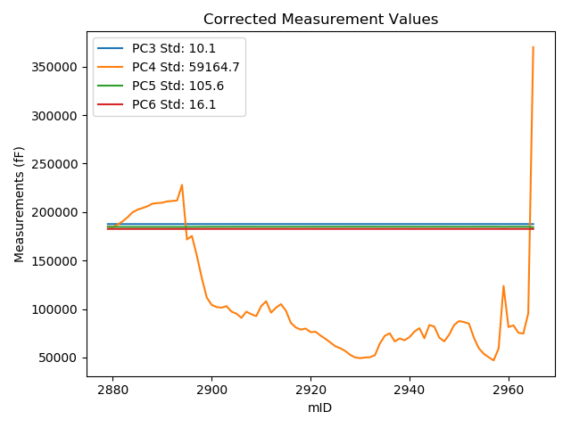
2018-06-11 | VA00002980T | 2901 | 229024.5 | 187653.4 | 13207.2 | 184968.6 | 182661.8 | 90849.64 | 0 | raw | 187604.53899 | 102006.19687 | 184777.52782 | 182601.47536
2018-06-11 | VA00002980T | 2902 | 229028.3 | 187653.3 | 13207.2 | 184967.1 | 182660.5 | 90849.43 | 0 | raw | 187604.73418 | 101469.73234 | 184777.18215 | 182600.5398
2018-06-11 | VA00002980T | 2903 | 229017.5 | 187653.6 | 13207.1 | 184969.9 | 182662.3 | 90852.58 | 0 | raw | 187604.19523 | 102994.321 | 184776.70142 | 182601.30402
2018-06-11 | VA00002980T | 2904 | 229057.5 | 187654 | 13207.2 | 184968 | 182661.4 | 90839.46 | 0 | raw | 187607.70245 | 97347.425971 | 184786.95227 | 182604.24025
2018-06-11 | VA00002980T | 2905 | 229072.1 | 187653.8 | 13207.1 | 184969 | 182661.7 | 90832.85 | 0 | raw | 187608.63658 | 95286.172785 | 184792.38733 | 182605.94047
2018-06-11 | VA00002980T | 2906 | 229103 | 187651.4 | 13207.2 | 184967.1 | 182659.8 | 90821.1 | 0 | raw | 187608.63691 | 90923.969123 | 184799.87387 | 182607.00395
2018-06-11 | VA00002980T | 2907 | 229058.1 | 187653 | 13207.2 | 184969.3 | 182660.9 | 90834.74 | 0 | raw | 187606.74906 | 97262.721046 | 184788.43453 | 182603.79779
2018-06-11 | VA00002980T | 2908 | 229076.2 | 187652.7 | 13207.1 | 184966.5 | 182659.1 | 90829.29 | 0 | raw | 187607.85507 | 94707.355794 | 184791.1328 | 182603.73368
2018-06-11 | VA00002980T | 2909 | 229090.6 | 187650.7 | 13206.9 | 184967.5 | 182659.5 | 90822.36 | 0 | raw | 187606.97367 | 92674.237583 | 184796.5071 | 182605.51472
2018-06-11 | VA00002980T | 2910 | 229017.4 | 187653.6 | 13207.4 | 184971.3 | 182663.9 | 90849.85 | 0 | raw | 187604.18746 | 103008.73849 | 184778.07104 | 182602.89443
2018-06-11 | VA00002980T | 2911 | 228981.8 | 187659.8 | 13207.6 | 184974.9 | 182666.9 | 90861.49 | 0 | raw | 187607.62204 | 108034.76407 | 184770.85678 | 182602.48019
2018-06-11 | VA00002980T | 2912 | 229065 | 187654.4 | 13207.1 | 184970.2 | 182662.5 | 90828.34 | 0 | raw | 187608.68505 | 96288.514403 | 184791.43056 | 182606.05954
2018-06-11 | VA00002980T | 2913 | 229028.8 | 187657.6 | 13207.5 | 184972.3 | 182664.5 | 90845.02 | 0 | raw | 187609.07302 | 101399.44491 | 184782.53403 | 182604.58775
2018-06-11 | VA00002980T | 2914 | 229002.9 | 187658.6 | 13207.5 | 184973 | 182665.7 | 90854.67 | 0 | raw | 187608.06109 | 105055.87419 | 184775.36636 | 182603.3038
2018-06-11 | VA00002980T | 2915 | 229050.8 | 187655.7 | 13207.3 | 184970.2 | 182662.4 | 90836.52 | 0 | raw | 187608.88199 | 98293.397639 | 184787.117 | 182604.59768
2018-06-11 | VA00002980T | 2916 | 229139.4 | 187649.5 | 13207 | 184967.5 | 182659 | 90799.91 | 0 | raw | 187609.56448 | 85785.003644 | 184811.33115 | 182609.69492
2018-06-11 | VA00002980T | 2917 | 229173.3 | 187645.2 | 13206.7 | 184961.8 | 182654.3 | 90786.59 | 0 | raw | 187607.89784 | 80998.875355 | 184815.92899 | 182608.24612
2018-06-11 | VA00002980T | 2918 | 229189 | 187644.5 | 13207.1 | 184960.4 | 182653.3 | 90780.51 | 0 | raw | 187608.41743 | 78782.829805 | 184819.2982 | 182608.75184
2018-06-11 | VA00002980T | 2919 | 229181.3 | 187645 | 13207 | 184961.6 | 182653.8 | 90782.71 | 0 | raw | 187608.31929 | 79869.776348 | 184818.15917 | 182608.51336
2018-06-11 | VA00002980T | 2920 | 229207.4 | 187642 | 13206.9 | 184958.2 | 182651.9 | 90772.01 | 0 | raw | 187607.34675 | 76185.01209 | 184822.6876 | 182609.1165
2018-06-11 | VA00002980T | 2921 | 229204.6 | 187641.9 | 13207.2 | 184957.9 | 182651.3 | 90775.79 | 0 | raw | 187607.02924 | 76580.601742 | 184821.53704 | 182608.24796
2018-06-11 | VA00002980T | 2922 | 229232.5 | 187642.8 | 13207.1 | 184958.4 | 182651.1 | 90764.56 | 0 | raw | 187610.09653 | 72641.722708 | 184830.51226 | 182610.72373
2018-06-11 | VA00002980T | 2923 | 229256.1 | 187640 | 13206.8 | 184955.6 | 182647.4 | 90754.28 | 0 | raw | 187609.12979 | 69309.695639 | 184834.88126 | 182609.2871
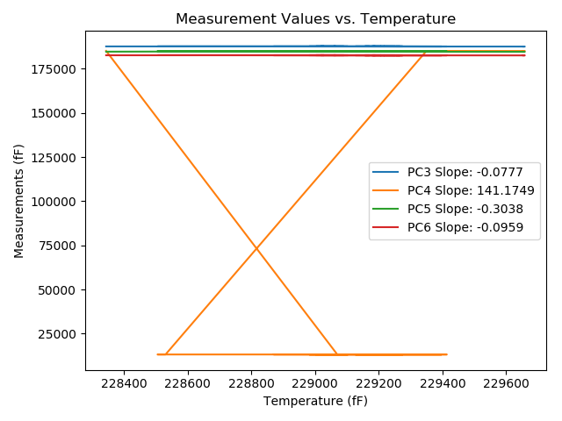
2018-06-11 | VA00002980T | 2924 | 229283.5 | 187637.9 | 13206.9 | 184954.1 | 182646.8 | 90743.79 | 0 | raw | 187609.15823 | 65441.604043 | 184841.7046 | 182611.31492
2018-06-11 | VA00002980T | 2925 | 229310.7 | 187638.7 | 13206.7 | 184953.5 | 182645 | 90734.03 | 0 | raw | 187612.07114 | 61601.447421 | 184849.36718 | 182612.12355
2018-06-11 | VA00002980T | 2926 | 229325 | 187635.1 | 13206.5 | 184950.9 | 182642.9 | 90726.9 | 0 | raw | 187609.58197 | 59582.446697 | 184851.11111 | 182611.395
2018-06-11 | VA00002980T | 2927 | 229345 | 187635.1 | 13206.6 | 184951 | 182642.5 | 90719.03 | 0 | raw | 187611.13558 | 56759.049181 | 184857.28654 | 182612.91311
2018-06-11 | VA00002980T | 2928 | 229373.3 | 187631.7 | 13206.4 | 184947.9 | 182639.6 | 90707.81 | 0 | raw | 187609.93394 | 52763.600197 | 184862.78327 | 182612.72724
2018-06-11 | VA00002980T | 2929 | 229392.3 | 187629.5 | 13206.2 | 184946.6 | 182639 | 90700.04 | 0 | raw | 187609.20986 | 50081.077557 | 184867.25492 | 182613.94945
2018-06-11 | VA00002980T | 2930 | 229397.3 | 187630.8 | 13206.7 | 184946.1 | 182638.3 | 90698.05 | 0 | raw | 187610.89827 | 49375.703178 | 184868.27378 | 182613.72898
2018-06-11 | VA00002980T | 2931 | 229392.9 | 187630 | 13206.5 | 184945.9 | 182638.1 | 90699.21 | 0 | raw | 187609.75647 | 49996.672631 | 184866.73718 | 182613.10699
2018-06-11 | VA00002980T | 2932 | 229390.3 | 187628.9 | 13207 | 184944.5 | 182637.5 | 90696.58 | 0 | raw | 187608.4545 | 50364.227308 | 184864.54738 | 182612.25764
2018-06-11 | VA00002980T | 2933 | 229375.9 | 187628.3 | 13206.8 | 184944.7 | 182637.7 | 90704.14 | 0 | raw | 187606.73591 | 52396.945519 | 184860.37307 | 182611.0766
2018-06-11 | VA00002980T | 2934 | 229290.2 | 187638.6 | 13207.1 | 184953.4 | 182643.3 | 90735.71 | 0 | raw | 187610.37869 | 64495.932375 | 184843.03987 | 182608.45748
2018-06-11 | VA00002980T | 2935 | 229233.7 | 187641.8 | 13207.1 | 184958.3 | 182649.1 | 90755.75 | 0 | raw | 187609.18974 | 72472.312857 | 184830.77678 | 182608.83882
2018-06-11 | VA00002980T | 2936 | 229215.9 | 187646.7 | 13207.4 | 184961.1 | 182651 | 90762.99 | 0 | raw | 187612.70703 | 74985.525646 | 184828.16965 | 182609.0317
2018-06-11 | VA00002980T | 2937 | 229275 | 187641.2 | 13207 | 184957.8 | 182648 | 90740.22 | 0 | raw | 187611.79795 | 66641.690487 | 184842.82254 | 182611.69972
2018-06-11 | VA00002980T | 2938 | 229253.9 | 187639.9 | 13207.4 | 184956.9 | 182648.9 | 90749.45 | 0 | raw | 187608.85889 | 69620.880366 | 184835.51297 | 182610.57611
2018-06-11 | VA00002980T | 2939 | 229266.7 | 187644.1 | 13207.2 | 184956.9 | 182646.7 | 90745.57 | 0 | raw | 187614.0532 | 67813.641956 | 184839.40124 | 182609.6037
2018-06-11 | VA00002980T | 2940 | 229243.2 | 187641.8 | 13207.3 | 184955.8 | 182646.5 | 90752.81 | 0 | raw | 187609.92771 | 71131.351537 | 184831.16261 | 182607.14992
2018-06-11 | VA00002980T | 2941 | 229202.8 | 187646.5 | 13207.6 | 184959.3 | 182649.6 | 90768.02 | 0 | raw | 187611.48942 | 76835.116519 | 184822.39025 | 182606.37533
2018-06-11 | VA00002980T | 2942 | 229178.4 | 187649.8 | 13207.6 | 184961.5 | 182650.8 | 90776.94 | 0 | raw | 187612.89402 | 80279.783488 | 184817.17823 | 182605.23524
2018-06-11 | VA00002980T | 2943 | 229252.2 | 187643.1 | 13207.4 | 184960.3 | 182650.7 | 90753.13 | 0 | raw | 187611.92683 | 69860.877655 | 184838.39655 | 182612.21307
2018-06-11 | VA00002980T | 2944 | 229155 | 187648.6 | 13207.9 | 184961.9 | 182653.3 | 90788.16 | 0 | raw | 187609.87629 | 83583.575582 | 184810.46998 | 182605.49104
2018-06-11 | VA00002980T | 2945 | 229166.5 | 187651.5 | 13207.8 | 184964.7 | 182654 | 90782.92 | 0 | raw | 187613.66962 | 81959.96451 | 184816.76335 | 182607.29396
2018-06-11 | VA00002980T | 2946 | 229247.1 | 187643.8 | 13207.3 | 184957.5 | 182648.3 | 90750.08 | 0 | raw | 187612.23066 | 70580.769521 | 184834.04732 | 182609.32395
2018-06-11 | VA00002980T | 2947 | 229274.8 | 187642.9 | 13207.2 | 184956.2 | 182647 | 90740.33 | 0 | raw | 187613.48241 | 66670.125462 | 184841.16179 | 182610.68054
2018-06-11 | VA00002980T | 2948 | 229226 | 187641.5 | 13207.4 | 184959.5 | 182650.4 | 90758.06 | 0 | raw | 187608.2916 | 73559.6594 | 184829.63774 | 182609.40034
2018-06-11 | VA00002980T | 2949 | 229155.2 | 187647.3 | 13207.5 | 184962.4 | 182653.2 | 90789.53 | 0 | raw | 187608.59183 | 83554.940606 | 184811.03073 | 182605.41022
2018-06-11 | VA00002980T | 2950 | 229126.7 | 187652.3 | 13208.1 | 184965.3 | 182656 | 90797.4 | 0 | raw | 187611.37794 | 87579.024566 | 184805.27325 | 182605.47691
2018-06-11 | VA00002980T | 2951 | 229133.5 | 187654.5 | 13208.2 | 184968.5 | 182658.1 | 90794.25 | 0 | raw | 187614.10616 | 86619.135411 | 184810.53889 | 182608.22907
2018-06-11 | VA00002980T | 2952 | 229144.9 | 187655.3 | 13208.2 | 184967.9 | 182656.8 | 90790.05 | 0 | raw | 187615.79172 | 85009.741827 | 184813.40189 | 182608.0224
2018-06-11 | VA00002980T | 2953 | 229247.6 | 187644.6 | 13207.5 | 184960.9 | 182650.9 | 90754.07 | 0 | raw | 187613.0695 | 70510.382083 | 184837.59921 | 182611.97191
2018-06-11 | VA00002980T | 2954 | 229325.4 | 187637.9 | 13207.3 | 184953.3 | 182644.8 | 90724.49 | 0 | raw | 187612.41304 | 59526.776747 | 184853.63262 | 182613.33336
2018-06-11 | VA00002980T | 2955 | 229365.4 | 187632 | 13207 | 184947.6 | 182639.3 | 90707.81 | 0 | raw | 187609.62026 | 53879.481715 | 184860.08347 | 182611.66959
2018-06-11 | VA00002980T | 2956 | 229390.7 | 187629.6 | 13206.9 | 184945 | 182637.6 | 90696.48 | 0 | raw | 187609.18558 | 50307.657358 | 184865.16889 | 182612.396
2018-06-11 | VA00002980T | 2957 | 229413.6 | 187629.3 | 13207.1 | 184945.4 | 182636.6 | 90687.88 | 0 | raw | 187610.66446 | 47074.952702 | 184872.52525 | 182613.59224
2018-06-11 | VA00002980T | 2958 | 229327.2 | 187629.9 | 13207.6 | 184944.2 | 182637.6 | 90725.33 | 1 | raw | 187604.55287 | 59272.96197 | 184845.07941 | 182606.30599
2018-06-11 | VA00002980T | 2959 | 228869.8 | 187644.8 | 13235.7 | 184956.4 | 182652.9 | 90932.51 | 0 | raw | 187583.92183 | 123874.45016 | 184718.33439 | 182577.73876
2018-06-11 | VA00002980T | 2960 | 229170.7 | 187642.7 | 13234.3 | 184960.6 | 182651.9 | 90793.41 | 0 | raw | 187605.19588 | 81393.530032 | 184813.93919 | 182605.59676
2018-06-11 | VA00002980T | 2961 | 229158 | 187647.3 | 13234.2 | 184961.7 | 182651.2 | 90795.3 | 0 | raw | 187608.80933 | 83186.350954 | 184811.18129 | 182603.67876
2018-06-11 | VA00002980T | 2962 | 229212.1 | 187643.5 | 13233.9 | 184960.5 | 182649.7 | 90772.43 | 0 | raw | 187609.21185 | 75548.490174 | 184826.41532 | 182607.36726
2018-06-11 | VA00002980T | 2963 | 229218 | 187642.3 | 13233.9 | 184957.7 | 182647.8 | 90772.95 | 0 | raw | 187608.47016 | 74715.558407 | 184825.40757 | 182606.0331
2018-06-11 | VA00002980T | 2964 | 229069.6 | 187654.1 | 13233.2 | 184967.9 | 182657.3 | 90825.2 | 2 | raw | 187608.74238 | 95665.209974 | 184790.5279 | 182601.3007
2018-06-11 | VA00002980T | 2965 | 228344.1 | 187667.2 | 185123 | 184690.7 | 182647.4 | 91106.02 | 0 | raw | 187565.48521 | 369977.38236 | 184292.94179 | 182521.82117

VA00002979C
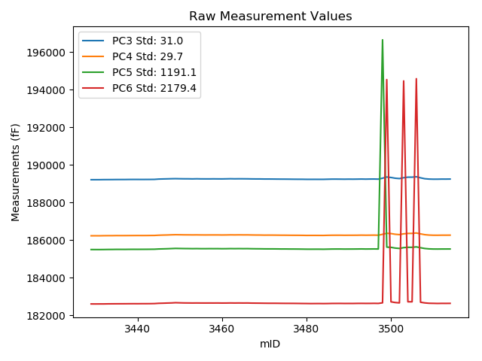
mTS | dos_ID | mID | PC1 | PC3 | PC4 | PC5 | PC6 | PC7 | TCPM | type | TC PC3 | TC PC4 | TC PC5 | TC PC6
2018-06-11 | VA00002979C | 3429 | 247369.6 | 189214.3 | 186235 | 185503.4 | 182613.8 | 90643.5 | 0 | raw | 189214.3 | 186235 | 185503.4 | 182613.8
2018-06-11 | VA00002979C | 3430 | 247376.2 | 189214.7 | 186235.8 | 185502.6 | 182612.4 | 90640.67 | 0 | raw | 189215.21596 | 186236.29607 | 185506.66851 | 182636.02442
2018-06-11 | VA00002979C | 3431 | 247344.6 | 189215.3 | 186235 | 185502.3 | 182614 | 90652.73 | 0 | raw | 189213.34562 | 186233.12093 | 185486.88899 | 182524.51356
2018-06-11 | VA00002979C | 3432 | 247316.4 | 189219.1 | 186239.3 | 185504.3 | 182614.1 | 90662.07 | 0 | raw | 189214.94108 | 186235.30134 | 185471.50537 | 182423.67286
2018-06-11 | VA00002979C | 3433 | 247289.5 | 189220.1 | 186241.4 | 185508.2 | 182618.4 | 90670.25 | 0 | raw | 189213.83817 | 186235.37945 | 185458.82312 | 182331.68545
2018-06-11 | VA00002979C | 3434 | 247264.4 | 189221.1 | 186241.5 | 185509.2 | 182620.2 | 90680.95 | 0 | raw | 189212.87597 | 186233.59287 | 185444.35046 | 182243.64106
2018-06-11 | VA00002979C | 3435 | 247248 | 189223.6 | 186245.2 | 185512.4 | 182621.5 | 90687.46 | 0 | raw | 189214.0939 | 186236.06019 | 185437.44084 | 182186.23796
2018-06-11 | VA00002979C | 3436 | 247237.5 | 189224.2 | 186244.1 | 185512.3 | 182622.5 | 90693.44 | 0 | raw | 189213.87306 | 186234.17098 | 185430.86821 | 182149.65365
2018-06-11 | VA00002979C | 3437 | 247214.5 | 189224.6 | 186244.6 | 185511.7 | 182623.2 | 90700.04 | 0 | raw | 189212.47503 | 186232.94224 | 185416.09008 | 182068.02613
2018-06-11 | VA00002979C | 3438 | 247197.2 | 189227.5 | 186246.2 | 185514.6 | 182625.1 | 90706.55 | 0 | raw | 189214.0226 | 186233.24192 | 185408.32566 | 182008.00151
2018-06-11 | VA00002979C | 3439 | 247196.9 | 189228.5 | 186247.3 | 185515.5 | 182626.2 | 90707.18 | 0 | raw | 189214.99915 | 186234.31937 | 185409.04073 | 182008.02767
2018-06-11 | VA00002979C | 3440 | 247199.1 | 189228.4 | 186248.8 | 185514.9 | 182625.3 | 90706.02 | 0 | raw | 189215.07114 | 186235.98473 | 185409.7969 | 182015.00248
2018-06-11 | VA00002979C | 3441 | 247187.8 | 189227.3 | 186247.6 | 185515.7 | 182627.3 | 90710.54 | 0 | raw | 189213.08776 | 186233.93539 | 185403.63112 | 181976.55461
2018-06-11 | VA00002979C | 3442 | 247180 | 189228.2 | 186248.4 | 185516.7 | 182627.2 | 90711.9 | 0 | raw | 189213.37799 | 186234.14912 | 185399.82289 | 181948.53484
2018-06-11 | VA00002979C | 3443 | 247182.8 | 189229.2 | 186251 | 185518.8 | 182628.8 | 90711.48 | 0 | raw | 189214.59688 | 186236.95958 | 185403.64892 | 181960.15732
2018-06-11 | VA00002979C | 3444 | 247035.5 | 189231.5 | 186252.6 | 185521 | 182632.9 | 90773.69 | 1 | raw | 189205.38168 | 186227.48808 | 185315.04724 | 181437.00322
2018-06-11 | VA00002979C | 3445 | 246890.8 | 189248.1 | 186265.2 | 185533.5 | 182647.3 | 90824.15 | 0 | raw | 189210.66974 | 186229.21202 | 185238.3483 | 180933.4557
2018-06-11 | VA00002979C | 3446 | 246835.5 | 189254.3 | 186272.5 | 185539.1 | 182652.8 | 90849.95 | 0 | raw | 189212.54665 | 186232.35551 | 185209.85915 | 180741.0117
2018-06-11 | VA00002979C | 3447 | 246661.2 | 189259.7 | 186277.6 | 185546.2 | 182661 | 90918.87 | 1 | raw | 189204.32073 | 186224.35462 | 185109.51357 | 180125.31224
2018-06-11 | VA00002979C | 3448 | 246373.7 | 189266.1 | 186286.3 | 185555.1 | 182666.9 | 91037.42 | 0 | raw | 189188.24537 | 186211.4453 | 184941.18694 | 179102.11818
2018-06-11 | VA00002979C | 3449 | 246414.3 | 189270 | 186292.7 | 185564.2 | 182679.3 | 91020.95 | 0 | raw | 189195.31928 | 186220.89691 | 184975.31442 | 179259.84416
2018-06-11 | VA00002979C | 3450 | 246557.1 | 189265.5 | 186289.7 | 185560.1 | 182672.5 | 90961.89 | 0 | raw | 189201.98269 | 186228.63017 | 185059.24212 | 179764.1907
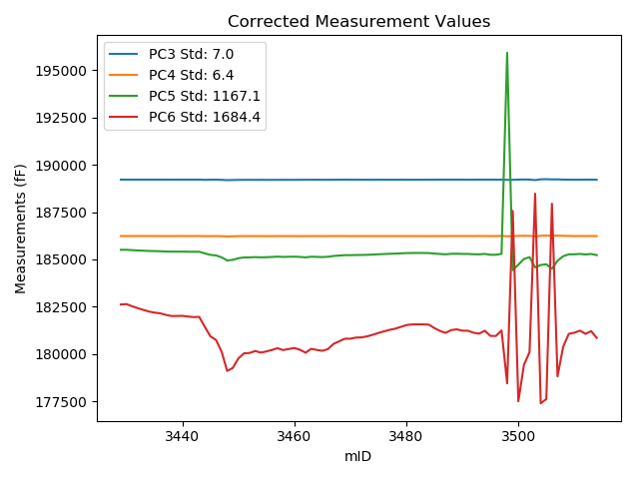
2018-06-11 | VA00002979C | 3451 | 246633.3 | 189262.3 | 186285.4 | 185556 | 182666.8 | 90933.88 | 0 | raw | 189204.73964 | 186230.05758 | 185102.11488 | 180031.24537
2018-06-11 | VA00002979C | 3452 | 246640 | 189262 | 186284.7 | 185554.4 | 182665.2 | 90930.73 | 0 | raw | 189204.96341 | 186229.86117 | 185104.64503 | 180053.62774
2018-06-11 | VA00002979C | 3453 | 246668.9 | 189257.6 | 186282 | 185550.9 | 182662.6 | 90920.34 | 0 | raw | 189202.82267 | 186229.33338 | 185118.96016 | 180154.47406
2018-06-11 | VA00002979C | 3454 | 246645.3 | 189263.2 | 186284 | 185553.5 | 182664.8 | 90928.63 | 0 | raw | 189206.57774 | 186229.55953 | 185107.01217 | 180072.19886
2018-06-11 | VA00002979C | 3455 | 246662.8 | 189258.1 | 186280.5 | 185549.7 | 182662.8 | 90922.86 | 0 | raw | 189202.84581 | 186227.37488 | 185113.99988 | 180132.83937
2018-06-11 | VA00002979C | 3456 | 246685.6 | 189257.5 | 186279 | 185549.4 | 182662.3 | 90916.67 | 0 | raw | 189204.0282 | 186227.5886 | 185127.75472 | 180213.951
2018-06-11 | VA00002979C | 3457 | 246710.1 | 189256.9 | 186280.5 | 185551.6 | 182663.1 | 90907.55 | 0 | raw | 189205.34349 | 186230.93009 | 185145.05751 | 180302.44771
2018-06-11 | VA00002979C | 3458 | 246683.5 | 189259.5 | 186280.5 | 185550.4 | 182662.3 | 90914.68 | 0 | raw | 189205.86403 | 186228.93075 | 185127.46019 | 180206.43414
2018-06-11 | VA00002979C | 3459 | 246698.6 | 189257.4 | 186280.7 | 185551.1 | 182663.6 | 90910.06 | 0 | raw | 189204.94448 | 186230.26571 | 185137.46844 | 180261.78395
2018-06-11 | VA00002979C | 3460 | 246713.5 | 189256.4 | 186277.6 | 185547.3 | 182660.6 | 90902.72 | 0 | raw | 189205.10929 | 186228.28564 | 185142.85341 | 180312.11787
2018-06-11 | VA00002979C | 3461 | 246688 | 189260.5 | 186279.8 | 185549 | 182661.6 | 90911.11 | 0 | raw | 189207.21582 | 186228.56899 | 185128.83418 | 180221.8417
2018-06-11 | VA00002979C | 3462 | 246643.4 | 189265.5 | 186284.6 | 185553.4 | 182665.4 | 90924.64 | 0 | raw | 189208.72921 | 186230.01672 | 185105.74093 | 180065.99789
2018-06-11 | VA00002979C | 3463 | 246701.4 | 189261.3 | 186281.8 | 185551.1 | 182662.3 | 90905.87 | 0 | raw | 189209.06337 | 186231.57617 | 185139.19448 | 180270.50643
2018-06-11 | VA00002979C | 3464 | 246684.6 | 189264 | 186285.3 | 185553.6 | 182664.9 | 90910.48 | 0 | raw | 189210.45002 | 186233.81343 | 185131.33828 | 180212.97155
2018-06-11 | VA00002979C | 3465 | 246672.2 | 189262.6 | 186282.3 | 185550.6 | 182662.2 | 90913.63 | 0 | raw | 189208.08065 | 186229.88141 | 185120.69442 | 180165.88627
2018-06-11 | VA00002979C | 3466 | 246697.1 | 189260.8 | 186283.1 | 185552.3 | 182664.2 | 90906.6 | 0 | raw | 189208.22721 | 186232.55297 | 185137.74378 | 180257.01477
2018-06-11 | VA00002979C | 3467 | 246776.3 | 189256.4 | 186278.6 | 185547 | 182658.4 | 90876.18 | 0 | raw | 189210.01868 | 186234.00587 | 185181.26587 | 180534.70781
2018-06-11 | VA00002979C | 3468 | 246813.9 | 189254.6 | 186275.1 | 185544.2 | 182656.3 | 90862.33 | 0 | raw | 189211.15807 | 186233.33199 | 185201.64403 | 180667.19541
2018-06-11 | VA00002979C | 3469 | 246853 | 189254.2 | 186274.4 | 185542.8 | 182654.4 | 90847.23 | 0 | raw | 189213.81472 | 186235.57086 | 185224.34685 | 180805.25221
2018-06-11 | VA00002979C | 3470 | 246853.7 | 189250.3 | 186269.5 | 185539 | 182651.5 | 90845.02 | 0 | raw | 189209.96944 | 186230.72347 | 185220.97836 | 180804.85783
2018-06-11 | VA00002979C | 3471 | 246871.2 | 189250.6 | 186271.2 | 185538.1 | 182649.5 | 90838.73 | 0 | raw | 189211.63751 | 186233.73882 | 185230.86607 | 180865.49833
2018-06-11 | VA00002979C | 3472 | 246873.9 | 189249 | 186270.4 | 185538.1 | 182649.5 | 90837.26 | 0 | raw | 189210.24858 | 186233.14176 | 185232.53046 | 180875.16287
2018-06-11 | VA00002979C | 3473 | 246889.7 | 189246.7 | 186268.3 | 185536.5 | 182648.7 | 90832.85 | 0 | raw | 189209.18375 | 186232.22934 | 185240.67022 | 180930.9183
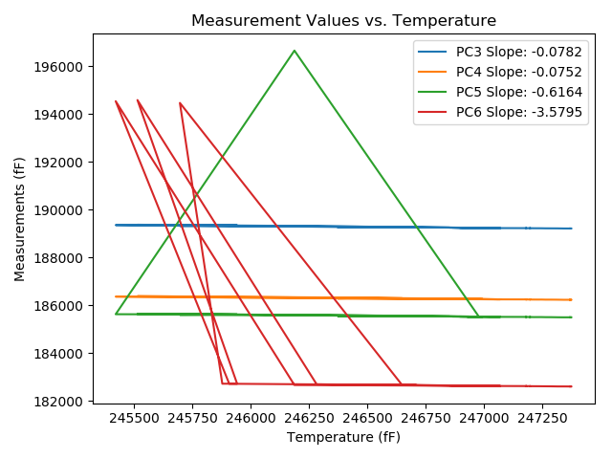
2018-06-11 | VA00002979C | 3474 | 246913.6 | 189244.9 | 186265.8 | 185533.2 | 182645.8 | 90822.26 | 0 | raw | 189209.25213 | 186231.52573 | 185252.10315 | 181013.56734
2018-06-11 | VA00002979C | 3475 | 246940.9 | 189244.3 | 186265.1 | 185533.6 | 182644.3 | 90812.4 | 0 | raw | 189210.78631 | 186232.87768 | 185269.33197 | 181109.78653
2018-06-11 | VA00002979C | 3476 | 246964.3 | 189242.2 | 186262.5 | 185531 | 182643.8 | 90803.27 | 0 | raw | 189210.51561 | 186232.03649 | 185281.15668 | 181193.04584
2018-06-11 | VA00002979C | 3477 | 246987.3 | 189239.4 | 186261 | 185530.4 | 182642.7 | 90793.62 | 0 | raw | 189209.51364 | 186232.26523 | 185294.73481 | 181274.27336
2018-06-11 | VA00002979C | 3478 | 247004.6 | 189238.1 | 186260.3 | 185528.9 | 182640.5 | 90786.7 | 0 | raw | 189209.56607 | 186232.86555 | 185303.89923 | 181333.99798
2018-06-11 | VA00002979C | 3479 | 247032.3 | 189237.4 | 186257.9 | 185525.9 | 182637.4 | 90776.1 | 0 | raw | 189211.03152 | 186232.54756 | 185317.97463 | 181430.04895
2018-06-11 | VA00002979C | 3480 | 247059.3 | 189233.7 | 186253.7 | 185522.3 | 182635.7 | 90766.24 | 0 | raw | 189209.44225 | 186230.37696 | 185331.01852 | 181524.99431
2018-06-11 | VA00002979C | 3481 | 247069.9 | 189233.6 | 186254.9 | 185521.8 | 182632.6 | 90761.2 | 0 | raw | 189210.17091 | 186232.37369 | 185337.05279 | 181559.83656
2018-06-11 | VA00002979C | 3482 | 247070.6 | 189234 | 186254.8 | 185522.6 | 182634 | 90760.26 | 0 | raw | 189210.62563 | 186232.3263 | 185338.2843 | 181563.74218
2018-06-11 | VA00002979C | 3483 | 247070.3 | 189233.4 | 186254 | 185522.7 | 182635.1 | 90759.74 | 0 | raw | 189210.00218 | 186231.50375 | 185338.19937 | 181563.76834
2018-06-11 | VA00002979C | 3484 | 247068 | 189233.8 | 186253.3 | 185519.9 | 182632.2 | 90759.53 | 0 | raw | 189210.22238 | 186230.63088 | 185333.98155 | 181552.63559
2018-06-11 | VA00002979C | 3485 | 247016.2 | 189239.7 | 186259.6 | 185525.2 | 182634.9 | 90777.88 | 0 | raw | 189212.0729 | 186233.03744 | 185307.34994 | 181369.91969
2018-06-11 | VA00002979C | 3486 | 246971.9 | 189245.2 | 186263.8 | 185530 | 182640 | 90792.26 | 0 | raw | 189214.10974 | 186233.90773 | 185284.84163 | 181216.44971
2018-06-11 | VA00002979C | 3487 | 246942.9 | 189245.6 | 186264.9 | 185531.5 | 182640.8 | 90799.81 | 0 | raw | 189212.24266 | 186232.828 | 185268.46485 | 181113.44544
2018-06-11 | VA00002979C | 3488 | 246984.2 | 189243.6 | 186265.2 | 185531.8 | 182641.8 | 90786.91 | 0 | raw | 189213.4713 | 186236.23223 | 185294.22384 | 181262.27704
2018-06-11 | VA00002979C | 3489 | 246995.8 | 189241.2 | 186261.7 | 185528.3 | 182638.7 | 90781.66 | 0 | raw | 189211.97813 | 186233.60412 | 185297.87455 | 181300.69875
2018-06-11 | VA00002979C | 3490 | 246976.3 | 189244.7 | 186263.6 | 185529.7 | 182639.6 | 90789.32 | 0 | raw | 189213.95371 | 186234.03844 | 185287.25396 | 181231.79933
2018-06-11 | VA00002979C | 3491 | 246975.3 | 189242.3 | 186263.6 | 185530.5 | 182638.9 | 90787.95 | 0 | raw | 189211.47554 | 186233.96328 | 185287.43752 | 181227.51987
2018-06-11 | VA00002979C | 3492 | 246944.5 | 189245.3 | 186264.9 | 185532.4 | 182642.7 | 90799.91 | 0 | raw | 189212.06774 | 186232.94826 | 185270.35116 | 181121.07258
2018-06-11 | VA00002979C | 3493 | 246931 | 189249.2 | 186269.3 | 185536 | 182644.1 | 90805.05 | 0 | raw | 189214.91238 | 186236.33356 | 185265.62921 | 181074.1499
2018-06-11 | VA00002979C | 3494 | 246975.2 | 189244.6 | 186265.4 | 185531.4 | 182641.7 | 90791.31 | 0 | raw | 189213.76772 | 186235.75576 | 185288.27588 | 181229.96192
2018-06-11 | VA00002979C | 3495 | 246898.2 | 189249.2 | 186267.5 | 185533.5 | 182642.5 | 90817.12 | 0 | raw | 189212.34824 | 186232.06822 | 185242.90996 | 180955.14369
2018-06-11 | VA00002979C | 3496 | 246896 | 189250.6 | 186270.1 | 185536 | 182645.5 | 90816.91 | 0 | raw | 189213.57625 | 186234.50286 | 185244.05379 | 180950.26888
2018-06-11 | VA00002979C | 3497 | 246978.7 | 189244.6 | 186265.2 | 185531.9 | 182641.5 | 90790.79 | 0 | raw | 189214.04133 | 186235.81883 | 185290.93342 | 181242.29003
2018-06-11 | VA00002979C | 3498 | 246187.8 | 189295.2 | 186313.3 | 196649.3 | 182672.7 | 91074.03 | 1 | raw | 189202.81261 | 186224.47252 | 195920.79065 | 178442.49701
2018-06-11 | VA00002979C | 3499 | 245421.3 | 189358.4 | 186368.8 | 185632.2 | 194534.2 | 91335.76 | 0 | raw | 189206.09136 | 186222.36018 | 184431.18903 | 187560.34276
2018-06-11 | VA00002979C | 3500 | 245908.2 | 189332.8 | 186352.9 | 185620.9 | 182726 | 91174 | 1 | raw | 189218.55484 | 186243.05698 | 184720.0339 | 177494.98067
2018-06-11 | VA00002979C | 3501 | 246456.3 | 189293.7 | 186316.2 | 185582.4 | 182688.4 | 90968.91 | 0 | raw | 189222.30264 | 186247.55375 | 185019.40492 | 179419.28138
2018-06-11 | VA00002979C | 3502 | 246649.9 | 189274.9 | 186297.4 | 185562.7 | 182669.7 | 90904.19 | 0 | raw | 189218.63735 | 186243.30528 | 185119.04779 | 180093.56437
2018-06-11 | VA00002979C | 3503 | 245696.6 | 189320.7 | 186339.3 | 185606.1 | 194463.5 | 91247.33 | 1 | raw | 189189.91298 | 186213.55252 | 184574.79509 | 188475.06744
2018-06-11 | VA00002979C | 3504 | 245878.5 | 189349.3 | 186360.3 | 185622.4 | 182727.9 | 91186.28 | 0 | raw | 189232.73304 | 186248.22464 | 184703.22562 | 177390.57078
2018-06-11 | VA00002979C | 3505 | 245942 | 189350 | 186361.8 | 185622.3 | 182728.2 | 91162.04 | 0 | raw | 189238.39716 | 186254.49748 | 184742.26959 | 177618.16633
2018-06-11 | VA00002979C | 3506 | 245514.6 | 189371.9 | 186384.3 | 185645.4 | 194581.7 | 91295.27 | 0 | raw | 189226.8851 | 186244.87287 | 184501.90293 | 187941.80616
2018-06-11 | VA00002979C | 3507 | 246283.1 | 189314.4 | 186335.8 | 185599.5 | 182704 | 91039.83 | 2 | raw | 189229.4627 | 186254.13554 | 184929.73743 | 178814.91932
2018-06-11 | VA00002979C | 3508 | 246729.1 | 189266.9 | 186293.7 | 185559.7 | 182668.7 | 90882.05 | 0 | raw | 189216.82882 | 186245.55818 | 185164.86988 | 180376.05741
2018-06-11 | VA00002979C | 3509 | 246926.1 | 189248.2 | 186273.3 | 185539.4 | 182649.4 | 90811.66 | 0 | raw | 189213.52932 | 186239.96527 | 185266.00865 | 181061.91056
2018-06-11 | VA00002979C | 3510 | 246943.8 | 189241.8 | 186264.5 | 185531.1 | 182645.2 | 90803.38 | 1 | raw | 189208.51302 | 186232.49565 | 185268.61965 | 181121.06696
2018-06-11 | VA00002979C | 3511 | 246976.4 | 189242.4 | 186263.8 | 185530 | 182640.1 | 90788.48 | 0 | raw | 189211.66153 | 186234.24596 | 185287.61561 | 181232.65727
2018-06-11 | VA00002979C | 3512 | 246927.7 | 189247.1 | 186267 | 185532.2 | 182643.7 | 90803.69 | 0 | raw | 189212.5544 | 186233.78553 | 185259.79496 | 181061.93769
2018-06-11 | VA00002979C | 3513 | 246968.7 | 189246.3 | 186266.8 | 185532.6 | 182642.5 | 90787.85 | 0 | raw | 189214.95958 | 186236.6672 | 185285.46902 | 181207.49545
2018-06-11 | VA00002979C | 3514 | 246868.9 | 189249.6 | 186268.9 | 185533.6 | 182644.6 | 90829.71 | 0 | raw | 189210.4577 | 186231.26595 | 185224.94826 | 180852.36558

VA00002981R
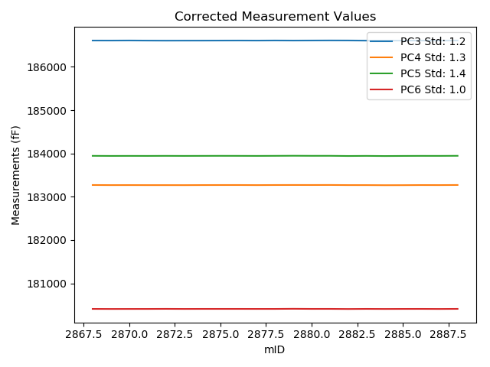
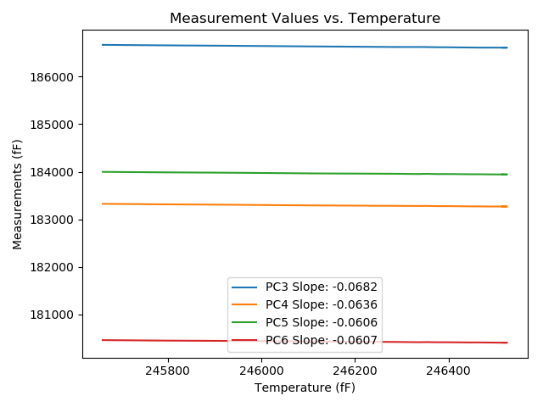
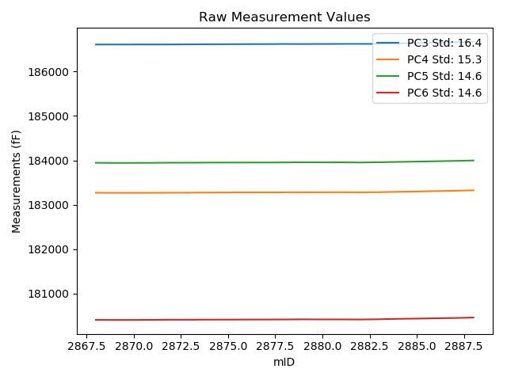
mTS | dos_ID | mID | PC1 | PC3 | PC4 | PC5 | PC6 | PC7 | TCPM | type | TC PC3 | TC PC4 | TC PC5 | TC PC6
2018-06-11 | VA00002981R | 2868 | 246514.8 | 186607.8 | 183270.4 | 183944.2 | 180408.1 | 87919.24 | 0 | raw | 186607.8 | 183270.4 | 183944.2 | 180408.1
2018-06-11 | VA00002981R | 2869 | 246520.6 | 186607.1 | 183268 | 183941.9 | 180406.3 | 87916.62 | 0 | raw | 186607.49573 | 183268.36886 | 183942.25169 | 180406.652
2018-06-11 | VA00002981R | 2870 | 246525.1 | 186608.2 | 183268.2 | 183942.4 | 180406.6 | 87915.47 | 0 | raw | 186608.90277 | 183268.85504 | 183943.02456 | 180407.2251
2018-06-11 | VA00002981R | 2871 | 246494.1 | 186608.3 | 183269.3 | 183943.7 | 180408.7 | 87927.01 | 0 | raw | 186606.88764 | 183267.98357 | 183942.44482 | 180407.44373
2018-06-11 | VA00002981R | 2872 | 246465.6 | 186608.8 | 183271.1 | 183946.8 | 180412 | 87938.02 | 0 | raw | 186605.44309 | 183267.97108 | 183943.81666 | 180409.01408
2018-06-11 | VA00002981R | 2873 | 246447.7 | 186610.8 | 183271.7 | 183946.6 | 180411.5 | 87944.11 | 0 | raw | 186606.22178 | 183267.43272 | 183942.53126 | 180407.42774
2018-06-11 | VA00002981R | 2874 | 246421.6 | 186612.8 | 183274.9 | 183949.1 | 180413.8 | 87954.81 | 0 | raw | 186606.44098 | 183268.97287 | 183943.44864 | 180408.14374
2018-06-11 | VA00002981R | 2875 | 246413.3 | 186614.4 | 183276.3 | 183950.5 | 180414.4 | 87956.59 | 0 | raw | 186607.47468 | 183269.84502 | 183944.34535 | 180408.24002
2018-06-11 | VA00002981R | 2876 | 246396.3 | 186616.2 | 183277.6 | 183951 | 180415.5 | 87963.3 | 0 | raw | 186608.11477 | 183270.06389 | 183943.81453 | 180408.3083
2018-06-11 | VA00002981R | 2877 | 246376.5 | 186616.6 | 183277 | 183951 | 180416.1 | 87970.65 | 0 | raw | 186607.16382 | 183268.2047 | 183942.61392 | 180407.70665
2018-06-11 | VA00002981R | 2878 | 246361.5 | 186619.5 | 183279.9 | 183953.6 | 180417.2 | 87975.68 | 0 | raw | 186609.04037 | 183270.15076 | 183944.30436 | 180407.8963
2018-06-11 | VA00002981R | 2879 | 246356.5 | 186618.3 | 183280.9 | 183955.8 | 180420.4 | 87977.47 | 0 | raw | 186607.49922 | 183270.83278 | 183946.20118 | 180410.79286
2018-06-11 | VA00002981R | 2880 | 246354.4 | 186619.6 | 183280.6 | 183954.3 | 180418 | 87976.84 | 0 | raw | 186608.65594 | 183270.39923 | 183944.57384 | 180408.26541
2018-06-11 | VA00002981R | 2881 | 246349.1 | 186621.3 | 183281.8 | 183955 | 180418.6 | 87979.98 | 0 | raw | 186609.99432 | 183271.26217 | 183944.95246 | 180408.54375
2018-06-11 | VA00002981R | 2882 | 246336.3 | 186621.3 | 183279.9 | 183951.7 | 180416.7 | 87983.87 | 0 | raw | 186609.12098 | 183268.54814 | 183940.87631 | 180405.86693
2018-06-11 | VA00002981R | 2883 | 246287.1 | 186621.6 | 183282.9 | 183957 | 180422.1 | 88005.69 | 0 | raw | 186606.06408 | 183268.41923 | 183943.19298 | 180408.28101
2018-06-11 | VA00002981R | 2884 | 246108 | 186633.9 | 183292 | 183964.6 | 180431.4 | 88070.2 | 0 | raw | 186606.14412 | 183266.12921 | 183939.93291 | 180406.71152
2018-06-11 | VA00002981R | 2885 | 246031.7 | 186639.6 | 183297.7 | 183971.4 | 180437.1 | 88095.8 | 0 | raw | 186606.63819 | 183266.97685 | 183942.10631 | 180407.78091
2018-06-11 | VA00002981R | 2886 | 245922.7 | 186648.3 | 183307 | 183979.3 | 180444.2 | 88134.3 | 0 | raw | 186607.90114 | 183269.3449 | 183943.39689 | 180408.26576
2018-06-11 | VA00002981R | 2887 | 245787.8 | 186656.6 | 183314.8 | 183987.2 | 180450.8 | 88182.03 | 0 | raw | 186606.99694 | 183268.56583 | 183943.11697 | 180406.67875
2018-06-11 | VA00002981R | 2888 | 245660.8 | 186666.7 | 183325.2 | 183996.9 | 180460.7 | 88227.77 | 0 | raw | 186608.43176 | 183270.88915 | 183945.11608 | 180408.87119

VA00002976I
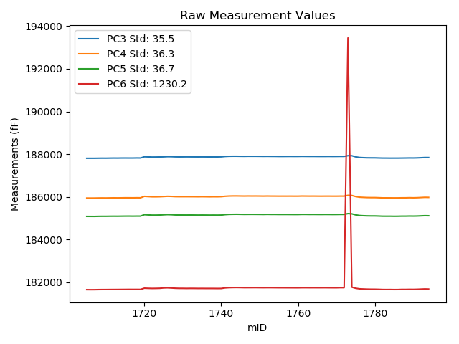
mTS | dos_ID | mID | PC1 | PC3 | PC4 | PC5 | PC6 | PC7 | TCPM | type | TC PC3 | TC PC4 | TC PC5 | TC PC6
2018-06-11 | VA00002976I | 1705 | 237259.8 | 187807.7 | 185946.7 | 185086.5 | 181659.1 | 90152.13 | 0 | raw | 187807.7 | 185946.7 | 185086.5 | 181659.1
2018-06-11 | VA00002976I | 1706 | 237261.6 | 187808.1 | 185945.7 | 185085.6 | 181657.2 | 90152.34 | 0 | raw | 187808.23006 | 185945.83351 | 185085.73527 | 181658.349
2018-06-11 | VA00002976I | 1707 | 237242.1 | 187808.3 | 185946.7 | 185084.7 | 181657.9 | 90159.58 | 0 | raw | 187807.02111 | 185945.38712 | 185083.36984 | 181646.60149
2018-06-11 | VA00002976I | 1708 | 237208.3 | 187811.1 | 185950.3 | 185089.5 | 181662.1 | 90174.06 | 0 | raw | 187807.37892 | 185946.48002 | 185085.62975 | 181629.22582
2018-06-11 | VA00002976I | 1709 | 237185.9 | 187813.2 | 185952.4 | 185091.7 | 181663.8 | 90181.71 | 0 | raw | 187807.86044 | 185946.91852 | 185086.14638 | 181616.62714
2018-06-11 | VA00002976I | 1710 | 237161.8 | 187812.1 | 185950.5 | 185091.5 | 181664.2 | 90190.84 | 0 | raw | 187805.01912 | 185943.23092 | 185084.13525 | 181601.6433
2018-06-11 | VA00002976I | 1711 | 237144 | 187815.3 | 185953.9 | 185094.2 | 181666.1 | 90197.34 | 0 | raw | 187806.933 | 185945.31062 | 185085.49758 | 181592.18096
2018-06-11 | VA00002976I | 1712 | 237137.7 | 187817.9 | 185956.9 | 185095.5 | 181666.9 | 90200.28 | 0 | raw | 187809.0778 | 185947.84332 | 185086.32413 | 181588.95946
2018-06-11 | VA00002976I | 1713 | 237118.9 | 187816.6 | 185954.8 | 185094.6 | 181667.8 | 90207.52 | 0 | raw | 187806.41943 | 185944.34884 | 185084.0113 | 181577.85878
2018-06-11 | VA00002976I | 1714 | 237097.2 | 187819.6 | 185956.8 | 185097.1 | 181669.5 | 90217.7 | 0 | raw | 187807.85152 | 185944.73926 | 185084.88054 | 181565.70694
2018-06-11 | VA00002976I | 1715 | 237096.1 | 187820.3 | 185959.9 | 185099.4 | 181670.7 | 90215.7 | 0 | raw | 187808.47204 | 185947.75767 | 185087.09787 | 181566.20478
2018-06-11 | VA00002976I | 1716 | 237094.4 | 187819.3 | 185959.4 | 185100.3 | 181672.4 | 90216.86 | 0 | raw | 187807.3492 | 185947.13157 | 185087.87011 | 181566.81961
2018-06-11 | VA00002976I | 1717 | 237086.4 | 187819.3 | 185958.2 | 185097.9 | 181671.5 | 90219.16 | 0 | raw | 187806.77117 | 185945.33818 | 185084.86891 | 181560.81294
2018-06-11 | VA00002976I | 1718 | 237076.3 | 187823.2 | 185961 | 185100.5 | 181671.9 | 90223.36 | 0 | raw | 187809.94141 | 185947.38902 | 185086.70989 | 181554.76577
2018-06-11 | VA00002976I | 1719 | 237077.9 | 187821.2 | 185959.6 | 185100 | 181671.2 | 90221.58 | 0 | raw | 187808.05702 | 185946.1077 | 185086.33013 | 181555.0871
2018-06-11 | VA00002976I | 1720 | 235966.8 | 187878.7 | 186027.6 | 185167.4 | 181727.6 | 90630.49 | 0 | raw | 187785.2757 | 185931.69265 | 185070.23046 | 180902.23455
2018-06-11 | VA00002976I | 1721 | 236416.7 | 187872.3 | 186016.7 | 185155.9 | 181720.9 | 90467.89 | 0 | raw | 187811.38273 | 185954.16366 | 185092.54065 | 181182.72087
2018-06-11 | VA00002976I | 1722 | 236498 | 187865.4 | 186006.7 | 185146.6 | 181716 | 90446.28 | 0 | raw | 187810.35698 | 185950.19403 | 185089.35038 | 181229.7174
2018-06-11 | VA00002976I | 1723 | 236436.9 | 187866.7 | 186006.4 | 185146.4 | 181718.3 | 90472.51 | 0 | raw | 187807.24226 | 185945.36198 | 185084.55869 | 181193.01521
2018-06-11 | VA00002976I | 1724 | 236352.3 | 187870.3 | 186010.2 | 185150.2 | 181722.7 | 90506.92 | 1 | raw | 187804.72958 | 185942.88684 | 185082.00096 | 181143.41218
2018-06-11 | VA00002976I | 1725 | 235900.9 | 187875.3 | 186019.1 | 185162.4 | 181739.7 | 90716.09 | 1 | raw | 187777.11417 | 185918.30457 | 185060.27804 | 180872.26836
2018-06-11 | VA00002976I | 1726 | 235992.2 | 187884.3 | 186029.1 | 185171.3 | 181745.3 | 90661.02 | 0 | raw | 187792.71095 | 185935.07668 | 185076.03928 | 180936.14822
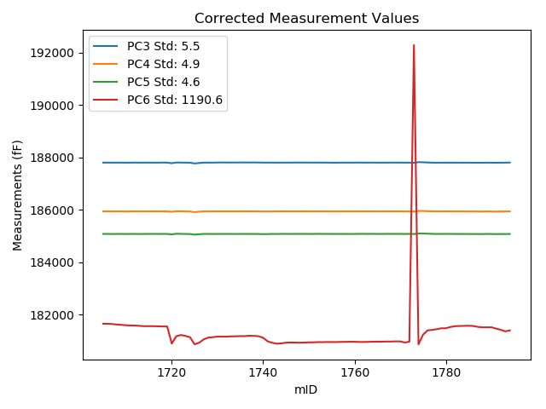
2018-06-11 | VA00002976I | 1727 | 236204.3 | 187883.2 | 186024.7 | 185166.7 | 181736.7 | 90569.54 | 0 | raw | 187806.93601 | 185946.40904 | 185087.37869 | 181062.9388
2018-06-11 | VA00002976I | 1728 | 236328.6 | 187875.6 | 186014.8 | 185155.3 | 181725.7 | 90519.19 | 0 | raw | 187808.31717 | 185945.72891 | 185085.31989 | 181131.28367
2018-06-11 | VA00002976I | 1729 | 236362.8 | 187872.7 | 186012 | 185151.4 | 181719.7 | 90507.13 | 0 | raw | 187807.88825 | 185945.46567 | 185083.99004 | 181147.11469
2018-06-11 | VA00002976I | 1730 | 236397.2 | 187874.1 | 186012.4 | 185150.6 | 181719.5 | 90493.28 | 0 | raw | 187811.77378 | 185948.41726 | 185085.77521 | 181168.87337
2018-06-11 | VA00002976I | 1731 | 236397.2 | 187875.9 | 186012.6 | 185149.6 | 181716.4 | 90493.7 | 0 | raw | 187813.57378 | 185948.61726 | 185084.77521 | 181165.77337
2018-06-11 | VA00002976I | 1732 | 236394.2 | 187874.6 | 186011.6 | 185151.5 | 181718.9 | 90493.7 | 0 | raw | 187812.05702 | 185947.39474 | 185086.44976 | 181166.35836
2018-06-11 | VA00002976I | 1733 | 236413 | 187873.6 | 186011.2 | 185149.7 | 181718.1 | 90486.98 | 0 | raw | 187812.4154 | 185948.38922 | 185086.06259 | 181177.55904
2018-06-11 | VA00002976I | 1734 | 236420.7 | 187872.7 | 186009.1 | 185147.3 | 181715.6 | 90483 | 0 | raw | 187812.07175 | 185946.86036 | 185084.24125 | 181179.97421
2018-06-11 | VA00002976I | 1735 | 236430.2 | 187874.4 | 186011.9 | 185149.6 | 181716.7 | 90475.34 | 0 | raw | 187814.45816 | 185950.36501 | 185087.25518 | 181187.13838
2018-06-11 | VA00002976I | 1736 | 236428.1 | 187873.1 | 186009.7 | 185148 | 181715.2 | 90477.75 | 0 | raw | 187813.00643 | 185948.00925 | 185085.49736 | 181184.29788
2018-06-11 | VA00002976I | 1737 | 236453.7 | 187870.9 | 186006.7 | 185145.8 | 181715.3 | 90467.68 | 0 | raw | 187812.65613 | 185946.90811 | 185085.22121 | 181200.73922
2018-06-11 | VA00002976I | 1738 | 236445.5 | 187873 | 186009.7 | 185147.7 | 181715 | 90470.09 | 0 | raw | 187814.16365 | 185949.29988 | 185086.50498 | 181195.20488
2018-06-11 | VA00002976I | 1739 | 236427.7 | 187871.8 | 186008.3 | 185145.6 | 181713.2 | 90475.44 | 0 | raw | 187811.67753 | 185946.57958 | 185083.0673 | 181182.04254
2018-06-11 | VA00002976I | 1740 | 236333.9 | 187876 | 186013 | 185148.6 | 181714.4 | 90514.68 | 2 | raw | 187809.10011 | 185944.32203 | 185079.01819 | 181123.36684
2018-06-11 | VA00002976I | 1741 | 236075.9 | 187893.7 | 186030.7 | 185170.1 | 181741.2 | 90623.25 | 0 | raw | 187808.1586 | 185942.88507 | 185081.12937 | 180985.47675
2018-06-11 | VA00002976I | 1742 | 235975.3 | 187902.1 | 186041.4 | 185181.9 | 181752.6 | 90657.03 | 1 | raw | 187809.28986 | 185946.12313 | 185085.36923 | 180932.66038
2018-06-11 | VA00002976I | 1743 | 235912.7 | 187904.5 | 186045.6 | 185185.5 | 181757.5 | 90684.52 | 0 | raw | 187807.16677 | 185945.67982 | 185084.26482 | 180897.6007
2018-06-11 | VA00002976I | 1744 | 235928.9 | 187904.6 | 186046.1 | 185187.4 | 181759.6 | 90677.49 | 0 | raw | 187808.43728 | 185947.38145 | 185087.38225 | 180910.0417
2018-06-11 | VA00002976I | 1745 | 235973.5 | 187901.7 | 186043.1 | 185184.5 | 181756.9 | 90658.82 | 0 | raw | 187808.75981 | 185947.68962 | 185087.83396 | 180935.81138
2018-06-11 | VA00002976I | 1746 | 235991.6 | 187899.8 | 186040.6 | 185181.4 | 181752.6 | 90652.1 | 0 | raw | 187808.1676 | 185946.53217 | 185086.09419 | 180943.06522
2018-06-11 | VA00002976I | 1747 | 235985.1 | 187902.9 | 186043.6 | 185183 | 181753.2 | 90654.62 | 0 | raw | 187810.79795 | 185949.05004 | 185087.20571 | 180939.51605
2018-06-11 | VA00002976I | 1748 | 235978.2 | 187902.6 | 186041.8 | 185183.6 | 181753.9 | 90657.03 | 0 | raw | 187809.9994 | 185946.73824 | 185087.28717 | 180935.81155
2018-06-11 | VA00002976I | 1749 | 235983 | 187902.6 | 186042.7 | 185182.7 | 181754.9 | 90654.62 | 0 | raw | 187810.34622 | 185947.99428 | 185086.74789 | 180939.87555
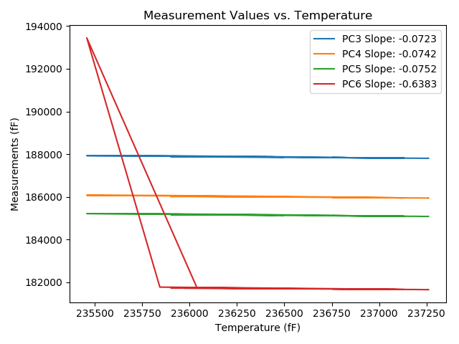
2018-06-11 | VA00002976I | 1750 | 236001.1 | 187901 | 186040.9 | 185181.5 | 181752.8 | 90648.54 | 0 | raw | 187810.05401 | 185947.53683 | 185086.90812 | 180949.32939
2018-06-11 | VA00002976I | 1751 | 236004.4 | 187898.8 | 186038.5 | 185179.2 | 181751.4 | 90647.7 | 0 | raw | 187808.09245 | 185945.38161 | 185084.85611 | 180950.03589
2018-06-11 | VA00002976I | 1752 | 236014 | 187900.4 | 186041.9 | 185183.4 | 181753.2 | 90645.18 | 0 | raw | 187810.38609 | 185949.49368 | 185089.77756 | 180957.9639
2018-06-11 | VA00002976I | 1753 | 236013.5 | 187898.4 | 186039.1 | 185180.2 | 181752.8 | 90645.18 | 0 | raw | 187808.34996 | 185946.65659 | 185086.53998 | 180957.24473
2018-06-11 | VA00002976I | 1754 | 236023.7 | 187897.6 | 186038.5 | 185180.6 | 181751.2 | 90639.83 | 0 | raw | 187808.28695 | 185946.81317 | 185087.70652 | 180962.15574
2018-06-11 | VA00002976I | 1755 | 236023.4 | 187894.9 | 186036.7 | 185178.2 | 181749.7 | 90638.78 | 0 | raw | 187805.56527 | 185944.99092 | 185085.28397 | 180960.46423
2018-06-11 | VA00002976I | 1756 | 236022.5 | 187894.7 | 186037.2 | 185178 | 181749.6 | 90639.41 | 0 | raw | 187805.30025 | 185945.42416 | 185085.01634 | 180959.78973
2018-06-11 | VA00002976I | 1757 | 236033.4 | 187896 | 186036.7 | 185178.5 | 181748.7 | 90634.58 | 0 | raw | 187807.38781 | 185945.73266 | 185086.33548 | 180965.84757
2018-06-11 | VA00002976I | 1758 | 236036.3 | 187897 | 186037.8 | 185177.1 | 181748.2 | 90634.16 | 0 | raw | 187808.59735 | 185947.04776 | 185085.15341 | 180967.19874
2018-06-11 | VA00002976I | 1759 | 236045.4 | 187895.7 | 186036 | 185176.1 | 181747.4 | 90630.6 | 0 | raw | 187807.95486 | 185945.92275 | 185084.83728 | 180972.20758
2018-06-11 | VA00002976I | 1760 | 236042.5 | 187896.3 | 186036.3 | 185176.3 | 181747.1 | 90631.65 | 0 | raw | 187808.34532 | 185946.00765 | 185084.81935 | 180970.05641
2018-06-11 | VA00002976I | 1761 | 236026.7 | 187899.1 | 186041.4 | 185181.3 | 181750.4 | 90635 | 0 | raw | 187810.00371 | 185949.93569 | 185088.63197 | 180963.27074
2018-06-11 | VA00002976I | 1762 | 236025.4 | 187897.6 | 186039.6 | 185181.3 | 181750.8 | 90638.68 | 0 | raw | 187808.40978 | 185948.03927 | 185088.53427 | 180962.8409
2018-06-11 | VA00002976I | 1763 | 236033.9 | 187896.3 | 186037.9 | 185178.6 | 181749.5 | 90634.37 | 0 | raw | 187807.72394 | 185946.96975 | 185086.47305 | 180966.96674
2018-06-11 | VA00002976I | 1764 | 236042.8 | 187896.7 | 186038.8 | 185179.7 | 181750.3 | 90632.17 | 0 | raw | 187808.767 | 185948.5299 | 185088.24189 | 180973.44791
2018-06-11 | VA00002976I | 1765 | 236047.6 | 187895.1 | 186037.1 | 185178.3 | 181749.7 | 90628.5 | 0 | raw | 187807.51382 | 185947.18593 | 185087.20261 | 180975.91191
2018-06-11 | VA00002976I | 1766 | 236045.4 | 187894.5 | 186035.6 | 185177.2 | 181749.6 | 90629.34 | 0 | raw | 187806.75486 | 185945.52275 | 185085.93728 | 180974.40758
2018-06-11 | VA00002976I | 1767 | 236053.4 | 187894.7 | 186037.1 | 185179.1 | 181750.8 | 90626.3 | 0 | raw | 187807.53289 | 185947.61615 | 185088.43849 | 180980.71425
2018-06-11 | VA00002976I | 1768 | 236053.8 | 187896.1 | 186037.5 | 185178.4 | 181749.1 | 90625.88 | 0 | raw | 187808.96179 | 185948.04581 | 185087.76855 | 180979.26958
2018-06-11 | VA00002976I | 1769 | 236067.1 | 187894.3 | 186035.9 | 185176.4 | 181748.3 | 90621.16 | 0 | raw | 187808.12277 | 185947.43233 | 185086.76805 | 180986.95942
2018-06-11 | VA00002976I | 1770 | 236064.6 | 187895.5 | 186036 | 185177.7 | 181747.7 | 90622.42 | 0 | raw | 187809.14214 | 185947.3469 | 185087.88017 | 180984.76358
2018-06-11 | VA00002976I | 1771 | 235989.2 | 187897.7 | 186038.5 | 185180.3 | 181753.1 | 90652.21 | 0 | raw | 187805.89419 | 185944.25416 | 185084.81383 | 180942.03322
2018-06-11 | VA00002976I | 1772 | 236038.5 | 187896.8 | 186038.1 | 185180.1 | 181752 | 90632.49 | 0 | raw | 187808.55631 | 185947.51095 | 185088.31874 | 180972.40307
2018-06-11 | VA00002976I | 1773 | 235457 | 187930.8 | 186075.2 | 185218.6 | 193444.6 | 90837.15 | 3 | raw | 187800.54066 | 185941.4786 | 185083.11875 | 192293.81204
2018-06-11 | VA00002976I | 1774 | 235842.8 | 187928.5 | 186068.3 | 185207.7 | 181775.9 | 90700.67 | 0 | raw | 187826.11622 | 185963.19504 | 185101.2118 | 180871.38117
2018-06-11 | VA00002976I | 1775 | 236507.4 | 187874.7 | 186018.5 | 185158.1 | 181724 | 90432.96 | 1 | raw | 187820.33616 | 185962.69127 | 185101.55679 | 181243.71774
2018-06-11 | VA00002976I | 1776 | 236803.7 | 187845.6 | 185988.6 | 185129.5 | 181697 | 90324.59 | 0 | raw | 187812.645 | 185954.76911 | 185095.22388 | 181405.85601
2018-06-11 | VA00002976I | 1777 | 236842.5 | 187836.7 | 185979.5 | 185119.3 | 181689.2 | 90314.94 | 0 | raw | 187806.54845 | 185948.54707 | 185087.93971 | 181422.82335
2018-06-11 | VA00002976I | 1778 | 236898 | 187830.2 | 185971.8 | 185112.5 | 181682.4 | 90293.75 | 0 | raw | 187804.05854 | 185944.96374 | 185085.31056 | 181451.45087
2018-06-11 | VA00002976I | 1779 | 236957.6 | 187828.3 | 185969.2 | 185109.4 | 181678.6 | 90269.62 | 0 | raw | 187806.46487 | 185946.78453 | 185086.68953 | 181485.69556
2018-06-11 | VA00002976I | 1780 | 236959.5 | 187827.9 | 185969.5 | 185109.5 | 181677.8 | 90264.38 | 1 | raw | 187806.20215 | 185947.22546 | 185086.93232 | 181486.1084
2018-06-11 | VA00002976I | 1781 | 237044.8 | 187822 | 185963 | 185103.6 | 181673.4 | 90231.54 | 0 | raw | 187806.46541 | 185947.05253 | 185087.44265 | 181536.15826
2018-06-11 | VA00002976I | 1782 | 237102.2 | 187817.3 | 185956.4 | 185096.4 | 181666.7 | 90210.14 | 0 | raw | 187805.91278 | 185944.71013 | 185084.55629 | 181566.09861
2018-06-11 | VA00002976I | 1783 | 237114.3 | 187816.7 | 185956.2 | 185095.7 | 181665.1 | 90206.68 | 0 | raw | 187806.18706 | 185945.40764 | 185084.76561 | 181572.22245
2018-06-11 | VA00002976I | 1784 | 237121.4 | 187814.7 | 185955.6 | 185096.1 | 181666.3 | 90202.8 | 0 | raw | 187804.70006 | 185945.33428 | 185085.69918 | 181577.95462
2018-06-11 | VA00002976I | 1785 | 237132.3 | 187815.3 | 185954 | 185092.5 | 181662.8 | 90198.18 | 0 | raw | 187806.08763 | 185944.54278 | 185082.91832 | 181581.41246
2018-06-11 | VA00002976I | 1786 | 237116.5 | 187815.4 | 185954.6 | 185094.4 | 181663.9 | 90206.37 | 0 | raw | 187805.04602 | 185943.97083 | 185083.63094 | 181572.42678
2018-06-11 | VA00002976I | 1787 | 237054.7 | 187817.9 | 185958.2 | 185098.8 | 181670.3 | 90230.07 | 0 | raw | 187803.08072 | 185942.98685 | 185083.38664 | 181539.37776
2018-06-11 | VA00002976I | 1788 | 237026.6 | 187820.1 | 185958.7 | 185098.7 | 181669.9 | 90241.4 | 0 | raw | 187803.25039 | 185941.40256 | 185081.17491 | 181521.04059
2018-06-11 | VA00002976I | 1789 | 237026.7 | 187823.2 | 185963.5 | 185103.4 | 181673.5 | 90238.05 | 0 | raw | 187806.35762 | 185946.20997 | 185085.88243 | 181524.70442
2018-06-11 | VA00002976I | 1790 | 237023.5 | 187821.9 | 185959.9 | 185101.2 | 181671.8 | 90236.79 | 0 | raw | 187804.8264 | 185942.37262 | 185083.44195 | 181520.96175
2018-06-11 | VA00002976I | 1791 | 236942.4 | 187826.2 | 185963.8 | 185104.4 | 181676.1 | 90270.46 | 0 | raw | 187803.26661 | 185940.25708 | 185080.54724 | 181473.49289
2018-06-11 | VA00002976I | 1792 | 236855.2 | 187834.4 | 185972.8 | 185112.8 | 181683.9 | 90302.56 | 0 | raw | 187805.16607 | 185942.78909 | 185082.39412 | 181425.63019
2018-06-11 | VA00002976I | 1793 | 236753.3 | 187843.4 | 185982.2 | 185121.1 | 181691.6 | 90340.75 | 0 | raw | 187806.8034 | 185944.63073 | 185083.03629 | 181368.28399
2018-06-11 | VA00002976I | 1794 | 236816.9 | 187842.3 | 185978.9 | 185117.3 | 181686.6 | 90312.32 | 0 | raw | 187810.29875 | 185946.04821 | 185084.01586 | 181403.88201

