Report_Template
PSU Name: |  |  |  |  |  | Stage: |  |  |  |  |  | HW_Version
PSU P/N: |  |  |  |  |  | Power(W): |  |  |  |  |  | FW_Version_Pri.
Test Date: |  |  |  |  |  | Tester: |  |  |  |  |  | FW_Version_Sec.
Test Method Doc. No.

Objective: |  | Function |  |  |  |  |  |  |  |  |  | Test Station:
Capacitive Load: |  | 12V= Min Cap; Vsb= Min Cap |  |  |  |  |  |  |  |  |  | Test Duration:
PSU Requirement: |  | 1
Measured point: |  | +12V, Vin
Note by Tester:
Result Table: |  | 0 | Pass= |  | 0 | Fail= | 0 | Warning= |  | 0
Test Item | Judgement (Pass/Fail) | Input cond. |  |  |  | Transient Volt. | Duration of Transient |  | Phase |  | Output |  | Load cond. |  | PSON State | Output |  |  |  | PWOK |  | 79h | 7Ah | 7Bh | 7Ch | Figure No. | Other
 |  |  |  |  |  |  |  |  |  |  |  |  |  |  |  | Spec Min. | Spec Max. | Min.(V) | Max.(V) | Spec Min. | Meausre |  |  |  |  | No. | Remark
 |  | Volt. (V) |  | Freq (Hz) |  | Volt. (V) | (ms) |  | (Deg) |  |  |  | (%) | (A) |  | (V) | (V) | (V) | (V) | (V) | (V) | Hex_String | Hex_String | Hex_String | Hex_String
!Index | !PassFailStr | !Input.Voltage |  | !Input.Frequency |  | !Transent_Volt | !Transent_Duration |  | !Transent_StartDeg |  | Vout_1 |  | !Load[0] | !LoadA[0] | !PSU1_PSON | !Spec1.LowerSpec | !Spec2.UpperSpec | !Spec1.MeasureData | !Spec2.MeasureData | !Spec5.LowerSpec | !Spec5.MeasureData | !Check_After_Test.Status79h[0].MeasureData_Hex | !Check_After_Test.Status7Ah[0].MeasureData_Hex | !Check_After_Test.Status7Bh[0].MeasureData_Hex | !Check_After_Test.Status7Ch[0].MeasureData_Hex | !Index | !Remark
 |  |  |  |  |  |  |  |  |  |  | Vout_2 |  | !Load[1] | !LoadA[1] |  | !Spec3.LowerSpec | !Spec4.UpperSpec | !Spec3.MeasureData | !Spec4.MeasureData

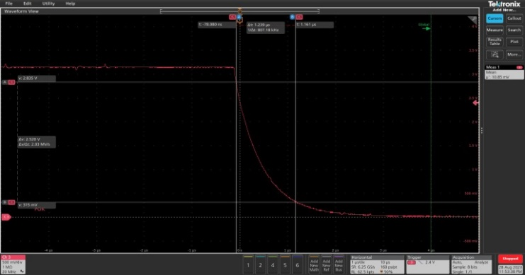
Fig.!Index

