4. Drop-downs and spinners
3. Drop-downs & ActiveX
Making your dashboard interactive with spinners and drop-downs

To insert spinners & drop-down menus you need to have the 'developer' ribbon turned on

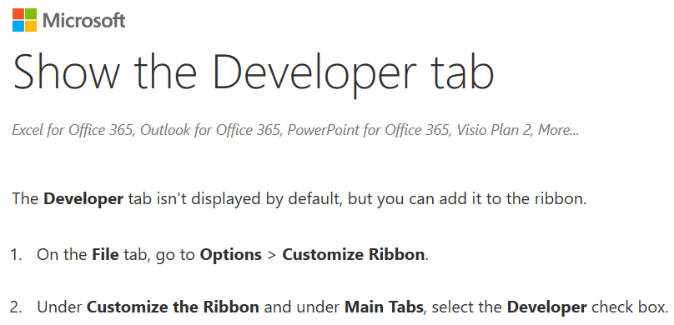

To insert spinners & drop-down menus you need to have the 'developer' ribbon turned on

Spinners |  |  | Drop-downs

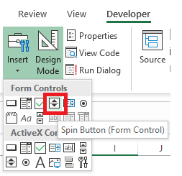
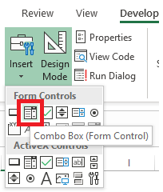

TRY: Insert your own spinner and drop-down in the boxes below

To 'set-up' your spinner or drop-down, right click it and select 'format control'

 |  |  |  | Input range = your list of text labels / questions
 |  |  |  | Cell link = the cell where the selected option is recorded

TRY: Insert your own drop-down in the box below

FRUITS
Apple
Watermelon
Orange
Pear
Cherry
Strawberry
Nectarine
Grape
Mango | Hint: Input range = B90:B100
Blueberry | Cell link: | 5
 | Text: | Cherry

5. Control sheets
Contents
 | 4. Control sheets
 | Keeping your dashboard organised and easy to check

 | It's good practice to have a 'control' sheet in your dashboard.

 | It contains all the hidden formulas that the dashboard needs to work properly.

 | For example all the lists for your drop-downs etc.

 | The control sheet is a sheet you can hide once your dashboard is complete.

 | Example of a basic control sheet. Each dashboard will have it’s own unique control sheet.
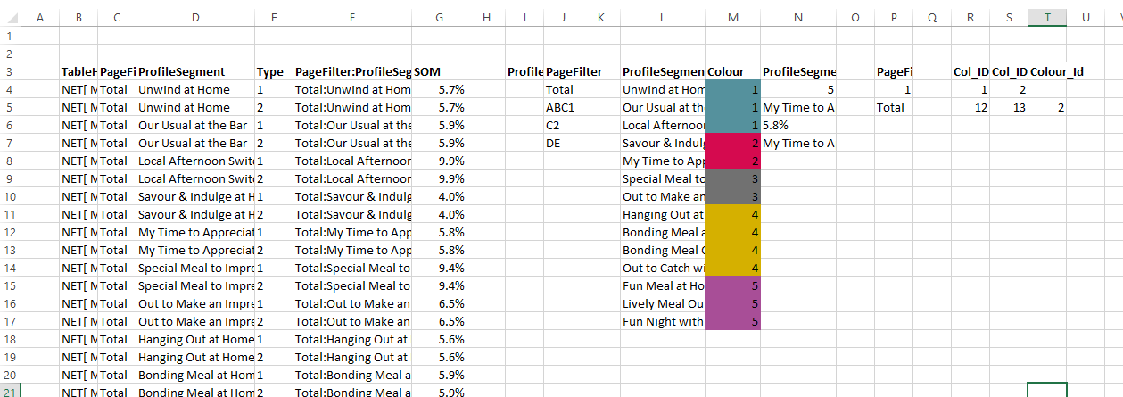

Lists for the drop-down menus
Colour theme for each of the segments
Recoding current 'state' of drop-down menus (i.e. what's selected)

The unique ID 'loop-up' table for using Index-Match

7. Named Range
Contents
 | 6. Named & Dynamic Named Ranges
 | Give your range of cells a name to make creating and checking your dashboard easier

 | You can give any range of cells it's own name, so you can refer to the cells using the name rather than the range.
 | Named ranges can make your dashboard easier to develop. Rather than remember that range "B10:B16" is your fruit list, you could call it 'fruit_list'

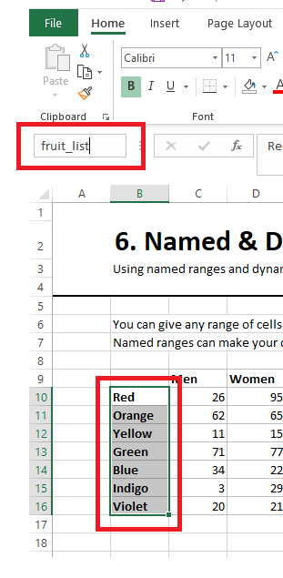
 | Creating a named range
 |  |  |  |  |  | 1. Select a range.
 |  | Men | Women | Adults | Kids | 2. In the top left of your spreadsheet,
 | Red | 26 | 95 | 84 | 45 | write your name an hit return.
 | Orange | 62 | 65 | 16 | 74
 | Yellow | 11 | 15 | 100 | 53
 | Green | 71 | 77 | 79 | 81
 | Blue | 34 | 22 | 63 | 57
 | Indigo | 3 | 29 | 96 | 55
 | Violet | 20 | 21 | 46 | 5

 | Sum using
 | Range |  | 1405 |  | =SUM(C12:F18)
 | Named range |  | 1405 |  | =SUM(like_data)

 | Using a named range in a drop-down box

 | Rather than putting a 'range' in input range, you can put the name of your range
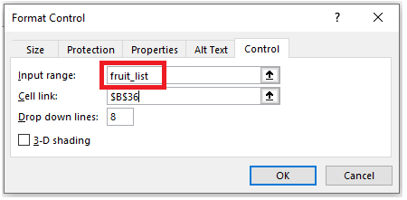

 | TRY: Create a named range for the sub-groups (men, women, adults, kids) and use it in a drop-down

8. Charts
Contents
 | 7. Charts
 | Worked example of going from data to interactive chart

 | 1. Set-up data with a unique ID which can be used with Index/Match |  |  |  |  |  |  | 2. Set-up control sheet with your lists

 | Brand/Category | Demand Space | Key | Base | Fit | Vertical | Bubble | Category List |  | Selected
 | Total | Usual At The Bar | Total:Usual At The Bar | 475523 | 0.0 | 100.0 | 0.0 | Total |  | 3
 | Total | Usual Choice At Home | Total:Usual Choice At Home | 475523 | 0.0 | 100.0 | 0.1 | Ale/Bitter |  | Cider
 | Total | Out to Savour (& Appreciate) | Total:Out to Savour (& Appreciate) | 475523 | 0.0 | 100.0 | 0.1 | Cider
 | Total | Indulgent Relax At Home | Total:Indulgent Relax At Home | 475523 | 0.0 | 100.0 | 0.2 | Lager
 | Total | Out To Switch Off and Catch Up | Total:Out To Switch Off and Catch Up | 475523 | 0.0 | 100.0 | 0.0 | RTDs
 | Total | Casual Hangout At Home | Total:Casual Hangout At Home | 475523 | 0.0 | 100.0 | 0.1 | Stout
 | Total | Planned Meal Out | Total:Planned Meal Out | 475523 | (0.0) | 100.0 | 0.1 | Brandy/Cognac
 | Total | Grab Some Food Out | Total:Grab Some Food Out | 475523 | (0.0) | 100.0 | 0.1
 | Total | Usual Meal Accompaniment @ Home | Total:Usual Meal Accompaniment @ Home | 475523 | 0.0 | 100.0 | 0.2 | 3. Create the required data extract (e.g. sub-category profile)
 | Total | Meal With Friends At Home | Total:Meal With Friends At Home | 475523 | 0.0 | 100.0 | 0.1
 | Total | Lively Night Out With Friends | Total:Lively Night Out With Friends | 475523 | (0.1) | 100.0 | 0.1 | Category:
 | Total | Lively Gathering At Home | Total:Lively Gathering At Home | 475523 | (0.1) | 100.0 | 0.1
 | Ale/Bitter | Usual At The Bar | Ale/Bitter:Usual At The Bar | 286 | (0.1) | 32.7 | 0.0 | Cider brand fit report (n=59)
 | Ale/Bitter | Usual Choice At Home | Ale/Bitter:Usual Choice At Home | 286 | 0.1 | 105.3 | 0.1 | Segment | Base | Fit | Vertical | Bubble | (hidden)
 | Ale/Bitter | Out to Savour (& Appreciate) | Ale/Bitter:Out to Savour (& Appreciate) | 286 | 0.3 | 206.0 | 0.1 | Usual At The Bar | 59 | (0.3) | 193.5 | 0.1 | 33
 | Ale/Bitter | Indulgent Relax At Home | Ale/Bitter:Indulgent Relax At Home | 286 | 0.3 | 150.1 | 0.2 | Usual Choice At Home | 59 | (0.1) | 82.2 | 0.0 | 34
 | Ale/Bitter | Out To Switch Off and Catch Up | Ale/Bitter:Out To Switch Off and Catch Up | 286 | 0.3 | 153.2 | 0.1 | Out to Savour (& Appreciate) | 59 | 0.2 | 180.9 | 0.1 | 35
 | Ale/Bitter | Casual Hangout At Home | Ale/Bitter:Casual Hangout At Home | 286 | 0.3 | 110.5 | 0.1 | Indulgent Relax At Home | 59 | 0.0 | 107.0 | 0.2 | 36
 | Ale/Bitter | Planned Meal Out | Ale/Bitter:Planned Meal Out | 286 | (0.4) | 94.2 | 0.1 | Out To Switch Off and Catch Up | 59 | 0.2 | 183.8 | 0.1 | 37
 | Ale/Bitter | Grab Some Food Out | Ale/Bitter:Grab Some Food Out | 286 | (0.4) | 54.3 | 0.0 | Casual Hangout At Home | 59 | 0.2 | 108.9 | 0.1 | 38
 | Ale/Bitter | Usual Meal Accompaniment @ Home | Ale/Bitter:Usual Meal Accompaniment @ Home | 286 | (0.1) | 63.8 | 0.1 | Planned Meal Out | 59 | (0.2) | 16.2 | 0.0 | 39
 | Ale/Bitter | Meal With Friends At Home | Ale/Bitter:Meal With Friends At Home | 286 | 0.1 | 96.6 | 0.1 | Grab Some Food Out | 59 | (0.3) | 31.5 | 0.0 | 40
 | Ale/Bitter | Lively Night Out With Friends | Ale/Bitter:Lively Night Out With Friends | 286 | (0.1) | 104.1 | 0.1 | Usual Meal Accompaniment @ Home | 59 | (0.1) | 53.8 | 0.1 | 41
 | Ale/Bitter | Lively Gathering At Home | Ale/Bitter:Lively Gathering At Home | 286 | (0.1) | 43.2 | 0.0 | Meal With Friends At Home | 59 | 0.1 | 104.2 | 0.1 | 42
 | Cider | Usual At The Bar | Cider:Usual At The Bar | 59 | (0.3) | 193.5 | 0.1 | Lively Night Out With Friends | 59 | 0.2 | 191.4 | 0.2 | 43
 | Cider | Usual Choice At Home | Cider:Usual Choice At Home | 59 | (0.1) | 82.2 | 0.0 | Lively Gathering At Home | 59 | 0.2 | 89.9 | 0.1 | 44
 | Cider | Out to Savour (& Appreciate) | Cider:Out to Savour (& Appreciate) | 59 | 0.2 | 180.9 | 0.1
 | Cider | Indulgent Relax At Home | Cider:Indulgent Relax At Home | 59 | 0.0 | 107.0 | 0.2 | 4. Create required visualisation
 | Cider | Out To Switch Off and Catch Up | Cider:Out To Switch Off and Catch Up | 59 | 0.2 | 183.8 | 0.1
 | Cider | Casual Hangout At Home | Cider:Casual Hangout At Home | 59 | 0.2 | 108.9 | 0.1
Cider brand fit report (n=59)
 | Cider | Planned Meal Out | Cider:Planned Meal Out | 59 | (0.2) | 16.2 | 0.0
 | Cider | Grab Some Food Out | Cider:Grab Some Food Out | 59 | (0.3) | 31.5 | 0.0
 | Cider | Usual Meal Accompaniment @ Home | Cider:Usual Meal Accompaniment @ Home | 59 | (0.1) | 53.8 | 0.1
 | Cider | Meal With Friends At Home | Cider:Meal With Friends At Home | 59 | 0.1 | 104.2 | 0.1
 | Cider | Lively Night Out With Friends | Cider:Lively Night Out With Friends | 59 | 0.2 | 191.4 | 0.2
 | Cider | Lively Gathering At Home | Cider:Lively Gathering At Home | 59 | 0.2 | 89.9 | 0.1
 | Lager | Usual At The Bar | Lager:Usual At The Bar | 125 | 0.1 | 119.3 | 0.0
 | Lager | Usual Choice At Home | Lager:Usual Choice At Home | 125 | 0.0 | 104.3 | 0.1
 | Lager | Out to Savour (& Appreciate) | Lager:Out to Savour (& Appreciate) | 125 | 0.3 | 156.7 | 0.1
 | Lager | Indulgent Relax At Home | Lager:Indulgent Relax At Home | 125 | (0.0) | 69.7 | 0.1
 | Lager | Out To Switch Off and Catch Up | Lager:Out To Switch Off and Catch Up | 125 | 0.2 | 91.5 | 0.0
 | Lager | Casual Hangout At Home | Lager:Casual Hangout At Home | 125 | 0.2 | 127.7 | 0.1
 | Lager | Planned Meal Out | Lager:Planned Meal Out | 125 | (0.2) | 115.1 | 0.1
 | Lager | Grab Some Food Out | Lager:Grab Some Food Out | 125 | (0.3) | 61.0 | 0.0
 | Lager | Usual Meal Accompaniment @ Home | Lager:Usual Meal Accompaniment @ Home | 125 | (0.1) | 90.4 | 0.2
 | Lager | Meal With Friends At Home | Lager:Meal With Friends At Home | 125 | 0.1 | 116.9 | 0.1
 | Lager | Lively Night Out With Friends | Lager:Lively Night Out With Friends | 125 | (0.0) | 142.4 | 0.1
 | Lager | Lively Gathering At Home | Lager:Lively Gathering At Home | 125 | (0.0) | 57.6 | 0.0
 | RTDs | Usual At The Bar | RTDs:Usual At The Bar | 100 | (0.0) | 100.5 | 0.0
 | RTDs | Usual Choice At Home | RTDs:Usual Choice At Home | 100 | 0.3 | 94.6 | 0.1
 | RTDs | Out to Savour (& Appreciate) | RTDs:Out to Savour (& Appreciate) | 100 | 0.2 | 101.6 | 0.1
 | RTDs | Indulgent Relax At Home | RTDs:Indulgent Relax At Home | 100 | 0.4 | 114.1 | 0.2
 | RTDs | Out To Switch Off and Catch Up | RTDs:Out To Switch Off and Catch Up | 100 | 0.2 | 133.6 | 0.1
 | RTDs | Casual Hangout At Home | RTDs:Casual Hangout At Home | 100 | 0.1 | 82.5 | 0.0
 | RTDs | Planned Meal Out | RTDs:Planned Meal Out | 100 | (0.4) | 75.2 | 0.1
 | RTDs | Grab Some Food Out | RTDs:Grab Some Food Out | 100 | (0.4) | 94.0 | 0.1
 | RTDs | Usual Meal Accompaniment @ Home | RTDs:Usual Meal Accompaniment @ Home | 100 | 0.1 | 107.2 | 0.2
 | RTDs | Meal With Friends At Home | RTDs:Meal With Friends At Home | 100 | (0.1) | 50.3 | 0.0
 | RTDs | Lively Night Out With Friends | RTDs:Lively Night Out With Friends | 100 | (0.2) | 160.0 | 0.2
 | RTDs | Lively Gathering At Home | RTDs:Lively Gathering At Home | 100 | (0.1) | 32.4 | 0.0
 | Stout | Usual At The Bar | Stout:Usual At The Bar | 112 | (0.3) | 5.2 | 0.0
 | Stout | Usual Choice At Home | Stout:Usual Choice At Home | 112 | (0.4) | 89.2 | 0.1
 | Stout | Out to Savour (& Appreciate) | Stout:Out to Savour (& Appreciate) | 112 | 0.3 | 243.3 | 0.2
 | Stout | Indulgent Relax At Home | Stout:Indulgent Relax At Home | 112 | (0.2) | 97.8 | 0.2
 | Stout | Out To Switch Off and Catch Up | Stout:Out To Switch Off and Catch Up | 112 | 0.1 | 49.9 | 0.0
 | Stout | Casual Hangout At Home | Stout:Casual Hangout At Home | 112 | 0.4 | 207.0 | 0.1
 | Stout | Planned Meal Out | Stout:Planned Meal Out | 112 | (0.0) | 81.4 | 0.1
 | Stout | Grab Some Food Out | Stout:Grab Some Food Out | 112 | (0.2) | 51.4 | 0.0
 | Stout | Usual Meal Accompaniment @ Home | Stout:Usual Meal Accompaniment @ Home | 112 | (0.3) | 57.1 | 0.1
 | Stout | Meal With Friends At Home | Stout:Meal With Friends At Home | 112 | 0.3 | 81.0 | 0.1
 | Stout | Lively Night Out With Friends | Stout:Lively Night Out With Friends | 112 | 0.3 | 163.2 | 0.2
 | Stout | Lively Gathering At Home | Stout:Lively Gathering At Home | 112 | 0.3 | 111.7 | 0.1
 | Brandy/Cognac | Usual At The Bar | Brandy/Cognac:Usual At The Bar | 77 | (0.2) | 208.0 | 0.1
 | Brandy/Cognac | Usual Choice At Home | Brandy/Cognac:Usual Choice At Home | 77 | 0.1 | 28.9 | 0.0
 | Brandy/Cognac | Out to Savour (& Appreciate) | Brandy/Cognac:Out to Savour (& Appreciate) | 77 | (0.1) | 45.9 | 0.0
 | Brandy/Cognac | Indulgent Relax At Home | Brandy/Cognac:Indulgent Relax At Home | 77 | 0.2 | 93.1 | 0.1
 | Brandy/Cognac | Out To Switch Off and Catch Up | Brandy/Cognac:Out To Switch Off and Catch Up | 77 | 0.3 | 45.6 | 0.0
 | Brandy/Cognac | Casual Hangout At Home | Brandy/Cognac:Casual Hangout At Home | 77 | 0.0 | 24.4 | 0.0
 | Brandy/Cognac | Planned Meal Out | Brandy/Cognac:Planned Meal Out | 77 | (0.2) | 206.1 | 0.2
 | Brandy/Cognac | Grab Some Food Out | Brandy/Cognac:Grab Some Food Out | 77 | (0.2) | 125.8 | 0.1
 | Brandy/Cognac | Usual Meal Accompaniment @ Home | Brandy/Cognac:Usual Meal Accompaniment @ Home | 77 | 0.1 | 95.2 | 0.2
 | Brandy/Cognac | Meal With Friends At Home | Brandy/Cognac:Meal With Friends At Home | 77 | (0.1) | 55.9 | 0.0
 | Brandy/Cognac | Lively Night Out With Friends | Brandy/Cognac:Lively Night Out With Friends | 77 | 0.0 | 157.5 | 0.2
 | Brandy/Cognac | Lively Gathering At Home | Brandy/Cognac:Lively Gathering At Home | 77 | (0.1) | 94.8 | 0.1

9. Dynamic Named Range
Contents
 | 8. Dynamic Named Ranges
 | A dynamic named ranges is a named range which can change based on user input

 | A dynamic named range is one which can 'resize' itself based on a change in the data. This can be useful for making re-usable dashboards.

 | Named range |  |  | Dynamic named range

 | We created a drop-down with a named range. |  |  | With a dynamic named range, the named range automatically
 | We later had to add more items to list. |  |  | got longer as we added more times.
 | In this case we would manually have to update the named |  |  | TRY IT: Add some colours of your own and see the drop-down react.
 | range and drop down.

 | List |  |  | List
 | Red |  |  | Red
 | Orange |  |  | Orange
 | Yellow |  |  | Yellow
 | Green |  |  | Green
 | Blue |  |  | Blue
 | Indigo |  |  | Indigo
 | Violet |  |  | Violet
 | Black |  |  | Black
 | Scarlet |  |  | Scarlet
 | Cyan |  |  | Cyan

 | Creating a dynamic named range

 | Dynamic named ranges have to be created in the 'name manager'
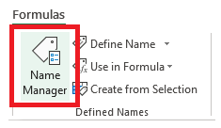

 | List | Formula
 | Red | =OFFSET($B$43,,,COUNTA($B$43:$B$56),)
 | Orange
 | Yellow | The 'count' function makes it dynamic
 | Green | It tells excel how many rows to include in the range
 | Blue
 | Indigo | COUNTA= | 10
 | Violet
 | Black | TRY IT: Add more items to the list and watch COUNTA go up.
 | Scarlet
 | Cyan

10. Multi-level filters
Contents
 | 9. Two-level filters
 | How to create a drop-down with two levels

 | 1. Data with two levels (category & brand) |  |  |  |  | 2. Control sheet

 | Category | Brand | Segment | Key | Fit | Category |  | Category | Brand |  | Instance | Brand
 | BEER | Karlsberg | Usual At The Bar | BEER:Karlsberg:Usual At The Bar | 0.19 | BEER |  | BEER | Karlsberg | 0 | 1 | Grey Goose
 | BEER | Karlsberg | Usual Choice At Home | BEER:Karlsberg:Usual Choice At Home | 0.16 | GIN |  | BEER | Kilkenny | 0 | 2 | Ketel One
 | BEER | Karlsberg | Out to Savour (& Appreciate) | BEER:Karlsberg:Out to Savour (& Appreciate) | 0.08 | VODKA |  | BEER | Koenig | 0 | 3 | Moskovskaya
 | BEER | Karlsberg | Indulgent Relax At Home | BEER:Karlsberg:Indulgent Relax At Home | 0.08 |  |  | BEER | Koestritzer | 0 | 4 | #N/A
 | BEER | Karlsberg | Out To Switch Off and Catch Up | BEER:Karlsberg:Out To Switch Off and Catch Up | (0.06) | Selected_Cat |  | BEER | Krombacher | 0 | 5 | #N/A
 | BEER | Karlsberg | Casual Hangout At Home | BEER:Karlsberg:Casual Hangout At Home | 0.03 | 3 |  | GIN | Beefeater | 0 | 6 | #N/A
 | BEER | Karlsberg | Planned Meal Out | BEER:Karlsberg:Planned Meal Out | (0.03) | VODKA |  | GIN | BolGenever | 0 | 7 | #N/A
 | BEER | Karlsberg | Grab Some Food Out | BEER:Karlsberg:Grab Some Food Out | (0.19) |  |  | GIN | Bombay Sapphire | 0 | 8 | #N/A
 | BEER | Karlsberg | Usual Meal Accompaniment @ Home | BEER:Karlsberg:Usual Meal Accompaniment @ Home | 0.01 | NumBrands |  | GIN | Bulldog | 0 | 9 | #N/A
 | BEER | Karlsberg | Meal With Friends At Home | BEER:Karlsberg:Meal With Friends At Home | (0.16) | 3 |  | GIN | Finsbury | 0 | 10 | #N/A
 | BEER | Karlsberg | Lively Night Out With Friends | BEER:Karlsberg:Lively Night Out With Friends | 0.05 |  |  | VODKA | Grey Goose | 1 | 11 | #N/A
 | BEER | Karlsberg | Lively Gathering At Home | BEER:Karlsberg:Lively Gathering At Home | (0.03) | Selected_Brand |  | VODKA | Ketel One | 2 | Dynamic named range:
 | BEER | Kilkenny | Usual At The Bar | BEER:Kilkenny:Usual At The Bar | (0.07) | 4 |  | VODKA | Moskovskaya | 3 | =OFFSET($O$9,,,$H$18,)
 | BEER | Kilkenny | Usual Choice At Home | BEER:Kilkenny:Usual Choice At Home | (0.20) | #N/A
 | BEER | Kilkenny | Out to Savour (& Appreciate) | BEER:Kilkenny:Out to Savour (& Appreciate) | (0.15)
 | BEER | Kilkenny | Indulgent Relax At Home | BEER:Kilkenny:Indulgent Relax At Home | (0.18) | 3. Two level filter & data extract
 | BEER | Kilkenny | Out To Switch Off and Catch Up | BEER:Kilkenny:Out To Switch Off and Catch Up | (0.12)
 | BEER | Kilkenny | Casual Hangout At Home | BEER:Kilkenny:Casual Hangout At Home | (0.03)
 | BEER | Kilkenny | Planned Meal Out | BEER:Kilkenny:Planned Meal Out | 0.20 | Level 1
 | BEER | Kilkenny | Grab Some Food Out | BEER:Kilkenny:Grab Some Food Out | 0.17 |  | (List input: range G9:G11)
 | BEER | Kilkenny | Usual Meal Accompaniment @ Home | BEER:Kilkenny:Usual Meal Accompaniment @ Home | (0.01)
 | BEER | Kilkenny | Meal With Friends At Home | BEER:Kilkenny:Meal With Friends At Home | 0.02 | Level 2
 | BEER | Kilkenny | Lively Night Out With Friends | BEER:Kilkenny:Lively Night Out With Friends | 0.17 |  | (List input: dynamic named range based on N9:N19)
#N/A
 | BEER | Kilkenny | Lively Gathering At Home | BEER:Kilkenny:Lively Gathering At Home | 0.15 |  | #N/A
 | BEER | Koenig | Usual At The Bar | BEER:Koenig:Usual At The Bar | 0.00 |  | Segment | Fit | (hidden)
 | BEER | Koenig | Usual Choice At Home | BEER:Koenig:Usual Choice At Home | 0.01 |  | Usual At The Bar | #N/A | #N/A
 | BEER | Koenig | Out to Savour (& Appreciate) | BEER:Koenig:Out to Savour (& Appreciate) | (0.09) |  | Usual Choice At Home | #N/A | #N/A
 | BEER | Koenig | Indulgent Relax At Home | BEER:Koenig:Indulgent Relax At Home | (0.08) |  | Out to Savour (& Appreciate) | #N/A | #N/A
 | BEER | Koenig | Out To Switch Off and Catch Up | BEER:Koenig:Out To Switch Off and Catch Up | (0.17) |  | Indulgent Relax At Home | #N/A | #N/A
 | BEER | Koenig | Casual Hangout At Home | BEER:Koenig:Casual Hangout At Home | (0.15) |  | Out To Switch Off and Catch Up | #N/A | #N/A
 | BEER | Koenig | Planned Meal Out | BEER:Koenig:Planned Meal Out | 0.15 |  | Casual Hangout At Home | #N/A | #N/A
 | BEER | Koenig | Grab Some Food Out | BEER:Koenig:Grab Some Food Out | 0.17 |  | Planned Meal Out | #N/A | #N/A
 | BEER | Koenig | Usual Meal Accompaniment @ Home | BEER:Koenig:Usual Meal Accompaniment @ Home | 0.14 |  | Grab Some Food Out | #N/A | #N/A
 | BEER | Koenig | Meal With Friends At Home | BEER:Koenig:Meal With Friends At Home | 0.05 |  | Usual Meal Accompaniment @ Home | #N/A | #N/A
 | BEER | Koenig | Lively Night Out With Friends | BEER:Koenig:Lively Night Out With Friends | (0.13) |  | Meal With Friends At Home | #N/A | #N/A
 | BEER | Koenig | Lively Gathering At Home | BEER:Koenig:Lively Gathering At Home | (0.04) |  | Lively Night Out With Friends | #N/A | #N/A
 | BEER | Koestritzer | Usual At The Bar | BEER:Koestritzer:Usual At The Bar | (0.03) |  | Lively Gathering At Home | #N/A | #N/A
 | BEER | Koestritzer | Usual Choice At Home | BEER:Koestritzer:Usual Choice At Home | 0.22
 | BEER | Koestritzer | Out to Savour (& Appreciate) | BEER:Koestritzer:Out to Savour (& Appreciate) | (0.12)
 | BEER | Koestritzer | Indulgent Relax At Home | BEER:Koestritzer:Indulgent Relax At Home | 0.26
 | BEER | Koestritzer | Out To Switch Off and Catch Up | BEER:Koestritzer:Out To Switch Off and Catch Up | (0.10)
 | BEER | Koestritzer | Casual Hangout At Home | BEER:Koestritzer:Casual Hangout At Home | (0.22)
 | BEER | Koestritzer | Planned Meal Out | BEER:Koestritzer:Planned Meal Out | (0.00)
 | BEER | Koestritzer | Grab Some Food Out | BEER:Koestritzer:Grab Some Food Out | 0.12
 | BEER | Koestritzer | Usual Meal Accompaniment @ Home | BEER:Koestritzer:Usual Meal Accompaniment @ Home | 0.31
 | BEER | Koestritzer | Meal With Friends At Home | BEER:Koestritzer:Meal With Friends At Home | (0.09)
 | BEER | Koestritzer | Lively Night Out With Friends | BEER:Koestritzer:Lively Night Out With Friends | (0.33)
 | BEER | Koestritzer | Lively Gathering At Home | BEER:Koestritzer:Lively Gathering At Home | (0.19)
 | BEER | Krombacher | Usual At The Bar | BEER:Krombacher:Usual At The Bar | 0.02
 | BEER | Krombacher | Usual Choice At Home | BEER:Krombacher:Usual Choice At Home | 0.13
 | BEER | Krombacher | Out to Savour (& Appreciate) | BEER:Krombacher:Out to Savour (& Appreciate) | 0.18
 | BEER | Krombacher | Indulgent Relax At Home | BEER:Krombacher:Indulgent Relax At Home | 0.14
 | BEER | Krombacher | Out To Switch Off and Catch Up | BEER:Krombacher:Out To Switch Off and Catch Up | 0.10
 | BEER | Krombacher | Casual Hangout At Home | BEER:Krombacher:Casual Hangout At Home | 0.11
 | BEER | Krombacher | Planned Meal Out | BEER:Krombacher:Planned Meal Out | (0.21)
 | BEER | Krombacher | Grab Some Food Out | BEER:Krombacher:Grab Some Food Out | (0.21)
 | BEER | Krombacher | Usual Meal Accompaniment @ Home | BEER:Krombacher:Usual Meal Accompaniment @ Home | (0.02)
 | BEER | Krombacher | Meal With Friends At Home | BEER:Krombacher:Meal With Friends At Home | 0.05
 | BEER | Krombacher | Lively Night Out With Friends | BEER:Krombacher:Lively Night Out With Friends | (0.16)
 | BEER | Krombacher | Lively Gathering At Home | BEER:Krombacher:Lively Gathering At Home | (0.13)
 | GIN | Beefeater | Usual At The Bar | GIN:Beefeater:Usual At The Bar | 0.09
 | GIN | Beefeater | Usual Choice At Home | GIN:Beefeater:Usual Choice At Home | (0.04)
 | GIN | Beefeater | Out to Savour (& Appreciate) | GIN:Beefeater:Out to Savour (& Appreciate) | (0.14)
 | GIN | Beefeater | Indulgent Relax At Home | GIN:Beefeater:Indulgent Relax At Home | (0.09)
 | GIN | Beefeater | Out To Switch Off and Catch Up | GIN:Beefeater:Out To Switch Off and Catch Up | (0.25)
 | GIN | Beefeater | Casual Hangout At Home | GIN:Beefeater:Casual Hangout At Home | (0.17)
 | GIN | Beefeater | Planned Meal Out | GIN:Beefeater:Planned Meal Out | 0.29
 | GIN | Beefeater | Grab Some Food Out | GIN:Beefeater:Grab Some Food Out | 0.08
 | GIN | Beefeater | Usual Meal Accompaniment @ Home | GIN:Beefeater:Usual Meal Accompaniment @ Home | (0.05)
 | GIN | Beefeater | Meal With Friends At Home | GIN:Beefeater:Meal With Friends At Home | 0.01
 | GIN | Beefeater | Lively Night Out With Friends | GIN:Beefeater:Lively Night Out With Friends | 0.10
 | GIN | Beefeater | Lively Gathering At Home | GIN:Beefeater:Lively Gathering At Home | 0.11
 | GIN | BolGenever | Usual At The Bar | GIN:BolGenever:Usual At The Bar | 0.10
 | GIN | BolGenever | Usual Choice At Home | GIN:BolGenever:Usual Choice At Home | (0.09)
 | GIN | BolGenever | Out to Savour (& Appreciate) | GIN:BolGenever:Out to Savour (& Appreciate) | (0.43)
 | GIN | BolGenever | Indulgent Relax At Home | GIN:BolGenever:Indulgent Relax At Home | (0.11)
 | GIN | BolGenever | Out To Switch Off and Catch Up | GIN:BolGenever:Out To Switch Off and Catch Up | (0.50)
 | GIN | BolGenever | Casual Hangout At Home | GIN:BolGenever:Casual Hangout At Home | (0.39)
 | GIN | BolGenever | Planned Meal Out | GIN:BolGenever:Planned Meal Out | 0.62
 | GIN | BolGenever | Grab Some Food Out | GIN:BolGenever:Grab Some Food Out | 0.56
 | GIN | BolGenever | Usual Meal Accompaniment @ Home | GIN:BolGenever:Usual Meal Accompaniment @ Home | 0.20
 | GIN | BolGenever | Meal With Friends At Home | GIN:BolGenever:Meal With Friends At Home | (0.14)
 | GIN | BolGenever | Lively Night Out With Friends | GIN:BolGenever:Lively Night Out With Friends | 0.12
 | GIN | BolGenever | Lively Gathering At Home | GIN:BolGenever:Lively Gathering At Home | (0.02)
 | GIN | Bombay Sapphire | Usual At The Bar | GIN:Bombay Sapphire:Usual At The Bar | 0.00
 | GIN | Bombay Sapphire | Usual Choice At Home | GIN:Bombay Sapphire:Usual Choice At Home | (0.21)
 | GIN | Bombay Sapphire | Out to Savour (& Appreciate) | GIN:Bombay Sapphire:Out to Savour (& Appreciate) | 0.19
 | GIN | Bombay Sapphire | Indulgent Relax At Home | GIN:Bombay Sapphire:Indulgent Relax At Home | (0.20)
 | GIN | Bombay Sapphire | Out To Switch Off and Catch Up | GIN:Bombay Sapphire:Out To Switch Off and Catch Up | 0.11
 | GIN | Bombay Sapphire | Casual Hangout At Home | GIN:Bombay Sapphire:Casual Hangout At Home | 0.27
 | GIN | Bombay Sapphire | Planned Meal Out | GIN:Bombay Sapphire:Planned Meal Out | (0.09)
 | GIN | Bombay Sapphire | Grab Some Food Out | GIN:Bombay Sapphire:Grab Some Food Out | (0.18)
 | GIN | Bombay Sapphire | Usual Meal Accompaniment @ Home | GIN:Bombay Sapphire:Usual Meal Accompaniment @ Home | (0.27)
 | GIN | Bombay Sapphire | Meal With Friends At Home | GIN:Bombay Sapphire:Meal With Friends At Home | 0.15
 | GIN | Bombay Sapphire | Lively Night Out With Friends | GIN:Bombay Sapphire:Lively Night Out With Friends | 0.23
 | GIN | Bombay Sapphire | Lively Gathering At Home | GIN:Bombay Sapphire:Lively Gathering At Home | 0.23
 | GIN | Bulldog | Usual At The Bar | GIN:Bulldog:Usual At The Bar | 0.04
 | GIN | Bulldog | Usual Choice At Home | GIN:Bulldog:Usual Choice At Home | (0.07)
 | GIN | Bulldog | Out to Savour (& Appreciate) | GIN:Bulldog:Out to Savour (& Appreciate) | (0.03)
 | GIN | Bulldog | Indulgent Relax At Home | GIN:Bulldog:Indulgent Relax At Home | (0.15)
 | GIN | Bulldog | Out To Switch Off and Catch Up | GIN:Bulldog:Out To Switch Off and Catch Up | (0.13)
 | GIN | Bulldog | Casual Hangout At Home | GIN:Bulldog:Casual Hangout At Home | 0.02
 | GIN | Bulldog | Planned Meal Out | GIN:Bulldog:Planned Meal Out | 0.10
 | GIN | Bulldog | Grab Some Food Out | GIN:Bulldog:Grab Some Food Out | (0.05)
 | GIN | Bulldog | Usual Meal Accompaniment @ Home | GIN:Bulldog:Usual Meal Accompaniment @ Home | (0.07)
 | GIN | Bulldog | Meal With Friends At Home | GIN:Bulldog:Meal With Friends At Home | 0.06
 | GIN | Bulldog | Lively Night Out With Friends | GIN:Bulldog:Lively Night Out With Friends | 0.18
 | GIN | Bulldog | Lively Gathering At Home | GIN:Bulldog:Lively Gathering At Home | 0.20
 | GIN | Finsbury | Usual At The Bar | GIN:Finsbury:Usual At The Bar | 0.16
 | GIN | Finsbury | Usual Choice At Home | GIN:Finsbury:Usual Choice At Home | 0.11
 | GIN | Finsbury | Out to Savour (& Appreciate) | GIN:Finsbury:Out to Savour (& Appreciate) | (0.08)
 | GIN | Finsbury | Indulgent Relax At Home | GIN:Finsbury:Indulgent Relax At Home | 0.03
 | GIN | Finsbury | Out To Switch Off and Catch Up | GIN:Finsbury:Out To Switch Off and Catch Up | (0.13)
 | GIN | Finsbury | Casual Hangout At Home | GIN:Finsbury:Casual Hangout At Home | (0.14)
 | GIN | Finsbury | Planned Meal Out | GIN:Finsbury:Planned Meal Out | 0.09
 | GIN | Finsbury | Grab Some Food Out | GIN:Finsbury:Grab Some Food Out | 0.14
 | GIN | Finsbury | Usual Meal Accompaniment @ Home | GIN:Finsbury:Usual Meal Accompaniment @ Home | 0.04
 | GIN | Finsbury | Meal With Friends At Home | GIN:Finsbury:Meal With Friends At Home | (0.09)
 | GIN | Finsbury | Lively Night Out With Friends | GIN:Finsbury:Lively Night Out With Friends | (0.08)
 | GIN | Finsbury | Lively Gathering At Home | GIN:Finsbury:Lively Gathering At Home | (0.09)
 | VODKA | Grey Goose | Usual At The Bar | VODKA:Grey Goose:Usual At The Bar | 0.08
 | VODKA | Grey Goose | Usual Choice At Home | VODKA:Grey Goose:Usual Choice At Home | 0.07
 | VODKA | Grey Goose | Out to Savour (& Appreciate) | VODKA:Grey Goose:Out to Savour (& Appreciate) | (0.15)
 | VODKA | Grey Goose | Indulgent Relax At Home | VODKA:Grey Goose:Indulgent Relax At Home | 0.08
 | VODKA | Grey Goose | Out To Switch Off and Catch Up | VODKA:Grey Goose:Out To Switch Off and Catch Up | 0.01
 | VODKA | Grey Goose | Casual Hangout At Home | VODKA:Grey Goose:Casual Hangout At Home | (0.21)
 | VODKA | Grey Goose | Planned Meal Out | VODKA:Grey Goose:Planned Meal Out | 0.09
 | VODKA | Grey Goose | Grab Some Food Out | VODKA:Grey Goose:Grab Some Food Out | 0.04
 | VODKA | Grey Goose | Usual Meal Accompaniment @ Home | VODKA:Grey Goose:Usual Meal Accompaniment @ Home | 0.03
 | VODKA | Grey Goose | Meal With Friends At Home | VODKA:Grey Goose:Meal With Friends At Home | (0.33)
 | VODKA | Grey Goose | Lively Night Out With Friends | VODKA:Grey Goose:Lively Night Out With Friends | 0.10
 | VODKA | Grey Goose | Lively Gathering At Home | VODKA:Grey Goose:Lively Gathering At Home | 0.02
 | VODKA | Ketel One | Usual At The Bar | VODKA:Ketel One:Usual At The Bar | 0.17
 | VODKA | Ketel One | Usual Choice At Home | VODKA:Ketel One:Usual Choice At Home | 0.32
 | VODKA | Ketel One | Out to Savour (& Appreciate) | VODKA:Ketel One:Out to Savour (& Appreciate) | (0.61)
 | VODKA | Ketel One | Indulgent Relax At Home | VODKA:Ketel One:Indulgent Relax At Home | 0.23
 | VODKA | Ketel One | Out To Switch Off and Catch Up | VODKA:Ketel One:Out To Switch Off and Catch Up | (0.41)
 | VODKA | Ketel One | Casual Hangout At Home | VODKA:Ketel One:Casual Hangout At Home | (0.74)
 | VODKA | Ketel One | Planned Meal Out | VODKA:Ketel One:Planned Meal Out | 0.52
 | VODKA | Ketel One | Grab Some Food Out | VODKA:Ketel One:Grab Some Food Out | 0.53
 | VODKA | Ketel One | Usual Meal Accompaniment @ Home | VODKA:Ketel One:Usual Meal Accompaniment @ Home | 0.44
 | VODKA | Ketel One | Meal With Friends At Home | VODKA:Ketel One:Meal With Friends At Home | (0.41)
 | VODKA | Ketel One | Lively Night Out With Friends | VODKA:Ketel One:Lively Night Out With Friends | (0.24)
 | VODKA | Ketel One | Lively Gathering At Home | VODKA:Ketel One:Lively Gathering At Home | (0.13)
 | VODKA | Moskovskaya | Usual At The Bar | VODKA:Moskovskaya:Usual At The Bar | 0.06
 | VODKA | Moskovskaya | Usual Choice At Home | VODKA:Moskovskaya:Usual Choice At Home | 0.00
 | VODKA | Moskovskaya | Out to Savour (& Appreciate) | VODKA:Moskovskaya:Out to Savour (& Appreciate) | (0.04)
 | VODKA | Moskovskaya | Indulgent Relax At Home | VODKA:Moskovskaya:Indulgent Relax At Home | 0.03
 | VODKA | Moskovskaya | Out To Switch Off and Catch Up | VODKA:Moskovskaya:Out To Switch Off and Catch Up | 0.08
 | VODKA | Moskovskaya | Casual Hangout At Home | VODKA:Moskovskaya:Casual Hangout At Home | 0.00
 | VODKA | Moskovskaya | Planned Meal Out | VODKA:Moskovskaya:Planned Meal Out | 0.01
 | VODKA | Moskovskaya | Grab Some Food Out | VODKA:Moskovskaya:Grab Some Food Out | (0.08)
 | VODKA | Moskovskaya | Usual Meal Accompaniment @ Home | VODKA:Moskovskaya:Usual Meal Accompaniment @ Home | (0.07)
 | VODKA | Moskovskaya | Meal With Friends At Home | VODKA:Moskovskaya:Meal With Friends At Home | (0.18)
 | VODKA | Moskovskaya | Lively Night Out With Friends | VODKA:Moskovskaya:Lively Night Out With Friends | 0.17
 | VODKA | Moskovskaya | Lively Gathering At Home | VODKA:Moskovskaya:Lively Gathering At Home | 0.17

12. Look and feel
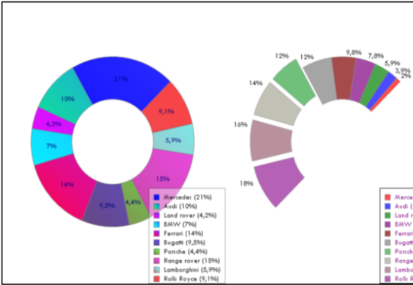
Contents
 | 11. Look and feel
 | Often in tables and charts we want to show the data sorted. Its possible to achieve this with a dashboard

 | Just because your dashboard is built in Excel, the user doesn’t need to feel like they are using Excel.
 | There are a few simple tricks you can use to give a good user experience.

 | 1. Turn off gridlines.
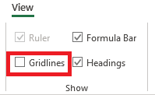

 | 2. Hide unused columns and rows (notice how this sheet as no columns beyond 'P').

 | 3. Hide worksheet tabs in workbook settings or hide sheets the user doesn’t need to see.

 | 4. Use hyperlinks to create the illusion of 'tabbed' browsing. TRY IT: Click a tab below.

Demographics
Lifestyle attitudes
Brand buying

12a
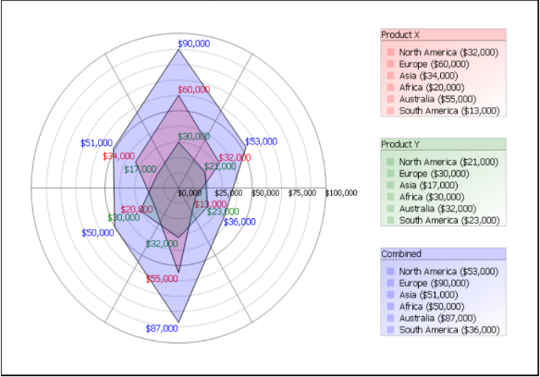
Contents
 | 11. Look and feel
 | Often in tables and charts we want to show the data sorted. Its possible to achieve this with a dashboard

 | Just because your dashboard is built in Excel, the user doesn’t need to feel like they are using Excel.
 | There are a few simple tricks you can use to give a good user experience.

 | 1. Turn off gridlines.

 | 2. Hide unused columns and rows (notice how this sheet as no columns beyond 'P').

 | 3. Hide worksheet tabs in workbook settings or hide sheets the user doesn’t need to see.

 | 4. Use hyperlinks to create the illusion of 'tabbed' browsing.

Demographics
Lifestyle attitudes
Brand buying

12b
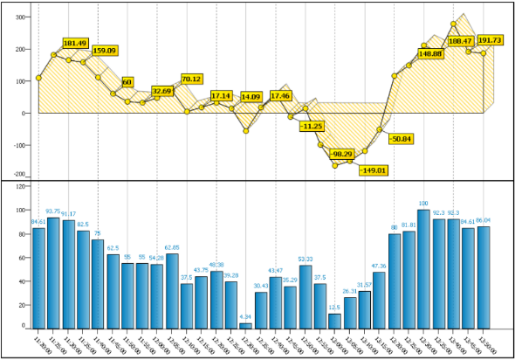
Contents
 | 11. Look and feel
 | Often in tables and charts we want to show the data sorted. Its possible to achieve this with a dashboard

 | Just because your dashboard is built in Excel, the user doesn’t need to feel like they are using Excel.
 | There are a few simple tricks you can use to give a good user experience.

 | 1. Turn off gridlines.

 | 2. Hide unused columns and rows (notice how this sheet as no columns beyond 'P').

 | 3. Hide worksheet tabs in workbook settings or hide sheets the user doesn’t need to see.

 | 4. Use hyperlinks to create the illusion of 'tabbed' browsing.

Demographics
Lifestyle attitudes
Brand buying

