Section
5. | 단면계수 산정

5.1. | 유호폭 계산
 | ① 내측거더의 유효폭
 |  | 아래 산정 값들 중 가장 작은 값
 |  | - 등가지간장의 ¼
 |  | - 슬래브 평균두께의 12배 + Max(복부 두께, 주거더 상부플랜지폭의 ½)
 |  | - 인접한 보 사이의 평균 간격
 | ② 외측거더의 유효폭
 |  | 인접한 내측거더 유효폭의 절반과 아래 산정 값들 중 최소값의 합
 |  | - 등가지간장의 ⅛
 |  | - 슬래브 평균두께의 6배 + Max(복부 두께, 주거더 상부플랜지폭의 ¼)
 |  | - 내민부분(overhang)의 폭

 |  |  |  | 0.25Leff |  |  |  |  |  |  | 0.125Leff
 |  | EFi = MIN |  | 12ts + max(tw , 0.5bf) |  |  |  | EFe = 0.5EFi + MIN |  |  | 6ts + max(0.5tw , 0.25bf)
 |  |  |  | average(a , w) |  |  |  |  |  |  | b (overhang)

 |  | Effective width of deck for interior beam = 2EFi
 |  | Effective width of deck for exterior beam = EFi + EFe
EFe
EFi
b w a
ts
tw
bf

 | Table 5.1.1. Calculation of effective width
 | Node | Effective | ts | tw | bf | b | w | a | EFi | EFe | Beff | Beff |  |  |  | Code | Coordinate
 |  | Span |  |  |  |  |  |  |  |  | Exterior | Interior |  |  | Moment | (Input)
 | #REF! | #REF! | #REF! | #REF! | #REF! | #REF! | #REF! | #REF! | #REF! | #REF! | #REF! | #REF! |  |  | 0 | 1 | #REF!
 | #REF! | #REF! | #REF! | #REF! | #REF! | #REF! | #REF! | #REF! | #REF! | #REF! | #REF! | #REF! |  |  | -1.92 |  | #REF!
 | #REF! | #REF! | #REF! | #REF! | #REF! | #REF! | #REF! | #REF! | #REF! | #REF! | #REF! | #REF! |  |  | -1.93 |  | #REF!
 | #REF! | #REF! | #REF! | #REF! | #REF! | #REF! | #REF! | #REF! | #REF! | #REF! | #REF! | #REF! |  |  | 1731.44 |  | #REF!
 | #REF! | #REF! | #REF! | #REF! | #REF! | #REF! | #REF! | #REF! | #REF! | #REF! | #REF! | #REF! |  |  | 1731.43 |  | #REF!
 | #REF! | #REF! | #REF! | #REF! | #REF! | #REF! | #REF! | #REF! | #REF! | #REF! | #REF! | #REF! |  |  | 3983.77 |  | #REF!
 | #REF! | #REF! | #REF! | #REF! | #REF! | #REF! | #REF! | #REF! | #REF! | #REF! | #REF! | #REF! |  |  | 3983.74 |  | #REF!
 | #REF! | #REF! | #REF! | #REF! | #REF! | #REF! | #REF! | #REF! | #REF! | #REF! | #REF! | #REF! |  |  | 6617.31 |  | #REF!
 | #REF! | #REF! | #REF! | #REF! | #REF! | #REF! | #REF! | #REF! | #REF! | #REF! | #REF! | #REF! |  |  | 6617.28 |  | #REF!
 | #REF! | #REF! | #REF! | #REF! | #REF! | #REF! | #REF! | #REF! | #REF! | #REF! | #REF! | #REF! |  |  | 8810.45 |  | #REF!
 | #REF! | #REF! | #REF! | #REF! | #REF! | #REF! | #REF! | #REF! | #REF! | #REF! | #REF! | #REF! |  |  | 8810.48 |  | #REF!
 | #REF! | #REF! | #REF! | #REF! | #REF! | #REF! | #REF! | #REF! | #REF! | #REF! | #REF! | #REF! |  |  | 10413.72 |  | #REF!
 | #REF! | #REF! | #REF! | #REF! | #REF! | #REF! | #REF! | #REF! | #REF! | #REF! | #REF! | #REF! |  |  | 10413.7 |  | #REF!
 | #REF! | #REF! | #REF! | #REF! | #REF! | #REF! | #REF! | #REF! | #REF! | #REF! | #REF! | #REF! |  |  | 11491.86 |  | #REF!
 | #REF! | #REF! | #REF! | #REF! | #REF! | #REF! | #REF! | #REF! | #REF! | #REF! | #REF! | #REF! |  |  | 11491.83 |  | #REF!
 | #REF! | #REF! | #REF! | #REF! | #REF! | #REF! | #REF! | #REF! | #REF! | #REF! | #REF! | #REF! |  |  | 11912.56 |  | #REF!
 | #REF! | #REF! | #REF! | #REF! | #REF! | #REF! | #REF! | #REF! | #REF! | #REF! | #REF! | #REF! |  |  | 11912.56 |  | #REF!
 | #REF! | #REF! | #REF! | #REF! | #REF! | #REF! | #REF! | #REF! | #REF! | #REF! | #REF! | #REF! |  |  | 11777.86 |  | #REF!
 | #REF! | #REF! | #REF! | #REF! | #REF! | #REF! | #REF! | #REF! | #REF! | #REF! | #REF! | #REF! |  |  | 11777.89 |  | #REF!
 | #REF! | #REF! | #REF! | #REF! | #REF! | #REF! | #REF! | #REF! | #REF! | #REF! | #REF! | #REF! |  |  | 11009.52 |  | #REF!
 | #REF! | #REF! | #REF! | #REF! | #REF! | #REF! | #REF! | #REF! | #REF! | #REF! | #REF! | #REF! |  |  | 11009.53 |  | #REF!
 | #REF! | #REF! | #REF! | #REF! | #REF! | #REF! | #REF! | #REF! | #REF! | #REF! | #REF! | #REF! |  |  | 9596.94 |  | #REF!
 | #REF! | #REF! | #REF! | #REF! | #REF! | #REF! | #REF! | #REF! | #REF! | #REF! | #REF! | #REF! |  |  | 9596.94 |  | #REF!
 | #REF! | #REF! | #REF! | #REF! | #REF! | #REF! | #REF! | #REF! | #REF! | #REF! | #REF! | #REF! |  |  | 7666.94 |  | #REF!
 | #REF! | #REF! | #REF! | #REF! | #REF! | #REF! | #REF! | #REF! | #REF! | #REF! | #REF! | #REF! |  |  | 7667.03 |  | #REF!
 | #REF! | #REF! | #REF! | #REF! | #REF! | #REF! | #REF! | #REF! | #REF! | #REF! | #REF! | #REF! |  |  | 5180.59 |  | #REF!
 | #REF! | #REF! | #REF! | #REF! | #REF! | #REF! | #REF! | #REF! | #REF! | #REF! | #REF! | #REF! |  |  | 5180.61 |  | #REF!
 | #REF! | #REF! | #REF! | #REF! | #REF! | #REF! | #REF! | #REF! | #REF! | #REF! | #REF! | #REF! |  |  | 2232.41 |  | #REF!
 | #REF! | #REF! | #REF! | #REF! | #REF! | #REF! | #REF! | #REF! | #REF! | #REF! | #REF! | #REF! |  |  | 2232.38 | 1 | #REF!
 | #REF! | #REF! | #REF! | #REF! | #REF! | #REF! | #REF! | #REF! | #REF! | #REF! | #REF! | #REF! |  |  | -1220.59 | 1 | #REF!
 | #REF! | #REF! | #REF! | #REF! | #REF! | #REF! | #REF! | #REF! | #REF! | #REF! | #REF! | #REF! |  |  | -1220.59 |  | #REF!
 | #REF! | #REF! | #REF! | #REF! | #REF! | #REF! | #REF! | #REF! | #REF! | #REF! | #REF! | #REF! |  |  | -5066.55 |  | #REF!
 | #REF! | #REF! | #REF! | #REF! | #REF! | #REF! | #REF! | #REF! | #REF! | #REF! | #REF! | #REF! |  |  | -5066.54 |  | #REF!
 | #REF! | #REF! | #REF! | #REF! | #REF! | #REF! | #REF! | #REF! | #REF! | #REF! | #REF! | #REF! |  |  | -9508.75 |  | #REF!
 | #REF! | #REF! | #REF! | #REF! | #REF! | #REF! | #REF! | #REF! | #REF! | #REF! | #REF! | #REF! |  |  | -9508.72 |  | #REF!
 | #REF! | #REF! | #REF! | #REF! | #REF! | #REF! | #REF! | #REF! | #REF! | #REF! | #REF! | #REF! |  |  | -12983.05 |  | #REF!
 | #REF! | #REF! | #REF! | #REF! | #REF! | #REF! | #REF! | #REF! | #REF! | #REF! | #REF! | #REF! |  |  | -12983.01 |  | #REF!
 | #REF! | #REF! | #REF! | #REF! | #REF! | #REF! | #REF! | #REF! | #REF! | #REF! | #REF! | #REF! |  |  | -14583.37 |  | #REF!
 | #REF! | #REF! | #REF! | #REF! | #REF! | #REF! | #REF! | #REF! | #REF! | #REF! | #REF! | #REF! |  |  | -14583.37 |  | #REF!
 | #REF! | #REF! | #REF! | #REF! | #REF! | #REF! | #REF! | #REF! | #REF! | #REF! | #REF! | #REF! |  |  | -13389 |  | #REF!
 | #REF! | #REF! | #REF! | #REF! | #REF! | #REF! | #REF! | #REF! | #REF! | #REF! | #REF! | #REF! |  |  | -13389.03 |  | #REF!
 | #REF! | #REF! | #REF! | #REF! | #REF! | #REF! | #REF! | #REF! | #REF! | #REF! | #REF! | #REF! |  |  | -10862.18 |  | #REF!
 | #REF! | #REF! | #REF! | #REF! | #REF! | #REF! | #REF! | #REF! | #REF! | #REF! | #REF! | #REF! |  |  | -10862.16 |  | #REF!
 | #REF! | #REF! | #REF! | #REF! | #REF! | #REF! | #REF! | #REF! | #REF! | #REF! | #REF! | #REF! |  |  | -7787.66 |  | #REF!
 | #REF! | #REF! | #REF! | #REF! | #REF! | #REF! | #REF! | #REF! | #REF! | #REF! | #REF! | #REF! |  |  | -7787.66 |  | #REF!
 | #REF! | #REF! | #REF! | #REF! | #REF! | #REF! | #REF! | #REF! | #REF! | #REF! | #REF! | #REF! |  |  | -5346.41 |  | #REF!
 | #REF! | #REF! | #REF! | #REF! | #REF! | #REF! | #REF! | #REF! | #REF! | #REF! | #REF! | #REF! |  |  | -5346.41 |  | #REF!
 | #REF! | #REF! | #REF! | #REF! | #REF! | #REF! | #REF! | #REF! | #REF! | #REF! | #REF! | #REF! |  |  | -3359.75 |  | #REF!
 | #REF! | #REF! | #REF! | #REF! | #REF! | #REF! | #REF! | #REF! | #REF! | #REF! | #REF! | #REF! |  |  | -3359.75 |  | #REF!
 | #REF! | #REF! | #REF! | #REF! | #REF! | #REF! | #REF! | #REF! | #REF! | #REF! | #REF! | #REF! |  |  | -1865.98 |  | #REF!
 | #REF! | #REF! | #REF! | #REF! | #REF! | #REF! | #REF! | #REF! | #REF! | #REF! | #REF! | #REF! |  |  | -1865.98 |  | #REF!
 | #REF! | #REF! | #REF! | #REF! | #REF! | #REF! | #REF! | #REF! | #REF! | #REF! | #REF! | #REF! |  |  | -735.55 |  | #REF!
 | #REF! | #REF! | #REF! | #REF! | #REF! | #REF! | #REF! | #REF! | #REF! | #REF! | #REF! | #REF! |  |  | -735.55 |  | #REF!
 | #REF! | #REF! | #REF! | #REF! | #REF! | #REF! | #REF! | #REF! | #REF! | #REF! | #REF! | #REF! |  |  | -40.26 |  | #REF!
 | #REF! | #REF! | #REF! | #REF! | #REF! | #REF! | #REF! | #REF! | #REF! | #REF! | #REF! | #REF! |  |  | -40.26 | 1 | #REF!
 | #REF! | #REF! | #REF! | #REF! | #REF! | #REF! | #REF! | #REF! | #REF! | #REF! | #REF! | #REF! |  |  | 335.14 | 1 | #REF!
 | #REF! | #REF! | #REF! | #REF! | #REF! | #REF! | #REF! | #REF! | #REF! | #REF! | #REF! | #REF! |  |  | 335.14 |  | #REF!
 | #REF! | #REF! | #REF! | #REF! | #REF! | #REF! | #REF! | #REF! | #REF! | #REF! | #REF! | #REF! |  |  | 220.91 |  | #REF!
 | #REF! | #REF! | #REF! | #REF! | #REF! | #REF! | #REF! | #REF! | #REF! | #REF! | #REF! | #REF! |  |  | 220.92 |  | #REF!
 | #REF! | #REF! | #REF! | #REF! | #REF! | #REF! | #REF! | #REF! | #REF! | #REF! | #REF! | #REF! |  |  | -1.85 |  | #REF!
 | #REF! | #REF! | #REF! | #REF! | #REF! | #REF! | #REF! | #REF! | #REF! | #REF! | #REF! | #REF! |  |  | -1.86 |  | #REF!
 | #REF! | #REF! | #REF! | #REF! | #REF! | #REF! | #REF! | #REF! | #REF! | #REF! | #REF! | #REF! |  |  | 0 | 1 | #REF!

5.2. | 단면계수 산정
 | There are 5 type of girder section that are using for all stage of constructions
 |  | ① Type 1: Steel girder only |  |  |  |  | ② Type 2: Steel girder + bottom concrete

Type 1
Type 2

 |  | ③ Type 3: Steel girder + deckslab |  |  |  |  | ④ Type 4: Steel girder + bottom concrete + Rebar

Type 3
Type 4

 | Stage | Descriptions |  |  | 단면사용 |  |  |  | Loading
 |  |  |  |  | Positive |  | Negative
 | 1 | PUS girder 설치 |  |  | Type 1 |  | Type 1 |  | DC1 Pus girder
 | 2 | 내부 concrete 타설 |  |  | Type 1 |  | Type 1 |  | DC2 내부 concrete
 | 3 | Deckslab 타설 |  |  | Type 1 |  | Type 2 |  | DC3 Deckslab concrete
 | 4 | 방호벽 설치 |  |  | Type 3 |  | Type 4 |  | DC4 방호벽
 | 5 | 표장 |  |  | Type 3 |  | Type 4 |  | DW 표장
 | 6 | Live load |  |  | Type 3 |  | Type 4 |  | LL Live load

 | 1) Steel only
 | Using to apply DC1(steel), DC2(bottom concrete)
tt
D
tb
YU1
YL1
bb
bt
Hsb
θ
1
S
Neutral Axis
 |  | bt, tt, nt |  | = | Top flange 폭, 두께, 개수
 |  | bb, tb |  | = | Bottom flange 폭, 두께
 |  | D, tw |  | = | Web 높이, 두께
 |  | Hst, tst, nst |  | = | Top rib 높이, 두께, 개수
 |  | Hsb, tsb, nsb |  | = | Bottom rib 높이, 두께, 개수
 |  | θ |  | = | 연직축에 대한 웨브의 경사각
 |  | Dt = tt + D + tb |  | = | Total depth of girder
 |  | Hw = Dw/cosθ |  | = | Depth of web along the slope

 |  | Components |  | Area of components |  |  |  | Distance from components to bottom girder
 |  | Top flange |  | At = bt∙tt∙nt |  |  |  | yt = tt/2 + Dw + tb
 |  | Web |  | Aw = 2∙Hw∙tw |  |  |  | yw = D/2 + tb
 |  | Bottom flange |  | Ab = bb∙tb |  |  |  | yb = tb/2
 |  | Top Rib |  | Ast = nst∙Hst∙tst |  |  |  | yst = tb + Dw - Hst/2
 |  | Bottom Rib |  | Asb = nsb∙Hsb∙tsb |  |  |  | ysb = tb + Hsb/2

 |  |  |  | A1 | = | At + Aw + Ab + Ast + Asb
 |  |  |  | YL1 | = | At∙yt + Aw∙yw + Ab∙yb + Ast∙yst + Asb∙ysb
 |  |  |  |  |  |  |  | A1
 |  |  |  | YU1 | = | Dt - YL1

 |  | Components |  | 2차 모멘트 of components |  |  |  | Distance from components to NA
 |  | Top flange |  | It = nt·bt·tt3/12 |  |  |  | Yt = YU1 - tt/2
 |  | Web |  | Iw = [1/(S2+1)]·2·tw·Hw3/12 |  |  |  | Yw = YU1 - tt - Dw/2
 |  | Bottom flange |  | Ib = bb·tb3/12 |  |  |  | Yb = YL1 - tb/2
 |  | Top Rib |  | Ist = nst·tst·Hst3/12 |  |  |  | Yst = YU1 - tt - Hst/2
 |  | Bottom Rib |  | Isb = nsb·tsb·Hsb3/12 |  |  |  | Ysb = YL1 - tb - Hsb/2

 |  |  | I1 | = | It + At∙Yt2 + Iw + Aw∙Yw2 + Ib + Ab∙Yb2 + Isb + Asb∙Ysb2 + Ist + Ast∙Yst2
 |  |  | SU1 | = | I1 / YU1
 |  |  | SL1 | = | I1 / YL1

 | 2) Steel + Bottom concrete (Short time and Long time)
 | Using to apply DC3 (deck slab) in negative moment
tt
Dw
tb
YU2
YL2
b1
bt
Hc
1
S
Neutral Axis
b2
 |  | Hc |  | = | 내부 bottom concrete 높이
 |  | b1, b2 |  | = | 내부 bottom concrete 넓이
 |  | b2 |  | = | b1 + 2Hc∙S
 |  | n |  | = | Es / Ec

 |  | Components |  | Area of components |  |  |  | Distance from components to bottom girder
 |  | Steel only |  | A1 |  |  |  | YL1
 |  | Bottom Con'c |  | Ac = Hc·(b1+b2)/2 |  |  |  | yc = Hc/2 + tb

 |  |  | Shorttime |  |  |  |  | Longtime
 |  |  | A2 | = | A1 + Ac/n |  |  | A2 | = | A1 + Ac/3/n
 |  |  | YL2 | = | A1∙YL1 + Ac∙yc/n |  |  | YL2 | = | A1∙YL1 + Ac∙yc/3/n
 |  |  |  |  | A2 |  |  |  |  | A2
 |  |  | YU2 | = | Dt - YL2 |  |  | YU2 | = | Dt - YL2

 |  | Components |  | 2차 모멘트 of components |  |  |  |  | Distance from components to NA
 |  | Steel only |  | I1 |  |  |  |  | Y1 = |YL2 - YL1|
 |  | Bottom Con'c |  | Ic = Hc3∙(b12+4b1∙b2+b22)/36/(b1+b2) |  |  |  |  | Yc = |YL2 - tb - Hc/2|

 |  | Shorttime |  |  |  |  |  | Longtime
 |  | I2 | = | I1 + A1∙Y12 + Ic/n + Ac/n∙Yc2 |  |  |  | I2 | = | I1+A1∙Y12 + Ic/3/n + Ac/3/n∙Yc2
 |  | SU2 | = | I2 / YU2 |  |  |  | SU2 | = | I2 / YU2
 |  | SL2 | = | I2 / YL2 |  |  |  | SL2 | = | I2 / YL2

 | 3) Steel + Deck slab (Short time and Long time)
 | Using to apply DC4(난간 방호벽), DW (포장) in positive moment
ts
th
tt
Dw
tb
YU3
YL3
1
S
Neutral Axis
bs
bh
 |  | bs, ts | = | Deck slab 넓이, 높이
 |  | bh, th | = | Haunch
 |  | n | = | Es / Ec

 |  | Components |  | Area of components |  |  |  | Distance from components to bottom girder
 |  | Steel only |  | A1 |  |  |  | YL1
 |  | Deck slab |  | As = bs∙ts |  |  |  | ys = tb + Dw + th + ts/2
 |  | Haunch |  | Ah = 2∙bh∙th |  |  |  | yh = tb + Dw + 2∙th/3

 |  | Shorttime |  |  |  |  |  | Longtime
 |  | A3 | = | A1 + As/n + Ah/n |  |  |  | A3 | = | A1 + As/3/n + Ah/3/n
 |  | YL3 | = | A1∙YL1 + As/n∙ys + Ah/n∙yh |  |  |  | YL3 | = | A1∙YL1 + As/3/n∙ys + Ah/3/n∙yh
 |  |  |  |  | A3 |  |  |  |  |  | A3
 |  | YU3 | = | Dt - YL3 |  |  |  | YU3 | = | Dt - YL3

 |  | Components |  | 2차 모멘트 of components |  |  |  | Distance from components to NA
 |  | Steel only |  | I1 |  |  |  | Y1 = |YL3 - YL1|
 |  | Deck slab |  | Is = bs∙ts3/12 |  |  |  | Ys = YU3 - tt + th + ts/2
 |  | Haunch |  | Ih = 4∙bh∙th3/36 |  |  |  | Yh = YU3 - tt + 2∙th/3

 |  |  | Shorttime
 |  |  | I3 | = | I1 + A1∙Y12 + Is/n + As/n∙Ys2 + Ih/n + Ah/n∙Yh2
 |  |  | SU3 | = | I3 / YU3
 |  |  | SL3 | = | I3 / YL3

 |  |  | Longtime
 |  |  | I3 | = | I1 + A1∙Y12 + Is/3/n + As/3/n∙Ys2 + Ih/3/n + Ah/3/n∙Yh2
 |  |  | SU3 | = | I3 / YU3
 |  |  | SL3 | = | I3 / YL3

 | 4) Steel + Bottom concrete + Rebar (Short time and Long time)
 | Using to apply DC4(난간 방호벽), DW (포장) in negative moment

tt
Dw
tb
YU4
YL4
b1
Hc
1
S
Neutral axis
 |  | Top and bottom layer of rebar information
 |  |  |  | Top |  | Bottom
 |  | 개수 |  | nrt |  | nrb
 |  | 직경 |  | Drt |  | Drb
 |  | 피복거리 |  | crt |  | crb

 |  | Components |  |  | Area of components |  |  |  | Distance from components to bottom girder
 |  | Steel + bot con'c |  |  | A2 |  |  |  | YL2
 |  | Top layer rebar |  |  | Art = nrt∙0.25∙π∙Drt2 |  |  |  | yrt = tb + Dw + th + ts - crt
 |  | Bottom layer rebar |  |  | Arb = nrb∙0.25∙π∙Drb2 |  |  |  | yrb = tb + Dw + th + crb

 |  | Shorttime |  |  |  |  |  | Longtime
 |  | A4 | = | A2 + Art + Arb |  |  |  | A4 | = | A2 + Art/3 + Arb/3
 |  | YL4 | = | A2∙YL2 + Art∙yrt + Arb∙yrb |  |  |  | YL4 | = | A2∙YL2 + Art∙yrt/3 + Arb∙yrb/3
 |  |  |  |  | A4 |  |  |  |  |  | A4
 |  | YU4 | = | Dt - YL4 |  |  |  | YU4 | = | Dt - YL4

 |  | Components |  |  | 2차 모멘트 of components |  |  |  | Distance from components to NA
 |  | Steel + bot con'c |  |  | I2 |  |  |  | Y2 = |YL4 - YL2|
 |  | Top layer rebar |  |  | Irt = nrt∙π∙Drt4/64 |  |  |  | Yrt = YU4 - tt + th + ts - crt
 |  | Bottom layer rebar |  |  | Irb = nrb∙π∙Drb4/64 |  |  |  | Yrb = YU4 - tt + th + crb

 |  |  | Shorttime
 |  |  | I4 | = | I2 + A2∙Y22 + Irt + Art∙Yrt2 + Irb + Arb∙Yrb2
 |  |  | SU4 | = | I4 / YU4
 |  |  | SL4 | = | I4 / YL4

 |  |  | Longtime
 |  |  | I4 | = | I2 + A2∙Y22 + Irt/3 + Art/3∙Yrt2 + Irb + Arb/3∙Yrb2
 |  |  | SU4 | = | I4 / YU4
 |  |  | SL4 | = | I4 / YL4

 |  | ① Steel only
 |  | 단면 | A1 | I1 | YU1 | YL1 | SU1 | SL1
 |  | 1-1 | #REF! | #REF! | #REF! | #REF! | #REF! | #REF!
 |  | 1-2 | #REF! | #REF! | #REF! | #REF! | #REF! | #REF!
 |  | 1-3 | #REF! | #REF! | #REF! | #REF! | #REF! | #REF!
 |  | 1-4 | #REF! | #REF! | #REF! | #REF! | #REF! | #REF!
 |  | 1-5 | #REF! | #REF! | #REF! | #REF! | #REF! | #REF!
 |  | 1-6 | #REF! | #REF! | #REF! | #REF! | #REF! | #REF!
 |  | 1-7 | #REF! | #REF! | #REF! | #REF! | #REF! | #REF!
 |  | 1-8 | #REF! | #REF! | #REF! | #REF! | #REF! | #REF!
 |  | 1-9 | #REF! | #REF! | #REF! | #REF! | #REF! | #REF!
 |  | 1-10 | #REF! | #REF! | #REF! | #REF! | #REF! | #REF!
 |  | 1-11 | #REF! | #REF! | #REF! | #REF! | #REF! | #REF!
 |  | 1-12 | #REF! | #REF! | #REF! | #REF! | #REF! | #REF!
 |  | 1-13 | #REF! | #REF! | #REF! | #REF! | #REF! | #REF!
 |  | 1-14 | #REF! | #REF! | #REF! | #REF! | #REF! | #REF!
 |  | 1-15 | #REF! | #REF! | #REF! | #REF! | #REF! | #REF!
 |  | 1-16 | #REF! | #REF! | #REF! | #REF! | #REF! | #REF!
 |  | 1-17 | #REF! | #REF! | #REF! | #REF! | #REF! | #REF!
 |  | 1-18 | #REF! | #REF! | #REF! | #REF! | #REF! | #REF!
 |  | 1-19 | #REF! | #REF! | #REF! | #REF! | #REF! | #REF!
 |  | 2-1 | #REF! | #REF! | #REF! | #REF! | #REF! | #REF!
 |  | 2-2 | #REF! | #REF! | #REF! | #REF! | #REF! | #REF!
 |  | 2-3 | #REF! | #REF! | #REF! | #REF! | #REF! | #REF!
 |  | 2-4 | #REF! | #REF! | #REF! | #REF! | #REF! | #REF!
 |  | 2-5 | #REF! | #REF! | #REF! | #REF! | #REF! | #REF!
 |  | 2-6 | #REF! | #REF! | #REF! | #REF! | #REF! | #REF!
 |  | 2-7 | #REF! | #REF! | #REF! | #REF! | #REF! | #REF!
 |  | 2-8 | #REF! | #REF! | #REF! | #REF! | #REF! | #REF!
 |  | 2-9 | #REF! | #REF! | #REF! | #REF! | #REF! | #REF!
 |  | 2-10 | #REF! | #REF! | #REF! | #REF! | #REF! | #REF!
 |  | 2-11 | #REF! | #REF! | #REF! | #REF! | #REF! | #REF!
 |  | 2-12 | #REF! | #REF! | #REF! | #REF! | #REF! | #REF!
 |  | 2-13 | #REF! | #REF! | #REF! | #REF! | #REF! | #REF!
 |  | 2-14 | #REF! | #REF! | #REF! | #REF! | #REF! | #REF!
 |  | 2-15 | #REF! | #REF! | #REF! | #REF! | #REF! | #REF!
 |  | 2-16 | #REF! | #REF! | #REF! | #REF! | #REF! | #REF!
 |  | 2-17 | #REF! | #REF! | #REF! | #REF! | #REF! | #REF!
 |  | 2-18 | #REF! | #REF! | #REF! | #REF! | #REF! | #REF!
 |  | 2-19 | #REF! | #REF! | #REF! | #REF! | #REF! | #REF!

② Steel + Bottom concrete (Short time) |  |  |  |  |  |  | Steel + Bottom concrete (Long time)
단면 | A2s | I2s | YU2s | YL2s | SU2s | SL2s | 단면 | A2l | I2l | YU2l | YL2l | SU2l | SL2l
1-1 | #REF! | #REF! | #REF! | #REF! | #REF! | #REF! | 1-1 | #REF! | #REF! | #REF! | #REF! | #REF! | #REF!
1-2 | #REF! | #REF! | #REF! | #REF! | #REF! | #REF! | 1-2 | #REF! | #REF! | #REF! | #REF! | #REF! | #REF!
1-3 | #REF! | #REF! | #REF! | #REF! | #REF! | #REF! | 1-3 | #REF! | #REF! | #REF! | #REF! | #REF! | #REF!
1-4 | #REF! | #REF! | #REF! | #REF! | #REF! | #REF! | 1-4 | #REF! | #REF! | #REF! | #REF! | #REF! | #REF!
1-5 | #REF! | #REF! | #REF! | #REF! | #REF! | #REF! | 1-5 | #REF! | #REF! | #REF! | #REF! | #REF! | #REF!
1-6 | #REF! | #REF! | #REF! | #REF! | #REF! | #REF! | 1-6 | #REF! | #REF! | #REF! | #REF! | #REF! | #REF!
1-7 | #REF! | #REF! | #REF! | #REF! | #REF! | #REF! | 1-7 | #REF! | #REF! | #REF! | #REF! | #REF! | #REF!
1-8 | #REF! | #REF! | #REF! | #REF! | #REF! | #REF! | 1-8 | #REF! | #REF! | #REF! | #REF! | #REF! | #REF!
1-9 | #REF! | #REF! | #REF! | #REF! | #REF! | #REF! | 1-9 | #REF! | #REF! | #REF! | #REF! | #REF! | #REF!
1-10 | #REF! | #REF! | #REF! | #REF! | #REF! | #REF! | 1-10 | #REF! | #REF! | #REF! | #REF! | #REF! | #REF!
1-11 | #REF! | #REF! | #REF! | #REF! | #REF! | #REF! | 1-11 | #REF! | #REF! | #REF! | #REF! | #REF! | #REF!
1-12 | #REF! | #REF! | #REF! | #REF! | #REF! | #REF! | 1-12 | #REF! | #REF! | #REF! | #REF! | #REF! | #REF!
1-13 | #REF! | #REF! | #REF! | #REF! | #REF! | #REF! | 1-13 | #REF! | #REF! | #REF! | #REF! | #REF! | #REF!
1-14 | #REF! | #REF! | #REF! | #REF! | #REF! | #REF! | 1-14 | #REF! | #REF! | #REF! | #REF! | #REF! | #REF!
1-15 | #REF! | #REF! | #REF! | #REF! | #REF! | #REF! | 1-15 | #REF! | #REF! | #REF! | #REF! | #REF! | #REF!
1-16 | #REF! | #REF! | #REF! | #REF! | #REF! | #REF! | 1-16 | #REF! | #REF! | #REF! | #REF! | #REF! | #REF!
1-17 | #REF! | #REF! | #REF! | #REF! | #REF! | #REF! | 1-17 | #REF! | #REF! | #REF! | #REF! | #REF! | #REF!
1-18 | #REF! | #REF! | #REF! | #REF! | #REF! | #REF! | 1-18 | #REF! | #REF! | #REF! | #REF! | #REF! | #REF!
1-19 | #REF! | #REF! | #REF! | #REF! | #REF! | #REF! | 1-19 | #REF! | #REF! | #REF! | #REF! | #REF! | #REF!
2-1 | #REF! | #REF! | #REF! | #REF! | #REF! | #REF! | 2-1 | #REF! | #REF! | #REF! | #REF! | #REF! | #REF!
2-2 | #REF! | #REF! | #REF! | #REF! | #REF! | #REF! | 2-2 | #REF! | #REF! | #REF! | #REF! | #REF! | #REF!
2-3 | #REF! | #REF! | #REF! | #REF! | #REF! | #REF! | 2-3 | #REF! | #REF! | #REF! | #REF! | #REF! | #REF!
2-4 | #REF! | #REF! | #REF! | #REF! | #REF! | #REF! | 2-4 | #REF! | #REF! | #REF! | #REF! | #REF! | #REF!
2-5 | #REF! | #REF! | #REF! | #REF! | #REF! | #REF! | 2-5 | #REF! | #REF! | #REF! | #REF! | #REF! | #REF!
2-6 | #REF! | #REF! | #REF! | #REF! | #REF! | #REF! | 2-6 | #REF! | #REF! | #REF! | #REF! | #REF! | #REF!
2-7 | #REF! | #REF! | #REF! | #REF! | #REF! | #REF! | 2-7 | #REF! | #REF! | #REF! | #REF! | #REF! | #REF!
2-8 | #REF! | #REF! | #REF! | #REF! | #REF! | #REF! | 2-8 | #REF! | #REF! | #REF! | #REF! | #REF! | #REF!
2-9 | #REF! | #REF! | #REF! | #REF! | #REF! | #REF! | 2-9 | #REF! | #REF! | #REF! | #REF! | #REF! | #REF!
2-10 | #REF! | #REF! | #REF! | #REF! | #REF! | #REF! | 2-10 | #REF! | #REF! | #REF! | #REF! | #REF! | #REF!
2-11 | #REF! | #REF! | #REF! | #REF! | #REF! | #REF! | 2-11 | #REF! | #REF! | #REF! | #REF! | #REF! | #REF!
2-12 | #REF! | #REF! | #REF! | #REF! | #REF! | #REF! | 2-12 | #REF! | #REF! | #REF! | #REF! | #REF! | #REF!
2-13 | #REF! | #REF! | #REF! | #REF! | #REF! | #REF! | 2-13 | #REF! | #REF! | #REF! | #REF! | #REF! | #REF!
2-14 | #REF! | #REF! | #REF! | #REF! | #REF! | #REF! | 2-14 | #REF! | #REF! | #REF! | #REF! | #REF! | #REF!
2-15 | #REF! | #REF! | #REF! | #REF! | #REF! | #REF! | 2-15 | #REF! | #REF! | #REF! | #REF! | #REF! | #REF!
2-16 | #REF! | #REF! | #REF! | #REF! | #REF! | #REF! | 2-16 | #REF! | #REF! | #REF! | #REF! | #REF! | #REF!
2-17 | #REF! | #REF! | #REF! | #REF! | #REF! | #REF! | 2-17 | #REF! | #REF! | #REF! | #REF! | #REF! | #REF!
2-18 | #REF! | #REF! | #REF! | #REF! | #REF! | #REF! | 2-18 | #REF! | #REF! | #REF! | #REF! | #REF! | #REF!
2-19 | #REF! | #REF! | #REF! | #REF! | #REF! | #REF! | 2-19 | #REF! | #REF! | #REF! | #REF! | #REF! | #REF!

③ Steel + Deck slab (Short time) |  |  |  |  |  |  | Steel + Deck slab (Long time)
단면 | A3s | I3s | YU3s | YL3s | SU3s | SL3s | 단면 | A3l | I3l | YU3l | YL3l | SU3l | SL3l
1-1 | #REF! | #REF! | #REF! | #REF! | #REF! | #REF! | 1-1 | #REF! | #REF! | #REF! | #REF! | #REF! | #REF!
1-2 | #REF! | #REF! | #REF! | #REF! | #REF! | #REF! | 1-2 | #REF! | #REF! | #REF! | #REF! | #REF! | #REF!
1-3 | #REF! | #REF! | #REF! | #REF! | #REF! | #REF! | 1-3 | #REF! | #REF! | #REF! | #REF! | #REF! | #REF!
1-4 | #REF! | #REF! | #REF! | #REF! | #REF! | #REF! | 1-4 | #REF! | #REF! | #REF! | #REF! | #REF! | #REF!
1-5 | #REF! | #REF! | #REF! | #REF! | #REF! | #REF! | 1-5 | #REF! | #REF! | #REF! | #REF! | #REF! | #REF!
1-6 | #REF! | #REF! | #REF! | #REF! | #REF! | #REF! | 1-6 | #REF! | #REF! | #REF! | #REF! | #REF! | #REF!
1-7 | #REF! | #REF! | #REF! | #REF! | #REF! | #REF! | 1-7 | #REF! | #REF! | #REF! | #REF! | #REF! | #REF!
1-8 | #REF! | #REF! | #REF! | #REF! | #REF! | #REF! | 1-8 | #REF! | #REF! | #REF! | #REF! | #REF! | #REF!
1-9 | #REF! | #REF! | #REF! | #REF! | #REF! | #REF! | 1-9 | #REF! | #REF! | #REF! | #REF! | #REF! | #REF!
1-10 | #REF! | #REF! | #REF! | #REF! | #REF! | #REF! | 1-10 | #REF! | #REF! | #REF! | #REF! | #REF! | #REF!
1-11 | #REF! | #REF! | #REF! | #REF! | #REF! | #REF! | 1-11 | #REF! | #REF! | #REF! | #REF! | #REF! | #REF!
1-12 | #REF! | #REF! | #REF! | #REF! | #REF! | #REF! | 1-12 | #REF! | #REF! | #REF! | #REF! | #REF! | #REF!
1-13 | #REF! | #REF! | #REF! | #REF! | #REF! | #REF! | 1-13 | #REF! | #REF! | #REF! | #REF! | #REF! | #REF!
1-14 | #REF! | #REF! | #REF! | #REF! | #REF! | #REF! | 1-14 | #REF! | #REF! | #REF! | #REF! | #REF! | #REF!
1-15 | #REF! | #REF! | #REF! | #REF! | #REF! | #REF! | 1-15 | #REF! | #REF! | #REF! | #REF! | #REF! | #REF!
1-16 | #REF! | #REF! | #REF! | #REF! | #REF! | #REF! | 1-16 | #REF! | #REF! | #REF! | #REF! | #REF! | #REF!
1-17 | #REF! | #REF! | #REF! | #REF! | #REF! | #REF! | 1-17 | #REF! | #REF! | #REF! | #REF! | #REF! | #REF!
1-18 | #REF! | #REF! | #REF! | #REF! | #REF! | #REF! | 1-18 | #REF! | #REF! | #REF! | #REF! | #REF! | #REF!
1-19 | #REF! | #REF! | #REF! | #REF! | #REF! | #REF! | 1-19 | #REF! | #REF! | #REF! | #REF! | #REF! | #REF!
2-1 | #REF! | #REF! | #REF! | #REF! | #REF! | #REF! | 2-1 | #REF! | #REF! | #REF! | #REF! | #REF! | #REF!
2-2 | #REF! | #REF! | #REF! | #REF! | #REF! | #REF! | 2-2 | #REF! | #REF! | #REF! | #REF! | #REF! | #REF!
2-3 | #REF! | #REF! | #REF! | #REF! | #REF! | #REF! | 2-3 | #REF! | #REF! | #REF! | #REF! | #REF! | #REF!
2-4 | #REF! | #REF! | #REF! | #REF! | #REF! | #REF! | 2-4 | #REF! | #REF! | #REF! | #REF! | #REF! | #REF!
2-5 | #REF! | #REF! | #REF! | #REF! | #REF! | #REF! | 2-5 | #REF! | #REF! | #REF! | #REF! | #REF! | #REF!
2-6 | #REF! | #REF! | #REF! | #REF! | #REF! | #REF! | 2-6 | #REF! | #REF! | #REF! | #REF! | #REF! | #REF!
2-7 | #REF! | #REF! | #REF! | #REF! | #REF! | #REF! | 2-7 | #REF! | #REF! | #REF! | #REF! | #REF! | #REF!
2-8 | #REF! | #REF! | #REF! | #REF! | #REF! | #REF! | 2-8 | #REF! | #REF! | #REF! | #REF! | #REF! | #REF!
2-9 | #REF! | #REF! | #REF! | #REF! | #REF! | #REF! | 2-9 | #REF! | #REF! | #REF! | #REF! | #REF! | #REF!
2-10 | #REF! | #REF! | #REF! | #REF! | #REF! | #REF! | 2-10 | #REF! | #REF! | #REF! | #REF! | #REF! | #REF!
2-11 | #REF! | #REF! | #REF! | #REF! | #REF! | #REF! | 2-11 | #REF! | #REF! | #REF! | #REF! | #REF! | #REF!
2-12 | #REF! | #REF! | #REF! | #REF! | #REF! | #REF! | 2-12 | #REF! | #REF! | #REF! | #REF! | #REF! | #REF!
2-13 | #REF! | #REF! | #REF! | #REF! | #REF! | #REF! | 2-13 | #REF! | #REF! | #REF! | #REF! | #REF! | #REF!
2-14 | #REF! | #REF! | #REF! | #REF! | #REF! | #REF! | 2-14 | #REF! | #REF! | #REF! | #REF! | #REF! | #REF!
2-15 | #REF! | #REF! | #REF! | #REF! | #REF! | #REF! | 2-15 | #REF! | #REF! | #REF! | #REF! | #REF! | #REF!
2-16 | #REF! | #REF! | #REF! | #REF! | #REF! | #REF! | 2-16 | #REF! | #REF! | #REF! | #REF! | #REF! | #REF!
2-17 | #REF! | #REF! | #REF! | #REF! | #REF! | #REF! | 2-17 | #REF! | #REF! | #REF! | #REF! | #REF! | #REF!
2-18 | #REF! | #REF! | #REF! | #REF! | #REF! | #REF! | 2-18 | #REF! | #REF! | #REF! | #REF! | #REF! | #REF!
2-19 | #REF! | #REF! | #REF! | #REF! | #REF! | #REF! | 2-19 | #REF! | #REF! | #REF! | #REF! | #REF! | #REF!

④ Steel + Bottom concrete + Rebar (Short time) |  |  |  |  |  |  | Steel + Bottom concrete + Rebar (Long time)
단면 | A4s | I4s | YU4s | YL4s | SU4s | SL4s | 단면 | A4l | I4l | YU4l | YL4l | SU4l | SL4l
1-1 | #REF! | #REF! | #REF! | #REF! | #REF! | #REF! | 1-1 | #REF! | #REF! | #REF! | #REF! | #REF! | #REF!
1-2 | #REF! | #REF! | #REF! | #REF! | #REF! | #REF! | 1-2 | #REF! | #REF! | #REF! | #REF! | #REF! | #REF!
1-3 | #REF! | #REF! | #REF! | #REF! | #REF! | #REF! | 1-3 | #REF! | #REF! | #REF! | #REF! | #REF! | #REF!
1-4 | #REF! | #REF! | #REF! | #REF! | #REF! | #REF! | 1-4 | #REF! | #REF! | #REF! | #REF! | #REF! | #REF!
1-5 | #REF! | #REF! | #REF! | #REF! | #REF! | #REF! | 1-5 | #REF! | #REF! | #REF! | #REF! | #REF! | #REF!
1-6 | #REF! | #REF! | #REF! | #REF! | #REF! | #REF! | 1-6 | #REF! | #REF! | #REF! | #REF! | #REF! | #REF!
1-7 | #REF! | #REF! | #REF! | #REF! | #REF! | #REF! | 1-7 | #REF! | #REF! | #REF! | #REF! | #REF! | #REF!
1-8 | #REF! | #REF! | #REF! | #REF! | #REF! | #REF! | 1-8 | #REF! | #REF! | #REF! | #REF! | #REF! | #REF!
1-9 | #REF! | #REF! | #REF! | #REF! | #REF! | #REF! | 1-9 | #REF! | #REF! | #REF! | #REF! | #REF! | #REF!
1-10 | #REF! | #REF! | #REF! | #REF! | #REF! | #REF! | 1-10 | #REF! | #REF! | #REF! | #REF! | #REF! | #REF!
1-11 | #REF! | #REF! | #REF! | #REF! | #REF! | #REF! | 1-11 | #REF! | #REF! | #REF! | #REF! | #REF! | #REF!
1-12 | #REF! | #REF! | #REF! | #REF! | #REF! | #REF! | 1-12 | #REF! | #REF! | #REF! | #REF! | #REF! | #REF!
1-13 | #REF! | #REF! | #REF! | #REF! | #REF! | #REF! | 1-13 | #REF! | #REF! | #REF! | #REF! | #REF! | #REF!
1-14 | #REF! | #REF! | #REF! | #REF! | #REF! | #REF! | 1-14 | #REF! | #REF! | #REF! | #REF! | #REF! | #REF!
1-15 | #REF! | #REF! | #REF! | #REF! | #REF! | #REF! | 1-15 | #REF! | #REF! | #REF! | #REF! | #REF! | #REF!
1-16 | #REF! | #REF! | #REF! | #REF! | #REF! | #REF! | 1-16 | #REF! | #REF! | #REF! | #REF! | #REF! | #REF!
1-17 | #REF! | #REF! | #REF! | #REF! | #REF! | #REF! | 1-17 | #REF! | #REF! | #REF! | #REF! | #REF! | #REF!
1-18 | #REF! | #REF! | #REF! | #REF! | #REF! | #REF! | 1-18 | #REF! | #REF! | #REF! | #REF! | #REF! | #REF!
1-19 | #REF! | #REF! | #REF! | #REF! | #REF! | #REF! | 1-19 | #REF! | #REF! | #REF! | #REF! | #REF! | #REF!
2-1 | #REF! | #REF! | #REF! | #REF! | #REF! | #REF! | 2-1 | #REF! | #REF! | #REF! | #REF! | #REF! | #REF!
2-2 | #REF! | #REF! | #REF! | #REF! | #REF! | #REF! | 2-2 | #REF! | #REF! | #REF! | #REF! | #REF! | #REF!
2-3 | #REF! | #REF! | #REF! | #REF! | #REF! | #REF! | 2-3 | #REF! | #REF! | #REF! | #REF! | #REF! | #REF!
2-4 | #REF! | #REF! | #REF! | #REF! | #REF! | #REF! | 2-4 | #REF! | #REF! | #REF! | #REF! | #REF! | #REF!
2-5 | #REF! | #REF! | #REF! | #REF! | #REF! | #REF! | 2-5 | #REF! | #REF! | #REF! | #REF! | #REF! | #REF!
2-6 | #REF! | #REF! | #REF! | #REF! | #REF! | #REF! | 2-6 | #REF! | #REF! | #REF! | #REF! | #REF! | #REF!
2-7 | #REF! | #REF! | #REF! | #REF! | #REF! | #REF! | 2-7 | #REF! | #REF! | #REF! | #REF! | #REF! | #REF!
2-8 | #REF! | #REF! | #REF! | #REF! | #REF! | #REF! | 2-8 | #REF! | #REF! | #REF! | #REF! | #REF! | #REF!
2-9 | #REF! | #REF! | #REF! | #REF! | #REF! | #REF! | 2-9 | #REF! | #REF! | #REF! | #REF! | #REF! | #REF!
2-10 | #REF! | #REF! | #REF! | #REF! | #REF! | #REF! | 2-10 | #REF! | #REF! | #REF! | #REF! | #REF! | #REF!
2-11 | #REF! | #REF! | #REF! | #REF! | #REF! | #REF! | 2-11 | #REF! | #REF! | #REF! | #REF! | #REF! | #REF!
2-12 | #REF! | #REF! | #REF! | #REF! | #REF! | #REF! | 2-12 | #REF! | #REF! | #REF! | #REF! | #REF! | #REF!
2-13 | #REF! | #REF! | #REF! | #REF! | #REF! | #REF! | 2-13 | #REF! | #REF! | #REF! | #REF! | #REF! | #REF!
2-14 | #REF! | #REF! | #REF! | #REF! | #REF! | #REF! | 2-14 | #REF! | #REF! | #REF! | #REF! | #REF! | #REF!
2-15 | #REF! | #REF! | #REF! | #REF! | #REF! | #REF! | 2-15 | #REF! | #REF! | #REF! | #REF! | #REF! | #REF!
2-16 | #REF! | #REF! | #REF! | #REF! | #REF! | #REF! | 2-16 | #REF! | #REF! | #REF! | #REF! | #REF! | #REF!
2-17 | #REF! | #REF! | #REF! | #REF! | #REF! | #REF! | 2-17 | #REF! | #REF! | #REF! | #REF! | #REF! | #REF!
2-18 | #REF! | #REF! | #REF! | #REF! | #REF! | #REF! | 2-18 | #REF! | #REF! | #REF! | #REF! | #REF! | #REF!
2-19 | #REF! | #REF! | #REF! | #REF! | #REF! | #REF! | 2-19 | #REF! | #REF! | #REF! | #REF! | #REF! | #REF!

5.3. | 단면비제한 |  |  |  |  |  |  |  |  |  |  | ( ☞ 강.설 4.3.3.2.2 )
 | 검토내용
 | 웨브 단면비 |  | (수평보강재가 있음) |  |  |  | 플랜지 단면비 |  |  |  |  |  |  | (수평보강재가 없음)
 |  |  |  |  |  |  | ③ | bf | ≤ 12.0 |  |  | (강.설 4.3-244) |  | (수평보강재가 있음)
 | ① | 웨브 경사 S ≤ 1/4 |  |  |  | (강.설 4.3.3.2.2.1) |  | 2tf
 | ② | D | ≤ | 300 |  | (강.설 4.3-243) | ④ | bf ≥ D/6 |  |  |  | (강.설 4.3-245)
 |  | tw |  |  |  |  | ⑤ | tf ≥ 1.1tw |  |  |  | (강.설 4.3-246)

 | 단면 | D | tw | bf | tf | S | 검토 |  |  |  |  | 비고
 |  |  |  |  |  |  | ① | ② | ③ | ④ | ⑤
 | 1-1 | #REF! | #REF! | #REF! | #REF! | #REF! | #REF! | #REF! | #REF! | #REF! | #REF! | #REF!
 | 1-2 | #REF! | #REF! | #REF! | #REF! | #REF! | #REF! | #REF! | #REF! | #REF! | #REF! | #REF!
 | 1-3 | #REF! | #REF! | #REF! | #REF! | #REF! | #REF! | #REF! | #REF! | #REF! | #REF! | #REF!
 | 1-4 | #REF! | #REF! | #REF! | #REF! | #REF! | #REF! | #REF! | #REF! | #REF! | #REF! | #REF!
 | 1-5 | #REF! | #REF! | #REF! | #REF! | #REF! | #REF! | #REF! | #REF! | #REF! | #REF! | #REF!
 | 1-6 | #REF! | #REF! | #REF! | #REF! | #REF! | #REF! | #REF! | #REF! | #REF! | #REF! | #REF!
 | 1-7 | #REF! | #REF! | #REF! | #REF! | #REF! | #REF! | #REF! | #REF! | #REF! | #REF! | #REF!
 | 1-8 | #REF! | #REF! | #REF! | #REF! | #REF! | #REF! | #REF! | #REF! | #REF! | #REF! | #REF!
 | 1-9 | #REF! | #REF! | #REF! | #REF! | #REF! | #REF! | #REF! | #REF! | #REF! | #REF! | #REF!
 | 1-10 | #REF! | #REF! | #REF! | #REF! | #REF! | #REF! | #REF! | #REF! | #REF! | #REF! | #REF!
 | 1-11 | #REF! | #REF! | #REF! | #REF! | #REF! | #REF! | #REF! | #REF! | #REF! | #REF! | #REF!
 | 1-12 | #REF! | #REF! | #REF! | #REF! | #REF! | #REF! | #REF! | #REF! | #REF! | #REF! | #REF!
 | 1-13 | #REF! | #REF! | #REF! | #REF! | #REF! | #REF! | #REF! | #REF! | #REF! | #REF! | #REF!
 | 1-14 | #REF! | #REF! | #REF! | #REF! | #REF! | #REF! | #REF! | #REF! | #REF! | #REF! | #REF!
 | 1-15 | #REF! | #REF! | #REF! | #REF! | #REF! | #REF! | #REF! | #REF! | #REF! | #REF! | #REF!
 | 1-16 | #REF! | #REF! | #REF! | #REF! | #REF! | #REF! | #REF! | #REF! | #REF! | #REF! | #REF!
 | 1-17 | #REF! | #REF! | #REF! | #REF! | #REF! | #REF! | #REF! | #REF! | #REF! | #REF! | #REF!
 | 1-18 | #REF! | #REF! | #REF! | #REF! | #REF! | #REF! | #REF! | #REF! | #REF! | #REF! | #REF!
 | 1-19 | #REF! | #REF! | #REF! | #REF! | #REF! | #REF! | #REF! | #REF! | #REF! | #REF! | #REF!
 | 2-1 | #REF! | #REF! | #REF! | #REF! | #REF! | #REF! | #REF! | #REF! | #REF! | #REF! | #REF!
 | 2-2 | #REF! | #REF! | #REF! | #REF! | #REF! | #REF! | #REF! | #REF! | #REF! | #REF! | #REF!
 | 2-3 | #REF! | #REF! | #REF! | #REF! | #REF! | #REF! | #REF! | #REF! | #REF! | #REF! | #REF!
 | 2-4 | #REF! | #REF! | #REF! | #REF! | #REF! | #REF! | #REF! | #REF! | #REF! | #REF! | #REF!
 | 2-5 | #REF! | #REF! | #REF! | #REF! | #REF! | #REF! | #REF! | #REF! | #REF! | #REF! | #REF!
 | 2-6 | #REF! | #REF! | #REF! | #REF! | #REF! | #REF! | #REF! | #REF! | #REF! | #REF! | #REF!
 | 2-7 | #REF! | #REF! | #REF! | #REF! | #REF! | #REF! | #REF! | #REF! | #REF! | #REF! | #REF!
 | 2-8 | #REF! | #REF! | #REF! | #REF! | #REF! | #REF! | #REF! | #REF! | #REF! | #REF! | #REF!
 | 2-9 | #REF! | #REF! | #REF! | #REF! | #REF! | #REF! | #REF! | #REF! | #REF! | #REF! | #REF!
 | 2-10 | #REF! | #REF! | #REF! | #REF! | #REF! | #REF! | #REF! | #REF! | #REF! | #REF! | #REF!
 | 2-11 | #REF! | #REF! | #REF! | #REF! | #REF! | #REF! | #REF! | #REF! | #REF! | #REF! | #REF!
 | 2-12 | #REF! | #REF! | #REF! | #REF! | #REF! | #REF! | #REF! | #REF! | #REF! | #REF! | #REF!
 | 2-13 | #REF! | #REF! | #REF! | #REF! | #REF! | #REF! | #REF! | #REF! | #REF! | #REF! | #REF!
 | 2-14 | #REF! | #REF! | #REF! | #REF! | #REF! | #REF! | #REF! | #REF! | #REF! | #REF! | #REF!
 | 2-15 | #REF! | #REF! | #REF! | #REF! | #REF! | #REF! | #REF! | #REF! | #REF! | #REF! | #REF!
 | 2-16 | #REF! | #REF! | #REF! | #REF! | #REF! | #REF! | #REF! | #REF! | #REF! | #REF! | #REF!
 | 2-17 | #REF! | #REF! | #REF! | #REF! | #REF! | #REF! | #REF! | #REF! | #REF! | #REF! | #REF!
 | 2-18 | #REF! | #REF! | #REF! | #REF! | #REF! | #REF! | #REF! | #REF! | #REF! | #REF! | #REF!
 | 2-19 | #REF! | #REF! | #REF! | #REF! | #REF! | #REF! | #REF! | #REF! | #REF! | #REF! | #REF!

Flowchart
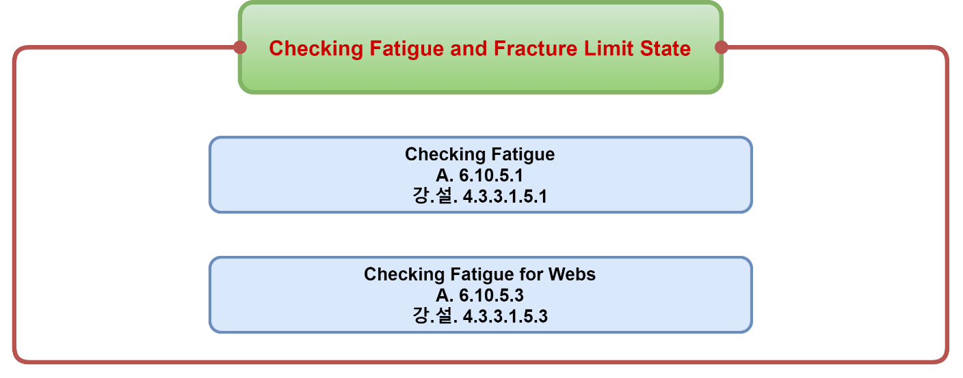
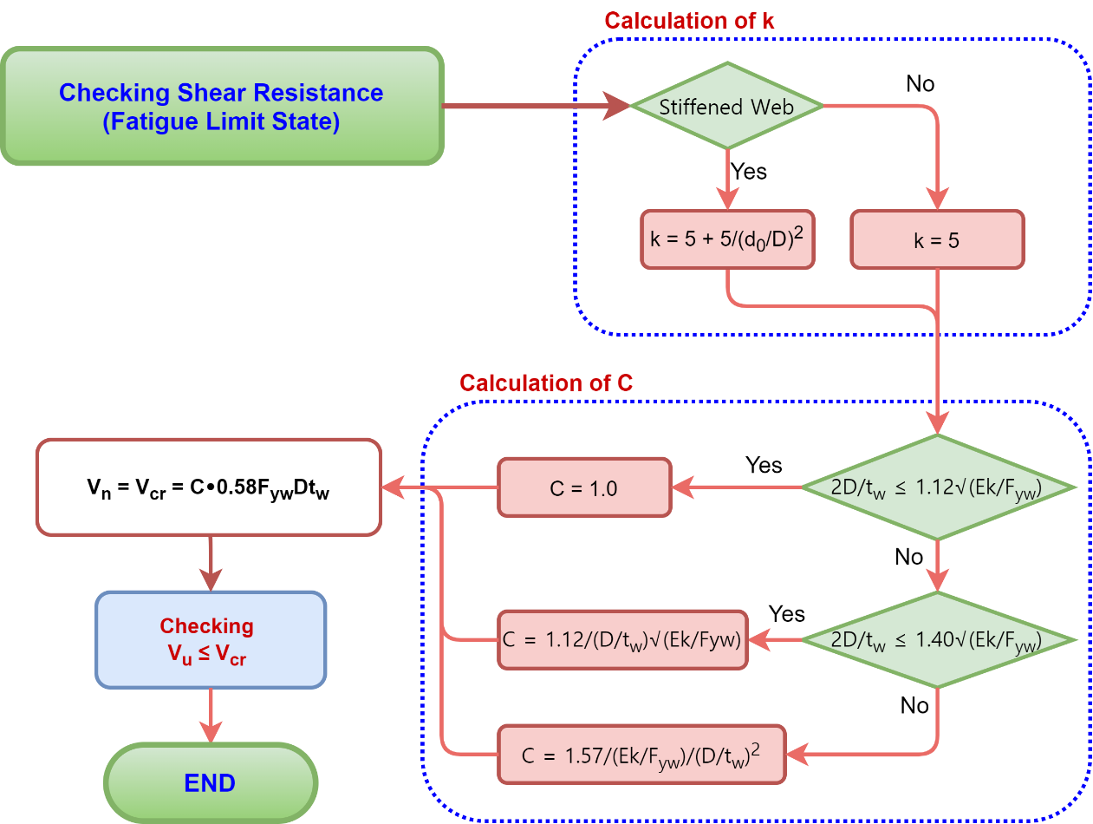
 | Flowchart for checking PUS girder by LRFD

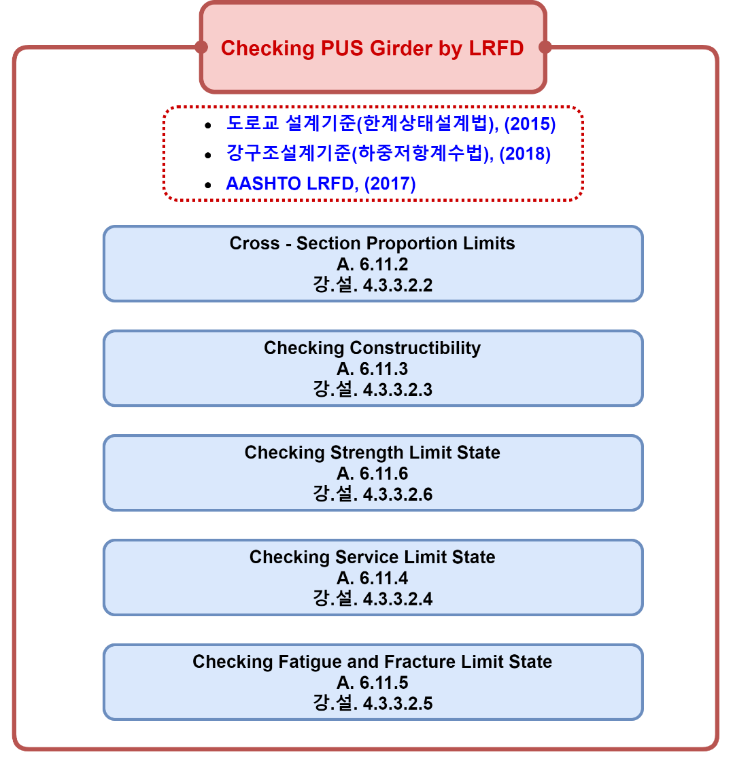

1. Flowchart for cross-section proportion limits
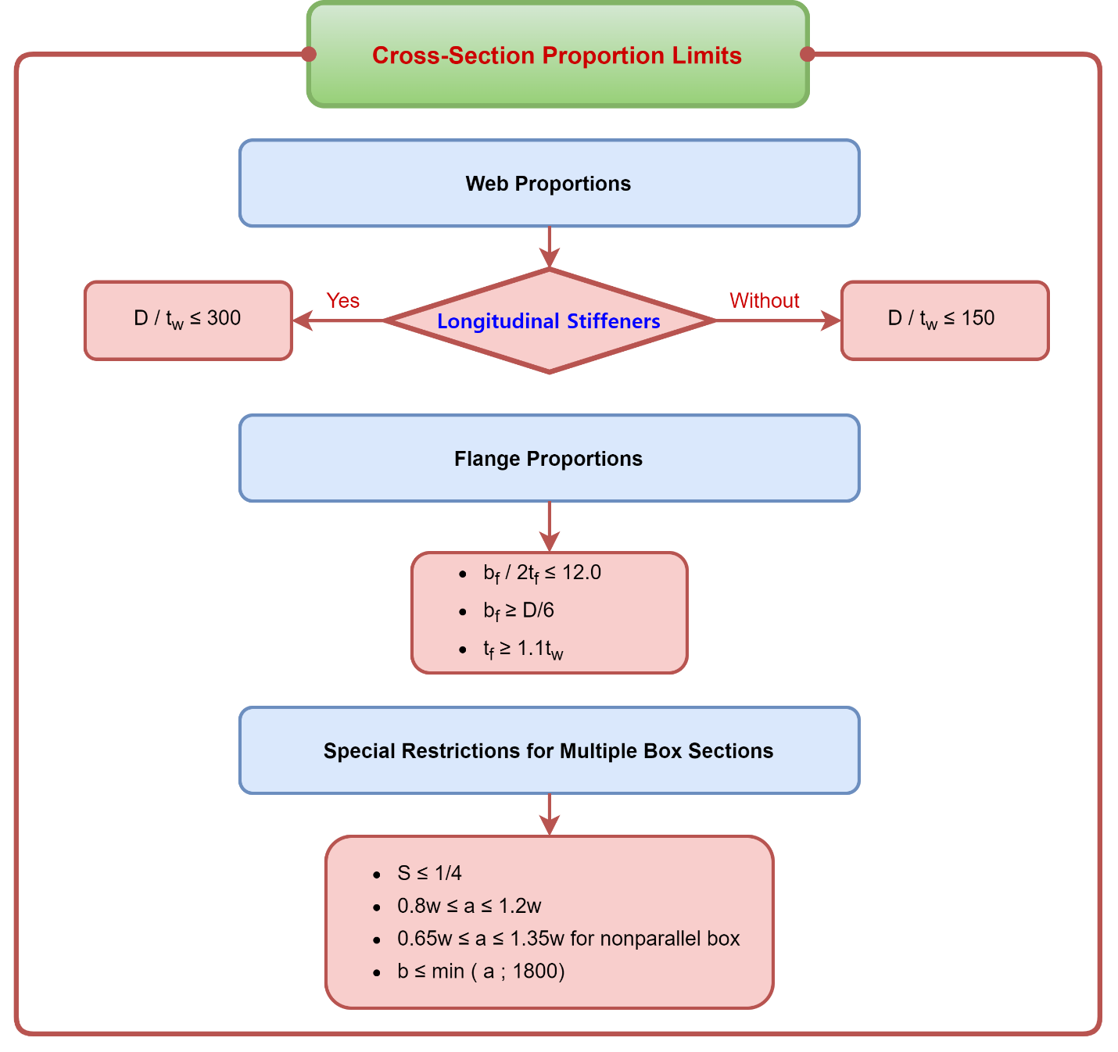

2. Flowchart for checking Constructibility
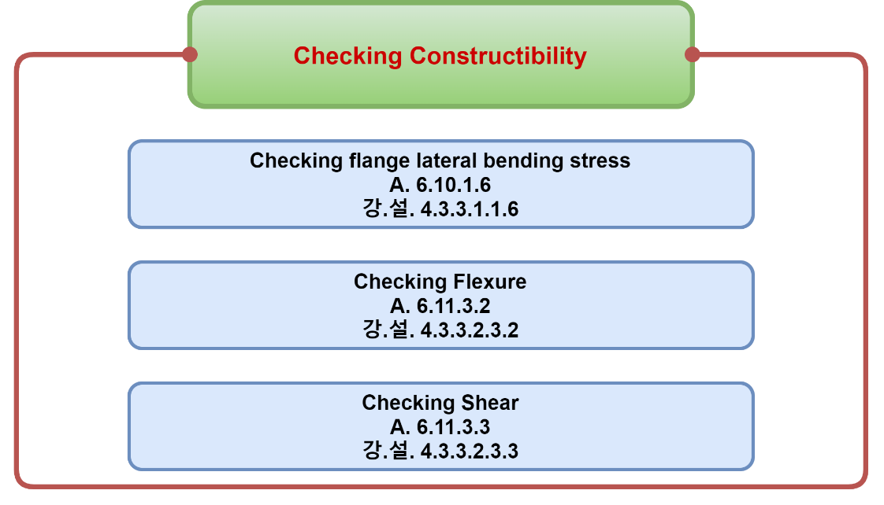

2.1. Checking flange lateral bending stress
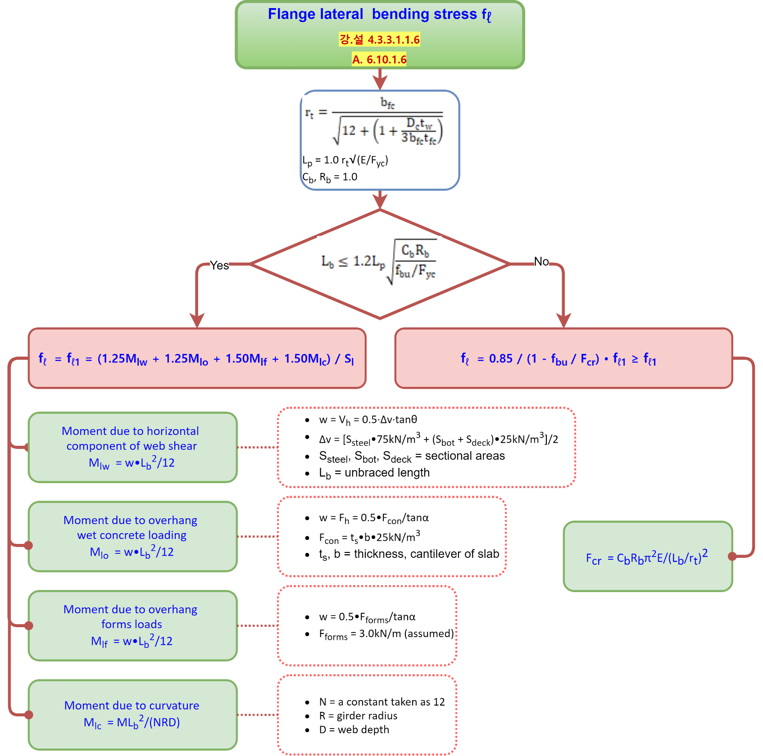

2.2. Checking flexure
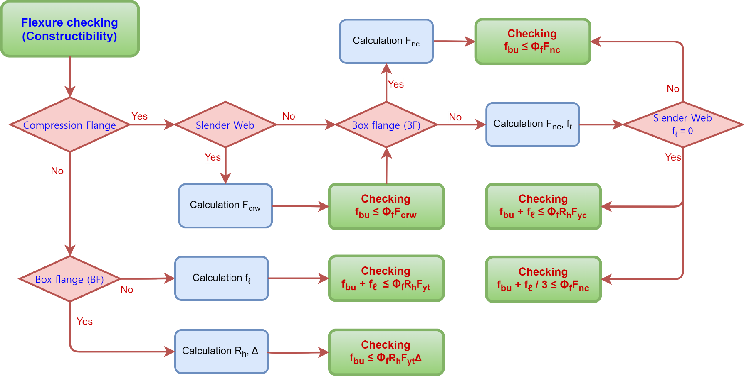

 |  |  | ≤ Φ

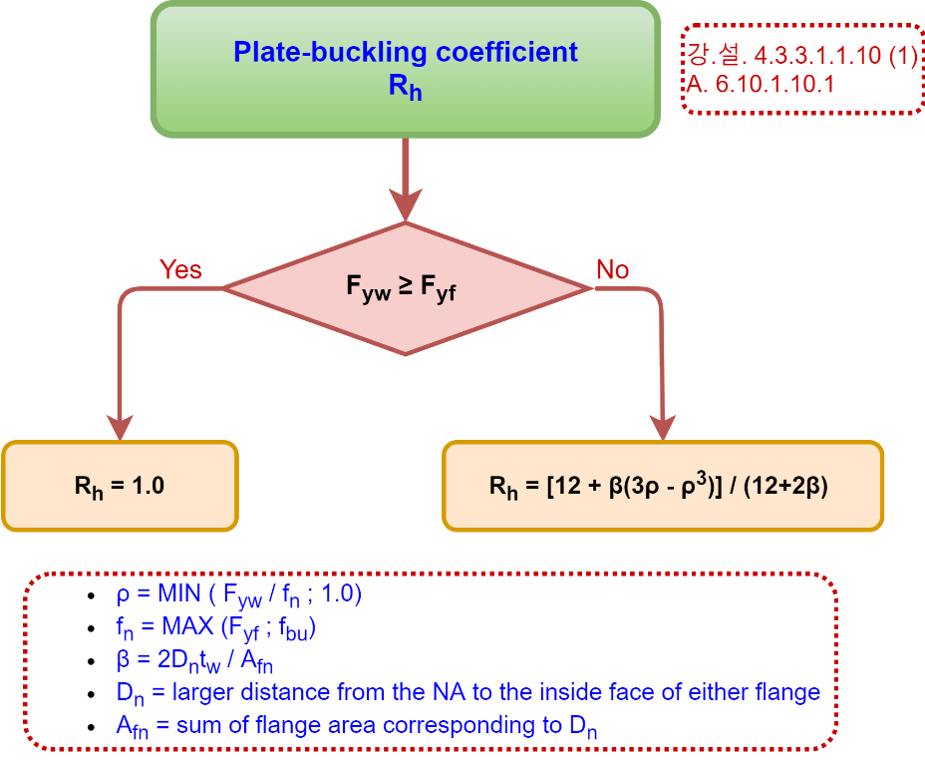

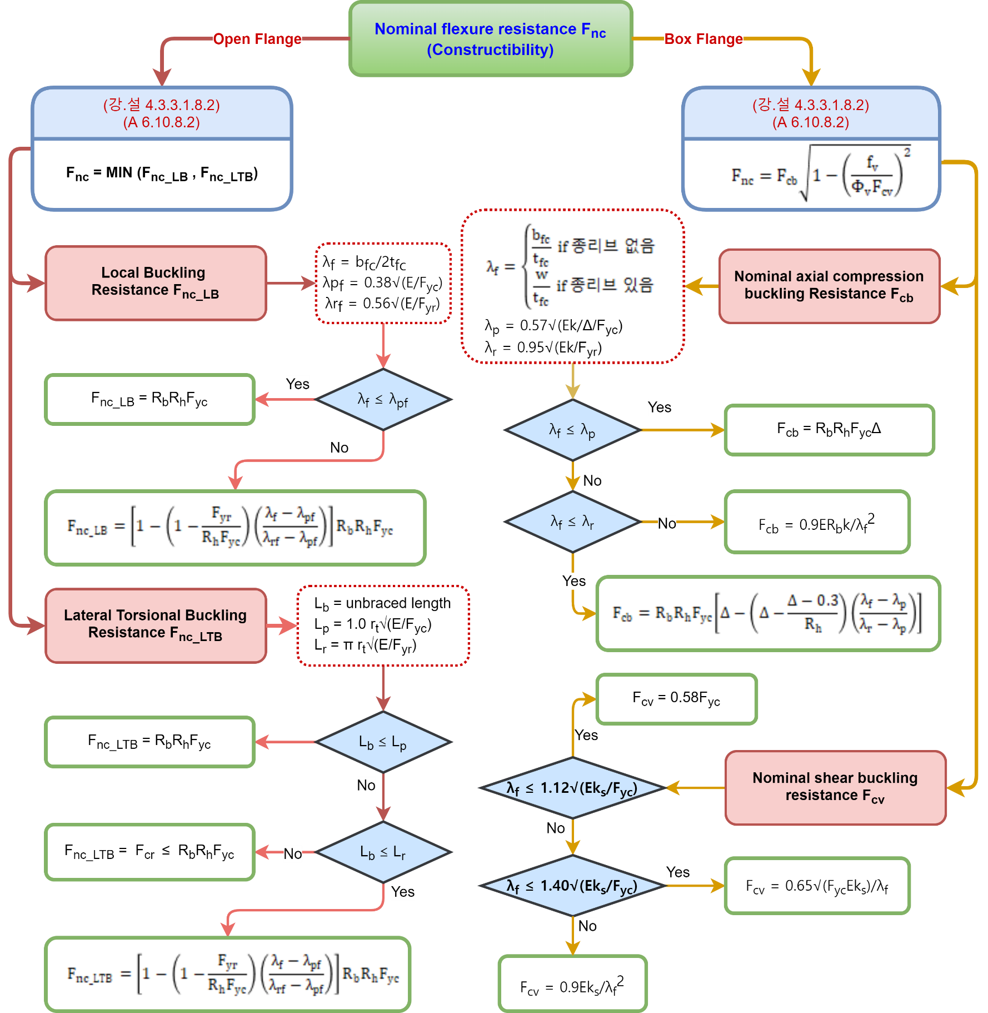

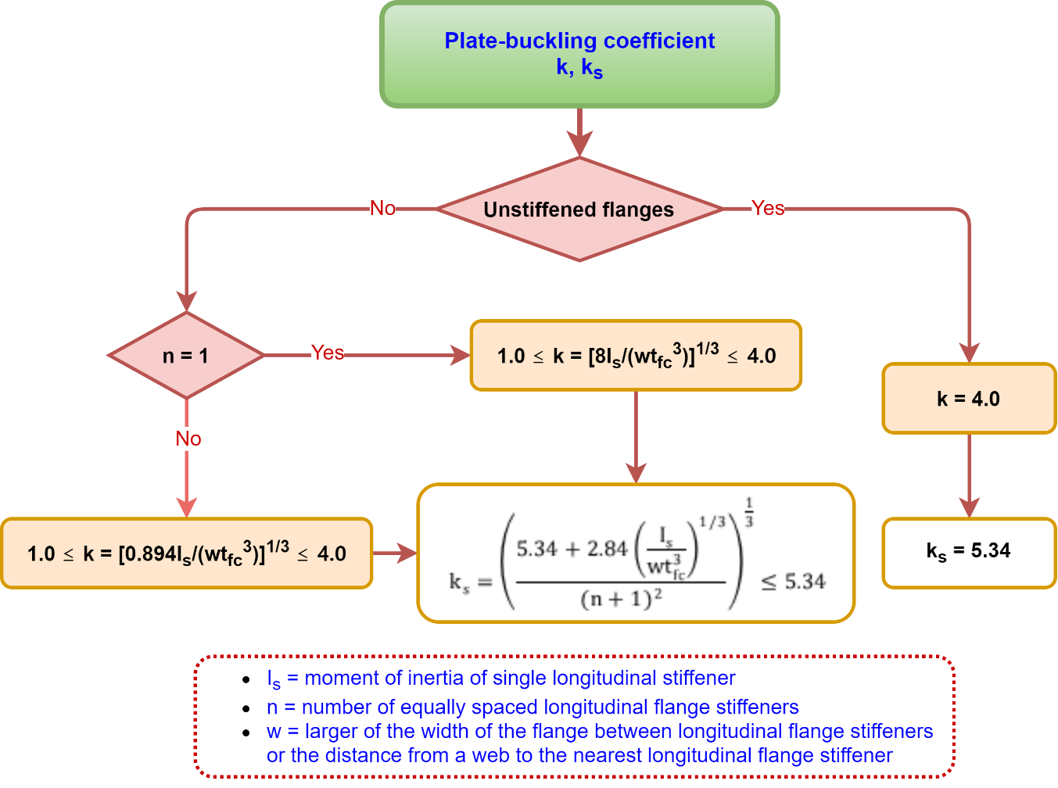

 |  | 2436 | 570
 |  | 3039 | 711.09605911

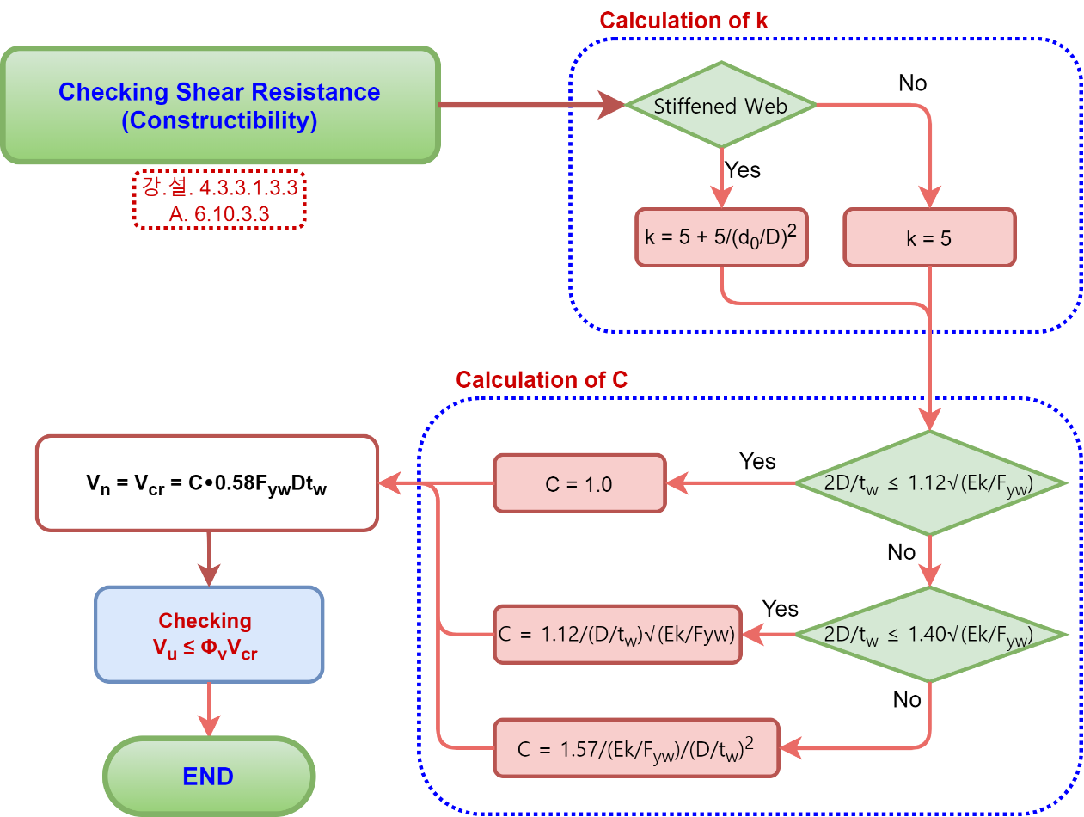

3. Flowchart for Checking Strength limit state
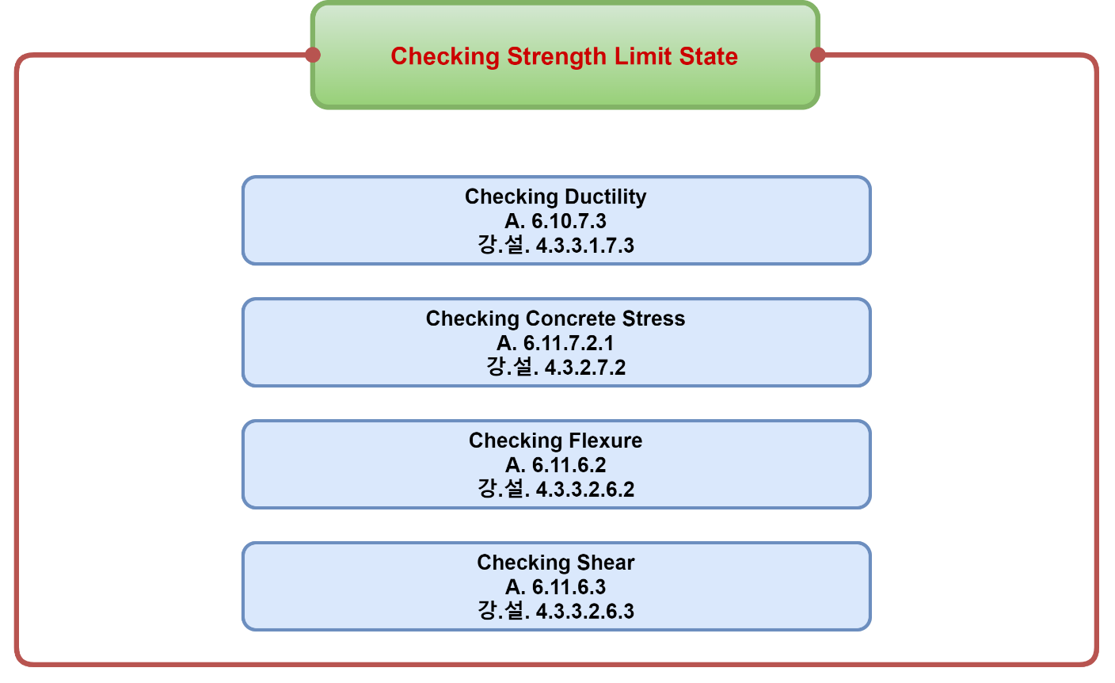

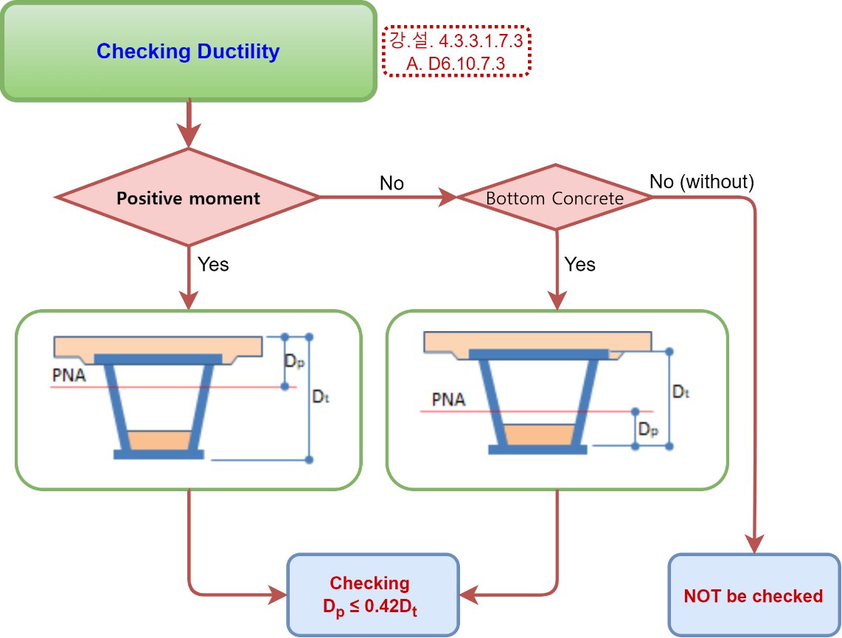
3.1. Checking Ductibility

3.2. Checking flexure
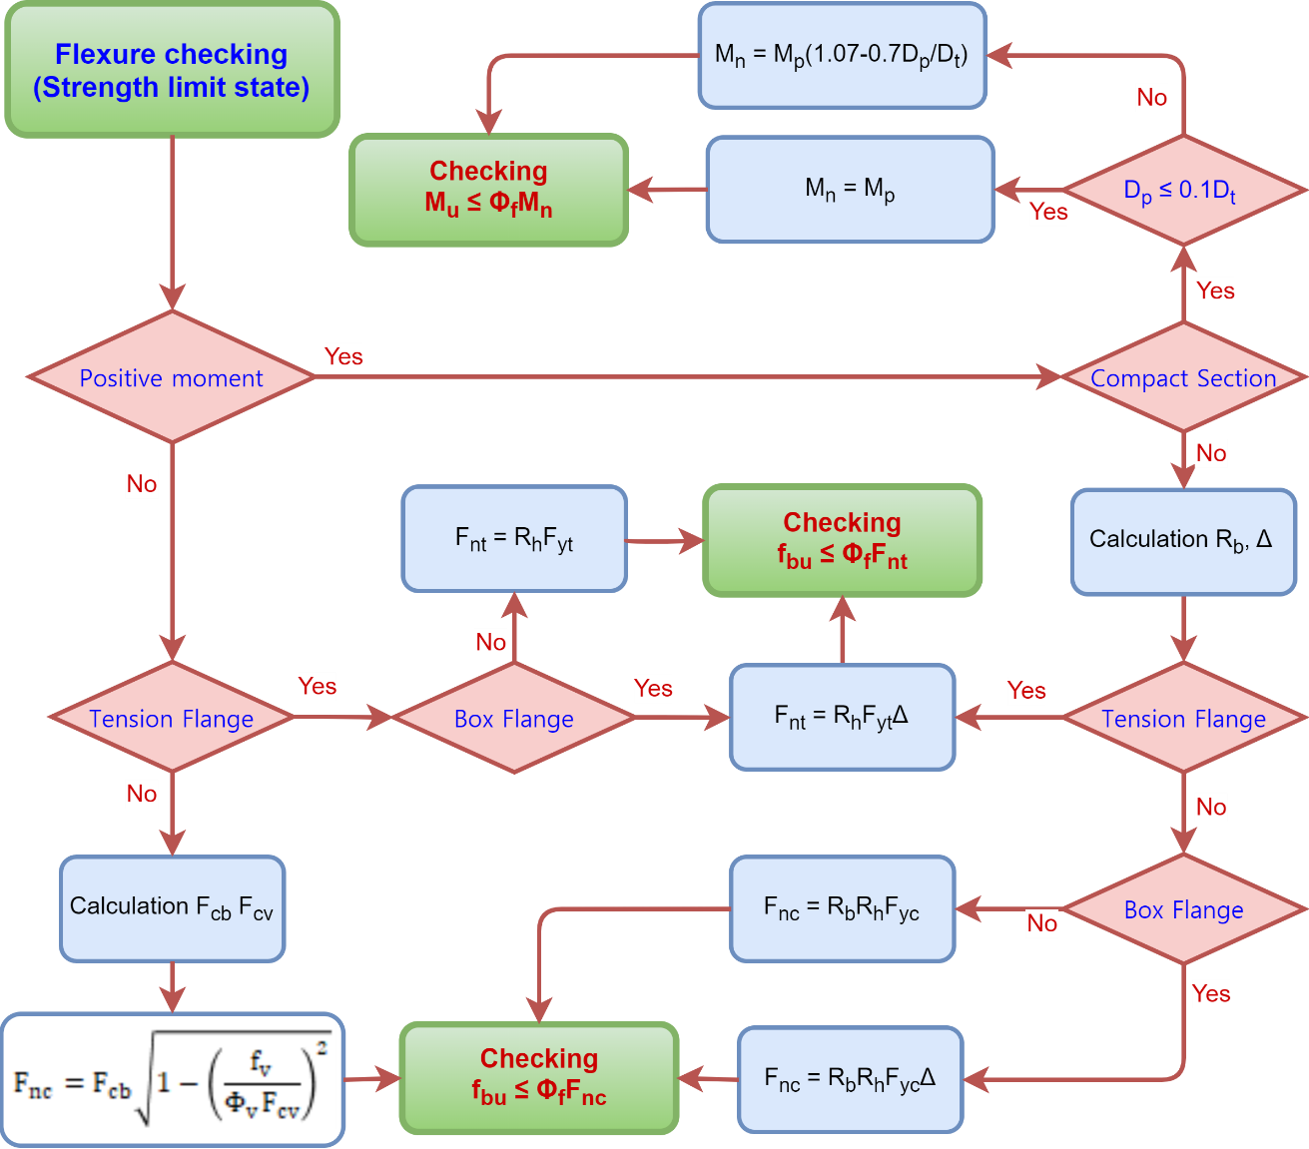

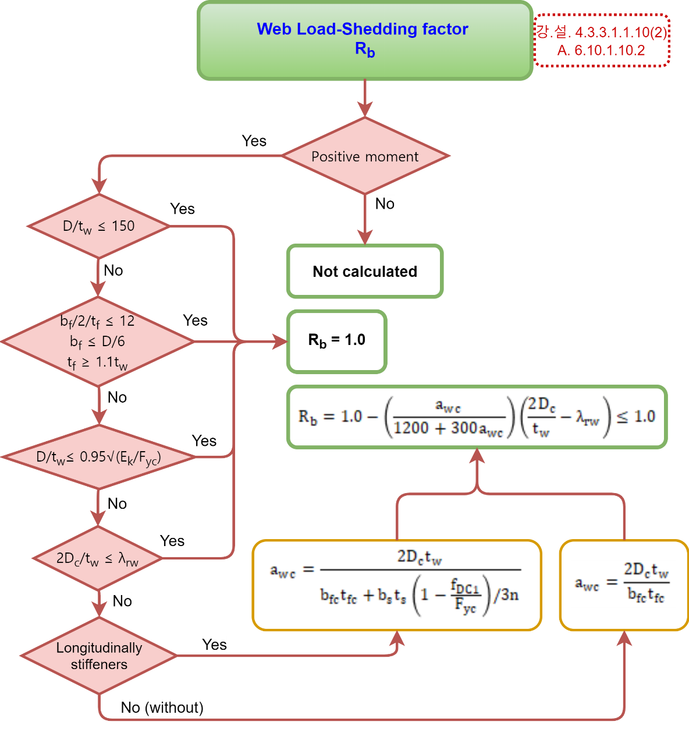

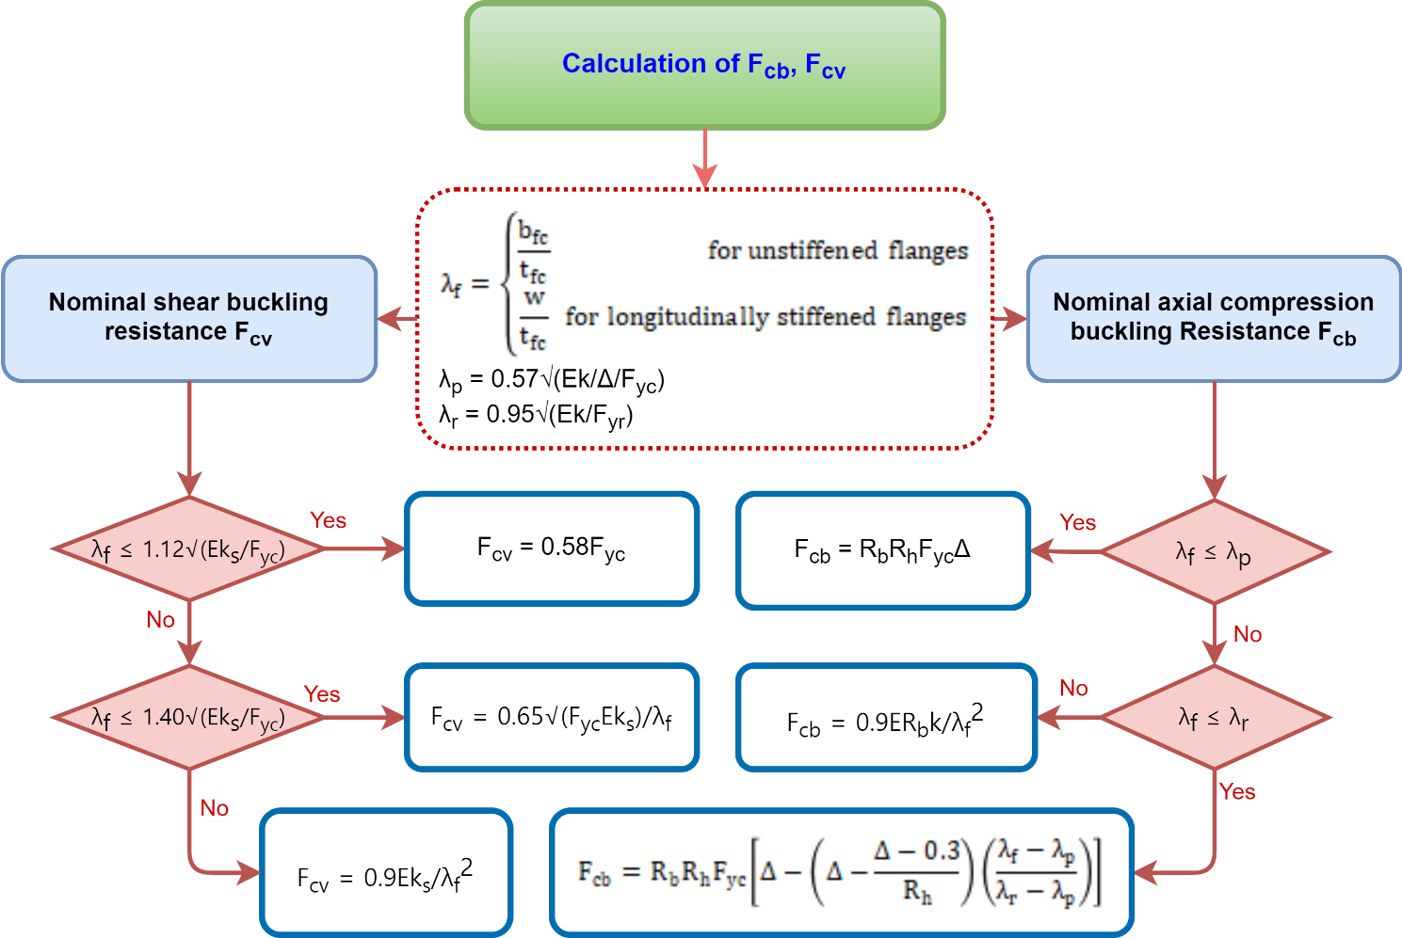

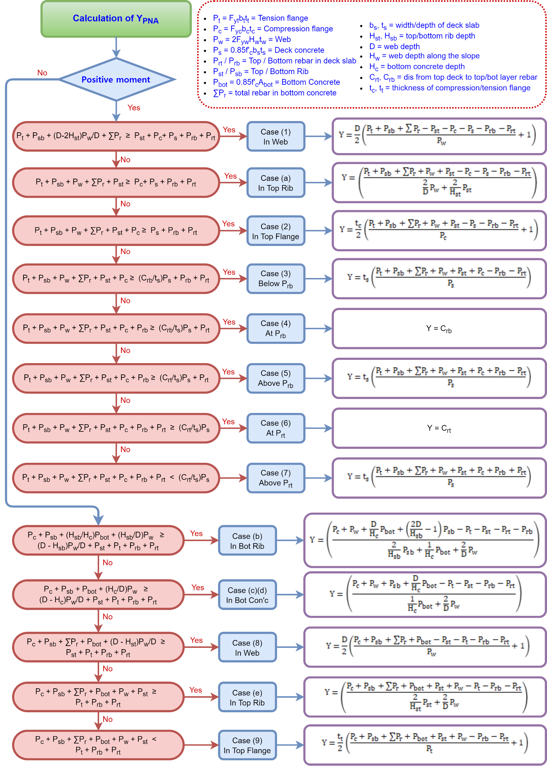

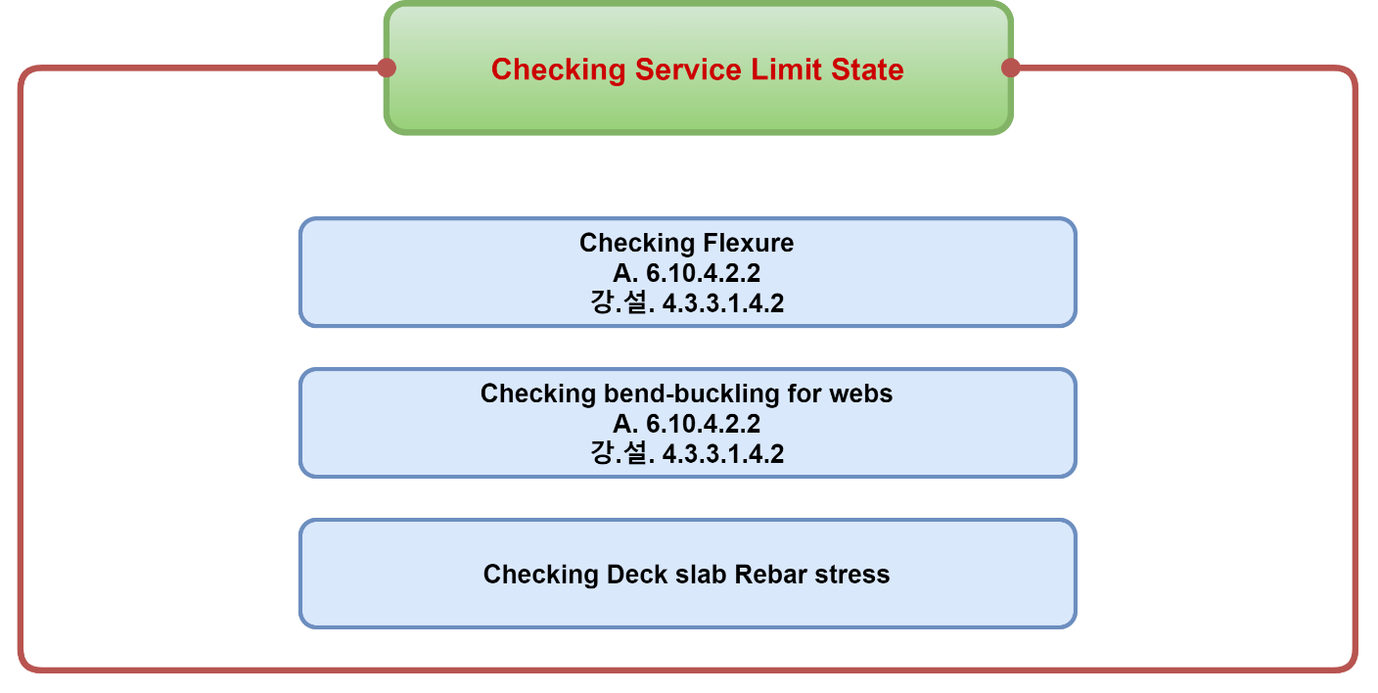
4. Checking Service Limit State

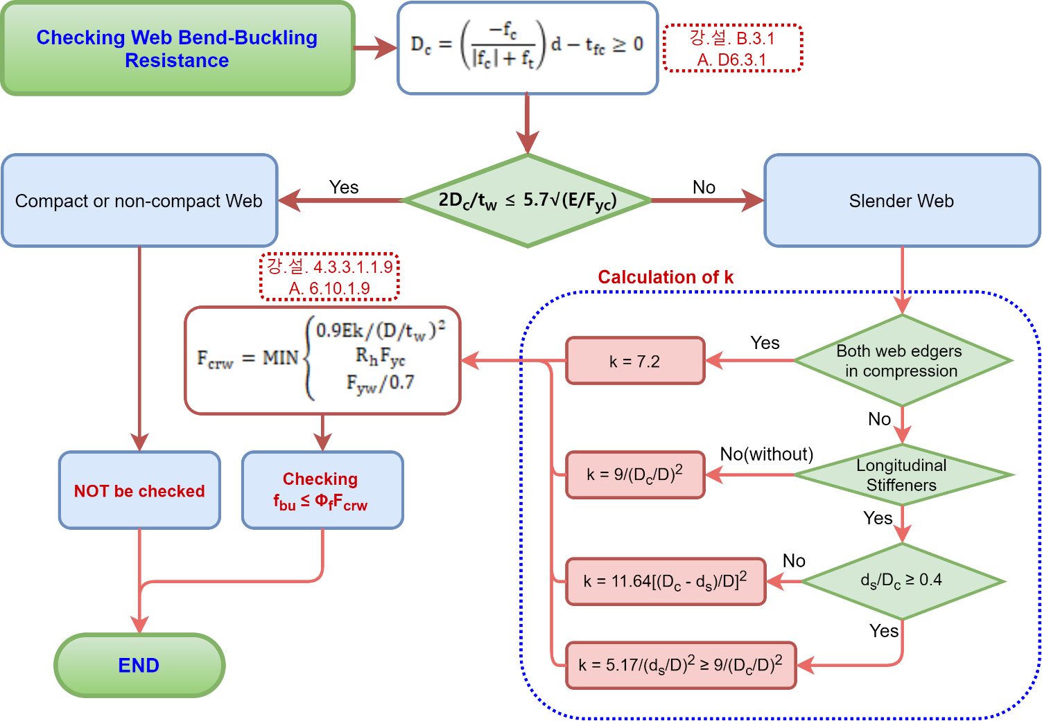

5. Checking Fatigue and Fracture Limit State

Sheet1
B-Left A1 A2 A3 B-Right
Barrier Pedestrian Liveload Barrier Liveload Barrier
Cross Section

H1
H2
H3
L1 L2 L3
X
Y
Y = AX²
0
Haunch of girder

Closed-Box Section
L1 L2

①
②
③
④
⑤
B3 B2 B1
②
H3
H2
H1
①
②
③
④
⑤
H3
H2
H1
e B1 B2 B3
①
②
③
④
⑤
H3
H2
H1
B3 B2 B1 e

Bottom Concrete
H
Length Left #2 Left #1 Right #1 Right #2
H
H
H

Left-side barrier Right-side barrier Jersey barrier
①
②
③
④
⑤
H3
H2
H1
e B1 B2 B3
①
②
③
④
⑤
B3 B2 B1
②
H3
H2
H1
①
②
③
④
⑤
H3
H2
H1
B3 B2 B1 e

Φ

cbot
btop
ctop
bbot
Hc
tw
1
S
bh
th
ts
D
tbot
ttop
ctop
w
Φ
Positive moment Negative moment
D
ds
ds
D

① Type 1: Steel girder only
② Type 2: Steel + Bottom concrete
③ Type 3: Steel + Deck concrete

④ Type 4: Steel + Bottom concrete + Rebar
⑤ Type 5: Steel + Bottom concrete + Deck concrete

Location of Support

A B

