Table 1
Fish Stocking Report Updated May 18, 2025
Recreational fish stocking is managed by Environment and Protected Areas The recreational stocking program supplies over 240 lakes with approximately 2 million hatchery-reared trout to provide additional recreational angling opportunities and reduce angling pressure on natural fish populations. In 2021, the walleye stocking program recommenced. Walleye are stocked at a very small size due to their voracious nature in the fish hatchery. Walleye won’t reach a catchable size until four or five years after stocking, whereas stocked trout can be angled upon release from the hatchery.
Species Stocked Fish species stocked into waterbodies may not look like the photos below – variation in color based on individual fish, the time of year and diet is common. Use the key characteristics to identify your catch, and if you don’t know, let it go!
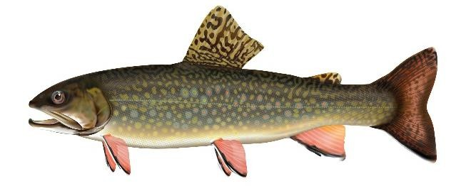 Brook Trout (BKTR) Lower fins have a black stripe behind a pale leading edge, light colored spots on the body, black markings on dorsal fin, a slightly forked tail. | 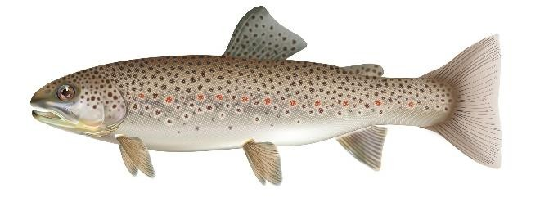 Brown Trout (BNTR) Large black spots on back and body, red spots (some with pale halos) on the sides. | 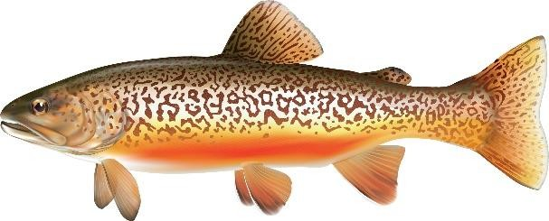 Tiger Trout (TGTR) Vermiculation (worm-like markings) on body and dorsal fin. Lower fins have a pale leading edge. Markings may appear brownish or greenish depending on location.
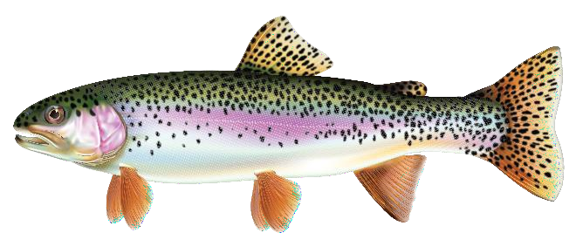 Rainbow Trout (RNTR) Black spotting over the length of the body, pink/red stripe along lateral line from gills to tail. | 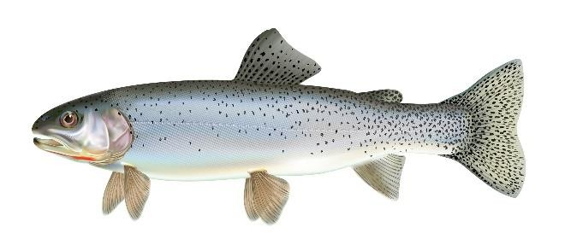 Cutthroat Trout (CTTR) Black spots (without halos) on sides that are more concentrated on the back and tail, red/orange streak under the jaw, slightly forked tail. | 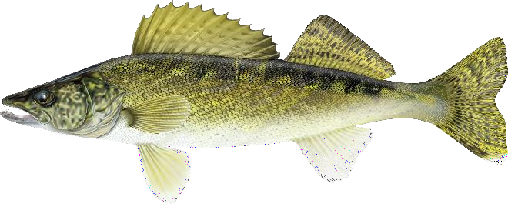 Walleye (WALL) Large eyes, two distinct fins present on back (first featuring large spines), dusky vertical bars on body with a yellow-olive back and white underside. Walleye usually have a distinctive white tip on the lower lobe of the tail.

