Resource
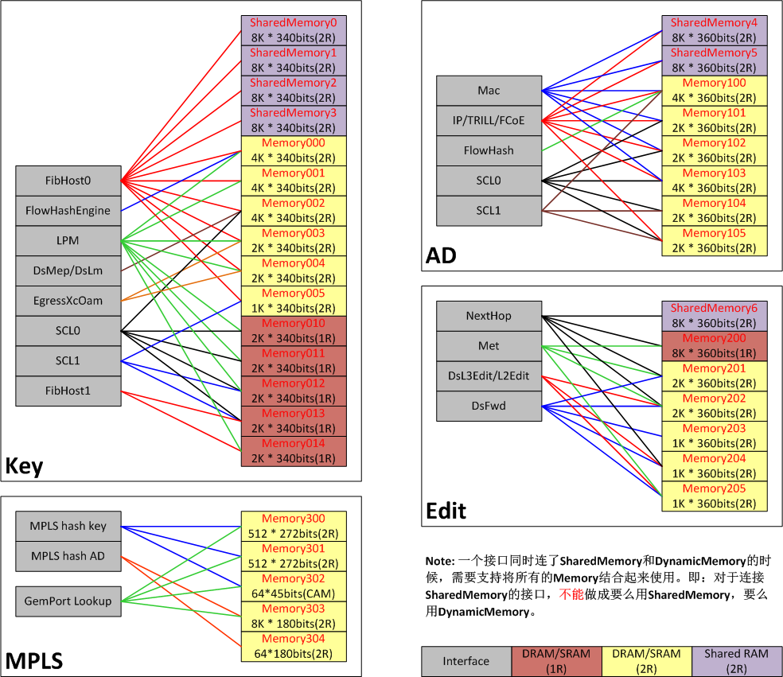
 | couple_model | no |  | Ip Route Mode | 0
 |  |  |  |  |  |  |  |  | 如果Memory couple，填成2, 否则填成1 | Id | Table Name | Couple Mode
 | Tbl Name | eDRam ID | Use | Size | Total | 0(Memory000) | 0 | 16384 | 2 | 0 | DRV_FTM_SRAM_TBL_FIB0_HASH_KEY | 0 | 0 | 24576
DYNAMIC | SCL_HASH_KEY | 2 | no | 0 | 8192 | 1(Memory001) | 1 | 16384 | 1 | 1 | DRV_FTM_SRAM_TBL_FIB1_HASH_KEY | 0
 |  | 6 | no | 0 |  | 2(Memory002) | 2 | 16384 | 1 | 2 | DRV_FTM_SRAM_TBL_FLOW_HASH_KEY | 1
 |  | 7 | no | 0 |  | 3(Memory003) | 3 | 8192 | 1 | 3 | DRV_FTM_SRAM_TBL_IPFIX_HASH_KEY | 1
 |  | 8 | yes | 8192 |  | 4(Memory004) | 4 | 8192 | 1 | 4 | DRV_FTM_SRAM_TBL_USERID_HASH_KEY
 |  | 9 | no | 0 |  | 5(Memory005) | 5 | 4096 | 1 | 5 | DRV_FTM_SRAM_TBL_XCOAM_HASH_KEY
 | SCL1_HASH_KEY | 5 | no | 0 | 8192 | 6(Memory010) | 6 | 8192 | 1 | 6 | DRV_FTM_SRAM_TBL_LPM_LKP_KEY | 0
 |  | 8 | no | 0 |  | 7(Memory011) | 7 | 8192 | 1 | 7 | DRV_FTM_SRAM_TBL_DSMAC_AD
 |  | 9 | yes | 8192 |  | 8(Memory012) | 8 | 8192 | 1 | 8 | DRV_FTM_SRAM_TBL_DSIP_AD | 1
 | XCOAM_HASH_KEY | 3 | yes | 8192 | 16384 | 9(Memory013) | 9 | 8192 | 1 | 9 | DRV_FTM_SRAM_TBL_FLOW_AD | 1
 |  | 4 | yes | 8192 |  | 10(Memory014) | 10 | 8192 | 1 | 10 | DRV_FTM_SRAM_TBL_IPFIX_AD | 1
 | FIB_HASH_KEY | 0 | no | 0 | 131072 | 11(Memory100) | 11 | 16384 | 1 | 11 | DRV_FTM_SRAM_TBL_USERID_AD
 |  | 1 | no | 0 |  | 12(Memory101) | 12 | 8192 | 1 | 12 | DRV_FTM_SRAM_TBL_NEXTHOP | 1
 |  | 2 | no | 0 |  | 13(Memory102) | 13 | 8192 | 1 | 13 | DRV_FTM_SRAM_TBL_FWD
 |  | 3 | no | 0 |  | 14(Memory103) | 14 | 16384 | 1 | 14 | DRV_FTM_SRAM_TBL_MET | 1
 |  | 4 | no | 0 |  | 15(Memory104) | 15 | 8192 | 1 | 15 | DRV_FTM_SRAM_TBL_EDIT
 |  | 5 | no | 0 |  | 16(Memory105) | 16 | 8192 | 1 | 16 | DRV_FTM_SRAM_TBL_OAM_APS
 |  | 23 | yes | 32768 |  | 17(Memory200) | 17 | 32768 | 1 | 17 | DRV_FTM_SRAM_TBL_OAM_LM
 |  | 24 | yes | 32768 |  | 18(Memory201) | 18 | 8192 | 1 | 18 | DRV_FTM_SRAM_TBL_OAM_MEP
 |  | 25 | yes | 32768 |  | 19(Memory202) | 19 | 8192 | 1 | 19 | DRV_FTM_SRAM_TBL_OAM_MA
 |  | 26 | yes | 32768 |  | 20(Memory203) | 20 | 4096 | 1 | 20 | DRV_FTM_SRAM_TBL_OAM_MA_NAME
 | FIB0_HASH_KEY | 0 | no | 0 | 16384 | 21(Memory204) | 21 | 4096 | 1
 |  | 1 | yes | 16384 |  | 22(Memory205) | 22 | 4096 | 1
 |  | 2 | no | 0 |  | 23(ShareMemory) | 23 | 32768 | 1
 |  | 3 | no | 0 |  | 24(ShareMemory) | 24 | 32768 | 1
 |  | 4 | no | 0 |  | 25(ShareMemory) | 25 | 32768 | 1
 |  | 5 | no | 0 |  | 26(ShareMemory) | 26 | 32768 | 1
 | FIB1_HASH_KEY | 9 | no | 0 | 8192 | 27(ShareMemory4) | 27 | 32768 | 1
 |  | 10 | yes | 8192 |  | 28(ShareMemory5) | 28 | 32768 | 1
 | FLOW_HASH_KEY | 0 | yes | 32768 | 32768 | 29(ShareMemory6) | 29 | 32768 | 1
 | LPM_PIPE0 | 0 | no | 0 | 16384
 |  | 1 |  | 0
 |  | 3 | no | 0
 |  | 4 |  | 0
 |  | 6 | yes | 8192
 |  | 7 |  | 8192
 |  | 8 | no | 0
 |  | 10 |  | 0
 | OAM_MEP | 2 | yes | 16384 | 16384
 | SCL_HASH_AD | 12 | no | 0 | 8192
 |  | 13 | no | 0 |  |  |  |  |  | Tcam ID | Tcam ID | Size
 |  | 14 | no | 0 |  | Tcam ID | Tcam ID | Size |  | 0(UserId0) | 0 | 1024
 |  | 15 | yes | 8192 |  | (UserId0) | 0 | 1024 |  | 1(UserId1) | 1 | 1024
 |  | 16 | no | 0 |  | (UserId1) | 1 | 1024 |  | 2(IPE ACL0) | 2 | 1024
 | SCL1_HASH_AD | 11 | no | 0 | 8192 | (UserId2) | 2 | 1024 |  | 3(IPE ACL1) | 3 | 1024
 |  | 15 | no | 0 |  | (UserId3) | 3 | 1024 |  | 4(IPE ACL2) | 4 | 1024
 |  | 16 | yes | 8192 |  | (IPE ACL0) | 4 | 1024 |  | 5(IPE ACL3) | 5 | 1024
 | DSMAC_AD | 11 | no | 0 | 16384 | (IPE ACL1) | 5 | 1024 |  | 6(IPE ACL4) | 6 | 1024
 |  | 12 | yes | 8192 |  | (IPE ACL2) | 6 | 1024 |  | 7(IPE ACL5) | 7 | 1024
 |  | 13 | yes | 8192 |  | (IPE ACL3) | 7 | 1024 |  | 8(IPE ACL6) | 8 | 2048
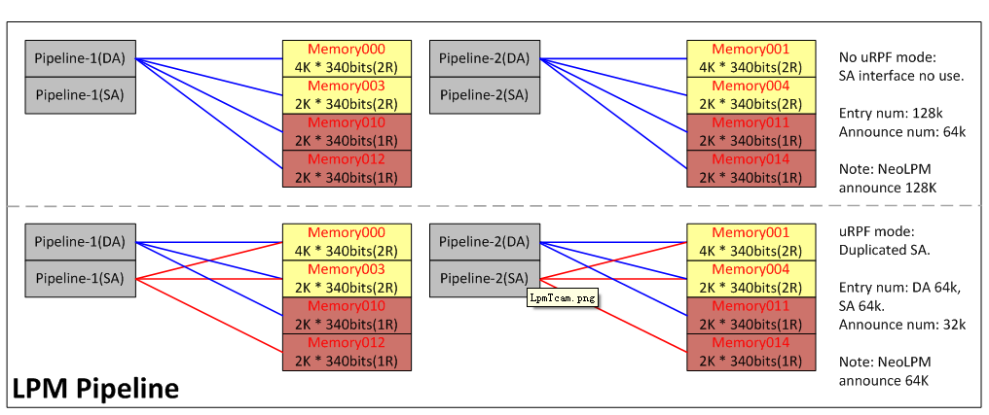
 |  | 14 | no | 0 |  | (IPE ACL4) | 8 | 1024 |  | 9(IPE ACL7) | 9 | 2048
 |  | 27 | no | 0 |  | (IPE ACL5) | 9 | 1024 |  | 10(EPE ACL0) | 10 | 2048
 |  | 28 | no | 0 |  | (IPE ACL6) | 10 | 1024 |  | 11(EPE ACL1) | 11 | 2048
 | FLOW_AD | 11 | yes | 16384 | 16384 | IPE ACL7) | 11 | 1024
 | DSIP_AD | 11 | no | 0 | 81920 | (EPE ACL0) | 12 | 1024
 |  | 12 | no | 0 |  | (EPE ACL1) | 13 | 1024
 |  | 13 | no | 0 |  | (EPE ACL2) | 14 | 1024
 |  | 14 | yes | 16384 |  | (FlowTcam0) | 15 | 2048
 |  | 16 | no | 0 |  | (FlowTcam1) | 16 | 2048
 |  | 27 | yes | 32768 |  | (FlowTcam2) | 17 | 2048
 |  | 28 | yes | 32768 |  | (FlowTcam3) | 18 | 2048
 | NEXTHOP | 17 | yes | 32768 | 65536
 |  | 18 | no | 0
 |  | 19 | no | 0
 |  | 21 | no | 0
 |  | 29 | yes | 32768
 | EDIT | 19 | no | 0 | 8192
 |  | 21 | yes | 4096
 |  | 22 | yes | 4096
 | FWD | 18 | no | 0 | 4096
 |  | 19 | no | 0
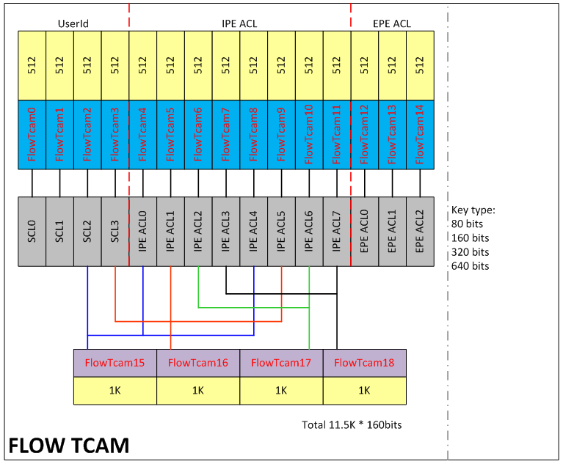
 |  | 20 | yes | 4096
 |  | 21 | no | 0
 |  | 22 | no | 0
 | MET | 17 | no | 0 | 16384
 |  | 18 | yes | 8192
 |  | 19 | yes | 8192
 |  | 22 | no | 0

 | Tbl Name | Tcam ID | Use | Size | Total
FlowTCAM | SCL0 | 0 | yes | 1024 | 1024
 | SCL1 | 1 | no | 0 | 0
 | SCL2 | 2 | yes | 1024 | 1024
 |  | 15 | no | 0
 | SCL3 | 3 | yes | 1024 | 1024
 |  | 16 | no | 0
 | ACL0_IPE | 4 | yes | 1024 | 1024
 |  | 15 | no | 0
 | ACL1_IPE | 5 | yes | 1024 | 1024
 |  | 16 | no | 0
 | ACL2_IPE | 6 | yes | 1024 | 1024
 |  | 17 | no | 0
 | ACL3_IPE | 7 | yes | 1024 | 1024
 |  | 18 | no | 0
 | ACL4_IPE | 8 | yes | 1024 | 1024
 |  | 15 | no | 0
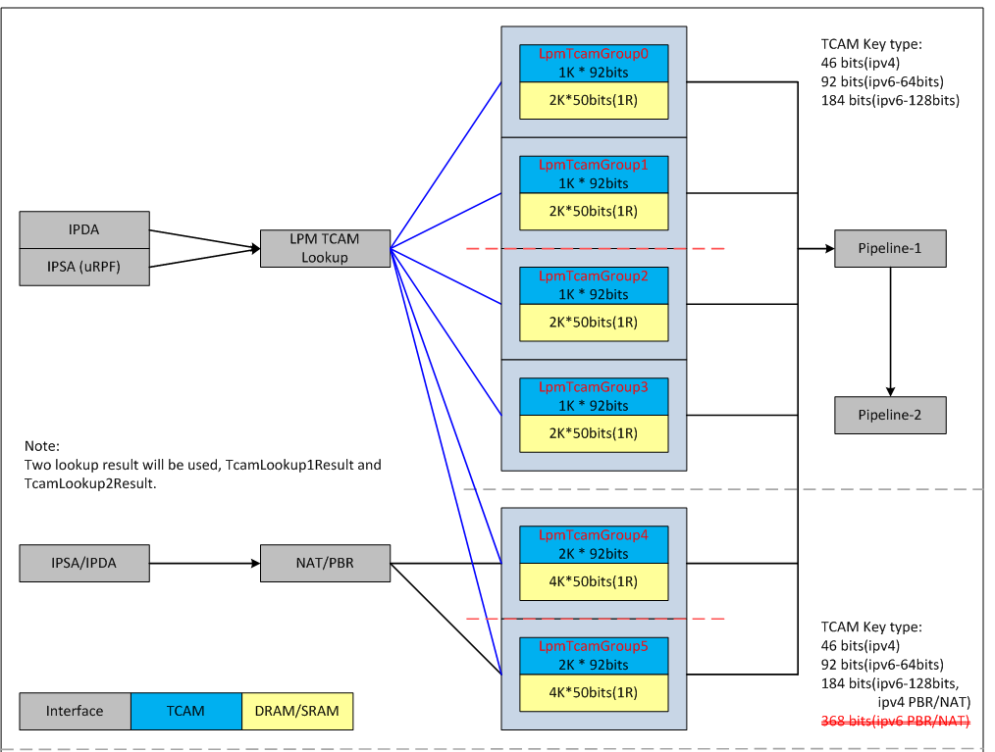
 | ACL5_IPE | 9 | yes | 1024 | 1024
 |  | 16 | no | 0
 | ACL6_IPE | 10 | yes | 1024 | 1024
 |  | 17 | no | 0
 | ACL7_IPE | 11 | yes | 1024 | 1024
 |  | 18 | no | 0
 | ACL0_EPE | 12 | yes | 1024 | 1024
 | ACL1_EPE | 13 | yes | 1024 | 1024
 | ACL2_EPE | 14 | yes | 1024 | 1024

 | Tbl Name | Tcam ID | Use | Size | Total
IpTcam | IPV6_UCAST_ROUTE_KEY | 0 | no | 0 | 0
 |  | 1
 |  | 2 | no | 0
 |  | 3
 |  | 4 | no | 0
 |  | 5
 |  | 6 | no | 0
 |  | 7
 |  | 8 | no | 0
 |  | 9
 |  | 10 | no | 0
 |  | 11
 | IPV6_UCAST_HALF_KEY | 0 | no | 0 | 0
 |  | 1
 |  | 2 | no | 0
 |  | 3
 |  | 4 | no | 0
 |  | 5
 |  | 6 | no | 0
 |  | 7
 |  | 8 | no | 0
 |  | 9
 |  | 10 | no | 0
 |  | 11
 | IPV4_UCAST_ROUTE_KEY | 0 | no | 0 | 4096
 |  | 1
 |  | 2 | no | 0
 |  | 3
 |  | 4 | yes | 2048
 |  | 5
 |  | 6 | yes | 2048
 |  | 7
 |  | 8 | no | 0
 |  | 9
 |  | 10 | no | 0
 |  | 11
NatTcam | IPV4_NAT_KEY | 8 | yes | 8192 | 8192
 |  | 9
 |  | 10
 |  | 11

