Price list
LY'S CELLARS PRICE LIST
52/12 Giang Van Minh, Hanoi
Tel: 0813239933 |  |  |  |  |  |  |  | 2025

No | AX Code | Designation Sản phẩm | Type of wine Loại rượu vang | Grape Variety Giống nho | ABV Độ cồn | Product Photo Ảnh sản phẩm | LY's Cellars Main Price (incl. VAT) | Wholesale Price (excl. VAT)
Rượu vang Pháp - France
Bordeaux & Mediterranee
 |  | The Bouey family's winegrowing adventure began in 1821 when Jean Bouey acquired his first plot of vines in the heart of the Médoc. Today, in addition to its own wine estates, the Bouey family owns its own trading house and can boast partnerships with more than a hundred Châteaux, become one of the most famous negociants in Bordeaux.
1 | L20001 | Maison Blanche Bordeaux Rouge | Red | Merlot Cabernet Sauvignon Cabernet Franc | 13,5%
 | L20002 | Maison Blanche Bordeaux Blanc | White | Sauvignon Blanc | 12,5%
3 | L20068 | Esprit de Maison Blanche Rouge | Red | Merlot, Cabernet Sauvignon, Cabernet Franc | 14%
4 | L20069 | Esprit de Maison Blanche Blanc | White | Sauvignon Blanc, Semillion | 13%
5 | L20003 | Colors 719 | Rosé | Grenache | 12%
6 | L20004 | Chateau Clos Seric Bordeaux Superieur | Red | Merlot Cabernet Franc | 14%
7 | L20029 | Chateau Clos Cormey Saint-Emilion Grand Cru | Red | Merlot Cabernet Franc Cabernet Sauvignon | 13%
8 | L20032 | L'Orangerie de Pez Saint-Estephe | Red | Cabernet Sauvignon Merlot | 13%
9 | L20030 | Chateau Moulin de la Bridane Saint-Julien | Red | Cabernet Sauvignon Merlot Cabernet Franc | 13%
 | L20031 | Le Secret de Franc Maillet Pomerol | Red | Merlot Cabernet Franc | 14%

Atlantique
1 | L20006 | Oh La Vache Rouge | Red | Merlot Cabernet Sauvignon | 13%
2 | L20007 | Oh La Vache Blanc | White | Colombard Chardonnay | 12%
Rhone Valley
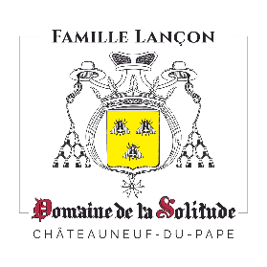 |  | La Solitude belongs to one of the oldest families of Châteauneuf-du-Pape, whose roots go back to the 15th century. Today the Estate is managed by Florent Lançon, who represents the 8th generation and continues to uphold the family values. Here, in an environment in which every living thing has a role to play: the wildlife and natural vegetation, the vines, and the people. A great wine is created by the vines, without artifice, and tells the story of their setting.
1 | L20016 | Domaine de la Solitude Cotes du Rhone Rouge | Red | Grenache Syrah Mourvèdre | 14%
2 | L20017 | Domaine de la Solitude Cotes du Rhone Blanc | White | Viognier Grenache blanc Roussanne | 13%
 | L20018 | Domaine de la Solitude Gigondas Bellecoste | Red | Grenache Syrah Cinsault | 14%
 | L20019 | Domaine de la Solitude Chateauneuf du Pape 2019 | Red | Grenache - Syrah - Mourvèdre Cinsault - Counoise | 14,5%
 | L20019 | Domaine de la Solitude Chateauneuf du Pape 2021 | Red | Grenache - Syrah - Mourvèdre Cinsault - Counoise | 14,5%
4 | L20019 | Domaine de la Solitude Chateauneuf du Pape 2023 | Red | Grenache - Syrah - Mourvèdre Cinsault - Counoise | 14,5%
5 | L20070 | Domaine de la Solitude Chateauneuf du Pape | White | Grenache blanc, Clairette, Roussanne, Bourboulenc | 13%
Bourgogne
 |  | Created in 1921 and solely dedicated to viticulture since 1972, Rochebin estate in Azé, Mâconnais, manages over 50 hectares sustainably. Led by Mickaël Marillier, his father Jean-Pierre, and Laurent Chardigny, they produce pleasure wines with fruity aromas and freshness. Emphasizing tradition and careful vineyard management, their wines are meant to be shared with friends.
1 | L20043 | Domaine de Rochebin Bourgogne Aligote | White | Aligote | 12,5%
2 | L20044 | Domaine de Rochebin Bourgogne Chardonnay | White | Chardonnay | 13%
3 | L20045 | Domaine de Rochebin Macon Villages | White | Chardonnay | 12,5%
4 | L20046 | Domaine de Rochebin Bourgogne Pinot Noir | Red | Pinot Noir | 12,5%
 |  | Philippe Millet, settled down at Ferme de Marcault in Tonnerre in the mid-60s. In the early-80s, he created a wine estate when some of the land he cultivated for cereals became available for AOC Petit Chablis.Now retired, his son, Baudouin Millet manages the winery and continues to expand.
1 | L20042 | Baudouin Millet Bourgogne Chardonnay | White | Chardonnay | 12,5%
2 | L20039 | Baudouin Millet Petit Chabis | White | Chardonnay | 12,5%
3 | L20040 | Baudouin Millet Chablis | White | Chardonnay | 13%
4 | L20041 | Baudouin Millet Chablis 1er Cru Vaucoupin | White | Chardonnay | 13,5%
Beaujolais
 |  | Since 1820 the Pardon family, located in Beaujeu – the “historic capital of the Beaujolais” – have been producing, growing and making Beaujolais Crus. For generations they have been building on the traditional and elegant wines that are typical of every appellation in the region. The estate produces a wine from the old vines which are over 80 years old, some of which are even one hundred years old. They also select wines from other regions: Bourgogne and other wines from France that have been exported to more than 15 countries, on five continents.
1 | L20020 | Pardon & Fils Beaujolais-Villages | Red | Gamay | 13%
2 | L20021 | Pardon & Fils Chiroubles Les Chanteranes | Red | Gamay | 13%
3 | L20022 | Pardon & Fils Chenas Domaine du Dime | Red | Gamay | 13%
4 | L20023 | Pardon & Fils Brouilly | Red | Gamay | 13%
5 | L20024 | Pardon & Fils Morgon La Croix Gaillard | Red | Gamay | 13%
6 | L20025 | Pardon & Fils Beaujolais Blanc | White | Chardonnay | 12,5%
7 | L20026 | Pardon & Fils Saint-Amour Les Diamantines | Red | Gamay | 13,5%
8 | L20028 | Pardon & Fils Bourgogne Chardonnay | White | Chardonnay | 13%
Alsace
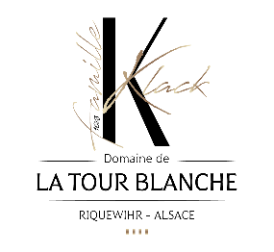 |  | Domaine de la Tour Blanche's vineyard is located in Alsace in the beautiful town of Riquewihr, classified as the Most Beautiful Villages in France because of its architectural richness (15th and 16th century houses) and its exceptional vineyards and terroirs. Winegrowers from father to son since 1628, i. e. 13 generations, with passion and respect, the terroirs that make up the estate, to extract complex, rich and unique wines.
1 | L20009 | Domaine de la Tour Blanche Pinot Blanc Cuvée | White | Pinot Blanc | 12,5%
 | L20010 | Domaine de la Tour Blanche Riesling | White | Riesling | 12%
 | L20011 | Domaine de la Tour Blanche Gewurztraminer | White | Gewurztraminer | 13,5%
4 | L20012 | Domaine de la Tour Blanche Pinot Noir Cuvée | Red | Pinot Noir | 14%
5 | L20014 | Domaine de la Tour Blanche Pinot Gris Réserve | White | Pinot Gris | 12%
6 | L20013 | Domaine de la Tour Blanche Riesling Grand Cru Schoenenbourg | White | Riesling | 13%
7 | L20015 | Domaine de la Tour Blanche Gewurztraminer Grand Cru Sporen | White | Gewurztraminer | 13,5%
Loire Valley
 |  | La Perrière located in Verdigny-en-Sancerre extends over 5 different communes and produces wines from the prestigious Sancerre appellation. La Perrière has a unique plot of 10 hectares in one piece on Silex terroirs, known as being the most conducive to the production of great Sauvignon Blanc.
1 | L20033 | La Petite Perriere Sauvignon Blanc | White | Sauvignon Blanc | 12,5%
2 | L20034 | La Petite Perriere Pinot Noir | Red | Pinot Noir | 13%
3 | L20066 | Locus Melon B. | White | Melon de Bourgogne | 12%
4 | L20067 | Locus Folle B | White | Folle Blanche | 11%
5 | L20035 | La Perriere Touraine Sauvignon Blanc | White | Sauvignon Blanc | 13%
6 | L20064 | El Pinot | Red | Pinot Noir | 13%
7 | L20065 | El Chardo | White | Chardonnay | 13%
8 | L20036 | La Perriere Blanc-Fumé de Pouilly | White | Sauvignon Blanc | 13%
9 | L20037 | La Perriere Sancerre White | White | Sauvignon Blanc | 13%
10 | L20038 | La Perriere Sancerre Red | Red | Pinot Noir | 12,5%

Languedoc
 |  | Named after the two hundred metre-wide meteorite crater which lies at the heart of the domaine, the vineyard sits in the village of Cabrerolles, at over three hundred metres of altitude in the foothills of the Haut-Languedoc mountains. Known for its unique terroir and sustainable practices, it produces exceptional wines that reflect the rich history and natural beauty of the area. The estate combines tradition and innovation to craft wines celebrated for their quality and character.
1 | L20047 | Domaine du Meteore Le Meteore Blanc | White | Roussanne Vermentino Viognier | 12,5%
2 | L20048 | Domaine du Meteore Le Meteore Rouge | Red | Syrah | 14%
3 | L20049 | Domaine du Meteore Leonides AOP Faugeres Rouge | Red | Grenache Syrah Cinsault | 14%
4 | L20050 | Domaine du Meteore Carignides AOP Faugeres Rouge | Red | Carignan | 14%
5 | L20051 | Domaine du Meteore Perseides AOP Faugeres Rouge | Red | Syrah Grenache Mourvedre | 14,5%
6 | L20052 | Domaine du Meteore Parangon AOP Saint-Chinian Rouge | Red | Syrah Grenache | 14%
Languedoc
 |  | Maison Lorgeril, a family enterprise, was founded in 1620 in the South of France, between the Rhone Valley and the Pyrenees. Since 1987, Nicolas de Lorgeril, from a tenth generation family of winemakers, and his wife Miren de Saint Chamas, have been expanding their business beyond Château de Pennautier, the family’s historical birth place. Combining tradition with modern techniques, Lorgeril Winery is celebrated for its elegant and expressive wines, embodying the unique terroir of Languedoc.
1 | L20063 | La Petite Rosee d'Ete Pays d'Oc | Rosé | 60% Grenache, 40% Cinsault | 13%
2 | L20053 | L'Orangeraie Cabernet Sauvignon | Red | Cabernet Sauvignon | 13,5%
3 | L20054 | L'Orangeraie Viognier | White | Viognier | 13%
4 | L20055 | L'Orangeraie Sauvignon Blanc | White | Sauvignon Blanc | 12%
5 | L20062 | L'Orangeraie Pays d'Oc Chardonnay | White | Chardonnay | 13%
6 | L20061 | L'Orangeraie Pays d'Oc Pinot Noir | Red | Pinot Noir | 13%
7 | L20056 | Lorgeril Ô de Rose | Rosé | Grenache - Syrah Viognier | 13%
8 | L20057 | Chateau de Pennautier Terroirs d'Altitude | Red | Grenache - Syrah - Malbec Cinsault - Cabernet - Merlot | 14,5%
9 | L20058 | L'Esprit de Pennautier Grand Vin | Red | Merlot - Syrah Cabernet Sauvigon | 14,5%
10 | L20059 | Chateau de Ciffre Grand Vin AOP Faugeres | Red | Syrah - Grenache Mourvèdre | 14%
11 | L20060 | Chateau de Ciffre Grand Vin AOP Saint Chinian | Red | Syrah - Grenache | 14%

Rượu vang Ý - Italy
Veneto
 |  | The heart of the Sartori family’s innovation has always been its tradition with the authentic essence of Veronese wine culture. Family Sartori has a lasting bond with the history and beauty of Verona and its wine culture. After a long history of more than 120 years, their wines are still dedicated to the classic Veronese grape varieties and styles. Authentic regional wines are elegantly reinterpreted and personalized to meet the tastes of consumers, first locally and now around the world.
1 | L10007 | Arco dei Giovi Pinot Grigio delle Venezie DOC | White | Pinot Grigio | 12%
2 | L10009 | Sartori Prosecco Brut “Love Story” DOC | Sparkling | Glera | 11%
3 | L10010 | Sartori Prosecco Rosé Brut “Love Story” DOC | Sparkling | Glera Pinot Noir | 11%
4 | L10008 | CENTOVENTI “Special Edition” Rosso Veneto IGT | Red | Merlot Cabernet Sauvignon Cabernet Franc | 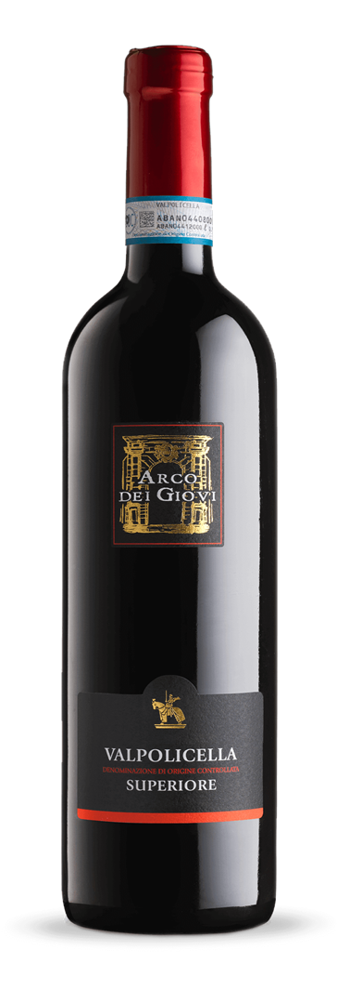 14%
5 | L10011 | Sartori "SELLA" Soave Classico DOC | White | Garganega Trebbiano di Soave | 12,5%
6 | L10005 | Arco dei Giovi Valpolicella Ripasso Superiore DOC | Red | Corvina - Corvinone Rondinella - Croatina | 13,5%
7 | L10014 | Sartori "REGOLO" Valpolicella Ripasso Classico Superiore DOC | Red | Corvina Veronese Corvinone Rondinella | 14%
8 | L10004 | Arco dei Giovi Amarone Della Valpolicella Classico DOCG | Red | Corvina Veronese Corvinone Rondinella - Oseleta | 15%
9 | L10001 | I Saltari Amarone della Valpolicella DOCG | Red | Corvina - Corvinone Rondinella - Croatina | 15,5%
 |  | La Jara winery, in Italy's Veneto region, is known for high-quality organic wines. Founded by the Marion family, the winery emphasizes sustainable practices and natural preservation. "La Jara" refers to the gravelly soil that shapes its distinctive wines. Renowned for its Prosecco, La Jara blends tradition with innovation, making a notable impact on the Italian wine industry.
1 | L10023 | La Jara Prosecco Millesimato Dry DOC | Sparkling | Glera | 11,5%
2 | L10024 | La Jara Prosecco Millesimato Zero Dosage DOC | Sparkling | Glera | 11%
3 | L10025 | La Jara Prosecco Rose Millesimato Brut DOC | Sparkling | Glera Pinot Noir | 11,5%
4 | L10026 | La Jara Pinot Noir Blanc de Noir Brut Nature | Sparkling | Pinot Noir | 12%
5 | L10027 | La Jara Chardonnay Blanc de Blanc Brut Nature | Sparkling | Chardonnay | 12%
Friuli-Venezia Giulia
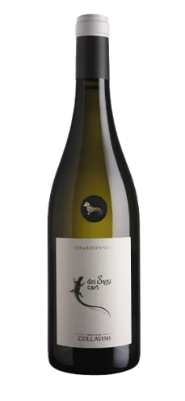
 |  | The family tree of Collavini winery allows us to look back to the end of the nineteenth century: it was in 1896 when Eugenio decided to found his own winery in the small town of Rivignano, near Udine. At the beginning of his adventure, Eugenio used to supply the main noble families of the area, as well as some. Today, alongside Manlio, his sons Giovanni, Luigi and Eugenio, carefully watch over more than 170 hectares of property, spreaded onto the two most prestigious DOCs in the entire region: Collio and Friuli Colli Orientali.
1 | L10015 | Collavini Chardonnay dei Sassi Cavi DOC | White | Chardonnay | 13%
2 | L10017 | Collavini Cabernet Roncaccio IGT | Red | Cabernet Sauvignon | 12,5%
3 | L10016 | Collavini Pinot Grigio Villa Canlungo DOC | White | Pinot Grigio | 12,5%
4 | L10022 | Collavini Ribolla Gialla Benedete IGT | White | Ribolla Gialla | 12,5%
5 | L10018 | Collavini "......." Bianco IGT | White | Chardonnay Ribolla Gialla | 13%
6 | L10019 | Collavini "More" Rosso IGT | Red | Refosco dal Peduncolo Rosso Merlot | 13%
7 | L10020 | Collavini Ribolla Gialla Spumante Brut DOC | Sparkling | Ribolla Gialla | 12%
8 | L10021 | Collavini Broy DOC Collio | White | Friulano Chardonnay Sauvignon Blanc | 14%

Sicily
 |  | Completely organic, with vineyards resting on the coast of Sicily, grapes bathed and pampered by the air of the Mediterranean sea and fattened by plenty of sun, the vines are naturally free of parasites and illnesses. Lamura offers alternative and unconventional flavors, and great value for money that well represents the flavors of this beautiful island.
1 | L10028 | Lamura Grillo Sicilia DOC | White | Grillo | 12%
2 | L10029 | Lamura Nero d'Avola Sicilia DOC | Red | Nero d'Avola | 13,5%
 |  | Alta Mora winery, located at 600-1,000 meters on Mount Etna, has some of the world's highest vineyards. Owning parcels in five sub-zones, the winemaker blends grapes from diverse microclimates, resulting in elegant, balanced wines with minerality. The pristine land allows pesticide-free farming. With a "minimal intervention" approach and a volcanic rock cellar, the winery reduces its carbon footprint.
1 | L10030 | Alta Mora Etna Bianco DOC | White | Carricante | 12%
2 | L10031 | Alta Mora Etna Rosso DOC | Red | Nerello Mascalese | 13,5%
Piedmont
 |  | Founded in 1878 by Italy's Royal Family, Mirafiore winery, named after Emanuele Alberto Guerrieri di Mirafiori, pioneered Barolo’s global reach. Certified organic since 2018, it sources grapes from its vineyards in Serralunga d’Alba and the famous Lazzarito and Paiagallo crus. Using traditional methods like submerged cap maceration and aging in Slavonian casks, Mirafiore creates Barolo wines with signature nuance and depth.
1 | L10032 | Mirafiore Dolcetto d'Alba DOC | Red | Dolcetto | 13%
2 | L10033 | Mirafiore Langhe Nascetta DOC | White | Nascetta | 13%
3 | L10034 | Mirafiore Barolo DOCG | Red | Nebbiolo | 14%
Rượu vang Chile - Chile
Aconcagua Valley
 |  | Viña San Esteban was founded by José Vicente in 1974. After growing wine grapes for 20 years, José and his son Horacio decided to replant the vineyards and build a modern winery, in order to complete the cycle and produce high-quality wines in the Aconcagua Valley. The Aconcagua Valley’s unique combination of soil, light, and water also plays an important role in the success of Viña San Esteban. The Upper Aconcagua terroirs are well-suited to winegrowing, producing a wide variety of high-quality grapes.
1 | L30001 | Vina San Esteban Classic Cabernet Sauvignon | Red | Cabernet Sauvignon | 13,5%
 | L30002 | Vina San Esteban Classic Merlot | Red | Merlot | 13%
 | L30003 | Vina San Esteban Classic Chardonnay | White | Chardonnay | 13%
4 | L30005 | Vina San Esteban Gran Reserva Cabernet Sauvignon | Red | Cabernet Sauvignon Cabernet Franc Carmenère | 13%

Rượu vang Úc - Australia
South Australia
 |  | The Berton Vineyards has grown into one of the 20 largest wineries in Australia (Wine Industry Directory 2018) and in the top 12 for branded sales. The brand’s Reserve, Metal lines are produced from grapes from the regions of Coonawarra, Tasmania, Swan Valley, King Valley and Yarra Valley – the leading regions of Australian wine.
1 | L40001 | Berton Vineyards Head Over Heels Shiraz | Red | Shiraz | 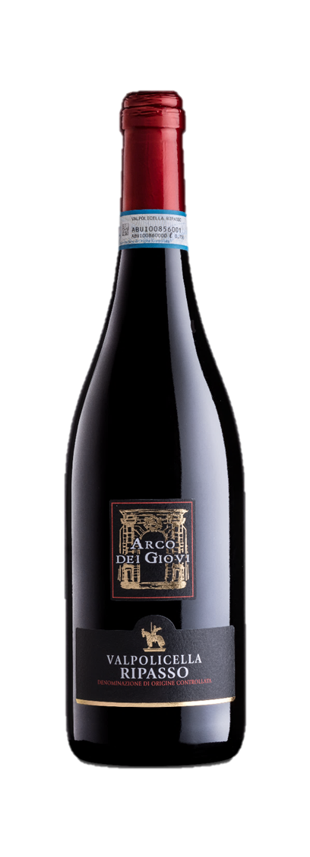 14%
2 | L40002 | Berton Vineyards Head Over Heels Cabernet Merlot | Red | Cabernet Sauvignon Merlot | 14%
3 | L40003 | Berton Vineyards Head Over Heels Chardonnay | White | Chardonnay | 13,5%
4 | L40004 | Berton Vineyards Head Over Heels Sauvignon Blanc | White | Sauvignon Blanc | 12,5%
5 | L40005 | Berton Vineyards Metal Label The Black Shiraz | Red | Shiraz | 14,5%
6 | L40006 | Berton Vineyards Metal Label Sauvignon Blanc | White | Sauvignon Blanc | 12,5%
7 | L40007 | Berton Vineyards Reserve Coonawarra Cabernet Sauvignon | Red | Cabernet Sauvignon | 14,5%
8 | L40008 | Berton Vineyards Reserve Barossa Shiraz | Red | Shiraz | 14,5%
9 | L40009 | Berton Vineyards Reserve Riverina Botrytis Semillon (375 ml) | White | Semillon | 11%
Rượu vang Tây Ban Nha - Spain
Carinena
 |  | An Aragonese winery, located in the Protected Designation of Origin Cariñena, in the south of the province of Zaragoza and at the foot of the Iberian System, an excellent region for the creation of wines thanks to its special climate and century-old vineyards.
1 | L50001 | Bailando Garnacha | Red | Garnacha | 14,5%
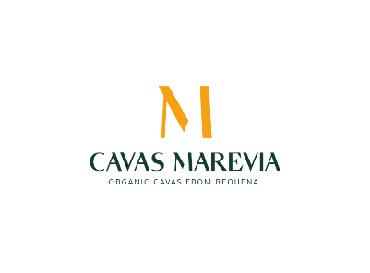
Requena
 |  | The Hevia Ferrer family, originally from Santander and descendants of the Ferrer Sala family with more than 100 years of experience in the production of quality sparkling wines, following the entrepreneurial spirit of their ancestors, acquired Cavas Marevia in 2019. This investment is firmly committed to being a leader in the production of top-quality organic cavas in Requena. Their Cavas have been recognized over and over again and got awards at main tastings and competitions both internationally and in Spain.
1 | L50002 | Cava Bella Mistala Brut | Sparkling | Garnacha | 11,5%
 | Note: | Giá chưa bao gồm 10% VAT/ Price excludes 10% VAT
Rượu vang New Zealand
Josh Scott
 |  | Allan Scott Family Winemakers is a pioneer in Marlborough, New Zealand, founded in 1990 by Allan and Catherine Scott. Allan's legacy includes planting some of the region's first and most famous vineyards. Now a genuine family business led by their children, Josh and Sara, the winery focuses on creating wines that authentically reflect the varietal character and regional qualities. Their range includes the popular Estate wines, the prestige Eli Collection, and Méthode Traditionnelle bubbles.
1 | L60001 | Sandy Cove Sauvignon Blanc Marlborough | White | Sauvignon Blanc | 12.50%
2 | L60002 | Sandy Cove Pinot Noir Marlborough | Red | Pinot Noir | 13.50%
3 | L60003 | By Josh Scott “Yeah Cool” Natural Sauvignon Blanc | White | Sauvignon Blanc | 12.50%
4 | L60004 | By Josh Scott "Deal With It" Natural Pinot Noir | Red | Pinot Noir | 13.50%

