Security Alarm (Shortest Route)
Security Alarm Company
SHORTEST ROUTE Problem

 | Select
 | Route? | From |  | To |  | Distance | Nodes |  | Net Flow | Supply/Demand
 | 0.0 | 1 | A | 2 | B | 60.0 | 1 | A | -1 | -1
 | 1.0 | 1 | A | 3 | C | 55.0 | 2 | B | 0 | 0
 | 0.0 | 2 | B | 3 | C | 75.0 | 3 | C | 0 | 0
 | 0.0 | 2 | B | 4 | D | 80.0 | 4 | D | 0 | 0
 | 0.0 | 2 | B | 5 | E | 70.0 | 5 | E | 0 | 0
 | 0.0 | 3 | C | 5 | E | 95.0 | 6 | F | 0 | 0
 | 1.0 | 3 | C | 6 | F | 65.0 | 7 | G | 0 | 0
 | 0.0 | 4 | D | 5 | E | 60.0 | 8 | H | 0 | 0
 | 0.0 | 4 | D | 7 | G | 85.0 | 9 | J | 0 | 0
 | 0.0 | 4 | D | 8 | H | 90.0 | 10 | I | 1 | 1
 | 0.0 | 5 | E | 6 | F | 75.0
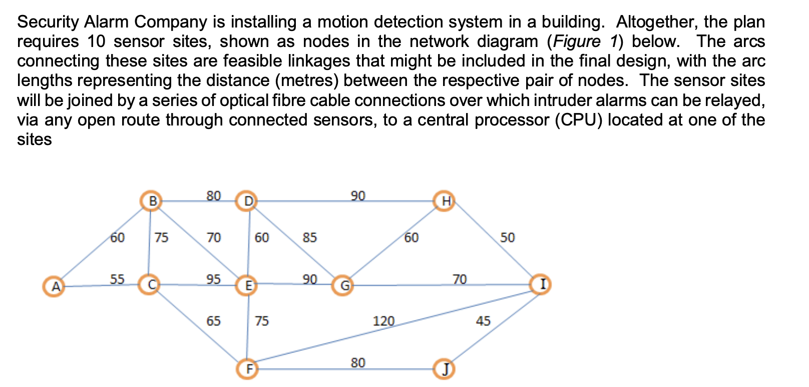
 | 0.0 | 5 | E | 7 | G | 90.0
 | 0.0 | 6 | F | 9 | J | 80.0
 | 1.0 | 6 | F | 10 | I | 120.0
 | 0.0 | 7 | G | 8 | H | 60.0
 | 0.0 | 7 | G | 10 | I | 70.0
 | 0.0 | 8 | H | 10 | I | 50.0
 | 0.0 | 9 | J | 10 | I | 45.0

 |  |  |  |  | Total | 240.0

Maximum Flow
Unit | From |  |  | To | Max flow |  | Nodes | Net flow | Supply/Demand
4 | 1 | A | 2 | B | 5 | 1 | A | 0 | 0
4 | 1 | A | 4 | D | 4 | 2 | B | 0 | 0
5 | 1 | A | 3 | C | 5 | 3 | C | 0 | 0
1 | 1 | A | 5 | E | 6 | 4 | D | 0 | 0
4 | 2 | B | 4 | D | 4 | 5 | E | 0 | 0
4 | 3 | C | 7 | F | 4 | 6 | F | 0 | 0
1 | 3 | C | 5 | E | 5 | 7 | G | 0 | 0
5 | 4 | D | 6 | H | 6 | 8 | H | 0 | 0
3 | 4 | D | 7 | F | 3 | 9 | I | 0 | 0
0 | 5 | E | 8 | G | 2 | 10 | J | 0 | 0
2 | 5 | E | 10 | I | 3 | 11 | K | 0 | 0
3 | 6 | H | 7 | F | 3 | 12 | L | 0 | 0
2 | 6 | H | 9 | J | 2
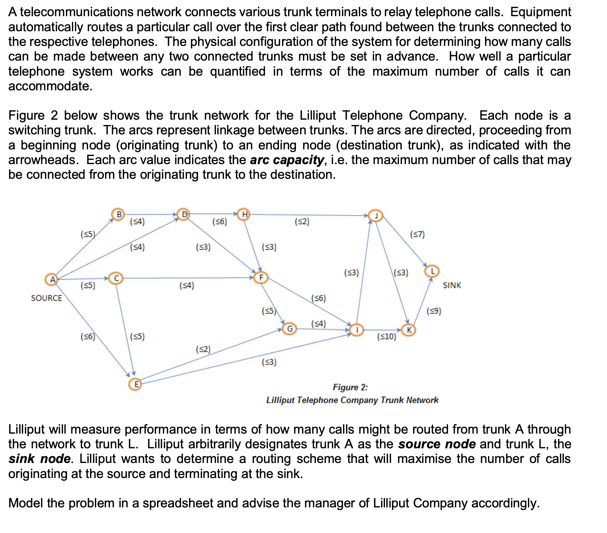
4 | 7 | F | 8 | G | 5
6 | 7 | F | 10 | I | 6
4 | 8 | G | 10 | I | 4
0 | 9 | J | 11 | K | 3
5 | 9 | J | 12 | L | 7
3 | 10 | I | 9 | J | 3
9 | 10 | I | 11 | K | 10
9 | 11 | K | 12 | L | 9
14 | 12 | L | 1 | A | 9999

 |  |  |  | Max | 14

