results
Well Position | Tm1 (Melt Temperature) | Cq | log(DNA Concentration) | Experiment | Concentration
A2 | 87.02796936 | 25.413442 | 0.30102999566 | SC | 1:1 | reg m | -0.1753
B2 | 86.74767303 | 21.611668 | -0.69897000434 | SC | 1:10 | reg y | 3.1369
C2 | 86.74767303 | 26.511024 | -1.6989700043 | SC | 1:100
D2 | 86.60752869 | 25.393578 | -2.6989700043 | SC | 1:1000
E2 | 79.4600296 | 32.791003 | 6.8861249718E-170 | EXP
F2 | 86.60752869 | 14.946244 | 4.3005072143E-68 | EXP
G2 | 79.03958893 | 32.927988 | 1.139050736E-170 | EXP
H2 | 86.74767303 | 22.715386 | 2.0625200286E-112 | EXP

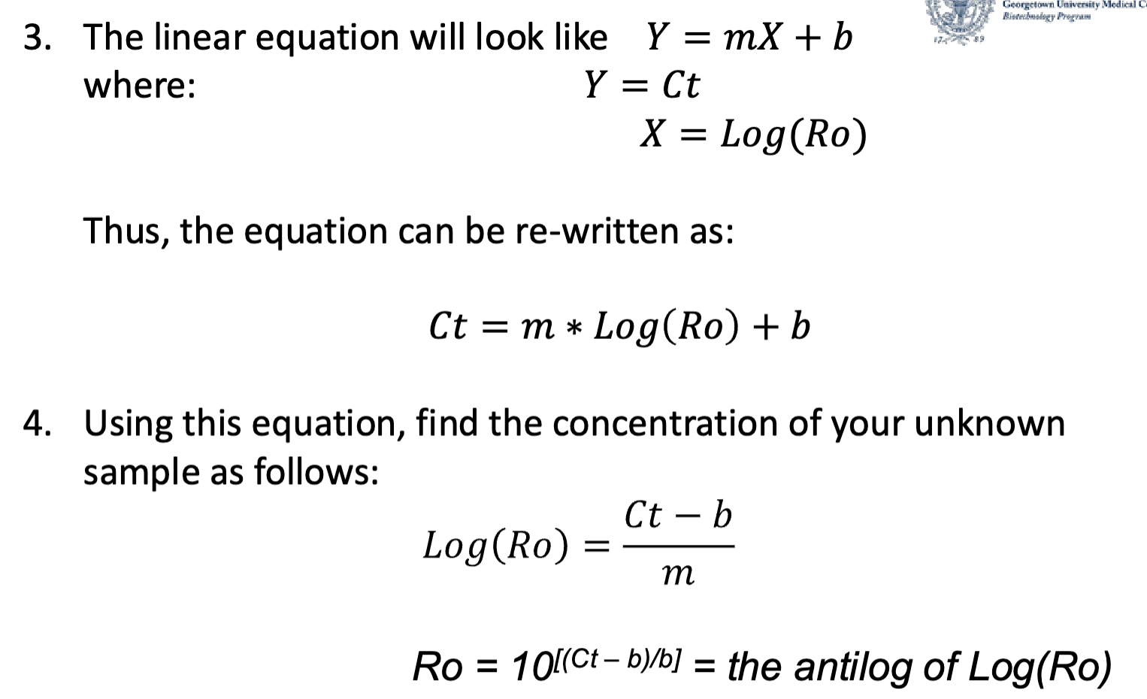

 | log(DNA Concentration)
25.413442 | 0.30102999566 | 1
21.611668 | -0.69897000434
26.511024 | -1.6989700043
25.393578 | -2.6989700043
32.791003 | 6.8861249718E-170
14.946244 | 4.3005072143E-68
32.927988 | 1.139050736E-170
22.715386 | 2.0625200286E-112

