コンテキスト図
Context Diagram コンテキスト図

[作業者] → [フォークリフト] → [ WCS ] [AMR] ← [段積み設備] ↔ [段バラシ設備] ↔ [コタツ] ↔

作業者
リフトマン
ボタンを押す

Inside system:
WCS (your system)
Outside system:
Operator
Forklift
AMR
Stacking machine
Unstacking machine
Lift station (kotatsu)
👉 Meaning:
“Who interacts with WCS?”
タブレット
WCS

RMS
AMR

段積み・段バラシ設備

ユースケース図
Usecase Diagram ユースケース図

システム内：
搬送開始
信号入力受付
AMR制御
段積み実行
段バラシ実行
状態更新
異常処理
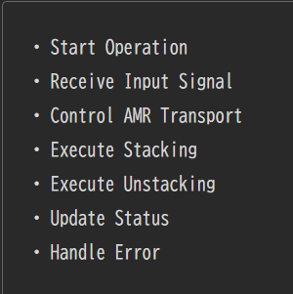
作業者
Actors:
Operator
Forklift driver
AMR system
Stacking machine
Use cases:
Start transport
Send TP box to stacking area
Execute stacking
Execute unstacking
Confirm completion
👉 Simple meaning:
“What functions does system provide?”

状態遷移図
状態遷移図 State Transition Diagram

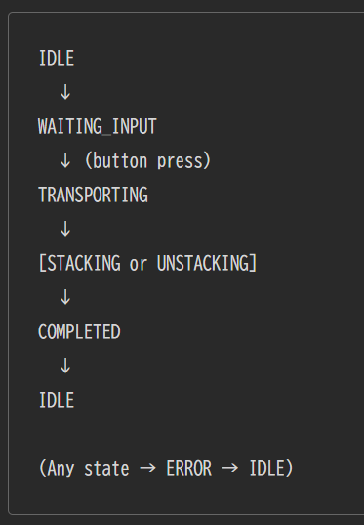
System states:
IDLE
WAITING_INPUT
TRANSPORTING
STACKING
UNSTACKING
COMPLETED
ERROR
Example flow:
IDLE → WAITING_INPUT → TRANSPORTING → STACKING → COMPLETED → IDLE
👉 Meaning:
“What state is system in at each moment?”
IDLE
↓
WAITING_INPUT
↓（ボタン押下） TRANSPORTING
↓
[STACKING or UNSTACKING]
↓
COMPLETED
↓
IDLE
※どこでも → ERROR → IDLE
IDLE → doing nothing
WAITING_INPUT → waiting for button press
TRANSPORTING → AMR moving skit
STACKING → stacking process
UNSTACKING → unstacking process
COMPLETED → process finished
ERROR → something went wrong

アクティビティ図
Activity Diagram - アクティビティ図

開始
↓
スキット設置（フォークリフト）
↓
ボタン押下（作業者）
↓
WCS信号受信
↓
AMR搬送開始
↓
工程へ搬送
↓
段積み/段バラシ実行
↓
完了確認
↓
状態更新
↓
終了
START
↓
Forklift places skid
↓
Operator presses butoon
↓
WCS receives signal
↓
WCS sends command to AMR
↓
AMR transports skit
↓
Arrive at processing area
↓
Stacking/UnStacking
↓
Completion confirmed
↓
System updates status
↓
END
Flow example:
Operator places skid on AMR station
Operator presses “input complete”
WCS receives signal
AMR starts transport
System sends skid to stacking area
Machine executes stacking/unstacking
System confirms completion
Status updated
👉 Meaning:
“Step-by-step process logic”

