Sheet1
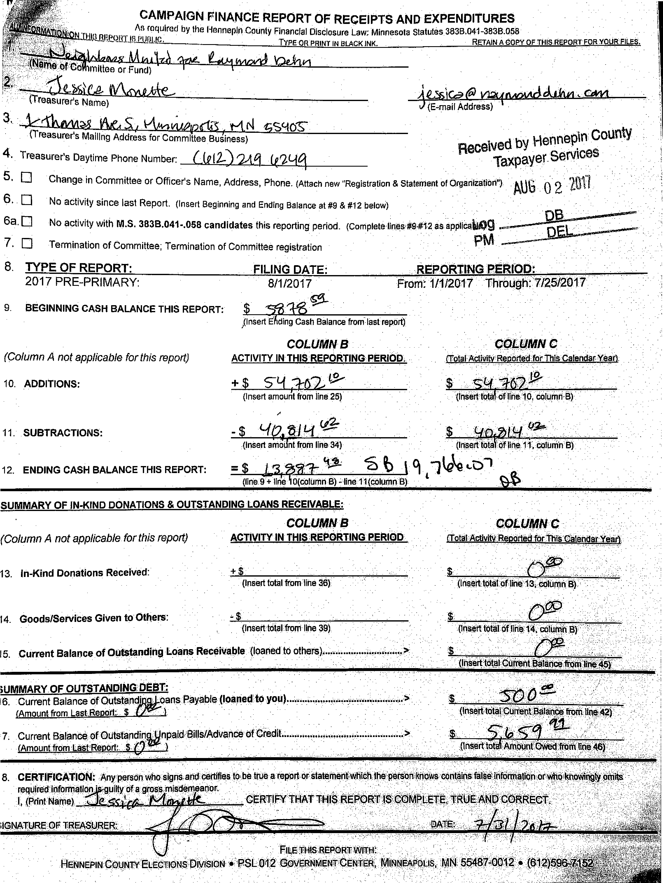

PM
7. ❑ Termination of Committee; Termination of Committee registration
CAMPAIGN FINANCE REPORT OF RECEIPTS AND EXPENDITURES
As required by the Hennepin County Financial Disclosure Law; Minnesota Statutes 383B.041-383B.058
TYPE OR PRINT IN BLACK INK RETAIN A COPY OF THIS REPORT FOR YOUR FILES.
y)caP rwm. 14 04hri, C4444
(E-mail Address)
(\I
(Treasurer's Mailing Address for Committee Business)
4. Treasurer's Daytime Phone Number: (1212-) (egLiq
5, ❑ Change in Committee or Officer's Name, Address, Phone. (Attach new "Registration & Statement of OrganizatiOrn AN 0 2 2011
6. ❑ No activity since last Report. (insert Beginning and Ending Balance at #9 & #12 beloW)
6a. ❑ No activity with M.S. 383B.041-.058 candidates this reporting period. (Complete•ines49-#12 as appliCal4g
13. In-Kind Donations Received:
7. Current Belance. of OUtatandin
(Amount from.LastRenort t,. )
Ont.tettei M tine.
(Insert total from line 35)‘
(IriserttOtal.rofline. la; Ooltininlg
$
(Inseit total Cu rent Bala tce frcrn
'FILE fHIS,REPORT,INITH:
12 GpvERi■iMONTOENtitk, N11NNEAPKI$,.
•
SUMMARY OF IN-KIND DONATIONS & OUTSTANDING LOANS RECEIVABLE:
COLUMN B
(Column A not applicable for this report) ACTIVITY IN TH1S:REPORTING PERIOD
COLUMN C -
(Total ActiviN Reocirted-forlbit-CalendarYeirl
14.Goods/Services Given to Others: - $
(insert.tOtal from line 39)
15.Current Balance of Outstanding Loans Recehtable (loaned to others)
;UMMARY OF OUTSTANDING: DEBT:
16, Current Balance Of Outstandi i oasis Payable (loariedt0 you)
(Amount from Last.Report. $ I
■IGNATURE:OF Tf4F.ASOKR;.
(Print Name]: hid a., CERTIFY THAT THIS :REP()
-oil_ le
8. CERTIFICATION: Any-persdn who. signs.and certifies be true a regorter--Staternerit4hith,theperebnitribin :contains?falidinfolootgiqmot:
reqiiired'irifprrnation guilty of a grose,misderpeanor.
•
(Insert total, of line 14, column
(Itier.t*Itilfrent:041arIce m
8. TYPE OF REPORT:
9. BEGINNING CASH BALANCE THIS REPORT:
(column A not applicable for this report)
10. ADDITIONS:
11. SUBTRACTIONS:
12. ENDING CASH BALANCE THIS REPORT:
FILING DATE.
8/1/2017
-511
)(Insert fffiding Cash Balance from last report)
COLUMN B
ACTIVITY IN THIS REPORTING-PERIOD.
+ $ S
(Insert amount from line 25)
.(Insert amount from line 34)
ts
(line :9 + line.0(cOlUmn B) 11(column B)
REPORTING PERIOD:
cixpriviN
(rowl.ActivitscRenerted.foribis Calendar Year).
$ q4.1
(Insert-ttota(ef column,8)
(Insertiiii: lino 11; oplUrfin B)
L talke ‘°-1
FrOnt1/1/2047 ` Through '712512017
2017 PRE--PRIMARY:
Received by Hennepin County
Taxpayer Services
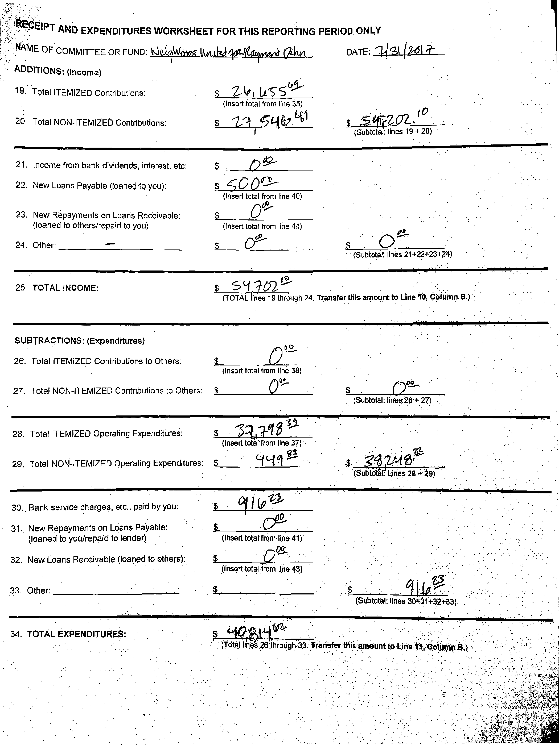

$
(Subtota : lines 19 + 20)
(Insert total from line 35)
p1
$ En. 5 ti
20. Total NON-ITEMIZED Contributions:
25. TOTAL INCOME:
$
(TOTAL fines 19 through 24. Transfer this arnbunt.to Line 10; Column B.)
------'—'11=1■10111.11111111111.
21. Income from bank dividends, interest, etc:
22. New Loans Payable (loaned to you):
23. New. Repayments on Loans Receivable:
(loaned to others/repaid to you)
24. Other:
$
c0002--
(Insert total from line 40)
0'91
(Insert total from line 44)
$0
(Subtotal: lines 21+2223+24)
(Insert total from line 38)
SUBTRACTIONS: (Expenditures)
26.Total ITEMIZED Contributions to Others:
27.Total NON-ITEMIZED Contributions to Others:
$
28.Total ITEMIZED Operating Expenditures:
(Subtotal: lines. 26 + 27)
(Insert total from line 37)
4191
$ gedv4f3i
(Subtiit&l: Lines 28 + 29)
29, Total NON-ITEMIZED Operating Expenditures:
30.Bank service charges, etc., paid by you:
31.New Repayments on Loans Payable:
(loaned to you/repaid to lender)
32.New Loans Receivable (loaned to others):
33.Other:
34.TOTAL EXPENDITURES:
$ rL

(Total lines 20 through 33. Transfer this amount to Line
ADDITIONS: (Income)
19. Total ITEMIZED Contributions:
$ it,' Le5--51=1"
E1PT AND EXPENDITURES WORKSHEET FOR THIS REPORTING PERIOD ONLY
NAME OF COMMITTEE OR FUND: VQ/
• ►/ al
. DATE: 1.4fg frOl
A
Ai
important information: Addresses submitted on Schedule A are public data pursuant to the Minnesota Government Data Practices Act. This form is retained on file in the Hennepin Count/ Era
Division. As a convenience, Hennepin County also displays chedule A on the Hennepin County web site. Please check the box and initial the form on the line provided if you do riot wv=-41t the
address of contributors to be displayed on the website. .°11ta If selected, please submit two versions of Schedule A, one with contributors' addresses and one without
SCHEDULE A: INCOME FROM CASH (MONETARY) CONTRIBUTIONS and IN-KIND DONATIONS
DATE: 1 7'2411—
You must disclose the date and amount of each monetary contribution or donation In Kind within the year that, in aggregate from any contributor, exceeds $100 k, the name and address of the
committee or fund that made the monetary contribution or Donation In Kind, and the employer of the individual contributor.
(tin the .gate of a contributor who is self-employed, that is does not derive earned income as owner, partner, or employee of a corporation, partnership, or other entity, including a branch of goierr_rre.zt
list that contributor occupation.)
*Political .FOridS must itemize contributions of members that, in aggregate in the year, exceed $50.
If you submit a typed or computer: generated list, all items must be in the same order as they appear on Schedule A. Attach additional pages as necessary.
NAME OF COMMITTEE OR FUND:
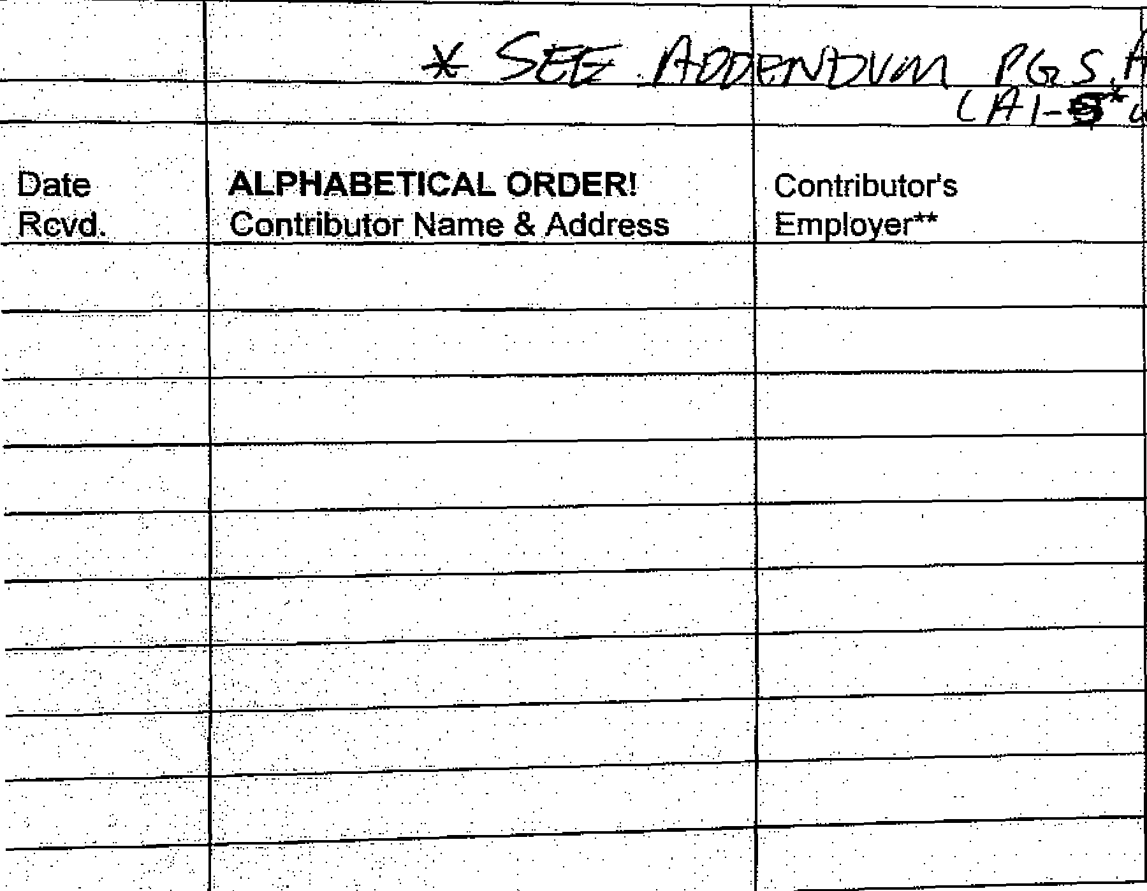

401A
ALPHABETICAL ORDER! Contributor's
Contributor Name & Address Employer**
Date
,Rovd.
r7NE-- |  | List contributions here for the current reporting period
4-dlizssks-) | COLUMN A | COLUMN B | COLUMN B1 | COLUMN C
Description of In-Kind Donation | Previous Total For This Year | $ Received This Period | $ Value of In-Kind Donation | Total from Source Year to Date

Subtota :ITEMIZED: Monetary Contributions received this period:
SubtOtalrl -E IZED-Monetary Contributions received this period listed on previous page:
ITEMIZED QNTRIBUTIONS RECEIVED THIS PERIOD: (Transfer this amount to Line 19
totallTE IZED In-Kind Donations received this period:
A-Kind Donations received this period listed on previous page:

IZE
= 1 n- ind Donations Received This Period:
DQNATIONS RECEIVED THIS PERIOD: (Transfer this-amount to Line 13, Column B
SCHEDULE A: INCOME FROM CASH (MONETARY) CONTRIBUTIONS and IN-KIND DONATIONS (1/1/17-7/25/17) Neighbors United For Raymond Dehn Date: 7/31/2017 (Report 2)
 |  |  |  | COLUMN A | COLUMN B | COLUMN B1 | COLUMN C
Date Rcvd. | ALPHABETICAL ORDER! Contributor Name & Address | Contributor's Employer** | Description of In- Kind Donation | Previous Total for the Year | $ Received This Period | $ Value of In-Kind Donation | Total from Source, Year To Date
7/25/17 | Siyad Abdullahi | CEO-Health Care |  |  | 250.00 |  | 250.00
 |  | Pro Health Care & The Language
 |  | Banc
6/2/17 | Eric Amel | Architect-MSR |  |  | 250.00 |  | 250.00
3/1/17 | Andrew Bachman | CEO-LeafLine Labs |  |  | 100.00 |  | 200.00
7/25/17 |  |  |  |  | 100.00
1/2/17 | Joe Bagnoli | Architect-- |  |  | 200.00 |  | 400.00
6/15/17 |  |  |  |  | 200.00
3/6/17 | Eric Barlow | Rancher-Barlow Ranch |  |  | 250.00 |  | 250.00
 |  | (Self-Employed)
4/5/17 | Shay Berkowitz |  |  |  | 500.00 |  | 500.00
1/28/17 | Alex Boutrous | Student-Political Organizer |  |  | 600.00 |  | 600.00
2/2/17 | Della Boutrous | Retired |  |  | 1,000.00 |  | 1,000.00
2/2/17 | - Steve Brandt | Retired |  |  | 50.00 |  | 150.00
7/9/17 |  |  |  |  | 100.00
1/31/17 | Peter Brown | Consultant-Univ. of Minnesota |  |  | 100.00 |  | 300.00
4/3/17 |  |  |  |  | 100.00
6/1/17 |  |  |  |  | 100.00
2/15/17 | Marty Butzow | TD- Ameritrade |  |  | 1,000.00 |  | 1,000.00
5/8/17 | Tim Carl | Architect-HGA Architects |  |  | 250.00 |  | 250.00
6/15/17 | Joel Carlson, CFPDB | Lobbyist, Government |  |  | 1,000.00 |  | 1,000.00
 |  | Relations-(Self-Employed)
3/21/17 | Christine Carragee | Data Pricing Consultant |  |  | 250.00 |  | 270.00
7/20/17 |  | (Self-Employed) |  |  | 20.00
5/27/17 | John Cary | Writer-(Self-Employed) |  |  | 500.00 |  | 500.00
2/1/17 | Burton Coffin | Architech-HSG Architects |  |  | 50.00 |  | 150.00
6/24/17 |  |  |  |  | 100.00
7/9/17 | Joseph Daniewicz | Lead Cashier-Barnes & Noble |  |  | 421 |  | 421

2/2/17 | John Dwyer | Architect-Dwyer/Oglesbay |  |  | 250.00 |  | 250.00
 |  | (Partner)
3/23/17 | Steve Dwyer | Architect-HGA Architects |  |  | 250.00 |  | 350.00
7/20/17 |  |  |  |  | 100.00
3/6/17 | Elaine Dehn | (Retired) |  |  | 500.00 |  | 500.00
7/25/17 | Michael Fedor | Stagehand-- I.A.T.S.E. Local 13 |  |  | 150.00 |  | 150.00
1/12/17 | Robert Feyereisen |  |  |  | 50.00 |  | 550.00
2/2/17 |  |  |  |  | 200.00
2/27/17 |  |  |  |  | 50.00
7/20/17 |  |  |  |  | 100.00
7/25/17 |  |  |  |  | 150.00
7/9/17 | Matthew Forstie | Management Consultant- |  |  | 250.00 |  | 250.00
 |  | Deloitte Consulting
6/13/17 | Aisha Gomez | Political Aide-City of |  |  | 125.00 |  | 125.00
 |  | Minneapolis
5/1/17 | David Graham |  |  |  | 200.00 |  | 200.00
7/20/17 | Leon Greenfield | (Retired) |  |  | 200.00 |  | 200.00
7/20/17 | Marcia Greenfield | (Retired) |  |  | 200.00 |  | 200.00
2/18/17 | Randall Holl | Architect-(Self-Employed) |  |  | 100.00 |  | 220.00
4/19/17 |  |  |  |  | 40.00
7/6/17 |  |  |  |  | 40.00
7/24/17 |  |  |  |  | 40.00
2/18/17 | Linda Hopper | Retired |  |  | 250.00 |  | 250.00
6/7/17 | Alex Hoselton | Teacher- |  |  | 100.00 |  | 125.00
7/20/17 |  | Minneapolis Public Schools |  |  | 25.00
7/10/17 | Chris Jones | Physician Assistant- |  |  | 200.00 |  | 200.00
 |  | Fairview Health
7/2/17 | Canan Karatekin | Professor-Univ. of Minnesota, |  |  | 100.00 |  | 250.00
7/9/17 |  | Twin Cities |  |  | 100.00
7/20/17 |  | • |  |  | 50.00
2/28/17 | Kevin Kjonaas | Vice President- |  |  | 25.00 |  | 275.00
7/18/17 |  | The Freedom Project (NGO) |  |  | 250.00
7/5/17 | Shannon Kraus | Architect-HKS Architects |  |  | 250.00 |  | 250.00
2/3/17 | Michael Lander | Principal-Lander Group |  |  | 500.00 |  | 1,000.00
4/3/17 |  | Placemaker |  |  | 500.00

7/7/17 | Maria Langholz | Campaigner-Progressive |  |  | 200.00 |  | 500.00
7/19/17 |  | Change Campaign Committee |  |  | 300.00
2/2/17 | Calvin Littlejohn | Principal-Tri-Construction, Inc. |  |  | 250.00 |  | 250.00
 |  | Construction
4/18/17 | Kim Loken | Professor-Univ. of Wisconsin, Stout |  |  | 500.00 |  | 500.00
2/3/17 | Robert Loken | Architect-ESG Architects |  |  | 250.00 |  | 250.00
2/12/17 | Steve Minn |  |  |  | 250.00 |  | 250.00
7/11/17 | Minnesota Nurses Association (MNA) | Vendor-Labor Union |  |  | 1,000.00 |  | 1,000.00
1/28/17 | Dan Murphy |  |  |  | 250.00 |  | 250.00
1/12/17 | Heidi Myers | Consultant-(Self-Employed) |  |  | 250.00 |  | 450.00
7/11/17 |  |  |  |  | 200.00
5/12/17 | Lisa Neal-Delgado | (Retired) |  |  | 50.00 |  | 150.00
7/20/17 |  |  |  |  | 100.00
2/20/17 | Paul Neuhaus | Architect-HGA Architects |  |  | 200.00 |  | 500.00
3/17/17 |  |  |  |  | 100.00
4/16/17 |  |  |  |  | 100.00
7/8/17 |  |  |  |  | 100.00
1/2/17 | Cap O'Rourke |  |  |  | 150.00 |  | 150.00
7/17/17 | Casius Pealer | Administrator-Tulane Univ. |  |  | 500.00 |  | 500.00
1/28/17 | Alyssa Quast |  |  |  | 1,000.00 |  | 1,000.00
1/28/17 | Randall Quast |  |  |  | 1,000.00 |  | 1,000.00
1/28/17 | Scott Quast |  |  |  | 1,000.00 |  | 1,000.00
2/27/17 | Julia W. Robinson | Professor-Univ. of Minnesota |  |  | 50.00 |  | 150.00
7/9/17 |  |  |  |  | 100.00
1/2/17 | Robyn Rowen |  |  |  | 50.00 |  | 550.00
6/15/17 |  |  |  |  | 500.00
3/14/17 | John Sandgren | Andersen Windows-(Retired) |  |  | 200.00 |  | 200.00
2/2/17 | Michelle Schroeder |  |  |  | 100.00 |  | 1,000.00
6/11/17 |  |  |  |  | 900.00

2/2/17 | Yvonne Selcer |  |  |  | 250.00 |  | 250.00

7/10/17 | Sarah Senseman | Professional-Public Health |  |  | 500.00 |  | 500.00
 |  | Blue Cross Blue Shield, MN
3/14/17 | Jeremy Sigmon | Government Relations- |  |  | 50.00 |  | 150.00
6/28/17 |  | U.S. Green Building Council |  |  | 100.00
7/17/17 | Russell "RK" Stewart, FAIA | Architect-Perkins Will |  |  | 500.00 |  | 500.00
7/20/17 | Shari Seifert | Realtor-The Seifert Group |  |  | 400.00 |  | 400.00
4/15/17 | John Slack | Landscape Architect- |  |  | 50.00 |  | 150.00
7/25/17 |  | Perkins+Will |  |  | 100.00
5/12/17 | Rebecca Smith | Writer/Editor-(Self-Employed) |  |  | 30.00 |  | 120.00
7/2/17 |  |  |  |  | 50.00
7/20/17 |  |  |  |  | 40.00
1/2/17 | Mark Swenson |  |  |  | 250.00 |  | 250.00
2/2/17 | Aaron Taylor |  |  |  | 200.00 |  | 200.00
2/18/17 | Elizabeth Tisel |  |  |  | 50.00 |  | 500.00
4/15/17 |  |  |  |  | 50.00
6/9/17 |  |  |  |  | 100.00
7/7/17 |  |  |  |  | 50.00
7/10/17 |  |  |  |  | 250.00
4/1/17 | Albert Vecerka | Architectural Photographer- |  |  | 100.00 |  | 300.00
6/27/17 |  | Esto Photographics |  |  | 200.00
7/25/17 | Terry Wade |  |  |  | 300.00 |  | 300.00
6/15/17 | Winthrop & Weinstine, P.A. Political | Vendor-Political Fund |  |  | 250.00 |  | 250.00
 | Fund
5/1/17 | Jess Zimbabwe | Urban Planner- |  |  | 100.00 |  | 300.00
6/1/17 |  | National League of Cities |  |  | 100.00
7/1/17 |  |  |  |  | 100.00

SCHEDULE A: INCOME FROM CASH (MONETARY) CONTRIBUTIONS and IN-KIND DONATIONS (1/1/17-7/25/17)
Neighbors United For Raymond Dehn Date: 7/31/2017 (Report 1, Cntd.)
Subtotal ITEMIZED Monetary Contributions Received this period: | $26,656
Subtotal ITEMIZED Monetary Contributions received this period listed on previous page: | $ --
35.TOTAL ITEMIZED CONTRIBUTIONS RECEIVED THIS PERIOD: (Transfer this amount to Line 19) | $26,656

Subtotal ITEMIZED In-Kind Donations received this period: | $ 0.0❑
Subtotal ITEMIZED In-Kind Donations received this period listed on previous page: | $ 0.0❑
Subtotal NON-ITEMIZED In-Kind Donations Received This Period: | $0.00
36.TOTAL IN-KIND DONATIONS RECEIVED THIS PERIOD: (Transfer this amount to Line 13, Column B) | $0.00

DATE: i-f 3t I U14.-
•ou must disclose the name and address of each individual, business or committee to whom expenditures/contributions have been made, in an aggregate amount in excess-0 1 Vi
le year and the amount, date and specific purpose of the expenditure.
you submit a typed or computer-generated list, all items must be in the same order as they appear on Schedule. B.
ttach additional pages as necessary.
iCHEDULE B: OPERATING EXPENDITURES and CONTRIBUTIONS MADE TO OTHER COMMITTEES
IAME OF COMMITTEE OR FUND:
ate Paid
ALPHABETICAL ORDER!
Vendor or Recipient Committee Name and Address
Purpose for
Expenditure
Previous Total
For This Year
List expenditures here for the
current reporting period
COLUMN B COLUMN Bi
Contributions
to Others
COLUMN C
Total to
Source
Year to Date
Operating.
Expenditures

Subtotal ITEMIZED pperating Expenditures this period:

SUbtotalITEMIZED' Operating Expenditures this period listed on previous page: $
, .
TOTAL ITEMIZED OPERATING EXPENDITURES THIS PERIOD: {Transfer this amount to Line 28) $ 31-1-41?)
Subto€al ITEMIZED Contributions to Others this peribd.
Subtotal 'ITEMIZED Contributions to Others this period listed on previous page:
TOTA WED CONTRIBUTIONS TO OTHERS THIS PERIOD: (Transfer this amount to Line 26)

SCHEDULE B: OPERATING EXPENDITURES AND CONTRIBUTIONS MADE TO OTHER COMMITTEES (01/1/17-07/25/17) Neighbors United For Raymond Dehn Date: 7/31/2017 (Report 2-Batch 1)
 |  |  | COLUMN A | COLUMN B | COLUMN B1 | COLUMN C
Date Paid | ALPHABETICAL ORDER! Vendor or Recipient Committee Name & Address | Purpose for Expenditure | Previous Total for the Year | Operating Expenditures | Contributions to Others | Total to Source, Year To Date
2/27/17 | 7 Corners Printing | Campaign Materials-branded | 0 | 1,250
4/24/17 | 1099 Snelling Ave. N. | promotional goods |  | 1,442 |  | 2,692
 | St. Paul, MN 55108
2/21/17 |  |  |  | 400.00
2/28/17 |  |  |  | 400.00
3/8/17 |  |  |  | 400.00
3/14/17 | Patrick Alcorn | Services Rendered—Campaign | 0 | 400.00
3/22/17 | (Campaign Field Strategist-Self Employed) | Field Manager (Contract) |  | 400.00
3/30/17 | 3148 10th Ave. S. |  |  | 400.00
4/4/17 | Minneapolis, MN 55407 |  |  | 400.00
4/17/17 |  |  |  | 400.00
4/19/17 |  |  |  | 400.00
5/2/17 |  |  |  | 800.00
6/2/17 |  |  |  | 800.00
5/12/17 |  |  |  | 428
5/19/17 |  |  |  | 400.00
6/13/17 |  |  |  | 800.00 |  | 6,828
1/12/17 | Ryan Benson | Services Rendered— | 1,016.0❑ | 1,016.❑0
7/12/17 | RIB Content Design | Communications Consultant |  | 130.00 |  | 1,146.00
 | 3031 36th Ave S | (Contract)
 | Minneapolis, MN 55406
4114/17 | Will Blauvelt | Services Rendered—Digital | 1,500.00 | 1,500.00 |  | 1,500.00
 | Bluefield Consulting | Strategy Consulting
 | 504 W Franklin Ave #3D
 | Minneapolis, MN 55405
7/10/17 | Boost Mobile | Electronics- walkie talkie (for | ❑ | 50.00
 |  | Convention communications)
7/10/17 |  | Walkie talkie |  | 50.00 |  | 100.00
2/2/17 | Costco (Merchant store; various loc.) | Event food | 0 | 154
2/2/17 |  | Event food/supplies |  | 82 |  | 236
4/2/17 | Feven Gerezgiher | Services Rendered--`Get Out the | 0 | 200.00 |  | 200.00
 | Canvasser—Self Employed | Caucus' Field Canvassing
 | 1481 Albemarie Street
 | St. Paul, MN 55117
2/2/17 | Google Services SvcApps | Monthly Email/listsery hosting | 0 | 2
3/3/17 |  | for Campaign domain |  | 56
4/3/17 |  |  |  | 130

5/2/17 6/2/17 7/3/17 |  |  |  | 140.00 140.00 143.33 |  | 611
1/30/17 | David Gilbert Petersen | Services Rendered—Campaign | 0 | 800.00 |  | 800.00
 | (Political Consultant-Self Employed) | Field Management Consulting
 | 91122"d Ave. S. | (Contract)
 | Minneapolis, MN 55404
 |  | -Communication work (contract) | ❑ | 3375.00
5/1/17 | Kitchen Cabinet Strategies, LLC. | -KCS Legislative Record Search |  | 250.00 |  | 1,500.00
6/20/17 | 1849 E. 31st St., #2 | tool use |  |  |  | (pd. In name of
 | Minneapolis, MN 55407 | -Convention Data Tool |  | 600.00 |  | Akhilesh Menawat)
2/6/17 | Min's Party Value | Thank You notes/stationery | 0 | 123 |  | 123
 | 434 Lakeside Ave
 | Minneapolis, MN 55405
6/15/17 | MailChimp | Additional Email listsery hosting | ❑ | 45.00
7/17/17 |  | for campaign |  | 50.00 |  | 95.00
2/7/17 | Marina's Deli | Food for Kickoff Event (2/2/17) | 0 | 281 |  | 281
 | 2424 University Ave NE
 | Minneapolis, MN 55418
 | Akhi Menawat | Services Rendered— Campaign | 0 | 2,100.00 |  | 0.00
(From: | (Political Communications-Self Employed) | Communications Director
4/1/17) | 1849 E 31st St Apt 2 | (Contract)
 | Minneapolis, MN 55407
7/17/17 | Minuteman Press, Uptown 2101 Hennepin Ave. S., Suite 112 | Campaign Materials- branded promotional goods; t-shirts | 0 | 2,814 |  | 2,814
 | Minneapolis, MN 55405
 |  | Digital Voter Data Management
 |  | & Contribution Management
 |  | Tool:
1/20/17 | NGP/VAN, Inc. | -Quarterly fee $400/month | 0 | 1,740.00
4/4/17 | PO BOX 392264 | 1,200.00 |  | 1,740.00
7/12/17 | Pittsburgh PA 15251-9264 | -Online Contributions fee |  | 1,740.00 |  | 5,220.00
 |  | $150/month
 |  | -450.00 Quarterly fee Unlimited
 |  | NGP Broadcast Email Tier 2
 |  | (501, - 2,500) at $30/month
2/2/17 | Matt Roznowski | Services Rendered—Campaign | 500.00 | 500.00 |  | 500.00
 | 15 E. Franklin Ave., Apt. 424 | Communications strategy
 | Minneapolis, MN 55403 | (Contract)
5/3/17 | Minneapolis DFL | -Ward 5 Convention Advertising | 0 | 75.00
5/3/17 | 4309 30th Ave S | -Ward Convention table rent |  | 50.00
4/26/17 | Minneapolis, MN 55406-3710 | -Ward Convention table rent |  | 50.00

5/3/17 5/8/17 5/3/17 7/10/17 |  | -Ward Convention table rent -Ward Convention table rent -Ward Convention table rent -Minneapolis City Convention Campaign hospitality suite rent |  | 25.00 25.00 50.00 750.00 |  | 1,025.00
1/10/17 | Minnesota Democrat-Farmer-Labor | Minnesota DFL Voter Access | 0 | 1,200.00 |  | 1,200.00
 | (DFL) Party 255 East Plato Blvd. | Network (VAN) access for campaign strategy/field work
 | St. Paul, MN 55107
2/3/17 | OfficeMax (Merchant store; various loc.) | -Kick-off 'Thank You' supplies | 0 | 69
3/27/17 |  | -Envelopes/office materials |  | 116
7/10/17 |  | -Office supplies/office kickoff |  | 175 |  | 359
2/1/17 | Public Functionary | Event venue rental fee | 0 | 350.00 |  | 350.00
 | 1400 12th Ave NE | (non-profit entity)
 | Minneapolis, MN 55413
3/6/17 | Joelle Stangler | Services Rendered-- Campaign | 0 | 600.00
3/23/17 | (Political Organizer-Self Employed) | Manager (Contract) |  | 2,400.00
4/11/17 | 1401 5th St NE |  |  | 1,800.00
5/8/17 | Minneapolis, MN 55413 |  |  | 300.00
5/15/17 |  |  |  | 900.00
5/31/17 |  |  |  | 1,000.00
6/12/17 |  |  |  | 1,000.00
5/19/17 |  |  |  | 600.00 |  | 8,600.00
5/3/17 | Ryan Stopera | Services Rendered— | 0 | 250.00 |  | 250.00
 | Ubuntu Media Productions | Photography/Digital
 | 3236 Garfield Ave 5., Unit 201
 | Minneapolis, MN 55408
2/2/17 | Target (Merchant stores; various) | -Kickoff Event-F&B supplies | 0 | 78
7/19/17 |  | -Office Kickoff Event- F&B supplies; pens |  | 21
7/10/17 |  | -MPLS City Convention office supplies |  | 34
7/10/17 |  | -MPLS City Convention misc. needs |  | 16.00 |  | 149
5/5/17 | Evelyn Vargas | Services Rendered—Campaign | 0 | 200.00 |  | 200.00
 | (Campaign Staffing—Self Employed) | Staffing
 | 1873 Marshall Ave.
 | St. Paul, MN 55104
3/24/17 | Voter Activation (NGP/VAN service) | NGP/VAN platform application | 0 | 20.00
4/3/17 |  | for data collection/maintenance |  | 50.00

5/3/17 6/5/17 7/5/17 4/6/17 |  |  |  | 250.00 250.00 250.00 200.00 |  | 1,020.00

Subtotal ITEMIZED Operating Expenditures this period: | $39,898
Subtotal ITEMIZED Operating Expenditures this period listed on previous page:
35.TOTAL ITEMIZED OPERATING EXPENDITURES THIS PERIOD: (Transfer this amount to Line 28) | $39,898

Subtotal ITEMIZED Contributions to others this period: | $0.00
Subtotal ITEMIZED Contributions to others this period listed on previous page: | $0.00
36.TOTAL ITEMIZED CONTRIBUTIONS TO OTHERS THIS PERIOD: (Transfer this amount to Line 26) | $0.00

ED
is and lAtttion additiona
NAME O t mMiTTEE ORCUN1Y1/4
.S ,. z PHEDULE. GOODS AND•sERVIOE§',oap.pf ia'OTHER$,
YOtt nittst::dliclOsoithe tatal'Siatue.of'gOoda and services given to anb er:committlie,.(0
goods arid services.,,Isill.exceas of $100'Vvithin:the year:- Your:must Also OisolO.0
goods or services given,
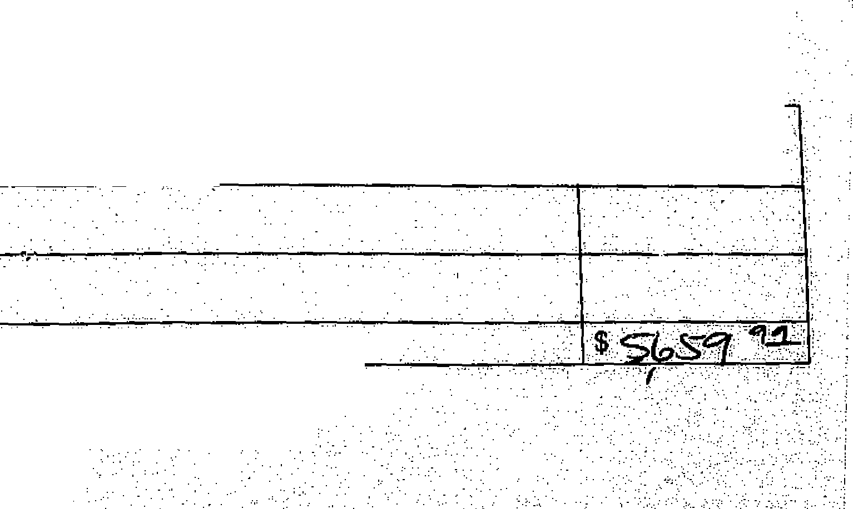

_ _ | ____ _ Alphabetical Orderl |  |  | ' : ` Give in Current Period
_ _________
 |  |  | COLUMN A | COLUMN B | COLUMN B1 | COLUMN C
Date | Name & Address of Recipient | Description of Goods and Services | Previous Total for This Year | Cash Given | Value of Goods & Services | Recipient Total Year to Date

39. Total Goods and Services given in this period: (Transfer this amount to Line 14, |  |  |  |  | gp g_. | .

SCHEDULE D: NOTES AND LOANS PAYABLE (Loaned to You)
SCHEDULE E: NOTES AND LOANS RECEIVABLE (Loaned by You)
SCHEDULE F: UNPAID BILLS/ADVANCE OF CREDIT (Items or services received but not

$ SOO'
40.Total New Loans Payable this period: (Transfer this amount to Line 22)
41.Total Repayment of Loans Payable this period: (Transfer this amount to Line 31)
42.Current Balance of Outstanding Loans Payable: (Transfer this amount to Line 16)
Loans Given to or Repaid by You in
Current Reporting Period
COLUMN Al
Loan Balance
Last Report
COLUMN B
Add New Loan
$ Received
COLUMN
Subtract Wan-
$ Repaid
CI:OMAN:CI
CUrrent Balance
Owed by.You
Alphabetical Order!
Date Name, Address & Employer of Lender
etodind Val (,fe.af1'i9-t-d-
(i (2, 11- 12-
4 4 A ,640411.1 .1
Current Balance
Owed to You
111111111111111111111111111111111111111111111111111.1111111111
43.Total New Loans Receivable this period: (Transfer this amount to Line 32)$-
lb
MI=
Date | Name, Address & Employer of Recipient of Loan | Loan BalanceLast Report | Add New Loan '$ Given | Subtract Loan Repaid

Alphabetical Order! COLUMN Ai
LoAns Given by or Repaid to You in
Current Reporting Period
COLUMN B COLUMN 131
44.Total Repayment of Loans Receivable this period: (Transfer this amount to Line 23).
45.Current Balance of Outstanding Loans Receivable: (Transfer this amount to Line 15)

COLUMN Cl
Current Balance
Owed by You
Alphabetical Order!
Name & Address of Vendor of Goods or Services Received But Not Paid For
,
Date
46.current Balanoe Of Outstanding Uhpaidl3illS/Advance of:Credit: (Trantfer.thiS:amOOttolLirte.17),
47.The Treasurer is ,to Sign; this .statement ONLY IF 'INDEPENDENT' EXPENDITURES.WERE-MADE;
(Make notations on SdhedUles B 'Ore Where Independentt-EXpenditUrea are itemized.)
INDEPENDENT EXPENDITURE: SWORN 'STATEMENT
I, ,(Print Name) , 'hereby, certify that all' independent rriag10.00'bOtialt of e•_dani,
and tepoted in this repott were rnade'VVITHOUTThe.aUtheitiZatiOn otexpressedtr iMplied-.00000t-zotior,inicooperOoRPrip
or at the request or euggestianrofanycandidata,.oandidate!i.oarripaign :committee .0r.agent.,

tl_l*PO.Oan-iternizable cash that, together with the
aclOeSs of the recipient and a description of the
SCHEDULE F: UNPAID BILLS/ADVANCE OF CREDIT (Items or services received but not paid) (01/1/17-07/25/17) Neighbors United For Raymond Dehn Date: 7/31/2017 (Report 2)
Date Paid | ALPHABETICAL ORDER! Name & Address of Vendor of Goods or Services Received But Not Paid For | Current Balance Owed by You
6/20/17 | Kitchen Cabinet Strategies, LLC. 1849 E. 31st St., #2 Minneapolis, MN 55407 | 2,725.00
To: (4/1/17) | Akhi Menawat (Political Communications-Self Employed) 1849 E 31st St Apt 2 Minneapolis, MN 55407 | 2,100.00
4/24/17 | 7 Corners Printing 1099 Snelling Ave. N. St. Paul, MN 55108 | 635
7/11/17 | Ashley Fairbanks (Workspace Rental-pro-rated July rent) 3100 Cedar Ave. S. Minneapolis, MN 55406 | 200.00
Current Balance of Outstanding Unpaid Bills/Advance of Credit (Transfer this amount to Line 17): |  | $5,660

