Sheet1
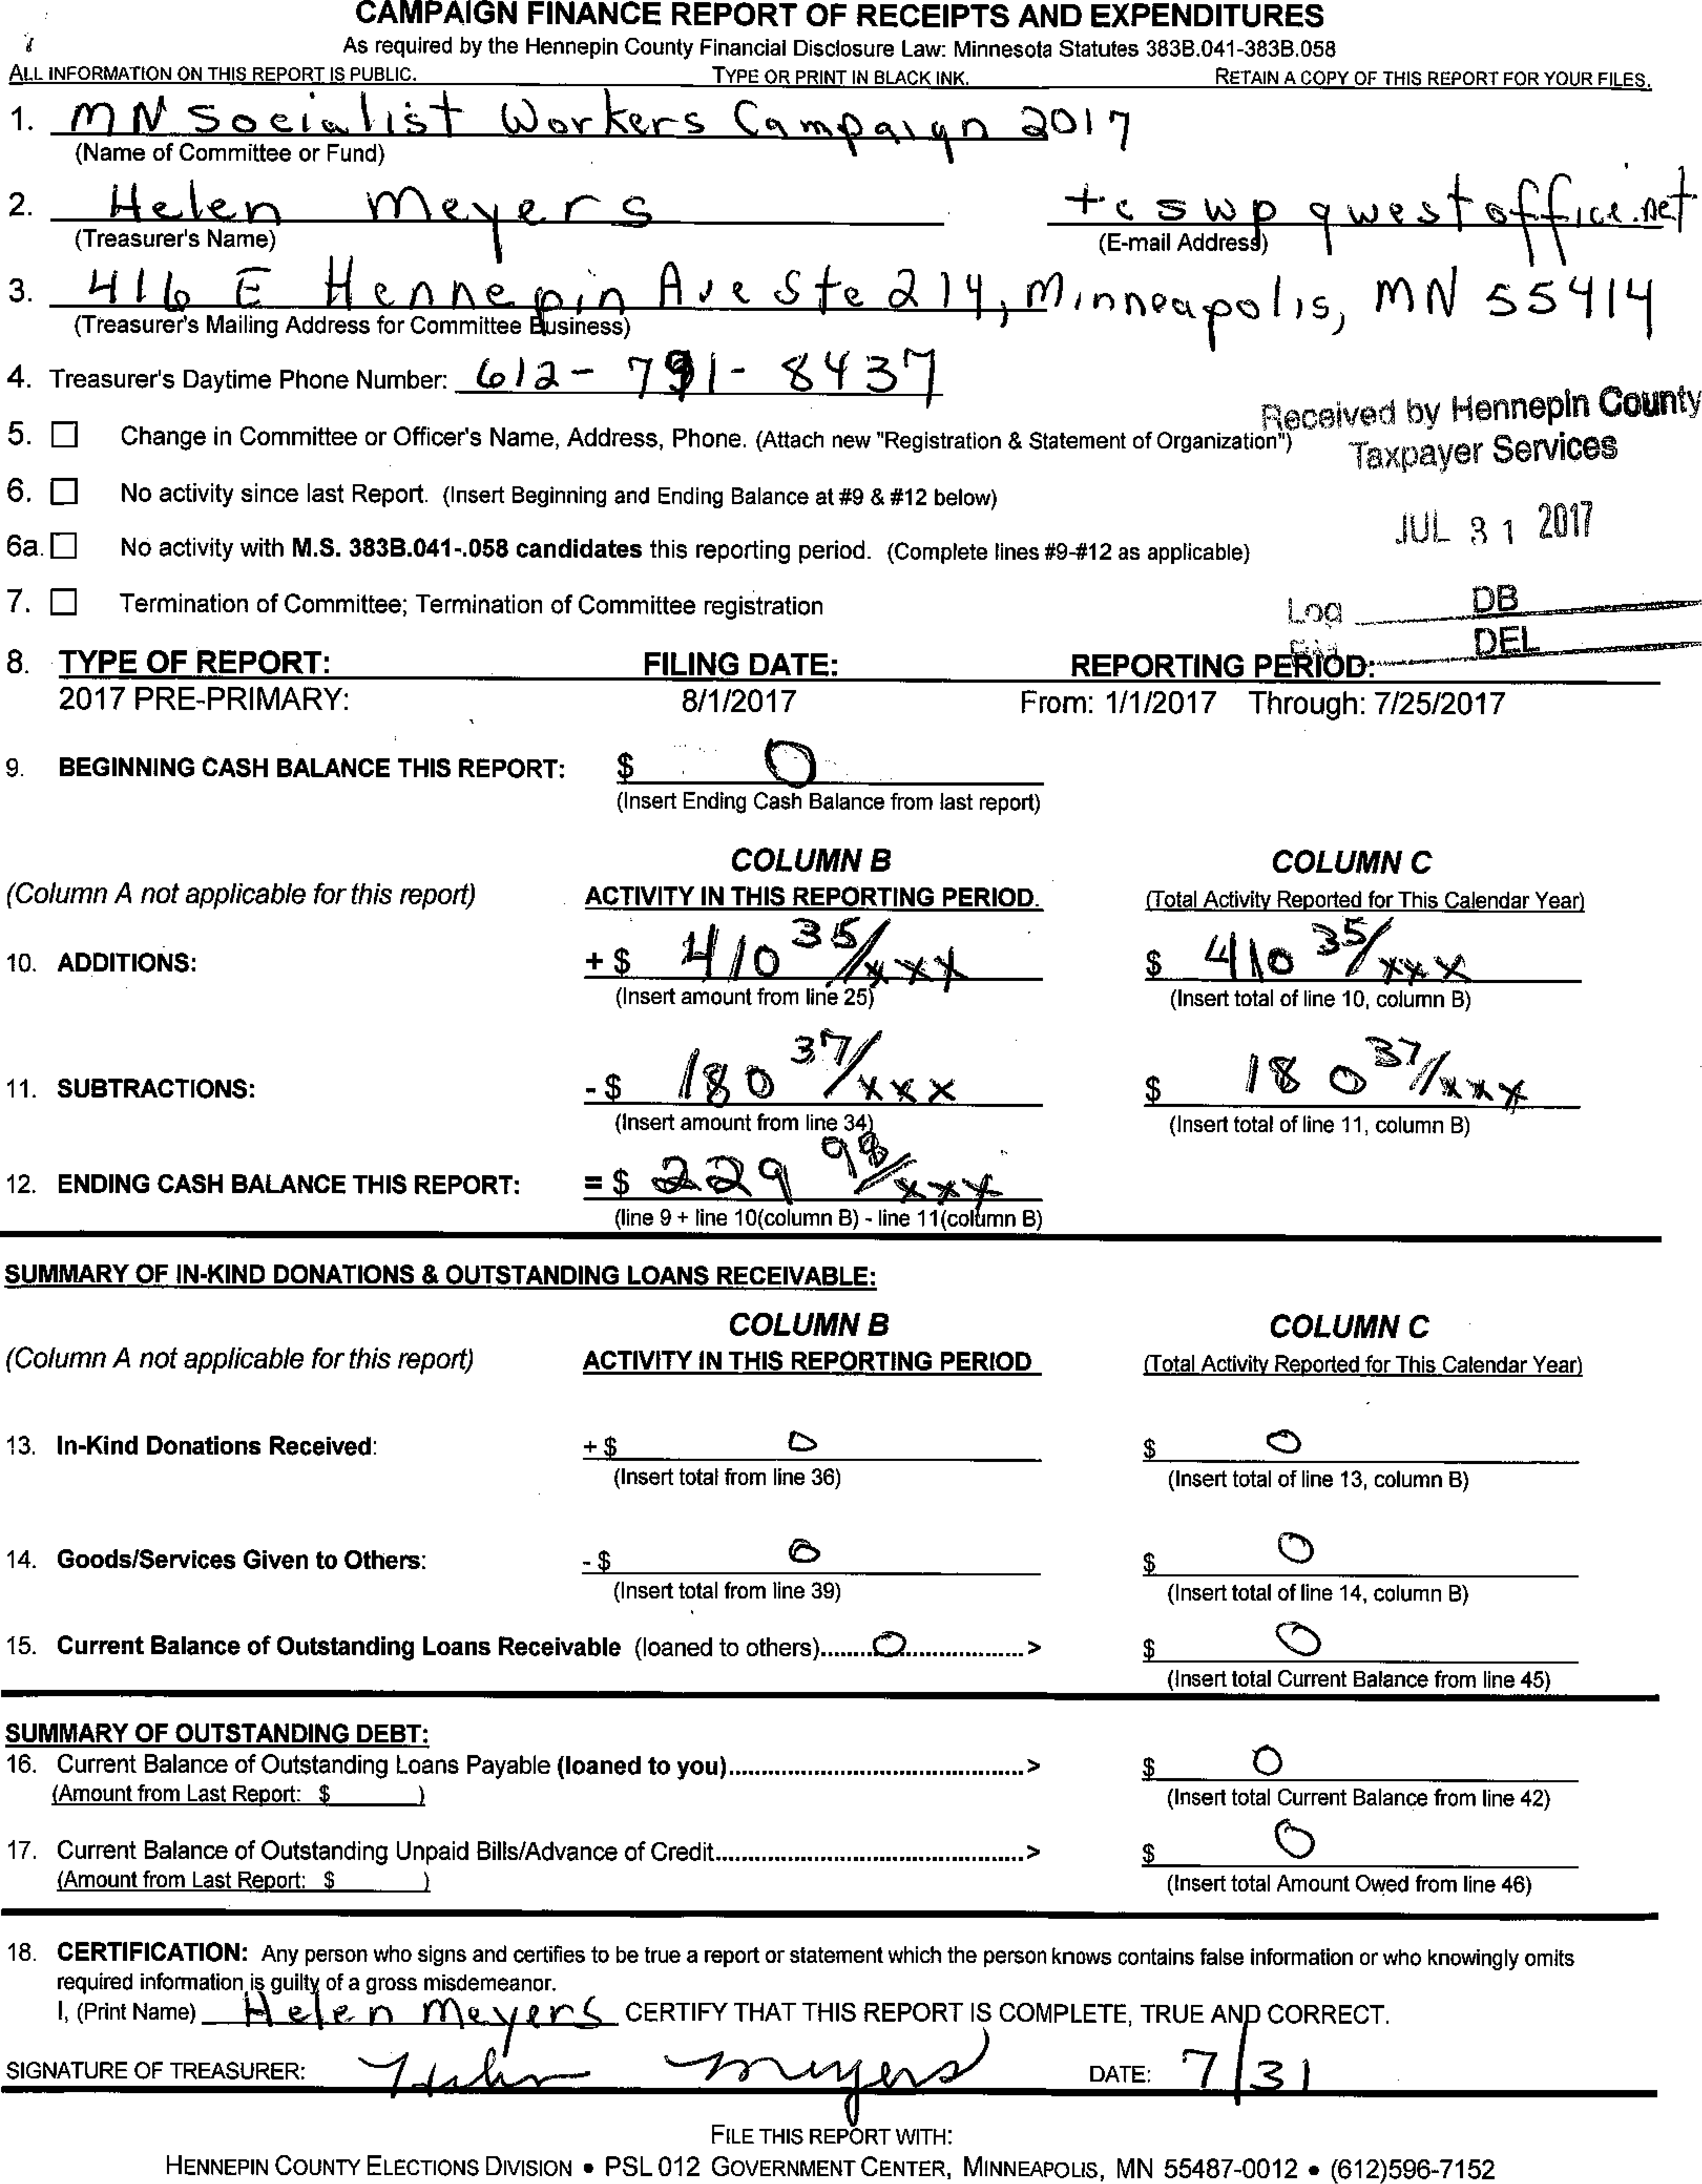

8. TYPE OF REPORT:
2017 PRE-PRIMARY:
FILING DATE:
8/1/2017
From: 1/1/2017 Through: 7/25/2017
COLUMN C
(Total Activity Reported for This Calendar Year)
$ igkes
(Insert total of line 10, column B)
$
(Insert Ending Cash Balance from last report)
COLUMN B
ACTIVITY IN THIS REPORTING PERIOD.
$36

(Insert amount from line 25)
9. BEGINNING CASH BALANCE THIS REPORT:
(Column A not applicable for this report)
10. ADDITIONS:
11. SUBTRACTIONS:
$ it 40 0 VOg X
COLUMN C
(Total Activity Reported for This Calendar Year)
SUMMARY OF IN-KIND DONATIONS & OUTSTANDING LOANS RECEIVABLE:
COLUMN B
(Column A not applicable for this report) ACTIVITY IN THIS REPORTING PERIOD
(Insert total Current Balance from line 42)
(Insert total Amount Owed from line 46)
a
SUMMARY OF OUTSTANDING DEBT:
16. Current Balance of Outstanding Loans Payable (loaned to you)
(Amount from Last Report: $
17. Current Balance of Outstanding Unpaid Bills/Advance of Credit
(Amount from Last Report: $
CAMPAIGN FINANCE REPORT OF RECEIPTS AND EXPENDITURES
As required by the Hennepin County Financial Disclosure Law: Minnesota Statutes 383B.041-383B.058
ALL INFORMATION ON THIS REPORT IS PUBLIC. TYPE OR PRINT IN BLACK INK. RETAIN A COPY OF THIS REPORT FOR YOUR FILES.
1.in ilt 5 cz• C. I. J 1 i")-i— k).) K;ts Nr- 6-& C ci■ moy c\ ■ C\ n 01 17
(Name of Committee or Fund)
(Treasurer's Name)
(E-mail AddresJ) 1
2.
3.
(Treasurer's Mailing Address for Committee ausiness)
i-iti.9 fr.. N tirly\e_oi'irl ()hit c.SfQ. ca)1) Oldnrwtki0c-31)5, TnN S59111
I J
4.Treasurer's Daytime Phone Number: 67 via- 711- tti51
5.El Change in Committee or Officer's Name, Address, Phone. (Attach new "Registration & Statement of Organization")
Received by Hennepin COUtity
6.I=1 No activity since last Report. (Insert Beginning and Ending Balance at #9 & *12 below) Taxpayer Services
6a. Ill No activity with M.S. 383B.041-.058 candidates this reporting period. (Complete lines #9-#12 as applicable)
7.❑ Termination of Committee; Termination of Committee registration
13.In-Kind Donations Received:
14.Goods/Services Given to Others:
(Insert total from line 36)
(Insert total from line 39)
$0
(Insert total of line 13, column B)
(Insert total of line 14, column B)
15.Current Balance of Outstanding Loans Receivable (loaned to others) CD CZ')
(Insert total Current Balance from line 45)
12. ENDING CASH BALANCE THIS REPORT:
=s ae,ac%
(Insert amount from line 344
(line 9 + line 10(column B) - line 11(c:Itin B)
(Insert total of line 11, column B)
18. CERTIFICATION: Any person who signs and certifies to be true a report or statement which the person knows contains false information or who knowingly omits
required information is guilt x of a gross misdemeanor.
1, (Print Name) R ri\ (LI ft r_.c CERTIFY THAT THIS REPORT IS COMPLETE, TRUE AN CORRECT.
SIGNATURE OF TREASURER:DATE:
731
FILE THIS REPORT WITH:
HENNEPIN COUNTY ELECTIONS DIVISION • PSL 012 GOVERNMENT CENTER, MINNEAPOLIS, MN 55487-0012 ■ (612)596-7152
JUL 3 1 2011
Log
REPORTING
RECEIPT AND EXPENDITURES WORKSHEET FOR THIS REPORTING PERIOD ONLY
NAME OF COMMITTEE OR FUND: W) IV c ;Lk I 1 d- abricQ rs DATE: **7 13 I I j7
cc. n o 1
19. Total ITEMIZED Contributions:
ADDITIONS: (Income)
20. Total NON-ITEMIZED Contributions: | (Insert total from line 35) $ 1111, | $

(Subtotal: lines 19 + 20)
21.Income from bank dividends, interest, etc: 22.New Loans Payable (loaned to you):

 | (Insert total from line 40)

23.New Repayments on Loans Receivable: (loaned to others/repaid to you)
 |  |  | (Insert total from line 44) |  |  | $
24.Other:

(Subtotal: lines 21+22+23+24)
25.TOTAL INCOME: $ go' It
(TOTAL lines 19 through 24. Transfer this amount to Line 10, Column B.)
SUBTRACTIONS: (Expenditures)
26.Total ITEMIZED Contributions to Others:
(Insert total from line 38)
27.Total NON-ITEMIZED Contributions to Others: |  |  |  |  | $ a

(Subtotal: lines 26 + 27)
28.Total ITEMIZED Operating Expenditures: 29.Total NON-ITEMIZED Operating Expenditures:
 | (Insert total from 'ne 37) $ 1 '039 NA i
 |  |  | (Subtotal: Lines 28 + 29)

30.Bank service charges, etc., paid by you: 31.New Repayments on Loans Payable: (loaned to you/repaid to lender)

 |  |  | (Insert total from line 41)
32.New Loans Receivable (loaned to others): 33.Other:
 |  |  | (Insert total from line 43) (Z) |  | $ (Subtotal: lines 30+31+32+33)

34.TOTAL EXPENDITURES: | $ re, jcy< (Total lines 26 through 33. T ansfer this amount to Line 11, Column B.)

Important information: Addresses submitted on Schedule A are public data pursuant to the Minnesota Government Data Practices Act. This form is retained on file in the Hennepin County Elections
Division. As a convenience, Hennepin County also displays Schedule A on the Hennepin County web site. Please check the box and initial the form on the line provided if you do not want the
address of contributors to be displayed on the website. ❑ If selected, please submit two versions of Schedule A, one with contributors' addresses and one without.
SCHEDULE A: INCOME FROM CASH (MONETARY) CONTRIBUTIONS and IN-KIND DONATIONS
NAME OF COMMITTEE OR FUND: rn# V 7C!) C 1 CAI (A) n lrkf r 5 Cov rrloa Y") - DATE:
You must disclose the date and amount of each monetary contribution or donation In Kind within the year that, in aggregate from any contributor, exceeds $100 *, th- name and address of the individual,
committee or fund that made the monetary contribution or Donation In Kind, and the employer of the individual contributor.
(**In the case of a contributor who is self-employed, that is, does not derive earned income as owner, partner, or employee of a corporation, partnership, or other entity, including a branch of government, you must
list that contributor's occupation.)
*Political Funds must itemize contributions of members that, in aggregate in the year, exceed $50.
If you submit a typed or computer-generated list, all items must be in the same order as they appear on Schedule A. Attach additional pages as necessary.
 |  |  |  |  | List contributions here for the current reporting period
 |  |  |  | COLUMN A | COLUMN B | COLUMN B1 | COLUMN C
Date Rcvd. | ALPHABETICAL ORDER! Contributor Name & Address | Contributor's Employer' | Description of In-Kind Donation | Previous Total For This Year | $ Received This Period | $ Value of In- Kind Donation | Total from Source Year to Date

Subtotal ITEMIZED Monetary Contributions received this period: |  | $ (5
Subtotal ITEMIZED Monetary Contributions received this period listed on previous page: |  | $ 1Z,
35.TOTAL ITEMIZED CONTRIBUTIONS RECEIVED THIS PERIOD: (Transfer this amount to Line | 19) | $ (3

 | Subtotal ITEMIZED In-Kind Donations received this period: | $ | c3
 | Subtotal ITEMIZED In-Kind Donations received this period listed on previous page: | $(7)
 | Subtotal NON-ITEMIZED In-Kind Donations Received This Period: | $ | t
36. | TOTAL IN-KIND DONATIONS RECEIVED THIS PERIOD: (Transfer this amount to Line 13, Column B) | $ | 6

SCHEDULE B: OPERATING EXPENDITURES and CONTRIBUTIONS MADE TO OTHER COMMITTEES
NAME OF COMMITTEE OR FUND: 01 (A) S vs, k r ke od cwriN c)Ci F7 DATE: /3 /
You must disclose the name and address of each individual, business or committee to whom expenditures/contributions have been made, in an aggregate amount in excess of $100 within
the year, and the amount, date and specific purpose of the expenditure.
If you submit a typed or computer-generated list, all items must be in the same order as they appear on Schedule B.
Attach additional pages as necessary.
 |  |  |  | List expenditures here for the current reporting period
 |  |  | COLUMN A | COLUMN B | COLUMN B1 | COLUMN C
Date Paid | ALPHABETICAL ORDER! Vendor or Recipient Committee Name and Address | Purpose for Expenditure | Previous Total For This Year | Operating Expenditures | Contributions to Others | Total to Source Year to Date

Subtotal ITEMIZED Operating Expenditures this period: |  | $0
Subtotal ITEMIZED Operating Expenditures this period listed on previous page: |  | $0
37.TOTAL ITEMIZED OPERATING EXPENDITURES THIS PERIOD: (Transfer this amount to Line | 28) | $0

Subtotal ITEMIZED Contributions to Others this period: |  | $ (3
Subtotal ITEMIZED Contributions to Others this period listed on previous page: |  | $0
38.TOTAL ITEMIZED CONTRIBUTIONS TO OTHERS THIS PERIOD: (Transfer this amount to Line | 26) | $0

SCHEDULES C, D, E, and F (Attach additional pages if necessary for Schedules C, D, E, and F)
NAME OF COMMITTEE OR FUND: DATE:
SCHEDULE C: GOODS AND SERVICES GIVEN TO OTHERS
You must disclose the total value of goods and services given to another committee, as well as any otherwise non-itemizable cash that, together with the
goods and services, is in excess of $100 within the year. You must also disclose the date, name and address of the recipient and a description of the
goods or services given.
 |  |  |  | Goods & Services + Cash = $100+ Given in Current Period
 | Alphabetical Order! |  | COLUMN A | COLUMN B | COLUMN B1 | COLUMN C
Date | Name & Address of Recipient | Description of Goods and Services | Previous Total for This Year | Cash Given | Value of Goods & Services | Recipient Total Year to Date

39.Total Goods and Services given in this period: (Transfer this amount to Line 14, Column B) |  |  |  |  | $

SCHEDULE D: NOTES AND LOANS PAYABLE (Loaned to You)
 |  |  | Loans Given to or Repaid by You in Current Reporting Period
 | Alphabetical Order! | COLUMN Al | COLUMN B | COLUMN B1 | COLUMN Cl
Date | Name, Address & Employer of Lender | Loan Balance Last Report | Add New Loan $ Received | Subtract Loan $ Repaid | Current Balance Owed by You

40.Total New Loans Payable this period: (Transfer this amount to Line 22) |  |  | $
41.Total Repayment of Loans Payable this period: (Transfer this amount to Line 31) |  |  |  | $
42.Current Balance of Outstanding Loans Payable: (Transfer this amount to Line 16) |  |  |  |  | $

SCHEDULE E: NOTES AND LOANS RECEIVABLE (Loaned by You)
 |  |  | Loans Given by or Repaid to You in Current Reporting Period
 | Alphabetical Order! | COLUMN Al | COLUMN B | COLUMN B1 | COLUMN Cl
Date | Name, Address & Employer of Recipient of Loan | Loan Balance Last Report | Add New Loan $ Given | Subtract Loan $ Repaid | Current Balance Owed to You

43.Total New Loans Receivable this period: (Transfer this amount to Line 32) |  |  | $
44.Total Repayment of Loans Receivable this period: (Transfer this amount to Line 23) |  |  |  | $
45.Current Balance of Outstanding Loans Receivable: (Transfer this amount to Line 15) |  |  |  |  | $

SCHEDULE F: UNPAID BILLS/ADVANCE OF CREDIT (Items or services received but not paid)
Date |  | Alphabetical Order! Name & Address of Vendor of Goods or Services Received But Not Paid For | Current Balance Owed by You

46. | Current Balance of Outstanding Unpaid Bills/Advance of Credit: (Transfer this amount to Line 17) |  | $

47.The Treasurer is to sign this statement ONLY IF INDEPENDENT EXPENDITURES WERE MADE.
(Make notations on Schedules B or C where Independent Expenditures are itemized.)
INDEPENDENT EXPENDITURE: SWORN STATEMENT
I, (Print Name) , hereby certify that all independent expenditures made on behalf of other candidates
and reported in this report were made WITHOUT the authorization or expressed or implied consent of, or in cooperation or in concert with,
or at the request or suggestion of any candidate, candidate's campaign committee or agent.
Signature of Treasurer Date

