Risk Assessment Methodology
Systems GxP Risk Assessment

All the systems determined to have a GxP Impact have been analyzed with the purpose of determining the risk level associated to each system. The risk level is determined through the Risk Assessment Index (RAI), whose evaluation is based upon to the application of a parametric model with the two parameters below: - Criticality (High, Medium, Low) - Complexity (High, Medium, Low)

The metodology applied for evaluating the two previous listed parameters depends on the system type PCS as explained below

Process Control Systems (PCS)

The System handles data or is used in a process that could directly impact on product quality, purity, strength, efficacy, identity, status | System Criticality
Report and/or any output data produced or elaborated by the system are used for regulatory Purposes
The System manages Regulated Electronic Records and keeps them permanently (i.e. relied upon by the operators for regulated operations)
The System manages Regulated Input Electronic Records (alarm thresholds on critical process parameters and recipes) and keeps them permanently (i.e. relied upon by the operators for regulated operations)
The system is used to both monitor and control a production process
The System manages different types of production processes and/or it is used by high number of users (i.e. 10 or more)
The System can be configured to meet user requirements and the process managed by the system relays on configurable items such as methods/routines, user profiles, user privileges etc. (GAMP category 4) | System Complexity
The System has undergo an advance configuration to meet client needs and has custom elements (GAMP category 5)
The System is PC based and/or server based, equipped with an Operating System Platform
The process managed by the system foresee to store and reuse different sets of operating parameters and to manage metadata
The Control System is interfaced to other systems and/or is able to manage several devices/probes
The System is connected to more than one instrument or equipment

For each PCS system the evaluation of Criticality and Complexity is determined based upon the number of verified questions according to the following criteria
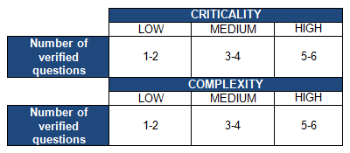

Based upon the Criticality and Complexity, the Risk associated to the system (Termed Risk Assessment Rank, RAR) is determined according the following table:

