Sheet4
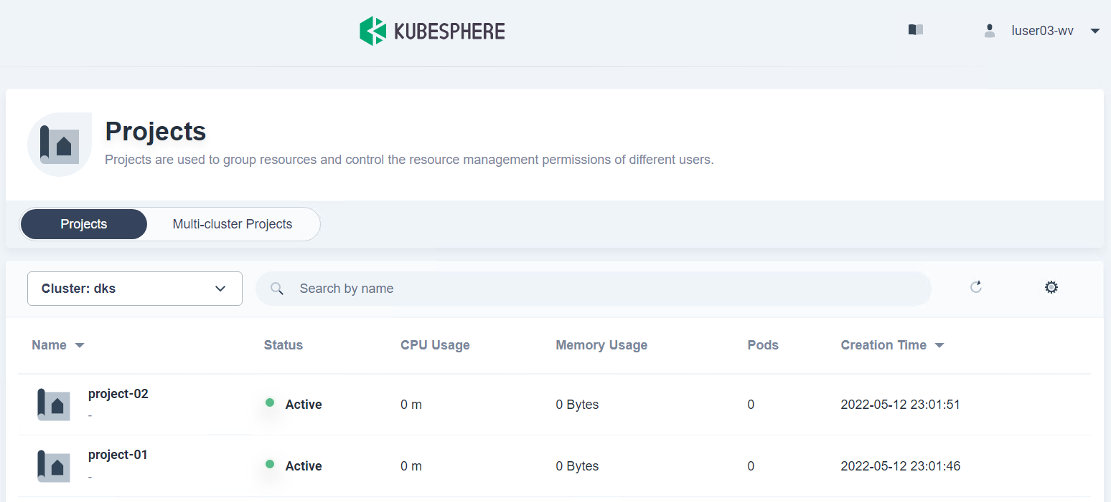
Test Env. - KS version 3.2.1
 | Local User ID | Platform Roles | WorkSpace Roles | Project Roles | Invited workspace | Invited project | Result
 | luser01 | Platform-regular | Workspace-regular | admin | dks-workspace | project-01 | 해당 프로젝트만 보임
 | luser02 | Platform-regular | Workspace-regular | admin | dks-workspace | project-02 | 해당 프로젝트만 보임
 | luser03-wv | Platform-regular | Workspace-view | admin | dks-workspace | project-02 | 본인 프로젝트 외 Project-01도 보이긴 하나 resource 생성 권한은 없음

(3)

