Product
Product

Open Add new product

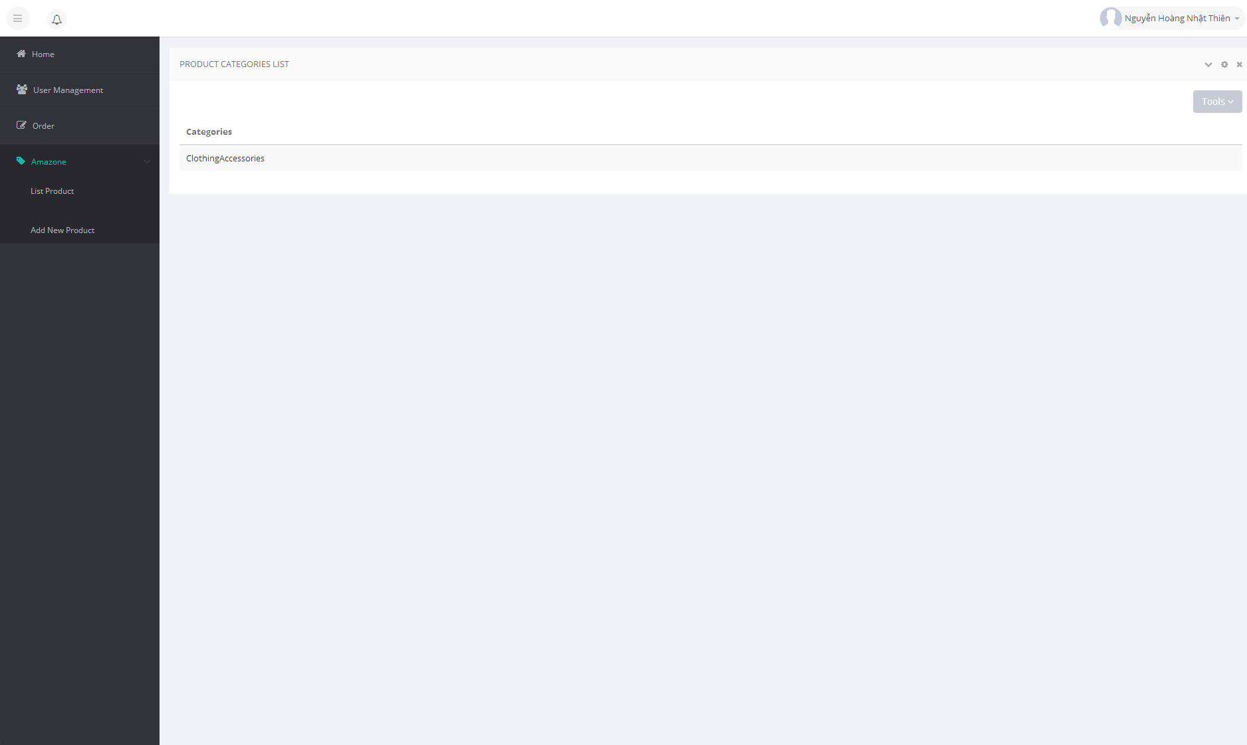

Choise categories of product

Click here to open add new product with categories

Add new product Screen

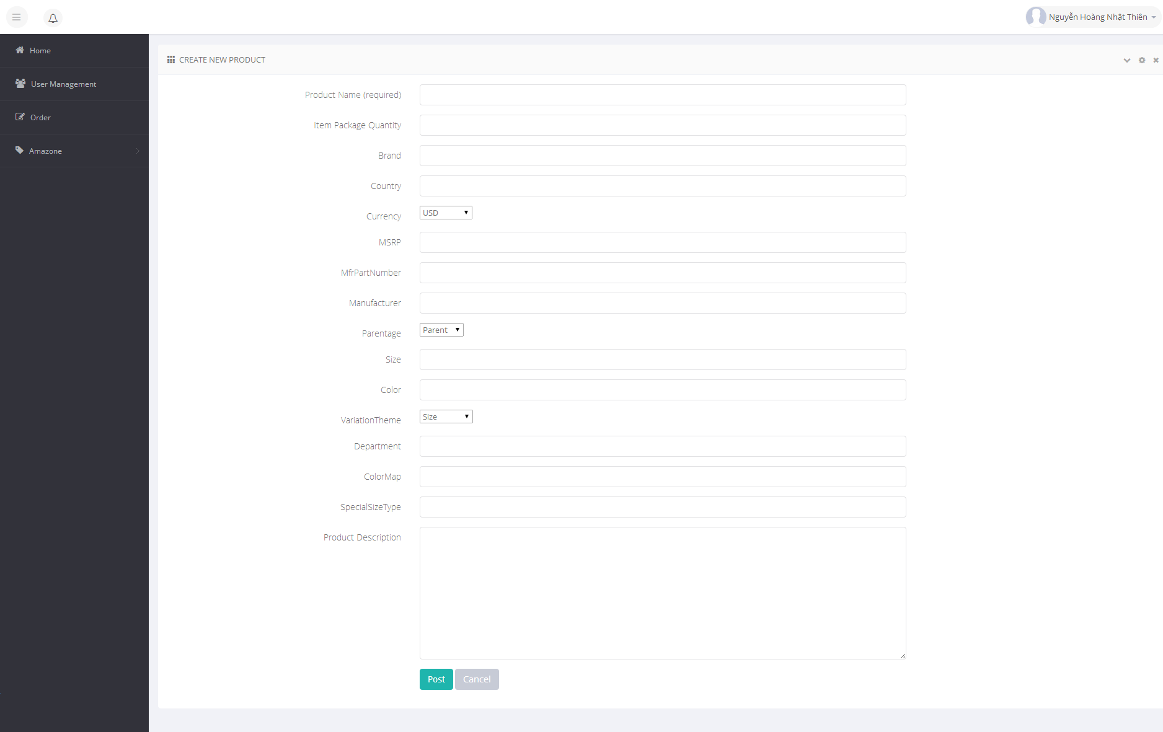

Add product

Product List Screen

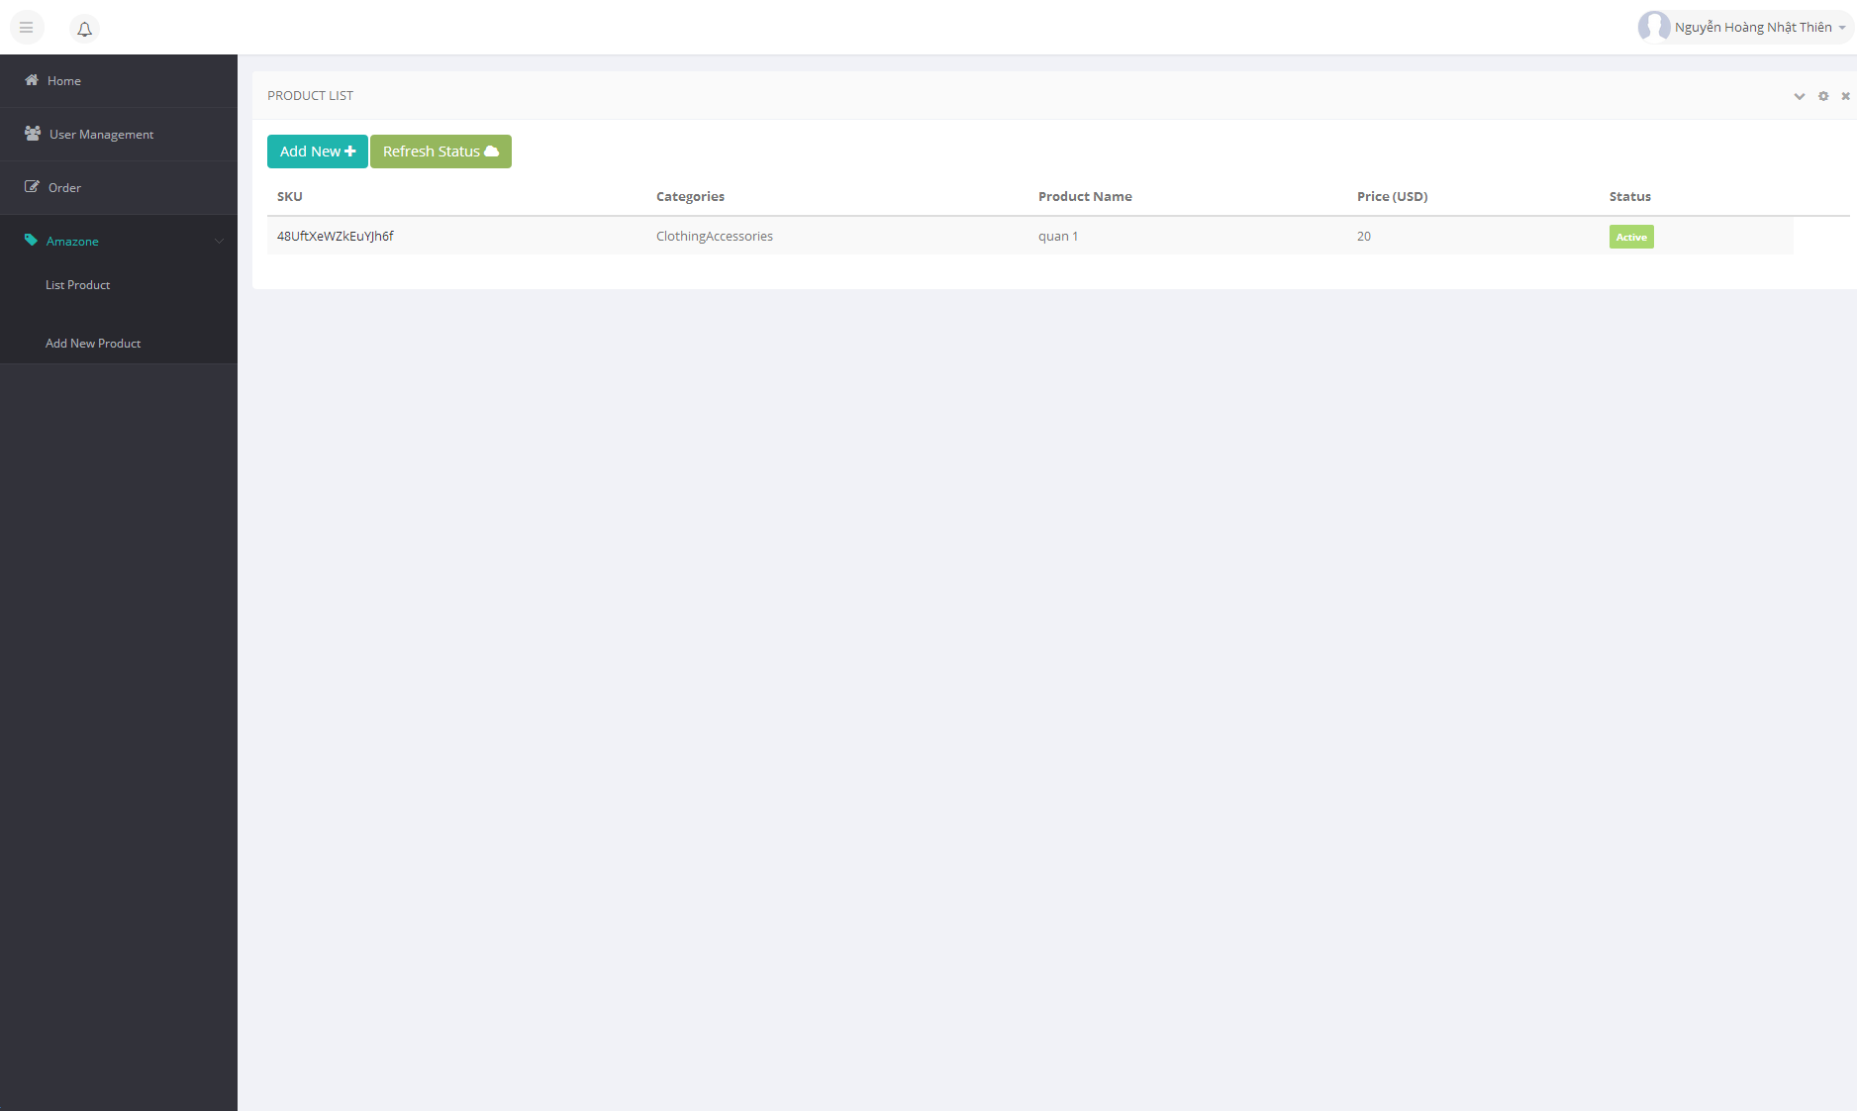
Add new product
Refresh status of product

Click here to update product

Click here to open list product
Status of product Waiting : Product waiting amazon verify Active : Product upload success in amazone Fail : Product upload fail, please submit a other product or contact to dev team

Edit product Screen

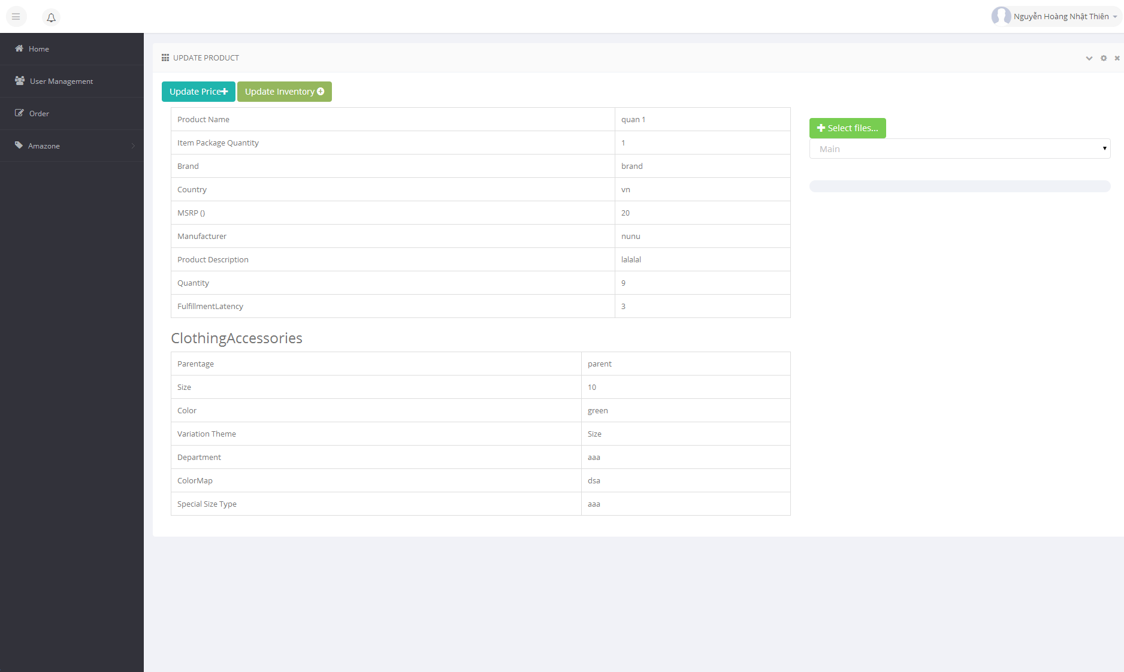
Click to open update price of product
Click to upload image of product

Click to update quantity and fulfillment of product

Select position of image

Edit product Control

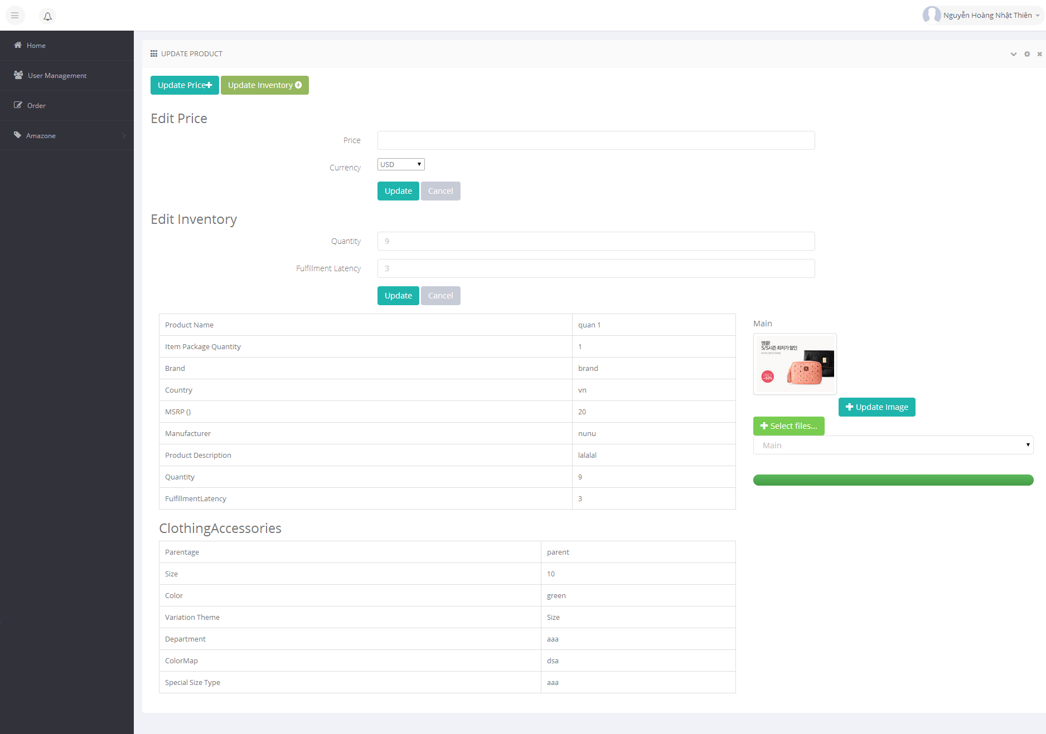

Update price

Update quantity and fulfillment

Update image to amazon product

Order
Open Order list creen



Click here to open Order List Screen

Order List Screen

Click here to get orders manual from Amazon.
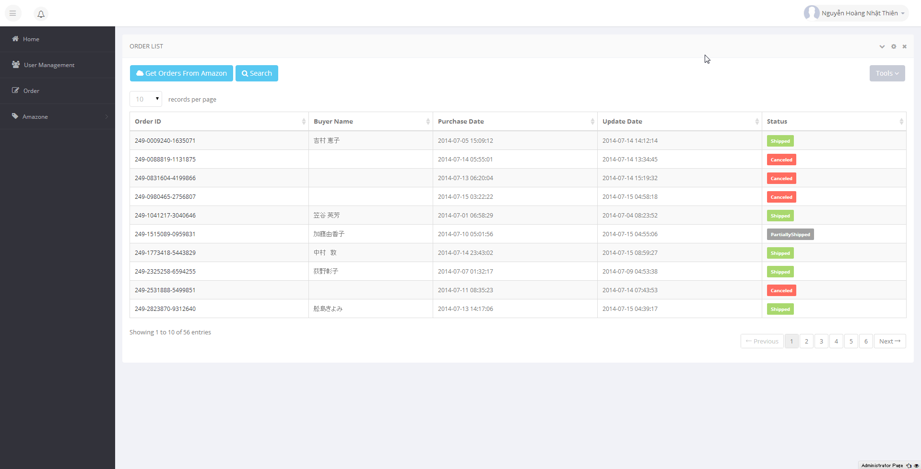

Search order has in database

Click here to open order detail screen

Search Order

Click here to search order has in Database

Search Options
Search value: not required

Click here to search

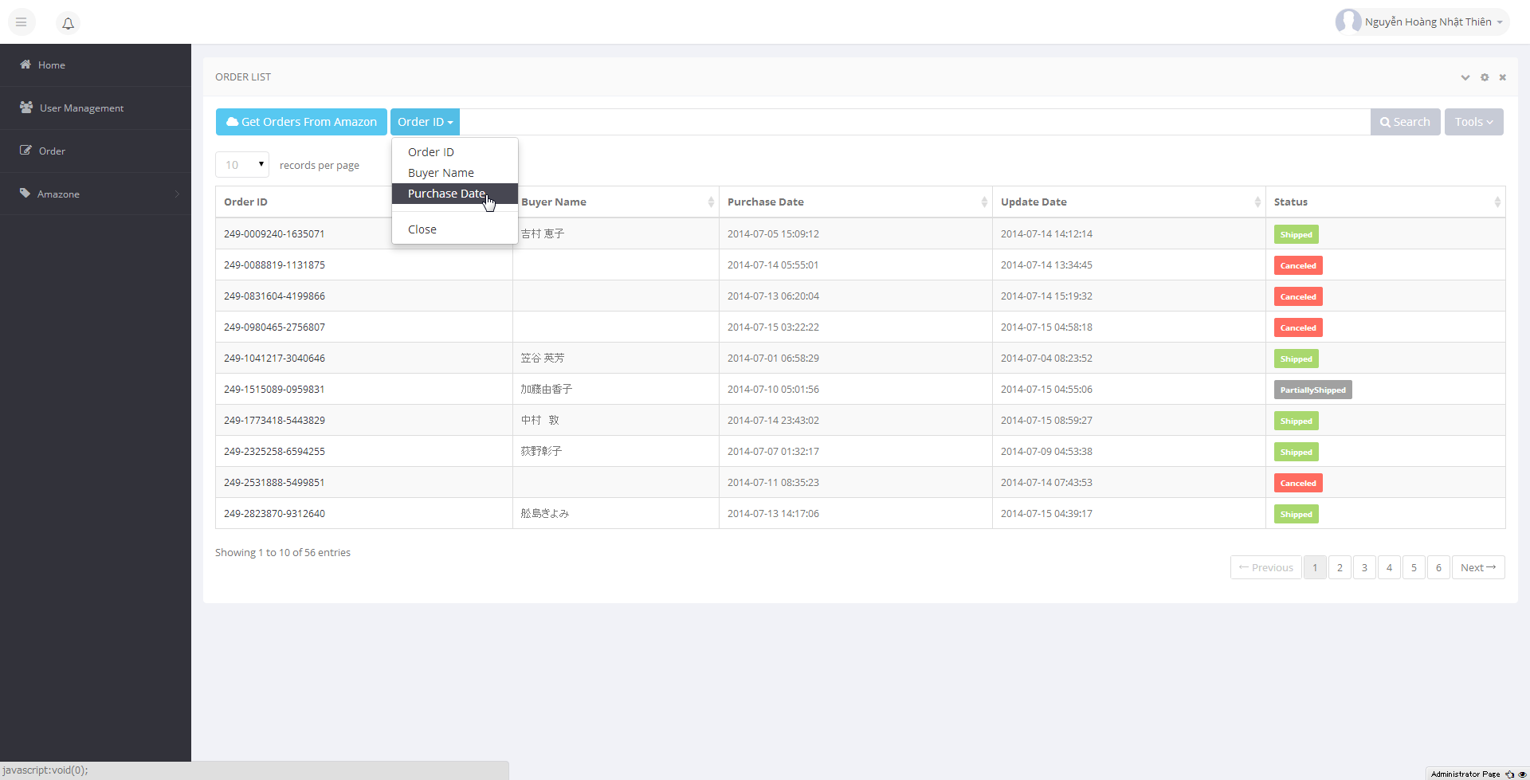

Search with Purchase Date

Start date and End date


Get Order From Amazon

Click here to get new orders from Amazon


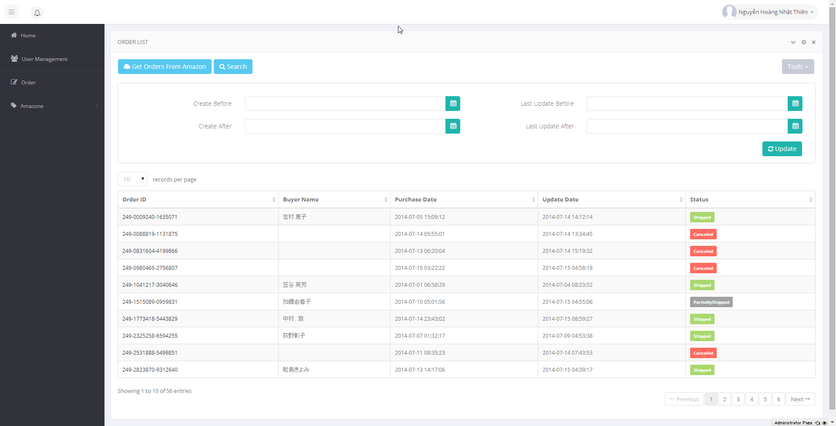

Search value, please input 1 in 4 field at least

Update button

 | Error if can't connect to Amazon

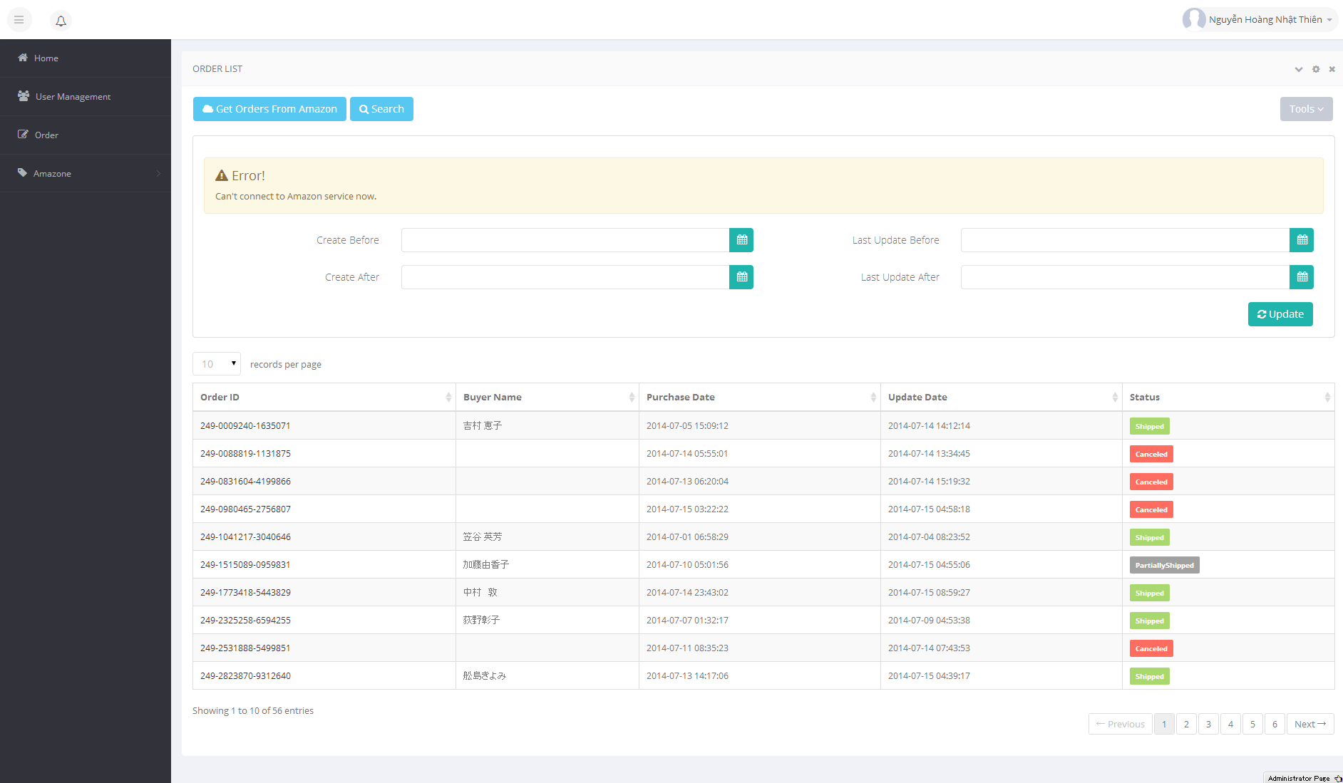

View & Update Order

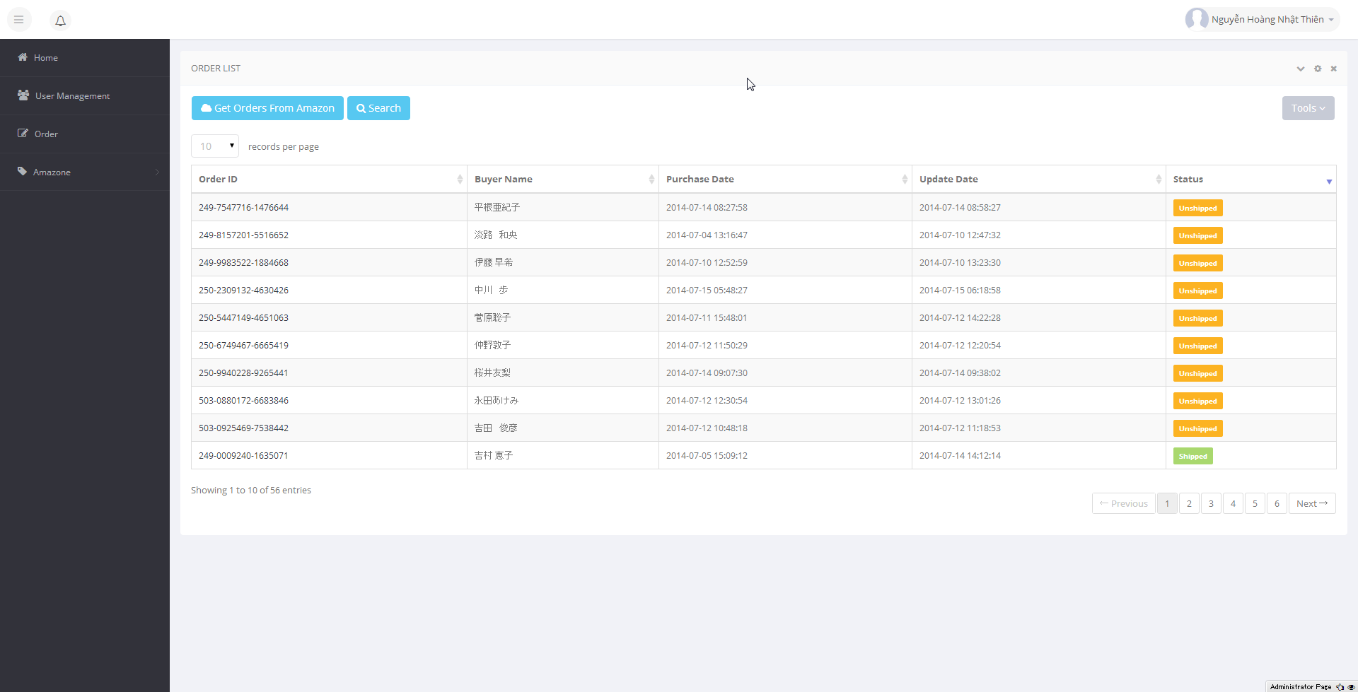

CLick Amazon Order Id to open detail screen

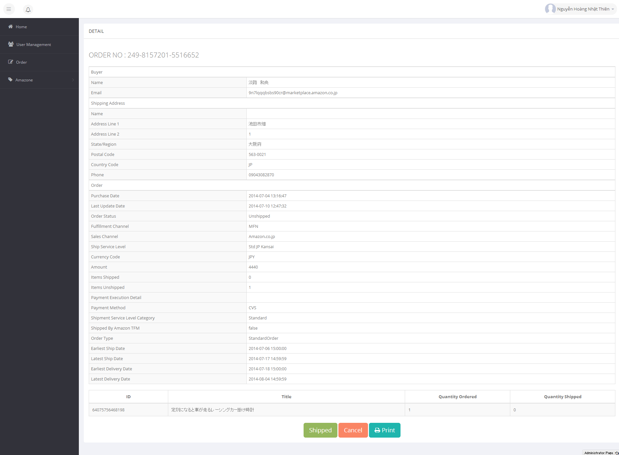

Click here to update order status from unshipped to shipped.
Click here update order status to cancel

