General_basic
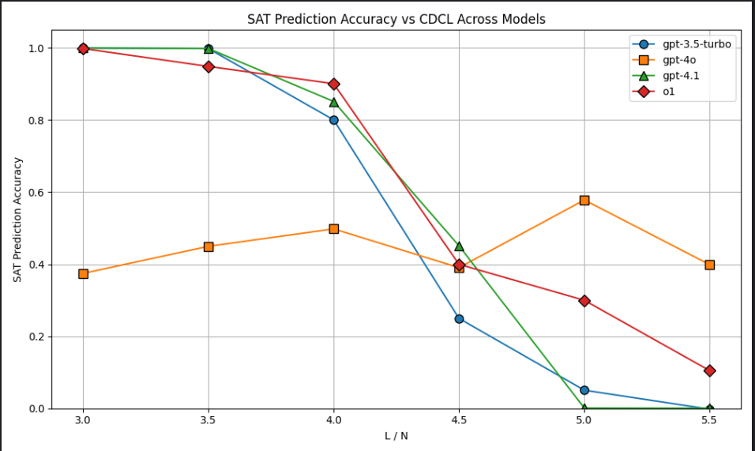

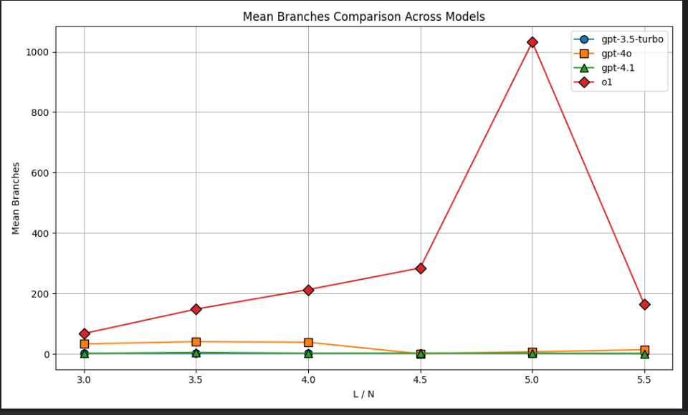

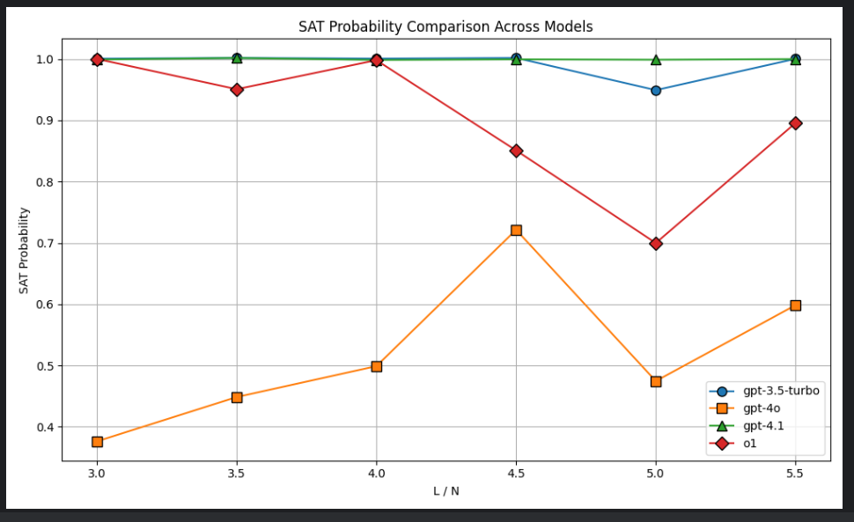

来自于代码： Code/invoke_openai/invoke_openai_draw_3_curve_step4_merger_different_models.py

model | alpha | n | accuracy | precision | recall | f1 | sat_prob_pred | mean_branches_pred | tp | fp | fn | tn
gpt-3.5-turbo | 3 | 20 | 1 | 1 | 1 | 1 | 1 | 2.6 | 20 | 0 | 0 | 0
gpt-3.5-turbo | 3.5 | 20 | 1 | 1 | 1 | 1 | 1 | 2.35 | 20 | 0 | 0 | 0
gpt-3.5-turbo | 4 | 20 | 0.8 | 0.8 | 1 | 0.88888888889 | 1 | 2.55 | 16 | 4 | 0 | 0
gpt-3.5-turbo | 4.5 | 20 | 0.25 | 0.25 | 1 | 0.4 | 1 | 2.75 | 5 | 15 | 0 | 0
gpt-3.5-turbo | 5 | 20 | 0.05 | 0 |  |  | 0.95 | 2.2 | 0 | 19 | 0 | 1
gpt-3.5-turbo | 5.5 | 20 | 0 | 0 |  |  | 1 | 1.75 | 0 | 20 | 0 | 0
gpt-4o | 3 | 16 | 0.375 | 1 | 0.375 | 0.54545454545 | 0.375 | 33.1875 | 6 | 0 | 10 | 0
gpt-4o | 3.5 | 20 | 0.45 | 1 | 0.45 | 0.62068965517 | 0.45 | 40.7 | 9 | 0 | 11 | 0
gpt-4o | 4 | 20 | 0.5 | 0.9 | 0.5 | 0.64285714286 | 0.5 | 38.75 | 9 | 1 | 9 | 1
gpt-4o | 4.5 | 18 | 0.38888888889 | 0.23076923077 | 0.75 | 0.35294117647 | 0.72222222222 | 0.77777777778 | 3 | 10 | 1 | 4
gpt-4o | 5 | 19 | 0.57894736842 | 0.11111111111 | 1 | 0.2 | 0.47368421053 | 7.3157894737 | 1 | 8 | 0 | 10
gpt-4o | 5.5 | 20 | 0.4 | 0 |  |  | 0.6 | 14.25 | 0 | 12 | 0 | 8
gpt-4.1 | 3 | 20 | 1 | 1 | 1 | 1 | 1 | 1.8 | 20 | 0 | 0 | 0
gpt-4.1 | 3.5 | 20 | 1 | 1 | 1 | 1 | 1 | 5.05 | 20 | 0 | 0 | 0
gpt-4.1 | 4 | 20 | 0.85 | 0.85 | 1 | 0.91891891892 | 1 | 2.4 | 17 | 3 | 0 | 0
gpt-4.1 | 4.5 | 20 | 0.45 | 0.45 | 1 | 0.62068965517 | 1 | 2.6 | 9 | 11 | 0 | 0
gpt-4.1 | 5 | 20 | 0 | 0 |  |  | 1 | 3 | 0 | 20 | 0 | 0
gpt-4.1 | 5.5 | 20 | 0 | 0 |  |  | 1 | 0.75 | 0 | 20 | 0 | 0
o1 | 3 | 18 | 1 | 1 | 1 | 1 | 1 | 67.5 | 18 | 0 | 0 | 0
o1 | 3.5 | 20 | 0.95 | 1 | 0.95 | 0.97435897436 | 0.95 | 148.35 | 19 | 0 | 1 | 0
o1 | 4 | 20 | 0.9 | 0.9 | 1 | 0.94736842105 | 1 | 212.8 | 18 | 2 | 0 | 0
o1 | 4.5 | 20 | 0.4 | 0.29411764706 | 1 | 0.45454545455 | 0.85 | 284.55 | 5 | 12 | 0 | 3
o1 | 5 | 20 | 0.3 | 0 |  |  | 0.7 | 1032.05 | 0 | 14 | 0 | 6
o1 | 5.5 | 19 | 0.10526315789 | 0 |  |  | 0.89473684211 | 163.52631579 | 0 | 17 | 0 | 2

O1_Phase_Transition
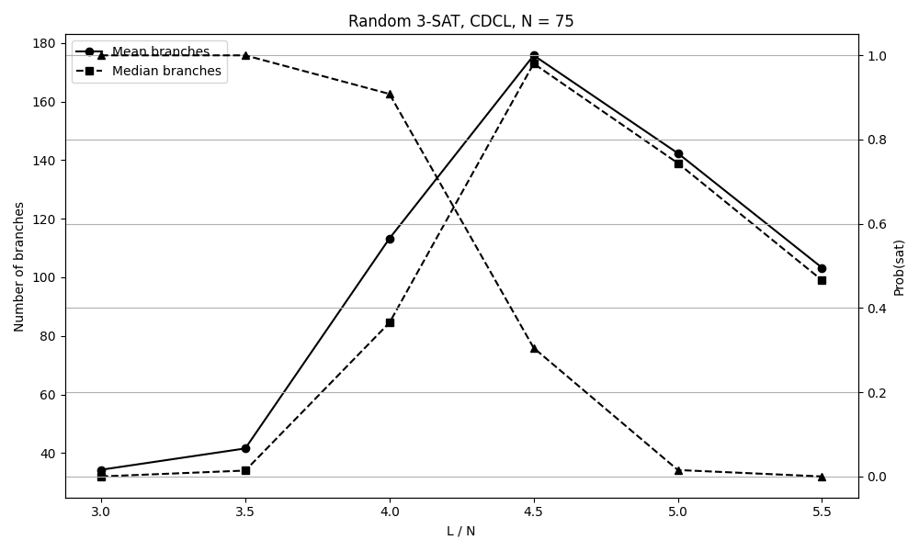
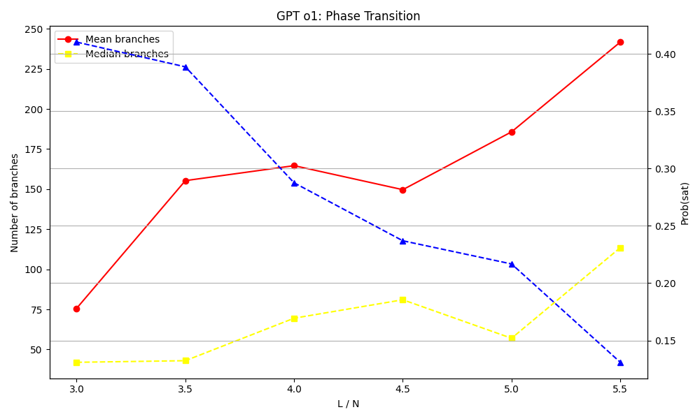
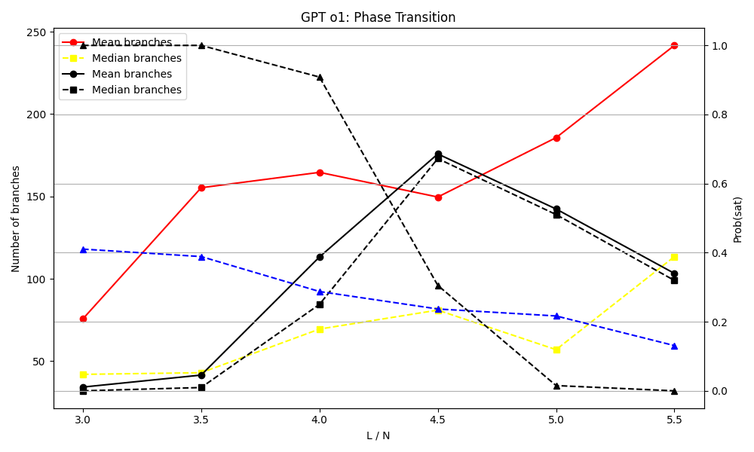
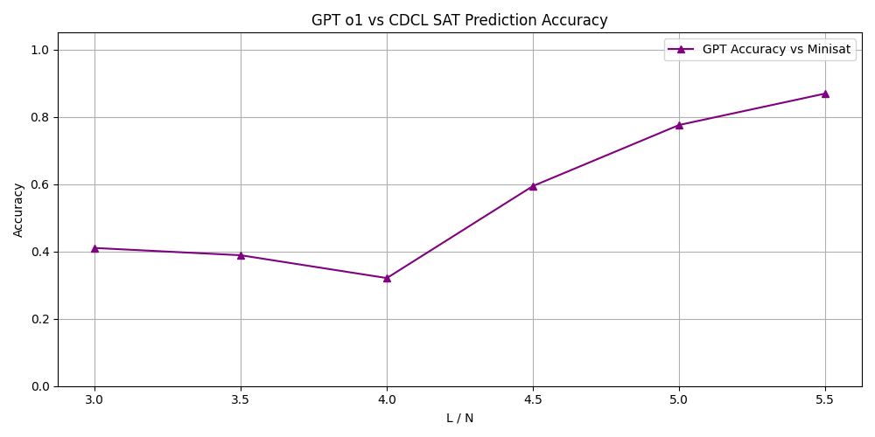
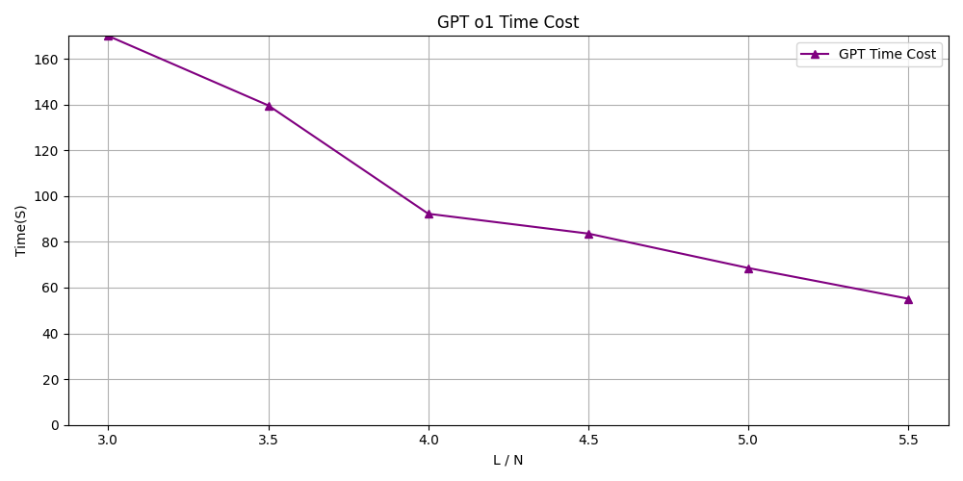
Select GPT-O1 Prediction is Correct
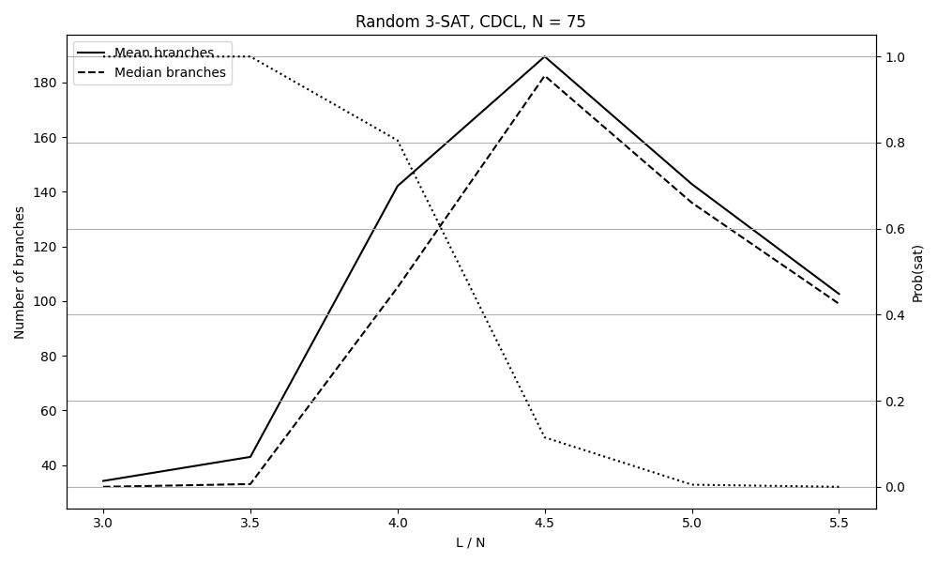
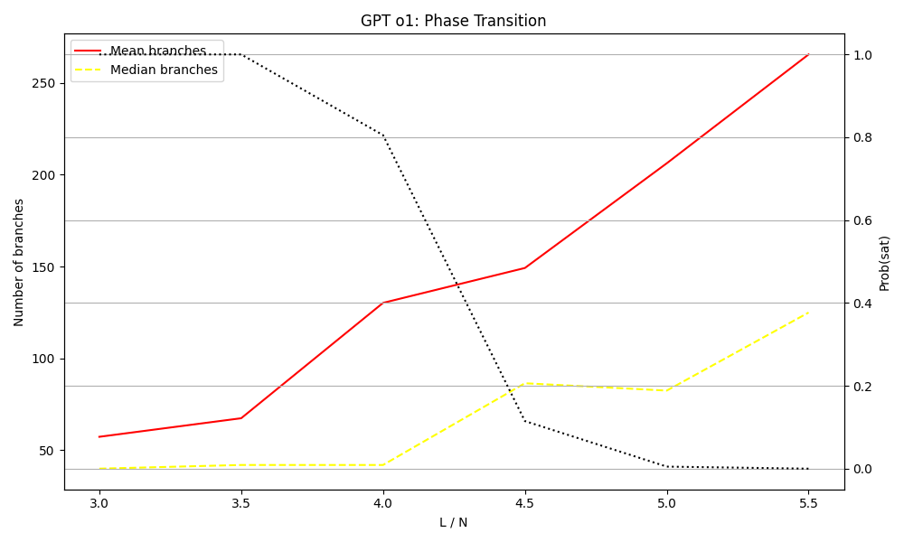
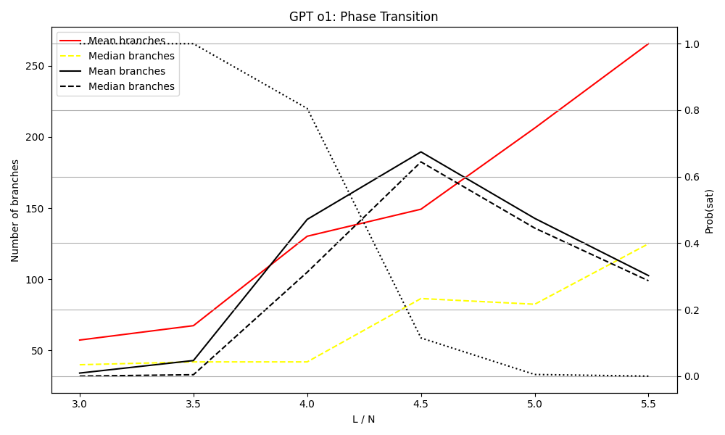

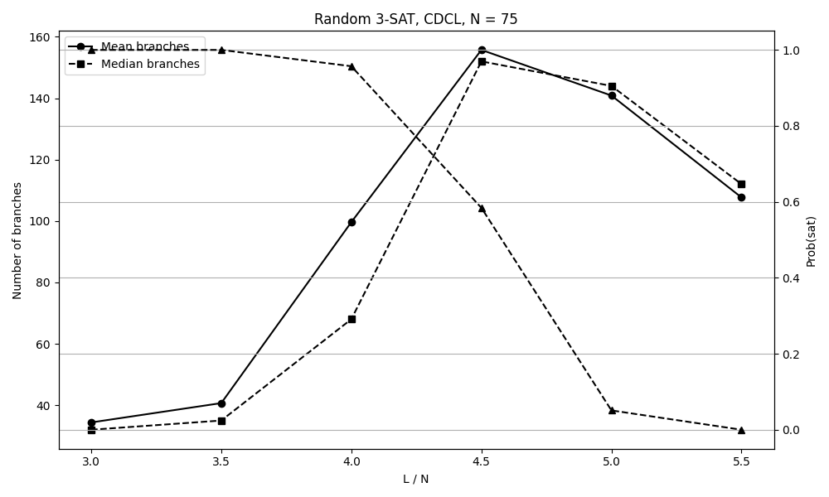
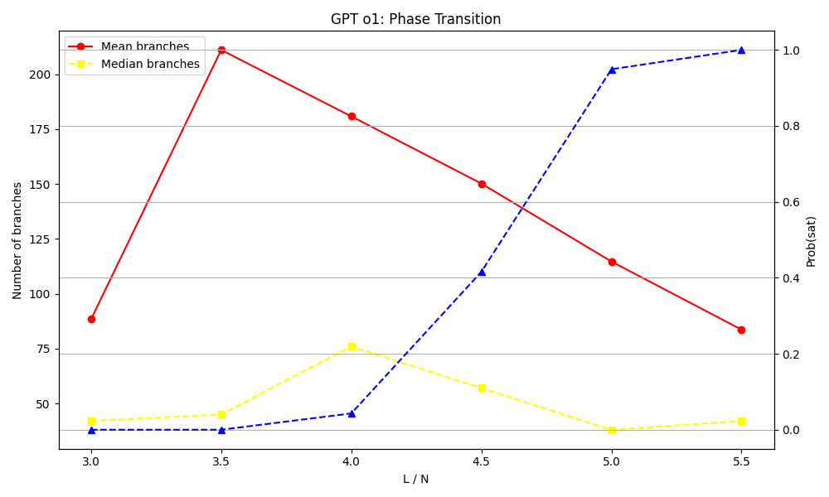
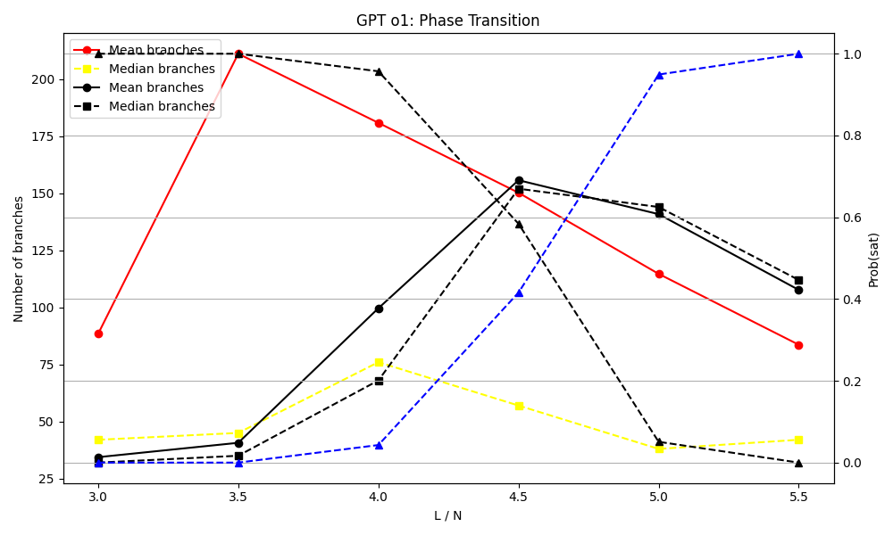
Select GPT-O1 Prediction is False

Select GPT-O1 Prediction both True and False

Vertex_Cover
Prompt
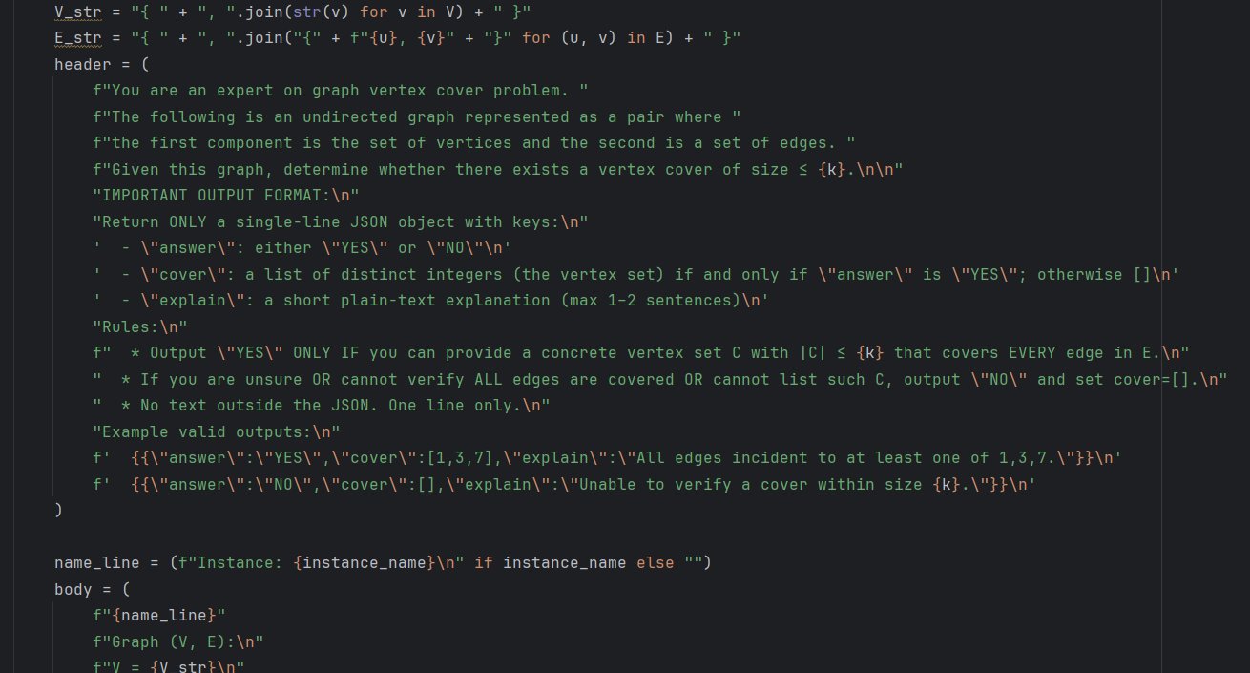

Prompt Example:

Answer example:

Metrics for the correctness of answer directly (YES or NO)
model | N | parsed_total | TP | FP | TN | FN | ACC | Precision | Recall | F1
gpt-4o-latest | 5 | 139 | 70 | 69 | 0 | 0 | 0.5035971223 | 0.5035971223 | 1 | 0.66985645933
deepseek-reasoner | 5 | 140 | 30 | 5 | 65 | 40 | 0.67857142857 | 0.85714285714 | 0.42857142857 | 0.57142857143
gpt-3.5-turbo | 5 | 140 | 70 | 70 | 0 | 0 | 0.5 | 0.5 | 1 | 0.66666666667
gpt-3.5-turbo-0125 | 5 | 140 | 70 | 70 | 0 | 0 | 0.5 | 0.5 | 1 | 0.66666666667
gpt-4-turbo | 5 | 139 | 0 | 0 | 70 | 69 | 0.5035971223 | 0 | 0 | 0
gpt-4.1 | 5 | 140 | 70 | 70 | 0 | 0 | 0.5 | 0.5 | 1 | 0.66666666667
gpt-4o | 5 | 140 | 70 | 70 | 0 | 0 | 0.5 | 0.5 | 1 | 0.66666666667
gpt-5 | 5 | 138 | 69 | 0 | 69 | 0 | 1 | 1 | 1 | 1
o1 | 5 | 139 | 32 | 11 | 59 | 37 | 0.65467625899 | 0.74418604651 | 0.46376811594 | 0.57142857143

model | N | parsed_total | TP | FP | TN | FN | ACC | Precision | Recall | F1
gpt-4o-latest | 8 | 139 | 69 | 70 | 0 | 0 | 0.4964028777 | 0.4964028777 | 1 | 0.66346153846
deepseek-reasoner | 8 | 139 | 26 | 24 | 46 | 43 | 0.51798561151 | 0.52 | 0.3768115942 | 0.43697478992
gpt-3.5-turbo | 8 | 139 | 52 | 48 | 22 | 17 | 0.53237410072 | 0.52 | 0.75362318841 | 0.61538461538
gpt-3.5-turbo-0125 | 8 | 139 | 53 | 56 | 13 | 17 | 0.47482014388 | 0.48623853211 | 0.75714285714 | 0.59217877095
gpt-4-turbo | 8 | 140 | 0 | 0 | 70 | 70 | 0.5 | 0 | 0 | 0
gpt-4.1 | 8 | 140 | 70 | 70 | 0 | 0 | 0.5 | 0.5 | 1 | 0.66666666667
gpt-4o | 8 | 140 | 65 | 68 | 2 | 5 | 0.47857142857 | 0.48872180451 | 0.92857142857 | 0.64039408867
gpt-5 | 8 | 94 | 47 | 0 | 47 | 0 | 1 | 1 | 1 | 1
o3-mini | 8 | 140 | 52 | 57 | 13 | 18 | 0.46428571429 | 0.47706422018 | 0.74285714286 | 0.58100558659

model | N | parsed_total | TP | FP | TN | FN | ACC | Precision | Recall | F1
gpt-4o-latest | 10 | 140 | 70 | 70 | 0 | 0 | 0.5 | 0.5 | 1 | 0.66666666667
deepseek-reasoner | 10 | 139 | 33 | 37 | 32 | 37 | 0.46762589928 | 0.47142857143 | 0.47142857143 | 0.47142857143
gpt-3.5-turbo | 10 | 138 | 51 | 54 | 14 | 19 | 0.47101449275 | 0.48571428571 | 0.72857142857 | 0.58285714286
gpt-3.5-turbo-0125 | 10 | 140 | 55 | 54 | 16 | 15 | 0.50714285714 | 0.50458715596 | 0.78571428571 | 0.61452513966
gpt-4-turbo | 10 | 140 | 1 | 1 | 69 | 69 | 0.5 | 0.5 | 0.014285714286 | 0.027777777778
gpt-4.1 | 10 | 139 | 69 | 70 | 0 | 0 | 0.4964028777 | 0.4964028777 | 1 | 0.66346153846
gpt-4o | 10 | 140 | 63 | 66 | 4 | 7 | 0.47857142857 | 0.48837209302 | 0.9 | 0.63316582915
gpt-5 | 10 | 86 | 54 | 3 | 29 | 0 | 0.96511627907 | 0.94736842105 | 1 | 0.97297297297
o3-mini | 10 | 140 | 52 | 52 | 18 | 18 | 0.5 | 0.5 | 0.74285714286 | 0.59770114943

model | N | parsed_total | TP | FP | TN | FN | ACC | Precision | Recall | F1
gpt-4o-latest | 25 | 140 | 65 | 70 | 0 | 5 | 0.46428571429 | 0.48148148148 | 0.92857142857 | 0.63414634146
deepseek-reasoner | 25 | 4 | 1 | 1 | 1 | 1 | 0.5 | 0.5 | 0.5 | 0.5
gpt-3.5-turbo | 25 | 134 | 51 | 49 | 16 | 18 | 0.5 | 0.51 | 0.73913043478 | 0.60355029586
gpt-3.5-turbo-0125 | 25 | 137 | 52 | 50 | 18 | 17 | 0.51094890511 | 0.50980392157 | 0.75362318841 | 0.6081871345
gpt-4-turbo | 25 | 140 | 0 | 1 | 69 | 70 | 0.49285714286 | 0 | 0 | 0
gpt-4.1 | 25 | 135 | 57 | 54 | 14 | 10 | 0.52592592593 | 0.51351351351 | 0.85074626866 | 0.6404494382
gpt-4o | 25 | 140 | 45 | 57 | 13 | 25 | 0.41428571429 | 0.44117647059 | 0.64285714286 | 0.52325581395
gpt-5 | 25 | 62 | 7 | 2 | 24 | 29 | 0.5 | 0.77777777778 | 0.19444444444 | 0.31111111111
o3-mini | 25 | 140 | 22 | 22 | 48 | 48 | 0.5 | 0.5 | 0.31428571429 | 0.38596491228

Metrics for the correctness of assigned Vertex Cover
model | N | parsed_total | TP | FP | TN | FN | ACC | Precision | Recall | F1
gpt-4o-latest | 5 | 139 | 0 | 0 | 69 | 70 | 0.4964028777 | 0 | 0 | 0
deepseek-reasoner | 5 | 140 | 24 | 0 | 70 | 46 | 0.67142857143 | 1 | 0.34285714286 | 0.51063829787
gpt-3.5-turbo | 5 | 140 | 0 | 0 | 70 | 70 | 0.5 | 0 | 0 | 0
gpt-3.5-turbo-0125 | 5 | 140 | 0 | 0 | 70 | 70 | 0.5 | 0 | 0 | 0
gpt-4-turbo | 5 | 139 | 0 | 0 | 70 | 69 | 0.5035971223 | 0 | 0 | 0
gpt-4.1 | 5 | 140 | 0 | 0 | 70 | 70 | 0.5 | 0 | 0 | 0
gpt-4o | 5 | 140 | 0 | 0 | 70 | 70 | 0.5 | 0 | 0 | 0
gpt-5 | 5 | 138 | 69 | 0 | 69 | 0 | 1 | 1 | 1 | 1
o1 | 5 | 139 | 18 | 0 | 70 | 51 | 0.63309352518 | 1 | 0.26086956522 | 0.41379310345

model | N | parsed_total | TP | FP | TN | FN | ACC | Precision | Recall | F1
gpt-4o-latest | 8 | 139 | 0 | 0 | 70 | 69 | 0.5035971223 | 0 | 0 | 0
deepseek-reasoner | 8 | 139 | 6 | 0 | 70 | 63 | 0.54676258993 | 1 | 0.086956521739 | 0.16
gpt-3.5-turbo | 8 | 139 | 0 | 0 | 70 | 69 | 0.5035971223 | 0 | 0 | 0
gpt-3.5-turbo-0125 | 8 | 139 | 0 | 0 | 69 | 70 | 0.4964028777 | 0 | 0 | 0
gpt-4-turbo | 8 | 140 | 0 | 0 | 70 | 70 | 0.5 | 0 | 0 | 0
gpt-4.1 | 8 | 140 | 0 | 0 | 70 | 70 | 0.5 | 0 | 0 | 0
gpt-4o | 8 | 140 | 0 | 0 | 70 | 70 | 0.5 | 0 | 0 | 0
gpt-5 | 8 | 94 | 46 | 0 | 47 | 1 | 0.98936170213 | 1 | 0.97872340426 | 0.98924731183
o3-mini | 8 | 140 | 9 | 0 | 70 | 61 | 0.56428571429 | 1 | 0.12857142857 | 0.22784810127

model | N | parsed_total | TP | FP | TN | FN | ACC | Precision | Recall | F1
gpt-4o-latest | 10 | 140 | 0 | 0 | 70 | 70 | 0.5 | 0 | 0 | 0
deepseek-reasoner | 10 | 139 | 1 | 0 | 69 | 69 | 0.5035971223 | 1 | 0.014285714286 | 0.028169014085
gpt-3.5-turbo | 10 | 138 | 0 | 0 | 68 | 70 | 0.49275362319 | 0 | 0 | 0
gpt-3.5-turbo-0125 | 10 | 140 | 0 | 0 | 70 | 70 | 0.5 | 0 | 0 | 0
gpt-4-turbo | 10 | 140 | 0 | 0 | 70 | 70 | 0.5 | 0 | 0 | 0
gpt-4.1 | 10 | 139 | 0 | 0 | 70 | 69 | 0.5035971223 | 0 | 0 | 0
gpt-4o | 10 | 140 | 0 | 0 | 70 | 70 | 0.5 | 0 | 0 | 0
gpt-5 | 10 | 86 | 53 | 0 | 32 | 1 | 0.98837209302 | 1 | 0.98148148148 | 0.99065420561
o3-mini | 10 | 140 | 2 | 0 | 70 | 68 | 0.51428571429 | 1 | 0.028571428571 | 0.055555555556

model | N | parsed_total | TP | FP | TN | FN | ACC | Precision | Recall | F1
gpt-4o-latest | 25 | 140 | 0 | 0 | 70 | 70 | 0.5 | 0 | 0 | 0
deepseek-reasoner | 25 | 4 | 0 | 0 | 2 | 2 | 0.5 | 0 | 0 | 0
gpt-3.5-turbo | 25 | 134 | 0 | 0 | 65 | 69 | 0.48507462687 | 0 | 0 | 0
gpt-3.5-turbo-0125 | 25 | 137 | 0 | 0 | 68 | 69 | 0.49635036496 | 0 | 0 | 0
gpt-4-turbo | 25 | 140 | 0 | 0 | 70 | 70 | 0.5 | 0 | 0 | 0
gpt-4.1 | 25 | 135 | 0 | 0 | 68 | 67 | 0.5037037037 | 0 | 0 | 0
gpt-4o | 25 | 140 | 0 | 0 | 70 | 70 | 0.5 | 0 | 0 | 0
gpt-5 | 25 | 62 | 2 | 0 | 26 | 34 | 0.45161290323 | 1 | 0.055555555556 | 0.10526315789
o3-mini | 25 | 140 | 0 | 0 | 70 | 70 | 0.5 | 0 | 0 | 0

Similar_Pairs_Tradition_Metrics
Generate logic:
1. Completely Prohibit Tautological Clauses. No operations that add x ∨ ¬x are performed; A no_clause_has_opposite_literals check is enforced during generation, and any variant containing a clause with both a literal and its negation (e.g., 1 -1) is immediately discarded.
2. Fixed Clause Length k: Before generation, verify that the original CNF is a uniform k-SAT instance (all clauses have the same length); All generation steps preserve the original clause length;Before output, re-check that all clauses have length exactly k.
3. Remove Duplicate Clauses. Apply dedupe_clauses() to eliminate duplicates in the variant, ignoring literal order within clauses; Normalize clauses (sort literals and remove duplicate literals) to ensure consistent comparisons.
4.Safe and Diverse Perturbations. Global Polarity Flip: For a given variable v, either negate all its occurrences or leave all occurrences unchanged; Variable Permutation: Randomly reassign variable indices; Combine polarity flipping and variable permutation with clause shuffling to significantly alter the structure without introducing tautological clauses or changing satisfiability.

CNF similarity calculation
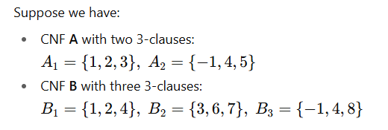

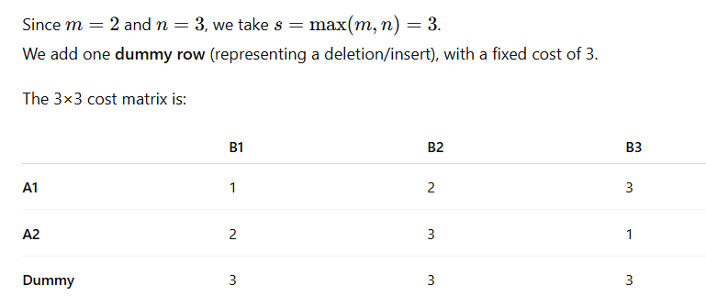

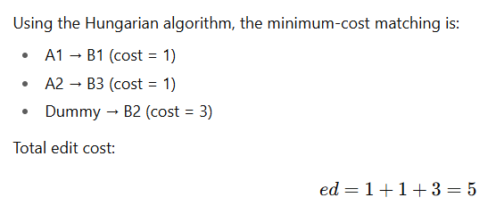

model | N | similar_level | Accuracy | Precision | Recall | F1-score | TP(SAT-SAT) | TN(UNSAT-UNSAT) | FP(UNSAT-SAT) | FN(SAT-UNSAT) | model | N | similar_level | Accuracy | Precision | Recall | F1-score | TP(UNSAT-UNSAT) | TN(SAT-SAT) | FP(SAT-UNSAT) | FN(UNSAT-SAT)
gpt-3.5-turbo | 5 | high | 0.50724637681 | 0.50427350427 | 0.85507246377 | 0.63440860215 | 59 | 11 | 58 | 10 | gpt-3.5-turbo | 5 | high | 0.50724637681 | 0.52380952381 | 0.15942028986 | 0.24444444444 | 11 | 59 | 10 | 58
gpt-3.5-turbo | 8 | high | 0.48120300752 | 0.48623853211 | 0.80303030303 | 0.60571428571 | 53 | 11 | 56 | 13 | gpt-3.5-turbo | 8 | high | 0.48120300752 | 0.45833333333 | 0.16417910448 | 0.24175824176 | 11 | 53 | 13 | 56
gpt-3.5-turbo | 10 | high | 0.50364963504 | 0.5041322314 | 0.88405797101 | 0.64210526316 | 61 | 8 | 60 | 8 | gpt-3.5-turbo | 10 | high | 0.50364963504 | 0.5 | 0.11764705882 | 0.19047619048 | 8 | 61 | 8 | 60
gpt-3.5-turbo | 25 | high | 0.55223880597 | 0.52631578947 | 0.90909090909 | 0.66666666667 | 60 | 14 | 54 | 6 | gpt-3.5-turbo | 25 | high | 0.55223880597 | 0.7 | 0.20588235294 | 0.31818181818 | 14 | 60 | 6 | 54
gpt-3.5-turbo | 50 | high | 0.5046728972 | 0.5 | 0.8679245283 | 0.63448275862 | 46 | 8 | 46 | 7 | gpt-3.5-turbo | 50 | high | 0.5046728972 | 0.53333333333 | 0.14814814815 | 0.23188405797 | 8 | 46 | 7 | 46

model | N | similar_level | Accuracy | Precision | Recall | F1-score | TP(SAT-SAT) | TN(UNSAT-UNSAT) | FP(UNSAT-SAT) | FN(SAT-UNSAT) | model | N | similar_level | Accuracy | Precision | Recall | F1-score | TP(UNSAT-UNSAT) | TN(SAT-SAT) | FP(SAT-UNSAT) | FN(UNSAT-SAT)
gpt-3.5-turbo | 5 | medium | 0.51449275362 | 0.53846153846 | 0.10294117647 | 0.17283950617 | 7 | 64 | 6 | 61 | gpt-3.5-turbo | 5 | medium | 0.51449275362 | 0.53846153846 | 0.10294117647 | 0.17283950617 | 7 | 64 | 6 | 61
gpt-3.5-turbo | 8 | medium | 0.48550724638 | 0.4375 | 0.10144927536 | 0.16470588235 | 7 | 60 | 9 | 62 | gpt-3.5-turbo | 8 | medium | 0.48550724638 | 0.4375 | 0.10144927536 | 0.16470588235 | 7 | 60 | 9 | 62
gpt-3.5-turbo | 10 | medium | 0.46715328467 | 0.42307692308 | 0.15942028986 | 0.23157894737 | 11 | 53 | 15 | 58 | gpt-3.5-turbo | 10 | medium | 0.46715328467 | 0.42307692308 | 0.15942028986 | 0.23157894737 | 11 | 53 | 15 | 58
gpt-3.5-turbo | 25 | medium | 0.49635036496 | 0.5 | 0.1884057971 | 0.27368421053 | 13 | 55 | 13 | 56 | gpt-3.5-turbo | 25 | medium | 0.49635036496 | 0.5 | 0.1884057971 | 0.27368421053 | 13 | 55 | 13 | 56
gpt-3.5-turbo | 50 | medium | 0.48648648649 | 0.5 | 0.10526315789 | 0.17391304348 | 6 | 48 | 6 | 51 | gpt-3.5-turbo | 50 | medium | 0.48648648649 | 0.5 | 0.10526315789 | 0.17391304348 | 6 | 48 | 6 | 51

model | N | similar_level | Accuracy | Precision | Recall | F1-score | TP(SAT-SAT) | TN(UNSAT-UNSAT) | FP(UNSAT-SAT) | FN(SAT-UNSAT) | model | N | similar_level | Accuracy | Precision | Recall | F1-score | TP(UNSAT-UNSAT) | TN(SAT-SAT) | FP(SAT-UNSAT) | FN(UNSAT-SAT)
gpt-3.5-turbo | 5 | low | 0.52941176471 | 0.52100840336 | 0.89855072464 | 0.65957446809 | 62 | 10 | 57 | 7 | gpt-3.5-turbo | 5 | low | 0.52941176471 | 0.58823529412 | 0.14925373134 | 0.2380952381 | 10 | 62 | 7 | 57
gpt-3.5-turbo | 8 | low | 0.5701754386 | 0.59793814433 | 0.85294117647 | 0.70303030303 | 58 | 7 | 39 | 10 | gpt-3.5-turbo | 8 | low | 0.5701754386 | 0.41176470588 | 0.15217391304 | 0.22222222222 | 7 | 58 | 10 | 39
gpt-3.5-turbo | 10 | low | 0.72916666667 | 0.77215189873 | 0.88405797101 | 0.82432432432 | 61 | 9 | 18 | 8 | gpt-3.5-turbo | 10 | low | 0.72916666667 | 0.52941176471 | 0.33333333333 | 0.40909090909 | 9 | 61 | 8 | 18
gpt-3.5-turbo | 25 | low | 0.51111111111 | 0.51327433628 | 0.84057971014 | 0.63736263736 | 58 | 11 | 55 | 11 | gpt-3.5-turbo | 25 | low | 0.51111111111 | 0.5 | 0.16666666667 | 0.25 | 11 | 58 | 11 | 55
gpt-3.5-turbo | 50 | low | 0.48214285714 | 0.48 | 0.88888888889 | 0.62337662338 | 48 | 6 | 52 | 6 | gpt-3.5-turbo | 50 | low | 0.48214285714 | 0.5 | 0.10344827586 | 0.17142857143 | 6 | 48 | 6 | 52

model | N | similar_level | Accuracy | Precision | Recall | F1-score | TP(SAT-SAT) | TN(UNSAT-UNSAT) | FP(UNSAT-SAT) | FN(SAT-UNSAT) | model | N | similar_level | Accuracy | Precision | Recall | F1-score | TP(UNSAT-UNSAT) | TN(SAT-SAT) | FP(SAT-UNSAT) | FN(UNSAT-SAT)
deepseek-reasoner | 5 | high | 1 | 1 | 1 | 1 | 5 | 4 | 0 | 0 | deepseek-reasoner | 5 | high | 1 | 1 | 1 | 1 | 4 | 5 | 0 | 0
deepseek-reasoner | 8 | high | 0.92857142857 | 0.88461538462 | 0.98571428571 | 0.93243243243 | 69 | 61 | 9 | 1 | deepseek-reasoner | 8 | high | 0.92857142857 | 0.98387096774 | 0.87142857143 | 0.92424242424 | 61 | 69 | 1 | 9
deepseek-reasoner | 10 | high | 0.87142857143 | 0.825 | 0.94285714286 | 0.88 | 66 | 56 | 14 | 4 | deepseek-reasoner | 10 | high | 0.87142857143 | 0.93333333333 | 0.8 | 0.86153846154 | 56 | 66 | 4 | 14
deepseek-reasoner | 25 | high | 0.40740740741 | 0.36842105263 | 0.63636363636 | 0.46666666667 | 7 | 4 | 12 | 4 | deepseek-reasoner | 25 | high | 0.40740740741 | 0.5 | 0.25 | 0.33333333333 | 4 | 7 | 4 | 12
deepseek-reasoner | 50 | high | 0.52380952381 | 0.5 | 0.8 | 0.61538461538 | 8 | 3 | 8 | 2 | deepseek-reasoner | 50 | high | 0.52380952381 | 0.6 | 0.27272727273 | 0.375 | 3 | 8 | 2 | 8

model | N | similar_level | Accuracy | Precision | Recall | F1-score | TP(SAT-SAT) | TN(UNSAT-UNSAT) | FP(UNSAT-SAT) | FN(SAT-UNSAT) | model | N | similar_level | Accuracy | Precision | Recall | F1-score | TP(UNSAT-UNSAT) | TN(SAT-SAT) | FP(SAT-UNSAT) | FN(UNSAT-SAT)
deepseek-reasoner | 5 | medium | 1 | 1 | 1 | 1 | 3 | 1 | 0 | 0 | deepseek-reasoner | 5 | medium | 1 | 1 | 1 | 1 | 3 | 1 | 0 | 0
deepseek-reasoner | 8 | medium | 0.96428571429 | 1 | 0.92857142857 | 0.96296296296 | 65 | 70 | 0 | 5 | deepseek-reasoner | 8 | medium | 0.96428571429 | 1 | 0.92857142857 | 0.96296296296 | 65 | 70 | 0 | 5
deepseek-reasoner | 10 | medium | 0.86428571429 | 0.94736842105 | 0.77142857143 | 0.85039370079 | 54 | 67 | 3 | 16 | deepseek-reasoner | 10 | medium | 0.86428571429 | 0.94736842105 | 0.77142857143 | 0.85039370079 | 54 | 67 | 3 | 16
deepseek-reasoner | 25 | medium | 0.57142857143 | 0.33333333333 | 0.28571428571 | 0.30769230769 | 2 | 10 | 4 | 5 | deepseek-reasoner | 25 | medium | 0.57142857143 | 0.33333333333 | 0.28571428571 | 0.30769230769 | 2 | 10 | 4 | 5
deepseek-reasoner | 50 | medium | 0.625 | 0.66666666667 | 0.5 | 0.57142857143 | 4 | 6 | 2 | 4 | deepseek-reasoner | 50 | medium | 0.625 | 0.66666666667 | 0.5 | 0.57142857143 | 4 | 6 | 2 | 4

model | N | similar_level | Accuracy | Precision | Recall | F1-score | TP(SAT-SAT) | TN(UNSAT-UNSAT) | FP(UNSAT-SAT) | FN(SAT-UNSAT) | model | N | similar_level | Accuracy | Precision | Recall | F1-score | TP(UNSAT-UNSAT) | TN(SAT-SAT) | FP(SAT-UNSAT) | FN(UNSAT-SAT)
deepseek-reasoner | 5 | low | 1 | 1 | 1 | 1 | 1 | 3 | 0 | 0 | deepseek-reasoner | 5 | low | 1 | 1 | 1 | 1 | 3 | 1 | 0 | 0
deepseek-reasoner | 8 | low | 0.94871794872 | 0.93243243243 | 0.98571428571 | 0.95833333333 | 69 | 42 | 5 | 1 | deepseek-reasoner | 8 | low | 0.94871794872 | 0.97674418605 | 0.89361702128 | 0.93333333333 | 42 | 69 | 1 | 5
deepseek-reasoner | 10 | low | 0.91836734694 | 0.89743589744 | 1 | 0.94594594595 | 70 | 20 | 8 | 0 | deepseek-reasoner | 10 | low | 0.91836734694 | 1 | 0.71428571429 | 0.83333333333 | 20 | 70 | 0 | 8
deepseek-reasoner | 25 | low | 0.64285714286 | 0.68421052632 | 0.76470588235 | 0.72222222222 | 13 | 5 | 6 | 4 | deepseek-reasoner | 25 | low | 0.64285714286 | 0.55555555556 | 0.45454545455 | 0.5 | 5 | 13 | 4 | 6
deepseek-reasoner | 50 | low | 0.53333333333 | 0.45454545455 | 0.83333333333 | 0.58823529412 | 5 | 3 | 6 | 1 | deepseek-reasoner | 50 | low | 0.53333333333 | 0.75 | 0.33333333333 | 0.46153846154 | 3 | 5 | 1 | 6

model | N | similar_level | Accuracy | Precision | Recall | F1-score | TP(SAT-SAT) | TN(UNSAT-UNSAT) | FP(UNSAT-SAT) | FN(SAT-UNSAT) | model | N | similar_level | Accuracy | Precision | Recall | F1-score | TP(UNSAT-UNSAT) | TN(SAT-SAT) | FP(SAT-UNSAT) | FN(UNSAT-SAT)
o1 | 5 | high | 0.96428571429 | 0.94520547945 | 0.98571428571 | 0.96503496503 | 69 | 66 | 4 | 1 | o1 | 5 | high | 0.96428571429 | 0.98507462687 | 0.94285714286 | 0.96350364964 | 66 | 69 | 1 | 4
o1 | 8 | high | 0.9 | 0.875 | 0.93333333333 | 0.90322580645 | 42 | 39 | 6 | 3 | o1 | 8 | high | 0.9 | 0.92857142857 | 0.86666666667 | 0.89655172414 | 39 | 42 | 3 | 6

model | N | similar_level | Accuracy | Precision | Recall | F1-score | TP(SAT-SAT) | TN(UNSAT-UNSAT) | FP(UNSAT-SAT) | FN(SAT-UNSAT) | model | N | similar_level | Accuracy | Precision | Recall | F1-score | TP(UNSAT-UNSAT) | TN(SAT-SAT) | FP(SAT-UNSAT) | FN(UNSAT-SAT)
o1 | 5 | medium | 0.99285714286 | 1 | 0.98571428571 | 0.9928057554 | 69 | 70 | 0 | 1 | o1 | 5 | medium | 0.99285714286 | 1 | 0.98571428571 | 0.9928057554 | 69 | 70 | 0 | 1
o1 | 8 | medium | 0.87654320988 | 0.91891891892 | 0.82926829268 | 0.87179487179 | 34 | 37 | 3 | 7 | o1 | 8 | medium | 0.87654320988 | 0.91891891892 | 0.82926829268 | 0.87179487179 | 34 | 37 | 3 | 7

model | N | similar_level | Accuracy | Precision | Recall | F1-score | TP(SAT-SAT) | TN(UNSAT-UNSAT) | FP(UNSAT-SAT) | FN(SAT-UNSAT) | model | N | similar_level | Accuracy | Precision | Recall | F1-score | TP(UNSAT-UNSAT) | TN(SAT-SAT) | FP(SAT-UNSAT) | FN(UNSAT-SAT)
o1 | 5 | low | 0.96428571429 | 0.94520547945 | 0.98571428571 | 0.96503496503 | 69 | 66 | 4 | 1 | o1 | 5 | low | 0.96428571429 | 0.98507462687 | 0.94285714286 | 0.96350364964 | 66 | 69 | 1 | 4
o1 | 8 | low | 0.95588235294 | 0.93333333333 | 1 | 0.96551724138 | 42 | 23 | 3 | 0 | o1 | 8 | low | 0.95588235294 | 1 | 0.88461538462 | 0.9387755102 | 23 | 42 | 0 | 3

model | N | similar_level | Accuracy | Precision | Recall | F1-score | TP(SAT-SAT) | TN(UNSAT-UNSAT) | FP(UNSAT-SAT) | FN(SAT-UNSAT) | model | N | similar_level | Accuracy | Precision | Recall | F1-score | TP(UNSAT-UNSAT) | TN(SAT-SAT) | FP(SAT-UNSAT) | FN(UNSAT-SAT)
gpt-5 | 5 | high | 1 | 1 | 1 | 1 | 70 | 70 | 0 | 0 | gpt-5 | 5 | high | 1 | 1 | 1 | 1 | 70 | 70 | 0 | 0
gpt-5 | 8 | high | 1 | 1 | 1 | 1 | 70 | 70 | 0 | 0 | gpt-5 | 8 | high | 1 | 1 | 1 | 1 | 70 | 70 | 0 | 0
gpt-5 | 10 | high | 0.98571428571 | 1 | 0.97142857143 | 0.98550724638 | 68 | 70 | 0 | 2 | gpt-5 | 10 | high | 0.98571428571 | 0.97222222222 | 1 | 0.98591549296 | 70 | 68 | 2 | 0
gpt-5 | 25 | high | 0.81818181818 | 0.78947368421 | 1 | 0.88235294118 | 15 | 3 | 4 | 0 | gpt-5 | 25 | high | 0.81818181818 | 1 | 0.42857142857 | 0.6 | 3 | 15 | 0 | 4

model | N | similar_level | Accuracy | Precision | Recall | F1-score | TP(SAT-SAT) | TN(UNSAT-UNSAT) | FP(UNSAT-SAT) | FN(SAT-UNSAT) | model | N | similar_level | Accuracy | Precision | Recall | F1-score | TP(UNSAT-UNSAT) | TN(SAT-SAT) | FP(SAT-UNSAT) | FN(UNSAT-SAT)
gpt-5 | 5 | medium | 1 | 1 | 1 | 1 | 70 | 70 | 0 | 0 | gpt-5 | 5 | medium | 1 | 1 | 1 | 1 | 70 | 70 | 0 | 0
gpt-5 | 8 | medium | 1 | 1 | 1 | 1 | 70 | 70 | 0 | 0 | gpt-5 | 8 | medium | 1 | 1 | 1 | 1 | 70 | 70 | 0 | 0
gpt-5 | 10 | medium | 1 | 1 | 1 | 1 | 70 | 70 | 0 | 0 | gpt-5 | 10 | medium | 1 | 1 | 1 | 1 | 70 | 70 | 0 | 0
gpt-5 | 25 | medium | 0.89655172414 | 1 | 0.4 | 0.57142857143 | 2 | 24 | 0 | 3 | gpt-5 | 25 | medium | 0.89655172414 | 1 | 0.4 | 0.57142857143 | 2 | 24 | 0 | 3

model | N | similar_level | Accuracy | Precision | Recall | F1-score | TP(SAT-SAT) | TN(UNSAT-UNSAT) | FP(UNSAT-SAT) | FN(SAT-UNSAT) | model | N | similar_level | Accuracy | Precision | Recall | F1-score | TP(UNSAT-UNSAT) | TN(SAT-SAT) | FP(SAT-UNSAT) | FN(UNSAT-SAT)
gpt-5 | 5 | low | 1 | 1 | 1 | 1 | 70 | 70 | 0 | 0 | gpt-5 | 5 | low | 1 | 1 | 1 | 1 | 70 | 70 | 0 | 0
gpt-5 | 8 | low | 1 | 1 | 1 | 1 | 70 | 47 | 0 | 0 | gpt-5 | 8 | low | 1 | 1 | 1 | 1 | 47 | 70 | 0 | 0
gpt-5 | 10 | low | 1 | 1 | 1 | 1 | 70 | 28 | 0 | 0 | gpt-5 | 10 | low | 1 | 1 | 1 | 1 | 28 | 70 | 0 | 0
gpt-5 | 25 | low | 0.9375 | 0.92307692308 | 1 | 0.96 | 24 | 6 | 2 | 0 | gpt-5 | 25 | low | 0.9375 | 1 | 0.75 | 0.85714285714 | 6 | 24 | 0 | 2

Group_Analysis_Math
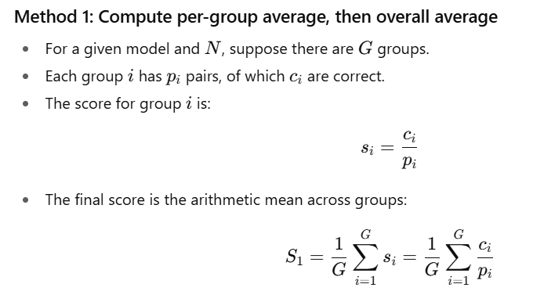

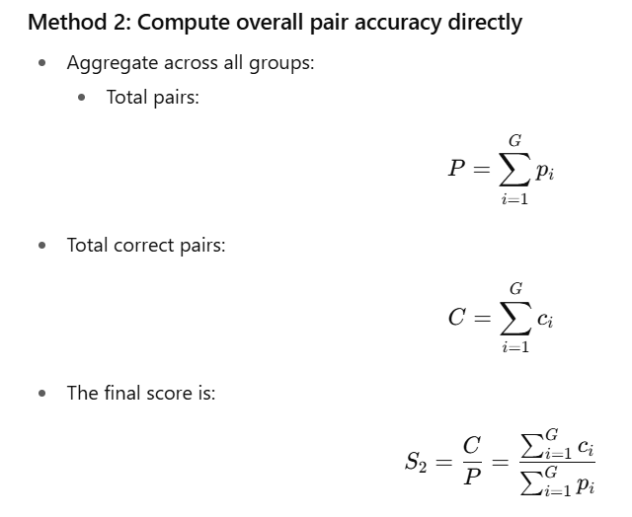

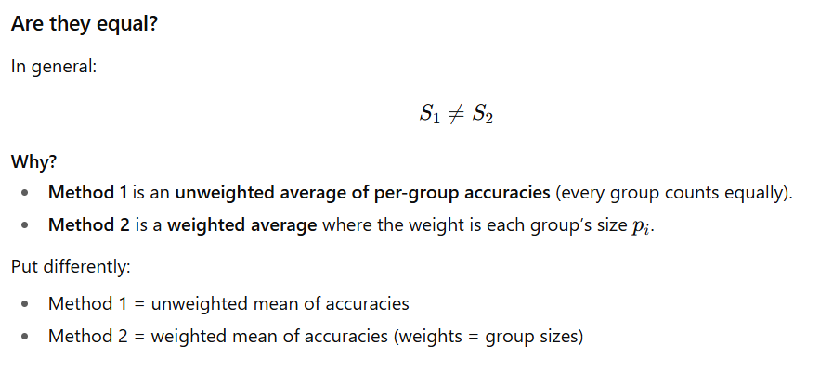

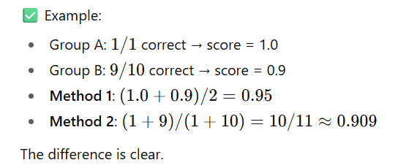

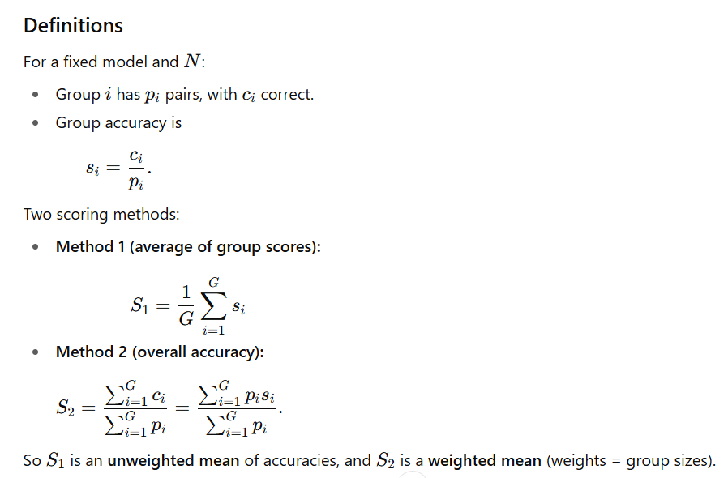

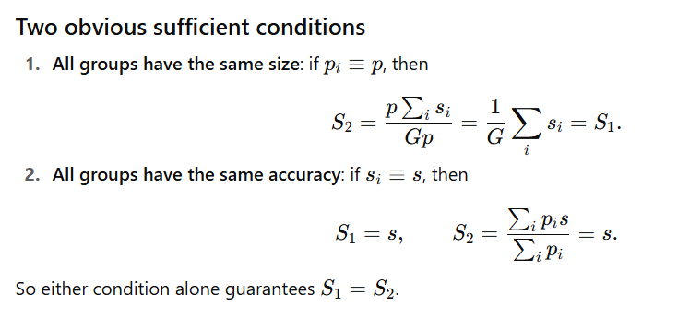

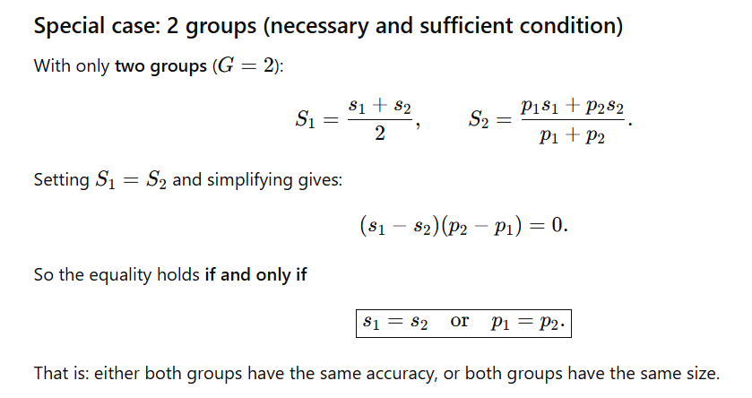

model | N | valid_groups | weight_group_score | all_correct_groups | all_groups_valid | group_level_ADR | total_pairs | correct_pairs | pair_level_ADR | 3_ways_evaluation | assignment_only
deepseek-reasoner | 5 | 70 | 0.99642857143 | 69 | 70 | 0.98571428571 | 278 | 277 | 0.9964028777 | 0.88489208633 | 0.88489208633
deepseek-reasoner | 8 | 70 | 0.87738095238 | 41 | 70 | 0.58571428571 | 255 | 224 | 0.87843137255 | 0.5568627451 | 0.63529411765
deepseek-reasoner | 10 | 70 | 0.76785714286 | 31 | 70 | 0.44285714286 | 237 | 182 | 0.76793248945 | 0.47257383966 | 0.62025316456
deepseek-reasoner | 25 | 70 | 0.18928571429 | 1 | 70 | 0.014285714286 | 277 | 52 | 0.18772563177 | 0.032490974729 | 0.17328519856
deepseek-reasoner | 50 | 68 | 0.2512254902 | 7 | 68 | 0.10294117647 | 133 | 34 | 0.25563909774 | 0 | 0
gpt-3.5-turbo | 5 | 70 | 0.12857142857 | 0 | 70 | 0 | 272 | 35 | 0.12867647059 | 0.0036764705882 | 0.036764705882
gpt-3.5-turbo | 8 | 70 | 0.11547619048 | 0 | 70 | 0 | 244 | 27 | 0.1106557377 | 0 | 0.012295081967
gpt-3.5-turbo | 10 | 70 | 0.14880952381 | 0 | 70 | 0 | 226 | 35 | 0.15486725664 | 0 | 0.0044247787611
gpt-3.5-turbo | 25 | 70 | 0.14523809524 | 0 | 70 | 0 | 259 | 39 | 0.15057915058 | 0 | 0
gpt-3.5-turbo | 50 | 68 | 0.10906862745 | 2 | 68 | 0.029411764706 | 192 | 22 | 0.11458333333 | 0 | 0
gpt-3.5-turbo | 60 | 52 | 0.19230769231 | 10 | 52 | 0.19230769231 | 52 | 10 | 0.19230769231 | 0 | 0
gpt-4-turbo | 5 | 70 | 0.0071428571429 | 0 | 70 | 0 | 270 | 2 | 0.0074074074074 | 0 | 0.12962962963
gpt-4-turbo | 8 | 70 | 0.0083333333333 | 0 | 70 | 0 | 242 | 2 | 0.0082644628099 | 0 | 0.053719008264
gpt-4-turbo | 10 | 70 | 0.0083333333333 | 0 | 70 | 0 | 229 | 2 | 0.0087336244541 | 0 | 0.021834061135
gpt-4-turbo | 25 | 70 | 0 | 0 | 70 | 0 | 277 | 0 | 0 | 0 | 0.0036101083032
gpt-4-turbo | 50 | 70 | 0 | 0 | 70 | 0 | 275 | 0 | 0 | 0 | 0
gpt-4-turbo | 60 | 55 | 0 | 0 | 55 | 0 | 63 | 0 | 0 | 0 | 0
gpt-4.1 | 5 | 70 | 0.57619047619 | 13 | 70 | 0.18571428571 | 264 | 153 | 0.57954545455 | 0.38257575758 | 0.59848484848
gpt-4.1 | 8 | 70 | 0.15476190476 | 0 | 70 | 0 | 247 | 39 | 0.15789473684 | 0.036437246964 | 0.18218623482
gpt-4.1 | 10 | 70 | 0.097619047619 | 0 | 70 | 0 | 232 | 22 | 0.094827586207 | 0.021551724138 | 0.090517241379
gpt-4.1 | 25 | 70 | 0.017857142857 | 0 | 70 | 0 | 279 | 5 | 0.017921146953 | 0 | 0
gpt-4.1 | 50 | 70 | 0.039285714286 | 0 | 70 | 0 | 280 | 11 | 0.039285714286 | 0 | 0
gpt-4.1 | 60 | 55 | 0.054545454545 | 3 | 55 | 0.054545454545 | 64 | 3 | 0.046875 | 0 | 0
gpt-4o | 5 | 70 | 0.059523809524 | 0 | 70 | 0 | 255 | 16 | 0.062745098039 | 0.011764705882 | 0.090196078431
gpt-4o | 8 | 70 | 0.092857142857 | 0 | 70 | 0 | 239 | 22 | 0.092050209205 | 0.0083682008368 | 0.046025104603
gpt-4o | 10 | 70 | 0.12023809524 | 1 | 70 | 0.014285714286 | 221 | 27 | 0.1221719457 | 0 | 0.022624434389
gpt-4o | 25 | 70 | 0.1630952381 | 0 | 70 | 0 | 263 | 43 | 0.16349809886 | 0 | 0
gpt-4o | 50 | 70 | 0.26071428571 | 0 | 70 | 0 | 269 | 71 | 0.26394052045 | 0 | 0
gpt-4o | 60 | 55 | 0.25909090909 | 13 | 55 | 0.23636363636 | 64 | 18 | 0.28125 | 0 | 0
gpt-5 | 5 | 70 | 1 | 70 | 70 | 1 | 280 | 280 | 1 | 1 | 1
gpt-5 | 8 | 70 | 1 | 70 | 70 | 1 | 257 | 257 | 1 | 1 | 1
gpt-5 | 10 | 70 | 0.98571428571 | 66 | 70 | 0.94285714286 | 238 | 234 | 0.98319327731 | 0.97899159664 | 0.98319327731
gpt-5 | 25 | 38 | 0.62719298246 | 20 | 38 | 0.52631578947 | 58 | 38 | 0.65517241379 | 0.63793103448 | 0.93103448276
o1 | 5 | 70 | 0.94761904762 | 60 | 70 | 0.85714285714 | 210 | 199 | 0.94761904762 | 0.92380952381 | 0.9619047619
o1 | 8 | 47 | 0.83687943262 | 37 | 47 | 0.78723404255 | 68 | 57 | 0.83823529412 | 0.75 | 0.85294117647
o1 | 10 | 68 | 0.58823529412 | 40 | 68 | 0.58823529412 | 68 | 40 | 0.58823529412 | 0.44117647059 | 0.69117647059
o1 | 25 | 69 | 0.20289855072 | 14 | 69 | 0.20289855072 | 69 | 14 | 0.20289855072 | 0.014492753623 | 0.014492753623
o1 | 50 | 62 | 0.32258064516 | 20 | 62 | 0.32258064516 | 62 | 20 | 0.32258064516 | 0 | 0
o3-mini | 5 | 70 | 0.925 | 55 | 70 | 0.78571428571 | 280 | 259 | 0.925 | 0.91428571429 | 0.97857142857
o3-mini | 8 | 70 | 0.6869047619 | 22 | 70 | 0.31428571429 | 256 | 176 | 0.6875 | 0.6171875 | 0.90234375
o3-mini | 10 | 70 | 0.51785714286 | 8 | 70 | 0.11428571429 | 236 | 123 | 0.52118644068 | 0.43220338983 | 0.84322033898
o3-mini | 25 | 70 | 0.0071428571429 | 0 | 70 | 0 | 278 | 2 | 0.0071942446043 | 0 | 0.12589928058
o3-mini | 50 | 70 | 0 | 0 | 70 | 0 | 272 | 0 | 0 | 0 | 0.0036764705882
o3-mini | 60 | 53 | 0 | 0 | 53 | 0 | 62 | 0 | 0 | 0 | 0

IRT_Paper
CONFIDENCE IN LARGE LANGUAGE MODEL EVALUATION: A BAYESIAN APPROACH TO LIMITED-SAMPLE CHALLENGES

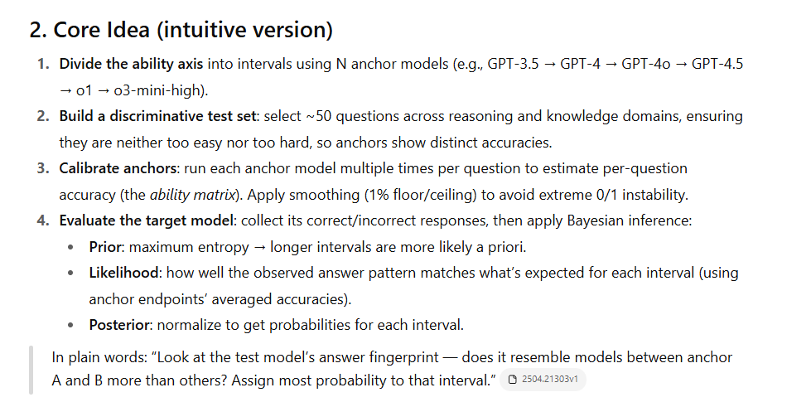

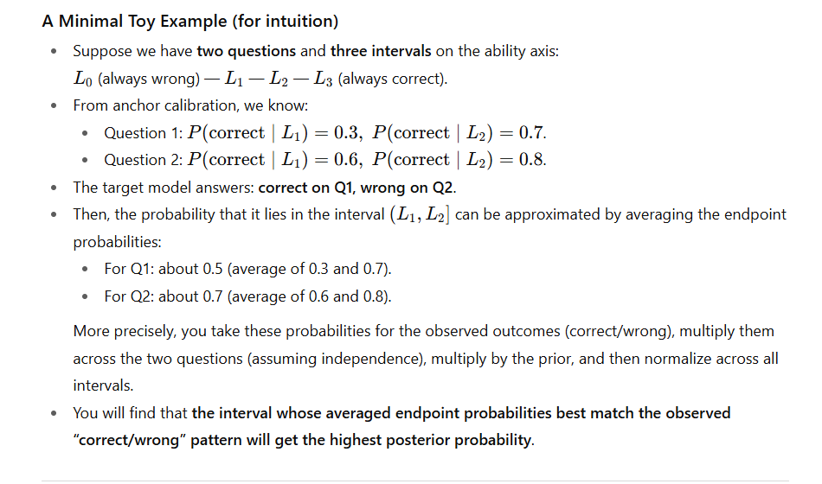

Building an Evaluation Scale using Item Response Theory

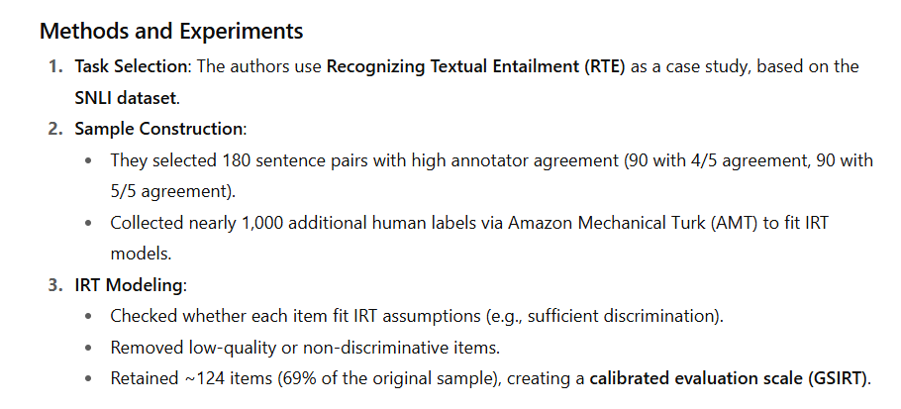

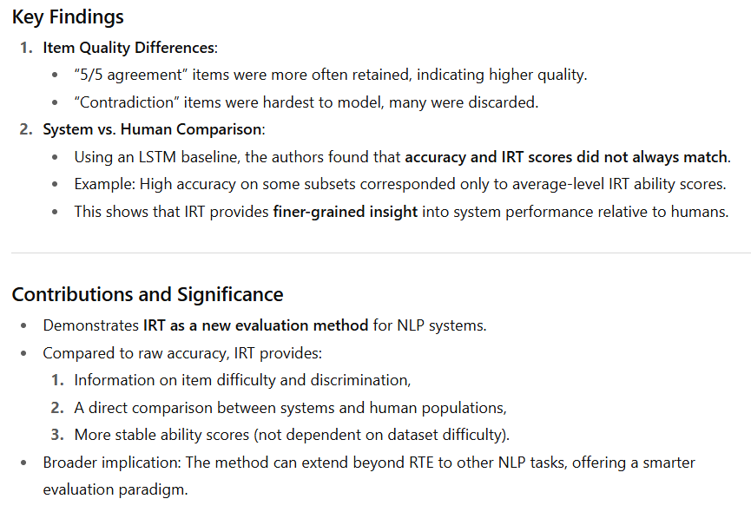

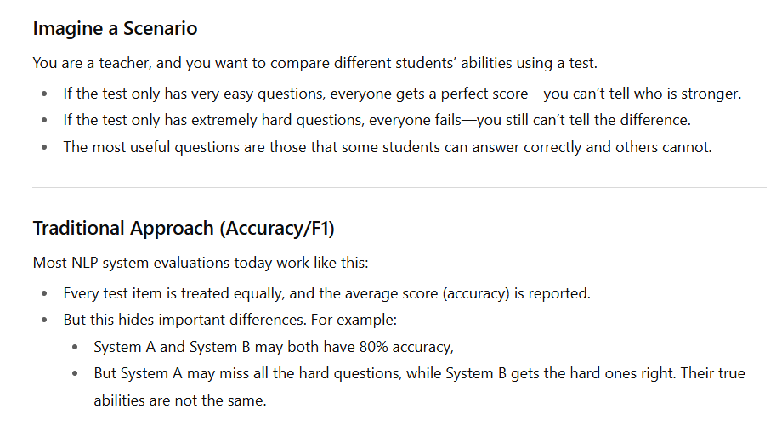

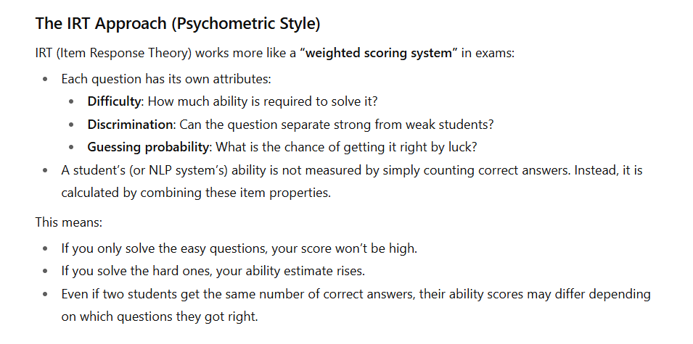

The Effect of Upper and Lower Asymptotes of IRT Models on Computerized Adaptive Testing

