case 10k
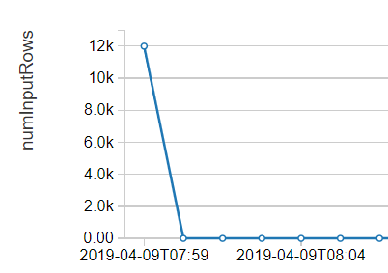
Input
EventHub | clickstreamperformancetesting
Partition | 6
Cluster | data_engineering_loads
Worker Type | Standard_DS4_v2
Driver Type | Standard_DS3_v2
Count | 10,000

Output
min(etl_tstamp) | 2019-04-09T07:25:39.032Z
max(etl_tstamp) | 2019-04-09T07:25:59Z
Duration | 0:20:00
Process rate (rec/sec) | 500

InputRow

