Measurements
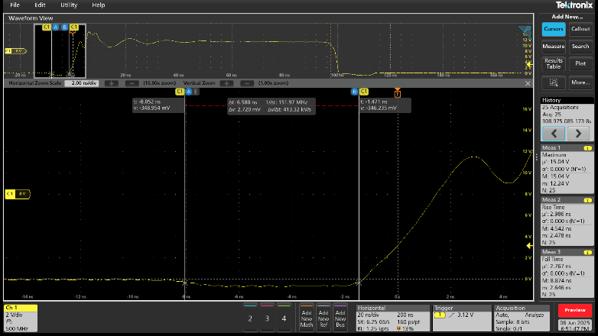
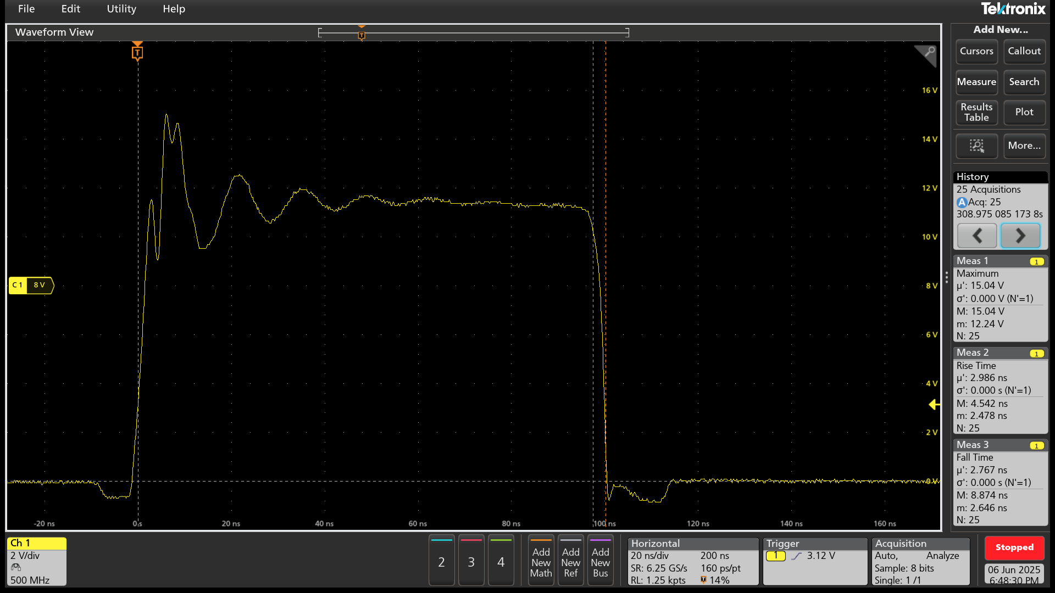
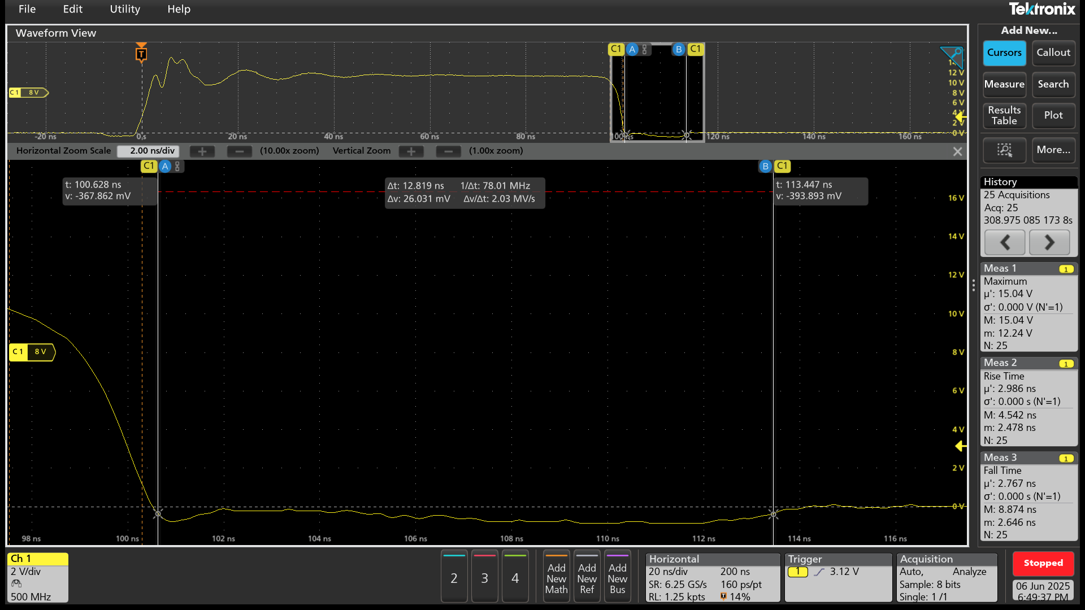
Acquisition | Timestamp | RISETIME | MAX | FALLTIME
1 | 06.06.2025.18:39:49.975369939950 | 4.5415609896E-09 | 12.24 | 8.5461781782E-09
2 | 06.06.2025.18:39:59.743271904700 | 4.4863063063E-09 | 12.24 | 8.8737857858E-09
3 | 06.06.2025.18:40:14.244252855060 | 3.7238610039E-09 | 12.48 | 7.1783783784E-09
4 | 06.06.2025.18:40:27.719885733850 | 2.4913828114E-09 | 13.04 | 5.9308908909E-09
5 | 06.06.2025.18:40:42.429280034675 | 2.4778838839E-09 | 13.76 | 5.2182982983E-09
6 | 06.06.2025.18:40:55.875143598145 | 2.539855411E-09 | 14.4 | 4.6605271939E-09
7 | 06.06.2025.18:41:08.885748473025 | 2.6064958292E-09 | 14.72 | 4.2663730397E-09
8 | 06.06.2025.18:41:21.645042666925 | 2.5934294294E-09 | 14.8 | 3.9666066066E-09
9 | 06.06.2025.18:41:34.061199504130 | 2.6028977549E-09 | 14.88 | 3.6389189189E-09
10 | 06.06.2025.18:41:46.844501694235 | 2.6172439106E-09 | 14.88 | 3.4770663997E-09
11 | 06.06.2025.18:41:59.821537243625 | 2.6231244578E-09 | 14.88 | 3.2636348348E-09
12 | 06.06.2025.18:42:12.148219414530 | 2.6216178083E-09 | 14.88 | 3.0914647981E-09 | RDT=6.58ns | FDT=12.82ns
13 | 06.06.2025.18:42:24.814088278425 | 2.6350774775E-09 | 14.96 | 2.8477477477E-09
14 | 06.06.2025.18:42:37.533553148290 | 2.6667737452E-09 | 14.96 | 2.8077477477E-09
15 | 06.06.2025.18:42:50.830040733505 | 2.671433033E-09 | 14.96 | 2.7120048048E-09
16 | 06.06.2025.18:43:03.510556268265 | 2.6602922923E-09 | 14.88 | 2.7070003337E-09
17 | 06.06.2025.18:43:16.213779822785 | 2.6925045045E-09 | 14.96 | 2.6962834835E-09
18 | 06.06.2025.18:43:28.852835376155 | 2.6769873874E-09 | 14.96 | 2.7078598599E-09
19 | 06.06.2025.18:43:41.526720261275 | 2.7480955241E-09 | 14.96 | 2.6505652319E-09
20 | 06.06.2025.18:43:54.061282482690 | 2.7986306306E-09 | 14.96 | 2.6838591319E-09
21 | 06.06.2025.18:44:07.780788791070 | 2.8611411411E-09 | 14.96 | 2.6456041496E-09
22 | 06.06.2025.18:44:19.941902987615 | 2.8078078078E-09 | 14.96 | 2.7038985652E-09
23 | 06.06.2025.18:44:33.292115943070 | 2.8586306306E-09 | 14.96 | 2.7065657658E-09
24 | 06.06.2025.18:44:45.294079465675 | 2.9085309309E-09 | 14.96 | 2.6575724816E-09
25 | 06.06.2025.18:44:58.950455113755 | 2.9864387054E-09 | 15.04 | 2.7671151151E-09

