Measurements
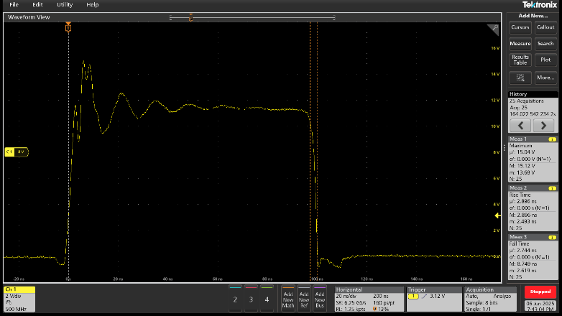
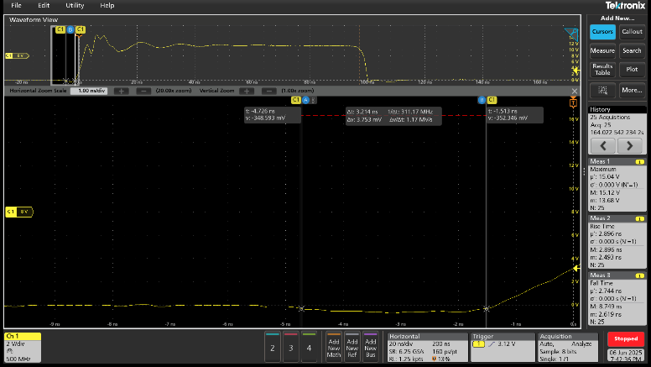
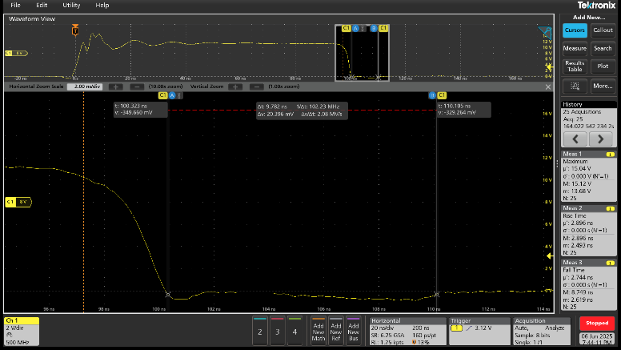
Acquisition | Timestamp | RISETIME | MAX | FALLTIME
1 | 06.06.2025.19:30:16.196009363920 | 2.6097831165E-09 | 13.68 | 8.4671071071E-09
2 | 06.06.2025.19:30:26.346672574850 | 2.5806646647E-09 | 13.68 | 8.749037037E-09
3 | 06.06.2025.19:30:33.081535610285 | 2.4934274719E-09 | 13.92 | 7.1274794795E-09
4 | 06.06.2025.19:30:39.475925283865 | 2.5171315315E-09 | 14.08 | 5.9777911245E-09
5 | 06.06.2025.19:30:46.442418995305 | 2.4949037927E-09 | 14.4 | 5.1741341341E-09
6 | 06.06.2025.19:30:53.010138018050 | 2.5314514515E-09 | 14.64 | 4.560964965E-09
7 | 06.06.2025.19:30:59.835845056155 | 2.5331411411E-09 | 14.88 | 4.2398398398E-09
8 | 06.06.2025.19:31:06.220637397810 | 2.5520552553E-09 | 14.96 | 3.966958959E-09
9 | 06.06.2025.19:31:12.969755095065 | 2.5927815816E-09 | 15.04 | 3.7292972973E-09
10 | 06.06.2025.19:31:19.963555476530 | 2.5821206095E-09 | 15.12 | 3.4868815482E-09
11 | 06.06.2025.19:31:26.259814482075 | 2.615015015E-09 | 15.12 | 3.3529657658E-09
12 | 06.06.2025.19:31:32.988280177945 | 2.592172973E-09 | 15.12 | 3.1379027027E-09 | RDT=3.21ns | FDT=9.78ns
13 | 06.06.2025.19:31:39.705967208340 | 2.606375976E-09 | 15.12 | 2.8233922812E-09
14 | 06.06.2025.19:31:46.250151564240 | 2.6170950951E-09 | 15.12 | 2.7266591035E-09
15 | 06.06.2025.19:31:53.097501271095 | 2.6170950951E-09 | 15.12 | 2.788406184E-09
16 | 06.06.2025.19:32:00.986892371945 | 2.634994995E-09 | 15.12 | 2.7071338005E-09
17 | 06.06.2025.19:32:07.251067376130 | 2.6298163052E-09 | 15.12 | 2.6805173173E-09
18 | 06.06.2025.19:32:13.763710396850 | 2.6885481037E-09 | 15.12 | 2.6644025844E-09
19 | 06.06.2025.19:32:20.171716082075 | 2.6852988989E-09 | 15.04 | 2.6774988322E-09
20 | 06.06.2025.19:32:27.058553790210 | 2.7351554221E-09 | 15.04 | 2.6468825189E-09
21 | 06.06.2025.19:32:33.541304807760 | 2.7372767053E-09 | 14.96 | 2.6193393393E-09
22 | 06.06.2025.19:32:40.163235840050 | 2.7547867868E-09 | 15.04 | 2.6490941851E-09
23 | 06.06.2025.19:32:46.772252197780 | 2.7892303732E-09 | 14.96 | 2.6916036036E-09
24 | 06.06.2025.19:32:53.582599236505 | 2.8102102102E-09 | 14.96 | 2.647015015E-09
25 | 06.06.2025.19:33:00.218551598105 | 2.8957720387E-09 | 15.04 | 2.7438922559E-09

