Captures
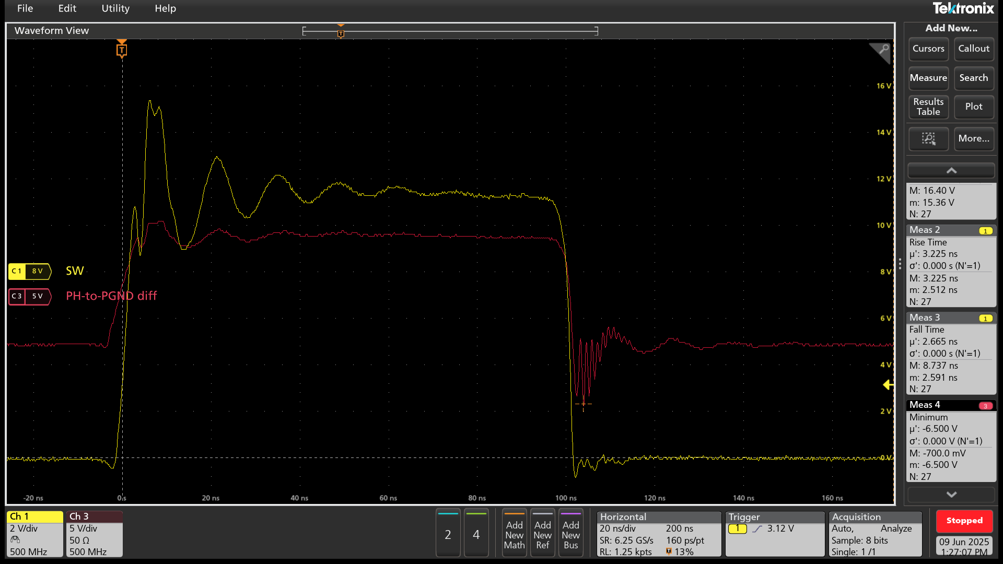
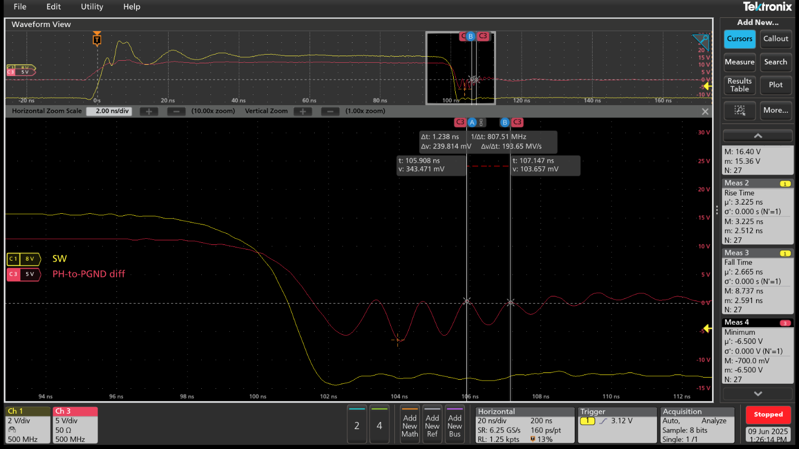
PH ring = 800MHz
PH_MIN(50A) = -6.3V

