1-Layout
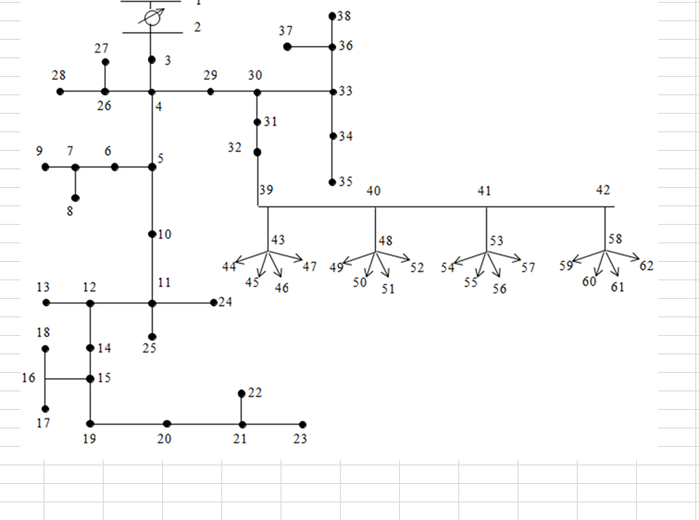
1) Layout: 62-Node Case

2-SensorValues
DataTypes are for simulated time-based data values.
DataTypeID | DataTypeAbbrev | DataTypeDesc | Phase | LoadOrGeneration | Measurement | Units
1 | PA | Column 1 - Phase A - P (load) | A | Load | P
2 | QA | Column 2 - Phase A - Q (load) | A | Load | Q
3 | PB | Column 3 - Phase B - P (load) | B | Load | P
4 | QB | Column 4 - Phase B - Q (load) | B | Load | Q
5 | PC | Column 5 - Phase C - P (load) | C | Load | P
6 | QC | Column 6 - Phase C - Q (load) | C | Load | Q
7 | PG | Column 7 - P (generation) | NULL | Generation | P
8 | QG | Column 8 - Q (generation) | NULL | Generation | Q
9 | VA | Column 9 - Voltage Phase A | A | Load | Voltage
10 | VB | Column 10 - Voltage Phase B | B | Load | Voltage
11 | VC | Column 11 - Voltage Phase C | C | Load | Voltage

 | 2) Sensor Values: 62-Node Case
 | We currently get 11 data points for each timeslice for each node: real & reactive load by phase, real & reactive generation, and the voltages by phase.

4-ActuatorValues
DataTypes are for simulated time-based data values.
DataTypeID | DataTypeAbbrev | DataTypeDesc | Phase | LoadOrGeneration | Measurement | Units
1 | QG | Column 8 - Q (generation) | NULL | Generation | Q

 | 4) Actuator Values: 62-Node Case
 | Only one control point gets returned (so far) - the new reactive power setting for the smart inverter on the home PV system.

