FIGURES
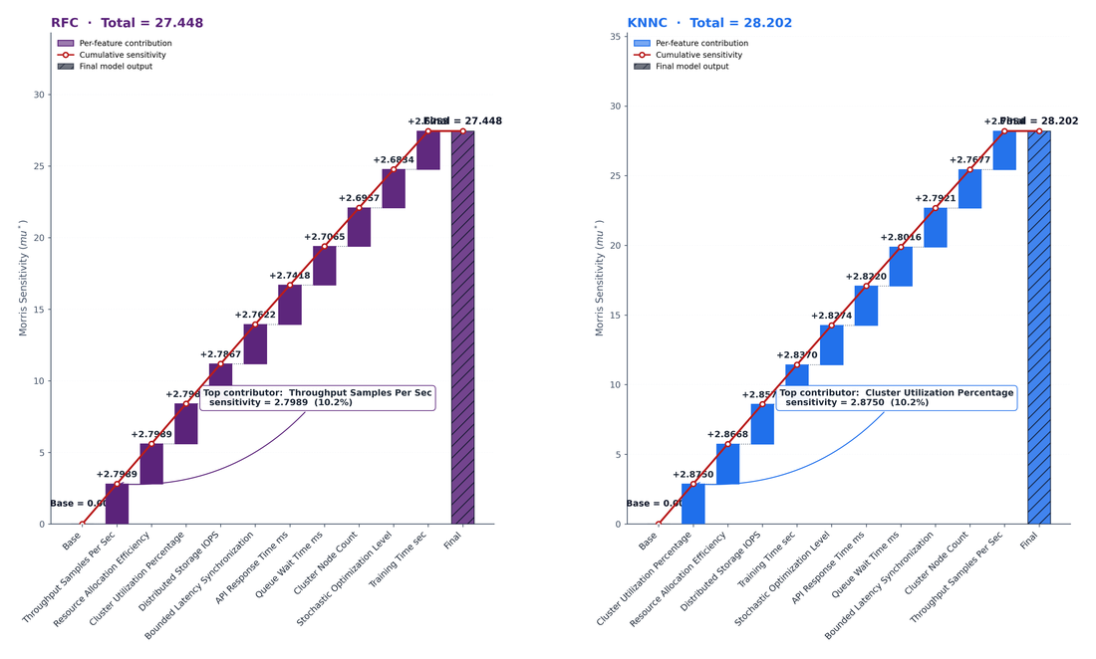
BMM-EI No.219 — Improvement Figures
Generated from the Selected_Data_RFE and Morris_Sensitivity(RFE) sheets. Binary classification target = Execution Efficiency Class (0 = Best, >0 = Other grouped).

Figure 1 · Decision Boundary Matrix
3×3 matrix. Row 1 = raw data; rows 2–3 = KNNC, RFC decision regions. Columns are dynamically chosen from top Sensitivity features. Binary target = Execution Efficiency Class (0 = Best, >0 = Other grouped).

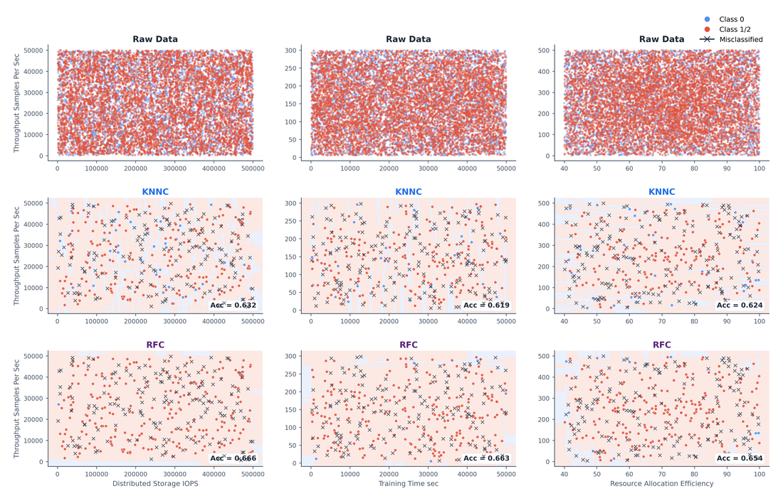

Figure 2 · Per-Classifier Scatter Plot Matrix
1×3 outer grid. One 2×2 SPLOM per classifier (KNNC, RFC) on the top-2 Sensitivity features. Each panel: main scatter + transposed scatter + 2 marginal strips, with 95% confidence ellipses per predicted class.

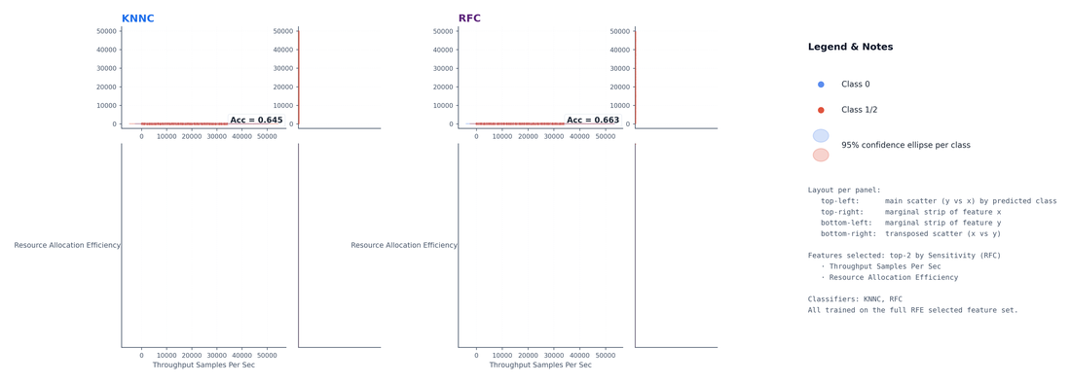

Figure 3 · Binary Classification Diagnostics
Four panels. (A) RFC threshold diverging bar — TP/FP/FN across 5 thresholds. (B) Information gain vs split position for Gini / Entropy / Classification error. (C) Decision tree (depth=2, Gini) on top-2 Sensitivity features. (D) Binary partitioning of predictor — three candidate splits with impurity values.

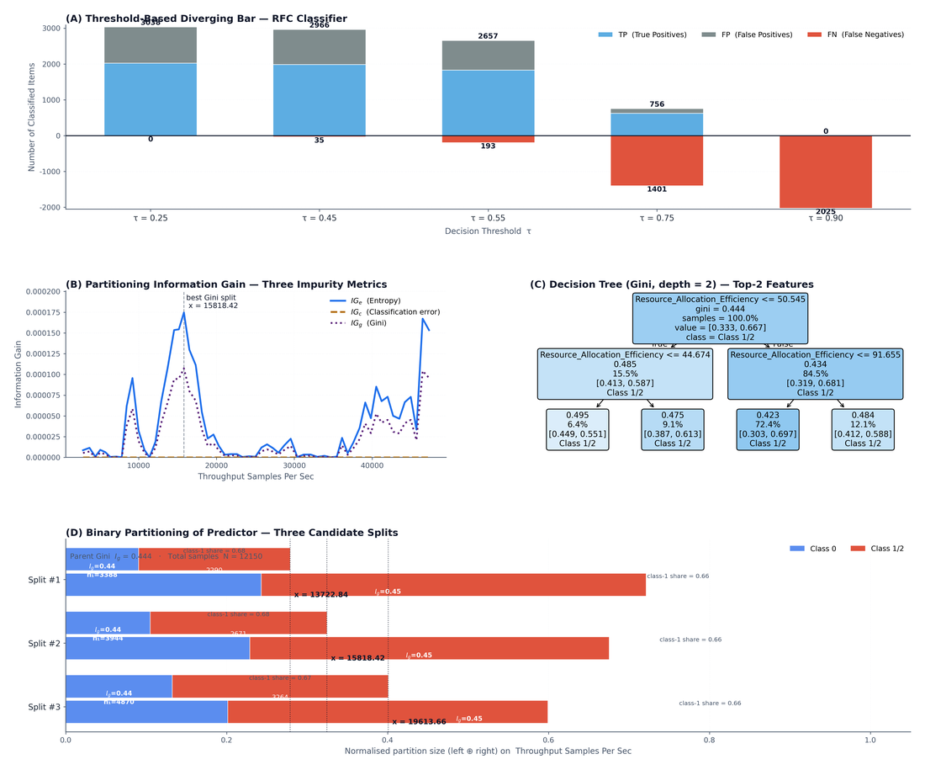

Figure 4 · SHAP-style Waterfall (Sensitivity)
Side-by-side waterfalls for RFC and KNNC. Each bar = per-feature sensitivity. Cumulative red line tracks running prediction. Final bar (hatched) = total sensitivity.

