S.1
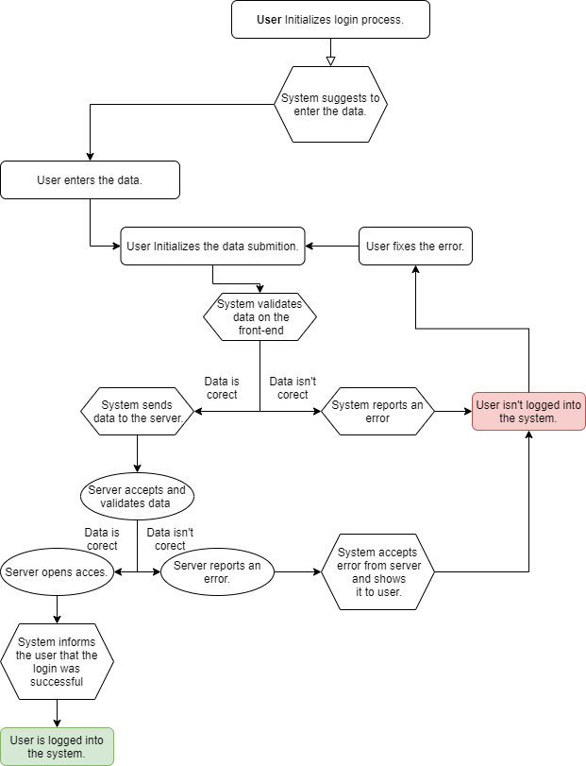
S.1 | Check the login functionality | Test cases for this scenario | Expected result:
Goal: | Login into system | 1. Check the system when entering a valid email address and password. | Validation on front-end and server was successful. User is logged into system
Caracters: | User (U), System (S), Server (Sr) | 2. Check the system when user enters an incorrect email and a valid password.
Preconditions: | 1. User has intenet connection 2. Login form on shopping page is open | 2.1 Email doesn't match to format | Validation on front-end wasn't successful. User isn't logged into system
Expected result: | User is logged into system | 2.2 Email doesn't exist on server | Validation on server wasn't successful. User isn't logged into system
 |  | 3. Check the system when user enters a valid email address and an incorrect password. | Validation on server wasn't successful. User isn't logged into system
 |  | 4. Check the system when user enters an incorrect email and an incorrect password. | Validation on server wasn't successful. User isn't logged into system
 |  | 5. Check system behavior if email and password are left blank | Validation on front-end wasn't successful. User isn't logged into system

S.2
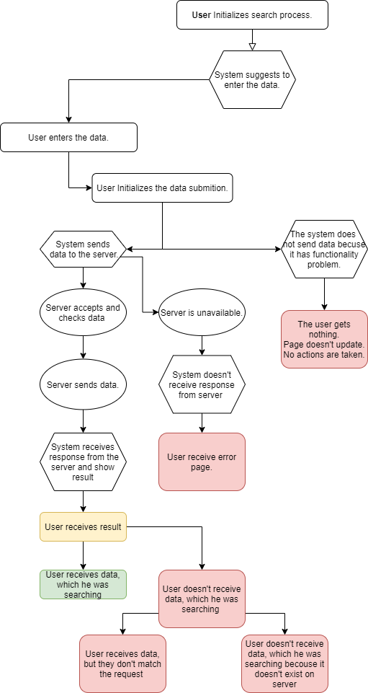
S.2 | Check the search functionality | Test cases for this scenario | Expected result:
Goal: | Search works correctly | 1. Check system with correct data into search input | User receives data which matching searching query
Caracters: | User (U), System (S), Server (Sr) | 2. Check system with % in the search field | System does not redirect to the error page
Preconditions: | 1. User has intenet connection 2. User is logged into system. 3. Page with search input is open | 3. Check system with empty search box | Nothing happened. the default search page is displayed
Expected result: | Receives data which matching searching query | 4. Check system with long text | The number of characters available for input should be limited
 |  | 5. Check system with multipule spaces | Spaces should collapse and not result in errors in the output
 |  | 6. Check system with error spellings | System should suggest to correct words
 |  | 7.capital letters at the beginning, in the middle, and at the end of the word combination. | System should read capital and smals letters equally.
 |  | 8. Check whether the search box length, the supported characters, and the length of the query are as per the specification; | All parametrs should match to specification

S.3
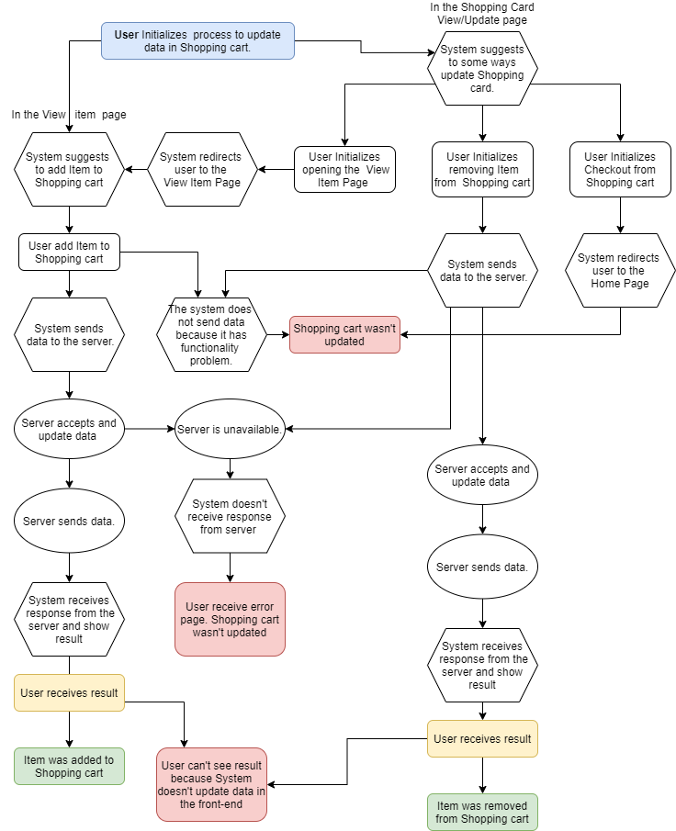
S.3 | Chek the Shoping cart update functionality
Goal: | Update shoping card
Caracters: | User (U), System (S), Server (Sr)
Preconditions: | 1. User has intenet connection 2. User is logged into system.
Expected result: | Update data in shoping card on server

