Description
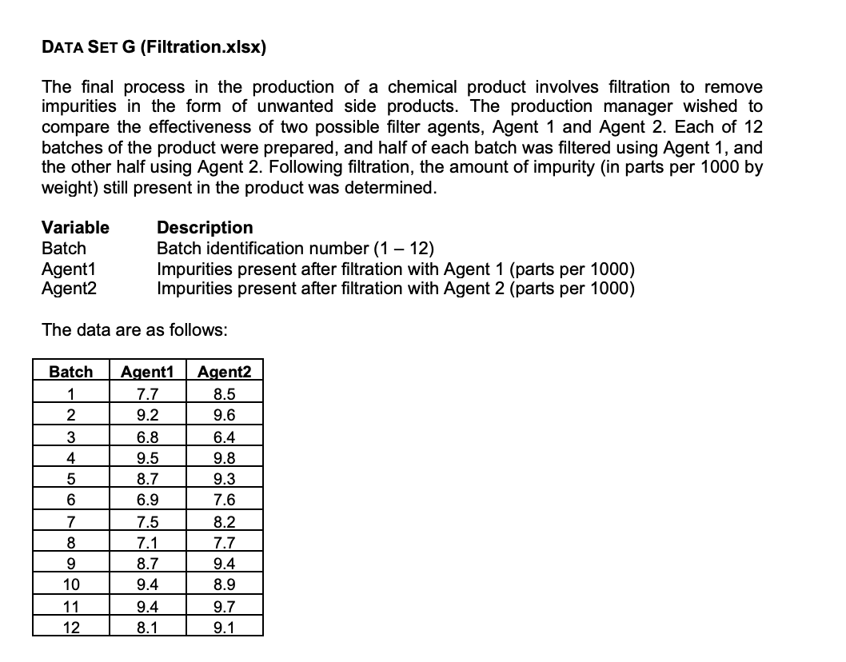
The market research staff at a detergent manufacturing company is considering two new, different container designs for a kitchen cleaning product. A pilot study was conducted by placing both containers of the product on sale at the same price in a sample of 10 retail stores for a fixed period of time. The numbers of items of the product sold were recorded for each container design.
Variable | Description
Store |  | store identification number (1 – 10)
Con1 |  | number of items sold, Container Design 1
Con2 |  | number of items sold, Container Design 2

