1. Title Page
Instacart Grocery Basket

Project Name: Instacart Grocery Basket Analysis
Date: 04/09/2021
Analyst Name: Martin Nicolas Araujo

Contents:
Population Flow
Consistency checks
Wrangling steps
Column derivations
Visualizations
Recommendations

“The Instacart Online Grocery Shopping Dataset 2017”, Accessed from https://www.instacart.com/datasets/grocery-shopping-2017 on [date]."

2. Population Flow
Title page

Population flow

Exclusion flag
Condition: max_order <
Obervations to be removed:
Final total count of order_products_all:

Orders_products_combined
Orders_products_merged
Orders_products_all

Total: 32.404.859
Total: 32.434.489
Total: 30.964.564

1.) The grey boxes in the first row of the population flow represent the original data sets as they were when you downloaded them. In the Total fields you need to add the count of the rows when you imported the data set into Jupyter.
2.) The second row of boxes (coloured) represents the data sets after you manipulated them, e.g., removed missing values and duplicates. In the Total fields you need to add the count of the rows after conducting these operations. This offers a visual oveview of how the data flows throughout the data consistency checks.
3.) The third row, where also the arrows are coloured, represents the merges you performed between the datasets. In the Total fields you need to add the count of the rows in the merged datasets, so that you end up with the final dataset (in the red box). Keep in mind the final dataset should be without exclusions (based on the exclusion flag).

3. Consistency checks
 |  |  |  | Title page
Consistency checks

Dataset | Missing values | Missing values treatment | Duplicates
orders | 206,209 | days_since_prior_order This missing values are ok because they don’t have a previous order in the past (first order of the client). Changed NaN for a 0
products | 16 | in column product_name there are 16 missing values. I proceed to delete them | There was 5 duplicated values which were deleted
orders_products_prior | 0
customers | 0

4. Wrangling steps
 |  |  |  | Title page
Wrangling steps

Columns dropped | Columns renamed | Columns' type changed | Comment/Reason
eval_set in df_ords |  |  | It wasn't a useful column
 | order_dow to orders_day_of_week |  | For a better understanding of the column name
 |  | user_id to str | So they don’t count for the stats
 |  | order_id to str | So they don’t count for the stats
 |  | order_number to str | So they don’t count for the stats
 | order_hour_of_day to order_hour_timestamp |  | For a better understanding of the column name
 |  | product_name from df_prods to str | because it has mixed data types

 | from df_customers , column Surnam into Last_Name |  | For a better understanding of the column name
 | from df_customers , column fam_status into Marital_Status
 |  | df_customers: user_id into float | For statistical purposes
Max orders < 5 |  |  | There are 43.578 customers that are going to be excluded from the database, resulting in 1.440.095 lines with Max orders < 5

5. Column derivations
 |  |  |  | Title page

Column derivations and aggregations

In this tab you should add tables below that the frequences of flags/label variables that you produced after deriving them. NB: don't do this for continuous variables, only for flags.
Dataset | New column | Column/s it was derived from | Conditions
Orders_products_merged_FP | price_range | prices | <= 5 Low-range product / > 5) and <= 15: Mid-range product / > 15: High range
Orders_products_merged_FP | Busiest_day | orders_day_of_week | == 0 : Busiest day / == 4 Least busy / else: Regularly busy
Orders_products_merged_FP | Busiest_days2 | orders_day_of_week | value == 0 or value == 1: Busiest days / value == 4 or value == 3: Slowest days" else: Regularly busy
Orders_products_merged_FP | busiest_period_of_day | order_hour_timestamp | if value == 10 or value == 11 or value == 14 or value == 15 or value == 13 or value == 12 or value == 16 or value == 9 : Most orders / elif value == 17 or value == 8 or value == 18 or value == 19 or value == 20 or value == 7 or value == 21 or value == 22: Average orders / else: Fewest orders
Orders_products_merged_FP | max_order | order_number | Finding the max number of orders groupped by customer_id
Orders_products_merged_FP | loyalty_flag | max_order | > 40: Loyal customer / <= 40) & > 10: Regular customer / <= 10: New customer
Orders_products_merged_FP | types_of_spenders | prices | < 10: Low spender / >= 10: High spender
Orders_products_merged_FP | customer_frecuency | days_since_prior_order | > 20: Non-frequent customer / > 10 & < 20: Regular customer / <= 10: Frequent customer

6. Visualizations
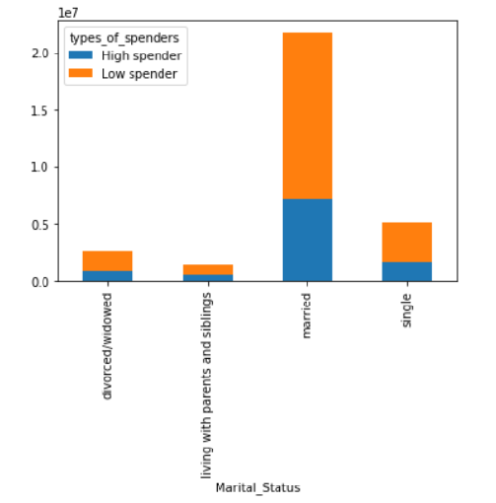
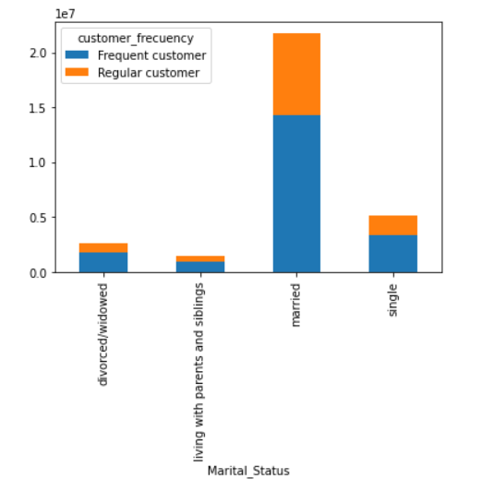
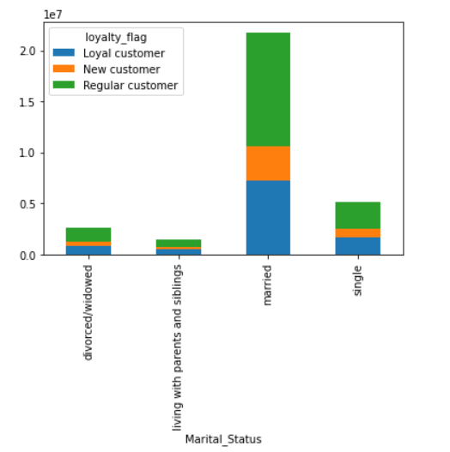
 |  |  |  |  |  |  | Title page

Visualisations

In this tab you should include all the visualtions from Exercises 4.9 and 4.10, alongside the questions from the project brief that they answer. Include any commentary on the relationship between different variables.

KEY QUESTION - The sales team needs to know what the busiest days of the week and hours of the day are (i.e., the days and times with the most orders) in order to schedule ads at times when there are fewer orders

 | In this first chart we have created, we can see that Saturday and Sunday are the days with more orders |  | We can see that Instakart sells more between 8 and 17 hs, and the lower sales are located between 00.00 and 05.00 hs.
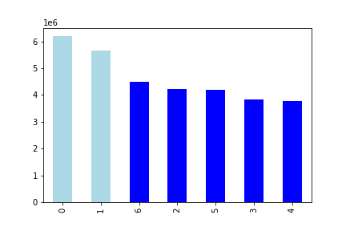


Instacart has a lot of products with different price tags. Marketing and sales want to use simpler price range groupings to help direct their efforts.

 |  | In the histogram, we can see that most common prices are ranging from 1 up to 15 usd.

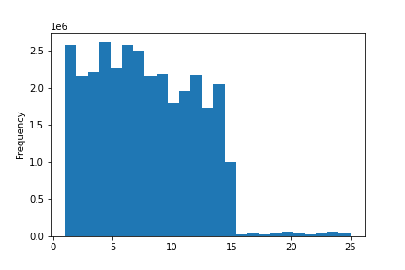

They also want to know whether there are particular times of the day when people spend the most money, as this might inform the type of products they advertise at these times

 |  | We can see that over the weekend, also the amount of money expended is higher than during the week (prices mean: 7.79) |  | Most expensive products are sold between 01.00 am and 06.00 am. Sales with the lower prices are between 07 am and 10.00 pm.
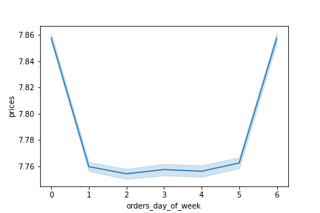
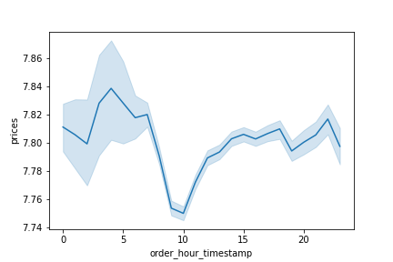

 |  | The marketing and sales teams are particularly interested in the different types of customers in their system and how their ordering behaviors differ. For example: ● What’s the distribution among users in regards to their brand loyalty (i.e., how often do they return to Instacart)? ● Are there differences in ordering habits based on a customer’s loyalty status? ● Are there differences in ordering habits based on a customer’s region? ● Is there a connection between age and family status in terms of ordering habits?

 |  | Most of the purchases are performed by regular clients, followed by loyal customers, having a small participation new customers |  | There is a clear connection between age and spending power, as we can see in the chart that people over 40's have a bigger income to spend.
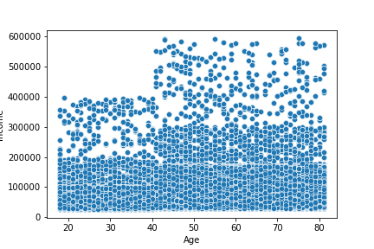

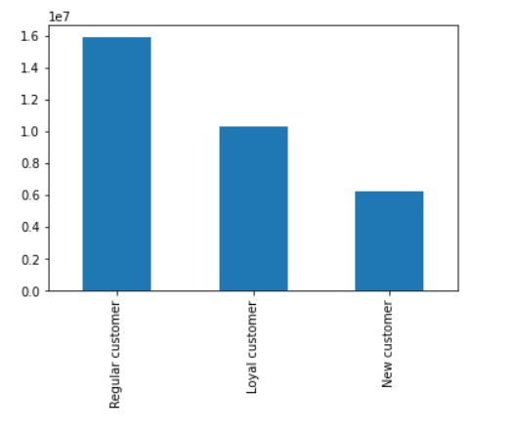

 |  | We can see that in total, there are more orders from clients located in the South of the country |  | We can observe an bigger amount of money expended on high prices products in the South and Midwest of the USA. |  |  |  |  |  | But if we analize the income per region, we can observe that in the MidWest there is a bigger income to expend, which could represent an opportunity for the company.

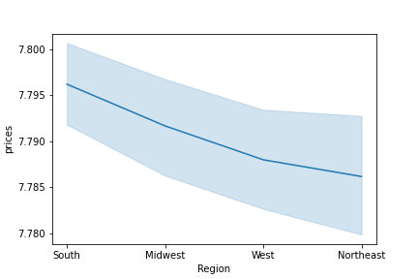
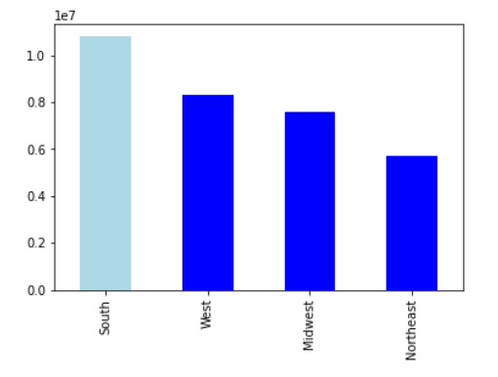
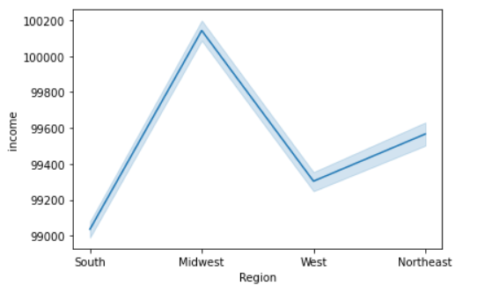

 |  | And actually clients with the minumun orders are located in the MidWest ( the region with the biggest income capacity) | We can see in general a predominancy of regular clients, having the South of the USA the biggest portion of loyal clients, followed by the west (a New customer has less tan 10 orders, a Regular customer has beween 10 and 40 orders and Regular has more than 40 orders) |  |  |  |  |  | In the South we have both the highest quantity of low expenders ( buying products with prices <= USD 10) and the highest rateof high expenders (=> 10 USD)

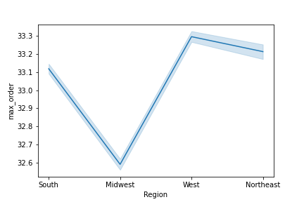

Tipe of Loyalty by Region
Type of Expenders by Region
 |  |  |  |  |  | loyalty_flag |  |  |  |  |  |  | types_of_spenders
 |  |  |  |  |  | Loyal | New | Regular |  |  |  |  | High | Low
 |  |  |  |  | Midwest | 2,373,774 | 1,472,573 | 3,750,978 |  |  |  | Midwest | 2,497,034 | 5,100,291
 |  |  |  |  | Northeast | 1,841,785 | 1,100,207 | 2,780,744 |  |  |  | Northeast | 1,875,170 | 3,847,566
 |  |  |  |  | South | 3,405,844 | 2,074,410 | 5,311,631 |  |  |  | South | 3,549,625 | 7,242,260
 |  |  |  |  | West | 2,662,690 | 1,596,800 | 4,033,423 |  |  |  | West | 2,722,093 | 5,570,820

 |  | We find out that regarding maritalstatus, persons living with parents and siblings have the biggest amount of orders. | There are more persons living with parents and siblings in the South of the country (half a millon customers). |  |  |  |  |  | On this chart, we can see that : all the living with parents and siblings are below 21 years old. Married are over 21, with a maximun value located at 47 years. Divorced customers are over 60 years old and finally the peak of single persons are at 27 years old

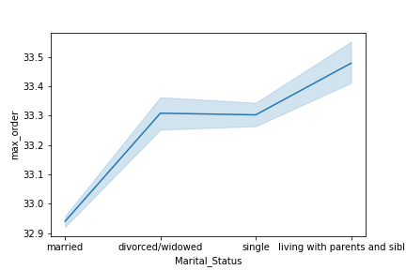

Marital Status By Region
Relation between Age and Marital Status
 |  |  |  |  | Midwest | Northeast | South | West |  |  | 18 | 19 | 20 | 21 | 22 | 23 | 24 | 25 | 26 | 27 | 28 | 29 | 30 | 31 | 32 | 33 | 34 | 35 | 36 | 37 | 38 | 39 | 40 | 41 | 42 | 43 | 44 | 45 | 46 | 47 | 48 | 49 | 50 | 51 | 52 | 53 | 54 | 55 | 56 | 57 | 58 | 59 | 60 | 61 | 62 | 63 | 64 | 65 | 66 | 67 | 68 | 69 | 70 | 71 | 72 | 73 | 74 | 75 | 76 | 77 | 78 | 79 | 80 | 81
 |  |  |  | divorced/widowed | 646,401 | 501,059 | 920,849 | 703,503 |  | divorced/widowed | 0 | 0 | 0 | 0 | 0 | 0 | 0 | 0 | 0 | 0 | 0 | 0 | 0 | 0 | 0 | 0 | 0 | 0 | 0 | 0 | 0 | 0 | 0 | 0 | 0 | 0 | 0 | 0 | 0 | 0 | 0 | 0 | 0 | 0 | 0 | 0 | 0 | 0 | 0 | 0 | 0 | 0 | 117221 | 134722 | 123957 | 135331 | 140497 | 122169 | 112536 | 129858 | 125430 | 120724 | 122600 | 125758 | 121136 | 132061 | 120405 | 128105 | 117963 | 119783 | 128848 | 124377 | 123674 | 144657
 |  |  |  | living with parents and siblings | 366,517 | 268,114 | 529,584 | 386,388 |  | living with parents and siblings | 375158 | 408822 | 377039 | 389584 | 0 | 0 | 0 | 0 | 0 | 0 | 0 | 0 | 0 | 0 | 0 | 0 | 0 | 0 | 0 | 0 | 0 | 0 | 0 | 0 | 0 | 0 | 0 | 0 | 0 | 0 | 0 | 0 | 0 | 0 | 0 | 0 | 0 | 0 | 0 | 0 | 0 | 0 | 0 | 0 | 0 | 0 | 0 | 0 | 0 | 0 | 0 | 0 | 0 | 0 | 0 | 0 | 0 | 0 | 0 | 0 | 0 | 0 | 0 | 0
 |  |  |  | married | 5,325,608 | 4,036,321 | 7,560,642 | 5,834,182 |  | married | 0 | 0 | 0 | 0 | 379672 | 387482 | 391666 | 338217 | 391110 | 375016 | 377359 | 386086 | 377859 | 393130 | 379623 | 365176 | 377729 | 399469 | 363116 | 391339 | 385295 | 372415 | 381077 | 348516 | 383371 | 389752 | 390555 | 386270 | 361793 | 397176 | 407278 | 395751 | 378506 | 388141 | 370706 | 373663 | 397377 | ar | 400434 | 368763 | 364629 | 368399 | 367195 | 353178 | 372012 | 360546 | 387512 | 364814 | 363683 | 364399 | 398886 | 392594 | 379221 | 360086 | 381537 | 388942 | 378162 | 391951 | 380361 | 382337 | 366463 | 405365 | 391572 | 364627 | 407278
 |  |  |  | single | 1,258,799 | 917,242 | 1,780,810 | 1,368,840 |  | single | 125316 | 110784 | 125809 | 122943 | 134181 | 127149 | 117396 | 133971 | 121703 | 149302 | 110504 | 134172 | 131059 | 135421 | 118280 | 129323 | 129614 | 119295 | 120696 | 119212 | 129967 | 135733 | 124777 | 126709 | 123405 | 132487 | 125243 | 124971 | 132367 | 119680 | 122450 | 135609 | 110290 | 126800 | 131545 | 127928 | 122825 | 134095 | 122054 | 128567 | 137960 | 134099 | 0 | 0 | 0 | 0 | 0 | 0 | 0 | 0 | 0 | 0 | 0 | 0 | 0 | 0 | 0 | 0 | 0 | 0 | 0 | 0 | 0 | 0 | 149302

 |  |  |  |  |  |  | After applying the filter of customers with less than 5 orders

 |  | We can see after filtering customers with less than 5 orders, that Saturday and Sunday are Still the days were people spent more money. In this case, now the Northeast have the biggest amount of money spent. | The South continues with the largest amount of orders whithing the weekend, followed by the West of the country. |  |  |  |  |  |  | People spend money in most expensive products at 06.00, 08.00, 10.00, 17.00 and 18.00 hs. North East and West have more instensive purchases during this hours, being more equally distributed in the Midwest and South of the country. |  |  |  |  |  |  |  |  | We can see a peak in the quantity of orders between 09.00 and 16.00 hs being the West and the South the regions with more orders.

Money Spent by Region
 | Midwest | Northeast | South | West
Saturday | 10925.0034 | 81854.791 | 15374.7891 | 11937.6902
Sunday | 9806.336 | 7400.6543 | 14022.6469 | 10746.7282
Monday | 7344.7055 | 5523.2423 | 10395.215 | 7.9411609
Tuesday | 6637.0621 | 5020.6862 | 9541.4732 | 7261.2369
Wednesday | 6600.7579 | 494.20615 | 9358.6568 | 7211.2108
Thursday | 7323.7081 | 5558.7495 | 10425.6315 | 7993.682
Friday | 7937.0408 | 588.60018 | 1123.79087 | 8654.7169
Quantity of Orders By Region and Day of the Week
 | Midwest | Northeast | South | West
Saturday | 1390189 | 1043698 | 1955352 | 1519371
Sunday | 1263655 | 954332 | 1808348 | 1385351
Monday | 947370 | 713159 | 1340387 | 1023790
Tuesday | 855316 | 649305 | 1229002 | 935912
Wednesday | 851501 | 637781 | 1205497 | 930215
Thursday | 943396 | 716128 | 1342849 | 1031356
Friday | 1010086 | 750282 | 1429704 | 1101232
Amount expent by Hour and Region
 | Midwest | Northeast | South | West
0 | 37717 | 2849.134 | 5445.886 | 4183.355
1 | 20238.94 | 1589.897 | 279.4216 | 21485.49
2 | 12659.79 | 9213.08 | 16082.71 | 13297.81
3 | 8789.43 | 6958.83 | 1283.222 | 9617.36
4 | 944.491 | 7057.76 | 13553.27 | 9745.53
5 | 14946.58 | 11457.24 | 23207.83 | 16485.21
6 | 50567.63 | 38453.93 | 7488.09 | 5581.125
7 | 15776.44 | 12058.395 | 2253.0825 | 1714.0157
8 | 29950.125 | 2288.6812 | 4363.8641 | 32749.247
9 | 4283.6241 | 32095.631 | 6140.1354 | 468.68579
10 | 4814.9565 | 35955.833 | 685.9175 | 52580.894
11 | 4775.9673 | 35846.472 | 6738.2237 | 5216.3678
12 | 4548.2026 | 3447.5503 | 6451.6187 | 4992.0824
13 | 4599.868 | 35067.392 | 6552.0486 | 5127.0325
14 | 465.14232 | 35358.799 | 6652.2344 | 5193.5968
15 | 4671.9234 | 34870.299 | 6558.5003 | 5073.9205
16 | 4441.5203 | 3303.899 | 6257.8341 | 4825.4311
17 | 36452.522 | 2715.175 | 5152.9054 | 39605.977
18 | 28772.615 | 2122.1471 | 40320.234 | 3079.9502
19 | 21921.607 | 1614.8389 | 3132.7142 | 2364.3964
20 | 1720.3416 | 12680.752 | 24115.402 | 18604.303
21 | 14163.475 | 10495.351 | 19958.209 | 14941.73
22 | 11312.493 | 8501.825 | 15662.135 | 11971.088
23 | 6882.163 | 556.1968 | 10088.073 | 7446.887
Quantity of Orders by Hour and Region
 | Midwest | Northeast | South | West
0 | 48192 | 36600 | 69767 | 53483
1 | 25879 | 20529 | 35769 | 27444
2 | 16136 | 11842 | 20668 | 17045
3 | 11298 | 8843 | 16458 | 12197
4 | 12015 | 9043 | 17277 | 12428
5 | 19061 | 14733 | 29571 | 21053
6 | 64885 | 49025 | 95583 | 71520
7 | 201794 | 154031 | 288357 | 219031
8 | 384854 | 294134 | 559785 | 420337
9 | 552468 | 414092 | 791570 | 605481
10 | 621555 | 464454 | 885590 | 678145
11 | 614330 | 461204 | 867995 | 671351
12 | 583145 | 443358 | 827945 | 641347
13 | 589852 | 450628 | 840883 | 657913
14 | 596442 | 454392 | 851916 | 665153
15 | 598686 | 447558 | 839925 | 649797
16 | 568750 | 424062 | 800862 | 620007
17 | 467191 | 348360 | 659238 | 507556
18 | 368875 | 272247 | 515725 | 394337
19 | 281563 | 207531 | 401485 | 303299
20 | 220518 | 162856 | 309210 | 238325
21 | 181038 | 134541 | 256209 | 191323
22 | 144637 | 108988 | 200322 | 153113
23 | 88349 | 71634 | 129029 | 95542

 |  | Married customers, have both the highest rates of Low and High spenders, followed by single people, being predominant the low spenders ( < USD) | And also married customers have the highest rates of Frequent and Regular customers, beeing higher the Frequent customers (days since prior order <=10 ) |  |  |  |  |  |  | Married and Single customers, have the highest rates of regular and Loyal customers

7. Recommendations
 | Title page

Recommendations

In this tab you should include any recommendations you would made to Instcart in terms of their marketing strategy based on the questions posed in the brief. Every key question has been covered in the Tasks of the Exercises - here you need to add an item - a visualisation or table/crosstable that is showing the answer in the data, acompanied by a comment from you. Please, list the questions below and add the answer underneath.

Question
The sales team needs to know what the busiest days of the week and hours of the day are (i.e., the days and times with the most orders) in order to schedule ads at times when there are fewer orders.

Answer

Quantity of Orders By Region and Day of the Week
 | Midwest | Northeast | South | West
Saturday | 1390189 | 1043698 | 1955352 | 1519371
Sunday | 1263655 | 954332 | 1808348 | 1385351
Monday | 947370 | 713159 | 1340387 | 1023790
Tuesday | 855316 | 649305 | 1229002 | 935912
Wednesday | 851501 | 637781 | 1205497 | 930215
Thursday | 943396 | 716128 | 1342849 | 1031356
Friday | 1010086 | 750282 | 1429704 | 1101232
Quantity of Orders by Hour and Region
 | Midwest | Northeast | South | West
0 | 48192 | 36600 | 69767 | 53483
1 | 25879 | 20529 | 35769 | 27444
2 | 16136 | 11842 | 20668 | 17045
3 | 11298 | 8843 | 16458 | 12197
4 | 12015 | 9043 | 17277 | 12428
5 | 19061 | 14733 | 29571 | 21053
6 | 64885 | 49025 | 95583 | 71520
7 | 201794 | 154031 | 288357 | 219031
8 | 384854 | 294134 | 559785 | 420337
9 | 552468 | 414092 | 791570 | 605481
10 | 621555 | 464454 | 885590 | 678145
11 | 614330 | 461204 | 867995 | 671351
12 | 583145 | 443358 | 827945 | 641347
13 | 589852 | 450628 | 840883 | 657913
14 | 596442 | 454392 | 851916 | 665153
15 | 598686 | 447558 | 839925 | 649797
16 | 568750 | 424062 | 800862 | 620007
17 | 467191 | 348360 | 659238 | 507556
18 | 368875 | 272247 | 515725 | 394337
19 | 281563 | 207531 | 401485 | 303299
20 | 220518 | 162856 | 309210 | 238325
21 | 181038 | 134541 | 256209 | 191323
22 | 144637 | 108988 | 200322 | 153113
23 | 88349 | 71634 | 129029 | 95542
The busisest day of the week are Saturday and Sunday, where we find the maximun quantity of orders performed by customers. We can observe that the South and West regions have the biggest amount of orders in those two days.

Between 09.00 and 16.00 hs, we can observe the maximun number of orders performed by customers. Again, the South and West regions are the leaders in this time frame.

Recommendation: Campaings should be facus on Saturdays and Sundays between 09.00 am and 16.00 pm

Question
They also want to know whether there are particular times of the day when people spend the most money, as this might inform the type of products they advertise at these times

Answer

Money Spent by Region
 | Midwest | Northeast | South | West
Saturday | 10925.0034 | 81854.791 | 15374.7891 | 11937.6902
Sunday | 9806.336 | 7400.6543 | 14022.6469 | 10746.7282
Monday | 7344.7055 | 5523.2423 | 10395.215 | 7.9411609
Tuesday | 6637.0621 | 5020.6862 | 9541.4732 | 7261.2369
Wednesday | 6600.7579 | 494.20615 | 9358.6568 | 7211.2108
Thursday | 7323.7081 | 5558.7495 | 10425.6315 | 7993.682
Friday | 7937.0408 | 588.60018 | 1123.79087 | 8654.7169
Amount expent by Hour and Region
 | Midwest | Northeast | South | West
0 | 37717 | 2849.134 | 5445.886 | 4183.355
1 | 20238.94 | 1589.897 | 279.4216 | 21485.49
2 | 12659.79 | 9213.08 | 16082.71 | 13297.81
3 | 8789.43 | 6958.83 | 1283.222 | 9617.36
4 | 944.491 | 7057.76 | 13553.27 | 9745.53
5 | 14946.58 | 11457.24 | 23207.83 | 16485.21
6 | 50567.63 | 38453.93 | 7488.09 | 5581.125
7 | 15776.44 | 12058.395 | 2253.0825 | 1714.0157
8 | 29950.125 | 2288.6812 | 4363.8641 | 32749.247
9 | 4283.6241 | 32095.631 | 6140.1354 | 468.68579
10 | 4814.9565 | 35955.833 | 685.9175 | 52580.894
11 | 4775.9673 | 35846.472 | 6738.2237 | 5216.3678
12 | 4548.2026 | 3447.5503 | 6451.6187 | 4992.0824
13 | 4599.868 | 35067.392 | 6552.0486 | 5127.0325
14 | 465.14232 | 35358.799 | 6652.2344 | 5193.5968
15 | 4671.9234 | 34870.299 | 6558.5003 | 5073.9205
16 | 4441.5203 | 3303.899 | 6257.8341 | 4825.4311
17 | 36452.522 | 2715.175 | 5152.9054 | 39605.977
18 | 28772.615 | 2122.1471 | 40320.234 | 3079.9502
19 | 21921.607 | 1614.8389 | 3132.7142 | 2364.3964
20 | 1720.3416 | 12680.752 | 24115.402 | 18604.303
21 | 14163.475 | 10495.351 | 19958.209 | 14941.73
22 | 11312.493 | 8501.825 | 15662.135 | 11971.088
23 | 6882.163 | 556.1968 | 10088.073 | 7446.887
The Northeast region it's the leader in terms of money expent by customers, and specially on Saturdays. Saturday it is also the day where people spend more in the rest of the regions as well.

Customers spend money in most expensive products at 06.00, 08.00, 10.00, 17.00 and 18.00 hs. North East and West have more instensive purchases during this hours, being more equally distributed in the Midwest and South of the country.

Recommendation: special attention on Saturdays at 06.00, 08.00, 10.00, 17.00 and 18.00 hs where customers buy most expensive products

Question
Instacart has a lot of products with different price tags. Marketing and sales want to use simpler price range groupings to help direct their efforts.

Answer

Most of the products that are sold by the company are located between 1 and 15 USD, having a very low impact in the company revenue products with a price between 16 a 25 USD.

Recommendation: campaigns should be adressed to products with prices < 15 usd

Question
Are there certain types of products that are more popular than others? The marketing and sales teams want to know which departments have the highest frequency of product orders.

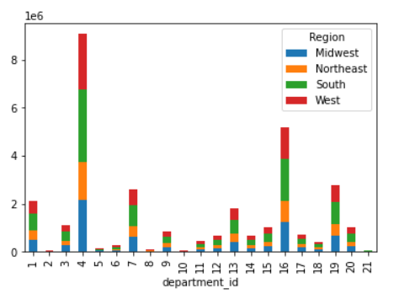
Answer

There are certainly 3 departments that are more popular than others, these are 4 (produce), 7 (beverages) , 16 (dairy/eggs) and 19 (snaks), having a biggest impact in the South and West of the country.

Recommendation: Most important products to focus on: produce, beverages , dairy/eggs and snaks in the South and West of the country

Question
The marketing and sales teams are particularly interested in the different types of customers in their system and how their ordering behaviors differ. For example:

a- What’s the distribution among users in regards to their brand loyalty (i.e., how often do they return to Instacart)?
b- Are there differences in ordering habits based on a customer’s loyalty status?
c- Are there differences in ordering habits based on a customer’s region?
d- Is there a connection between age and family status in terms of ordering habits?
Answer
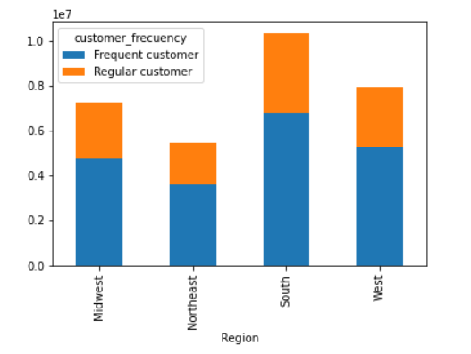
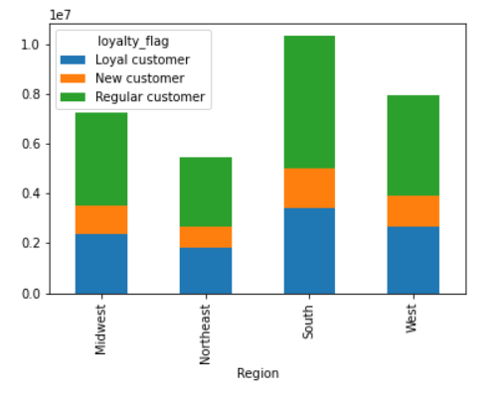
In general, there are mhore regular customers than loyal customers, having a small incidence new customers. We can see that the target of the company could be to focus transforming frequent customers into regular customers (diminishing the days for the customers to makea new purchase).

In the South and West of the country, we can see more customers regular customers, that can be converted into loyalc customers (customers with more than 40 orders).

An interesting finding in the analysis, is that Married and Single customers are the ones with more orders, so the campain could be adressed mainly to convert married regular customers into loyal customers.

Recommendation: turn regular customers into loyal customers and focus on making the client come to buy to the store in a shorter period of time. Maried and Single customers are the most profitable market nich

Question
What different classifications does the demographic information suggest? Age? Income? Certain types of goods? Family status?

Answer

There is a clear connection between age and spending power, as we can see in the chart that people over 40's have a bigger income to spend.

Relation between Age and Marital Status
 | divorced/widowed | living with parents and siblings | married | single
18 | 0 | 375158 | 0 | 125316
19 | 0 | 408822 | 0 | 110784
20 | 0 | 377039 | 0 | 125809
21 | 0 | 389584 | 0 | 122943
22 | 0 | 0 | 379672 | 134181
23 | 0 | 0 | 387482 | 127149
24 | 0 | 0 | 391666 | 117396
25 | 0 | 0 | 338217 | 133971
26 | 0 | 0 | 391110 | 121703
27 | 0 | 0 | 375016 | 149302
28 | 0 | 0 | 377359 | 110504
29 | 0 | 0 | 386086 | 134172
30 | 0 | 0 | 377859 | 131059
31 | 0 | 0 | 393130 | 135421
32 | 0 | 0 | 379623 | 118280
33 | 0 | 0 | 365176 | 129323
34 | 0 | 0 | 377729 | 129614
35 | 0 | 0 | 399469 | 119295
36 | 0 | 0 | 363116 | 120696
37 | 0 | 0 | 391339 | 119212
38 | 0 | 0 | 385295 | 129967
39 | 0 | 0 | 372415 | 135733
40 | 0 | 0 | 381077 | 124777
41 | 0 | 0 | 348516 | 126709
42 | 0 | 0 | 383371 | 123405
43 | 0 | 0 | 389752 | 132487
44 | 0 | 0 | 390555 | 125243
45 | 0 | 0 | 386270 | 124971
46 | 0 | 0 | 361793 | 132367
47 | 0 | 0 | 397176 | 119680
48 | 0 | 0 | 407278 | 122450
49 | 0 | 0 | 395751 | 135609
50 | 0 | 0 | 378506 | 110290
51 | 0 | 0 | 388141 | 126800
52 | 0 | 0 | 370706 | 131545
53 | 0 | 0 | 373663 | 127928
54 | 0 | 0 | 397377 | 122825
55 | 0 | 0 | 0 | 134095
56 | 0 | 0 | 400434 | 122054
57 | 0 | 0 | 368763 | 128567
58 | 0 | 0 | 364629 | 137960
59 | 0 | 0 | 368399 | 134099
60 | 117221 | 0 | 367195 | 0
61 | 134722 | 0 | 353178 | 0
62 | 123957 | 0 | 372012 | 0
63 | 135331 | 0 | 360546 | 0
64 | 140497 | 0 | 387512 | 0
65 | 122169 | 0 | 364814 | 0
66 | 112536 | 0 | 363683 | 0
67 | 129858 | 0 | 364399 | 0
...
On this chart, we can see that : all the living with parents and siblings are below 21 years old. Married are over 21, with a maximun value located at 47 years. Divorced customers are over 60 years old and finally the peak of single persons are at 27 years old . So, the customers with a higher income (over 40), will be basically Married and Single customers.

Marital Status By Region
 | divorced/widowed | living with parents and siblings | married | single
Midwest | 646,401 | 366,517 | 5,325,608 | 1,258,799
Northeast | 501,059 | 268,114 | 4,036,321 | 917,242
South | 920,849 | 529,584 | 7,560,642 | 1,780,810
West | 703,503 | 386,388 | 5,834,182 | 1,368,840
Most of married and single customers are locatedin the South and the West of the country.

And contrary to logic, we see that max orders are mainly performed by customersliving with parents and siblings (this analysis was performed taking a representative sample of the population due to the number of rows to process)

Finally, we cann appretiate that customers with the highest number of maximun orders was performed in the West and Northeast of the contry.

Question
What differences can you find in ordering habits of different customer profiles? Consider the price of orders, the frequency of orders, the products customers are ordering, and anything else you can think of.

Answer

We can observe an bigger amount of money expended on high prices products in the South and Midwest of the USA.

