Bug Reports
Bug ID | Bug Name | Description | Steps to reproduce | Test data | Expected result | Actual result | Repro rate | Attachments | Priority | Severity

BR:01 | Message text area in registration form reject special characthers, except "?", "-", "." and "," | Message text area reject special characters like !, :, ;, ', /, (, ), + | 1. go to https://demoqa.com/
 |  |  | 2. Click the "JOIN NOW" button on banner section
 |  |  | 3. Click the "GO TO REGISTRATION" button, under the header
 |  |  | 4. Enter data in the "First Name" field | Data: Milos
 |  |  | 5. Enter data in the "Last Name" field | Data: Radman
 |  |  | 6. Enter data in the "Email" field | Data: mr@gmail.com
 |  |  | 7. Enter data in the "Mobile" field | Data: 2223334
 |  |  | 8. Select Country from the dropdown menu | select: Serbia
 |  |  | 9. Enter data in the "City" field | Data: Novi Sad
 |  |  | 10. Enter data in the "Your Message" field | Data: Hello.
 |  |  | 11. Enter Captcha code in the "Input this code" field | Code: VfY5
 |  |  | 12. Click "SEND" button |  | Pop up is shown at the bottom of the screen with message "We have recieved your message. We will soon get in touch." | Pop up is shown at the bottom of the screen with message "Please remove errors before proceeding. You might have special characters in the message box, please remove those and try again." | 100% | 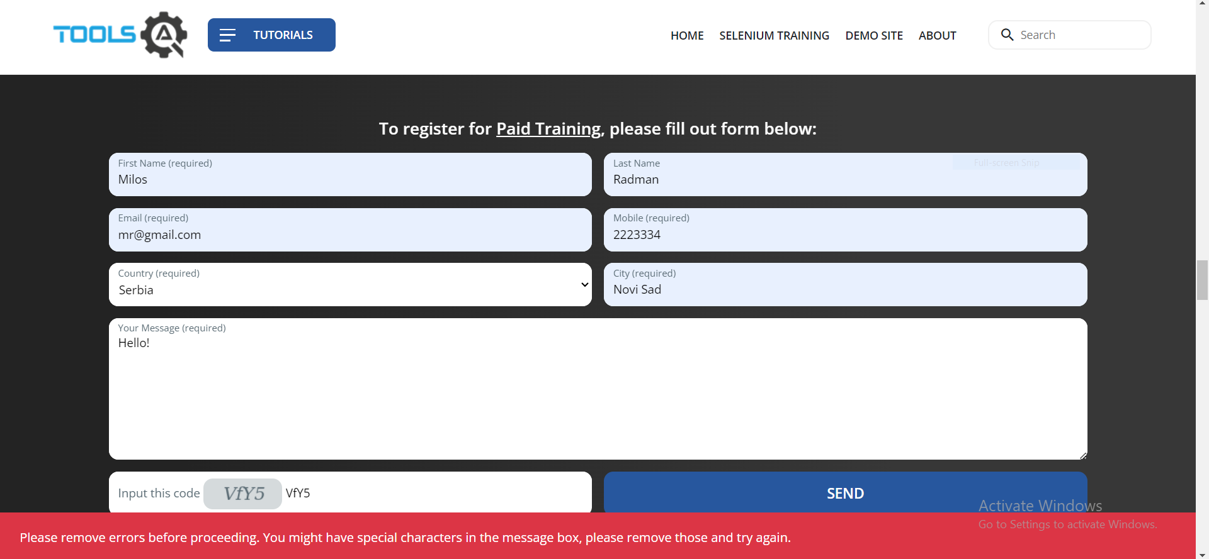 | Low | Low

BR:02 | User is not able to select "No" option | User can not click "No" option, radio button is disabled | 1. go to https://demoqa.com/
 |  |  | 2. Click "Elements" tile
 |  |  | 3. Click "Radio Button" from sidebar menu
 |  |  | 4. Click "Yes" option
 |  |  | 5. Click "Impressive" option
 |  |  | 6. Click "No" option |  | Circle beside "No" becomes blue, circle beside "Impressive" is blank, beneath options appeares message "You have selected No" | User is not able to select "No" option | 100% | 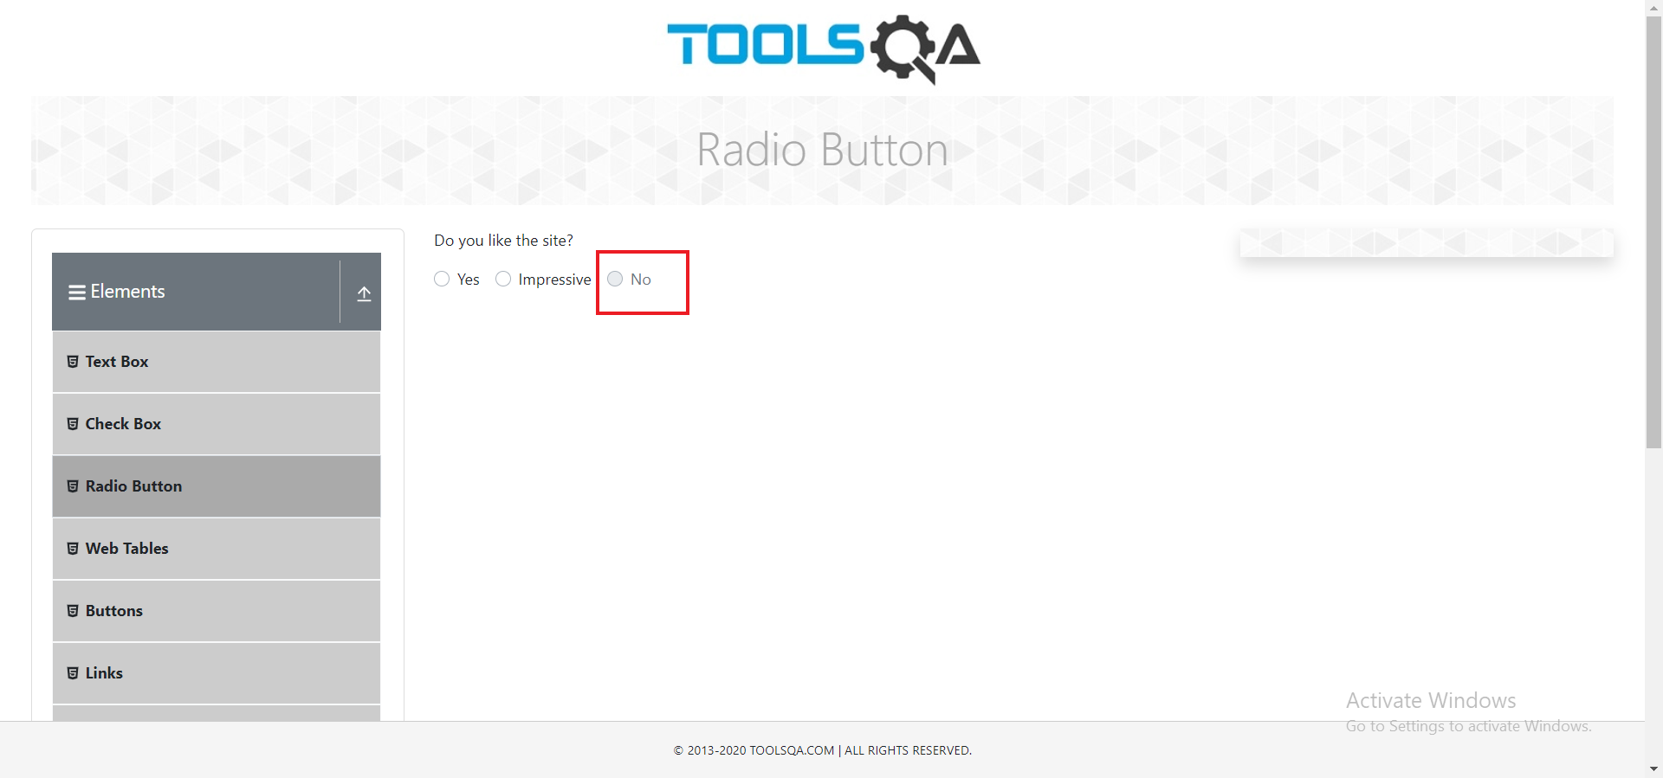 | High | Low

BR:03 | Same book has different picture in book store list and in users collection on user profile page | Same book has different picture in book store list and in users collection on user profile page | 1. Go to https://demoqa.com/login
 |  |  | 2. Enter data in the "UserName" field | Data: MR
 |  |  | 3. Enter data in the "Password" field | Data: Titikaka99!
 |  |  | 4. Click "Login" button, under the UserName and Password field
 |  |  | 5. Click "Go To Book Store" button, under the table
 |  |  | 6. Click "Understanding ECMAScript 6" book
 |  |  | 7. Click "Add To Your Collection" button, uder the informations about book |  |  |  |  | 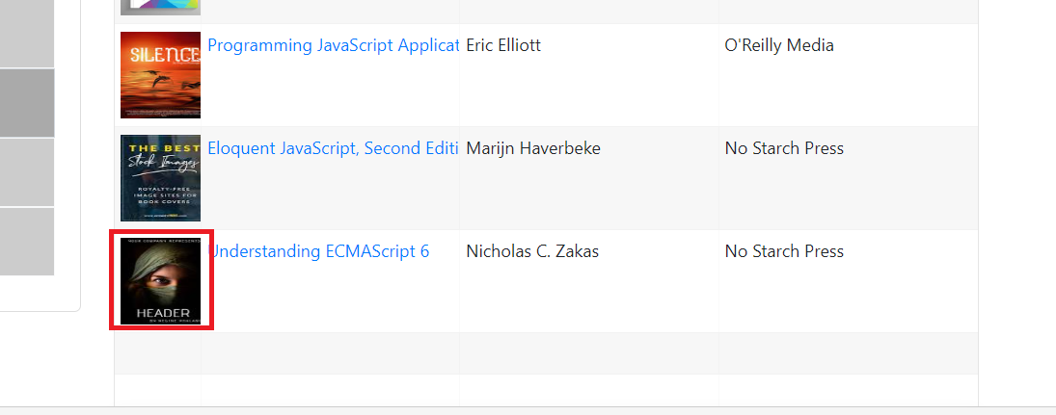
 |  |  | 8. Click "Ok" button in the alert
 |  |  | 9. Click "Profile" section from the sidebar menu |  | User is redirected to the https://demoqa.com/profile In the table added book is shown | User is redirected to the https://demoqa.com/profile In the table added book is shown, but with different picture | 100% | 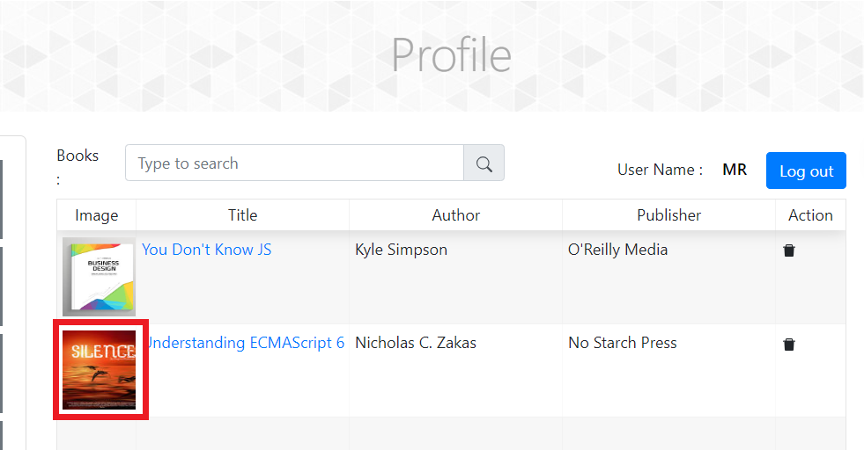 | High | Low

Improvements
1 | Fix typos. There are many typos all over site. | screenshot: | 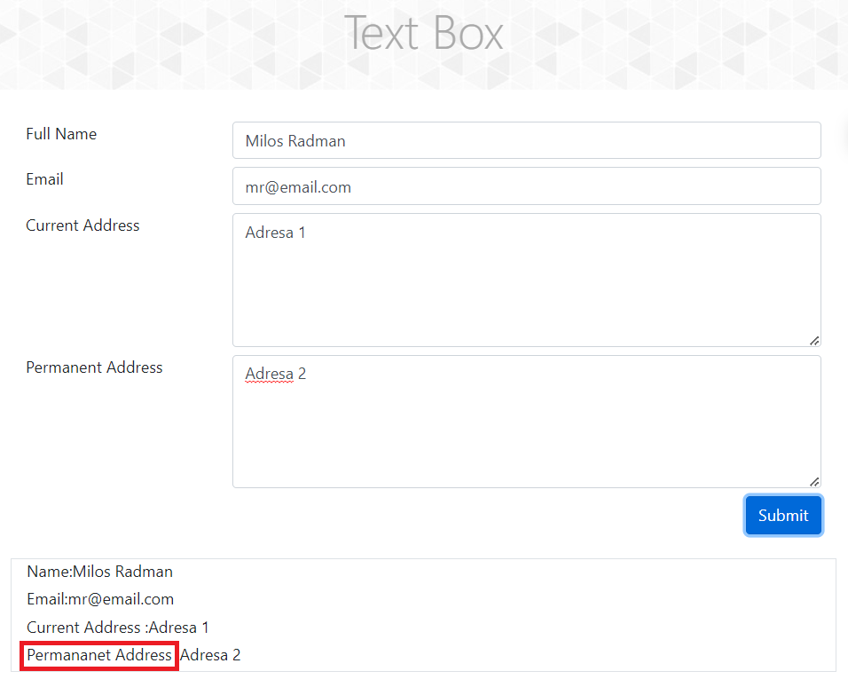 | 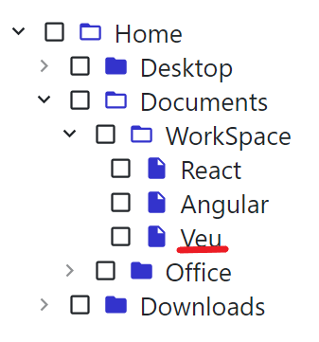 | 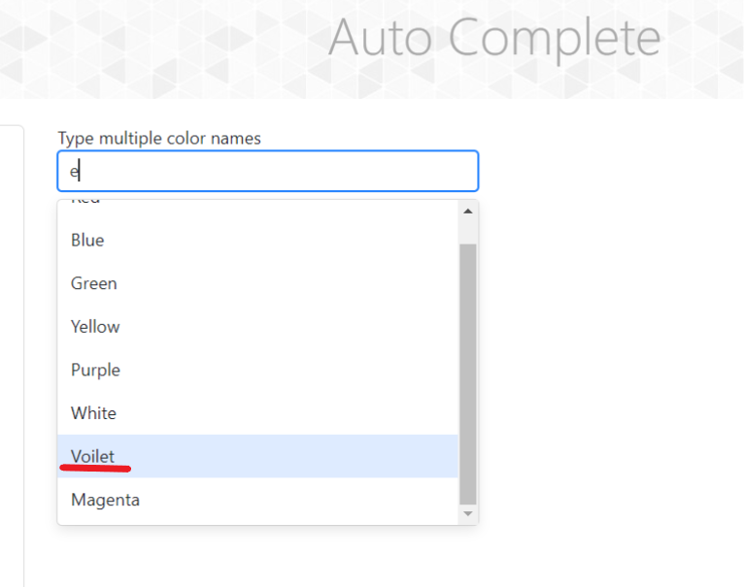
2 | Site is not fully responsive. Some buttons go bellow display (out of viewport) when window dimensions change | screenshot: | 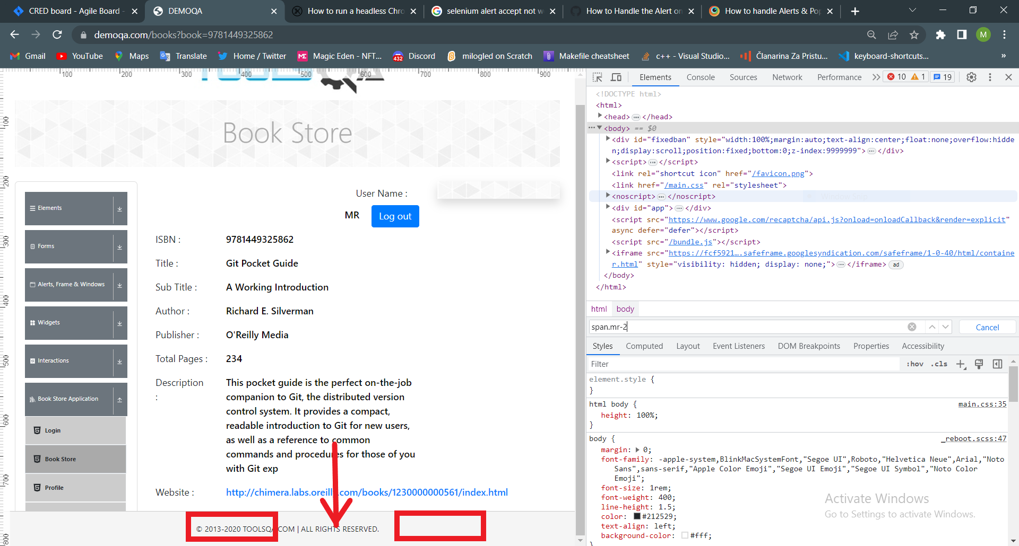 | 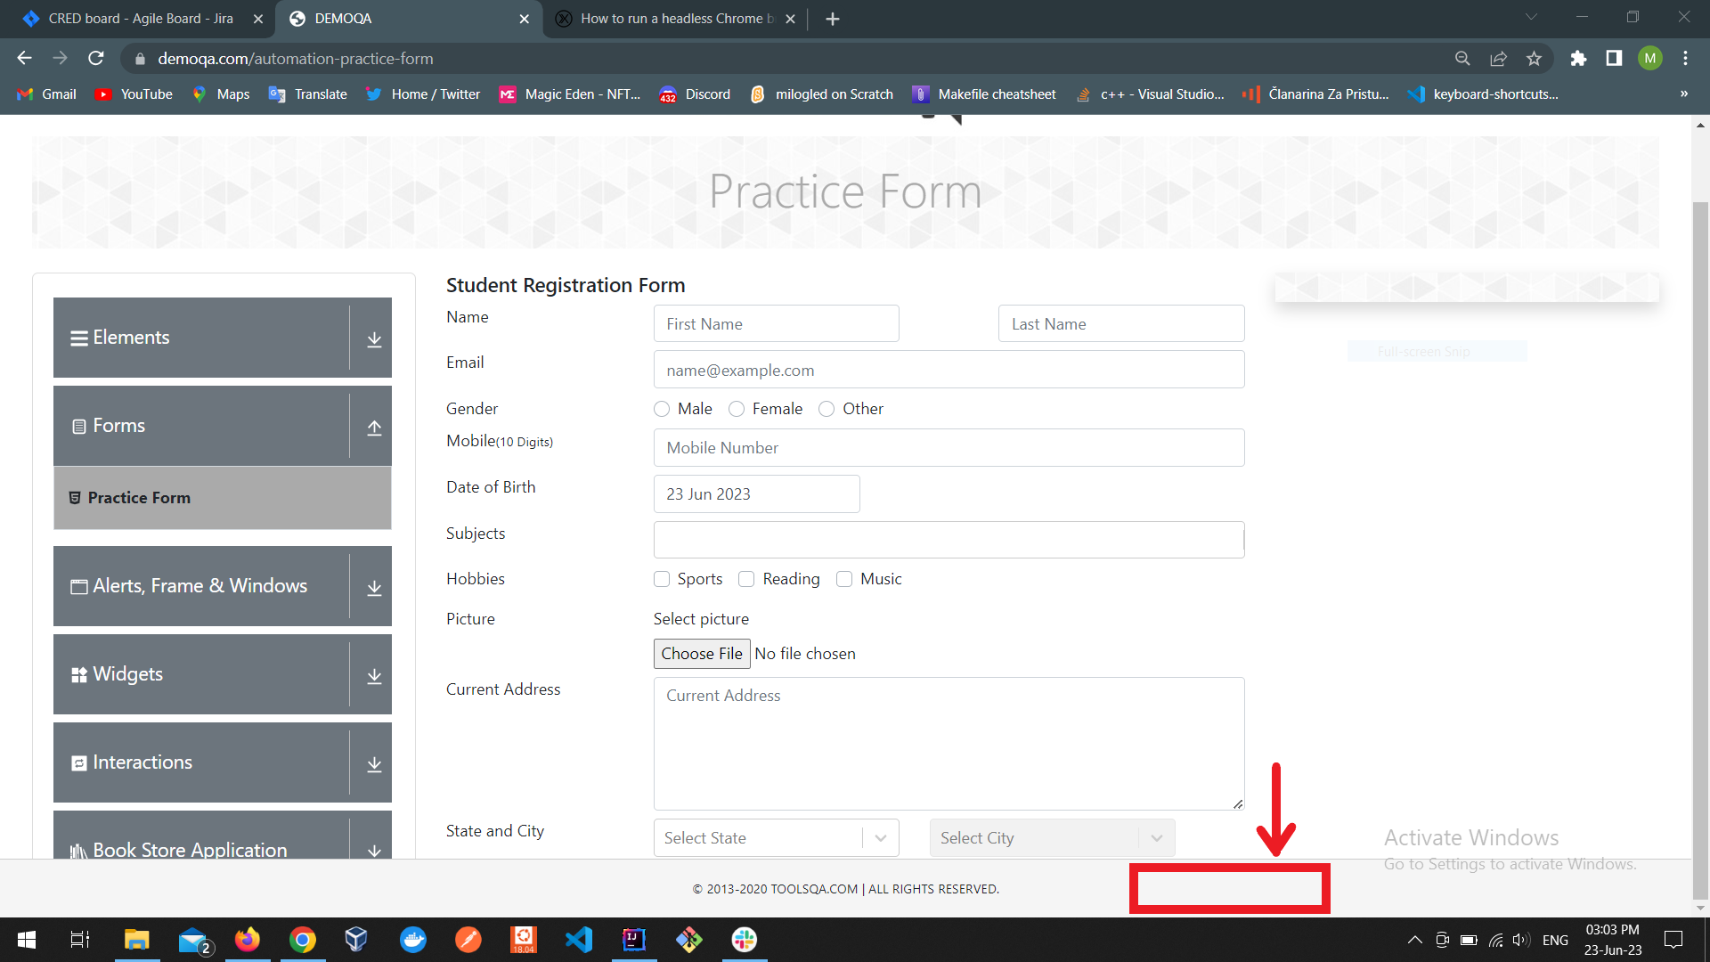 | 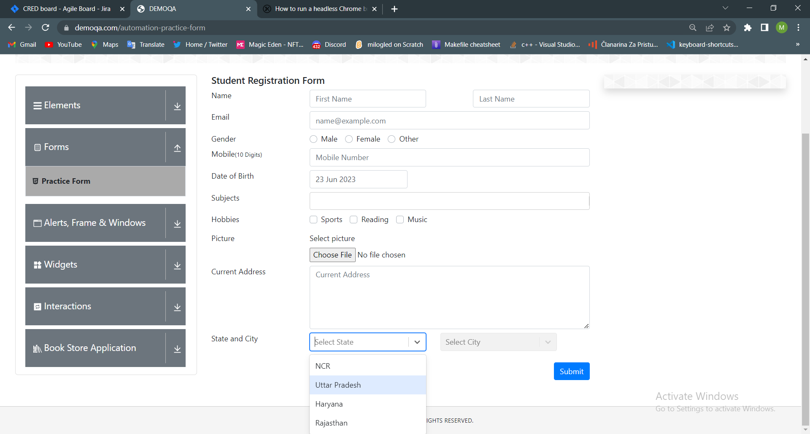
3 | Assuming user is logged in, after short period of time user becomes unauthorized (less then 1 hour), BUT is not logged out right away. Instead user must log out and log in again. It can be frustrating to users
4 | Add a gift book feature. It may be interesting that users can gift books to each other (new feature potentially).
5 | In Selenium Training registration form when user skips "select country" required field and tries to submit form by clicking "send", error only says "Some error occured. Please try again.". It would be better to specify what user missed, e.g. "Please select country"
6 | In autocomplete section some common colors are missing. Like orange and pink. It would be good to update the data.

