Duration_Summary
Duration: overall descriptive summary

Descriptive statistics across all 216 matched groups. Use this for overall magnitude; use Duration_Group_Results to assess consistency of the trend.

Mean Cmax by source duration
duration_s | mean_Cmax | median_Cmax | mean_Cfinal_over_Cmax | mean_activity_retention
60 | 51343427.233 | 13130315.567 | 0.053663429438 | 0.042004285023
150 | 72203314.739 | 20018825.739 | 0.075358665468 | 0.042605059128
300 | 84647466.511 | 24314004.774 | 0.1346177909 | 0.04420574897
600 | 96301096.618 | 27096751.106 | 0.99859066044 | 0.066806569484
900 | 96301096.618 | 27096751.106 | 0.99859066044 | 0.066806569484

TFM_Figures
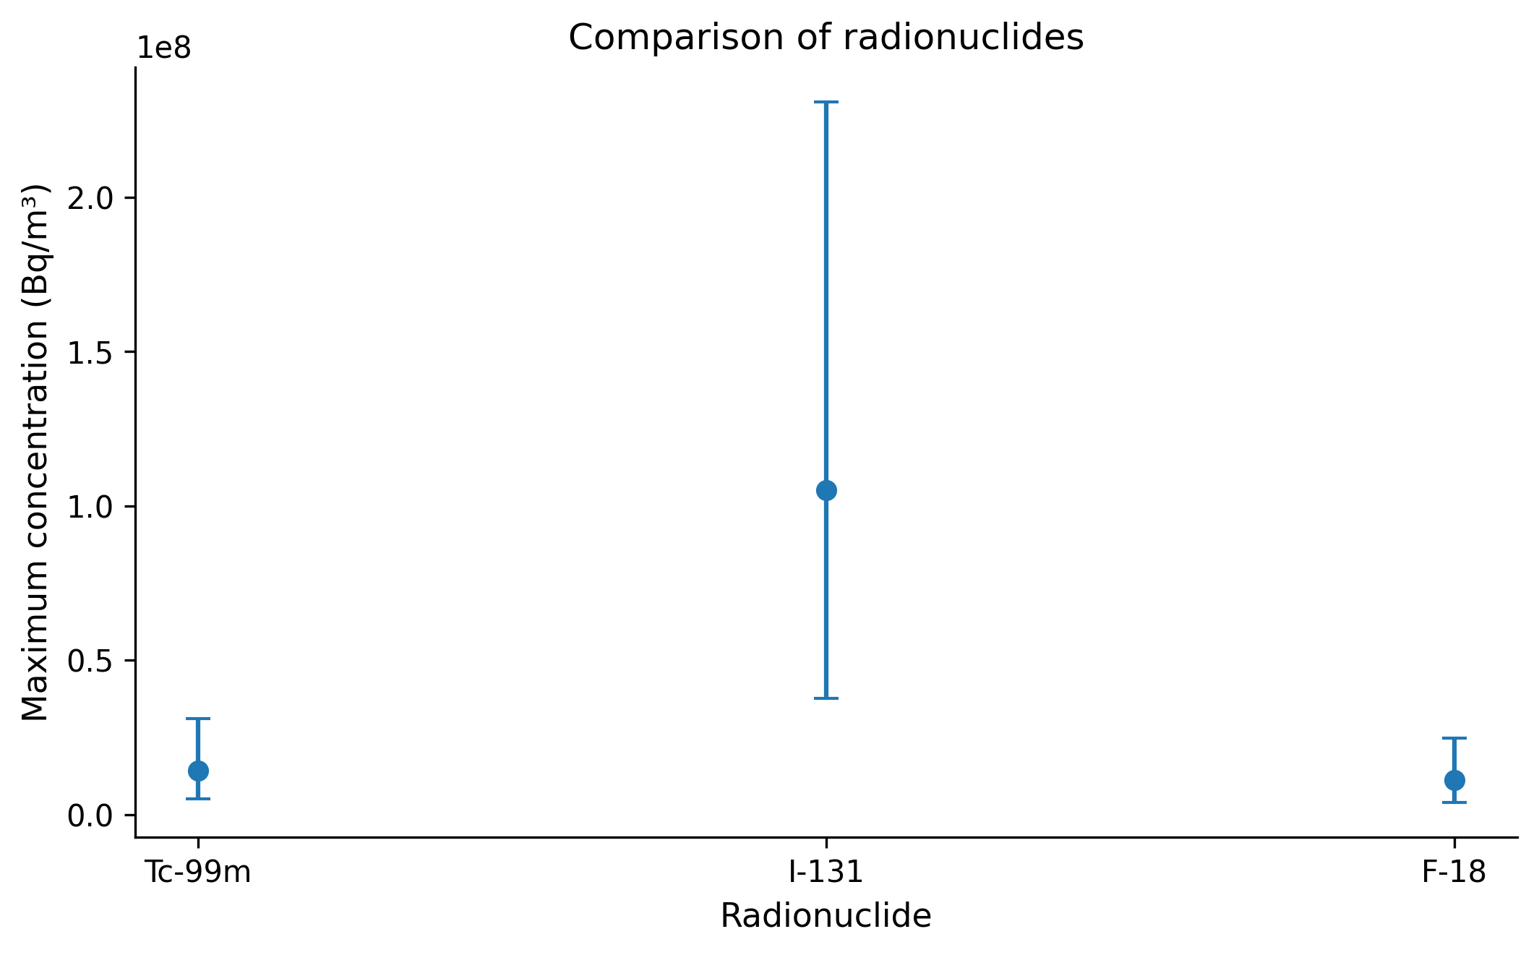
TFM-ready figures

Median across the complete campaign; shaded area/error bars represent the interquartile range (25th–75th percentile). Figures are intended for the Results and Discussion section.

Figure 1: 01_duration
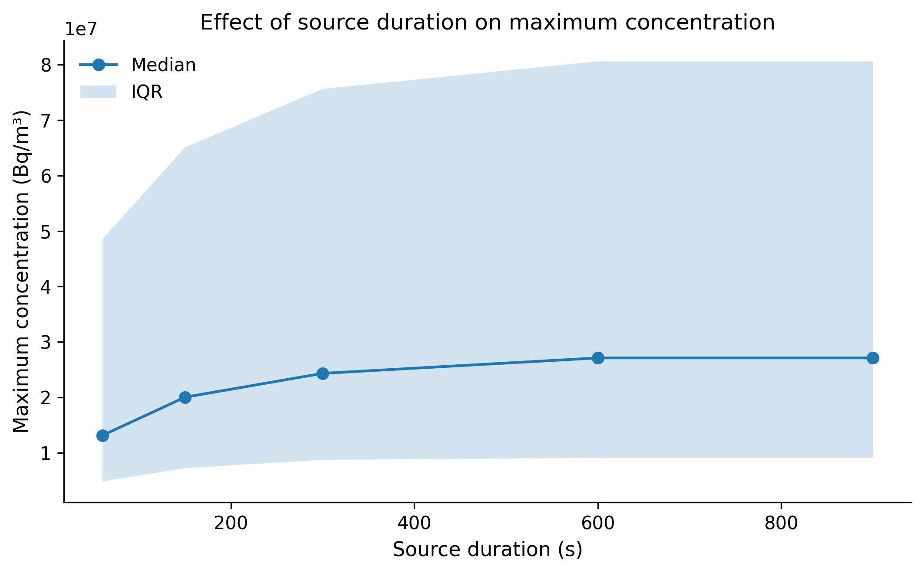

Figure 2: 02_emission_rate
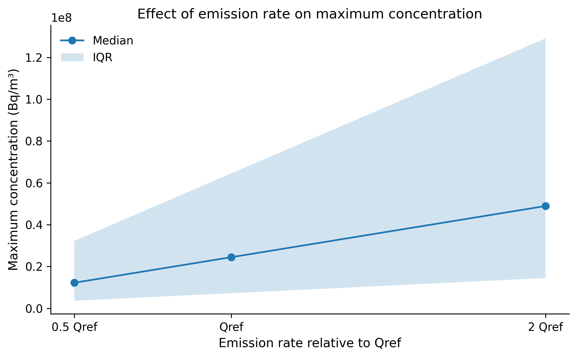

Figure 3: 03_geometry
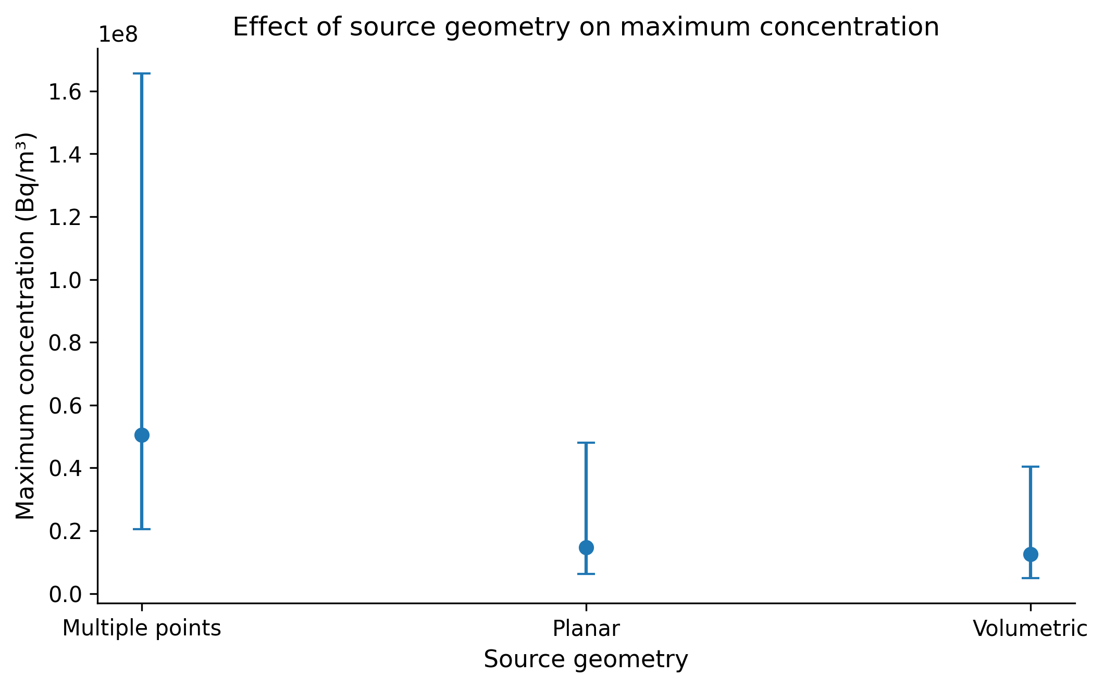

Figure 4: 04_indoor_ventilation
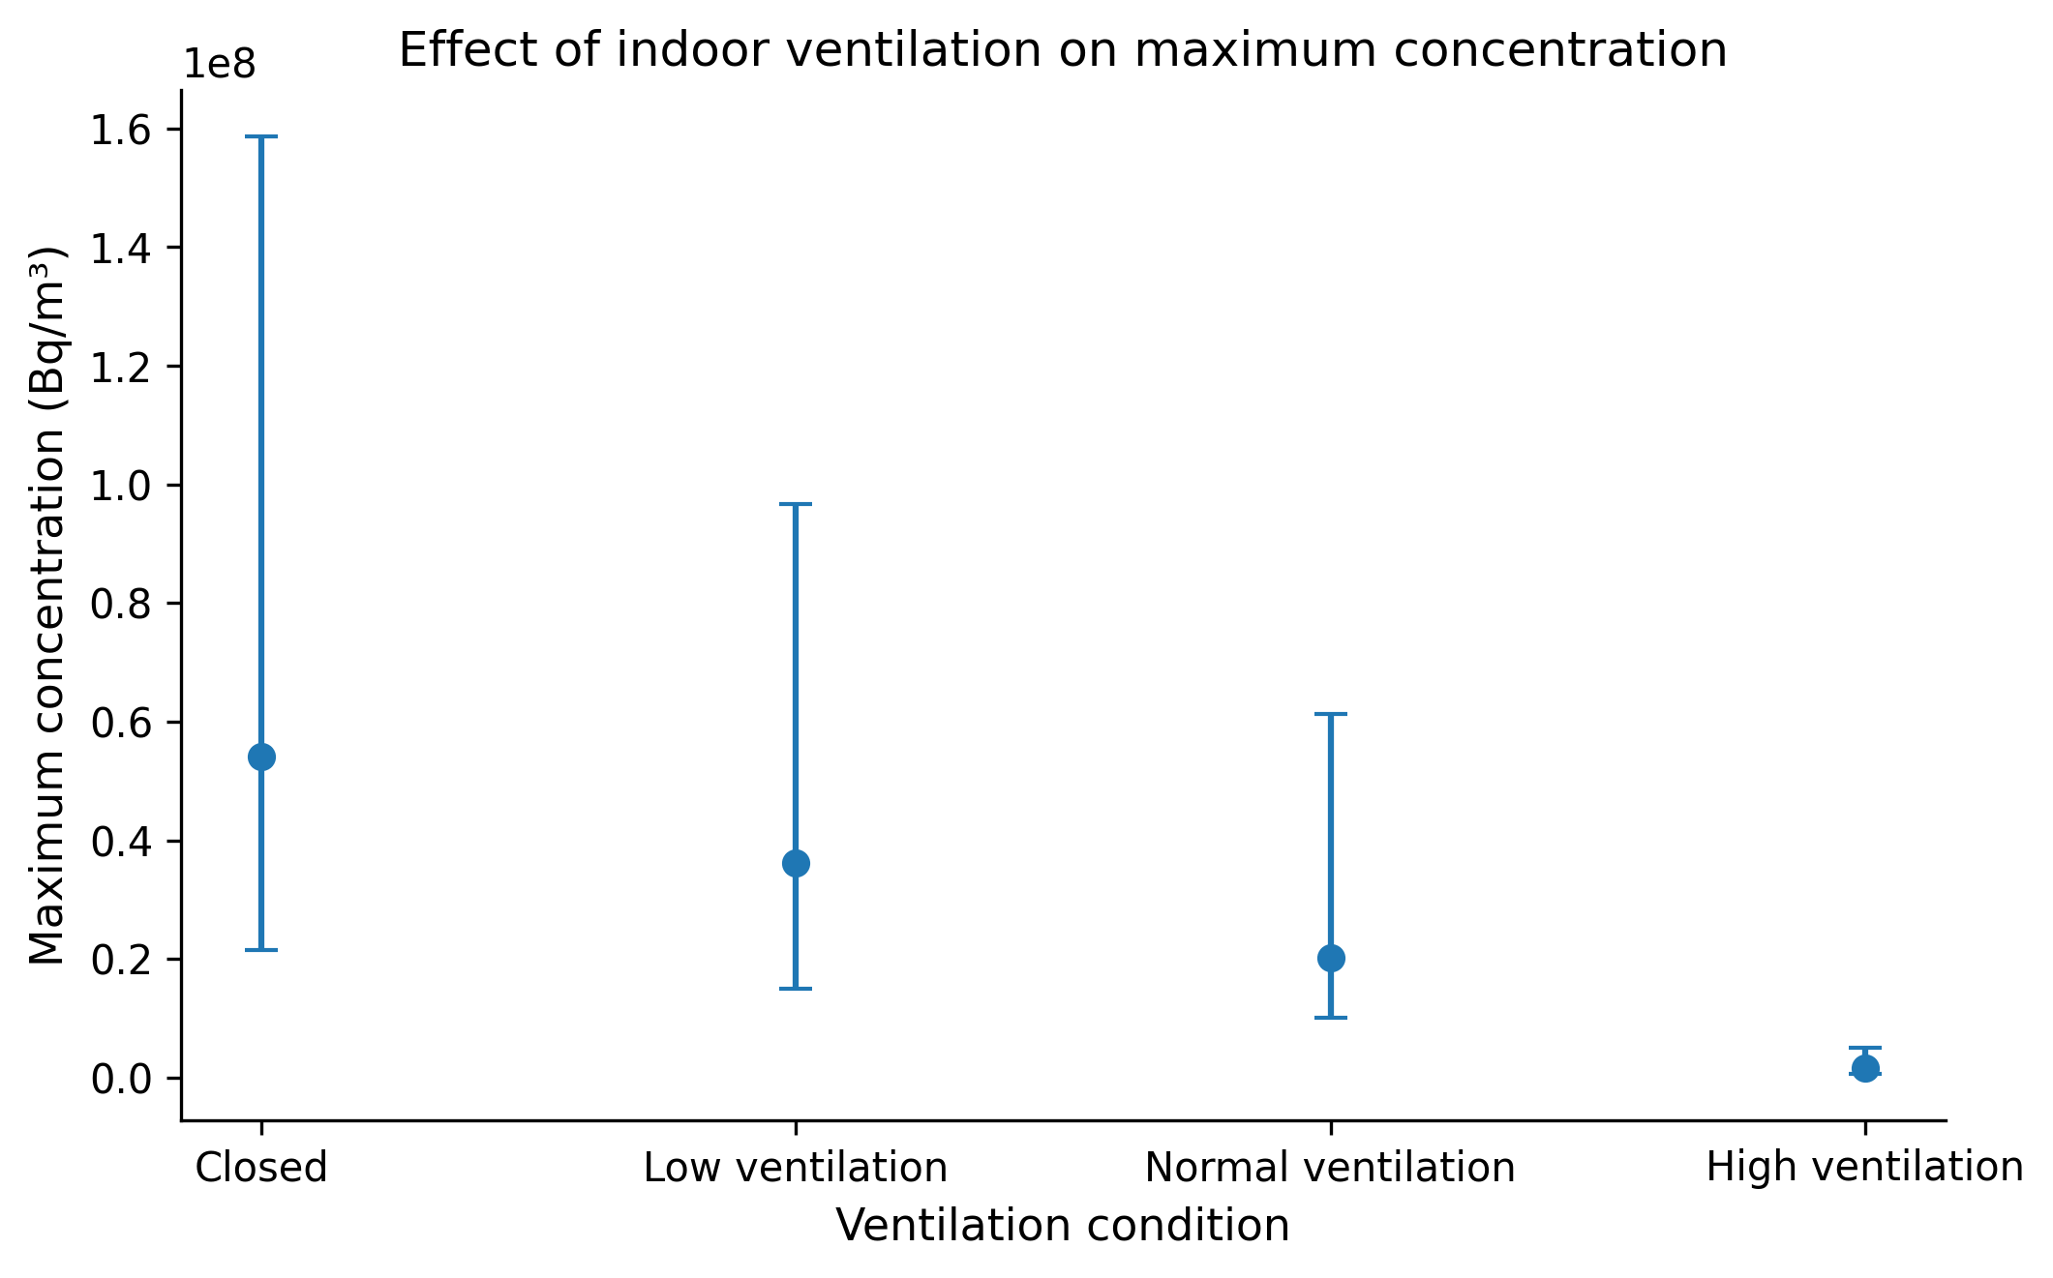

Figure 5: 05_outdoor_cmax
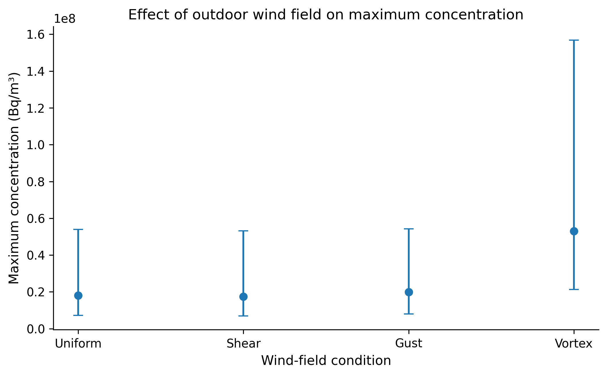

Figure 6: 06_outdoor_centroid
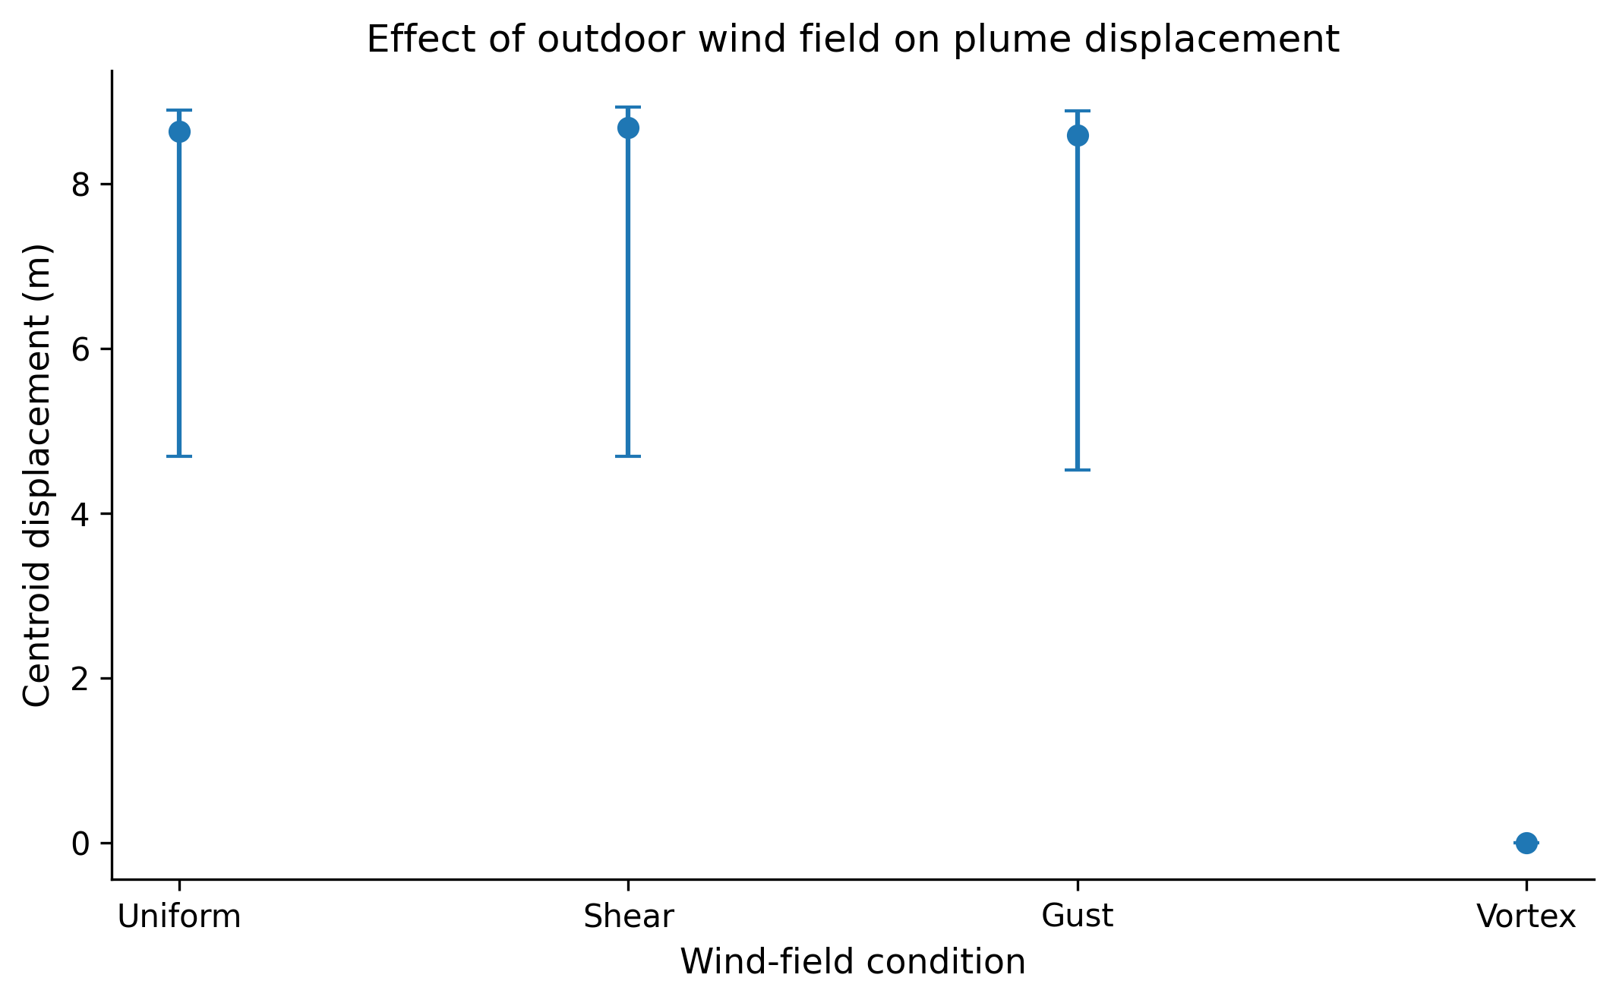

Figure 7: 07_radionuclides

