3812_10 (3)
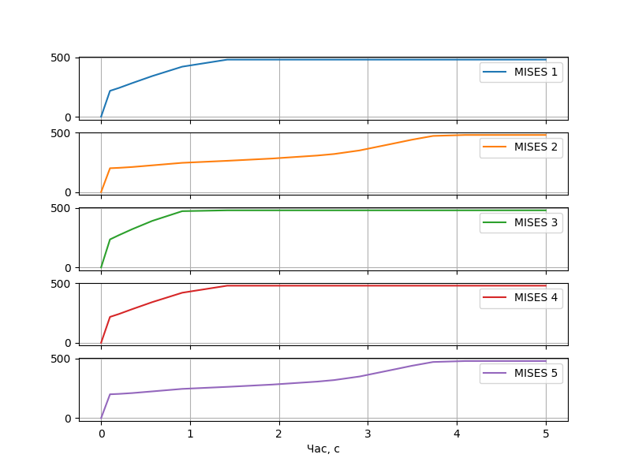
Час, с | MISES 1 | MISES 2 | MISES 3 | MISES 4 | MISES 5
0 | 0 | 0 | 0 | 0 | 0
0.1 | 217.417 | 200.357 | 235.434 | 217.417 | 200.357
0.2 | 241.698 | 203.663 | 270.984 | 241.698 | 203.663
0.35 | 282.671 | 210.692 | 321.549 | 282.671 | 210.692
0.575 | 341.663 | 224.639 | 391.09 | 341.663 | 224.639
0.9125 | 420.696 | 245.77 | 472.931 | 420.696 | 245.77
1.41875 | 480 | 262.806 | 480 | 480 | 262.805
1.925 | 480 | 282 | 480 | 480 | 282.00
2.43125 | 480 | 307.052 | 480 | 480 | 307.052
2.62109 | 480 | 319.926 | 480 | 480 | 319.926
2.90586 | 480 | 349.852 | 480 | 480 | 349.851
3.33301 | 480 | 414.978 | 480 | 480 | 414.978
3.49319 | 480 | 439.817 | 480 | 480 | 439.817
3.73346 | 480 | 471.965 | 480 | 480 | 471.965
4.09387 | 480 | 480 | 480 | 480 | 480.00
4.22902 | 480 | 480 | 480 | 480 | 480.00
4.43175 | 480 | 480 | 480 | 480 | 480.00
4.73584 | 480 | 480 | 480 | 480 | 480.00
5 | 480 | 480 | 480 | 480 | 480.00

