Introduction
License and Disclaimer
The Capacity Analysis for Planning of Junctions (CAP-X), Version 3.0, software product was updated for the Federal Highway Administration (FHWA). This is a public distribution of the software. The CAP-X software product is disseminated under the sponsorship of the U.S. Department of Transportation (USDOT) in the interest of information exchange. This software product does not constitute a standard, specification, or regulation.
The use and testing of the CAP-X software is being done strictly on a voluntary basis. In exchange for the provision of CAP-X software, the user agrees that the FHWA, USDOT, any other agency of the Federal Government or distributor shall not be responsible for any errors, damage or other liability that may result from any and all use of the software, including installation and testing of the software. The user further agrees to hold the FHWA, the Federal Government, and distributor harmless from any resulting liability. The user agrees that this hold harmless provision shall flow to any person to whom or any entity to which the user provides the CAP-X software. It is the user's full responsibility to inform any person to whom or any entity to which it provides the CAP-X software of this hold harmless provision.
Permission is granted to anyone to use this software for any purpose, including commercial applications, subject to the following restrictions:
1. The origin of this CAP-X software must not be misrepresented; there shall be no claim that this software is the product of or written by any individual, company or organization other than the Federal Government. If you use this software in a product, an acknowledgment in the product documentation would be appreciated but is not required.
2. Altered versions must be plainly marked as such, and must not be misrepresented as being the original CAP-X software.
3. This notice may not be removed or altered from any distribution, recording, copy, or use of this CAP-X software.
The United States Government does not endorse products or manufacturers. Trade and manufacturers' names may appear in this software product only because they are considered essential to the objective of the software product.
Limited Warranty and Limitations of Remedies
This software product is provided “as-is,” without warranty of any kind, either expressed or implied (but not limited to the implied warranties of merchantability and fitness for a particular purpose). The Federal Highway Administration (FHWA) and distributor do not warrant that the functions contained in the software will meet the end-user's requirements or that the operation of the software will be uninterrupted and error-free.
Under no circumstances will the FHWA or the distributor be liable to the end user for any damages or claimed lost profits, lost savings, or other incidental or consequential damages rising out of the use or inability to use the software (even if these organizations have been advised of the possibility of such damages), or for any claim by any other party.
Notice
The CAP-X tool software was developed under Contract DTFH6116D0017 with input from the Highway Safety Manual Implementation Pooled Fund Study. The Transportation Pooled Fund Program is a partnership effort between the Federal Highway Administration, States, local agencies and other organizations.
October 2018
Ohio Department of Transportation (ODOT) Updates
ODOT updated the pedestrian and bicycle analysis in CAP-X. The Multimodal Pedestrian and Multimodal Bicycle worksheets differ from FHWA Version 3.0 of CAP-X. No changes to other worksheets except for cell formulas bringing in results from Multimodal Pedestrian and Multimodal Bicycle were made.
February 2023
NCHRP Project 17-98 Updates
Added Overview and Instructions worksheet for consistency with other tools in the Project 17-98 suite.





NCHRP 17-98
Build 2023-07

ODOT Version 1.1
December 2022

Developed from:
FHWA Version 3.0
November 2022

Abbreviations & Assumptions
Capacity Analysis for Planning of Junctions |  |  |  |  | Capacity Analysis for Planning of Junctions
Abbreviation Definitions |  |  |  |  | Intersection-Specific Assumptions
AWSC All-Way Stop-Controlled
CGT Continuous Green T
CLV Critical Lane Volume
Ctr Center
DDI Diverging Diamond Interchange
DLT Displaced Left Turn
DLTI Displaced Left Turn Interchange
EB Eastbound
EQ Equivalent
E-W East-West
ICD Inscribed Circle Diameter
LT Left Turn
Lt Eq Left Turn Equivalent
Lt Mrg Left Merge
MUT Median U-Turn
NB Northbound
N-E North-East
N-S North-South
N-W North-West
PCE Passenger Car Equivalent
PCLA Partial Cloverleaf Type A
PCLB Partial Cloverleaf Type B
PEPCH Passenger Car Equiv. Per Hour
PMUT Partial Median U-Turn
PPEAG Planning and Preliminary
Engineering application Guide
RCUT Restricted Crossing U-Turn
QR Quadrant Roadway
Rt Ln Right Lane
Rt Lt Right Left
Rt Mrg Right merge
TWSC Two-Way Stop-Controlled
SB Southbound
S-E South-East
S-W South-West
SPI Single-point interchange
TVE Through Vehicle Equivalent
V/C Volume/Capacity Ratio
Veh/hr Vehicles per hour
WB Westbound
All-Way Stop-Controlled (AWSC) Intersection
All approaches have no more than two lanes (PPEAG),
Opposite approaches have the same number of lanes (PPEAG),
Pedestrian and bike volumes are low enough to not impact vehicular capacity (PPEAG), and
U-turns are converted into left-turn movements (CAP-X).

Two-Way Stop-Controlled (TWSC) Intersection
All approaches have no more than two lanes (PPEAG),
All minor-street approaches have no more than one lane per movement (HCM);
Major-street left- and U-turns are provided with an exclusive turn lane (PPEAG);
There is no median on the major street, or the median has a nose width < 21 ft (PPEAG);
If an exclusive right-turn lane is provided on the major street, volumes making the right turn are not included as part of the conflicting volume (HCM);
No channelizing islands for right-turn movements (PPEAG);
No minor-street U-turns (HCM);
U-turns from two-lane major streets, as well as U-turns from minor streets, are converted into left-turn movements (CAP-X);
No median storage for minor-street left-turns and through movements (i.e., one-stage gap acceptance) (PPEAG);
Pedestrian and bike volumes are low enough to not impact vehicular capacity (PPEAG); and
No platooning effects from upstream traffic signals (PPEAG).

General Assumptions
Unsignalized RCUT Intersection
All minor-street approaches have one lane (HCM: no more than one lane per minor-street turning movement; RCUTs only allow right turns from the minor street);
One exclusive turn lane is provided for major-street left- and U-turns (PPEAG);
If an exclusive right-turn lane is provided on the major street, volumes making the right turn are not included as part of the conflicting volume (HCM);
Pedestrian and bike volumes are low enough to not impact vehicular capacity (PPEAG); and
No platooning effects from upstream traffic signals (PPEAG).
Level terrain type
Base saturation flow rate: 1900 passenger cars per hour per lane (pcphpl) (Urban) or 1750 pcphpl (Rural)
Peak hour factor of 1.0
4 seconds of lost time per phase (Used to develop Critical Lane Volume Limits)
120 second cycle length (Used to develop Critical Lane Volume Limits)
The Critical Lane Volume (CLV) threshold for a signal with n phases is computed as:
CLV = [1-(n * 4)/120] * Base Saturation Flow Rate
Protected phasing for all left turns
HCM 6th Edition roundabout capacity equations for 1x1, 1x2, 2x1, and 2x2 roundabouts
Modified HCM 6th Edition roundabout capacity equations for 3x3 roundabouts
FHWA roundabout capacity equations for mini-roundabouts

Shared Lane Configuration Options

Input the following codes for Traffic Signal and PMUT minor approaches on the "3 - Alt Num Lanes Input" tab for the lane configuration shown:

 | 0,1,0 | 0,2,0 | 0,1,1 | 1,1,0
Input the number of approach lanes 0, 1, or 2 for AWSC.
Designate shared lanes for the following intersections by inputing a 0 on the "3 - Alt Num Lanes Input" tab:
CGT right turns on each approach:
CGT W only allow shared SBR and Shared EB LT/RT.
CGT N only allow shared WBR and Shared SB LT/RT.
CGT E only allow shared NBR and Shared WB LT/RT.
CGT S only allow shared EBR and Shared NB LT/RT.
TWSC minor street turns and major street right turns.
Partial DLT, RCUT, and Unsignalized RCUT major street right turns.
MUT right turns.
Partial MUT major street right turns (minor street approaches as shown above.)
Other Intersection Types do not permit shared lane entry

Multimodal Ped
Capacity Analysis for Planning of Junctions
Multimodal Intersection Configuration for Pedestrian Crossings
Pedestrian Framework Instructions
Use this worksheet to configure the pedestrian crossing information for all intersection alternatives included in the analysis.
The user should input the roadway speeds in the roadway speed table.
The user may adjust the out of direction travel and multistage crossing. Note when modifying the multistage crossing to something other than the assumed value, the user must also manually adjust the respective crossing data entries.
The number of lanes, vehicle speed, and vehicles volumes are automatically calculated from prior user inputs. The user may adjust these as needed
The user may adjust the conflicting vehicle type and marking pattern.
The user may use the reset button to return the crossing values to their default assumptions.
 |  |  |  |  |  |  |  |  |  |  |  |  |  |  |  |  |  |  |  |  |  |  |  |  |  | Crosswalk Marking Legend
 |  |  |  |  |  |  |  |  |  |  |  |  |  |  |  |  |  |  |  |  |  |  |  |  |  | Conflicting Vehicle Type

 |  |  |  |  |  |  |  |  |  |  |  |  |  |  |  |  |  |  |  |  |  |  |  |  |  |  |  |  | Stop/Signal Controlled

 |  |  |  |  |  |  |  |  |  |  |  |  |  |  |  |  |  |  |  |  |  |  |  |  |  |  |  |  | Freeflowing
Pedestrian Framework Assumptions
Each intersection and interchange type has assumed crosswalk assignments as found in the note of the intersection name cell. Reference the crosswalk marking legend as necessary. North is assumed up.
Multistage crossing does not account for crossings of unsignalized channelized turn lanes.
For each crossing, the number of lanes, vehicle speed, and volume are automatically gathered from prior inputs. The conflicting vehicle type and marking pattern are as noted in the note of the intersection name cell. North is assumed up.
 |  |  |  |  |  |  |  |  |  |  |  |  |  |  |  |  |  |  |  |  |  |  |  |  |  |  |  |  | Yield Controlled (yield to vehicles downstream)

 |  |  |  |  |  |  |  |  |  |  |  |  |  |  |  |  |  |  |  |  |  |  |  |  |  |  |  |  | Permissive Left (unless exclusive pedestrian phase)

 |  |  |  |  |  |  |  |  |  |  |  |  |  |  |  |  |  |  |  |  |  |  |  |  |  | Marking Type

 | Roadway Speeds |  |  |  |  |  |  | Ramp Speeds (Only for Interchanges) |  |  |  |  |  |  |  |  |  |  |  |  |  |  |  |  |  |  |  |  |  |  | Marked |  | Unmarked
 | Major Street Speed Limit |  |  |  |  |  |  | Diagonal Ramps |  |  |  |  |  |  |  | 20

 | Minor Street Speed Limit |  |  |  |  |  |  | Loop Ramps |  |  |  |  |  |  |  | 20

 | Mini Roundabout Entry & Exit Speed | 20 |  |  |  |  |  | DDI Ramps |  |  |  |  |  |  |  | 20

 | 1-Lane Roundabout Entry & Exit Speed | 25 |  |  |  |  |  | Single Point Ramps |  |  |  |  |  |  |  | 30

 | 2-Lane Roundabout Entry & Exit Speed | 30 |  |  |  |  |  | Single Point with Roundabout |  |  |  |  |  |  |  | 30

 | 3-Lane Roundabout Entry & Exit Speed | 35

Pedestrian Crossing Configurations for Non-roundabout Intersections

TYPE OF INTERSECTION |  |  |  | Sheet |  |  | Intersection Score |  |  |  | Out of Direction Travel |  | Multistage Crossing |  | Crossing #1 |  |  |  |  |  | Crossing #2 |  |  |  |  |  | Crossing #3 |  |  |  |  |  |  |  | Crossing #4 |  |  |  |  | Crossing #5 |  |  |  |  | Crossing #6 |  |  |  |  | Crossing #7 |  |  |  |  | Crossing #8

 |  |  |  |  |  |  |  |  |  |  |  |  |  |  | # Lanes |  | Veh Speed | Volume | Conflicting Veh Type | Markings | # Lanes | Veh Speed | Volume | Conflicting Veh Type | Markings |  | # Lanes | Veh Speed |  | Volume |  | Conflicting Veh Type |  | Markings | # Lanes | Veh Speed | Volume | Conflicting Veh Type | Markings | # Lanes | Veh Speed | Volume | Conflicting Veh Type | Markings | # Lanes | Veh Speed | Volume | Conflicting Veh Type | Markings | # Lanes | Veh Speed | Volume | Conflicting Veh Type | Markings | # Lanes | Veh Speed | Volume

Traffic Signal |  |  |  | FULL |  |  | Enter Major/Minor Street Speeds |  |  |  | No |  | Yes Crossing(s) with 2 stages |  | 4 |  | 35 | 298 | Stop/Signal Controlled | Marked | 2 | 35 | 838 | Stop/Signal Controlled | Marked |  | 4 | 45 |  | 1699 |  | Stop/Signal Controlled |  | Marked | 2 | 45 | 1230 | Stop/Signal Controlled | Marked | 4 | 35 | 587 | Stop/Signal Controlled | Marked | 2 | 35 | 760 | Stop/Signal Controlled | Marked | 4 | 45 | 1530 | Stop/Signal Controlled | Marked | 2 | 45 | 1286

 |  |  |  | E-W |  |  | Enter Major/Minor Street Speeds |  |  |  | No |  | No |  | 4 |  | 45 | 2816 | Free Flowing | Unmarked | 6 | 35 | 1136 | Permissive Left | Marked |  | 3 | 45 |  | 2929 |  | Free Flowing |  | Unmarked | 6 | 35 | 1347 | Permissive Left | Marked

All-Way Stop Control |  |  |  | FULL |  |  | Enter Major/Minor Street Speeds |  |  |  | No |  | No |  | 6 |  | 35 | 1136 | Stop/Signal Controlled | Marked | 6 | 45 | 2929 | Stop/Signal Controlled | Marked |  | 6 | 35 |  | 1347 |  | Stop/Signal Controlled |  | Marked | 6 | 45 | 2816 | Stop/Signal Controlled | Marked

Continuous Green T |  |  |  | W |  |  | Enter Major/Minor Street Speeds |  |  |  | No |  | Yes Crossing(s) with 3+ stages |  | 1 |  | 35 | 204 | Yield Controlled | Marked | 2 | 35 | 408 | Stop/Signal Controlled | Marked |  | 1 | 45 |  | 51 |  | Yield Controlled |  | Marked | 2 | 45 | 216 | Stop/Signal Controlled | Unmarked | 3 | 45 | 612 | Free Flowing | Unmarked | 3 | 45 | 408 | Free Flowing | Unmarked | 2 | 45 | 216 | Stop/Signal Controlled | Unmarked

 |  |  |  | E |  |  | Enter Major/Minor Street Speeds |  |  |  | No |  | Yes Crossing(s) with 3+ stages |  | 1 |  | 35 | 226 | Yield Controlled | Marked | 2 | 35 | 371 | Stop/Signal Controlled | Marked |  | 1 | 45 |  | 179 |  | Yield Controlled |  | Marked | 2 | 45 | 306 | Stop/Signal Controlled | Unmarked | 2 | 45 | 556 | Free Flowing | Unmarked | 3 | 45 | 247 | Free Flowing | Unmarked | 2 | 45 | 306 | Stop/Signal Controlled | Unmarked

Quadrant Roadway |  |  |  | S-W |  |  | Enter Major/Minor Street Speeds |  |  |  | No |  | Yes Crossing(s) with 2 stages |  | 3 |  | 35 | 298 | Stop/Signal Controlled | Marked | 2 | 35 | 838 | Stop/Signal Controlled | Marked |  | 3 | 45 |  | 1699 |  | Stop/Signal Controlled |  | Marked | 2 | 45 | 1230 | Stop/Signal Controlled | Marked | 3 | 35 | 791 | Stop/Signal Controlled | Marked | 2 | 35 | 247 | Stop/Signal Controlled | Marked | 3 | 45 | 1051 | Stop/Signal Controlled | Marked | 2 | 45 | 1524

 |  |  |  | N-E |  |  | Enter Major/Minor Street Speeds |  |  |  | No |  | Yes Crossing(s) with 2 stages |  | 3 |  | 35 | 587 | Stop/Signal Controlled | Marked | 2 | 35 | 760 | Stop/Signal Controlled | Marked |  | 3 | 45 |  | 1530 |  | Stop/Signal Controlled |  | Marked | 2 | 45 | 1286 | Stop/Signal Controlled | Marked | 3 | 35 | 607 | Stop/Signal Controlled | Marked | 2 | 35 | 408 | Stop/Signal Controlled | Marked | 3 | 45 | 1235 | Stop/Signal Controlled | Marked | 2 | 45 | 1505

 |  |  |  | S-E |  |  | Enter Major/Minor Street Speeds |  |  |  | No |  | Yes Crossing(s) with 2 stages |  | 3 |  | 35 | 1530 | Stop/Signal Controlled | Marked | 2 | 35 | 1286 | Stop/Signal Controlled | Marked |  | 3 | 45 |  | 298 |  | Stop/Signal Controlled |  | Marked | 2 | 45 | 838 | Stop/Signal Controlled | Marked | 3 | 35 | 1461 | Stop/Signal Controlled | Marked | 2 | 35 | 1326 | Stop/Signal Controlled | Marked | 3 | 45 | 612 | Stop/Signal Controlled | Marked | 2 | 45 | 451

 |  |  |  | N-W |  |  | Enter Major/Minor Street Speeds |  |  |  | No |  | Yes Crossing(s) with 2 stages |  | 3 |  | 35 | 1699 | Stop/Signal Controlled | Marked | 2 | 35 | 1230 | Stop/Signal Controlled | Marked |  | 3 | 45 |  | 587 |  | Stop/Signal Controlled |  | Marked | 2 | 45 | 760 | Stop/Signal Controlled | Marked | 3 | 35 | 1255 | Stop/Signal Controlled | Marked | 2 | 35 | 1473 | Stop/Signal Controlled | Marked | 3 | 45 | 556 | Stop/Signal Controlled | Marked | 2 | 45 | 634

 |  |  |  | E-W |  |  | Enter Major/Minor Street Speeds |  |  |  | Yes |  | Yes Crossing(s) with 3+ stages |  | 5 |  | 35 | 553 | Stop/Signal Controlled | Marked | 1 | 45 | 226 | Free Flowing | Marked |  | 2 | 45 |  | 1133 |  | Stop/Signal Controlled |  | Marked | 2 | 45 | 1051 | Stop/Signal Controlled | Marked | 1 | 45 | 340 | Stop/Signal Controlled | Marked | 1 | 45 | 179 | Free Flowing | Marked | 5 | 35 | 624 | Stop/Signal Controlled | Marked | 1 | 45 | 204

Displaced Left Turn |  |  |  | FULL |  |  | Enter Major/Minor Street Speeds |  |  |  | Yes |  | Yes Crossing(s) with 3+ stages |  | 2 |  | 35 | 216 | Stop/Signal Controlled | Marked | 2 | 35 | 306 | Stop/Signal Controlled | Marked |  | 1 | 35 |  | 31 |  | Stop/Signal Controlled |  | Marked | 1 | 45 | 226 | Free Flowing | Marked | 2 | 45 | 1133 | Stop/Signal Controlled | Marked | 2 | 45 | 1051 | Stop/Signal Controlled | Marked | 1 | 45 | 340 | Stop/Signal Controlled | Marked | 1 | 35 | 179

 |  |  |  | E-W |  |  | Enter Major/Minor Street Speeds |  |  |  | Yes |  | Yes Crossing(s) with 3+ stages |  | 2 |  | 35 | 553 | Stop/Signal Controlled | Marked | 1 | 45 | 532 | Free Flowing | Marked |  | 2 | 45 |  | 1235 |  | Stop/Signal Controlled |  | Marked | 2 | 35 | 748 | Stop/Signal Controlled | Marked | 2 | 45 | 1051 | Stop/Signal Controlled | Marked | 1 | 45 | 420 | Free Flowing | Marked

 |  |  |  | E-W |  |  | Enter Major/Minor Street Speeds |  |  |  | Yes |  | Yes Crossing(s) with 3+ stages |  | 1 |  | 35 | 306 | Permissive Left | Marked | 1 | 45 | 532 | Yield Controlled | Marked |  | 2 | 45 |  | 1235 |  | Free Flowing |  | Unmarked | 1 | 35 | 587 | Yield Controlled | Marked | 1 | 35 | 340 | Permissive Left | Marked | 2 | 45 | 1051 | Free Flowing | Unmarked | 1 | 45 | 420 | Yield Controlled | Marked | 1 | 35 | 298

 |  |  |  | E-W |  |  | Enter Major/Minor Street Speeds |  |  |  | Yes |  | Yes Crossing(s) with 2 stages |  | 4 |  | 35 | 522 | Stop/Signal Controlled | Marked | 1 | 45 | 532 | Yield Controlled | Marked |  | 2 | 45 |  | 1575 |  | Stop/Signal Controlled |  | Marked | 2 | 45 | 1357 | Stop/Signal Controlled | Marked | 1 | 35 | 281 | Yield Controlled | Marked | 2 | 35 | 522 | Stop/Signal Controlled | Marked | 1 | 45 | 544 | Yield Controlled | Marked | 2 | 45 | 1357

 |  |  |  | E-W |  |  | Enter Major/Minor Street Speeds |  |  |  | Yes |  | Yes Crossing(s) with 2 stages |  | 5 |  | 35 | 553 | Stop/Signal Controlled | Marked | 1 | 45 | 532 | Yield Controlled | Marked |  | 2 | 45 |  | 1473 |  | Stop/Signal Controlled |  | Marked | 2 | 45 | 1357 | Permissive Left | Marked | 1 | 35 | 179 | Yield Controlled | Marked | 5 | 35 | 624 | Stop/Signal Controlled | Marked | 1 | 45 | 544 | Yield Controlled | Marked | 2 | 45 | 1326

 |  |  |  | E-W |  |  | Enter Major/Minor Street Speeds |  |  |  | No |  | Yes Crossing(s) with 2 stages |  | 2 |  | 45 | 1530 | Stop/Signal Controlled | Marked | 1 | 45 | 1286 | Stop/Signal Controlled | Marked |  | 3 | 35 |  | 2020 |  | Stop/Signal Controlled |  | Marked | 2 | 45 | 1699 | Stop/Signal Controlled | Marked | 1 | 45 | 1230 | Stop/Signal Controlled | Marked | 3 | 35 | 2021 | Stop/Signal Controlled | Marked

 |  |  |  | E-W |  |  | Enter Major/Minor Street Speeds |  |  |  | No |  | Yes Crossing(s) with 2 stages |  | 1 |  | 45 | 1286 | Stop/Signal Controlled | Marked | 2 | 35 | 298 | Stop/Signal Controlled | Marked |  | 1 | 35 |  | 838 |  | Stop/Signal Controlled |  | Marked | 3 | 45 | 1699 | Stop/Signal Controlled | Marked | 3 | 35 | 1301 | Permissive Left | Marked | 3 | 45 | 1530 | Stop/Signal Controlled | Marked | 1 | 35 | 760 | Stop/Signal Controlled | Marked | 2 | 35 | 587

Pedestrian Crossing Configurations for Grade-Separated Intersections

TYPE OF INTERSECTION |  |  |  | Sheet |  |  | # Of X-ings |  |  |  | Out of Direction Travel |  | Multistage Crossing |  | Crossing #1 |  |  |  |  |  | Crossing #2 |  |  |  |  |  | Crossing #3 |  |  |  |  |  |  |  | Crossing #4 |  |  |  |  | Crossing #5 |  |  |  |  | Crossing #6 |  |  |  |  | Crossing #7 |  |  |  |  | Crossing #8

 |  |  |  |  |  |  |  |  |  |  |  |  |  |  | # Lanes |  | Veh Speed | Volume | Conflicting Veh Types | Markings | # Lanes | Veh Speed | Volume | Conflicting Veh Types | Markings |  | # Lanes | Veh Speed |  | Volume |  | Conflicting Veh Type |  | Markings | # Lanes | Veh Speed | Volume | Conflicting Veh Type | Markings | # Lanes | Veh Speed | Volume | Conflicting Veh Type | Markings | # Lanes | Veh Speed | Volume | Conflicting Veh Type | Markings | # Lanes | Veh Speed | Volume | Conflicting Veh Type | Markings | # Lanes | Veh Speed | Volume

 |  |  |  | E-W |  |  | Enter Major/Minor Street Speeds |  |  |  | No |  | No |  | 4 |  | 45 | 1504 | Stop/Signal Controlled | Marked | 2 | 35 | 556 | Permissive Left | Marked |  | 2 | 45 |  | 1184 |  | Stop/Signal Controlled |  | Marked | 4 | 35 | 298 | Stop/Signal Controlled | Marked | 1 | 45 | 226 | Yield Controlled | Marked

Center Turn Overpass |  |  |  | FULL |  |  | Enter Major/Minor Street Speeds |  |  |  | No |  | Yes Crossing(s) with 2 stages |  | 3 |  | 35 | 267 | Stop/Signal Controlled | Marked | 2 | 35 | 532 | Stop/Signal Controlled | Marked |  | 3 | 45 |  | 1359 |  | Stop/Signal Controlled |  | Marked | 2 | 45 | 1199 | Stop/Signal Controlled | Marked | 3 | 35 | 485 | Stop/Signal Controlled | Marked | 2 | 35 | 420 | Stop/Signal Controlled | Marked | 3 | 45 | 1224 | Stop/Signal Controlled | Marked | 2 | 45 | 1184

Pedestrian Crossing Configurations for Roundabouts

TYPE OF ROUNDABOUT |  |  |  | Sheet |  |  | # Of X-ings |  |  |  | Out of Direction Travel |  | Multistage Crossing |  | Crossing #1 |  |  |  |  |  | Crossing #2 |  |  |  |  |  | Crossing #3 |  |  |  |  |  |  |  | Crossing #4 |  |  |  |  | Crossing #5 |  |  |  |  | Crossing #6 |  |  |  |  | Crossing #7 |  |  |  |  | Crossing #8

 |  |  |  |  |  |  |  |  |  |  |  |  |  |  | # Lanes |  | Veh Speed | Volume | Conflicting Veh Types | Markings | # Lanes | Veh Speed | Volume | Conflicting Veh Types | Markings |  | # Lanes | Veh Speed |  | Volume |  | Conflicting Veh Type |  | Markings | # Lanes | Veh Speed | Volume | Conflicting Veh Type | Markings | # Lanes | Veh Speed | Volume | Conflicting Veh Type | Markings | # Lanes | Veh Speed | Volume | Conflicting Veh Type | Markings | # Lanes | Veh Speed | Volume | Conflicting Veh Type | Markings | # Lanes | Veh Speed | Volume

50 ICD Miniroundabout |  |  |  | 50 ICD |  |  | 5.06 |  |  |  | No |  | Yes Crossing(s) with 2 stages |  | 1 |  | 20 | 298 | Yield Controlled | Marked | 1 | 20 | 838 | Free Flowing | Marked |  | 1 | 20 |  | 1699 |  | Yield Controlled |  | Marked | 1 | 20 | 1230 | Free Flowing | Marked | 1 | 20 | 587 | Yield Controlled | Marked | 1 | 20 | 760 | Free Flowing | Marked | 1 | 20 | 1530 | Yield Controlled | Marked | 1 | 20 | 1286

75 ICD Miniroundabout |  |  |  | 75 ICD |  |  | 5.06 |  |  |  | No |  | Yes Crossing(s) with 2 stages |  | 1 |  | 20 | 298 | Yield Controlled | Marked | 1 | 20 | 838 | Free Flowing | Marked |  | 1 | 20 |  | 1699 |  | Yield Controlled |  | Marked | 1 | 20 | 1230 | Free Flowing | Marked | 1 | 20 | 587 | Yield Controlled | Marked | 1 | 20 | 760 | Free Flowing | Marked | 1 | 20 | 1530 | Yield Controlled | Marked | 1 | 20 | 1286

Single Lane Roundabout |  |  |  | 1 X 1 |  |  | 5.06 |  |  |  | No |  | Yes Crossing(s) with 2 stages |  | 1 |  | 25 | 298 | Yield Controlled | Marked | 1 | 25 | 838 | Free Flowing | Marked |  | 1 | 25 |  | 1699 |  | Yield Controlled |  | Marked | 1 | 25 | 1230 | Free Flowing | Marked | 1 | 25 | 587 | Yield Controlled | Marked | 1 | 25 | 760 | Free Flowing | Marked | 1 | 25 | 1530 | Yield Controlled | Marked | 1 | 25 | 1286

Mixed Lane roundabout (1NSx2EW) |  |  |  | 1 X 2 |  |  | 4.75 |  |  |  | No |  | Yes Crossing(s) with 2 stages |  | 1 |  | 25 | 298 | Yield Controlled | Marked | 1 | 25 | 838 | Free Flowing | Marked |  | 2 | 30 |  | 1699 |  | Yield Controlled |  | Marked | 2 | 30 | 1230 | Free Flowing | Marked | 1 | 25 | 587 | Yield Controlled | Marked | 1 | 25 | 760 | Free Flowing | Marked | 2 | 30 | 1530 | Yield Controlled | Marked | 2 | 30 | 1286

Two Lane Roundabout |  |  |  | 2 X 2 |  |  | 4.46 |  |  |  | No |  | Yes Crossing(s) with 2 stages |  | 2 |  | 30 | 298 | Yield Controlled | Marked | 2 | 30 | 838 | Free Flowing | Marked |  | 2 | 30 |  | 1699 |  | Yield Controlled |  | Marked | 2 | 30 | 1230 | Free Flowing | Marked | 2 | 30 | 587 | Yield Controlled | Marked | 2 | 30 | 760 | Free Flowing | Marked | 2 | 30 | 1530 | Yield Controlled | Marked | 2 | 30 | 1286

Three Lane Roundabout |  |  |  | 3 X 3 |  |  | 3.86 |  |  |  | No |  | Yes Crossing(s) with 2 stages |  | 3 |  | 35 | 298 | Yield Controlled | Marked | 3 | 35 | 838 | Free Flowing | Marked |  | 3 | 35 |  | 1699 |  | Yield Controlled |  | Marked | 3 | 35 | 1230 | Free Flowing | Marked | 3 | 35 | 587 | Yield Controlled | Marked | 3 | 35 | 760 | Free Flowing | Marked | 3 | 35 | 1530 | Yield Controlled | Marked | 3 | 35 | 1286

Pedestrian Crossing Configurations for Interchanges

TYPE OF INTERCHANGE |  |  |  | Sheet |  |  | # Of X-ings |  |  |  | Out of Direction Travel |  | Multistage Crossing |  | Crossing #1 |  |  |  |  |  | Crossing #2 |  |  |  |  |  | Crossing #3 |  |  |  |  |  |  |  | Crossing #4 |  |  |  |  | Crossing #5 |  |  |  |  | Crossing #6 |  |  |  |  | Crossing #7 |  |  |  |  | Crossing #8

 |  |  |  |  |  |  |  |  |  |  |  |  |  |  | # Lanes |  | Veh Speed | Volume | Conflicting Veh Types | Markings | # Lanes | Veh Speed | Volume | Conflicting Veh Types | Markings |  | # Lanes | Veh Speed |  | Volume |  | Conflicting Veh Type |  | Markings | # Lanes | Veh Speed | Volume | Conflicting Veh Type | Markings | # Lanes | Veh Speed | Volume | Conflicting Veh Type | Markings | # Lanes | Veh Speed | Volume | Conflicting Veh Type | Markings | # Lanes | Veh Speed | Volume | Conflicting Veh Type | Markings | # Lanes | Veh Speed | Volume

Diamond |  |  |  | N-S |  |  | 5.49 |  |  |  | No |  | Yes Crossing(s) with 2 stages |  | 3 |  | 35 | 247 | Stop/Signal Controlled | Marked | 2 | 35 | 612 | Stop/Signal Controlled | Marked |  | 1 | 20 |  | 226 |  | Stop/Signal Controlled |  | Marked | 3 | 20 | 1473 | Stop/Signal Controlled | Marked | 2 | 20 | 1051 | Stop/Signal Controlled | Marked | 1 | 20 | 179 | Yield Controlled | Marked | 3 | 35 | 408 | Stop/Signal Controlled | Marked | 2 | 35 | 556

Partial Cloverleaf A |  |  |  | N-S |  |  | 3.58 |  |  |  | No |  | Yes Crossing(s) with 3+ stages |  | 1 |  | 20 | 51 | Free Flowing | Marked | 2 | 35 | 247 | Stop/Signal Controlled | Marked |  | 2 | 35 |  | 612 |  | Stop/Signal Controlled |  | Marked | 1 | 20 | 226 | Free Flowing | Marked | 1 | 20 | 340 | Stop/Signal Controlled | Marked | 1 | 20 | 102 | Free Flowing | Marked | 1 | 20 | 179 | Free Flowing | Marked | 2 | 35 | 408

Partial Cloverleaf B |  |  |  | N-S |  |  | 3.26 |  |  |  | No |  | Yes Crossing(s) with 3+ stages |  | 1 |  | 35 | 51 | Yield Controlled | Marked | 2 | 35 | 247 | Stop/Signal Controlled | Unmarked |  | 2 | 35 |  | 612 |  | Stop/Signal Controlled |  | Unmarked | 1 | 20 | 226 | Free Flowing | Marked | 1 | 20 | 102 | Stop/Signal Controlled | Marked | 1 | 20 | 340 | Free Flowing | Marked | 1 | 20 | 306 | Free Flowing | Marked | 1 | 20 | 31

Displaced Left Turn |  |  |  | N-S |  |  | 3.57 |  |  |  | No |  | Yes Crossing(s) with 3+ stages |  | 1 |  | 20 | 204 | Free Flowing | Marked | 3 | 20 | 306 | Stop/Signal Controlled | Marked |  | 1 | 35 |  | 102 |  | Yield Controlled |  | Marked | 1 | 20 | 0 | Stop/Signal Controlled | Marked | 1 | 35 | 51 | Yield Controlled | Marked | 2 | 35 | 216 | Stop/Signal Controlled | Marked | 2 | 35 | 612 | Stop/Signal Controlled | Marked | 1 | 35 | 31

Contraflow Left Interchange |  |  |  | N-S |  |  | 3.59 |  |  |  | No |  | Yes Crossing(s) with 3+ stages |  | 2 |  | 20 | 510 | Stop/Signal Controlled | Marked | 1 | 20 | 153 | Stop/Signal Controlled | Marked |  | 3 | 35 |  | 267 |  | Stop/Signal Controlled |  | Marked | 1 | 35 | 31 | Stop/Signal Controlled | Marked | 2 | 35 | 838 | Stop/Signal Controlled | Marked | 2 | 20 | 566 | Stop/Signal Controlled | Marked | 1 | 20 | 210 | Stop/Signal Controlled | Marked | 3 | 35 | 485

Diverging Diamond Interchange |  |  |  | N-S |  |  | 3.14 |  |  |  | Yes |  | Yes Crossing(s) with 3+ stages |  | 1 |  | 20 | 204 | Stop/Signal Controlled | Marked | 2 | 35 | 408 | Stop/Signal Controlled | Marked |  | 2 | 35 |  | 556 |  | Stop/Signal Controlled |  | Marked | 1 | 35 | 179 | Free Flowing | Marked | 1 | 35 | 51 | Free Flowing | Marked | 2 | 35 | 612 | Stop/Signal Controlled | Marked | 2 | 35 | 247 | Stop/Signal Controlled | Marked | 1 | 20 | 226

Single Point |  |  |  | N-S |  |  | 3.03 |  |  |  | No |  | Yes Crossing(s) with 3+ stages |  | 1 |  | 30 | 306 | Stop/Signal Controlled | Marked | 1 | 30 | 102 | Stop/Signal Controlled | Marked |  | 1 | 35 |  | 51 |  | Free Flowing |  | Marked | 5 | 35 | 859 | Free Flowing | Unmarked | 1 | 30 | 226 | Yield Controlled | Marked | 1 | 30 | 340 | Stop/Signal Controlled | Marked | 1 | 30 | 31 | Stop/Signal Controlled | Marked | 1 | 35 | 179

Single Point with Roundabout |  |  |  | N-S |  |  | 4.98 |  |  |  | No |  | Yes Crossing(s) with 2 stages |  | 2 |  | 30 | 298 | Yield Controlled | Marked | 1 | 25 | 838 | Free Flowing | Marked |  | 2 | 30 |  | 566 |  | Yield Controlled |  | Marked | 1 | 25 | 210 | Free Flowing | Marked | 2 | 30 | 587 | Yield Controlled | Marked | 1 | 25 | 760 | Free Flowing | Marked | 2 | 30 | 510 | Yield Controlled | Marked | 1 | 25 | 153

 |  |  |  |  |  | # lanes (FL) |  | Score

 |  |  |  |  |  | 1 |  | 5
 |  |  |  |  |  | 2 |  | 4
 |  |  |  |  |  | 3 |  | 3
 |  |  |  |  |  | 4 |  | 2
 |  |  |  |  |  | 5+ |  | 1

 |  |  | */# |  |  | Vehicle Speed (FS)
 |  |  | <=# |  | 25 | < 25 |  | 5
 |  |  | <*<=# |  | 34 | 26-34 |  | 4
 |  |  | <*<=# |  | 40 | 35-40 |  | 3
 |  |  | <*<=# |  | 50 | 41-50 |  | 2
 |  |  | >* |  |  | 51+ |  | 1

 |  |  |  |  |  | Volume (vph) (FV) |  | Conflicting vehicle type

 |  |  |  |  |  |  |  | Stop/Signal |  |  | Permissive | Yield |  | Freeflowing
 |  |  | */# |  |  |  |  | Stop/Signal Controlled | Permissive Left | Yield Controlled | Free Flowing
 |  |  | <=# |  | 225 | < 225 |  | 5 | 5 | 5 | 3
 |  |  | <*<=# |  | 450 | 226-450 |  | 5 | 4 | 4 | 2
 |  |  | <*<=# |  | 1350 | 451-1350 |  | 5 | 3 | 3 | 1
 |  |  | <*<=# |  | 2250 | 1351-2250 |  | 5 | 2 | 2 | 1
 |  |  | >* |  |  | >2250 |  | 5 | 1 | 1 | 1
 |  |  |  |  |  | Markings (FM)

 |  |  |  |  |  | Marked |  | 5
 |  |  |  |  |  | Unmarked |  | 1

 |  |  |  |  |  | Multistage Crossing (FC)

 |  |  |  |  |  | No |  | 1
 |  |  |  |  |  | Yes Crossing(s) with 2 stages |  | 1.2
 |  |  |  |  |  | Yes Crossing(s) with 3+ stages |  | 0.8

 |  |  |  |  |  | Out of Direction Travel (FT)

 |  |  |  |  |  | No |  | 1
 |  |  |  |  |  | Yes |  | 0.9

Multimodal Bike
Capacity Analysis for Planning of Junctions

Multimodal Intersection Configuration for Bicycle Segments

Bicycle Framework Instructions
Use this worksheet to configure the bicycle segment (approach to intersection and crossing of other roadway) information for all intersection alternatives included in the analysis.
Roadway speeds are carried over from inputs on the Multimodal Ped worksheet.
The user needs to input the bicycle facility type.
The user may adjust the conflicting control type, out of direction travel, riding between lanes, and riding across free-flow ramp inputs but defaults are provided for each intersection type.
The number of adjacent through lanes and adjacent volume refer to the direction of the segment approaching the intersection and are automatically calculated from prior user inputs. The user may adjust these as needed.
The user may use the reset button to return the segment values to their default assumptions.

Bicycle Framework Assumptions
Most intersection types have four approaches - northbound, southbound, eastbound, and westbound. Intersections with more than four approaches have cell notes in the Type of Intersection column describing the location of the additional approaches.
At interchanges, bicycle travel along ramps is not analyzed. Interchanges with one ramp terminal intersection (e.g. single point) have two segments, represening the two major street approaches. Interchanges with two ramp terminal intersections (e.g. diamond) have four segments, reprsenting the two major street approaches external to the interchange the two major street approaches within the interchange.
The methodology analyzes bicycle conditions for through movements.

 | Roadway Speeds |  |  |  |  |  |  |  |  |  |  |  |  | Facility Type
 | Major Street Speed Limit |  |  |  |  |  |  |  |  |  |  |  |  | Major Street Facility Type |  |  |  |  |  | Shared Use Path

 | Minor Street Speed Limit |  |  |  |  |  |  |  |  |  |  |  |  | Minor Street Facility Type |  |  |  |  |  | Shared with Vehicles

 | Mini Roundabout Entry & Exit Speed |  |  | 20

 | 1-Lane Roundabout Entry & Exit Speed |  |  | 25

 | 2-Lane Roundabout Entry & Exit Speed |  |  | 30

 | 3-Lane Roundabout Entry & Exit Speed |  |  | 35

Bicycle Segment Configurations for Non-roundabout Intersections

TYPE OF INTERSECTION |  |  |  |  |  | Sheet |  |  |  | Intersection Score |  |  |  | Northbound |  |  |  |  |  |  |  |  |  |  |  |  |  |  |  |  |  | Southbound |  |  |  |  |  |  |  |  |  | Eastbound |  |  |  |  |  | Westbound |  |  |  |  |  | Northbound 2

 |  |  |  |  |  |  |  |  |  |  |  |  |  | # Adjacent Thru Lanes |  |  | Leg AADT |  |  | Conflicting Control Type |  |  | Out of Direction |  | Riding Between Opposing Direction |  |  |  |  | Riding Across Free-Flow Ramp |  | # Adjacent Thru Lanes |  |  |  | Leg AADT |  | Conflicting Control Type | Out of Direction | Riding Between Opposing Direction | Riding Across Free-Flow Ramp | # Adjacent Thru Lanes | Leg AADT | Conflicting Control Type | Out of Direction | Riding Between Opposing Direction | Riding Across Free-Flow Ramp | # Adjacent Thru Lanes | Leg AADT | Conflicting Control Type | Out of Direction | Riding Between Opposing Direction | Riding Across Free-Flow Ramp | # Adjacent Thru Lanes | Leg AADT | Conflicting Control Type | Out of Direction | Riding Between Opposing Direction | Riding Across Free-Flow Ramp

Traffic Signal |  |  |  |  |  | FULL |  |  |  | Check Speed Limit and/or Lane Input |  |  |  | 2 |  |  | 14850 |  |  | Stop/Signal Controlled |  |  | No |  | No |  |  |  |  | No |  | 2 |  |  |  | 12524 |  | Stop/Signal Controlled | No | No | No | 2 | 31045 | Stop/Signal Controlled | No | No | No | 2 | 32291 | Stop/Signal Controlled | No | No | No

 |  |  |  |  |  | E-W |  |  |  | Check Speed Limit and/or Lane Input |  |  |  | 1 |  |  | 14850 |  |  | Yield Controlled |  |  | No |  | No |  |  |  |  | Yes |  | 1 |  |  |  | 12524 |  | Yield Controlled | No | No | Yes | 2 | 31045 | Free Flowing | No | No | No | 2 | 32291 | Free Flowing | No | No | No

All-Way Stop Control |  |  |  |  |  | FULL |  |  |  | Check Speed Limit and/or Lane Input |  |  |  | 2 |  |  | 14850 |  |  | Stop/Signal Controlled |  |  | No |  | No |  |  |  |  | No |  | 2 |  |  |  | 12524 |  | Stop/Signal Controlled | No | No | No | 2 | 31045 | Stop/Signal Controlled | No | No | No | 2 | 32291 | Stop/Signal Controlled | No | No | No

Continuous Green T |  |  |  |  |  | W |  |  |  | Check Speed Limit and/or Lane Input |  |  |  | 2 |  |  | 6879 |  |  | Free Flowing |  |  | No |  | No |  |  |  |  | No |  | 2 |  |  |  | 2944 |  | Stop/Signal Controlled | No | No | No | 1 | 6747 | Stop/Signal Controlled | No | No | Yes

 |  |  |  |  |  | E |  |  |  | Check Speed Limit and/or Lane Input |  |  |  | 2 |  |  | 11477 |  |  | Free Flowing |  |  | No |  | No |  |  |  |  | No |  | 2 |  |  |  | 6097 |  | Free Flowing | No | No | No |  |  |  |  |  |  | 1 | 6582 | Stop/Signal Controlled | No | No | No

Quadrant Roadway |  |  |  |  |  | S-W |  |  |  | Check Speed Limit and/or Lane Input |  |  |  | 2 |  |  | 11102 |  |  | Stop/Signal Controlled |  |  | No |  | No |  |  |  |  | No |  | 2 |  |  |  | 12524 |  | Stop/Signal Controlled | No | No | No | 2 | 28388 | Stop/Signal Controlled | No | No | No | 2 | 32291 | Stop/Signal Controlled | No | No | No | 2 | 14850 | Stop/Signal Controlled | No | No | No

 |  |  |  |  |  | N-E |  |  |  | Check Speed Limit and/or Lane Input |  |  |  | 2 |  |  | 14850 |  |  | Stop/Signal Controlled |  |  | No |  | No |  |  |  |  | No |  | 2 |  |  |  | 10065 |  | Stop/Signal Controlled | No | No | No | 2 | 31045 | Stop/Signal Controlled | No | No | No | 2 | 30207 | Stop/Signal Controlled | No | No | No | 2 | 11190 | Stop/Signal Controlled | No | No | No

 |  |  |  |  |  | S-E |  |  |  | Check Speed Limit and/or Lane Input |  |  |  | 2 |  |  | 11719 |  |  | Stop/Signal Controlled |  |  | No |  | No |  |  |  |  | No |  | 2 |  |  |  | 12524 |  | Stop/Signal Controlled | No | No | No | 2 | 31045 | Stop/Signal Controlled | No | No | No | 2 | 30726 | Stop/Signal Controlled | No | No | No | 2 | 14850 | Stop/Signal Controlled | No | No | No

 |  |  |  |  |  | N-W |  |  |  | Check Speed Limit and/or Lane Input |  |  |  | 2 |  |  | 14850 |  |  | Stop/Signal Controlled |  |  | No |  | No |  |  |  |  | No |  | 2 |  |  |  | 13119 |  | Stop/Signal Controlled | No | No | No | 2 | 30075 | Stop/Signal Controlled | No | No | No | 2 | 32291 | Stop/Signal Controlled | No | No | No | 2 | 13119 | Stop/Signal Controlled | No | No | No

 |  |  |  |  |  | E-W |  |  |  | Check Speed Limit and/or Lane Input |  |  |  | 2 |  |  | 14850 |  |  | Stop/Signal Controlled |  |  | No |  | Yes |  |  |  |  | Yes |  | 2 |  |  |  | 12524 |  | Stop/Signal Controlled | No | Yes | Yes | 2 | 31045 | Stop/Signal Controlled | No | No | Yes | 2 | 32291 | Stop/Signal Controlled | No | No | Yes

Displaced Left Turn |  |  |  |  |  | FULL |  |  |  | Check Speed Limit and/or Lane Input |  |  |  | 2 |  |  | 14850 |  |  | Stop/Signal Controlled |  |  | No |  | No |  |  |  |  | Yes |  | 2 |  |  |  | 12524 |  | Stop/Signal Controlled | No | No | Yes | 2 | 31045 | Stop/Signal Controlled | No | No | Yes | 2 | 32291 | Stop/Signal Controlled | No | No | Yes

 |  |  |  |  |  | E-W |  |  |  | Check Speed Limit and/or Lane Input |  |  |  | 1 |  |  | 14850 |  |  | Stop/Signal Controlled |  |  | Yes |  | No |  |  |  |  | No |  | 1 |  |  |  | 12524 |  | Stop/Signal Controlled | Yes | No | No | 2 | 36492 | Stop/Signal Controlled | No | No | No | 2 | 41287 | Stop/Signal Controlled | No | No | No

 |  |  |  |  |  | E-W |  |  |  | Check Speed Limit and/or Lane Input |  |  |  | 1 |  |  | 14850 |  |  | Free Flowing |  |  | Yes |  | No |  |  |  |  | Yes |  | 1 |  |  |  | 12524 |  | Free Flowing | Yes | No | Yes | 2 | 36492 | Stop/Signal Controlled | No | No | No | 2 | 41287 | Stop/Signal Controlled | No | No | No

 |  |  |  |  |  | E-W |  |  |  | Check Speed Limit and/or Lane Input |  |  |  | 2 |  |  | 14850 |  |  | Stop/Signal Controlled |  |  | No |  | No |  |  |  |  | No |  | 2 |  |  |  | 12524 |  | Stop/Signal Controlled | No | No | No | 2 | 31045 | Stop/Signal Controlled | No | No | No | 2 | 32291 | Stop/Signal Controlled | No | No | No

 |  |  |  |  |  | E-W |  |  |  | Check Speed Limit and/or Lane Input |  |  |  | 2 |  |  | 14850 |  |  | Stop/Signal Controlled |  |  | No |  | No |  |  |  |  | No |  | 2 |  |  |  | 12524 |  | Stop/Signal Controlled | No | No | No | 2 | 31045 | Stop/Signal Controlled | No | No | No | 2 | 32291 | Stop/Signal Controlled | No | No | No

 |  |  |  |  |  | E-W |  |  |  | Check Speed Limit and/or Lane Input |  |  |  | 1 |  |  | 14850 |  |  | Stop/Signal Controlled |  |  | No |  | No |  |  |  |  | No |  | 1 |  |  |  | 12524 |  | Stop/Signal Controlled | No | No | No | 1 | 31045 | Stop/Signal Controlled | No | No | No | 1 | 32291 | Stop/Signal Controlled | No | No | No

 |  |  |  |  |  | E-W |  |  |  | Check Speed Limit and/or Lane Input |  |  |  | 1 |  |  | 14850 |  |  | Stop/Signal Controlled |  |  | No |  | No |  |  |  |  | No |  | 1 |  |  |  | 12524 |  | Stop/Signal Controlled | No | No | No | 1 | 31045 | Stop/Signal Controlled | No | No | No | 1 | 32291 | Stop/Signal Controlled | No | No | No | 1 | 14343 | Stop/Signal Controlled | No | No | No

Bicycle Segment Configurations for Grade-Separated Intersections

TYPE OF INTERSECTION |  |  |  |  |  | Sheet |  |  |  | Intersection Score |  |  |  | Northbound |  |  |  |  |  |  |  |  |  |  |  |  |  |  |  |  |  | Southbound |  |  |  |  |  |  |  |  |  | Eastbound |  |  |  |  |  | Westbound

 |  |  |  |  |  |  |  |  |  |  |  |  |  | # Adjacent Thru Lanes |  |  | Leg AADT |  |  | Conflicting Control Type |  |  | Out of Direction |  | Riding Between Opposing Direction |  |  |  |  | Riding Across Free-Flow Ramp |  | # Adjacent Thru Lanes |  |  |  | Leg AADT |  | Conflicting Control Type | Out of Direction | Riding Between Opposing Direction | Riding Across Free-Flow Ramp | # Adjacent Thru Lanes | Leg AADT | Conflicting Control Type | Out of Direction | Riding Between Opposing Direction | Riding Across Free-Flow Ramp | # Adjacent Thru Lanes | Leg AADT | Conflicting Control Type | Out of Direction | Riding Between Opposing Direction | Riding Across Free-Flow Ramp

 |  |  |  |  |  | E-W |  |  |  | Check Speed Limit and/or Lane Input |  |  |  | 2 |  |  | 6471 |  |  | Stop/Signal Controlled |  |  | Yes |  | No |  |  |  |  | Yes |  | 2 |  |  |  | 3285 |  | Stop/Signal Controlled | Yes | No | No | 2 | 16868 | Stop/Signal Controlled | Yes | No | No | 2 | 18731 | Stop/Signal Controlled | Yes | No | No

Center Turn Overpass |  |  |  |  |  | FULL |  |  |  | Check Speed Limit and/or Lane Input |  |  |  | 2 |  |  | 9977 |  |  | Stop/Signal Controlled |  |  | No |  | No |  |  |  |  | No |  | 2 |  |  |  | 8809 |  | Stop/Signal Controlled | No | No | No | 2 | 26547 | Stop/Signal Controlled | No | No | No | 2 | 28201 | Stop/Signal Controlled | No | No | No

Bicycle Segment Configurations for Roundabouts

TYPE OF ROUNDABOUT |  |  |  |  |  | Sheet |  |  |  | Intersection Score |  |  |  | Northbound |  |  |  |  |  |  |  |  |  |  |  |  |  |  |  |  |  | Southbound |  |  |  |  |  |  |  |  |  | Eastbound |  |  |  |  |  | Westbound

 |  |  |  |  |  |  |  |  |  |  |  |  |  | # Adjacent Thru Lanes |  |  | Leg AADT |  |  | Conflicting Control Type |  |  | Out of Direction |  | Riding Between Opposing Direction |  |  |  |  | Riding Across Free-Flow Ramp |  | # Adjacent Thru Lanes |  |  |  | Leg AADT |  | Conflicting Control Type | Out of Direction | Riding Between Opposing Direction | Riding Across Free-Flow Ramp | # Adjacent Thru Lanes | Leg AADT | Conflicting Control Type | Out of Direction | Riding Between Opposing Direction | Riding Across Free-Flow Ramp | # Adjacent Thru Lanes | Leg AADT | Conflicting Control Type | Out of Direction | Riding Between Opposing Direction | Riding Across Free-Flow Ramp

50 ICD Miniroundabout |  |  |  |  |  | 50 ICD |  |  |  | 4.58 |  |  |  | 1 |  |  | 14850 |  |  | Yield Controlled |  |  | No |  | No |  |  |  |  | No |  | 1 |  |  |  | 12524 |  | Yield Controlled | No | No | No | 1 | 31045 | Yield Controlled | No | No | No | 1 | 32291 | Yield Controlled | No | No | No

75 ICD Miniroundabout |  |  |  |  |  | 75 ICD |  |  |  | 4.58 |  |  |  | 1 |  |  | 14850 |  |  | Yield Controlled |  |  | No |  | No |  |  |  |  | No |  | 1 |  |  |  | 12524 |  | Yield Controlled | No | No | No | 1 | 31045 | Yield Controlled | No | No | No | 1 | 32291 | Yield Controlled | No | No | No

Single Lane Roundabout |  |  |  |  |  | 1 X 1 |  |  |  | 4.58 |  |  |  | 1 |  |  | 14850 |  |  | Yield Controlled |  |  | No |  | No |  |  |  |  | No |  | 1 |  |  |  | 12524 |  | Yield Controlled | No | No | No | 1 | 31045 | Yield Controlled | No | No | No | 1 | 32291 | Yield Controlled | No | No | No

Mixed Lane roundabout (1NSx2EW) |  |  |  |  |  | 1 X 2 |  |  |  | 4.50 |  |  |  | 1 |  |  | 14850 |  |  | Yield Controlled |  |  | No |  | No |  |  |  |  | No |  | 1 |  |  |  | 12524 |  | Yield Controlled | No | No | No | 2 | 31045 | Yield Controlled | No | No | No | 2 | 32291 | Yield Controlled | No | No | No

Two Lane Roundabout |  |  |  |  |  | 2 X 2 |  |  |  | 4.33 |  |  |  | 2 |  |  | 14850 |  |  | Yield Controlled |  |  | No |  | No |  |  |  |  | No |  | 2 |  |  |  | 12524 |  | Yield Controlled | No | No | No | 2 | 31045 | Yield Controlled | No | No | No | 2 | 32291 | Yield Controlled | No | No | No

Three Lane Roundabout |  |  |  |  |  | 3 X 3 |  |  |  | 3.99 |  |  |  | 3 |  |  | 14850 |  |  | Yield Controlled |  |  | No |  | No |  |  |  |  | No |  | 3 |  |  |  | 12524 |  | Yield Controlled | No | No | No | 3 | 31045 | Yield Controlled | No | No | No | 3 | 32291 | Yield Controlled | No | No | No

Bicycle Segment Configurations for Interchanges

TYPE OF INTERCHANGE |  |  |  |  |  | Sheet |  |  |  | Intersection Score |  |  |  | Northbound |  |  |  |  |  |  |  |  |  |  |  |  |  |  |  |  |  | Southbound |  |  |  |  |  |  |  |  |  | Northbound 2 |  |  |  |  |  | Southbound 2

 |  |  |  |  |  |  |  |  |  |  |  |  |  | # Adjacent Thru Lanes |  |  | Leg AADT |  |  | Conflicting Control Type |  |  | Out of Direction |  | Riding Between Opposing Direction |  |  |  |  | Riding Across Free-Flow Ramp |  | # Adjacent Thru Lanes |  |  |  | Leg AADT |  | Conflicting Control Type | Out of Direction | Riding Between Opposing Direction | Riding Across Free-Flow Ramp | # Adjacent Thru Lanes | Leg AADT | Conflicting Control Type | Out of Direction | Riding Between Opposing Direction | Riding Across Free-Flow Ramp | # Adjacent Thru Lanes | Leg AADT | Conflicting Control Type | Out of Direction | Riding Between Opposing Direction | Riding Across Free-Flow Ramp

Diamond |  |  |  |  |  | N-S |  |  |  | Check Speed Limit and/or Lane Input |  |  |  | 2 |  |  | 14850 |  |  | Stop/Signal Controlled |  |  | No |  | No |  |  |  |  | No |  | 2 |  |  |  | 12524 |  | Stop/Signal Controlled | No | No | No | 2 | 14343 | Stop/Signal Controlled | No | No | No | 2 | 14343 | Stop/Signal Controlled | No | No | No

Partial Cloverleaf A |  |  |  |  |  | N-S |  |  |  | Check Speed Limit and/or Lane Input |  |  |  | 2 |  |  | 14850 |  |  | Stop/Signal Controlled |  |  | No |  | No |  |  |  |  | Yes |  | 2 |  |  |  | 12524 |  | Stop/Signal Controlled | No | No | Yes | 2 | 13219 | Stop/Signal Controlled | No | No | Yes | 2 | 14001 | Stop/Signal Controlled | No | No | Yes

Partial Cloverleaf B |  |  |  |  |  | N-S |  |  |  | Check Speed Limit and/or Lane Input |  |  |  | 2 |  |  | 14850 |  |  | Stop/Signal Controlled |  |  | No |  | No |  |  |  |  | Yes |  | 2 |  |  |  | 12524 |  | Stop/Signal Controlled | No | No | Yes

Displaced Left Turn |  |  |  |  |  | N-S |  |  |  | Check Speed Limit and/or Lane Input |  |  |  | 2 |  |  | 14850 |  |  | Stop/Signal Controlled |  |  | No |  | Yes |  |  |  |  | No |  | 2 |  |  |  | 12524 |  | Stop/Signal Controlled | No | Yes | No | 2 | 14343 | Stop/Signal Controlled | No | Yes | No | 2 | 14343 | Stop/Signal Controlled | No | Yes | No

Contraflow Left Interchange |  |  |  |  |  | N-S |  |  |  | Check Speed Limit and/or Lane Input |  |  |  | 2 |  |  | 14850 |  |  | Stop/Signal Controlled |  |  | No |  | No |  |  |  |  | No |  | 2 |  |  |  | 12524 |  | Stop/Signal Controlled | No | No | No | 2 | 14343 | Stop/Signal Controlled | No | No | No | 2 | 14343 | Stop/Signal Controlled | No | No | No

Diverging Diamond Interchange |  |  |  |  |  | N-S |  |  |  | Check Speed Limit and/or Lane Input |  |  |  | 2 |  |  | 14850 |  |  | Stop/Signal Controlled |  |  | No |  | No |  |  |  |  | Yes |  | 2 |  |  |  | 12524 |  | Stop/Signal Controlled | No | No | Yes | 2 | 14343 | Stop/Signal Controlled | No | No | No | 2 | 14343 | Stop/Signal Controlled | No | No | No

Single Point |  |  |  |  |  | N-S |  |  |  | Check Speed Limit and/or Lane Input |  |  |  | 2 |  |  | 14850 |  |  | Stop/Signal Controlled |  |  | No |  | No |  |  |  |  | Yes |  | 2 |  |  |  | 12524 |  | Stop/Signal Controlled | No | No | Yes

Single Point with Roundabout |  |  |  |  |  | N-S |  |  |  | Check Speed Limit and/or Lane Input |  |  |  | 2 |  |  | 14850 |  |  | Yield Controlled |  |  | No |  | No |  |  |  |  | No |  | 2 |  |  |  | 12524 |  | Yield Controlled | No | No | No

 |  | Scores |  |  |  |  |  |  |  |  |  |  |  |  |  |  |  |  | Leg AADT and Roadway Speed Score for SUP Facility
 |  |  |  |  |  |  |  |  |  |  |  |  |  |  |  |  |  |  |  |  |  |  |  | Volume (veh/h) |  |  |  | Speed
 |  | Facility Type |  |  | SUP |  | On-Street Lane |  |  |  |  |  | Shared with Veh |  |  |  |  |  |  |  |  |  |  |  |  |  |  | All (Speeds)
 |  | Volume (AADT) |  |  | Speed |  |  |  |  |  |  |  |  |  |  |  |  |  |  |  |  |  |  | <= 3000 |  |  |  | 5
 |  |  |  |  | Any |  | 25 |  | 30 |  | 40 | 85 | 25 |  | 30 | 40 |  | 85 |  |  |  | 3000
 |  | 3000 |  |  | 5 |  | 5 |  | 4 |  | 4 | 2 | 5 |  | 4 | 3 |  | 2 |  |  |  | 3001 |  | 3001-7000 |  |  |  | 5
 |  | 7000 |  |  | 5 |  | 4 |  | 4 |  | 4 | 2 | 3 |  | 3 | 2 |  | 1 |  |  |  | 7000
 |  | 99999 |  |  | 5 |  | 3 |  | 2 |  | 2 | 1 | 2 |  | 1 | 1 |  | 1 |  |  |  | 7001 |  | >7000 |  |  |  | 5

 |  | Number of Adjacent Thru Lanes
 |  | 1 |  |  | 5 |  |  |  |  |  |  |  |  |  |  |  |  |  | Leg AADT and Roadway Speed Score for On-Street Lane Facility
 |  | 2 |  |  | 4 |  |  |  |  |  |  |  |  |  |  |  |  |  |  |  | Volume (veh/h) |  |  | Speed (mi/h)
 |  | 3 |  |  | 2 |  |  |  |  |  |  |  |  |  |  |  |  |  |  |  |  |  |  | <=25 |  | 26-30 | 31-39 |  | >=40 |  |  |  |  | <=25 | 26-30 | 31-39 | >=40
 |  | 4 |  |  | 1 |  |  | *4 or more lanes
 |  |  |  |  |  |  |  |  |  |  |  |  |  |  |  |  |  |  |  |  | <=3000 |  |  | 5 |  | 4 | 4 |  | 2 |  |  |  |  | 25 | 26 | 30 | 40
 |  | Conflicting Movement Crossing Control |  |  |  |  |  |  |  |  |  |  |  |  |  |  |  |  |  | 3000 |  |  |  |  |  |  |  |  |  |  | <=3000 |  | 3000 | 5 | 4 | 4 | 2
 |  | Free Flowing |  |  | 1 |  |  |  |  |  |  |  |  |  |  |  |  |  |  | 3001 | 3001-7000 |  |  | 4 |  | 4 | 4 |  | 2 |  | 3001-7000 |  | 3001 | 4 | 4 | 4 | 2
 |  | Yield Controlled |  |  | 4 |  |  |  |  |  |  |  |  |  |  |  |  |  |  | 7000 |  |  |  |  |  |  |  |  |  |  | >7000 |  | 7000 | 3 | 2 | 2 | 1
 |  | Stop/Signal Controlled |  |  | 5 |  |  |  |  |  |  |  |  |  |  |  |  |  |  | 7001 | >7000 |  |  | 3 |  | 2 | 2 |  | 1

 |  | Out of Direction Travel
 |  | Yes |  |  | 1 |  |  |  |  |  |  |  |  |  |  |  |  |  | Leg AADT and Roadway Speed Score for Shared With Vehicles Facility
 |  | No |  |  | 5 |  |  |  |  |  |  |  |  |  |  |  |  |  |  |  | Volume (veh/h) |  |  | Speed (mi/h)
 |  |  |  |  |  |  |  |  |  |  |  |  |  |  |  |  |  |  |  |  |  |  |  | <=25 |  | 26-30 | 31-39 |  | >=40 |  |  |  |  | <=25 | 26-30 | 31-39 | >=40
 |  | Riding/Staging Between Travel Lanes
 |  | Yes |  |  | 1 |  |  |  |  |  |  |  |  |  |  |  |  |  |  |  | <=3000 |  |  | 5 |  | 4 | 3 |  | 2 |  |  |  |  | 25 | 26 | 30 | 40
 |  | No |  |  | 5 |  |  |  |  |  |  |  |  |  |  |  |  |  |  | 3000 |  |  |  |  |  |  |  |  |  |  | <=3000 |  | 3000 | 5 | 4 | 3 | 2
 |  |  |  |  |  |  |  |  |  |  |  |  |  |  |  |  |  |  |  | 3001 | 3001-7000 |  |  | 3 |  | 3 | 2 |  | 1 |  | 3001-7000 |  | 3001 | 3 | 3 | 2 | 1
 |  | Riding Across Free-Flow Ramp |  |  |  |  |  |  |  |  |  |  |  |  |  |  |  |  |  | 7000 |  |  |  |  |  |  |  |  |  |  | >7000 |  | 7000 | 2 | 1 | 1 | 1
 |  | Yes |  |  | 1 |  |  |  |  |  |  |  |  |  |  |  |  |  |  | 7001 | >7000 |  |  | 2 |  | 1 | 1 |  | 1
 |  | No |  |  | 5

 |  |  | North Leg AADT |  |  |  |  |  | 12524 |  |  |  |  | 0.090706
 |  |  |  |  |  |  |  |  |  |  |  |  |  | 0.090706
 |  |  | South Leg AADT |  |  |  |  |  | 14850

 |  |  | East Leg AADT |  |  |  |  |  | 32291

 |  |  | West Leg AADT |  |  |  |  |  | 31045

Traffic Signal
Traffic Signal |  |  |  |  |  |  |  |  |  |  |  | Traffic Signal

Design and results |  |  |  |  |  |  |  |  |  |  |  | Data Input and Configuration

 |  |  |  |  |  |  |  |  |  |  |  |  | Multimodal Capacity Adjustment Factor | 1.00
 | Project Name: |  | Cap-X Sample Street |  |  |  |  | Volume-to-Capacity Ratio

 | Project Number: |  | 10000 |  |  |  |  | < 0.750 | 0.750 - 0.875 | 0.875 - 1.00 | ≥ 1.00

 | Location |  | Anywhere, USA |  |  |  |  | VOLUME / CAPACITY RATIO: |  | 0.65

 | Date |  | 2017 AM

Zone 5

 |  | 1104 |  |  |  |  | CLV |  |  |  |  |  |  |  |  |  |  | pepch |  | pepch | pepch | pepch
 |  |  |  |  |  |  |  |  |  |  |  |  |  |  |  |  |  | 51 |  | 216 | 31 | 0
 |  |  |  |  |  |  |  |  |  |  |  |  |  |  |  |  |  | 1 |  | 2 | 1
 |  | 0.65 |  | V/C | 1700 |  | MAX |  |  |  |  |  |  |  | pepch | 0 | 1 |  |  |  |  |  | 1 | 226 | pepch

Zone 5
 |  |  |  |  | 4 Phases |  |  |  |  |  |  |  |  |  | pepch | 306 |  |  |  |  |  |  | 2 | 1133 | pepch

 |  |  |  |  |  |  |  |  |  |  |  |  |  |  | pepch | 1020 | 2 |  | 1104 |  |  |  | 1 | 340 | pepch

 |  |  |  |  |  |  |  |  |  |  |  |  |  |  | pepch | 204 | 1 |  |  |  |  |  |  | 0 | pepch

 |  |  |  |  |  |  |  |  |  |  |  |  |  |  |  |  |  | 1 |  |  | 2 | 1
 |  |  |  |  |  |  |  |  |  |  |  |  |  |  |  |  |  | 0 |  | 102 | 306 | 179
 |  |  |  |  |  |  |  |  |  |  |  |  |  |  |  |  |  | pepch |  | pepch | pepch | pepch

Back to Results

 |  |  |  |  |  | Note: This diagram does not reflect the actual lane configuration of the Intersection

CGT W
Continuous Green T (W) |  |  |  |  |  |  |  |  |  |  |  | Continuous Green T (W) |  |  |  |  |  |  |  |  | Assumptions

Design and results |  |  |  |  |  |  |  |  |  |  |  | Data Input and Configuration

Continuous Green T (W) Intersection
CGT W only allow shared southbound right-turn and shared eastbound left-turn and right-turn.

 | Project Name: |  | Cap-X Sample Street |  |  |  |  | Volume-to-Capacity Ratio

 | Project Number: |  | 10000 |  |  |  |  | < 0.750 | 0.750 - 0.875 | 0.875 - 1.00 | ≥ 1.00

 | Location |  | Anywhere, USA |  |  |  |  | VOLUME / CAPACITY RATIO: |  | 0.31

 | Date |  | 2017 AM

Zone 5

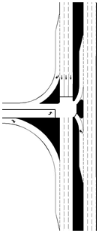
 |  | 537 |  |  |  |  | CLV |  |  |  |  |  |  |  |  | pepch |  | pepch
 |  |  |  |  |  |  |  |  |  |  |  |  |  |  |  | 51 |  | 216
 |  |  |  |  |  |  |  |  |  |  |  |  |  |  |  | 1 |  | 2
 |  | 0.31 |  | V/C | 1750 |  | MAX |  |  |  |  |  | pepch | 0 | 1 |  |  |  |  | WARNING: Westbound Traffic Not Included

Zone 5
 |  |  |  |  | 3 Phases |  |  |  |  |  |  |  | pepch | 306

 |  |  |  |  |  |  |  |  |  |  |  |  | pepch | 204 | 1 |  | 537

 |  |  |  |  |  |  |  |  |  |  |  |  |  |  |  | 1 |  |  | 2
 |  |  |  |  |  |  |  |  |  |  |  |  |  |  |  | 0 |  | 102 | 306
 |  |  |  |  |  |  |  |  |  |  |  |  |  |  |  | pepch |  | pepch | pepch

Back to Results

 |  |  |  |  |  | Note: This diagram does not reflect the actual lane configuration of the Intersection

CGT E
Continuous Green T (E) |  |  |  |  |  |  |  |  |  |  |  | Continuous Green T (E) |  |  |  |  |  |  |  |  | Assumptions

Design and results |  |  |  |  |  |  |  |  |  |  |  | Data Input and Configuration

Continuous Green T (E) Intersection
CGT E only allow shared northbound right-turn and shared westbound left-turn and right-turn.

 | Project Name: |  | Cap-X Sample Street |  |  |  |  | Volume-to-Capacity Ratio

 | Project Number: |  | 10000 |  |  |  |  | < 0.750 | 0.750 - 0.875 | 0.875 - 1.00 | ≥ 1.00

 | Location |  | Anywhere, USA |  |  |  |  | VOLUME / CAPACITY RATIO: |  | 0.31

 | Date |  | 2017 AM

Zone 5

 |  | 544 |  |  |  |  | CLV |  |  |  |  |  |  |  | pepch | pepch | pepch
 |  |  |  |  |  |  |  |  |  |  |  |  |  |  | 216 | 31 | 0
 |  |  |  |  |  |  |  |  |  |  |  |  |  |  | 2 | 1
 |  | 0.31 |  | V/C | 1750 |  | MAX |  |  |  |  |  | WARNING: Eastbound Traffic Not Included

Zone 5
 |  |  |  |  | 3 Phases |  |  |  |  |  |  |  |  |  |  |  |  | 1 | 226 | pepch

 |  |  |  |  |  |  |  |  |  |  |  |  |  | 544 |  |  |  | 1 | 340 | pepch

 |  |  |  |  |  |  |  |  |  |  |  |  |  |  |  |  |  |  | 0 | pepch

 |  |  |  |  |  |  |  |  |  |  |  |  |  |  |  | 2 | 1
 |  |  |  |  |  |  |  |  |  |  |  |  |  |  |  | 306 | 179
 |  |  |  |  |  |  |  |  |  |  |  |  |  |  |  | pepch | pepch

Back to Results

 |  |  |  |  |  | Note: This diagram does not reflect the actual lane configuration of the Intersection

TWSC E-W
Two Way Stop Control (E-W) |  |  |  |  |  |  |  |  |  |  |  |  |  |  |  |  |  |  |  |  | Two Way Stop Control (E-W) |  |  |  |  |  |  |  |  |  |  |  |  |  |  |  |  |  |  |  |  |  |  |  |  |  |  |  |  |  |  |  |  |  |  |  |  |  |  |  |  |  |  |  |  |  |  | Assumptions

Design and Results |  |  |  |  |  |  |  |  |  |  |  |  |  |  |  |  |  |  |  |  | Data Input and Configuration

Two-Way Stop-Controlled (TWSC) Intersection
All approaches have no more than two lanes (PPEAG),
All minor-street approaches have no more than one lane per movement (HCM);
Major-street left- and U-turns are provided with an exclusive turn lane (PPEAG);
There is no median on the major street, or the median has a nose width < 21 ft (PPEAG);
If an exclusive right-turn lane is provided on the major street, volumes making the right turn are not included as part of the conflicting volume (HCM);
No channelizing islands for right-turn movements (PPEAG);
No minor-street U-turns (HCM);
U-turns from two-lane major streets, as well as U-turns from minor streets, are converted into left-turn movements (CAP-X);
No median storage for minor-street left-turns and through movements (i.e., one-stage gap acceptance) (PPEAG);
No pedestrians (PPEAG); and
No platooning effects from upstream traffic signals (PPEAG).
 | Project Name: |  | Cap-X Sample Street |  |  |  |  |  | Volume-to-Capacity Ratio

 | Project Number: |  | 10000 |  |  |  |  |  | < 0.750 |  |  |  |  |  | 0.750 - 0.875 |  |  |  | 0.875 - 1.00 | ≥ 1.00

 | Location |  | Anywhere, USA |  |  |  |  |  | VOLUME / CAPACITY RATIO: |  |  |  |  |  |  |  |  |  | >10

 | Date |  | 2017 AM

 | Is Median Present on Major Street? |  | No

Zone 5

 |  |  |  |  |  |  |  |  |  |  | >10 |  |  |  |  |  |  | V/C | 943.57235482

 |  |  |  |  |  |  |  |  |  |  |  | R |  | n/a

 |  |  |  | R | T | L |  |  |  |  |  |  |  |  |  |  |  |  |  |  |  |  |  |  |  |  |  |  |  |  |  |  |  |  |  |  |  | a |  |  |  |  | 0.95 | 0.95
 |  |  |  |  |  |  |  |  |  |  |  | T |  | 0.3 |  |  |  |  |  |  |  |  |  |  |  |  |  |  |  |  |  |  |  |  |  |  |  | nm |  |  |  |  | 2 | 2
 |  |  |  | 0.0 | 350.0 | 943.6 |  |  |  |  |  |  |  |  |  |  |  |  |  |  |  |  |  |  |  |  |  |  |  |  |  |  |  |  |  |  |  | VcⅠ |  |  |  |  | 1813 | 1926

 |  | Two-Stage V/Cs |  | 0.0 | 7.2 | 22.0 |  |  |  |  |  | L |  | 0.6 |  |  |  |  |  |  |  |  |  |  |  |  |  |  |  |  |  |  |  |  |  |  |  | VcⅡ |  |  |  |  | 1836 | 1364.5

 |  |  |  |  |  |  |  |  |  |  |  |  |  |  |  |  |  |  |  |  |  |  |  |  |  |  |  |  |  |  |  |  |  |  |  |  |  | CⅠ |  |  |  |  | 30.902148251 | 1

 |  |  |  |  |  |  |  |  |  |  |  |  |  |  |  |  |  |  |  |  |  |  |  |  |  |  |  |  |  |  |  |  |  |  |  |  |  | CⅡ |  |  |  |  | 29.274343127 | 3

 |  |  |  |  |  |  |  |  |  |  |  |  |  |  |  |  |  |  |  |  |  |  |  |  |  |  |  |  |  |  |  |  |  |  |  |  |  | y |  |  |  |  | -0.12 | 0.00

 |  |  |  |  |  |  |  |  |  |  |  |  |  |  |  |  |  |  |  |  |  |  |  |  |  |  |  |  |  |  |  |  |  |  |  |  |  | CT |  |  |  |  | 37 | 1

 |  |  |  |  |  |  |  |  |  |  |  |  |  |  |  |  |  |  |  |  |  |  |  |  |  |  |  |  |  |  |  |  |  |  |  |  |  | V/C |  |  |  |  | 7.20 | 22.04

 |  |  |  |  |  |  |  |  |  |  |  |  |  |  |  |  |  |  |  |  |  |  |  |  |  |  |  |  |  |  |  |  |  |  |  |  |  |  |  |  | 0.0 |  |  | 134.6
 |  |  |  |  |  |  |  |  |  |  |  |  |  |  |  |  |  |  |  |  |  |  |  |  |  |  |  | Volume-to-Capacity Ratio |  |  |  |  |  |  |  |  |  |  |  |  | 0.0 |  | 350.0 | 943.6
 |  |  |  |  |  |  | 0.6 | L |  |  |  |  |  |  |  |  |  |  |  |  |  |  |  |  |  |  |  | Capacity Shared lane, CSH |  |  |  |  |  |  |  |  |  |  |  |  | 0.8 |  |  | 0.2
 |  |  |  |  |  |  |  |  |  |  |  |  |  |  |  |  |  |  |  |  |  |  |  |  |  |  |  | Movement Capacity, Cm |  |  |  |  |  |  |  |  |  |  |  |  | 393.8 |  | 0.8 | 0.0
 |  |  |  |  |  |  |  |  |  |  |  |  |  |  |  |  |  |  |  |  |  |  |  |  |  |  |  | Potential Capacity, Cp |  |  |  |  |  |  |  |  |  |  |  |  | 393.8 |  | 4.9 | 1.4
 |  |  |  |  |  |  | 0.3 | T |  | L |  |  | T |  |  | R |  |  |  |  |  |  |  |  |  |  |  | Follow-up Headway, tf |  |  |  |  |  |  |  |  |  |  |  |  | 3.3 |  | 4.0 | 3.5
 |  |  |  |  |  |  |  |  |  |  |  |  |  |  |  |  |  |  |  |  |  |  |  |  |  |  |  | Critical Headway, tc |  |  |  |  |  |  |  |  |  |  |  |  | 6.9 |  | 6.5 | 7.5 |  |  | 6.74 |  | for second stage bi-directional six lanes
 |  |  |  |  |  |  |  |  |  | 878.2 |  |  | 657.9 |  |  | 0.0 |  |  |  |  |  |  |  |  |  |  |  | P,HV |  |  |  |  |  |  |  |  |  |  |  |  | 0.0 |  | 0.0 | 0.0
 |  |  |  |  |  |  | n/a | R |  |  |  |  |  |  |  |  |  |  |  |  |  |  |  |  |  |  |  | t3,LT Adjustment |  |  |  |  |  |  |  |  |  |  |  |  | 0.0 |  | 0.0 | 0.0
 |  |  |  |  |  |  |  |  |  | 34.4 |  |  | 12.9 |  |  | 0.0 | Two-Stage V/Cs |  |  |  |  |  |  |  |  |  |  | tf,HV |  |  |  |  |  |  |  |  |  |  |  |  | 1.0 |  | 1.0 | 1.0
 |  |  |  |  |  |  |  |  |  |  |  |  |  |  |  |  |  |  |  |  |  |  |  |  |  |  |  | tc,HV |  |  |  |  |  |  |  |  |  |  |  |  | 2.0 |  | 2.0 | 2.0 |  |  |  |  |  | SBLt
 |  |  |  |  |  |  |  |  |  |  |  |  |  |  |  |  |  |  |  |  |  |  |  |  |  |  |  | Follwoup Headway tf,base |  |  |  |  |  |  |  |  |  |  |  |  | 3.3 |  | 4.0 | 3.5 |  |  |  |  |  | P' | 0.024154887671
 |  |  |  |  |  |  |  |  |  |  |  |  |  |  |  |  |  |  |  |  |  |  |  |  |  |  |  | Critical Headway, tc,base |  |  |  |  |  |  |  |  |  |  |  |  | 6.9 |  | 6.5 | 7.5 |  |  |  |  |  | P" | 0.002
 |  |  |  |  |  |  |  |  |  |  |  |  |  |  |  |  |  |  |  |  |  |  |  |  |  |  |  |  | Conflicting Volume, Vc |  |  |  |  |  |  |  |  |  |  |  | pepch |  | pepch | pepch
 |  |  |  |  |  |  |  |  |  |  |  |  |  |  |  |  |  |  |  |  |  |  |  |  |  |  |  |  |  |  |  |  |  |  |  |  |  |  |  |  | 679.5 |  | 3649 | 3800.5
 |  |  |  |  |  |  |  |  |  |  |  |  |  |  |  |  |  |  |  |  |  |  |  |  |  |  |  |  |  |  |  |  |  |  |  |  |  |  |  |  | 2 |  | 2 | 2

 |  |  |  |  |  |  |  |  |  |  |  |  |  |  |  |  |  |  |  |  |  |  |  |  |  |  |  |  |  |  |  |  |  |  |  |  |  |  |  |  |  |  |  |  |  |  |  |  |  |  |  |  |  |  | tc,base | tf,base | tc,hv | tf,hv | t3,LT | P,HV | tc | tf | Cp | Cm | CSH | V/C | V/C,SH

 |  |  |  |  |  |  |  |  |  |  |  |  |  |  |  |  |  |  |  |  |  |  |  |  |  |  |  |  |  |  |  |  |  |  |  |  |  |  |  |  | pepch |  | pepch | pepch
 |  |  |  |  |  |  |  |  |  |  |  |  |  |  |  |  |  |  |  |  |  |  |  |  |  |  |  |  |  |  |  |  |  |  |  |  |  |  |  |  | 0 |  | 267 | 31
 |  |  |  |  |  |  |  |  |  |  |  |  |  |  |  |  |  |  |  |  |  |  |  |  |  |  |  |  |  |  |  |  |  |  |  |  |  |  |  |  | 0 |  | 1 | 1
Back to Results
 |  |  |  |  |  |  |  |  |  |  |  |  |  |  |  |  |  |  |  |  |  |  | 0.0 |  | 143.0 | 143.0 | 3.1 | 6.9 | 0.0 | 0.0 | 1.0 | 2.0 | 3.1 | 6.9 | pepch | 1359 | 2 | pepch | 0 | 1 |  |  |  |  |  |  | 1 | 226 | pepch |  |  |  |  | pepch

Zone 5
 |  |  |  |  |  |  |  |  |  |  |  |  |  |  |  |  |  |  |  |  |  | 0.6 | 0.6 | 501.8 | 501.8 | 501.8 | 2.2 | 4.1 | 0.0 | 0.0 | 1.0 | 2.0 | 2.2 | 4.1 | pepch | 1359 | 2 | pepch | 306 |  |  |  |  |  |  |  | 2 | 1133 | pepch |  |  |  |  | pepch |  |  |  |  |  |  |  |  |  | 3600.0 |  | 0.3

 |  |  |  |  |  |  |  |  |  |  |  |  |  |  |  |  |  |  |  |  |  |  | 0.3 |  | 3600.0 |  |  |  |  |  |  |  |  |  | pepch |  |  | pepch | 1020 | 2 |  | 943.57 |  |  |  | V/C | 1 | 340 | pepch |  |  | 2 | 1224 | pepch | 4.1 | 2.2 | 2.0 | 1.0 | 0.0 | 0.0 | 4.1 | 2.2 | 565.3 | 565.3 | 565.3 | 0.6 | 0.6

 |  |  |  |  |  |  |  |  |  |  |  |  |  |  |  |  |  |  |  |  |  |  |  |  |  |  |  |  |  |  |  |  |  |  | pepch |  |  | pepch | 204 | 1 |  |  |  |  |  |  |  | 0 | pepch |  |  | 2 | 1224 | pepch | 6.9 | 3.1 | 2.0 | 1.0 | 0.0 | 0.0 | 6.9 | 3.1 | 176.8 | 176.8 |  | 0.0

 |  |  |  |  |  |  |  |  |  |  |  |  |  |  |  |  |  |  |  |  |  |  |  |  |  |  |  |  |  |  |  |  |  |  |  |  |  |  |  |  | 1 |  |  | 1 | 0
 |  |  |  |  |  |  |  |  |  |  |  |  |  |  |  |  |  |  |  |  |  | V/C,SH | V/C | CSH | Cm | Cp | tf | tc | P,HV | t3,LT | tf,hv | tc,hv | tf,base | tc,base |  |  |  |  |  |  |  |  | 102 | 485 | 0
 |  |  |  |  |  |  |  |  |  |  |  |  |  |  |  |  |  |  |  |  |  |  |  |  |  |  |  |  |  |  |  |  |  |  |  |  |  |  |  |  |  |  | pepch | pepch | pepch

 |  |  |  |  |  |  |  |  |  |  |  |  |  |  |  |  |  |  |  |  |  |  |  |  |  |  |  |  |  |  |  |  |  |  |  |  |  |  |  |  |  |  | 2 | 2 | 2
 |  |  |  |  |  |  |  |  |  |  |  |  |  |  |  |  |  |  |  |  |  |  |  |  |  |  |  |  |  |  |  |  |  |  |  |  |  |  |  |  |  |  | 3114 | 3671 | 612
 |  |  |  |  |  |  |  |  |  |  |  |  |  |  |  |  |  |  |  |  |  |  |  |  |  |  |  |  |  |  |  |  |  |  |  |  |  |  |  |  |  |  | pepch | pepch | pepch
 |  |  |  |  |  |  |  |  |  |  |  |  |  |  |  |  |  |  |  |  |  |  |  | NBLt |  |  |  |  |  |  |  |  |  |  |  |  |  | tc,base |  |  |  |  | 7.5 | 6.5 | 6.9
 |  |  |  |  |  |  |  |  |  |  |  |  |  |  |  |  |  |  |  |  |  |  |  | P' |  | 0.02 |  | 0.51 |  | 0.04 |  |  |  |  |  |  |  | tf,base |  |  |  |  | 3.5 | 4.0 | 3.3
 |  |  |  |  |  |  |  |  |  |  |  |  |  |  |  |  |  |  |  |  |  |  |  | P" |  | 0.002 |  | 0.39 |  | 0.00 |  |  |  |  |  |  |  | tc,hv |  |  |  |  | 2.0 | 2.0 | 2.0
 |  |  |  |  |  |  |  |  |  |  |  |  |  |  |  |  |  |  |  |  |  |  |  |  |  |  |  |  |  |  |  |  |  |  |  |  |  | tf,hv |  |  |  |  | 1.0 | 1.0 | 1.0
No Median/Single Stage
 |  |  |  |  |  |  |  |  |  |  |  |  |  |  |  |  |  |  |  |  |  |  |  |  |  |  |  |  |  |  |  |  |  |  |  |  |  | t3,LT |  |  |  |  | 0.0 | 0.0 | 0.0
 |  |  |  |  |  |  |  |  |  |  |  |  |  |  |  |  |  |  |  |  |  |  |  |  |  |  |  |  |  |  |  |  |  |  |  |  |  | P,HV |  |  |  |  | 0.0 | 0.0 | 0.0
 |  |  |  |  |  |  |  |  |  |  |  |  |  |  |  |  |  |  |  |  |  |  |  |  |  |  |  |  |  |  |  |  |  |  |  |  |  | tc |  |  |  |  | 7.5 | 6.5 | 6.9
 |  |  |  |  |  |  |  |  |  |  |  |  |  |  |  |  |  |  |  |  |  |  |  |  |  |  |  |  |  |  |  |  |  |  |  |  |  | tf |  |  |  |  | 3.5 | 4.0 | 3.3
 |  |  |  |  |  |  |  |  |  |  |  |  |  |  |  |  |  |  |  |  |  |  |  |  |  |  |  |  |  |  |  |  |  |  |  |  |  | Cp |  |  |  |  | 4.8 | 4.7 | 436.1
 |  |  |  |  |  |  |  |  |  |  |  |  |  |  |  |  |  |  |  |  |  |  |  |  |  |  |  |  |  |  |  |  |  |  |  |  |  | Cm |  |  |  |  | 0.1 | 0.7 | 436.1
 |  |  |  |  |  |  |  |  |  |  |  |  |  |  |  |  |  |  |  |  |  |  |  |  |  |  |  |  |  |  |  |  |  |  |  |  |  | CSH |  |  |  |  | 0.4 |  | 0.7
 |  |  |  |  |  |  |  |  |  |  |  |  |  |  |  |  |  |  |  |  |  |  |  |  |  |  |  |  |  |  |  |  |  |  |  |  |  | V/C |  |  |  |  | 878.2 | 657.9 | 0.0
 |  |  |  |  |  |  |  |  |  |  |  |  |  |  |  |  |  |  |  |  |  |  |  |  |  |  |  |  |  |  |  |  |  |  |  |  |  | V/C,SH |  |  |  |  | 266.9 |  | 0.0

 |  |  |  |  |  |  |  |  |  |  |  |  |  |  |  |  |  |  |  |  |  |  |  |  |  |  |  |  |  |  |  |  |  |  |  |  |  | a |  |  |  |  | 0.95 | 0.95
 |  |  |  |  |  |  |  |  |  |  |  |  |  |  |  |  |  |  |  |  |  |  |  |  |  |  |  |  |  |  |  |  |  |  |  |  |  | nm |  |  |  |  | 2 | 2
 |  |  |  |  |  |  |  |  |  |  |  |  |  |  |  |  |  |  |  |  |  |  |  |  |  |  |  |  |  |  |  |  |  |  |  |  |  | VcⅠ |  |  |  |  | 1734 | 1632

 |  |  |  |  |  |  |  |  |  |  |  |  |  |  |  |  |  |  |  |  |  |  |  |  |  |  |  |  |  |  |  |  |  |  |  |  |  | VcⅡ |  |  |  |  | 1380 | 2039

Median/ Two Stages – Stage Ⅰ,Stage Ⅱ
 |  |  |  |  |  |  |  |  |  |  |  |  |  |  |  |  |  |  |  |  |  |  |  |  |  |  |  |  |  |  |  |  |  |  |  |  |  | CⅠ |  |  |  |  | 1 | 39

 |  |  |  |  |  |  |  |  |  |  |  |  |  |  |  |  |  |  |  |  |  |  |  |  |  |  |  |  |  |  |  |  |  |  |  |  |  | CⅡ |  |  |  |  | 3 | 22.295014345

 |  |  |  |  |  |  |  |  |  |  |  |  |  |  |  |  |  |  |  |  |  |  |  |  |  |  |  |  |  |  |  |  |  |  |  |  |  | y |  |  |  |  | 0 | -0.14

 |  |  |  |  |  |  |  |  |  |  |  |  |  |  |  |  |  |  |  |  |  |  |  |  |  |  |  |  |  |  |  |  |  |  |  |  |  | CT |  |  |  |  | 3 | 38

 |  |  |  |  |  |  |  |  |  |  |  |  |  |  |  |  |  |  |  |  |  |  |  |  |  |  |  |  |  |  |  |  |  |  |  |  |  | V/C |  |  |  |  | 34.39 | 12.89

AWSC
All Way Stop Control |  |  |  |  |  |  |  |  |  |  | All Way Stop Control |  |  |  |  |  |  |  |  |  |  |  |  |  |  |  |  |  |  |  | Assumptions

Design and Results |  |  |  |  |  |  |  |  |  |  | Data Input and Configuration

All-Way Stop-Controlled (AWSC) Intersection
All approaches have no more than two lanes (PPEAG),
Opposite approaches have the same number of lanes (PPEAG),
No pedestrians (PPEAG), and
U-turns are converted into left-turn movements (CAP-X).
 | Project Name: |  | Cap-X Sample Street |  |  |  | Volume-to-Capacity Ratio |  |  |  |  | Total Entering Capacity (veh/h) |  |  | E/W App. |  | N/S App. |  |  | Used? |  |  |  |  | Total Entering Flow Rate

 | Project Number: |  | 10000 |  |  |  | < 0.750 | 0.750 - 0.875 | 0.875 - 1.00 | ≥ 1.00 |  | 1,200 | both streets: 1-lane approaches |  | FALSE |  | FALSE |  |  | FALSE |  |  |  |  | Ve

 | Location |  | Anywhere, USA |  |  |  | VOLUME / CAPACITY RATIO: |  | 2.24 |  |  | 1,500 | one street: 1-lane approaches, one street: 2-lane approaches |  | FALSE |  | FALSE |  |  | FALSE |  |  |  |  | 4037

 | Date |  | 2017 AM |  |  |  |  |  |  |  |  | 1,800 | both streets: 2-lane approaches |  | TRUE |  | TRUE |  |  | 1800

 |  |  |  |  |  |  |  |  |  |  |  |  |  |  |  |  |  |  |  |  |  |  | *U-Turns are converted into Left Turns

 |  |  |  |  |  |  |  |  |  |  |  |  |  |  |  |  |  | Vy |  |  | 298

Zone 5

 |  | 4037 |  |  |  | CLV |  |  |  |  |  |  |  |  |  |  |  |  | pepch |  | pepch | pepch |  | pepch
 |  |  |  |  |  |  |  |  |  |  |  |  |  |  |  |  |  |  | 51 |  | 216 | 31
 |  |  |  |  |  |  |  |  |  |  |  |  |  |  |  |  |  |  | 1 |  | 2 | 1
 |  | 2.24 |  | V/C | 1800 | MAX |  |  |  |  |  |  |  |  |  | pepch |  | 1 |  |  |  |  |  |  |  | 1 | 226 | pepch

Zone 5
 |  |  |  |  |  |  |  |  |  |  |  |  |  |  |  | pepch | 306 |  |  |  |  |  |  |  |  | 2 | 1133 | pepch
 |  |  |  |  |  |  |  |  |  |  |  |  | Vy | 1530 |  |  |  |  |  |  |  |  |  |  |  |  |  |  | Vy | 1699

 |  |  |  |  |  |  |  |  |  |  |  |  |  |  |  | pepch | 1020 | 2 |  | 4037 |  |  |  |  |  | 1 | 340 | pepch

 |  |  |  |  |  |  |  |  |  |  |  |  |  |  |  | pepch | 204 | 1 |  |  |  |  |  |  |  |  |  | pepch

 |  |  |  |  |  |  |  |  |  |  |  |  |  |  |  |  |  |  | 1 |  |  | 2 |  | 1
 |  |  |  |  |  |  |  |  |  |  |  |  |  |  |  |  |  |  |  |  | 102 | 306 |  | 102
 |  |  |  |  |  |  |  |  |  |  |  |  |  |  |  |  |  |  | pepch |  | pepch | pepch |  | pepch

 |  |  |  |  |  |  |  |  |  |  |  |  |  |  |  |  |  | Vy |  |  | 510

Back to Results

QR S-W
Quadrant Roadway Intersection (S-W) |  |  |  |  |  |  |  |  |  |  |  |  |  |  |  |  |  | Quadrant Roadway Intersection (S-W)

Design and Results |  |  |  |  |  |  |  |  |  |  |  |  |  |  |  |  |  | Data Input and Configuration

 | Project Name: |  |  |  | Cap-X Sample Street |  |  | Volume-to-Capacity Ratio
 |  |  |  |  |  |  |  |  |  |  |  |  |  |  |  |  |  |  | Multimodal Capacity Adjustment Factor |  |  |  |  |  | 1.00
 | Project Number: |  |  |  | 10000 |  |  | < 0.750 |  | 0.750 - 0.875 |  |  | 0.875 - 1.00 |  | ≥ 1.00

 | Location |  |  |  | Anywhere, USA |  |  | VOLUME / CAPACITY RATIO: |  |  |  |  | 0.56

 | Date |  |  |  | 2017 AM

Zone 4
Zone 5
 |  |  |  |  |  |  |  |  |  |  |  |  |  |  |  |  |  |  |  |  |  |  |  |  |  |  |  |  |  |  |  |  | pepch |  | pepch | pepch | pepch
 |  |  |  |  |  |  |  |  |  |  |  |  |  |  |  |  |  |  |  |  |  |  |  |  |  |  |  |  |  |  |  |  | 51 |  | 216 | 31 | 0
 |  |  |  |  |  |  |  |  |  |  |  |  |  |  |  |  |  |  |  |  |  |  |  |  |  |  |  |  |  |  |  |  | 1 |  | 2
 |  |  |  |  |  |  |  |  |  |  |  |  |  |  |  |  |  |  |  | pepch | 0 |  |  |  |  |  | 2 | 1184 | pepch |  |  |  |  |  |  |  |  | 1 | 226 | pepch
 |  | 975 |  |  |  | CLV |  |  | 947 |  |  | CLV
Zone 5
Zone 4
 |  |  |  |  |  |  |  |  |  |  |  |  |  |  |  |  |  |  |  | pepch | 306 |  |  |  |  |  | 1 | 340 | pepch |  |  |  |  |  |  |  |  | 2 | 1133 | pepch
 |  | 0.56 | V/C | 1750 |  | MAX |  |  | 0.53 | V/C | 1800 | MAX

 |  |  |  |  |  |  |  |  |  |  |  |  |  |  |  |  |  |  |  | pepch | 1020 | 2 | 975 |  |  |  |  |  |  | pepch | 1051 | 2 |  | 947 |  |  |  |  | 340 | pepch
 |  |  |  | 3 Phases |  |  |  |  |  |  | 2 Phases

 |  |  |  |  |  |  |  |  |  |  |  |  |  |  |  |  |  |  |  | pepch | 204 | 1 |  |  |  |  |  |  |  | pepch | 0 | 1 |  |  |  |  |  |  | 0 | pepch
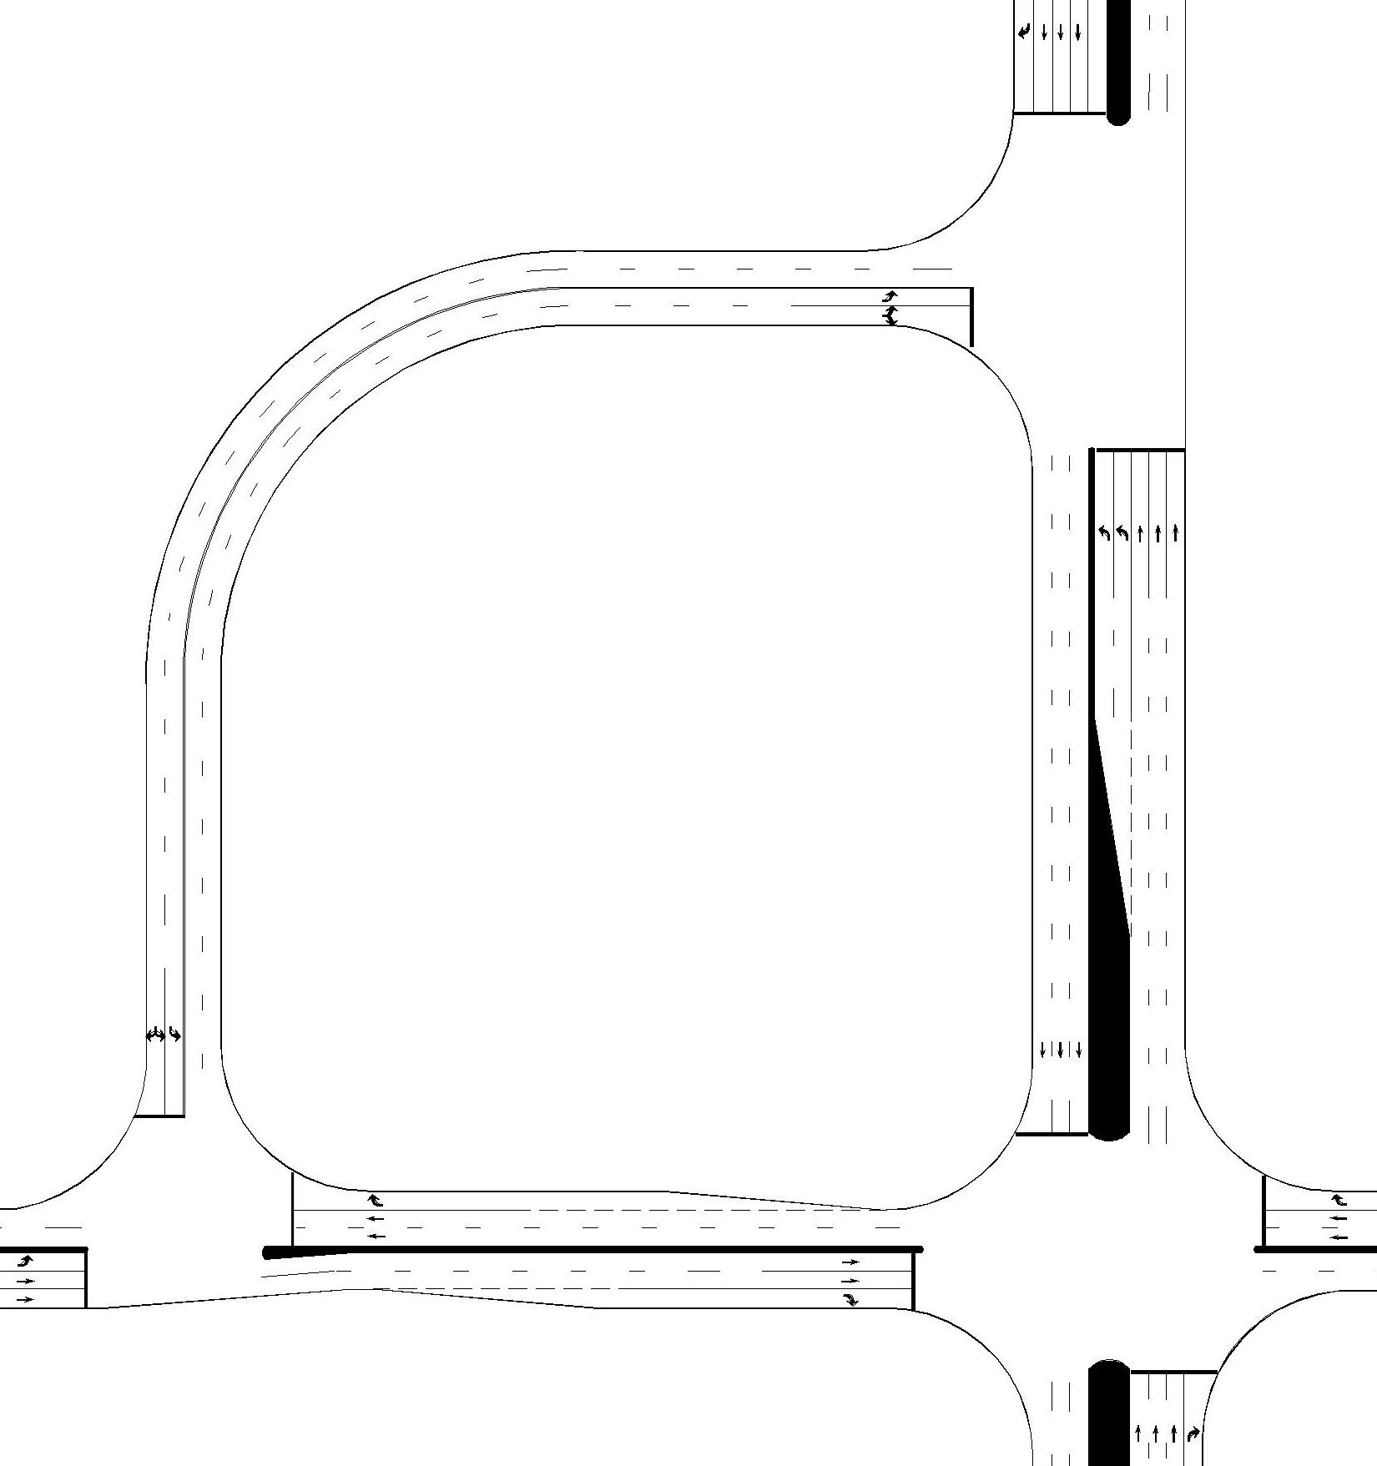

 |  |  |  |  |  |  |  |  |  |  |  |  |  |  |  |  |  |  |  |  |  |  |  | 1 |  | 1 |  |  |  |  |  |  |  |  |  | 2 | 1
 |  |  |  |  |  |  |  |  |  |  |  |  |  |  |  |  |  |  |  |  |  |  |  | 102 |  | 31 |  |  |  |  |  |  |  |  |  | 306 | 179
 |  |  |  |  |  |  |  |  |  |  |  |  |  |  |  |  |  |  |  |  |  |  |  | pepch |  | pepch |  |  |  |  |  |  |  |  |  | pepch | pepch

 |  |  |  |  |  |  |  |  |  |  |  |  |  |  |  |  |  |  |  |  |  |  |  |  |  |  |  |  |  |  |  |  | pepch |  | pepch
 |  |  |  |  |  |  |  |  |  |  |  |  |  |  |  |  |  |  |  |  |  |  |  |  |  |  |  |  |  |  |  |  | 31 |  | 216
 |  |  |  |  |  |  |  |  |  |  |  |  |  |  |  |  |  |  |  |  |  |  |  |  |  |  |  |  |  |  |  |  | 1 |  | 2

Zone 2

 |  |  |  |  |  |  |  |  |  |  |  |  |  |  |  |  |  |  |  |  |  |  |  |  |  |  |  |  |  | pepch | 306 | 1 |  | 776

 |  |  |  |  |  |  |  |  |  |  |  |  |  |  |  |  |  |  |  |  |  |  |  |  |  |  |  |  |  | pepch | 544 | 1

 |  |  |  |  |  |  |  |  |  |  |  |  |  |  |  |  |  |  |  |  |  |  |  |  |  |  |  |  |  |  |  |  |  |  | 1 | 2
 |  |  |  |  |  |  |  |  |  |  |  |  |  |  |  |  |  |  |  |  |  |  |  |  |  |  |  |  |  |  |  |  | 0 |  | 102 | 306 | 179
 |  |  |  |  |  |  |  |  |  |  |  |  |  |  |  |  |  |  |  |  |  |  |  |  |  |  |  |  |  |  |  |  | pepch |  | pepch | pepch | pepch
Zone 2

 |  |  |  |  |  |  |  |  |  |  |  |  |  | 776 |  |  | CLV

 |  |  |  |  |  |  |  |  |  |  |  |  |  | 0.44 | V/C | 1750 | MAX

Back to Results
 |  |  |  |  |  |  |  |  |  |  |  |  |  |  |  | 3 Phases

 |  |  |  |  |  |  | Note: This diagram does not reflect the actual lane configuration of the Intersection

QR N-E
Quadrant Roadway Intersection (N-E) |  |  |  |  |  |  |  |  |  |  |  |  |  |  | Quadrant Roadway Intersection (N-E)

Design and Results |  |  |  |  |  |  |  |  |  |  |  |  |  |  | Data Input and Configuration

 | Project Name: |  |  | Cap-X Sample Street |  |  | Volume-to-Capacity Ratio
 |  |  |  |  |  |  |  |  |  |  |  |  |  |  |  | Multimodal Capacity Adjustment Factor |  |  |  |  |  |  |  | 1.00
 | Project Number: |  |  | 10000 |  |  | < 0.750 | 0.750 - 0.875 |  | 0.875 - 1.00 |  |  | ≥ 1.00

 | Location |  |  | Anywhere, USA |  |  | VOLUME / CAPACITY RATIO: |  |  | 0.56

 | Date |  |  | 2017 AM

 |  |  |  |  |  |  |  |  |  |  |  |  |  |  |  |  |  |  |  | pepch |  | pepch | pepch |  | pepch
 |  |  |  |  |  |  |  |  |  |  |  |  |  |  |  |  |  |  |  | 51 |  | 216 | 31 |  | 0
 |  |  |  |  |  |  |  |  |  |  |  |  |  |  |  |  |  |  |  |  |  | 2 | 1

Zone 1

Zone 1
 |  |  |  |  |  |  |  |  |  |  |  |  |  |  |  |  |  |  |  |  | 779 |  |  |  |  | 1 | 532 | pepch

 | 779 |  |  |  | CLV
 |  |  |  |  |  |  |  |  |  |  |  |  |  |  |  |  |  |  |  |  |  |  |  |  |  | 1 | 340 | pepch

 | 0.44 | V/C | 1750 |  | MAX
 |  |  |  |  |  |  |  |  |  |  |  |  |  |  |  |  |  |  |  |  |  |  | 2 |  | 1
 |  |  |  |  |  |  |  |  |  |  |  |  |  |  |  |  |  |  |  |  |  |  | 306 |  | 102
 |  |  | 3 Phases |  |  |  |  |  |  |  |  |  |  |  |  |  |  |  |  |  |  |  | pepch |  | pepch

Zone 5
 |  |  |  |  |  |  |  |  |  |  |  |  |  |  |  |  |  |  |  | pepch |  | pepch |  |  |  |  |  |  |  |  |  | pepch |  | pepch
 |  |  |  |  |  |  |  |  |  |  |  |  |  |  |  |  |  |  |  | 51 |  | 216 |  |  |  |  |  |  |  |  |  | 102 |  | 31
 |  |  |  |  |  |  |  |  |  |  |  |  |  |  |  |  |  |  |  | 1 |  | 2 |  |  |  |  |  |  |  |  |  | 1 |  | 1
 |  |  |  |  |  |  |  |  |  |  |  |  |  |  |  |  | pepch | 0 |  |  |  |  |  |  |  | 1 | 0 | pepch |  |  |  |  |  |  | 1 | 226 | pepch

Zone 5
Zone 3
 | 874 |  |  |  | CLV
 |  |  |  |  |  |  |  |  |  |  |  |  |  |  |  |  | pepch | 306 |  |  |  |  |  |  |  | 2 | 1235 | pepch+ |  |  |  |  |  |  | 2 | 1133 | pepch

 | 0.49 | V/C | 1800 |  | MAX
 |  |  |  |  |  |  |  |  |  |  |  |  |  |  |  |  | pepch | 1020 | 2 |  | 874 |  |  |  |  |  |  |  | pepch | 306 | 1 |  | 988 |  |  | 340 | pepch

 |  |  | 2 Phases
 |  |  |  |  |  |  |  |  |  |  |  |  |  |  |  |  | pepch | 204 | 1 |  |  |  |  |  |  |  |  |  | pepch | 1199 | 2 |  |  |  |  | 0 | pepch

 |  |  |  |  |  |  |  |  |  |  |  |  |  |  |  |  |  |  |  |  |  |  | 2 |  | 1
 |  |  |  |  |  |  |  |  |  |  |  |  |  |  |  |  |  |  |  | 0 |  | 102 | 306 |  | 179
 |  |  |  |  |  |  |  |  |  |  |  |  |  |  |  |  |  |  |  | pepch |  | pepch | pepch |  | pepch
Zone 3

 |  |  |  |  |  |  |  |  | 988 |  |  |  |  | CLV

Back to Results
 |  |  |  |  |  |  |  |  | 0.56 |  | V/C | 1750 |  | MAX

 |  |  |  |  |  |  |  |  |  |  |  | 3 Phases
 |  |  |  |  |  | Note: This diagram does not reflect the actual lane configuration of the Intersection

QR S-E
Quadrant Roadway Intersection (S-E) |  |  |  |  |  |  |  |  |  |  |  |  |  | Quadrant Roadway Intersection (S-E)

Design and Results |  |  |  |  |  |  |  |  |  |  |  |  |  | Data Input and Configuration

 | Project Name: |  |  | Cap-X Sample Street |  |  | Volume-to-Capacity Ratio
 |  |  |  |  |  |  |  |  |  |  |  |  |  |  | Multimodal Capacity Adjustment Factor |  |  |  |  |  |  |  | 1.00
 | Project Number: |  |  | 10000 |  |  | < 0.750 | 0.750 - 0.875 |  | 0.875 - 1.00 |  |  | ≥ 1.00

 | Location |  |  | Anywhere, USA |  |  | VOLUME / CAPACITY RATIO: |  |  | 0.56

 | Date |  |  | 2017 AM

Zone 3

 |  |  |  |  |  |  |  |  |  |  |  |  |  |  |  |  |  |  | pepch |  | pepch | pepch |  | pepch
 |  |  |  |  |  |  |  |  | 975 |  |  | CLV |  |  |  |  |  |  | 51 |  | 216 | 31 |  | 0
 |  |  |  |  |  |  |  |  |  |  |  |  |  |  |  |  |  |  | 1 |  | 2
 |  |  |  |  |  |  |  |  |  |  |  |  |  |  |  | pepch | 0 |  |  |  |  |  |  |  | 1 | 226 | pepch |  |  |  |  |  |  |  | 226 | pepch
Zone 5
 |  |  |  |  |  |  |  |  | 0.56 | V/C | 1750 | MAX

Zone 5
Zone 3
 |  |  |  |  |  |  |  |  |  |  |  |  |  |  |  | pepch | 306 |  |  |  |  |  |  |  | 2 | 1235 | pepch |  |  |  |  |  |  | 2 | 1133 | pepch
 |  |  |  |  |  |  |  |  |  |  | 3 Phases
 | 816 |  |  |  | CLV
 |  |  |  |  |  |  |  |  |  |  |  |  |  |  |  | pepch | 1020 | 2 |  | 816 |  |  |  |  |  |  |  | pepch | 1020 | 2 | 975 |  |  | 1 | 340 | pepch

 | 0.45 | V/C | 1800 |  | MAX
 |  |  |  |  |  |  |  |  |  |  |  |  |  |  |  | pepch | 204 | 1 |  |  |  |  |  |  |  |  |  | pepch | 306 | 1 |  |  |  |  | 0 | pepch

 |  |  | 2 Phases
 |  |  |  |  |  |  |  |  |  |  |  |  |  |  |  |  |  |  |  |  |  | 2 |  | 1 |  |  |  |  |  |  |  | 1 | 1
 |  |  |  |  |  |  |  |  |  |  |  |  |  |  |  |  |  |  |  |  |  | 306 |  | 0 |  |  |  |  |  |  |  | 102 | 210
 |  |  |  |  |  |  |  |  |  |  |  |  |  |  |  |  |  |  |  |  |  | pepch |  | pepch |  |  |  |  |  |  |  | pepch | pepch

 |  |  |  |  |  |  |  |  |  |  |  |  |  |  |  |  |  |  | pepch |  | pepch
 |  |  |  |  |  |  |  |  |  |  |  |  |  |  |  |  |  |  | 420 |  | 31
 |  |  |  |  |  |  |  |  |  |  |  |  |  |  |  |  |  |  | 2 |  | 1

Zone 2

 |  |  |  |  |  |  |  |  |  |  |  |  |  |  |  |  |  |  |  | 568 |  |  |  |  | 1 | 306 | pepch

 |  |  |  |  |  |  |  |  |  |  |  |  |  |  |  |  |  |  |  |  |  |  |  |  | 1 | 340 | pepch

Zone 2
 |  |  |  |  |  |  |  |  |  |  |  |  |  |  |  |  |  |  |  |  |  | 2 |  | 1
 |  |  |  |  |  |  |  |  |  |  |  |  |  |  |  |  |  |  | 0 |  | 102 | 306 |  | 179
 |  |  |  |  |  |  |  |  |  |  |  |  |  |  |  |  |  |  | pepch |  | pepch | pepch |  | pepch
 | 568 |  |  |  | CLV

 | 0.32 | V/C | 1750 |  | MAX

 |  |  | 3 Phases
Back to Results

 |  |  |  |  |  | Note: This diagram does not reflect the actual lane configuration of the Intersection

QR N-W
Quadrant Roadway Intersection (N-W) |  |  |  |  |  |  |  |  |  |  |  |  |  |  | Quadrant Roadway Intersection (N-W)

Design and Results |  |  |  |  |  |  |  |  |  |  |  |  |  |  | Data Input and Configuration

 | Project Name: |  | Cap-X Sample Street |  |  |  |  | Volume-to-Capacity Ratio
 |  |  |  |  |  |  |  |  |  |  |  |  |  |  |  | Multimodal Capacity Adjustment Factor |  |  |  |  |  |  | 1.00
 | Project Number: |  | 10000 |  |  |  |  | < 0.750 | 0.750 - 0.875 | 0.875 - 1.00 |  |  | ≥ 1.00

 | Location |  | Anywhere, USA |  |  |  |  | VOLUME / CAPACITY RATIO: |  | 0.56

 | Date |  | 2017 AM

 |  |  |  |  |  |  |  |  |  |  |  |  |  |  |  |  |  |  |  |  |  |  |  |  |  |  |  |  |  | pepch |  | pepch | pepch | pepch
 |  |  |  |  |  |  |  |  |  |  |  |  |  |  |  |  |  |  |  |  |  |  |  |  |  |  |  |  |  | 51 |  | 216 | 31 | 0
 |  |  |  |  |  |  |  |  |  |  |  |  |  |  |  |  |  |  |  |  |  |  |  |  |  |  |  |  |  | 1 |  | 2

Zone 1
Zone 1

 |  |  |  |  |  |  |  |  |  | 588 |  |  |  | CLV
 |  |  |  |  |  |  |  |  |  |  |  |  |  |  |  |  |  |  |  |  |  |  |  |  |  |  | pepch | 306 | 1 |  | 588

 |  |  |  |  |  |  |  |  |  | 0.34 | V/C | 1750 |  | MAX
 |  |  |  |  |  |  |  |  |  |  |  |  |  |  |  |  |  |  |  |  |  |  |  |  |  |  | pepch | 340 | 1

 |  |  |  |  |  |  |  |  |  |  |  | 3 Phases
 |  |  |  |  |  |  |  |  |  |  |  |  |  |  |  |  |  |  |  |  |  |  |  |  |  |  |  |  |  |  |  |  | 1 | 2
 |  |  |  |  |  |  |  |  |  |  |  |  |  |  |  |  |  |  |  |  |  |  |  |  |  |  |  |  |  |  |  |  | 102 | 532
 |  |  |  |  |  |  |  |  |  |  |  |  |  |  |  |  |  |  |  |  |  |  |  |  |  |  |  |  |  |  |  |  | pepch | pepch

 |  |  |  |  |  |  |  |  |  |  |  |  |  |  |  |  |  |  |  | pepch |  | pepch |  |  |  |  |  |  |  | pepch |  | pepch
 |  |  |  |  |  |  |  |  |  |  |  |  |  |  |  |  |  |  |  | 153 |  | 31 |  |  |  |  |  |  |  | 0 |  | 556
 |  |  |  |  |  |  |  |  |  |  |  |  |  |  |  |  |  |  |  | 1 |  | 1 |  |  |  |  |  |  |  | 1 |  | 2
 |  |  |  |  |  |  |  |  |  |  |  |  |  |  |  |  | pepch | 0 |  |  |  |  |  | 1 | 226 | pepch |  |  |  |  |  |  |  |  | 1 | 226 | pepch

Zone 5
Zone 4
Zone 5
 |  |  |  |  |  |  |  |  |  |  |  |  |  |  |  |  | pepch | 306 | 1 |  |  |  |  | 2 | 1133 | pepch |  |  |  |  |  |  |  |  | 2 | 1133 | pepch

 |  |  |  |  |  |  |  |  |  |  |  |  |  |  |  |  | pepch | 1020 | 2 |  | 921 |  |  |  |  |  | pepch | 1020 | 2 |  | 1015 |  |  |  |  | 340 | pepch
 |  |  |  |  |  |  |  |  |  | 1015 |  |  |  | CLV

 |  |  |  |  |  |  |  |  |  |  |  |  |  |  |  |  | pepch | 204 |  |  |  |  |  |  |  |  | pepch | 204 | 1 |  |  |  |  |  |  | 0 | pepch
 |  |  |  |  |  |  |  |  |  | 0.56 | V/C | 1800 |  | MAX

 |  |  |  |  |  |  |  |  |  |  |  |  |  |  |  |  |  |  |  |  |  |  |  |  |  |  |  |  |  |  |  |  | 2 | 1
 |  |  |  |  |  |  |  |  |  |  |  | 2 Phases |  |  |  |  |  |  |  |  |  |  |  |  |  |  |  |  |  | 0 |  | 102 | 306 | 179
 |  |  |  |  |  |  |  |  |  |  |  |  |  |  |  |  |  |  |  |  |  |  |  |  |  |  |  |  |  | pepch |  | pepch | pepch | pepch
Zone 4

 |  | 921 |  |  |  |  | CLV

 |  | 0.53 |  | V/C | 1750 |  | MAX
Back to Results

 |  |  |  |  | 3 Phases

 |  |  |  |  |  | Note: This diagram does not reflect the actual lane configuration of the Intersection

P DLT E-W
Partial Displaced Left Turn (E-W) |  |  |  |  |  |  |  |  |  |  |  |  |  |  |  | Partial Displaced Left Turn (E-W) |  |  |  |  |  |  |  |  |  |  |  |  |  |  |  |  |  |  | Assumptions

Design and Results |  |  |  |  |  |  |  |  |  |  |  |  |  |  |  | Data Input and Configuration

Partial Displaced Left Turn (E-W) Intersection
P DLT E/W only allows eastbound right-turn and westbound right-turn shared lanes to be incorporated in the analysis.
 | Project Name: |  | Cap-X Sample Street |  |  |  | Volume-to-Capacity Ratio

 | Project Number: |  | 10000 |  |  |  | < 0.750 | 0.750 - 0.875 |  |  | 0.875 - 1.00 |  |  | ≥ 1.00

 | Location |  | Anywhere, USA |  |  |  | VOLUME / CAPACITY RATIO: |  |  |  | 0.52

 | Date |  | 2017 AM

Zone 5
Zone 4

 |  |  |  |  |  |  |  | 782 |  |  |  |  | CLV
 |  | 940 |  |  |  | CLV |  |  |  |  |  |  |  |  |  |  |  |  |  | 2 | 1235 | pepch | pepch |  | pepch | pepch | pepch
 |  |  |  |  |  |  |  |  |  |  |  |  |  |  |  |  |  |  |  |  |  |  | 51 |  | 216 | 31 | 0
 |  |  |  |  |  |  |  | 0.45 | V/C | 1750 |  |  | MAX |  |  |  |  |  |  |  |  |  | 1 |  | 2 | 1
 |  | 0.52 | V/C | 1800 |  | MAX |  |  |  |  |  |  |  |  |  |  | pepch | 0 |  |  |  |  |  |  |  |  |  |  |  |  |  | 1 | 226 | pepch

Zone 3
Zone 4
Zone 5
 |  |  |  |  |  |  |  |  |  | 3 Phases
 |  |  |  | 2 Phases |  |  |  |  |  |  |  |  |  |  |  |  | pepch | 306 | 1 |  |  |  |  |  |  |  |  |  |  |  |  | 2 | 1133 | pepch

 |  |  |  |  |  |  |  |  |  |  |  |  |  |  |  |  | pepch | 1020 | 2 |  | 940 |  |  | 782 |  |  |  | 883 |  |  |  | 1 | 340 | pepch

 |  |  |  |  |  |  |  |  |  |  |  |  |  |  |  |  | pepch | 204 | 1 |  |  |  |  |  |  |  |  |  |  |  |  |  | 0 | pepch

 |  |  |  |  |  |  |  |  |  |  |  |  |  |  |  |  |  |  |  |  |  |  |  |  | 1 | 2 | 1 |  | pepch | 1051 | 2
 |  |  |  |  |  |  |  |  |  |  |  |  |  |  |  |  |  |  |  |  |  |  | 0 |  | 102 | 306 | 179
 |  |  |  |  |  |  |  |  |  |  |  |  |  |  |  |  |  |  |  |  |  |  | pepch |  | pepch | pepch | pepch

Zone 3

 |  |  |  |  |  |  |  |  | 883 |  |  |  |  |  | CLV

 |  |  |  |  |  |  |  |  | 0.49 |  |  | V/C | 1800 |  | MAX

 |  |  |  |  |  |  |  |  |  |  |  |  | 2 Phases

Back to Results

 |  |  |  |  | Note: This diagram does not reflect the actual lane configuration of the Intersection

Full DLT
Full Displaced Left Turn |  |  |  |  |  |  |  |  |  |  |  |  |  |  | Full Displaced Left Turn

Design and Results |  |  |  |  |  |  |  |  |  |  |  |  |  |  | Data Input and Configuration

 | Project Name: |  |  |  | Cap-X Sample Street |  |  | Volume-to-Capacity Ratio

 | Project Number: |  |  |  | 10000 |  |  | < 0.750 | 0.750 - 0.875 | 0.875 - 1.00 |  |  | ≥ 1.00

 | Location |  |  |  | Anywhere, USA |  |  | VOLUME / CAPACITY RATIO: |  | 0.52

 | Date |  |  |  | 2017 AM
Zone 1
Zone 3
 |  |  |  |  |  |  |  |  |  |  |  |  |  |  |  |  |  |  |  |  |  |  | pepch |  | pepch | pepch | pepch
 |  |  |  |  |  |  |  |  |  |  |  |  |  |  |  |  |  |  |  |  |  |  | 51 |  | 216 | 31 | 0
 |  |  |  |  |  |  |  |  |  |  |  |  |  |  |  |  |  |  |  |  |  |  | 1 |  | 2 | 1
 |  | 572 |  |  |  | CLV |  |  |  | 883 |  |  |  | CLV

Zone 1
 |  | 0.32 | V/C | 1800 |  | MAX |  |  |  | 0.49 | V/C | 1800 |  | MAX |  |  |  |  |  |  |  |  |  |  |  |  |  | 2
 |  |  |  |  |  |  |  |  |  |  |  |  |  |  |  |  |  |  |  |  |  |  |  |  |  |  |  | 612
 |  |  |  |  |  |  |  |  |  |  |  |  |  |  |  |  |  |  |  |  |  |  |  |  |  |  |  | pepch
 |  |  |  | 2 Phases |  |  |  |  |  |  |  | 2 Phases |  |  |  |  |  |  |  |  |  |  |  | 572
Zone 5

 |  | 720 |  |  |  | CLV

 |  | 0.4 | V/C | 1800 |  | MAX
 |  |  |  |  |  |  |  |  |  |  |  |  |  |  |  |  |  |  | 2 | 1235 | pepch

 |  |  |  | 2 Phases
 |  |  |  |  |  |  |  |  |  |  |  |  |  |  |  | pepch | 0 |  |  |  |  |  |  |  |  |  |  |  |  |  |  |  | 1 | 226 | pepch

Zone 3
Zone 4
Zone 5
 |  |  |  |  |  |  |  |  |  |  |  |  |  |  |  | pepch | 306 | 1 |  |  |  |  |  |  |  |  |  |  |  |  |  |  | 2 | 1133 | pepch

 |  |  |  |  |  |  |  |  |  |  |  |  |  |  |  | pepch | 1020 | 2 | 940 |  |  |  |  | 720 |  |  |  |  | 883 |  |  |  | 1 | 340 | pepch

 |  |  |  |  |  |  |  |  |  |  |  |  |  |  |  | pepch | 204 | 1 |  |  |  |  |  |  |  |  |  |  |  |  |  |  |  | 0 | pepch

 |  |  |  |  |  |  |  |  |  |  |  |  |  |  |  |  |  |  |  |  |  |  |  |  |  |  |  |  |  | pepch | 1051 | 2

Zone 2

 |  |  |  |  |  |  |  |  |  |  |  |  |  |  |  |  |  |  |  |  |  | pepch |  | 518
 |  |  |  |  |  |  |  |  |  |  |  |  |  |  |  |  |  |  |  |  |  | 556
 |  |  |  |  |  |  |  |  |  |  |  |  |  |  |  |  |  |  |  |  |  | 2

Zone 4
Zone 2
 |  |  |  |  |  |  |  |  |  |  |  |  |  |  |  |  |  |  |  |  |  |  |  |  | 1 | 2 | 1
 |  |  |  |  |  |  |  |  |  |  |  |  |  |  |  |  |  |  |  |  |  |  | 0 |  | 102 | 306 | 179
 |  |  |  |  |  |  |  |  |  |  |  |  |  |  |  |  |  |  |  |  |  |  | pepch |  | pepch | pepch | pepch
 |  | 940 |  |  |  | CLV |  |  |  | 518 |  |  |  | CLV

Back to Results
 |  | 0.52 | V/C | 1800 |  | MAX |  |  |  | 0.29 | V/C | 1800 |  | MAX

 |  |  |  | 2 Phases |  |  |  |  |  |  |  | 2 Phases

 |  |  |  |  |  |  | Note: This diagram does not reflect the actual lane configuration of the Intersection

RCUT E-W
Restricted Crossing U-Turn (E-W)

Design and Results

 | Project Name: |  | Cap-X Sample Street |  |  |  |  |  |  |  |  |  |  |  |  |  |  |  |  |  |  |  |  |  |  |  |  |  |  |  | Volume-to-Capacity Ratio

 | Project Number: |  | 10000 |  |  |  |  |  |  |  |  |  |  |  |  |  |  |  |  |  |  |  |  |  |  |  |  |  |  |  | < 0.750 |  |  | 0.750 - 0.875 |  |  |  |  |  | 0.875 - 1.00 |  |  |  | ≥ 1.00

 | Location |  | Anywhere, USA |  |  |  |  |  |  |  |  |  |  |  |  |  |  |  |  |  |  |  |  |  |  |  |  |  |  |  | VOLUME / CAPACITY RATIO: |  |  |  |  |  |  |  |  | 0.76

 | Date |  | 2017 AM
Zone 1
Zone 3

 |  |  |  |  |  |  | 968 |  |  |  |  |  |  |  | CLV |  |  |  |  |  |  |  |  |  |  |  |  |  |  |  |  | 1360 |  |  |  |  |  |  |  | CLV

 |  |  |  |  |  |  | 0.54 |  |  |  | V/C | 1800 |  |  | MAX |  |  |  |  |  |  |  |  |  |  |  |  |  |  |  |  | 0.76 |  |  | V/C | 1800 |  |  |  | MAX

 |  |  |  |  |  |  |  |  |  |  |  | 2 Phases |  |  |  |  |  |  |  |  |  |  |  |  |  |  |  |  |  |  |  |  |  |  |  | 2 Phases

Zone 4
Zone 2

 |  |  |  |  | 1074 |  |  |  |  |  |  |  | CLV |  |  |  |  |  |  |  |  |  |  |  |  |  |  |  |  |  |  | 1216 |  |  |  |  |  |  |  | CLV

 |  |  |  |  | 0.6 |  |  |  | V/C | 1800 |  |  | MAX |  |  |  |  |  |  |  |  |  |  |  |  |  |  |  |  |  |  | 0.68 |  |  | V/C | 1800 |  |  |  | MAX

 |  |  |  |  |  |  |  |  |  | 2 Phases |  |  |  | Note: This diagram does not reflect the actual lane configuration of the Intersection |  |  |  |  |  |  |  |  |  |  |  |  |  |  |  |  |  |  |  |  |  | 2 Phases

Restricted Crossing U-Turn (E-W)

Data Input and Configuration

 |  |  |  |  |  |  |  |  |  |  |  |  |  |  |  |  |  |  |  |  |  |  | pepch |  | pepch | pepch | pepch
 |  |  |  |  |  |  |  |  |  |  |  |  |  |  |  |  |  |  |  |  |  |  | 51 |  | 216 | 31 | 0
 |  |  |  |  |  |  |  |  |  |  |  |  |  |  |  |  |  |  |  |  |  |  | 1

Zone 1

 |  |  |  |  |  |  |  |  |  |  |  |  |  |  |  |  |  |  |  |  |  |  |  | 968 |  |  |  | 1 | 226 | pepch

Zone 3
 |  |  |  |  |  |  |  |  |  |  |  |  |  |  |  |  |  |  |  |  |  |  |  |  |  |  |  | 2 | 1133 | pepch |  |  |  |  |  |  |  |  |  |  | 2 | 1699 | pepch

 |  |  |  |  |  | 1 | 247 | pepch
 |  |  |  |  |  |  |  |  |  |  |  |  |  |  |  |  |  |  |  |  |  |  |  |  |  |  |  | 1 | 340 | pepch |  |  | 1360

 |  |  |  |  |  |  |  |  |  |  |  |  |  |  |  | pepch | 0
 |  |  |  |  |  |  |  |  |  |  |  |  |  |  |  |  |  |  |  |  |  |  |  |  |  |  |  |  | 0 | pepch

Zone 4
 |  |  |  |  |  |  |  |  |  |  |  |  |  |  |  | pepch | 306 | 1
 |  |  |  |  |  |  |  |  |  |  |  |  |  |  |  |  |  |  |  |  |  |  |  |  |  |  |  |  |  |  |  |  |  |  |  |  | pepch | 408 | 1

 |  | pepch | 1530 | 2 |  | 1074 |  |  |  |  |  |  |  |  |  | pepch | 1020 | 2

Zone 2
 |  |  |  |  |  |  |  |  |  |  |  |  |  |  |  | pepch | 204 | 1

 |  |  |  |  |  |  |  |  |  |  |  |  |  |  |  |  |  |  |  | 1216

 |  |  |  |  |  |  |  |  |  |  |  |  |  |  |  |  |  |  |  |  |  |  |  | 1
 |  |  |  |  |  |  |  |  |  |  |  |  |  |  |  |  |  |  | 0 |  | 102 | 306 |  | 179
 |  |  |  |  |  |  |  |  |  |  |  |  |  |  |  |  |  |  | pepch |  | pepch | pepch |  | pepch

Back to Results

Unsig RCUT E-W
Unsignalized Restricted Crossing U-Turn (E-W) |  |  |  |  |  |  |  |  |  |  |  |  |  |  |  |  |  |  |  |  |  |  |  |  |  |  |  |  |  |  |  |  |  |  |  |  |  |  |  |  |  |  |  |  |  |  |  |  |  |  |  |  |  |  |  |  | Assumptions

Design and Results

Unisgnalized RCUT Intersection
All minor-street approaches have one lane (HCM: no more than one lane per minor-street turning movement; RCUTs only allow right turns from the minor street);
One exclusive turn lane is provided for major-street left- and U-turns (PPEAG);
If an exclusive right-turn lane is provided on the major street, volumes making the right turn are not included as part of the conflicting volume (HCM);
No pedestrians (PPEAG); and
No platooning effects from upstream traffic signals (PPEAG).
 | Project Name: |  |  | Cap-X Sample Street |  |  |  |  |  |  |  |  |  |  |  |  |  |  |  |  |  |  |  |  |  |  |  |  |  |  |  |  |  |  |  |  |  |  |  | Volume-to-Capacity Ratio

 | Project Number: |  |  | 10000 |  |  |  |  |  |  |  |  |  |  |  |  |  |  |  |  |  |  |  |  |  |  |  |  |  |  |  |  |  |  |  |  |  |  |  | < 0.750 |  |  |  |  | 0.750 - 0.875 |  |  |  |  |  | 0.875 - 1.00 |  |  |  |  | ≥ 1.00

 | Location |  |  | Anywhere, USA |  |  |  |  |  |  |  |  |  |  |  |  |  |  |  |  |  |  |  |  |  |  |  |  |  |  |  |  |  |  |  |  |  |  |  | VOLUME / CAPACITY RATIO: |  |  |  |  |  |  |  |  |  |  | 2.63

 | Date |  |  | 2017 AM
Zone 1
Zone 3

 |  |  |  |  |  |  |  |  | 1235 |  |  |  |  |  |  |  |  | CLV |  |  |  |  |  |  |  |  |  |  |  |  |  |  |  |  |  |  |  |  |  |  |  | 1699 |  |  |  |  |  |  |  |  | CLV

 |  |  |  |  |  |  |  |  | 1.77 |  |  |  | V/C | 168 |  |  |  | MAX |  |  |  |  |  |  |  |  |  |  |  |  |  |  |  |  |  |  |  |  |  |  |  | 1.39 |  |  |  | V/C | 295 |  |  |  | MAX

Zone 4
Zone 2

 |  |  |  |  |  |  | 1530 |  |  |  |  |  |  |  |  | CLV |  |  |  |  |  |  |  |  |  |  |  |  |  |  |  |  |  |  |  |  |  |  |  |  |  | 1051 |  |  |  |  |  |  |  |  | CLV

 |  |  |  |  |  |  | 0.72 |  |  |  | V/C | 345 |  |  |  | MAX |  |  |  |  |  |  |  |  |  |  |  |  |  |  |  |  |  |  |  |  |  |  |  |  |  | 2.63 |  |  |  | V/C | 223 |  |  |  | MAX

 |  |  |  |  |  |  |  |  |  |  |  |  |  |  |  |  | Note: This diagram does not reflect the actual lane configuration of the Intersection

Unsignalized Restricted Crossing U-Turn (E-W)

Data Input and Configuration

 |  |  |  |  |  |  |  | v/c | 0.72

 |  |  |  |  |  |  |  | Cp=Cm | 345 |  |  |  |  |  |  |  |  |  |  |  |  |  |  |  |  |  |  |  |  |  |  |  |  |  |  |  |  |  |  |  |  |  |  | Zone 2
 |  |  |  |  |  |  |  |  |  |  |  |  |  |  |  |  |  |  |  |  |  |  |  |  |  |  |  |  | pepch |  | pepch |  | pepch |  | pepch |  |  |  |  |  |  |  | WBLT
 |  |  |  |  |  |  |  |  |  |  |  |  |  |  |  |  |  |  |  |  |  |  |  |  |  |  |  |  | 51 |  | 216 |  | 31 |  | 0 |  |  |  |  |  | 1471 |  | tc,base |  |  | tc,HV |  |  | tc |  |  | Cp=Cm |  |  | v/c
 |  |  |  |  |  |  |  | tc | 4.4 | tf | 2.6 |  |  | v/c |  |  | Cp=Cm |  | tc |  | tc,HV |  |  | tc,base |  |  | 1235 |  | 1 |  |  |  |  |  |  |  |  |  |  |  | Vc |  | 4.1 |  |  | 2.0 |  |  | 4.1 |  |  | 454 |  |  | 0.75
 |  |  |  |  |  |  |  |  |  |  |  |  |  | 1.77 |  |  | 168 |  | 6.9 |  | 2.0 |  |  | 6.9 |  |  | Vc |  |  |  |  |  |  |  |  |  |  |  |  |  | 2 |  | tf,base |  |  | tf,HV |  |  | tf
 |  |  |  |  |  |  |  |  |  |  |  |  |  |  |  |  |  |  | tf |  | tf,HV |  |  | tf,base |  |  | 2 |  |  |  |  |  |  |  |  |  |  |  |  |  |  |  | 2.2 |  |  | 1.0 |  |  | 2.2
Zone 1
 |  |  |  |  |  |  |  | tc,HV | 2.0 | tf,HV | 1.0 | 0.02 |  |  |  |  |  |  | 3.3 |  | 1.0 |  |  | 3.3 |  |  |  |  |  |  |  |  |  |  |  |  |  |  |  |  |  |  |  |  |  | 0.02
 |  |  |  |  |  |  |  |  |  |  |  |  |  |  |  |  |  |  |  |  | 0.02

 |  |  |  |  |  |  |  | tc,base | 4.4 | tf,base | 2.6
 |  |  |  |  |  |  |  |  |  |  |  |  |  |  |  |  |  |  |  |  |  |  |  |  |  |  |  |  |  | 1235 |  |  |  |  |  |  | 1 | 226 | pepch

Zone 3
 |  |  |  |  |  |  |  | 1530 | Vc | 2
 |  |  |  |  |  |  |  |  |  |  |  |  |  |  |  |  |  |  |  |  |  |  |  |  |  |  |  |  |  |  |  |  |  |  |  |  | 2 | 1133 | pepch |  |  |  |  |  |  |  |  |  |  |  |  |  | 2 | 1699 | pepch

 |  |  |  |  |  |  |  | 1 | 247 | pepch
 |  |  |  |  |  |  |  |  |  |  |  |  |  |  |  |  |  |  |  |  |  |  |  |  |  |  |  |  |  |  |  |  |  |  |  |  | 1 | 340 | pepch |  |  |  | 1699

 |  |  |  |  |  |  |  |  |  |  |  |  |  |  |  |  |  |  |  | pepch | 0
 |  |  |  |  |  |  |  |  |  |  |  |  |  |  |  |  |  |  |  |  |  |  |  |  |  |  |  |  |  |  |  |  |  |  |  |  |  | 0 | pepch

Zone 4
 |  |  |  |  |  |  |  |  |  |  |  |  |  |  |  |  |  |  |  | pepch | 306 | 1
 |  |  |  |  |  |  |  |  |  |  |  |  |  |  |  |  |  |  |  |  |  |  |  |  |  |  |  |  |  |  |  |  |  |  |  |  |  |  |  |  |  |  |  |  |  |  |  | pepch | 408 | 1

 |  |  | pepch | 1530 | 2 |  |  | 1530 |  |  |  |  |  |  |  |  |  |  |  | pepch | 1020 | 2
 |  |  |  |  |  |  |  |  |  |  |  |  |  |  |  |  |  |  |  |  |  |  |  |  |  |  |  |  |  |  |  |  |  |  |  |  |  |  |  |  |  |  |  |  |  |  |  | 2 | Vc | 1699
Zone 2
 |  |  |  |  |  |  |  |  |  |  |  |  |  |  |  |  |  |  |  | pepch | 204 | 1
 |  |  |  |  |  |  |  |  |  |  |  |  |  |  |  |  |  |  |  |  |  |  |  |  |  |  |  |  |  |  |  |  |  |  |  |  |  |  |  |  |  |  |  |  |  |  | 2.6 | tf,base | 4.4 | tc,base

 |  |  |  |  |  |  |  |  |  |  |  |  |  |  |  |  |  |  |  |  |  |  |  |  | 1051
 |  |  |  |  |  |  |  |  |  |  |  |  |  |  |  |  |  |  |  |  |  |  |  |  |  |  |  |  |  |  |  |  |  |  |  |  |  |  |  |  |  |  |  |  |  | 0.02 | 1.0 | tf,HV | 2.0 | tc,HV

 |  |  |  |  |  |  |  |  |  |  |  |  | Zone 1 |  |  |  |  |  |  |  |  |  |  |  |  |  |  |  |  |  |  |  |  |  |  |  |  |  |  |  |  |  |  |  |  |  | 2.6 | tf | 4.4 | tc
 |  |  |  |  |  |  |  |  |  |  |  | EBLT
 |  | v/c | Cp=Cm |  |  | tc |  |  | tc,HV |  |  | tc,base |  |  | 1767 |  |  |  |  |  |  |  |  |  |  |  |  |  |  | 1 |  | 1051 |  | tc,base |  | tc,HV |  |  | tc | Cp=Cm |  | v/c
 |  | 0.88 | 349 |  |  | 4.1 |  |  | 2.0 |  |  | 4.1 |  |  | Vc |  |  |  |  |  |  |  | 0 |  |  | 102 |  | 306 |  | 179 |  | Vc |  | 6.9 |  | 2.0 |  |  | 6.9 | 223 |  | 2.63 |  |  |  |  |  |  | 295 | Cp=Cm
 |  |  |  |  |  | tf |  |  | tf,HV |  |  | tf,base |  |  | 2 |  |  |  |  |  |  |  | pepch |  |  | pepch |  | pepch |  | pepch |  | 2 |  | tf,base |  | tf,HV |  |  | tf
 |  |  |  |  |  | 2.2 |  |  | 1.0 |  |  | 2.2 |  |  |  |  |  |  |  |  |  |  |  |  |  |  |  |  |  |  |  |  |  | 3.3 |  | 1.0 |  |  | 3.3
Back to Results
 |  |  |  |  |  |  |  |  | 0.02 |  |  |  |  |  |  |  |  |  |  |  |  |  |  |  |  |  |  |  |  |  |  |  |  |  |  | 0.02 |  |  |  |  |  |  |  |  |  |  |  |  | 1.39 | v/c

MUT E-W
Median U-Turn Intersection (E-W)

Design and Results

 | Project Name: |  |  | Cap-X Sample Street |  |  |  |  |  |  |  |  |  |  |  |  |  |  |  |  |  |  |  |  |  | Volume-to-Capacity Ratio

 | Project Number: |  |  | 10000 |  |  |  |  |  |  |  |  |  |  |  |  |  |  |  |  |  |  |  |  |  | < 0.750 |  | 0.750 - 0.875 |  |  |  | 0.875 - 1.00 |  |  |  |  | ≥ 1.00

 | Location |  |  | Anywhere, USA |  |  |  |  |  |  |  |  |  |  |  |  |  |  |  |  |  |  |  |  |  | VOLUME / CAPACITY RATIO: |  |  |  |  |  | 0.76

 | Date |  |  | 2017 AM

Zone 4
Zone 5
Zone 3

 |  | 1229 |  |  |  |  | CLV |  |  |  |  |  |  |  |  | 1067 |  |  |  |  |  | CLV |  |  |  |  |  |  |  |  |  | 1360 |  |  |  |  |  | CLV

 |  | 0.68 | V/C | 1800 |  |  | MAX |  |  |  |  |  |  |  |  | 0.59 |  |  | V/C | 1800 |  | MAX |  |  |  |  |  |  |  |  |  | 0.76 |  |  | V/C | 1800 |  | MAX

 |  |  |  | 2 Phases |  |  |  |  |  |  |  |  |  |  |  |  |  |  |  | 3 Phases |  |  |  |  |  |  |  |  |  |  |  |  |  |  |  | 2 Phases

 |  |  |  |  |  |  |  |  |  |  | Note: This diagram does not reflect the actual lane configuration of the Intersection

Median U-Turn Intersection (E-W)

Data Input and Configuration

 |  |  |  |  |  |  |  | 1 | 371 | pepch |  |  |  |  | pepch |  |  | pepch |  | pepch | pepch
 |  |  |  |  |  |  |  |  |  |  |  |  |  |  | 51 |  |  | 216 |  | 31 | 0
 |  |  |  |  |  |  |  |  |  |  |  |  |  |  | 1 |  |  | 2
 |  |  |  |  |  |  |  |  |  |  |  | pepch | 0 |  |  |  |  |  |  |  |  |  | 1 | 226 | pepch

Zone 3
Zone 4
Zone 5
 |  |  |  |  |  |  |  |  |  |  |  | pepch | 306 |  |  |  |  |  |  |  |  |  | 2 | 1133 | pepch |  |  |  |  |  |  | 2 | 1699 | pepch

 |  |  |  |  | pepch | 1530 | 2 | 1229 |  |  |  | pepch | 1020 | 2 |  |  | 1067 |  |  |  |  |  |  | 340 | pepch |  | 1360

 |  |  |  |  |  |  |  |  |  |  |  | pepch | 204 | 1 |  |  |  |  |  |  |  |  |  | 0 | pepch

 |  |  |  |  |  |  |  |  |  |  |  |  |  |  |  |  |  |  |  | 2 | 1 |  |  |  |  |  |  |  | pepch | 408 | 1
 |  |  |  |  |  |  |  |  |  |  |  |  |  |  | 0 |  |  | 102 |  | 306 | 179
 |  |  |  |  |  |  |  |  |  |  |  |  |  |  | pepch |  |  | pepch |  | pepch | pepch

Back to Results

PMUT E-W
Partial Median U-Turn Intersection (E-W)

Design and Results

 | Project Name: |  |  | Cap-X Sample Street |  |  |  |  |  |  |  |  |  |  |  |  |  |  |  |  |  |  |  |  |  | Volume-to-Capacity Ratio

 | Project Number: |  |  | 10000 |  |  |  |  |  |  |  |  |  |  |  |  |  |  |  |  |  |  |  |  |  | < 0.750 |  | 0.750 - 0.875 |  |  |  | 0.875 - 1.00 |  |  |  |  | ≥ 1.00

 | Location |  |  | Anywhere, USA |  |  |  |  |  |  |  |  |  |  |  |  |  |  |  |  |  |  |  |  |  | VOLUME / CAPACITY RATIO: |  |  |  |  |  | 0.68

 | Date |  |  | 2017 AM

Zone 4
Zone 5
Zone 3

 |  |  |  |  |  |  |  |  |  |  |  |  |  |  |  | 980 |  |  |  |  |  | CLV
 |  | 1190 |  |  |  |  | CLV |  |  |  |  |  |  |  |  |  |  |  |  |  |  |  |  |  |  |  |  |  |  |  |  | 1232 |  |  |  |  |  | CLV

 |  |  |  |  |  |  |  |  |  |  |  |  |  |  |  | 0.56 |  |  | V/C | 1750 |  | MAX
 |  | 0.66 | V/C | 1800 |  |  | MAX |  |  |  |  |  |  |  |  |  |  |  |  |  |  |  |  |  |  |  |  |  |  |  |  | 0.68 |  |  | V/C | 1800 |  | MAX

 |  |  |  |  |  |  |  |  |  |  |  |  |  |  |  |  |  |  |  | 3 Phases
 |  |  |  | 2 Phases |  |  |  |  |  |  |  |  |  |  |  |  |  |  |  |  |  |  |  |  |  |  |  |  |  |  |  |  |  |  |  | 2 Phases

 |  |  |  |  |  |  |  |  |  |  | Note: This diagram does not reflect the actual lane configuration of the Intersection

Partial Median U-Turn Intersection (E-W)

Data Input and Configuration

 |  |  |  |  |  |  |  |  |  |  | ``

 |  |  |  |  |  |  |  | 1 | 340 | pepch |  |  |  |  | pepch |  |  | pepch |  | pepch | pepch
 |  |  |  |  |  |  |  |  |  |  |  |  |  |  | 51 |  |  | 216 |  | 31 | 0
 |  |  |  |  |  |  |  |  |  |  |  |  |  |  | 1 |  |  | 2 |  | 1
 |  |  |  |  |  |  |  |  |  |  |  | pepch | 0 |  |  |  |  |  |  |  |  |  | 1 | 226 | pepch

Zone 5
Zone 3
Zone 4
 |  |  |  |  |  |  |  |  |  |  |  | pepch | 306 |  |  |  |  |  |  |  |  |  | 2 | 1133 | pepch |  |  |  |  |  |  | 2 | 1699 | pepch

 |  |  |  |  | pepch | 1530 | 2
 |  |  |  |  |  |  |  | 1190 |  |  |  | pepch | 1020 | 2 |  |  | 980 |  |  |  |  |  |  | 340 | pepch |  | 1232

 |  |  |  |  |  |  |  |  |  |  |  | pepch | 204 | 1 |  |  |  |  |  |  |  |  |  | 0 | pepch

 |  |  |  |  |  |  |  |  |  |  |  |  |  |  |  |  |  | 1 |  | 2 | 1 |  |  |  |  |  |  |  | pepch | 306 | 1
 |  |  |  |  |  |  |  |  |  |  |  |  |  |  | 0 |  |  | 102 |  | 306 | 179
 |  |  |  |  |  |  |  |  |  |  |  |  |  |  | pepch |  |  | pepch |  | pepch | pepch

Back to Results

Bowtie E-W
Bowtie (E-W) |  |  |  |  |  |  |  |  |  |  |  |  |  |  |  |  | Bowtie (E-W) |  |  |  |  |  |  |  |  |  |  |  |  |  |  |  |  |  |  |  |  |  |  |  |  |  |  |  |  |  | Assumptions

Bowtie Intersection
Each roundabout is either fully one-lane or fully two-lane.
Design and Results |  |  |  |  |  |  |  |  |  |  |  |  |  |  |  |  | Data Input and Configuration

 | Project Name: |  |  |  | Cap-X Sample Street |  |  |  |  | Volume-to-Capacity Ratio

 | Project Number: |  |  |  | 10000 |  |  |  |  | < 0.750 | 0.750 - 0.875 |  | 0.875 - 1.00 |  |  | ≥ 1.00 |  |  |  |  | Number of Entry Lanes |  |  |  |  |  |  |  |  |  |  |  |  |  |  |  |  |  | 0.50 |  | Through lane utilization factor
 |  |  |  |  |  |  |  |  |  |  |  |  |  |  |  |  |  |  |  |  |  |  |  |  |  |  |  | 1 |  |  |  | 950
 | Location |  |  |  | Anywhere, USA |  |  |  |  | VOLUME / CAPACITY RATIO: |  |  | 1.03
 |  |  |  |  |  |  |  |  |  |  |  |  |  |  |  |  |  |  |  |  | 2 |  |  |  |  |  |  | 2 |  |  |  | 950
 | Date |  |  |  | 2017 AM |  |  |  |  |  |  |  |  |  |  |  |  |  |  |  |  |  |  |  |  |  |  |  |  |  |  |  |  |  | pcph |  | pcph
Zone 1
 |  |  |  |  |  |  |  |  |  |  |  |  |  |  |  |  |  |  |  |  |  |  |  |  |  |  |  | Lane Capacity |  |  |  |  |  |  | 159 |  | 139
 |  |  |  |  |  |  |  |  |  |  |  |  |  |  |  |  |  |  |  |  |  |  |  |  |  |  |  |  |  |  |  |  |  |  | V/C RATIO |  | V/C RATIO
Zone 1
 |  |  |  |  |  |  |  |  |  |  |  |  |  |  |  |  |  |  |  |  | Number of Circulating Lanes
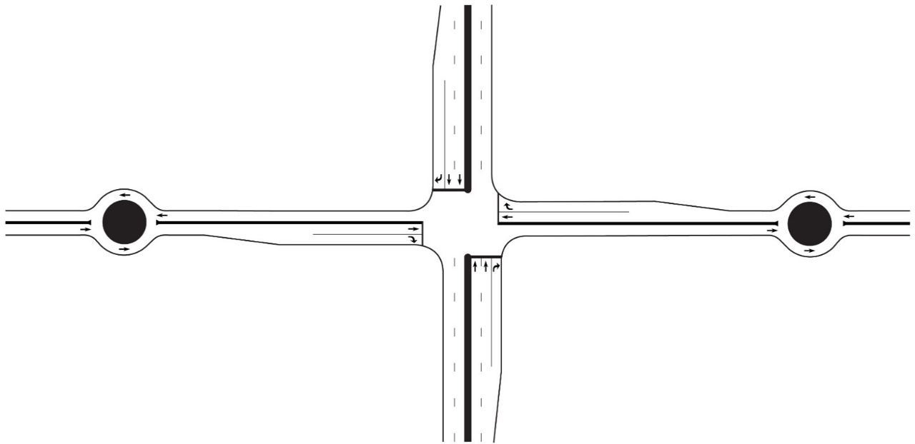
 |  |  |  |  |  |  |  |  |  |  |  |  |  |  |  |  |  |  |  |  |  |  |  |  |  |  |  | 442 |  |  |  |  |  |  | 0.17 |  | 0.15
 |  |  |  |  |  |  |  |  |  |  |  |  |  |  |  |  |  |  |  |  | 1 |  |  |  |  |  |  |  |  |  |  |  |  |  | 2 |  | 1
 |  |  | 159 |  |  |  |  |  | pceph |  |  |  |  |  |  |  |  |  |  |  |  |  |  |  |  |  |  | Conflicting flow

Zone 5
 |  |  |  |  |  |  |  |  |  |  |  |  |  |  |  |  |  |  |  |  |  |  |  |  |  |  |  |  |  |  |  |  |  |  |  |  |  |  |  | 51 |  |  |  | 31
 |  |  | 0.16741358884 |  |  | V/C | 950 |  | MAX
 |  |  |  |  |  |  |  |  |  |  |  |  |  |  |  |  |  |  |  |  |  |  |  |  |  |  |  |  |  |  |  |  |  |  |  |  |  |  |  |  | 108 |  | 108

 |  |  |  |  |  |  | Lane Capacity |  |  |  |  | 1847 |  |  | CLV

 |  |  |  |  |  |  |  |  |  |  |  | 1.03 | V/C | 1800 | MAX
Zone 3

 |  |  |  |  |  |  |  |  |  |  |  |  |  | 2 Phases
 |  | 1280 |  |  |  |  | pceph

 |  | 0.90 | V/C | 1420 |  |  | MAX

 |  |  |  | Lane Capacity
 |  |  |  |  |  |  |  |  |  |  |  |  |  |  |  |  |  |  |  |  | Number of Entry Lanes
 |  |  |  |  |  |  |  |  |  |  |  |  |  |  |  |  |  |  |  |  |  |  |  |  |  |  |  |  |  |  |  |  |  |  | V/C RATIO |  | V/C RATIO

Zone 3
 |  |  |  |  |  |  |  |  |  |  |  |  |  |  |  |  |  |  |  |  | 1 |  |  |  |  |  |  | 1 |  |  |  | 1420
 |  |  |  |  |  |  |  |  |  |  |  |  |  |  |  |  |  |  |  |  |  |  |  |  |  |  |  |  |  |  |  |  |  |  | 0.90 |  |  |  |  |  |  | 1280
 |  |  |  |  |  |  |  |  |  |  |  |  |  |  |  |  |  |  |  |  |  |  |  |  |  |  |  | Lane Capacity |  |  |  |  |  |  | 1

 |  |  |  |  |  |  |  |  |  |  |  |  |  |  |  |  |  |  |  |  | Number of Circulating Lanes |  |  |  |  |  |  | 0

 |  |  |  |  |  |  |  |  |  |  |  |  |  |  |  |  |  |  |  |  |  |  |  |  |  |  |  | 0 |  |  |  |  |  |  | pcph |  | pcph
 |  |  |  |  |  |  |  |  |  |  |  |  |  |  |  |  |  |  |  |  | 2 |  |  |  |  |  |  |  |  |  |  |  |  |  | 1280
 |  |  |  |  |  |  |  |  |  |  |  |  |  |  |  |  |  |  |  |  |  |  |  |  |  |  |  | Conflicting flow |  |  |  |  |  |  |  |  |  |  | 0.50 |  | Through lane utilization factor
Zone 4

Zone 2
 |  | 584 |  |  |  |  | pceph

 |  | 0.41 | V/C | 1420 |  |  | MAX |  |  |  |  | 255 |  |  | pceph

 |  |  |  |  |  |  |  |  |  |  |  |  |  |  |  |  |  |  |  |  |  | Shared ? |  |  | SB Critical Vol
 |  |  |  | Lane Capacity |  |  |  |  |  |  |  | 0.23914179811 | V/C | 1066 | MAX |  |  |  |  |  |  |  |  |  | 714
 |  |  |  |  |  |  |  |  |  |  |  |  |  |  |  |  |  |  |  |  |  | No
 |  |  |  |  |  |  |  |  |  |  |  |  |  |  |  |  |  |  |  |  |  |  |  |  |  |  |  |  |  | EW Split? |  |  | FALSE
 |  |  |  |  |  |  |  |  |  |  |  |  |  | Lane Capacity |  |  |  |  |  |  |  |  |  |  |  |  |  |  |  | NS Split? |  |  | FALSE

 |  |  |  |  |  |  |  |  |  |  |  |  |  |  |  |  |  |  |  |  |  | pcph |  | pcph |  |  |  |  |  |  |  |  |  |  |  | EQUATION: A x exp(-B x Q)
 |  |  |  |  |  |  |  |  |  |  |  |  |  |  |  |  |  |  |  |  |  | 153 |  | 587
 |  |  |  |  |  |  |  |  |  |  |  |  |  |  |  |  |  |  |  |  |  | 1 |  | 1 |  |  |  |  |  |  |  |  |  |  |  | Number of Entry Lanes |  | Number of Circulating Lanes |  |  |  |  | Lane |  | A | B
 |  |  |  |  |  |  |  |  |  |  |  |  |  |  |  |  |  | EB Critical Vol |  |  |  |  |  |  |  |  |  |  | 1 | 226 | pcph |  |  | Shared ?
Back to Results
 |  |  |  |  |  |  |  |  |  |  |  |  |  |  |  |  |  | 1133
 |  |  |  |  |  |  |  |  |  |  |  |  |  |  |  |  |  |  |  |  |  |  |  |  |  |  |  |  |  |  |  |  |  | No |  | 1 |  | 1 |  |  |  |  | - |  | 1380 | 0.00102
Zone 5
 |  |  |  |  |  |  |  |  |  |  |  |  |  |  |  |  |  |  | pcph | 306 |  |  |  |  |  |  |  |  | 1 | 1133 | pcph
 |  |  |  |  |  |  |  |  |  |  |  |  |  |  |  |  |  |  |  |  |  |  |  |  |  |  |  |  |  |  |  |  |  |  |  | 1 |  | 2 |  |  |  |  | - |  | 1420 | 0.00085
 |  |  |  |  |  |  |  | Note: This diagram does not reflect the actual lane configuration of the Intersection
 |  |  |  |  |  |  |  |  |  |  |  |  |  |  |  |  |  |  | pcph | 1020 | 1 |  | 1847 |  |  |  |  |  |  | 340 | pcph |  |  |  |  | 2 |  | 1 |  |  |  |  | Left |  | 1420 | 0.00091

 |  |  |  |  |  |  |  |  |  |  |  |  |  |  |  |  |  |  |  |  |  |  |  |  |  |  |  |  |  |  |  |  |  |  |  | 2 |  | 1 |  |  |  |  | Right |  | 1420 | 0.00091
 |  |  |  |  |  |  |  |  |  |  |  |  |  |  |  |  |  | Shared ? | pcph | 204 | 1
 |  |  |  |  |  |  |  |  |  |  |  |  |  |  |  |  |  |  |  |  |  |  |  |  |  |  |  |  |  |  | WB Critical Vol |  |  |  |  | 2 |  | 2 |  |  |  |  | Left |  | 1350 | 0.00092
 |  |  |  |  |  |  |  |  |  |  |  |  |  |  |  |  |  | No |  |  |  |  |  |  |  |  |  |  |  |  | 1020
 |  |  |  |  |  |  |  |  |  |  |  |  |  |  |  |  |  |  |  |  |  |  |  |  |  | 1 | 1 |  |  |  |  |  |  |  |  | 2 |  | 2 |  |  |  |  | Right |  | 1420 | 0.00085
 |  |  |  |  |  |  |  |  |  |  |  |  |  |  |  |  |  |  |  |  |  |  |  |  |  | 714 | 210
 |  |  |  |  |  |  |  |  |  |  |  |  |  |  |  |  |  |  |  |  |  |  |  |  |  | pcph | pcph
 |  |  |  |  |  |  |  |  |  |  |  |  |  |  |  |  |  |  | NB Critical Vol
 |  |  |  |  |  |  |  |  |  |  |  |  |  |  |  |  |  |  | 587

 |  |  |  |  |  |  |  |  |  |  |  |  |  |  |  |  |  |  |  |  |  |  |  |  |  |  | Shared ?

 |  |  |  |  |  |  |  |  |  |  |  |  |  |  |  |  |  |  |  |  |  |  |  |  |  |  | No

 |  |  |  |  |  |  |  |  |  |  |  |  |  |  |  |  |  |  |  |  | Number of Entry Lanes |  |  |  |  |  |  |  |  |  |  |  |  |  |  |  |  |  | 0.50 |  | Through lane utilization factor
 |  |  |  |  |  |  |  |  |  |  |  |  |  |  |  |  |  |  |  |  |  |  |  |  |  |  |  | 1 |  |  |  | 1420

Zone 4
 |  |  |  |  |  |  |  |  |  |  |  |  |  |  |  |  |  |  |  |  | 2 |  |  |  |  |  |  | 2 |  |  |  | 1420
 |  |  |  |  |  |  |  |  |  |  |  |  |  |  |  |  |  |  |  |  |  |  |  |  |  |  |  |  |  |  |  |  |  |  | pcph |  | pcph
 |  |  |  |  |  |  |  |  |  |  |  |  |  |  |  |  |  |  |  |  |  |  |  |  |  |  |  | Lane Capacity |  |  |  |  |  |  | 513 |  | 584
 |  |  |  |  |  |  |  |  |  |  |  |  |  |  |  |  |  |  |  |  |  |  |  |  |  |  |  |  |  |  |  |  |  |  | V/C RATIO |  | V/C RATIO
 |  |  |  |  |  |  |  |  |  |  |  |  |  |  |  |  |  |  |  |  | Number of Circulating Lanes |  |  |  |  |  |  | 0

 |  |  |  |  |  |  |  |  |  |  |  |  |  |  |  |  |  |  |  |  |  |  |  |  |  |  |  | 0 |  |  |  |  |  |  | 0.36 |  | 0.41
 |  |  |  |  |  |  |  |  |  |  |  |  |  |  |  |  |  |  |  |  | 1 |  |  |  |  |  |  |  |  |  |  |  |  |  | 2 |  | 1
 |  |  |  |  |  |  |  |  |  |  |  |  |  |  |  |  |  |  |  |  |  |  |  |  |  |  |  | Conflicting flow

 |  |  |  |  |  |  |  |  |  |  |  |  |  |  |  |  |  |  |  |  |  |  |  |  |  |  |  |  |  |  |  |  |  |  |  |  |  |  |  |  | 513 |  | 584

 |  |  |  |  |  |  |  |  |  |  |  |  |  |  |  |  |  |  |  |  |  |  |  |  |  |  |  |  |  |  |  |  |  |  |  |  |  |  |  |  | 255 |  | 332

 |  |  |  |  |  |  |  |  |  |  |  |  |  |  |  |  |  |  |  |  | Number of Entry Lanes
 |  |  |  |  |  |  |  |  |  |  |  |  |  |  |  |  |  |  |  |  |  |  |  |  |  |  |  | 1 |  |  |  | 990 |  |  | V/C RATIO |  | V/C RATIO

Zone 2
 |  |  |  |  |  |  |  |  |  |  |  |  |  |  |  |  |  |  |  |  | 2 |  |  |  |  |  |  | 2 |  |  |  | 1066
 |  |  |  |  |  |  |  |  |  |  |  |  |  |  |  |  |  |  |  |  |  |  |  |  |  |  |  |  |  |  |  |  |  |  | 0.24 |  | 0.34
 |  |  |  |  |  |  |  |  |  |  |  |  |  |  |  |  |  |  |  |  |  |  |  |  |  |  |  | Lane Capacity |  |  |  |  |  |  | 2 |  | 1

 |  |  |  |  |  |  |  |  |  |  |  |  |  |  |  |  |  |  |  |  | Number of Circulating Lanes |  |  |  |  |  |  | 306

 |  |  |  |  |  |  |  |  |  |  |  |  |  |  |  |  |  |  |  |  |  |  |  |  |  |  |  | 31 |  |  |  |  |  |  | pcph |  | pcph
 |  |  |  |  |  |  |  |  |  |  |  |  |  |  |  |  |  |  |  |  | 2 |  |  |  |  |  |  |  |  |  |  |  |  |  | 255 |  | 332
 |  |  |  |  |  |  |  |  |  |  |  |  |  |  |  |  |  |  |  |  |  |  |  |  |  |  |  | Conflicting flow |  |  |  |  |  |  |  |  |  |  | 0.50 |  | Through lane utilization factor

Split Intersection E-W
Split Intersection (E-W) |  |  |  |  |  |  |  |  |  |  |  |  |  |  |  |  |  | Split Intersection (E-W)

Design and results |  |  |  |  |  |  |  |  |  |  |  |  |  |  |  |  |  | Data Input and Configuration (Enter the lane configurations in the yellow cells)

 | Project Name: |  | Cap-X Sample Street |  |  |  |  | Volume-to-Capacity Ratio

 | Project Number: |  | 10000 |  |  |  |  | < 0.750 |  | 0.750 - 0.875 |  |  |  | 0.875 - 1.00 |  | ≥ 1.00
 |  |  |  |  |  |  |  |  |  |  |  |  |  |  |  |  |  |  |  |  |  |  |  |  |  | Shared ? |  |  | SB Critical Vol
 | Location |  | Anywhere, USA |  |  |  |  | VOLUME / CAPACITY RATIO: |  |  |  |  |  | 1 |  |  |  |  |  |  |  |  |  |  |  |  |  |  | 612
 |  |  |  |  |  |  |  |  |  |  |  |  |  |  |  |  |  |  |  |  |  |  |  |  |  | No
 | Date |  | 2017 AM

 |  |  |  |  |  |  |  |  |  |  | Multimodal Capacity Adjustment Factor |  |  |  |  |  | 1.00
 |  |  |  |  |  |  |  |  |  |  |  |  |  |  |  |  |  |  |  |  |  |  |  |  |  | pcph |  | pcph |  | pcph
 |  |  |  |  |  |  |  |  |  |  |  |  |  |  |  |  |  |  |  |  |  |  |  |  |  | 51 |  | 216 |  | 31
 |  |  |  |  |  |  |  |  |  |  |  |  |  |  |  |  |  |  |  |  |  |  |  |  |  | 1 |  | 1
 |  |  |  |  |  |  |  |  |  |  |  |  |  |  |  |  |  |  |  |  |  |  |  |  |  |  |  |  |  |  |  |  |  | 1 | 226 | pcph | Shared ?

Zone 1
Zone 1
Zone 2
 |  |  |  |  |  |  |  |  |  |  |  |  |  |  |  |  |  |  |  |  |  |  |  |  |  |  |  |  |  |  |  |  |  |  |  |  | No
 |  |  |  |  |  |  |  |  |  |  |  |  |  |  |  |  |  |  |  |  |  |  |  |  |  |  |  |  |  |  |  |  |  | 1 | 1133 | pcph
 |  |  |  |  |  |  |  |  |  |  |  |  |  |  |  |  |  |  |  | EW Split? |  | TRUE |  |  |  |  |  |  |  |  |  |  |  |  |  |  |  | WB Critical Vol
 |  |  |  |  |  |  |  |  |  |  |  |  |  |  |  |  |  |  |  | NS Split? |  | FALSE |  |  |  |  |  |  |  |  |  |  |  |  |  |  |  | 1133
 |  |  |  |  |  |  |  |  |  |  |  |  |  |  |  |  |  |  |  |  |  |  |  |  |  |  | 1745 |  |  |  |  |  |  | 1 | 340 | pcph | Shared ?

 |  | 1745 |  |  |  |  | CLV |  | 1576 |  |  |  |  |  | CLV |  |  |  |  |  |  |  |  |  |  |  |  |  |  |  |  |  |  |  |  |  | No

 |  | 1 |  | V/C | 1750 |  | MAX |  | 0.9 |  |  | V/C | 1750 |  | MAX
 |  |  |  |  |  |  |  |  |  |  |  |  |  |  |  |  |  |  |  |  |  |  |  |  |  |  |  |  |  | 1 |  | 1
 |  |  |  |  |  |  |  |  |  |  |  |  |  |  |  |  |  |  |  |  |  |  |  |  |  |  |  |  |  | 102 |  | 612
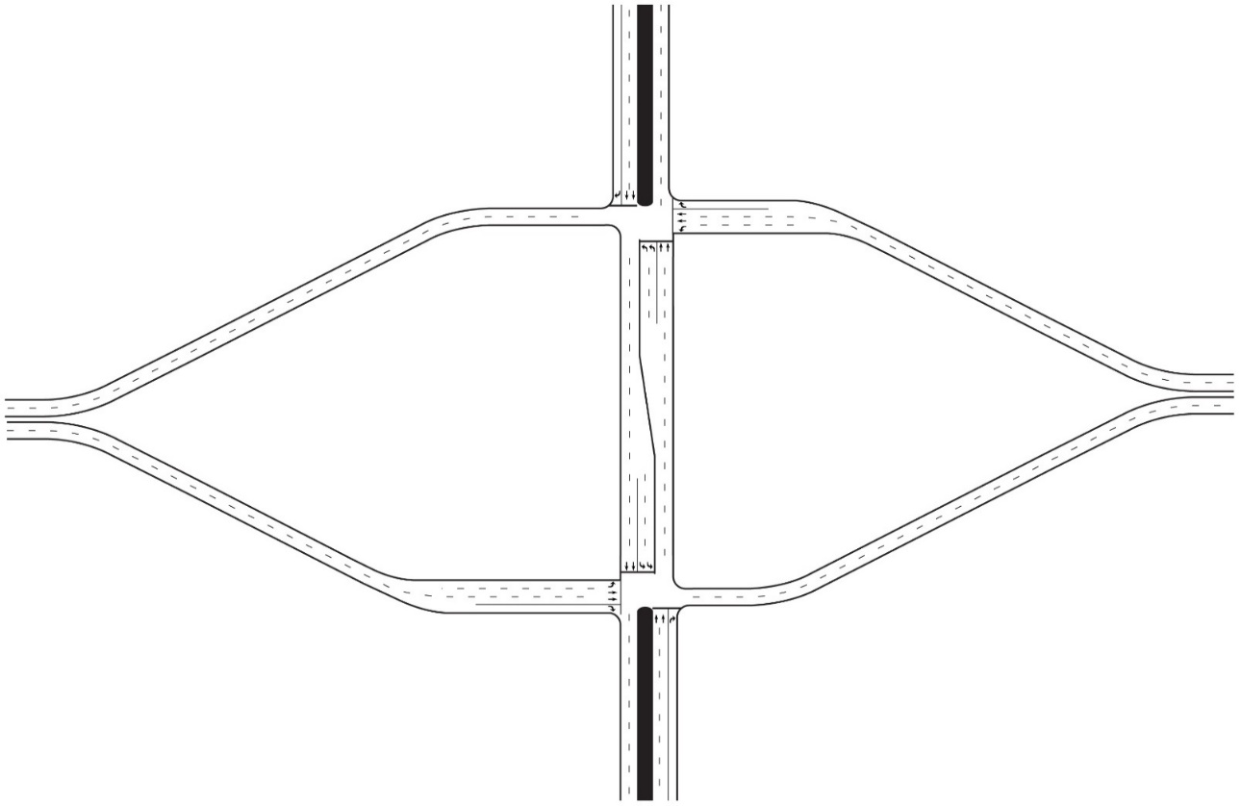
 |  |  |  |  | 3 Phases |  |  |  |  |  |  |  | 3 Phases |  |  |  |  |  |  |  |  |  |  |  |  |  |  |  |  | pcph |  | pcph

 |  |  |  |  |  |  |  |  |  |  |  |  |  |  |  |  |  |  |  |  |  |  |  |  |  |  |  |  |  | No
 |  |  |  |  |  |  |  |  |  |  |  |  |  |  |  |  |  |  |  |  |  |  |  |  |  |  |  |  |  | Shared ? |  |  | NB Critical Vol
 |  |  |  |  |  |  |  |  |  |  |  |  |  |  |  |  |  |  |  |  |  |  |  |  |  |  |  |  |  |  |  |  | 354

 |  |  |  |  |  |  |  |  |  |  |  |  |  |  |  |  |  |  |  |  |  |  |  |  |  |  |  | Shared ?

 |  |  |  |  |  |  |  |  |  |  |  |  |  |  |  |  |  |  |  |  |  |  |  |  |  |  |  | No

 |  |  |  |  |  |  |  |  |  |  |  |  |  |  |  |  |  |  |  |  |  |  |  |  |  |  |  |  |  |  | SB Critical Vol
 |  |  |  |  |  |  |  |  |  |  |  |  |  |  |  |  |  |  |  |  |  |  |  |  |  | pcph |  | pcph |  |  | 441
 |  |  |  |  |  |  |  |  |  |  |  |  |  |  |  |  |  |  |  |  |  |  |  |  |  | 556 |  | 31
 |  |  |  |  |  |  |  |  |  |  |  |  |  |  |  |  |  |  |  |  |  |  |  |  |  | 1 |  | 1

Zone 2
 |  |  |  |  |  |  |  |  |  |  |  |  |  |  |  |  |  |  |  |  | Shared ? |  | pcph | 306 | 1

 |  |  |  |  |  |  |  |  |  |  |  |  |  |  |  |  |  |  |  |  | No |  |  |  |  |  |  |  |  |  |  |  |  |  |  | EW Split? | TRUE
 |  |  |  |  |  |  |  |  |  |  |  |  |  |  |  |  |  |  |  |  |  |  | pcph | 1020 | 1 |  | 1576 |  |  |  |  |  |  |  |  | NS Split? | FALSE
 |  |  |  |  |  |  |  |  |  |  |  |  |  |  |  |  |  |  | EB Critical Vol
 |  |  |  |  |  |  |  |  |  |  |  |  |  |  |  |  |  |  | 1020
 |  |  |  |  |  |  |  |  |  |  |  |  |  |  |  |  |  |  |  |  | Shared ? |  | pcph | 204 | 1

 |  |  |  |  |  |  |  |  |  |  |  |  |  |  |  |  |  |  |  |  | No
 |  |  |  |  |  |  |  |  |  |  |  |  |  |  |  |  |  |  |  |  |  |  |  |  |  |  |  | 1 |  |  |  | 1
 |  |  |  |  |  |  |  |  |  |  |  |  |  |  |  |  |  |  |  |  |  |  |  |  |  |  |  | 102 |  | 306 |  | 179
 |  |  |  |  |  |  |  |  |  |  |  |  |  |  |  |  |  |  |  |  |  |  |  |  |  |  |  | pcph |  | pcph |  | pcph

 |  |  |  |  |  |  |  |  |  |  |  |  |  |  |  |  |  |  |  |  |  |  |  |  |  |  |  |  |  |  |  | No
 |  |  |  |  |  |  |  |  |  |  |  |  |  |  |  |  |  |  |  |  |  |  |  |  |  | NB Critical Vol |  |  |  |  |  | Shared ?
 |  |  |  |  |  |  |  |  |  |  |  |  |  |  |  |  |  |  |  |  |  |  |  |  |  | 556
Back to Results

 |  |  |  |  |  | Note: This diagram does not reflect the actual lane configuration of the Intersection

Echelon E-W
Echelon (E-W) |  |  |  |  |  |  |  |  |  |  |  |  |  |  |  | Echelon (E-W)

Design and results |  |  |  |  |  |  |  |  |  |  |  |  |  |  |  | Data Input and Configuration

 | Project Name: |  | Cap-X Sample Street |  |  |  |  | Volume-to-Capacity Ratio

 | Project Number: |  | 10000 |  |  |  |  | < 0.750 | 0.750 - 0.875 |  | 0.875 - 1.00 |  |  | ≥ 1.00

 | Location |  | Anywhere, USA |  |  |  |  | VOLUME / CAPACITY RATIO: |  |  | 0.38

 | Date |  | 2017 AM

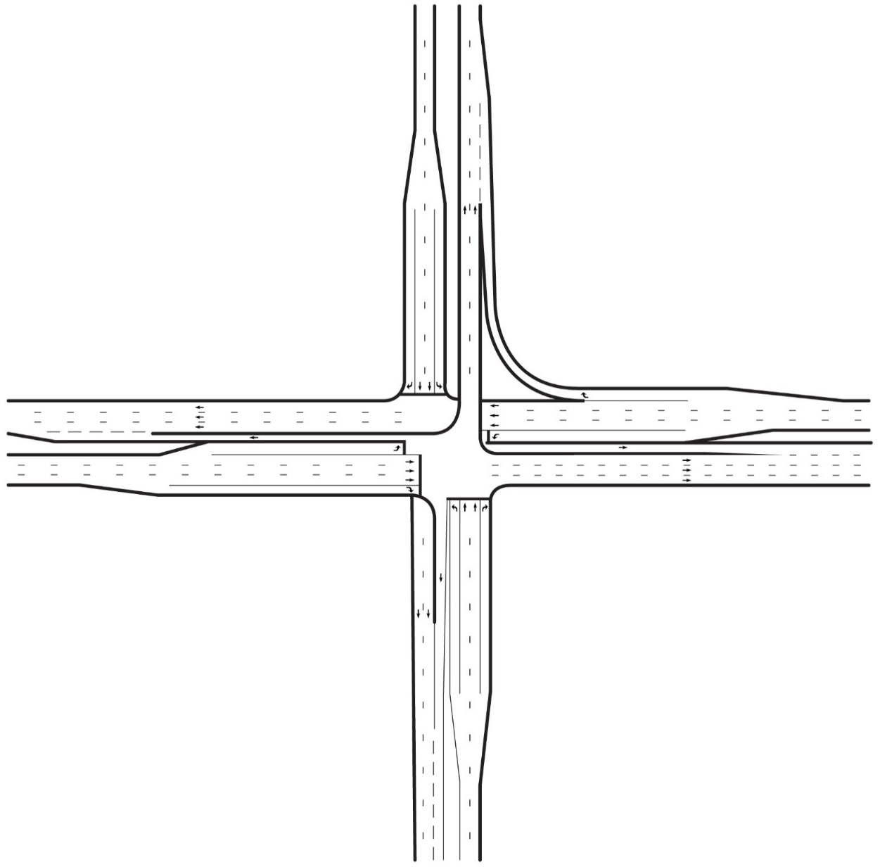
 |  |  |  |  |  |  |  |  |  | Multimodal Capacity Adjustment Factor |  |  |  |  | 1.00 |  |  |  |  |  |  |  |  |  |  |  |  | SB Critical Vol
 |  |  |  |  |  |  |  |  |  |  |  |  |  |  |  |  |  |  |  |  |  |  |  |  |  |  |  |  |  | 108
 |  |  |  |  |  |  |  |  |  |  |  |  |  |  |  |  |  |  |  |  |  |  |  |  |  |  | SB |  |  |  |  |  |  | EW Split? | TRUE
 |  |  |  |  |  |  |  |  |  |  |  |  |  |  |  |  |  |  |  |  |  |  |  |  |  |  |  |  |  |  |  |  |  | NS Split? | TRUE

 |  |  |  |  |  |  |  |  |  |  |  |  |  |  |  |  |  |  |  |  |  |  |  | Shared ? |  |  |  |  |  | Shared ?

 |  |  |  |  |  |  |  |  |  |  |  |  |  |  |  |  |  |  |  |  |  |  |  | No |  |  |  |  |  | No
Zone 5

 |  | 675 |  |  |  |  | CLV |  |  |  |  |  |  |  |  |  |  |  |  |  |  |  |  | pcph |  |  | pcph |  |  | pcph
 |  |  |  |  |  |  |  |  |  |  |  |  |  |  |  |  |  |  |  |  |  |  |  | 51 |  |  | 216 |  |  | 31
 |  |  |  |  |  |  |  |  |  |  |  |  |  |  |  |  |  |  |  |  |  |  |  | 1 |  |  | 2 |  |  | 1
Zone 5
 |  | 0.38 |  | V/C | 1800 |  | MAX |  |  |  |  |  |  |  |  |  |  |  |  |  |  |  |  |  |  |  |  |  |  |  |  | 1 | 226 | pcph | Shared ?

 |  |  |  |  |  |  |  |  |  |  |  |  |  |  |  |  |  |  |  |  |  |  |  |  |  |  |  |  |  |  |  |  |  |  | No
 |  |  |  |  | 2 Phases |  |  |  |  |  |  |  |  |  |  |  |  |  |  | Shared ? | pcph | 306 | 1 |  | 675 |  |  |  |  |  |  | 2 | 1133 | pcph | WB
 |  |  |  |  |  |  |  |  |  |  |  |  |  |  |  |  | EB Critical Vol |  |  |  |  |  |  |  |  |  |  |  |  |  |  |  |  |  |  | WB Critical Vol
 |  |  |  |  |  |  |  |  |  |  |  |  |  |  |  |  |  | 510 |  | No |  |  |  |  |  |  |  |  |  |  |  |  |  |  |  |  | 567
Zone 6
 |  |  |  |  |  |  |  |  |  |  |  |  |  |  |  |  |  |  | EB |  | pcph | 1020 | 2 |  |  |  |  |  |  |  |  | 1 | 340 | pcph | Shared ?

 |  |  |  |  |  |  |  |  |  |  |  |  |  |  |  |  |  |  |  |  |  |  |  |  |  |  |  |  |  |  |  |  |  |  | No
 |  |  |  |  |  |  |  |  |  |  |  |  |  |  |  |  |  |  |  | Shared ? | pcph | 204 | 1 |  | 721

 |  |  |  |  |  |  |  |  |  |  |  |  |  |  |  |  |  |  |  | No
 |  |  |  |  |  |  |  |  |  |  |  |  |  |  |  |  |  |  |  |  |  |  |  |  |  |  | 1 |  |  | 2 | 1
 |  |  |  |  |  |  |  |  |  |  |  |  |  |  |  |  |  |  |  |  |  |  |  |  |  |  | 102 |  |  | 306 | 179
 |  |  |  |  |  |  |  |  |  |  |  |  |  |  |  |  |  |  |  |  |  |  |  |  |  |  | pcph |  |  | pcph | pcph

Zone 6
 |  |  |  |  |  |  |  |  |  |  |  |  |  |  |  |  |  |  |  |  |  |  |  |  |  |  | No |  |  |  | No
 |  |  |  |  |  |  |  |  |  |  |  |  |  |  |  |  |  |  |  |  |  |  |  |  |  |  | Shared ? |  |  |  | Shared ?

 |  |  |  |  |  |  |  |  |  |  |  |  |  |  |  |  |  |  |  |  |  |  |  |  |  |  |  |  | NB

 |  |  |  |  |  |  |  |  |  | 721 |  |  | CLV

 |  |  |  |  |  |  |  |  |  |  |  |  |  |  |  |  |  |  |  |  |  |  |  |  |  | NB Critical Vol
 |  |  |  |  |  |  |  |  |  | 0.4 | V/C | 1800 | MAX |  |  |  |  |  |  |  |  |  |  |  |  |  | 211

 |  |  |  |  |  |  |  |  |  |  |  | 2 Phases

Back to Results

 |  |  |  |  |  | Note: This diagram does not reflect the actual lane configuration of the Intersection

Center Turn Overpass
Center Turn Overpass |  |  |  |  |  |  |  |  |  |  |  |  |  |  |  |  | Center Turn Overpass

Design and results |  |  |  |  |  |  |  |  |  |  |  |  |  |  |  |  | Data Input and Configuration

 | Project Name: |  | Cap-X Sample Street |  |  |  |  | Volume-to-Capacity Ratio

 | Project Number: |  | 10000 |  |  |  |  | < 0.750 | 0.750 - 0.875 |  |  |  | 0.875 - 1.00 |  | ≥ 1.00

 | Location |  | Anywhere, USA |  |  |  |  | VOLUME / CAPACITY RATIO: |  |  |  |  | 0.43

 | Date |  | 2017 AM

 |  |  |  |  |  |  |  |  |  | Multimodal Capacity Adjustment Factor |  |  |  |  |  | 1.00 |  |  |  |  |  |  |  |  |  |  |  | SB Critical Vol
 |  |  |  |  |  |  |  |  |  |  |  |  |  |  |  |  |  |  |  |  |  |  |  |  |  |  |  |  | 211
 |  |  |  |  |  |  |  |  |  |  |  |  |  |  |  |  |  |  |  |  |  |  |  |  |  |  |  |  |  |  |  |  | EW Split? | FALSE
 |  |  |  |  |  |  |  |  |  |  |  |  |  |  |  |  |  |  |  |  |  |  |  |  |  |  |  |  |  |  |  |  | NS Split? | FALSE
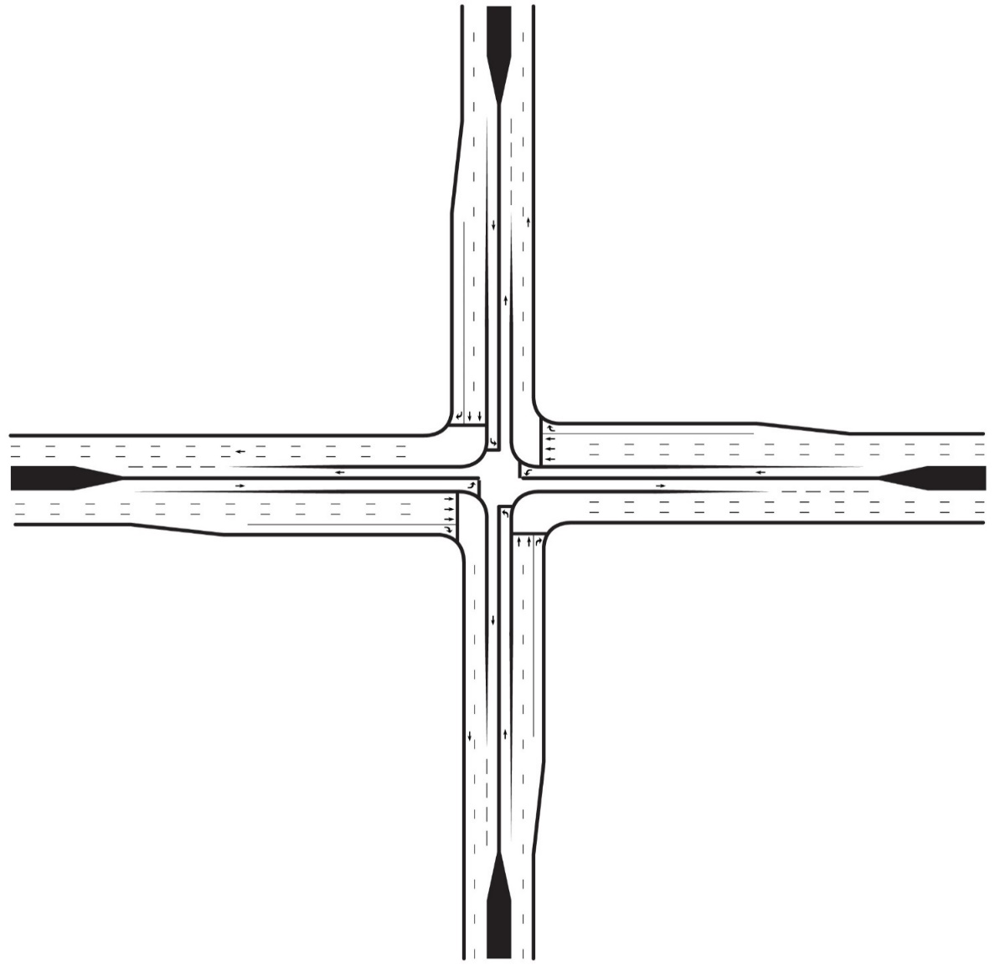
 |  |  |  |  |  |  |  |  |  |  |  |  |  |  |  |  |  |  |  |  |  |  |  | Shared ?

 |  |  |  |  |  |  |  |  |  |  |  |  |  |  |  |  |  |  |  |  |  |  |  | No
Zone 5

 |  | 778 |  |  |  |  | CLV |  |  |  |  |  |  |  |  |  |  |  |  |  |  |  |  | pcph |  |  | pcph |  | pcph
 |  |  |  |  |  |  |  |  |  |  |  |  |  |  |  |  |  |  |  |  |  |  |  | 51 |  |  | 216 |  | 31
 |  |  |  |  |  |  |  |  |  |  |  |  |  |  |  |  |  |  |  |  |  |  |  | 1 |  |  | 2 |  | 1
Zone 5
 |  | 0.43 |  | V/C | 1800 |  | MAX |  |  |  |  |  |  |  |  |  |  |  |  |  |  |  |  |  |  |  |  |  |  |  | 1 | 226 | pcph | Shared ?

 |  |  |  |  |  |  |  |  |  |  |  |  |  |  |  |  |  |  |  |  |  |  |  |  |  |  |  |  |  |  |  |  |  | No
 |  |  |  |  | 2 Phases |  |  |  |  |  |  |  |  |  |  |  |  |  |  |  | pcph | 306 | 1 |  | 778 |  |  |  |  |  | 2 | 1133 | pcph
 |  |  |  |  |  |  |  |  |  |  |  |  |  |  |  |  |  | EB Critical Vol
 |  |  |  |  |  |  |  |  |  |  |  |  |  |  |  |  |  |  | 567 |  |  |  |  |  |  |  |  |  |  |  |  |  |  |  | WB Critical Vol
Zone 6
 |  |  |  |  |  |  |  |  |  |  |  |  |  |  |  |  |  |  |  |  | pcph | 1020 | 2 |  |  |  |  |  |  |  | 1 | 340 | pcph |  |  | 510

 |  |  |  |  |  |  |  |  |  |  |  |  |  |  |  |  |  |  |  | Shared ? | pcph | 204 | 1 |  | 465

 |  |  |  |  |  |  |  |  |  |  |  |  |  |  |  |  |  |  |  | No
 |  |  |  |  |  |  |  |  |  |  |  |  |  |  |  |  |  |  |  |  |  |  |  |  |  |  | 1 |  | 2 | 1
 |  |  |  |  |  |  |  |  |  |  |  |  |  |  |  |  |  |  |  |  |  |  |  |  |  |  | 102 |  | 306 | 179
 |  |  |  |  |  |  |  |  |  |  |  |  |  |  |  |  |  |  |  |  |  |  |  |  |  |  | pcph |  | pcph | pcph

 |  |  |  |  |  |  |  |  |  |  |  |  |  |  |  |  |  |  |  |  |  |  |  |  |  |  |  |  |  | No
 |  |  |  |  |  |  |  |  |  |  |  |  |  |  |  |  |  |  |  |  |  |  |  |  |  |  |  |  |  | Shared ?
Zone 6

 |  |  |  |  |  |  |  |  | 465 |  |  |  |  | CLV
 |  |  |  |  |  |  |  |  |  |  |  |  |  |  |  |  |  |  |  |  |  |  |  |  |  | NB Critical Vol
 |  |  |  |  |  |  |  |  |  |  |  |  |  |  |  |  |  |  |  |  |  |  |  |  |  |  | 108
 |  |  |  |  |  |  |  |  | 0.26 |  | V/C | 1800 |  | MAX

 |  |  |  |  |  |  |  |  |  |  |  | 2 Phases

Back to Results

 |  |  |  |  |  | Note: This diagram does not reflect the actual lane configuration of the Intersection

50 Mini-Rndabt
50' ICD Mini-Roundabout |  |  |  |  |  |  |  |  |  |  |  |  |  |  |  |  |  | 50' ICD Mini-Roundabout

Design and Results |  |  |  |  |  |  |  |  |  |  |  |  |  |  |  |  |  | Data Input and Configuration

 | Project Name: |  | Cap-X Sample Street |  |  | Volume-to-Capacity Ratio
 |  |  |  |  |  |  |  |  |  |  |  |  |  |  |  |  |  |  | Multimodal Capacity Adjustment Factor |  |  |  |  |  |  |  | 0.98
 | Project Number: |  | 10000 |  |  | < 0.750 | 0.750 - 0.875 |  |  |  | 0.875 - 1.00 |  |  |  |  | ≥ 1.00

 | Location |  | Anywhere, USA |  |  | VOLUME / CAPACITY RATIO: |  | Zone 1 |  |  | 297.96 |  |  | Zone 4 |  |  | 6.08
 |  |  |  |  |  |  |  |  |  |  |  |  |  |  |  |  |  |  |  |  |  |  |  |  |  |  |  |  |  |  | pepch |  | pepch |  |  | pepch |  |  | pepch
 | Date |  | 2017 AM |  |  |  |  | Zone 3 |  |  | 3.63 |  |  | Zone 2 |  |  | 586.73 |  |  |  |  |  |  |  |  |  |  |  |  |  | 50 |  | 212 |  |  | 30 |  |  | 0

Zone 1
 |  |  |  |  |  |  |  |  |  |  |  |  |  |  |  |  |  |  |  |  |  |  |  |  |  |  |  |  | Car |  | 46 |  | 212 |  |  | 26 |  |  | 0
 |  |  |  |  |  |  |  |  |  |  |  |  |  |  |  |  |  |  |  |  |  |  |  |  |  |  |  |  | Truck |  | 4 |  | 0 |  |  | 4 |  |  | 0 |  | 2.7%

Zone 4
 |  | Predicted approach capacity |  |  |  |  |  |  |  |  |  |  |  |  |  |  |  |  |  |  |  |  |  |  |  |  |  |  |  |  |  |  |  | Predicted approach capacity

 |  |  |  |  |  |  |  |  |  | Predicted approach capacity
 |  | 1 |  | PCEPH |  |  |  |  |  |  |  |  |  |  |  |  |  |  |  |  |  |  |  |  |  |  |  |  |  |  |  |  |  | 1 |  |  |  | PCEPH

 |  | 297.96 |  | V/C |  |  |  |  |  | 280 |  |  | PCEPH |  |  |  |  |  |  |  |  |  |  |  |  |  |  |  |  |  | pepch |  |  | conflicting with
 |  |  |  |  | 1 |  |  |  |  |  |  |  |  |  |  |  |  |  |  |  |  |  |  |  |  |  |  |  |  |  | 292
 |  |  |  |  |  |  |  |  |  | 6.08 |  |  | V/C |  |  |  |  |  |  |  |  |  |  |  |  |  |  |  |  |  | 1 |  |  | 1549 |  |  |  | PCEPH
 |  |  |  |  |  |  |  |  |  |  |  |  |  |  |  | 1 |  |  |  |  |  |  |  |  |  |  |  |  |  |  | V/C RATIO
 |  |  |  |  |  |  |  |  |  |  |  |  |  |  |  |  |  |  |  |  |  |  |  |  |  |  |  |  |  |  |  |  |  | Conflicting flow
Zone 1
Zone 4
 |  |  |  |  |  |  |  |  |  |  |  |  |  |  |  |  |  |  |  |  |  |  |  |  |  |  |  |  |  |  |  |  |  | 1 | Lane |  |  |  |  |  |  |  |  |  |  |  |  |  |  | 0.4%

 |  |  |  |  |  |  |  |  |  |  |  |  |  |  |  |  |  |  |  |  |  |  |  |  |  |  |  |  |  |  | 292.00 |  |  |  |  |  |  |  |  |  |  |  | 5.96 | V/C RATIO |  |  | 1 | 1666 | pepch | 5 | 217 | 222 | pepch

 |  |  |  |  |  |  |  |  |  |  |  |  |  |  |  |  |  |  |  |  |  | Car | Truck
 |  |  |  |  |  |  |  |  |  |  |  |  |  |  |  |  |  |  |  |  |  |  |  |  |  |  |  |  |  |  |  |  |  |  |  |  |  |  |  |  |  |  |  |  |  |  |  |  |  | 2 | 1109 | 1111 | pepch
 |  |  |  |  |  |  |  |  |  |  |  |  |  |  |  |  |  |  |  |  |  |  |  | Predicted approach capacity |  |  |  |  | Conflicting flow | 1 |  |  |  |  |  |  |  |  |  |  |  |  |  |  | Conflicting flow | Predicted approach capacity
 |  |  |  |  |  |  |  |  |  |  |  |  |  |  |  |  |  |  |  | pepch | 0 | 0 | 0
 |  |  |  |  |  |  |  |  |  |  |  |  |  |  |  |  |  |  |  |  |  |  |  |  |  |  |  |  |  | Lane |  |  |  |  |  |  |  |  |  |  |  |  |  |  |  |  |  |  |  | 0 | 333 | 333 | pepch
Back to Results
 |  |  |  |  |  |  |  |  |  |  |  |  |  |  |  |  |  |  |  |  |  |  |  | 424 |  | PCEPH |  |  |  |  |  |  |  |  |  |  |  |  |  |  |  |  |  |  |  | 280 |  |  | PCEPH
 |  |  |  |  |  |  |  |  |  |  |  |  |  |  |  |  |  |  |  | pepch | 300 | 298 | 2 |  |  |  |  |  |  |  |  |  |  |  |  |  |  |  |  |  |  |  |  | Lane
 |  |  |  |  |  |  |  |  |  |  |  |  |  |  |  |  |  |  |  |  |  |  |  | conflicting with |  |  |  |  |  |  |  |  |  |  |  |  |  |  |  |  |  |  |  |  |  | conflicting with |  |  |  | 0 | 0 | 0 | pepch

 |  |  |  |  |  |  |  |  |  |  |  |  |  |  |  |  |  |  |  | pepch | 1000 | 990 | 10 | 571 |  | PCEPH |  |  |  |  |  |  |  |  |  |  |  |  |  |  |  |  |  | 1 |  | 712 |  |  | PCEPH
 |  |  |  |  |  |  |  |  |  |  |  |  |  |  |  |  |  |  |  |  |  |  |  |  |  |  |  |  |  |  |  |  |  |  |  |  |  |  |  |  |  |  |  |  |  |  |  |  |  | Truck | Car

 |  |  |  |  |  |  |  |  |  |  |  |  |  |  |  |  |  |  |  | pepch | 200 | 200 | 0 |  | pepch | 1508 | 1 | V/C RATIO |  |  | 3.56

Zone 3
 |  |  |  |  |  |  |  |  |  |  |  |  |  |  |  |  |  |  |  |  |  |  |  |  |  |  |  |  |  |  |  |  |  |  |  |  |  |  |  |  |  | 575.00
 |  |  |  |  |  |  |  |  |  |  |  |  |  |  |  |  |  |  |  |  |  |  | 0.8%
 |  |  |  |  |  |  |  |  |  |  |  |  |  |  |  |  |  |  |  |  |  |  |  |  |  |  |  |  |  |  |  |  |  |  |  |  |  |  |  |  |  | V/C RATIO
 |  |  |  |  |  |  |  |  |  |  |  |  |  |  |  |  |  |  |  |  |  |  |  |  |  |  |  |  |  |  |  |  |  | 1 | Lane
Zone 2
 |  |  |  |  |  |  |  |  |  |  |  |  |  |  |  |  |  |  |  |  |  |  |  |  |  |  |  |  |  |  |  |  |  | Conflicting flow
 |  |  |  |  |  |  |  |  |  |  |  |  |  |  |  |  |  |  |  |  |  |  |  |  |  |  |  |  |  |  |  |  |  | Predicted approach capacity
 |  |  |  |  |  |  |  |  |  |  |  |  |  |  |  |  |  |  |  |  |  |  |  |  |  |  |  |  |  |  |  |  |  |  |  |  |  |  |  |  |  | 1
 |  |  |  |  |  |  |  |  |  |  |  |  |  |  |  |  |  |  |  |  |  |  |  |  |  |  |  |  |  |  |  |  |  |  |  |  |  |  |  |  |  | 575
 |  |  |  |  |  |  |  |  |  |  |  |  |  |  |  |  |  |  |  |  |  |  |  |  |  |  |  |  |  |  |  |  |  | 1 |  |  |  | PCEPH |  |  |  | pepch
Zone 3
Zone 2
 |  |  |  |  |  |  |  |  |  |  |  |  |  |  |  |  |  |  |  |  |  |  |  |  |  |  |  |  |  |  |  |  |  | conflicting with

 |  | Predicted approach capacity |  |  |  |  |  |  | Predicted approach capacity |  |  |  |  |  |  |  |  |  |  |  |  |  |  |  |  |  |  |  |  |  |  |  |  | 1321 |  |  |  | PCEPH

 |  | 424 |  | PCEPH |  |  |  |  | 1 |  |  | PCEPH
 |  |  |  |  |  |  |  |  |  |  |  |  |  |  |  |  |  |  |  |  |  |  |  |  |  |  |  |  |  |  |  | Truck |  | 0 |  |  | 0 |  |  | 5 |  | 4 |  | 1.6%
 |  | 3.63 |  | V/C |  |  |  |  | 586.73 |  |  | V/C |  |  |  |  |  |  |  |  |  |  |  |  |  |  |  |  |  |  |  | Car |  | 0 |  |  | 100 |  |  | 295 |  | 171
 |  |  |  |  | 1 |  |  |  |  |  |  |  |  |  | 1
 |  |  |  |  |  |  |  |  |  |  |  |  |  |  |  |  |  |  |  |  |  |  |  |  |  |  |  |  |  |  |  |  |  | 0 |  |  | 100 |  |  | 300 |  | 175
 |  |  |  |  |  |  |  |  |  |  |  |  |  |  |  |  |  |  |  |  |  |  |  |  |  |  |  |  |  |  |  |  |  | pepch |  |  | pepch |  |  | pepch |  | pepch

75 Mini-Rndabt
75' ICD Mini-Roundabout |  |  |  |  |  |  |  |  |  |  |  |  |  |  |  |  |  | 75' ICD Mini-Roundabout

Design and Results |  |  |  |  |  |  |  |  |  |  |  |  |  |  |  |  |  | Data Input and Configuration

 | Project Name: |  | Cap-X Sample Street |  |  | Volume-to-Capacity Ratio
 |  |  |  |  |  |  |  |  |  |  |  |  |  |  |  |  |  |  | Multimodal Capacity Adjustment Factor |  |  |  |  |  |  |  | 0.98
 | Project Number: |  | 10000 |  |  | < 0.750 | 0.750 - 0.875 |  |  |  | 0.875 - 1.00 |  |  |  |  | ≥ 1.00

 | Location |  | Anywhere, USA |  |  | VOLUME / CAPACITY RATIO: |  | Zone 1 |  |  | 297.96 |  |  | Zone 4 |  |  | 4.84
 |  |  |  |  |  |  |  |  |  |  |  |  |  |  |  |  |  |  |  |  |  |  |  |  |  |  |  |  |  |  | pepch |  | pepch |  |  | pepch |  |  | pepch
 | Date |  | 2017 AM |  |  |  |  | Zone 3 |  |  | 3.32 |  |  | Zone 2 |  |  | 586.73 |  |  |  |  |  |  |  |  |  |  |  |  |  | 50 |  | 212 |  |  | 30 |  |  | 0

Zone 1
 |  |  |  |  |  |  |  |  |  |  |  |  |  |  |  |  |  |  |  |  |  |  |  |  |  |  |  |  | Car |  | 46 |  | 202 |  |  | 26 |  |  | 0
 |  |  |  |  |  |  |  |  |  |  |  |  |  |  |  |  |  |  |  |  |  |  |  |  |  |  |  |  | Truck |  | 4 |  | 10 |  |  | 4 |  |  | 0 |  | 6.2%

Zone 4
 |  | Predicted approach capacity |  |  |  |  |  |  |  |  |  |  |  |  |  |  |  |  |  |  |  |  |  |  |  |  |  |  |  |  |  |  |  | Predicted approach capacity

 |  |  |  |  |  |  |  |  |  | Predicted approach capacity
 |  | 1 |  | PCEPH |  |  |  |  |  |  |  |  |  |  |  |  |  |  |  |  |  |  |  |  |  |  |  |  |  |  |  |  |  | 1 |  |  |  | PCEPH

 |  | 297.96 |  | V/C |  |  |  |  |  | 351 |  |  | PCEPH |  |  |  |  |  |  |  |  |  |  |  |  |  |  |  |  |  | pepch |  |  | conflicting with
 |  |  |  |  | 1 |  |  |  |  |  |  |  |  |  |  |  |  |  |  |  |  |  |  |  |  |  |  |  |  |  | 292
 |  |  |  |  |  |  |  |  |  | 4.84 |  |  | V/C |  |  |  |  |  |  |  |  |  |  |  |  |  |  |  |  |  | 1 |  |  | 1556 |  |  |  | PCEPH
 |  |  |  |  |  |  |  |  |  |  |  |  |  |  |  | 1 |  |  |  |  |  |  |  |  |  |  |  |  |  |  | V/C RATIO
 |  |  |  |  |  |  |  |  |  |  |  |  |  |  |  |  |  |  |  |  |  |  |  |  |  |  |  |  |  |  |  |  |  | Conflicting flow
Zone 1
Zone 4
 |  |  |  |  |  |  |  |  |  |  |  |  |  |  |  |  |  |  |  |  |  |  |  |  |  |  |  |  |  |  |  |  |  | 1 | Lane |  |  |  |  |  |  |  |  |  |  |  |  |  |  | 0.8%

 |  |  |  |  |  |  |  |  |  |  |  |  |  |  |  |  |  |  |  |  |  |  |  |  |  |  |  |  |  |  | 292.00 |  |  |  |  |  |  |  |  |  |  |  | 4.75 | V/C RATIO |  |  | 1 | 1666 | pepch | 5 | 217 | 222 | pepch

 |  |  |  |  |  |  |  |  |  |  |  |  |  |  |  |  |  |  |  |  |  | Car | Truck
 |  |  |  |  |  |  |  |  |  |  |  |  |  |  |  |  |  |  |  |  |  |  |  |  |  |  |  |  |  |  |  |  |  |  |  |  |  |  |  |  |  |  |  |  |  |  |  |  |  | 5 | 1106 | 1111 | pepch
 |  |  |  |  |  |  |  |  |  |  |  |  |  |  |  |  |  |  |  |  |  |  |  | Predicted approach capacity |  |  |  |  | Conflicting flow | 1 |  |  |  |  |  |  |  |  |  |  |  |  |  |  | Conflicting flow | Predicted approach capacity
 |  |  |  |  |  |  |  |  |  |  |  |  |  |  |  |  |  |  |  | pepch | 0 | 0 | 0
 |  |  |  |  |  |  |  |  |  |  |  |  |  |  |  |  |  |  |  |  |  |  |  |  |  |  |  |  |  | Lane |  |  |  |  |  |  |  |  |  |  |  |  |  |  |  |  |  |  |  | 4 | 329 | 333 | pepch
Back to Results
 |  |  |  |  |  |  |  |  |  |  |  |  |  |  |  |  |  |  |  |  |  |  |  | 464 |  | PCEPH |  |  |  |  |  |  |  |  |  |  |  |  |  |  |  |  |  |  |  | 351 |  |  | PCEPH
 |  |  |  |  |  |  |  |  |  |  |  |  |  |  |  |  |  |  |  | pepch | 300 | 295 | 5 |  |  |  |  |  |  |  |  |  |  |  |  |  |  |  |  |  |  |  |  | Lane
 |  |  |  |  |  |  |  |  |  |  |  |  |  |  |  |  |  |  |  |  |  |  |  | conflicting with |  |  |  |  |  |  |  |  |  |  |  |  |  |  |  |  |  |  |  |  |  | conflicting with |  |  |  | 0 | 0 | 0 | pepch

 |  |  |  |  |  |  |  |  |  |  |  |  |  |  |  |  |  |  |  | pepch | 1000 | 990 | 10 | 589 |  | PCEPH |  |  |  |  |  |  |  |  |  |  |  |  |  |  |  |  |  | 1 |  | 709 |  |  | PCEPH
 |  |  |  |  |  |  |  |  |  |  |  |  |  |  |  |  |  |  |  |  |  |  |  |  |  |  |  |  |  |  |  |  |  |  |  |  |  |  |  |  |  |  |  |  |  |  |  |  |  | Truck | Car

 |  |  |  |  |  |  |  |  |  |  |  |  |  |  |  |  |  |  |  | pepch | 200 | 200 | 0 |  | pepch | 1511 | 1 | V/C RATIO |  |  | 3.26

Zone 3
 |  |  |  |  |  |  |  |  |  |  |  |  |  |  |  |  |  |  |  |  |  |  |  |  |  |  |  |  |  |  |  |  |  |  |  |  |  |  |  |  |  | 575.00
 |  |  |  |  |  |  |  |  |  |  |  |  |  |  |  |  |  |  |  |  |  |  | 1.0%
 |  |  |  |  |  |  |  |  |  |  |  |  |  |  |  |  |  |  |  |  |  |  |  |  |  |  |  |  |  |  |  |  |  |  |  |  |  |  |  |  |  | V/C RATIO
 |  |  |  |  |  |  |  |  |  |  |  |  |  |  |  |  |  |  |  |  |  |  |  |  |  |  |  |  |  |  |  |  |  | 1 | Lane
Zone 2
 |  |  |  |  |  |  |  |  |  |  |  |  |  |  |  |  |  |  |  |  |  |  |  |  |  |  |  |  |  |  |  |  |  | Conflicting flow
 |  |  |  |  |  |  |  |  |  |  |  |  |  |  |  |  |  |  |  |  |  |  |  |  |  |  |  |  |  |  |  |  |  | Predicted approach capacity
 |  |  |  |  |  |  |  |  |  |  |  |  |  |  |  |  |  |  |  |  |  |  |  |  |  |  |  |  |  |  |  |  |  |  |  |  |  |  |  |  |  | 1
 |  |  |  |  |  |  |  |  |  |  |  |  |  |  |  |  |  |  |  |  |  |  |  |  |  |  |  |  |  |  |  |  |  |  |  |  |  |  |  |  |  | 575
 |  |  |  |  |  |  |  |  |  |  |  |  |  |  |  |  |  |  |  |  |  |  |  |  |  |  |  |  |  |  |  |  |  | 1 |  |  |  | PCEPH |  |  |  | pepch
Zone 3
Zone 2
 |  |  |  |  |  |  |  |  |  |  |  |  |  |  |  |  |  |  |  |  |  |  |  |  |  |  |  |  |  |  |  |  |  | conflicting with

 |  | Predicted approach capacity |  |  |  |  |  |  | Predicted approach capacity |  |  |  |  |  |  |  |  |  |  |  |  |  |  |  |  |  |  |  |  |  |  |  |  | 1325 |  |  |  | PCEPH

 |  | 464 |  | PCEPH |  |  |  |  | 1 |  |  | PCEPH
 |  |  |  |  |  |  |  |  |  |  |  |  |  |  |  |  |  |  |  |  |  |  |  |  |  |  |  |  |  |  |  | Truck |  | 0 |  |  | 5 |  |  | 5 |  | 4 |  | 2.4%
 |  | 3.32 |  | V/C |  |  |  |  | 586.73 |  |  | V/C |  |  |  |  |  |  |  |  |  |  |  |  |  |  |  |  |  |  |  | Car |  | 0 |  |  | 95 |  |  | 295 |  | 171
 |  |  |  |  | 1 |  |  |  |  |  |  |  |  |  | 1
 |  |  |  |  |  |  |  |  |  |  |  |  |  |  |  |  |  |  |  |  |  |  |  |  |  |  |  |  |  |  |  |  |  | 0 |  |  | 100 |  |  | 300 |  | 175
 |  |  |  |  |  |  |  |  |  |  |  |  |  |  |  |  |  |  |  |  |  |  |  |  |  |  |  |  |  |  |  |  |  | pepch |  |  | pepch |  |  | pepch |  | pepch

1x1 Rndabt
1 NS x 1 EW Roundabout |  |  |  |  |  |  |  |  |  |  |  |  |  |  |  |  |  | 1 NS x 1 EW Lane Roundabout

Design and Results |  |  |  |  |  |  |  |  |  |  |  |  |  |  |  |  |  | Data Input and Configuration

 | Project Name: |  | Cap-X Sample Street |  |  | Volume-to-Capacity Ratio
 |  |  |  |  |  |  |  |  |  |  |  |  |  |  |  |  |  |  | Multimodal Capacity Adjustment Factor |  |  |  |  |  |  | 0.98
 | Project Number: |  | 10000 |  |  | < 0.750 | 0.750 - 0.875 |  |  |  | 0.875 - 1.00 |  |  |  |  | ≥ 1.00 |  |  |  |  |  |  |  |  |  |  |  |  |  |  |  |  |  |  |  |  |  |  |  |  | Equation |  |  |  |  |  | A x exp(-B x Q)

 | Location |  | Anywhere, USA |  |  | VOLUME / CAPACITY RATIO: |  | Zone 1 |  |  | 1.10 |  |  | Zone 4 |  |  | 2.60 |  |  |  |  |  |  |  |  |  |  |  |  |  |  |  |  |  |  |  |  |  |  |  | One Lane |  |  |  | A |  | 1380 |  | B | 0.00102

 | Date |  | 2017 AM |  |  |  |  | Zone 3 |  |  | 2.06 |  |  | Zone 2 |  |  | 1.73

Zone 1
 |  |  |  |  |  |  |  |  |  |  |  |  |  |  |  |  |  |  |  |  |  |  |  |  |  |  |  |  |  | pepch | pepch |  |  | pepch |  |  | pepch
 |  |  |  |  |  |  |  |  |  |  |  |  |  |  |  |  |  |  |  |  |  |  |  |  |  |  |  |  |  | 51 | 216 |  |  | 31 |  |  | 0

Zone 4
 |  | Predicted approach capacity |  |  |  |  |  |  |  |  |  |  |  |  |  |  |  |  |  |  |  |  |  |  |  |  |  |  |  |  |  | Predicted approach capacity

 |  |  |  |  |  |  |  |  |  | Predicted approach capacity
 |  | 277 |  | PCEPH |  |  |  |  |  |  |  |  |  |  |  |  |  |  |  |  |  |  |  |  |  |  |  |  |  |  |  | 277 |  |  |  | PCEPH

 |  | 1.10 |  | V/C |  |  |  |  |  | 666 |  |  | PCEPH |  |  |  |  |  |  |  |  |  |  |  |  |  |  |  |  | pepch |  | conflicting with
 |  |  |  |  | 1 |  |  |  |  |  |  |  |  |  |  |  |  |  |  |  |  |  |  |  |  |  |  |  |  | 298
 |  |  |  |  |  |  |  |  |  | 2.60 |  |  | V/C |  |  |  |  |  |  |  |  |  |  |  |  |  |  |  |  | 1 |  | 1575 |  |  |  | PCEPH
 |  |  |  |  |  |  |  |  |  |  |  |  |  |  |  | 1 |  |  |  |  |  |  |  |  |  |  |  |  |  | V/C RATIO
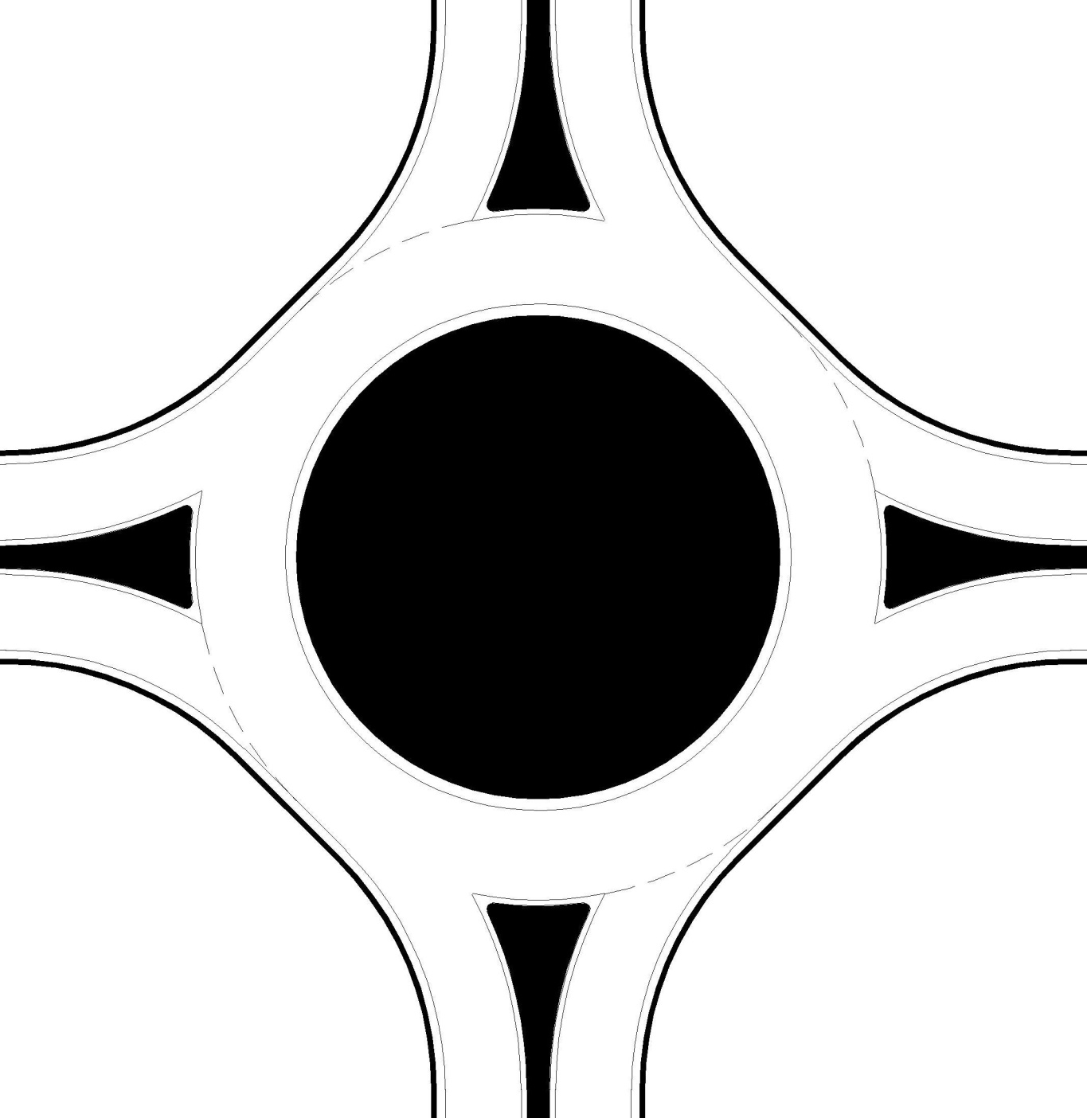
 |  |  |  |  |  |  |  |  |  |  |  |  |  |  |  |  |  |  |  |  |  |  |  |  |  |  |  |  |  |  |  | Conflicting flow
Zone 1
Zone 4
 |  |  |  |  |  |  |  |  |  |  |  |  |  |  |  |  |  |  |  |  |  |  |  |  |  |  |  |  |  |  |  | 1 | Lane

 |  |  |  |  |  |  |  |  |  |  |  |  |  |  |  |  |  |  |  |  |  |  |  |  |  |  |  |  |  | 1.08 |  |  |  |  |  |  |  |  |  | 2.55 |  | V/C RATIO |  |  |  | 1 | 1699 | pepch |  |  | 226 | pepch

 |  |  |  |  |  |  |  |  |  |  |  |  |  |  |  |  |  |  |  |  |  |  |  |  |  |  |  |  |  |  |  |  |  |  |  |  |  |  |  |  |  |  |  |  |  |  |  |  |  |  | 1133 | pepch
 |  |  |  |  |  |  |  |  |  |  |  |  |  |  |  |  |  |  |  |  |  | Predicted approach capacity |  |  |  |  | Conflicting flow | 1 |  |  |  |  |  |  |  |  |  |  |  |  |  |  | Conflicting flow | Predicted approach capacity
 |  |  |  |  |  |  |  |  |  |  |  |  |  |  |  |  |  |  |  | pepch | 0
 |  |  |  |  |  |  |  |  |  |  |  |  |  |  |  |  |  |  |  |  |  |  |  |  |  |  |  | Lane |  |  |  |  |  |  |  |  |  |  |  |  |  |  |  |  |  |  |  |  |  |  | 340 | pepch
Back to Results
 |  |  |  |  |  |  |  |  |  |  |  |  |  |  |  |  |  |  |  |  |  | 758 |  |  | PCEPH |  |  |  |  |  |  |  |  |  |  |  |  |  |  |  |  |  |  | 666 |  |  | PCEPH
 |  |  |  |  |  |  |  |  |  |  |  |  |  |  |  |  |  |  |  | pepch | 306 |  |  |  |  |  |  |  |  |  |  |  |  |  |  |  |  |  |  |  | Lane
 |  |  |  |  |  |  |  |  |  |  |  |  |  |  |  |  |  |  |  |  |  | conflicting with |  |  |  |  |  |  |  |  |  |  |  |  |  |  |  |  |  |  |  |  |  | conflicting with |  |  |  |  |  |  | 0 | pepch

 |  |  |  |  |  |  |  |  |  |  |  |  |  |  |  |  |  |  |  | pepch | 1020 | 587 |  |  | PCEPH |  |  |  |  |  |  |  |  |  |  |  |  |  |  |  | 1 |  |  | 714 |  |  | PCEPH

 |  |  |  |  |  |  |  |  |  |  |  |  |  |  |  |  |  |  |  | pepch | 204 |  | pepch | 1530 | 1 | V/C RATIO |  |  | 2.02

 |  |  |  |  |  |  |  |  |  |  |  |  |  |  |  |  |  |  |  |  |  |  |  |  |  |  |  |  |  |  |  |  |  |  |  |  |  |  | 1.70
Zone 3
 |  |  |  |  |  |  |  |  |  |  |  |  |  |  |  |  |  |  |  |  |  |  |  |  |  |  |  |  |  |  |  |  |  |  |  |  |  |  | V/C RATIO
 |  |  |  |  |  |  |  |  |  |  |  |  |  |  |  |  |  |  |  |  |  |  |  |  |  |  |  |  |  |  |  | 1 | Lane
Zone 2
 |  |  |  |  |  |  |  |  |  |  |  |  |  |  |  |  |  |  |  |  |  |  |  |  |  |  |  |  |  |  |  | Conflicting flow
 |  |  |  |  |  |  |  |  |  |  |  |  |  |  |  |  |  |  |  |  |  |  |  |  |  |  |  |  |  |  |  | Predicted approach capacity
 |  |  |  |  |  |  |  |  |  |  |  |  |  |  |  |  |  |  |  |  |  |  |  |  |  |  |  |  |  |  |  |  |  |  |  |  |  |  | 1
 |  |  |  |  |  |  |  |  |  |  |  |  |  |  |  |  |  |  |  |  |  |  |  |  |  |  |  |  |  |  |  |  |  |  |  |  |  |  | 587
 |  |  |  |  |  |  |  |  |  |  |  |  |  |  |  |  |  |  |  |  |  |  |  |  |  |  |  |  |  |  |  | 346 |  |  |  | PCEPH |  |  | pepch
Zone 3
Zone 2
 |  |  |  |  |  |  |  |  |  |  |  |  |  |  |  |  |  |  |  |  |  |  |  |  |  |  |  |  |  |  |  | conflicting with

 |  | Predicted approach capacity |  |  |  |  |  |  | Predicted approach capacity |  |  |  |  |  |  |  |  |  |  |  |  |  |  |  |  |  |  |  |  |  |  | 1357 |  |  |  | PCEPH

 |  | 758 |  | PCEPH |  |  |  |  | 346 |  |  | PCEPH
 |  |  |  |  |  |  |  |  |  |  |  |  |  |  |  |  |  |  |  |  |  |  |  |  |  |  |  |  |  |  |  | 0 |  |  | 102 |  |  | 306 | 179
 |  | 2.06 |  | V/C |  |  |  |  | 1.73 |  |  | V/C |  |  |  |  |  |  |  |  |  |  |  |  |  |  |  |  |  |  |  | pepch |  |  | pepch |  |  | pepch | pepch
 |  |  |  |  | 1 |  |  |  |  |  |  |  |  |  | 1

1NS x 2 EW Rndabt
1 NS x 2 EW Lane Roundabout |  |  |  |  |  |  |  |  |  |  |  |  |  |  |  |  |  | 1 NS x 2 EW Lane Roundabout

Design and Results |  |  |  |  |  |  |  |  |  |  |  |  |  |  |  |  |  | Data Input and Configuration

 |  |  |  |  |  |  |  |  |  |  |  |  |  |  |  |  |  |  |  |  |  |  |  |  |  |  |  |  |  |  |  |  | Equation |  |  |  | A x exp(-B x Q)
 | Project Name: |  |  | Cap-X Sample Street |  |  | Volume-to-Capacity Ratio
 |  |  |  |  |  |  |  |  |  |  |  |  |  |  |  |  |  |  |  | Multimodal Capacity Adjustment Factor |  |  |  |  |  |  |  |  |  | 0.91 |  |  | LT Lane |  | A |  | 1420 |  |  | B |  | 0.00091
 | Project Number: |  |  | 10000 |  |  | < 0.750 | 0.750 - 0.875 |  |  | 0.875 - 1.00 |  |  |  | ≥ 1.00
 |  |  |  |  |  |  |  |  |  |  |  |  |  |  |  |  |  |  |  |  |  |  |  |  |  |  |  |  |  |  |  |  | RT Lane |  | A |  | 1420 |  |  | B |  | 0.00091
 | Location |  |  | Anywhere, USA |  |  | VOLUME / CAPACITY RATIO: |  | Zone 1 |  | 0.88 |  | Zone3 |  |  | 1.33
 |  |  |  |  |  |  |  |  |  |  |  |  |  |  |  |  |  |  |  |  |  |  |  |  |  |  |  |  |  |  |  |  | One Lane |  | A |  | 1420 |  |  | B |  | 0.00085
 | Date |  |  | 2017 AM |  |  |  |  | Zone 4 |  | 1.07 |  | Zone 2 |  |  | 1.44

 |  |  |  |  |  |  |  |  |  |  |  |  |  |  |  |  |  |  |  |  |  |  |  |  |  |  |  |  |  |  |  |  |  |  |  |  |  |  |  |  |  |  |  |  | 741 |  | 741 | Lane Capacity |  |  |  |  |  |  |  | 0.53 | 0.13
 |  |  |  |  |  |  |  |  |  |  |  |  |  |  |  |  |  |  |  |  |  |  |  |  |  |  |  |  |  |  |  |  |  |  |  |  |  |  |  |  |  |  |  |  |  |  |  |  |  |  |  |  | 226
Zone 1
Zone 4

 |  |  |  |  |  |  |  |  |  |  |  |  |  |  |  |  |  |  |  |  |  |  |  |  |  |  |  |  |  |  |  |  |  |  |  |  |  |  |  |  |  |  |  |  | 1 |  | 2 |  |  |  | 674 |  |  |  |  | Through lane utilization factor | Right turn to Total Flow Ratio
 |  | Predicted approach capacity |  |  |  |  |  |  |  | Predicted approach capacity |  |  |  |  |  |  |  |  |  |  |  |  | pepch |  | pepch |  | pepch |  | pepch
 |  |  |  |  |  |  |  |  |  |  |  |  |  |  |  |  |  |  |  |  |  |  | 51 |  | 216 |  | 31 |  | 0

1
 |  | Lane 1 | 0.88 |  | V/C |  |  |  |  | Lane 1 |  | 1.18 |  | V/C |  |  |  |  |  |  |  |  |  |  |  |  |  |  |  |  |  |  |  |  |  |  |  |  |  |  |  |  |  |  |  |  |  |  |  |  | 459
 |  |  |  |  |  | 0 |  |  |  |  |  |  |  |  |  |  |  |  |  |  |  |  | Lane Capacity |  |  |  |  |  |  |  |  |  | Conflicting flow
 |  |  |  |  |  |  |  |  |  | Lane 2 |  | 1.33 |  | V/C |  |  |  |  |  |  |  |  | 1 |  |  | 372 |  |  |  |  |  |  | 776 |  |  |  |  |  | 2 |  | 1.21 |  | V/C RATIO | 900 | pepch
 |  |  |  |  |  |  |  |  |  |  |  |  |  |  |  |  | 1 |  |  |  |  |  |  |  |  |  |  |  |  |  |  |  |  |  |  |  |  |  |  |  |  |  |  |  |  |  |  |  |  |  |  |  | 340
 |  |  |  |  |  |  |  |  |  |  |  |  |  |  |  |  |  |  |  |  |  |  |  |  |  |  |  |  |  |  |  |  | 799
 |  |  |  |  |  |  |  |  |  |  |  |  |  |  |  |  |  |  |  |  |  |  |  |  |  |  |  |  | pepch |  |  |  |  |  |  |  |  |  | 1 |  | 1.08 |  | V/C RATIO | 799 | pepch
Zone 1
 |  |  |  |  |  |  |  |  |  |  |  |  |  |  |  |  |  |  |  |  |  |  |  |  |  |  |  |  | 298
 |  |  |  |  |  |  |  |  |  |  |  |  |  |  |  |  |  |  |  |  |  |  |  |  |  |  |  |  | V/C RATIO |  |  |  |  |  |  |  |  |  |  |  |  |  |  |  |  |  |  |  |  |  |  |  |  | 226 | pepch

Zone 4
 |  |  |  |  |  |  |  |  |  |  |  |  |  |  |  |  |  |  |  |  |  |  |  |  |  |  |  |  |  |  |  |  |  |  |  |  |  |  |  |  |  |  |  |  |  |  |  | Conflicting flow
 |  |  |  |  |  |  |  |  |  |  |  |  |  |  |  |  |  |  |  |  |  |  |  |  |  |  |  |  |  |  |  |  |  |  |  |  |  |  |  |  |  |  |  |  |  |  |  |  |  |  |  |  |  | 1133 | pepch
2
1
 |  |  |  |  |  |  |  |  |  |  |  |  |  |  |  |  |  |  |  |  |  |  |  |  |  |  |  |  | 0.80
 |  |  |  |  |  |  |  |  |  |  |  |  |  |  |  |  |  |  |  |  |  |  |  |  |  |  |  |  |  |  |  |  |  |  |  |  |  |  |  |  |  |  |  |  |  |  | 714 |  |  |  |  |  |  | 340 | pepch
 |  |  |  |  |  |  |  |  |  |  |  |  |  |  |  |  |  |  |  |  |  |  |  |  |  |  |  |  | 1
Back to Results
1
 |  |  |  |  |  |  |  |  |  |  |  |  |  |  |  |  |  |  |  |  |  |  |  |  |  |  |  |  |  |  |  |  |  |  |  |  |  |  |  |  |  |  |  |  |  |  |  |  |  |  |  |  |  | 0 | pepch
 |  |  |  |  |  |  |  |  |  |  |  |  |  |  |  |  |  |  |  |  |  | pepch | 0
 |  |  |  |  |  |  |  |  |  |  |  |  |  |  |  |  |  |  |  |  |  |  |  |  |  |  |  | Conflicting flow | 587
2
 |  |  |  |  |  |  |  |  |  |  |  |  |  |  |  |  |  |  |  |  |  | pepch | 306 |  |  |  |  |  |  |  |  |  |  |  |  |  |  |  |  |  |  |  |  |  |  | 1

Zone 3
 |  |  |  |  |  |  |  |  |  |  |  |  |  |  |  |  |  |  |  |  |  |  |  |  |  |  |  |  |  |  |  |  |  |  |  |  |  |  |  |  |  |  |  |  |  | 1.31
 |  |  |  |  |  |  |  |  |  |  |  |  |  |  |  |  |  |  |  |  |  | pepch | 1020
 |  |  |  |  |  |  |  |  |  |  |  |  |  |  |  |  |  |  |  |  |  |  |  |  |  |  |  |  |  |  |  |  |  |  |  |  |  |  |  |  |  |  |  |  |  | V/C RATIO

Zone 2
 |  |  |  |  |  |  |  |  |  |  |  |  |  |  |  |  |  |  |  |  |  | pepch | 204

 |  |  |  |  |  |  |  |  |  |  |  |  |  |  |  |  |  |  |  |  |  |  |  |  |  |  |  |  |  |  |  | pepch | 719 | V/C RATIO |  | 0.86 |  | 1
 |  |  |  |  |  |  |  |  |  |  |  |  |  |  |  |  |  |  |  |  |  |  |  |  |  |  |  |  |  |  |  |  |  |  |  |  |  |  |  |  |  |  |  |  |  | 587
 |  |  |  |  |  |  |  |  |  |  |  |  |  |  |  |  |  |  | Right turn to Total Flow Ratio |  | Through lane utilization factor |  |  | 306 |  |  |  |  |  |  |  |  |  |  |  |  |  |  |  |  | 719 |  |  |  |  | pepch
1
 |  |  |  |  |  |  |  |  |  |  |  |  |  |  |  |  |  |  |  |  |  |  |  |  |  |  |  |  |  |  |  | pepch | 811 | V/C RATIO |  | 0.97 |  | 2
 |  |  |  |  |  |  |  |  |  |  |  |  |  |  |  |  |  |  |  |  |  |  |  |  |  |  |  |  |  |  |  |  |  |  |  |  |  |  |  |  | 638 |  |  |  |  |  |  |  | 1 |  |  | 448
Zone 3
Zone 2
 |  |  |  |  |  |  |  |  |  |  |  |  |  |  |  |  |  |  |  |  |  |  |  |  | 413
 |  |  |  |  |  |  |  |  |  |  |  |  |  |  |  |  |  |  |  |  |  |  |  |  |  |  |  |  |  |  |  |  |  |  |  |  |  |  |  |  | Conflicting flow |  |  |  |  |  |  |  | Lane Capacity
 |  |  |  |  |  |  |  |  |  |  |  |  |  |  |  |  |  |  |  |  |  |  |  |  |  |  |  | Lane Capacity | 2 |  | 1
 |  | Predicted approach capacity |  |  |  |  |  |  |  | Predicted approach capacity
 |  |  |  |  |  |  |  |  |  |  |  |  |  |  |  |  |  |  |  |  |  |  |  |  | 607 |  |  |  |  |  |  |  |  |  |  |  |  |  |  |  |  |  |  |  |  | 0 |  | 102 |  | 306 |  |  | 179
 |  |  |  |  |  |  |  |  |  |  |  |  |  |  |  |  |  |  |  |  |  |  |  |  |  |  |  |  |  |  |  |  |  |  |  |  |  |  |  |  |  |  |  |  |  | pepch |  | pepch |  | pepch |  |  | pepch
 |  | Lane 1 | 0.95 |  | V/C |  |  |  |  | Lane 1 |  | 1.44 |  | V/C
 |  |  |  |  |  |  |  |  |  |  |  |  |  |  |  |  | 1 |  | 0.13 |  | 0.53 |  |  | 204 |  |  |  |  | 832 |  | 832
 |  | Lane 2 | 1.07 |  | V/C
 |  |  |  |  |  | 1

2x2 Rndabt
2 NS x 2 EW Lane Roundabout |  |  |  |  |  |  |  |  |  |  |  |  |  |  |  |  |  | 2 NS x 2 EW Lane Roundabout

Design and Results |  |  |  |  |  |  |  |  |  |  |  |  |  |  |  |  |  | Data Input and Configuration

 |  |  |  |  |  |  |  |  |  |  |  |  |  |  |  |  |  |  |  |  |  |  |  |  |  |  |  |  |  |  |  |  |  |  |  |  |  |  |  |  |  |  |  |  |  |  | Equation |  |  |  |  |  |  | A x exp(-B x Q)
 | Project Name: |  |  | Cap-X Sample Street |  |  | Volume-to-Capacity Ratio
 |  |  |  |  |  |  |  |  |  |  |  |  |  |  |  |  |  |  |  | Multimodal Capacity Adjustment Factor |  |  |  |  |  |  |  |  |  |  | 0.91 |  |  |  |  |  |  |  |  |  |  |  |  |  |  |  | LT Lane |  |  |  |  | A |  | 1350 |  |  |  | B |  | 0.00092
 | Project Number: |  |  | 10000 |  |  | < 0.750 | 0.750 - 0.875 |  |  | 0.875 - 1.00 |  |  |  | ≥ 1.00
 |  |  |  |  |  |  |  |  |  |  |  |  |  |  |  |  |  |  |  |  |  |  |  |  |  |  |  |  |  |  |  |  |  |  |  |  |  |  |  |  |  |  |  |  |  |  | RT Lane |  |  |  |  | A |  | 1420 |  |  |  | B |  | 0.00085
 | Location |  |  | Anywhere, USA |  |  | VOLUME / CAPACITY RATIO: |  | Zone 1 |  | 0.49 |  | Zone3 |  |  | 1.28
 |  |  |  |  |  |  |  |  |  |  |  |  |  |  |  |  |  |  |  |  |  |  |  | Right turn to Total Flow Ratio |  |  |  |  |  |  | 0.17
 | Date |  |  | 2017 AM |  |  |  |  | Zone 4 |  | 1.03 |  | Zone 2 |  |  | 0.78
 |  |  |  |  |  |  |  |  |  |  |  |  |  |  |  |  |  |  |  |  |  |  |  | Through lane utilization factor |  |  |  |  |  |  | 0.53

 |  |  |  |  |  |  |  |  |  |  |  |  |  |  |  |  |  |  |  |  |  |  |  |  |  |  |  |  |  |  |  |  |  |  | pepch |  | pepch |  |  | pepch |  | pepch |  |  |  |  |  |  | 700 |  | 774 |  | Lane Capacity |  |  |  |  |  |  |  | 0.53 | 0.13
 |  |  |  |  |  |  |  |  |  |  |  |  |  |  |  |  |  |  |  |  |  |  |  | 51 |  |  |  |  |  |  | 31 |  |  |  | 51 |  | 216 |  |  | 31 |  | 0 |  |  |  |  |  |  |  |  |  |  |  |  |  |  | 226
Zone 1
Zone 3

 |  |  |  |  |  |  |  |  |  |  |  |  |  |  |  |  |  |  |  |  |  |  |  |  |  |  | 107 |  | 109 |  |  |  |  |  |  |  |  |  |  |  |  |  |  |  |  |  |  |  | 1 |  | 2 |  |  |  | 674 |  |  |  |  |  | Through lane utilization factor | Right turn to Total Flow Ratio
 |  | Predicted approach capacity |  |  |  |  |  |  |  | Predicted approach capacity

 |  | Lane 1 | 0.49 |  | V/C |  |  |  |  | Lane 1 |  | 1.25 |  | V/C |  |  |  |  |  |  |  |  |  |  |  |  |  |  |  |  |  |  |  |  |  |  |  |  |  |  |  |  |  |  |  |  |  |  |  |  |  |  |  |  | 459
 |  |  |  |  |  |  |  |  |  |  |  |  |  |  |  |  |  |  |  |  |  | Lane Capacity |  |  |  |  |  |  |  |  |  |  |  | Conflicting flow
 |  | Lane 2 | 0.47 |  | V/C |  |  |  |  | Lane 2 |  | 1.28 |  | V/C |  |  |  |  |  |  |  | 1 |  |  |  | 317 |  |  |  |  |  |  |  | 674 |  |  |  |  |  |  |  |  | 2 |  | 1.16 | V/C RATIO |  | 900 | pepch
2
1
 |  |  |  |  |  | 0 |  |  |  |  |  |  |  |  |  |  | 1 |  |  |  |  |  |  |  |  |  |  |  |  |  |  |  |  |  |  |  |  |  |  |  |  |  |  |  |  |  |  |  |  |  |  |  |  |  |  |  | 340
 |  |  |  |  |  |  |  |  |  |  |  |  |  |  |  |  |  |  |  |  |  | 2 |  |  |  | 372 |  |  |  |  |  |  |  | 901
 |  |  |  |  |  |  |  |  |  |  |  |  |  |  |  |  |  |  |  |  |  |  |  |  |  |  |  |  | pepch |  | pepch |  |  |  |  |  |  |  |  |  |  |  | 1 |  | 1.14 | V/C RATIO |  | 799 | pepch
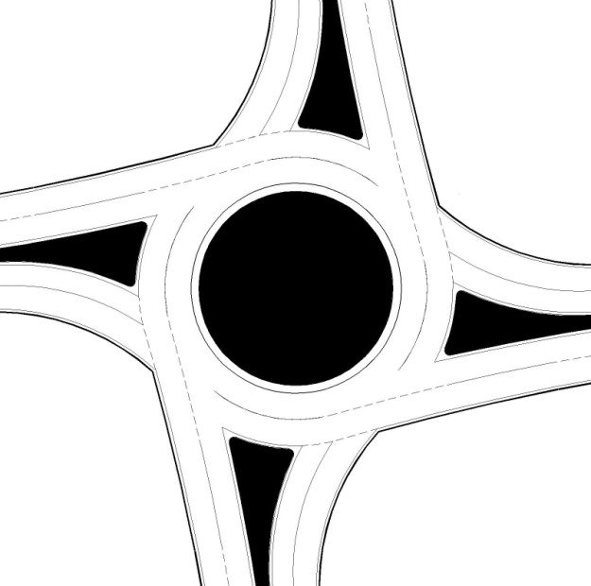
Zone 1
 |  |  |  |  |  |  |  |  |  |  |  |  |  |  |  |  |  |  |  |  |  |  |  |  |  |  |  |  | 158 |  | 140
 |  |  |  |  |  |  |  |  |  |  |  |  |  |  |  |  |  |  |  |  |  |  |  |  |  |  |  |  | V/C RATIO |  | V/C RATIO |  |  |  |  |  |  |  |  |  |  |  |  |  |  |  |  |  |  |  |  |  |  |  |  |  |  |  | 226 | pepch
Zone 4
 |  |  |  |  |  |  |  |  |  |  |  |  |  |  |  |  |  |  |  |  |  |  |  |  |  |  |  |  |  |  |  |  |  |  |  |  |  |  |  |  |  |  |  |  |  |  |  |  |  |  |  |  | Conflicting flow
 |  |  |  |  |  |  |  |  |  |  |  |  |  |  |  |  |  |  |  |  |  |  |  |  |  |  |  |  |  |  |  |  |  |  |  |  |  |  |  |  |  |  |  |  |  |  |  |  |  |  |  |  |  |  |  |  |  |  | 1133 | pepch

2
 |  |  |  |  |  |  |  |  |  |  |  |  |  |  |  |  |  |  |  |  |  |  |  |  |  |  |  |  | 0.42 |  | 0.44
 |  |  |  |  |  |  |  |  |  |  |  |  |  |  |  |  |  |  |  |  |  |  |  |  |  |  |  |  |  |  |  |  |  |  |  |  |  |  |  |  |  |  |  |  |  |  |  |  | 582 |  | 132 |  |  |  |  |  |  |  | 340 | pepch
 |  |  |  |  |  |  |  |  |  |  |  |  |  |  |  |  |  |  |  |  |  |  |  |  |  |  |  |  | 2 |  | 1
1
Back to Results
 |  |  |  |  |  |  |  |  |  |  |  |  |  |  |  |  |  |  |  |  |  |  | pepch | 0 |  |  |  |  |  |  |  |  |  |  |  |  |  |  |  |  |  |  |  |  |  |  |  |  |  |  |  |  |  |  |  |  |  |  | 0 | pepch
1
2
 |  |  |  |  |  |  |  |  |  |  |  |  |  |  |  |  |  |  |  |  |  |  |  |  |  |  |  | Conflicting flow | 107 | 480
 |  |  |  |  |  |  |  |  |  |  |  |  |  |  |  |  |  |  |  |  |  |  | pepch | 306
 |  |  |  |  |  |  |  |  |  |  |  |  |  |  |  |  |  |  |  |  |  |  |  |  |  |  |  |  |  |  |  |  |  |  |  |  |  |  |  |  |  |  |  |  |  |  | 1 |  |  | 2

 |  |  |  |  |  |  |  |  |  |  |  |  |  |  |  |  |  |  |  |  |  |  | pepch | 1020 |  |  |  |  |  |  |  |  |  |  |  |  |  |  |  |  |  |  |  |  |  |  | 0.71 |  |  | 0.69

Zone 3
 |  |  |  |  |  |  |  |  |  |  |  |  |  |  |  |  |  |  |  |  |  |  |  |  |  |  |  |  |  |  |  |  |  |  |  |  |  |  |  |  |  |  |  |  |  |  | V/C RATIO |  |  | V/C RATIO
 |  |  |  |  |  |  |  |  |  |  |  |  |  |  |  |  |  |  |  |  |  |  | pepch | 204

Zone 2
1
 |  |  |  |  |  |  |  |  |  |  |  |  |  |  |  |  |  |  |  |  |  |  |  |  |  |  |  |  |  |  | pepch | 719 | V/C RATIO |  |  | 0.91 |  | 1
 |  |  |  |  |  |  |  |  |  |  |  |  |  |  |  |  |  |  |  |  |  |  |  |  |  |  |  |  |  |  |  |  |  |  |  |  |  |  |  |  |  |  |  |  |  |  | 276 |  |  | 311
 |  |  |  |  |  |  |  |  |  |  |  |  |  |  |  |  |  |  | Right turn to Total Flow Ratio |  | Through lane utilization factor |  |  |  | 306 |  |  |  |  |  |  |  |  |  |  |  |  |  |  |  |  | 750 |  |  |  |  | pepch |  |  | pepch |  |  |  | 1 |  |  | 387
2
 |  |  |  |  |  |  |  |  |  |  |  |  |  |  |  |  |  |  |  |  |  |  |  |  |  |  |  |  |  |  | pepch | 811 | V/C RATIO |  |  | 0.94 |  | 2
 |  |  |  |  |  |  |  |  |  |  |  |  |  |  |  |  |  |  |  |  |  |  |  |  |  |  |  |  |  |  |  |  |  |  |  |  |  |  |  |  |  | 607 |  |  |  |  |  |  |  |  |  |  |  | 2 |  |  | 448
 |  |  |  |  |  |  |  |  |  |  |  |  |  |  |  |  |  |  |  |  |  |  |  |  |  |  | 413
Zone 4
Zone 2
 |  |  |  |  |  |  |  |  |  |  |  |  |  |  |  |  |  |  |  |  |  |  |  |  |  |  |  |  |  |  |  |  |  |  |  |  |  |  |  |  |  | Conflicting flow |  |  |  |  |  |  |  |  |  |  |  | Lane Capacity
 |  |  |  |  |  |  |  |  |  |  |  |  |  |  |  |  |  |  |  |  |  |  |  |  |  |  |  | Lane Capacity | 2 | 1

 |  | Predicted approach capacity |  |  |  |  |  |  |  | Predicted approach capacity |  |  |  |  |  |  |  |  |  |  |  |  |  |  |  |  | 607
 |  |  |  |  |  |  |  |  |  |  |  |  |  |  |  |  |  |  |  |  |  |  |  |  |  |  |  |  |  |  |  |  |  |  |  |  |  |  |  |  |  |  |  |  |  |  |  |  |  | 174 |  |  |  | 132

 |  | Lane 1 | 1.00 |  | V/C |  |  |  |  | Lane 1 |  | 0.78 |  | V/C |  |  |  |  | 0.13 |  | 0.53 |  |  |  | 204 |  |  |  | 862 | 787 |  |  |  |  |  |  |  |  |  |  |  |  |  |  |  |  | 102 |  |  |  |  |  |  |  |  | 179

 |  | Lane 2 | 1.03 |  | V/C |  |  |  |  | Lane 2 |  | 0.76 |  | V/C |  |  |  |  |  |  |  |  |  |  |  |  |  |  |  |  |  |  |  |  |  |  |  |  | 0 |  | 102 |  |  | 306 |  | 179
 |  |  |  |  |  | 1 |  |  |  |  |  |  |  |  |  |  | 0 |  |  |  |  |  |  |  |  |  |  |  |  |  |  |  |  |  |  |  |  |  | pepch |  | pepch |  |  | pepch |  | pepch
 |  |  |  |  |  |  |  |  |  |  |  |  |  |  |  |  |  |  |  |  |  |  |  |  |  |  |  |  |  |  |  |  |  |  |  |  |  |  |  |  |  |  |  |  |  |  | Through lane utilization factor |  |  |  |  |  |  |  |  | 0.53

 |  |  |  |  |  |  |  |  |  |  |  |  |  |  |  |  |  |  |  |  |  |  |  |  |  |  |  |  |  |  |  |  |  |  |  |  |  |  |  |  |  |  |  |  |  |  | Right turn to Total Flow Ratio |  |  |  |  |  |  |  |  | 0.30

3x3 Rndabt
3 NS x 3 EW Lane Roundabout |  |  |  |  |  |  |  |  |  |  |  |  |  |  |  |  | 3 NS x 3 EW Lane Roundabout

Design and Results |  |  |  |  |  |  |  |  |  |  |  |  |  |  |  |  | Data Input and Configuration

 |  |  |  |  |  |  |  |  |  |  |  |  |  |  |  |  |  |  |  |  |  |  |  |  |  |  |  |  |  |  |  |  |  |  |  |  |  |  |  |  |  |  |  |  | Multimodal Capacity Adjustment Factor |  |  |  |  |  |  |  |  |  |  |  |  |  |  |  |  |  |  | Equation |  | A x exp(-B x Q)
 | Project Name: |  |  | Cap-X Sample Street |  |  | Volume-to-Capacity Ratio |  |  |  |  |  |  |  |  |  |  |  |  |  | Default percent of traffic in right lane |  |  |  |  |  |  |  | 0.36 |  |  |  |  |  |  |  |  |  |  |  |  |  |  |  |  |  |  |  |  |  |  |  |  |  | 0.91
 |  |  |  |  |  |  |  |  |  |  |  |  |  |  |  |  |  |  |  |  |  |  |  |  |  |  |  |  |  |  |  |  |  |  |  |  |  |  |  |  |  |  |  |  |  |  |  |  |  |  |  |  |  |  |  |  |  |  |  |  |  |  |  | LT Lane | A | 1350 | B | 0.00092
 | Project Number: |  |  | 10000 |  |  | < 0.750 | 0.750 - 0.875 |  |  | 0.875 - 1.00 |  |  | ≥ 1.00 |  |  |  |  |  |  | Default percent of traffic in center lane |  |  |  |  |  |  |  | 0.32 |  |  |  |  |  |  |  |  |  |  |  |  |  |  |  |  |  |  |  |  |  |  |  |  |  | 226
 |  |  |  |  |  |  |  |  |  |  |  |  |  |  |  |  |  |  |  |  |  |  |  |  |  |  |  |  |  |  |  |  |  |  |  |  |  |  |  |  |  |  |  |  |  |  |  |  |  |  |  |  |  |  |  |  |  |  |  |  |  |  |  | C Lane | A | 1350 | B | 0.00092
 | Location |  |  | Anywhere, USA |  |  | VOLUME / CAPACITY RATIO: |  | Zone 1 |  | 0.33 |  | Zone3 |  | 0.87 |  |  |  |  |  | Default percent of traffic in left lane |  |  |  |  |  |  |  | 0.32 |  |  |  |  |  |  | pepch | pepch |  |  | pepch |  | pepch |  |  |  | 700 |  | 700 |  | 774 | Lane Capacity
 |  |  |  |  |  |  |  |  |  |  |  |  |  |  |  |  |  |  |  |  |  |  |  |  |  |  |  |  |  |  |  |  |  |  |  | 51 | 216 |  |  | 31 |  | 0 |  |  |  |  |  |  |  |  |  |  | 770 |  |  |  |  |  | 0.32 |  | 0.32 |  | 0.36 | RT Lane | A | 1420 | B | 0.00085
 | Date |  |  | 2017 AM |  |  |  |  | Zone 4 |  | 0.70 |  | Zone 2 |  | 0.53 |  |  |  |  |  |  |  |  |  |  |  |  |  |  |  |  | 0
Zone 1
 |  |  |  |  |  |  |  |  |  |  |  |  |  |  |  |  |  | 51 |  |  |  |  |  |  |  |  |  | 21
 |  |  |  |  |  |  |  |  |  |  |  |  |  |  |  |  |  |  |  |  |  |  |  |  |  |  |  |  |  |  |  |  |  |  |  |  |  |  |  |  |  |  |  |  |  | 1 |  | 2 |  | 3
Zone 1
Zone 3
 |  |  |  |  |  |  |  |  |  |  |  |  |  |  |  |  |  |  |  |  |  |  |  |  |  |  |  |  |  |  |  | 10 |  |  |  |  |  |  |  |  |  |  |  |  |  |  |  |  |  |  |  |  | 363 |  |  |  |  |  | Default percent of traffic in left lane |  | Default percent of traffic in center lane |  | Default percent of traffic in right lane
 |  |  |  |  |  |  |  |  |  |  |  |  |  |  |  |  |  |  |  |  | 147 |  |  |  | 69

 |  | Predicted approach capacity |  |  |  |  |  |  |  | Predicted approach capacity |  |  |  |  |  |  |  |  |  |  |  |  |  |  |  |  |  |  |  |  |  |  |  |  |  |  |  |  |  |  |  |  |  |  |  |  |  |  |  |  |  |  |  |  | 231

 |  |  |  |  |  |  |  |  |  |  |  |  |  |  |  |  |  |  | Lane Capacity |  |  |  |  |  |  |  |  |  |  |  |  |  |  |  | Conflicting flow |  |  |  |  |  |  | 3 |  | 0.79 | V/C RATIO |  | 612 | pepch
 |  | Lane 1 | 0.33 |  | V/C |  |  |  |  | Lane 1 |  | 0.85 |  | V/C |  |  |  |  | 1 |  |  |  | 317 |  |  |  |  |  |  |  |  |  |  |  | 1473

 |  | Lane 2 | 0.33 |  | V/C |  |  |  |  | Lane 2 |  | 0.85 |  | V/C |  |  |  |  | 2 |  |  |  | 317 |  |  |  |  |  |  |  |  |  |  |  | 102 |  |  |  |  |  |  | 2 |  | 0.78 | V/C RATIO |  | 544 | pepch
 |  |  |  |  |  |  |  |  |  |  |  |  |  |  |  |  |  |  |  |  |  |  |  |  |  |  |  | pepch | pepch |  | pepch
 |  | Lane 3 | 0.32 |  | V/C |  |  |  |  | Lane 3 |  | 0.87 |  | V/C |  |  |  |  | 3 |  |  |  | 372 |  |  |  |  | 107 | 95 |  | 95 |  |  |  | 0 |  |  |  |  |  |  |  |  |  |  |  |  |  |  |  |  |  |  | 109 |  |  | 0
 |  |  |  |  |  | 0 |  |  |  |  |  |  |  |  |  | 0 |  |  |  |  |  |  |  |  |  |  |  | V/C RATIO | V/C RATIO |  | V/C RATIO |  |  |  |  |  |  |  |  |  |  | 1 |  | 0.78 | V/C RATIO |  | 544 | pepch

3
2
1
 |  |  |  |  |  |  |  |  |  |  |  |  |  |  |  |  |  |  |  |  |  |  |  |  |  |  |  |  |  |  |  |  |  |  |  |  |  |  |  |  |  |  |  |  |  |  |  |  |  |  |  |  |  |  |  |  |  |  | 226 | pepch
 |  |  |  |  |  |  |  |  |  |  |  |  |  |  |  |  |  |  |  |  |  |  |  |  |  |  |  |  |  |  |  |  |  |  |  |  |  |  |  |  |  |  |  |  |  |  |  |  |  |  | Conflicting flow
 |  |  |  |  |  |  |  |  |  |  |  |  |  |  |  |  |  |  |  |  |  |  |  |  |  |  |  | 0.29 | 0.30 |  | 0.30
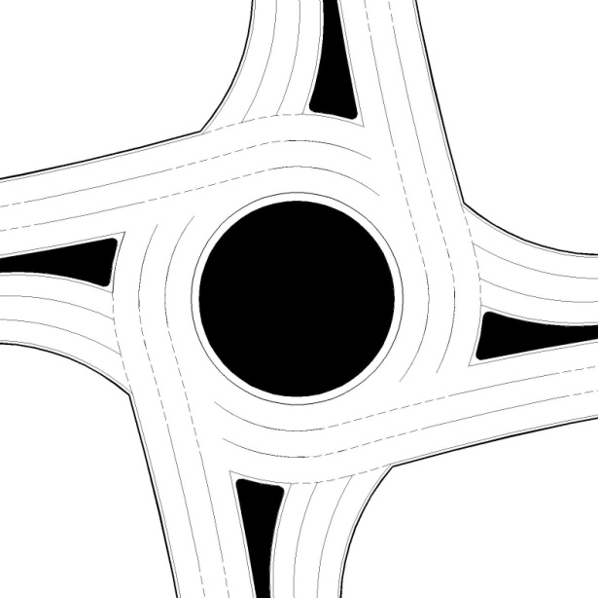
 |  |  |  |  |  |  |  |  |  |  |  |  |  |  |  |  |  |  |  |  |  |  |  |  |  |  |  |  |  |  |  |  |  |  |  |  |  |  |  |  |  |  |  |  |  |  |  |  |  |  |  |  |  |  |  |  |  |  | 1133 | pepch
 |  |  |  |  |  |  |  |  |  |  |  |  |  |  |  |  |  |  |  |  |  |  |  |  |  |  |  | 3 | 2 |  | 1
 |  |  |  |  |  |  |  |  |  |  |  |  |  |  |  |  |  |  |  |  |  |  |  |  |  |  |  |  |  |  |  |  |  |  |  |  |  |  |  |  |  |  |  |  |  | 0 |  | 306 |  | 408
Zone 4
 |  |  |  |  |  |  |  |  |  |  |  |  |  |  |  |  |  |  |  |  |  |  |  |  |  |  |  |  |  |  |  |  |  |  |  |  |  |  |  |  |  |  |  |  |  |  |  |  |  |  |  |  |  |  |  |  |  |  | 340 | pepch

Back to Results
3
 |  |  |  |  |  |  |  |  |  |  |  |  |  |  |  |  |  |  |  |  |  |  |  |  |  |  |  |  |  |  |  |  |  |  |  |  |  |  |  |  |  |  |  |  |  |  |  |  |  |  |  |  |  |  |  |  |  |  | 0 | pepch
 |  |  |  |  |  |  |  |  |  |  |  |  |  |  |  |  |  |  |  |  |  | pepch | 0
2
Zone 3
1
1
 |  |  |  |  |  |  |  |  |  |  |  |  |  |  |  |  |  |  |  |  |  |  |  |  |  |  |  |  | Conflicting flow | 247 | 340 |  | 0
 |  |  |  |  |  |  |  |  |  |  |  |  |  |  |  |  |  |  |  |  |  | pepch | 306
2

3
 |  |  |  |  |  |  |  |  |  |  |  |  |  |  |  |  |  |  |  |  |  | pepch | 1020 |  |  |  |  |  |  |  |  |  |  |  |  |  |  |  |  |  |  |  |  |  |  |  | 1 |  |  | 2 |  | 3

 |  |  |  |  |  |  |  |  |  |  |  |  |  |  |  |  |  |  |  |  |  |  |  |  |  |  |  |  |  |  |  |  |  |  |  |  |  |  |  |  |  |  |  |  |  |  | 0.48 |  |  | 0.48 |  | 0.47
 |  |  |  |  |  |  |  |  |  |  |  |  |  |  |  |  |  |  |  |  |  | pepch | 204
 |  |  |  |  |  |  |  |  |  |  |  |  |  |  |  |  |  |  |  |  |  |  |  |  |  |  |  |  |  |  |  |  |  |  |  |  |  |  |  |  |  |  |  |  |  |  | V/C RATIO |  |  | V/C RATIO |  | V/C RATIO

 |  |  |  |  |  |  |  |  |  |  |  |  |  |  |  |  |  |  |  |  |  |  |  |  |  |  |  |  |  |  |  | pepch | 490 | V/C RATIO |  |  | 0.62 |  | 1
 |  |  |  |  |  |  |  |  |  |  |  |  |  |  |  |  |  |  |  |  |  |  |  | 0 |  |  | 98
 |  |  |  |  |  |  |  |  |  |  |  |  |  |  |  |  |  |  |  |  |  |  |  |  |  |  |  |  |  |  |  |  |  |  |  |  |  |  |  |  |  | 0 |  |  |  |  |  |  |  |  |  |  |  |  |  | 1 |  |  |  | 387
 |  |  |  |  |  |  |  |  |  |  |  |  |  |  |  |  |  |  |  |  |  |  |  |  |  |  |  |  |  |  |  | pepch | 490 | V/C RATIO |  |  | 0.62 |  | 2 |  |  |  |  |  |  |  | 188 |  |  | 188 |  | 211
1
 |  |  |  |  |  |  |  |  |  |  |  |  |  |  |  |  |  | Default percent of traffic in right lane |  | Default percent of traffic in center lane |  | Default percent of traffic in left lane |  |  |  |  |  |  |  |  |  |  |  |  |  |  |  |  |  |  |  | 31 |  |  |  |  | pepch |  |  | pepch |  | pepch |  |  |  | 2 |  |  |  | 387
2
3
Zone 4
Zone 2
 |  |  |  |  |  |  |  |  |  |  |  |  |  |  |  |  |  |  |  |  |  |  |  |  |  |  |  |  |  |  |  | pepch | 551 | V/C RATIO |  |  | 0.64 |  | 3 |  |  | 1326 |  |  |  |  |  |  |  |  |  |  |  |  |  | 3 |  |  |  | 448

 |  |  |  |  |  |  |  |  |  |  |  |  |  |  |  |  |  |  |  |  |  |  |  |  |  | 208 |  |  |  |  |  |  |  |  |  |  |  |  |  |  |  | Conflicting flow |  |  |  |  |  |  |  |  |  |  |  |  |  | Lane Capacity
 |  | Predicted approach capacity |  |  |  |  |  |  |  | Predicted approach capacity
 |  |  |  |  |  |  |  |  |  |  |  |  |  |  |  |  |  |  |  |  |  |  |  |  |  |  |  |  | Lane Capacity | 3 | 2 |  | 1 |  |  |  |  |  |  |  |  |  |  |  |  |  |  |  |  |  |  |  |  |  | 98 |  |  |  | 208
Zone 2
 |  |  |  |  |  |  |  |  |  |  |  |  |  |  |  |  |  |  |  |  |  |  |  |  |  |  |  | 326 |  |  |  |  |  |  |  |  |  |  |  |  |  |  |  |  |  | 33
 |  | Lane 1 | 0.68 |  | V/C |  |  |  |  | Lane 1 |  | 0.53 |  | V/C |  |  |  |  |  |  |  |  |  |  |  |  |  |  |  |  |  |  |  |  |  |  |  |  |  |  |  |  |  |  |  |  |  |  |  |  |  | 69 |  |  |  |  |  |  |  |  |  | 179

 |  | Lane 2 | 0.68 |  | V/C |  |  |  |  | Lane 2 |  | 0.53 |  | V/C |  |  |  | 0.36 |  | 0.32 |  | 0.32 |  |  |  |  |  |  |  |  |  |  |  |  |  |  |  |  |  |  |  |  |  |  |  | 0
 |  |  |  |  |  |  |  |  |  |  |  |  |  |  |  |  |  |  |  |  |  |  |  |  |  |  |  | 694 |  | 862 | 787 |  | 787
 |  | Lane 3 | 0.70 |  | V/C |  |  |  |  | Lane 3 |  | 0.52 |  | V/C |  |  |  |  |  |  |  |  |  |  |  |  |  |  |  |  |  |  |  |  |  |  |  | 0 |  |  | 102 |  | 306 |  | 179 |  |  |  | Default percent of traffic in left lane |  |  |  |  |  |  |  |  | 0.32
 |  |  |  |  |  | 0 |  |  |  |  |  |  |  |  |  | 0 |  |  |  |  |  |  |  |  |  |  |  |  |  |  |  |  |  |  |  |  |  | pepch |  |  | pepch |  | pepch |  | pepch
 |  |  |  |  |  |  |  |  |  |  |  |  |  |  |  |  |  |  |  |  |  |  |  |  |  | 204 |  |  |  |  |  |  |  |  |  |  |  |  |  |  |  |  |  |  |  |  |  |  | Default percent of traffic in center lane |  |  |  |  |  |  |  |  | 0.32

 |  |  |  |  |  |  |  |  |  |  |  |  |  |  |  |  |  |  |  |  |  |  |  |  |  |  |  |  |  |  |  |  |  |  |  |  |  |  |  |  |  |  |  |  |  |  |  |  | Default percent of traffic in right lane |  |  |  |  |  |  |  |  | 0.36

TD N-S
Traditional Diamond (N-S)

Design and Results

 | Project Name: | Cap-X Sample Street |  |  |  |  |  |  |  |  |  |  |  |  |  |  |  |  |  |  |  | Volume-to-Capacity Ratio

 | Project Number: | 10000 |  |  |  |  |  |  |  |  |  |  |  |  |  |  |  |  |  |  |  | < 0.750 |  | 0.750 - 0.875 |  | 0.875 - 1.00 | ≥ 1.00

 | Location | Anywhere, USA |  |  |  |  |  |  |  |  |  |  |  |  |  |  |  |  |  |  |  | VOLUME / CAPACITY RATIO: |  |  |  | 0.72

 | Date | 2017 AM

Zone 4
Zone 3

 |  |  | 847 |  |  |  | CLV |  |  |  |  |  |  |  |  |  |  |  | 1260 |  |  |  | CLV

 |  |  | 0.48 |  | V/C | 1750 | MAX |  |  |  |  |  |  |  |  |  |  |  | 0.72 |  | V/C | 1750 | MAX

 |  |  |  |  |  | 3 Phases |  |  |  |  |  |  |  |  |  |  |  |  |  |  |  | 3 Phases

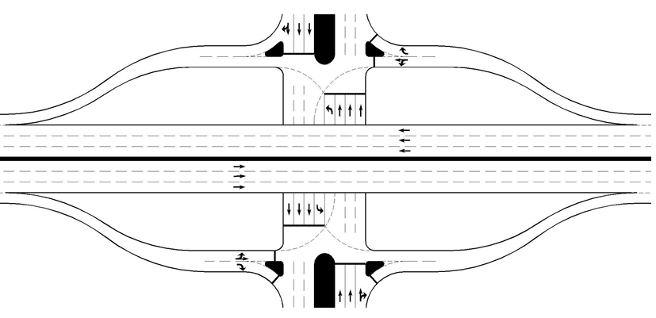

 |  |  |  | Note: This diagram does not reflect the actual lane configuration of the Intersection

Traditional Diamond (N-S)

Data Input and Configuration

 |  |  |  |  |  |  |  |  |  |  |  |  |  |  |  |  |  |  |  | Multimodal Capacity Adjustment Factor |  |  |  |  | 1.00

 |  |  |  |  |  |  | pepch |  |  | pepch |  | pepch |  |  | 1 | 226 | pepch
 |  |  |  |  |  |  | 51 |  |  | 216 |  | 31
 |  |  |  |  |  |  | 1 |  |  | 2
 |  |  |  |  |  |  |  |  |  |  |  |  |  |  | 2 | 1133 | pepch

Zone 3
 |  |  |  |  |  |  |  |  |  |  |  |  |  |  | 1 | 340 | pepch

 |  |  |  |  |  |  |  |  |  |  | 1260

 |  |  |  |  |  |  |  |  |  |  |  |  | 1 | 2 |  |  |  | Through volume entered on Input Worksheet is routed through ramp terminal intersections (assumed to be frontage road volume)
 |  |  |  |  |  |  |  |  |  |  |  |  | 102 | 612
 |  |  |  |  |  |  |  |  |  |  |  |  | pepch | pepch

 |  |  |  |  |  |  |  |  |  | pepch |  | pepch
 |  |  |  |  |  |  |  |  |  | 556 |  | 31
 |  |  |  |  |  |  |  |  |  | 2 |  | 1

Zone 4

 |  |  |  |  |  |  | pepch | 306 | 1 |  | 847

 |  |  |  |  |  |  | pepch | 1020 | 2

 |  |  |  |  |  |  | pepch | 204 | 1 |  |  |  | 2 |  | 1
 |  |  |  |  |  |  |  |  |  |  |  |  | 102 | 306 | 179
 |  |  |  |  |  |  |  |  |  |  |  |  | pepch | pepch | pepch
Back to Results

PCLA N-S
Partial Cloverleaf A (N-S) |  |  |  |  |  |  |  |  |  |  |  |  |  |  | Partial Cloverleaf A (N-S)

Design and Results |  |  |  |  |  |  |  |  |  |  |  |  |  |  | Data Input and Configuration

 | Project Name: |  |  |  | Cap-X Sample Street |  |  | Volume-to-Capacity Ratio

 | Project Number: |  |  |  | 10000 |  |  | < 0.750 | 0.750 - 0.875 | 0.875 - 1.00 |  |  | ≥ 1.00

 | Location |  |  |  | Anywhere, USA |  |  | VOLUME / CAPACITY RATIO: |  | 0.29

 | Date |  |  |  | 2017 AM

Zone 3
 |  |  |  |  |  |  |  |  |  |  |  |  |  |  |  |  |  |  | pepch |  | pepch
 |  |  |  |  |  |  |  |  |  |  |  |  |  |  |  |  |  |  | 216 |  | 31
 |  |  |  |  |  |  |  |  |  |  |  |  |  |  |  | 1 |  |  | 2
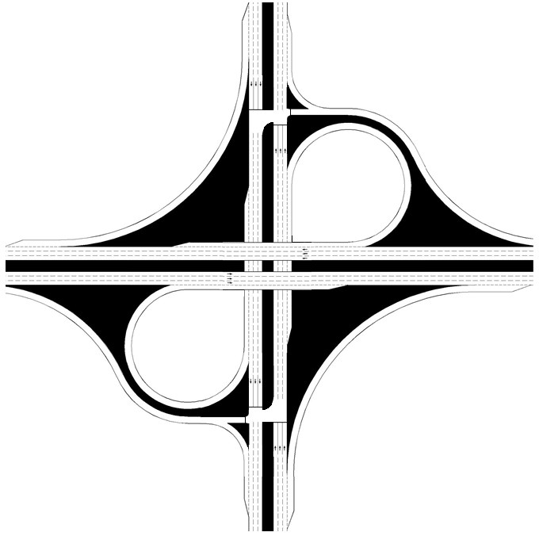
 |  |  |  |  |  |  |  |  |  |  |  |  |  |  |  |  |  |  |  |  |  |  |  | 1 | 340 | pepch
 |  | 481 |  |  |  | CLV
Zone 3
 |  |  |  |  |  |  |  |  |  |  |  |  |  |  |  |  |  |  |  |  |  |  |  | 1 | 340 | pepch
 |  | 0.27 | V/C | 1800 |  | MAX
 |  |  |  |  |  |  |  |  |  |  |  |  |  |  |  |  |  |  |  | 481

 |  |  |  | 2 Phases

 |  |  |  |  |  |  |  |  |  |  |  |  |  |  |  |  |  |  |  |  |  |  | 2
 |  |  |  |  |  |  |  |  |  |  |  |  |  |  |  |  |  |  |  |  |  |  | 612
 |  |  |  |  |  |  |  |  |  |  |  |  |  |  |  |  |  |  |  |  |  |  | pepch

 |  |  |  |  |  |  |  |  |  |  |  |  |  |  |  |  |  |  | pepch
 |  |  |  |  |  |  |  |  |  |  |  |  |  |  |  |  |  |  | 556
 |  |  |  |  |  |  |  |  |  |  |  |  |  |  |  |  |  |  | 2

Zone 4
 |  |  |  |  |  |  |  |  |  |  |  |  |  |  |  | pepch | 306 | 1

 |  |  |  |  |  |  |  |  |  |  |  |  |  |  |  |  |  |  |  | 526
 |  |  |  |  |  |  |  |  |  |  |  |  |  |  |  | pepch | 306 | 1

 |  |  |  |  |  |  |  |  |  |  |  |  |  |  |  |  |  |  |  |  |  | 2 |  | 1
 |  |  |  |  |  |  |  |  |  |  |  |  |  |  |  |  |  |  |  |  |  | 102 | 306
 |  |  |  |  |  |  |  |  |  |  |  |  |  |  |  |  |  |  |  |  |  | pepch | pepch

Zone 4

 |  |  |  |  |  |  |  |  |  | 526 |  |  |  | CLV

 |  |  |  |  |  |  |  |  |  | 0.29 | V/C | 1800 |  | MAX
Back to Results

 |  |  |  |  |  |  |  |  |  |  |  | 2 Phases

 |  |  |  |  |  |  | Note: This diagram does not reflect the actual lane configuration of the Intersection

PCLB N-S
Partial Cloverleaf B (N-S) |  |  |  |  |  |  |  |  |  |  |  |  |  |  | Partial Cloverleaf B (N-S)

Design and Results |  |  |  |  |  |  |  |  |  |  |  |  |  |  | Data Input and Configuration

 | Project Name: |  |  |  | Cap-X Sample Street |  |  | Volume-to-Capacity Ratio

 | Project Number: |  |  |  | 10000 |  |  | < 0.750 | 0.750 - 0.875 | 0.875 - 1.00 |  |  | ≥ 1.00

 | Location |  |  |  | Anywhere, USA |  |  | VOLUME / CAPACITY RATIO: |  | 0.13

 | Date |  |  |  | 2017 AM

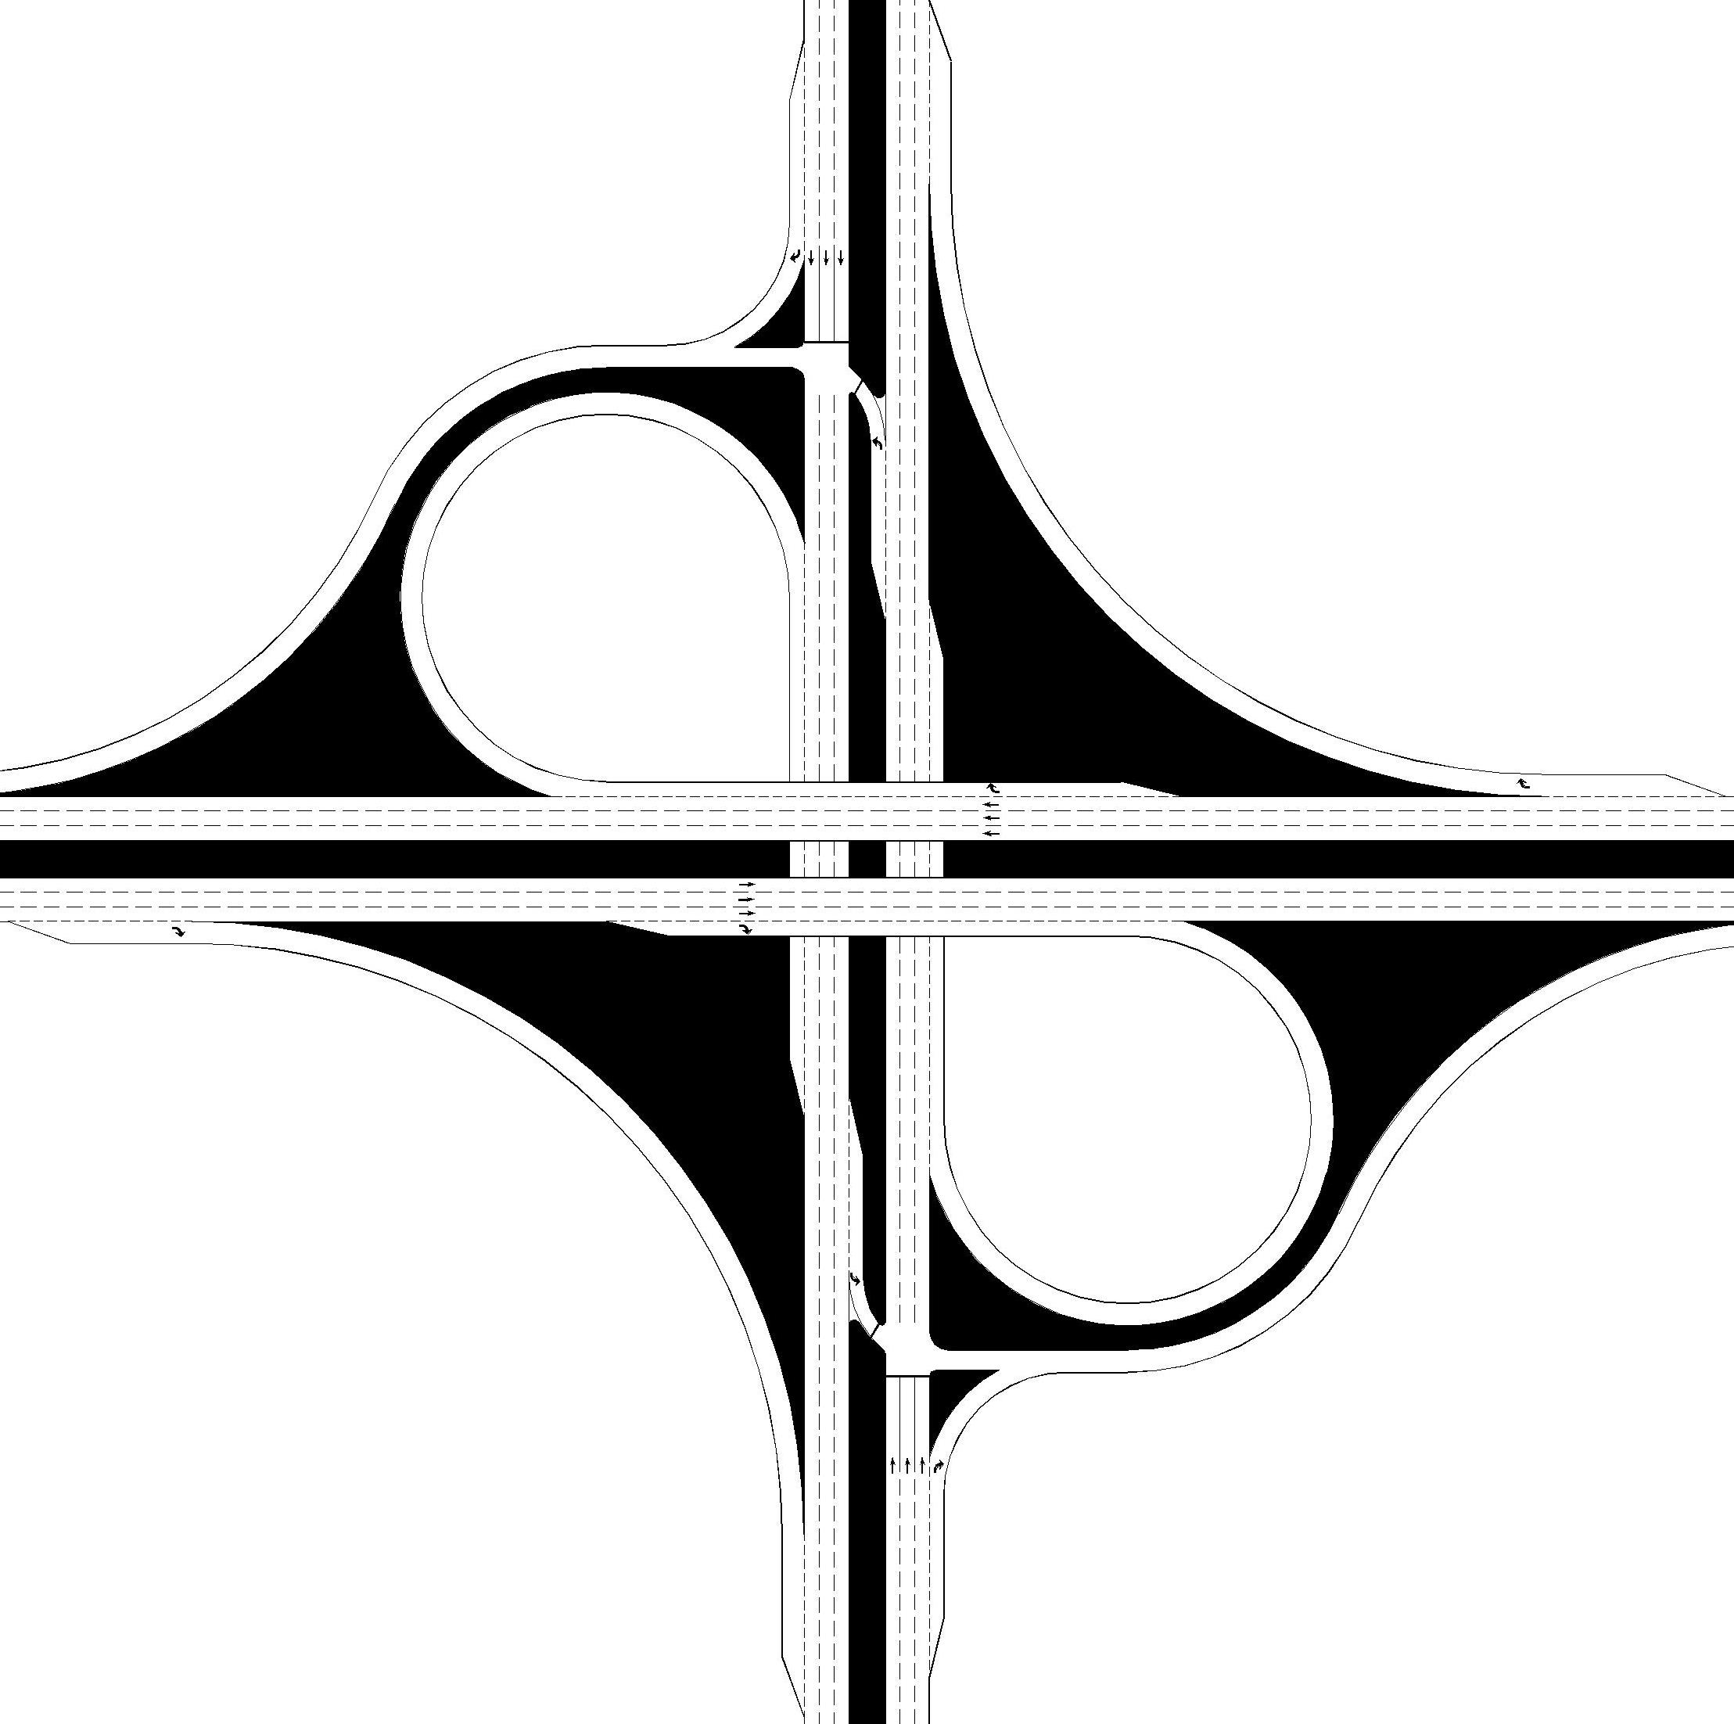
Zone 3
 |  |  |  |  |  |  |  |  |  |  |  |  |  |  |  | pepch |  |  | pepch |  | pepch
 |  |  |  |  |  |  |  |  |  |  |  |  |  |  |  | 51 |  |  | 216 |  | 31
 |  |  |  |  |  |  |  |  |  |  |  |  |  |  |  | 1 |  |  | 2
 |  |  |  |  |  |  |  |  |  |  |  |  |  |  |  |  |  |  |  |  |  |  |  | 1 | 226 | pepch

 |  | 231 |  |  |  | CLV
Zone 3

 |  | 0.13 | V/C | 1800 |  | MAX
 |  |  |  |  |  |  |  |  |  |  |  |  |  |  |  |  |  |  |  | 231

 |  |  |  | 2 Phases
 |  |  |  |  |  |  |  |  |  |  |  |  |  |  |  | pepch | 340 | 1

 |  |  |  |  |  |  |  |  |  |  |  |  |  |  |  |  |  |  | 1
 |  |  |  |  |  |  |  |  |  |  |  |  |  |  |  |  |  |  | 102
 |  |  |  |  |  |  |  |  |  |  |  |  |  |  |  |  |  |  | pepch

 |  |  |  |  |  |  |  |  |  |  |  |  |  |  |  |  |  |  |  |  |  |  | pepch
 |  |  |  |  |  |  |  |  |  |  |  |  |  |  |  |  |  |  |  |  |  |  | 31
 |  |  |  |  |  |  |  |  |  |  |  |  |  |  |  |  |  |  |  |  |  |  | 1
 |  |  |  |  |  |  |  |  |  |  |  |  |  |  |  |  |  |  |  |  |  |  |  | 1 | 306 | pepch

Zone 4

 |  |  |  |  |  |  |  |  |  |  |  |  |  |  |  |  |  |  |  | 237

 |  |  |  |  |  |  |  |  |  |  |  |  |  |  |  | pepch | 204 | 1

 |  |  |  |  |  |  |  |  |  |  |  |  |  |  |  |  |  |  |  |  |  | 2 |  | 1
 |  |  |  |  |  |  |  |  |  |  |  |  |  |  |  |  |  |  |  |  |  | 102 | 306 | 179
 |  |  |  |  |  |  |  |  |  |  |  |  |  |  |  |  |  |  |  |  |  | pepch | pepch | pepch

Zone 4

 |  |  |  |  |  |  |  |  |  | 237 |  |  |  | CLV

 |  |  |  |  |  |  |  |  |  | 0.13 | V/C | 1800 |  | MAX
Back to Results

 |  |  |  |  |  |  |  |  |  |  |  | 2 Phases

 |  |  |  |  |  |  | Note: This diagram does not reflect the actual lane configuration of the Intersection

DLTI N-S
Displaced Left Turn Interchange (N-S) |  |  |  |  |  |  |  |  |  |  |  | Displaced Left Turn Interchange (N-S)

Design and Results |  |  |  |  |  |  |  |  |  |  |  | Data Input and Configuration

 | Project Name: | Cap-X Sample Street |  | Volume-to-Capacity Ratio
 |  |  |  |  |  |  |  |  |  |  |  |  | Multimodal Capacity Adjustment Factor | 1.00
 | Project Number: | 10000 |  | < 0.750 |  | 0.750 - 0.875 |  |  | 0.875 - 1.00 |  | ≥ 1.00

 | Location | Anywhere, USA |  | VOLUME / CAPACITY RATIO: |  |  |  |  | 1.02
 |  |  |  |  |  |  |  |  |  |  |  |  |  |  |  |  |  | pepch |  | pepch | pepch |  | pepch
 | Date | 2017 AM |  |  |  |  |  |  |  |  |  |  |  |  |  |  |  | 51 |  | 216 | 31 |  | 0
 |  |  |  |  |  |  |  |  |  |  |  |  |  |  |  |  |  | 1 |  | 2 | 1

Zone 1
 |  |  |  |  |  |  |  |  |  |  |  |  |  |  |  |  |  |  |  |  |  |  |  | 1 | 226 | pepch

Zone 1
 |  |  |  |  | 544 |  |  |  |  | CLV

 |  |  |  |  |  |  |  |  |  |  |  |  |  |  |  |  |  |  | 544
 |  |  |  |  | 0.3 |  | V/C | 1800 |  | MAX

 |  |  |  |  |  |  |  | 2 Phases

 |  |  |  |  |  |  |  |  |  |  |  |  |  |  |  |  |  |  |  |  |  |  |  | 2 | 1133 | pepch
Zone 3

Zone 3
 |  |  |  |  |  |  |  |  |  |  |  |  |  |  |  |  |  |  |  |  |  |  |  | 1 | 340 | pepch
 |  |  |  |  |  |  |  |  |  |  |  |  |  |  |  |  |  |  | 1839

 |  |  |  |  | 1839 |  |  |  |  | CLV |  |  |  |  |  |  |  |  |  |  |  |  |  |  | 0 | pepch

 |  |  |  |  | 1.02 |  | V/C | 1800 |  | MAX
 |  |  |  |  |  |  |  |  |  |  |  |  |  |  |  |  |  |  |  |  |  | 2
 |  |  |  |  |  |  |  |  |  |  |  |  |  |  |  |  |  |  |  |  |  | 612
 |  |  |  |  |  |  |  | 2 Phases |  |  |  |  |  |  |  |  |  |  |  |  |  | pepch
 |  |  |  |  |  |  |  |  |  |  |  |  |  |  |  |  |  |  | pepch
 |  |  |  |  |  |  |  |  |  |  |  |  |  |  |  |  |  |  | 556
 |  |  |  |  |  |  |  |  |  |  |  |  |  |  |  |  |  |  | 2

 |  |  |  |  |  |  |  |  |  |  |  |  |  |  | pepch | 0
Zone 4

Zone 4
 |  |  |  |  |  |  |  |  |  |  |  |  |  |  | pepch | 306 | 1

 |  |  |  |  |  |  |  |  |  |  |  |  |  |  |  |  |  |  | 1658
 |  |  |  |  | 1658 |  |  |  |  | CLV |  |  |  |  | pepch | 1020 | 2

 |  |  |  |  | 0.92 |  | V/C | 1800 |  | MAX

 |  |  |  |  |  |  |  | 2 Phases
Zone 6

 |  |  |  |  |  |  |  |  |  |  |  |  |  |  |  |  |  |  | 493
Zone 6
 |  |  |  |  |  |  |  |  |  |  |  |  |  |  | pepch | 204 | 1

 |  |  |  |  | 493 |  |  |  |  | CLV

 |  |  |  |  |  |  |  |  |  |  |  |  |  |  |  |  |  |  |  | 1 | 2 |  | 1
 |  |  |  |  | 0.27 |  | V/C | 1800 |  | MAX |  |  |  |  |  |  |  | 0 |  | 102 | 306 |  | 179
 |  |  |  |  |  |  |  |  |  |  |  |  |  |  |  |  |  | pepch |  | pepch | pepch |  | pepch
Back to Results
 |  |  |  |  |  |  |  | 2 Phases

 |  |  | Note: This diagram does not reflect the actual lane configuration of the Intersection

DDI N-S
Diverging Diamond Interchange (N-S) |  |  |  |  |  |  |  |  |  |  |  |  |  | Diverging Diamond Interchange (N-S)

Design and Results |  |  |  |  |  |  |  |  |  |  |  |  |  | Data Input and Configuration

 | Project Name: |  |  |  | Cap-X Sample Street |  | Volume-to-Capacity Ratio

 | Project Number: |  |  |  | 10000 |  | < 0.750 | 0.750 - 0.875 | 0.875 - 1.00 |  |  | ≥ 1.00

 | Location |  |  |  | Anywhere, USA |  | VOLUME / CAPACITY RATIO: |  | 0.3 |  |  |  |  |  |  |  |  | pepch | pepch |  | pepch
 |  |  |  |  |  |  |  |  |  |  |  |  |  |  |  |  |  | 51 | 216 |  | 31
 | Date |  |  |  | 2017 AM |  |  |  |  |  |  |  |  |  |  |  |  | 1 | 2

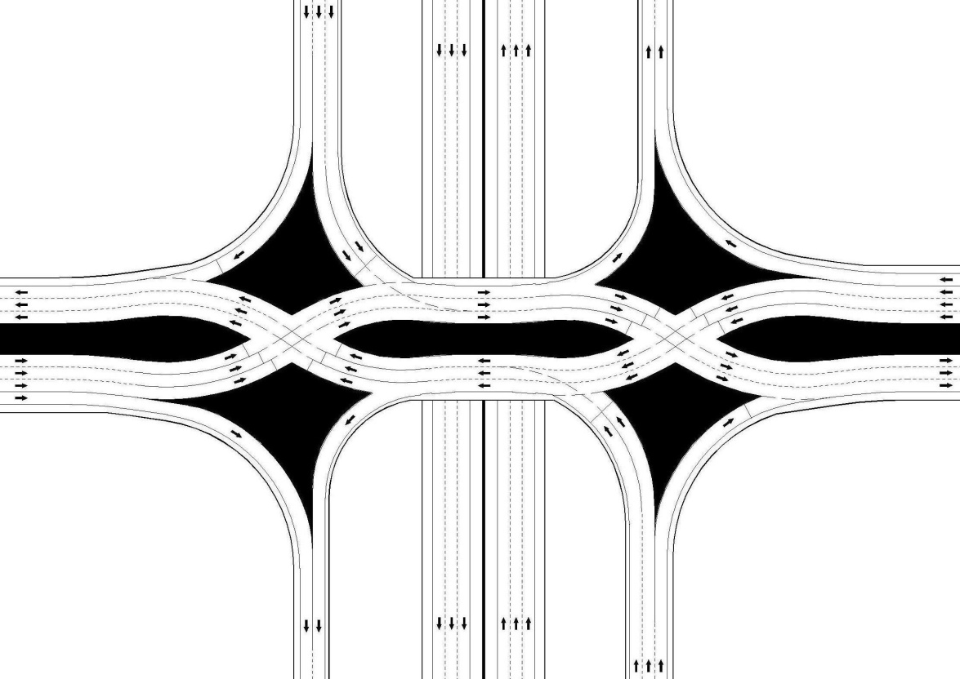

Zone 3
Zone 1
 |  |  |  |  |  |  |  |  |  |  |  |  |  |  |  |  |  |  |  |  |  |  | 2
 |  |  |  |  |  |  |  |  |  |  |  |  |  |  |  |  |  |  |  |  |  |  | 612
 |  |  |  |  |  |  |  |  |  |  |  |  |  |  |  |  |  |  |  |  |  |  | pepch |  |  |  |  | 1 | 226 | pepch
 |  |  |  |  |  |  |  |  |  |  |  |  |  |  |  |  |  |  |  | 430 |  |  |  |  | 544

Zone 1

 |  |  |  |  |  |  |  |  | 544 |  |  |  | CLV

 |  |  |  |  |  |  |  |  | 0.3 | V/C | 1800 |  | MAX
Zone 3

Zone 2
 |  |  |  |  |  |  |  |  |  |  | 2 Phases |  |  |  |  |  |  |  |  |  |  |  |  |  |  |  |  | 1 | 340 | pepch
 |  | 430 |  |  |  | CLV

Zone 2
 |  |  |  |  |  |  |  |  |  |  |  |  |  |  |  |  |  |  |  |  |  |  | pepch |  | 481 |  |  |  | 0 | pepch
 |  | 0.24 | V/C | 1800 |  | MAX |  |  |  |  |  |  |  |  |  |  |  |  |  |  |  |  | 247
 |  |  |  |  |  |  |  |  |  |  |  |  |  |  |  |  |  |  |  |  |  |  | 2
 |  |  |  |  |  |  |  |  | 481 |  |  |  | CLV
 |  |  |  | 2 Phases

 |  |  |  |  |  |  |  |  | 0.27 | V/C | 1800 |  | MAX

Zone 5
Zone 5
 |  |  |  |  |  |  |  |  |  |  | 2 Phases
 |  |  |  |  |  |  |  |  |  |  |  |  |  |  | pepch | 0 | 1 |  |  |  |  | 2
 |  |  |  |  |  |  |  |  |  |  |  |  |  |  |  |  |  |  |  |  |  | 408
 |  |  |  |  |  |  |  |  |  |  |  |  |  |  |  |  |  |  |  |  |  | pepch
 |  |  |  |  |  |  |  |  |  |  |  |  |  |  | pepch | 306 |  | 526
 |  | 526 |  |  |  | CLV

Zone 4
 |  | 0.29 | V/C | 1800 |  | MAX

 |  |  |  | 2 Phases |  |  |  |  | 482 |  |  |  | CLV

Zone 6
Zone 4
 |  |  |  |  |  |  |  |  | 0.27 | V/C | 1800 |  | MAX
Zone 6

 |  |  |  |  |  |  |  |  |  |  | 2 Phases
 |  | 493 |  |  |  | CLV |  |  |  |  |  |  |  |  | pepch | 204 | 1 | 493 |  |  |  | pepch | 482
 |  |  |  |  |  |  |  |  |  |  |  |  |  |  |  |  |  |  |  |  |  | 556
 |  |  |  |  |  |  |  |  |  |  |  |  |  |  |  |  |  |  |  |  |  | 2
 |  | 0.27 | V/C | 1800 |  | MAX

 |  |  |  | 2 Phases |  |  |  |  |  |  |  |  |  |  |  |  |  |  |  |  |  |  |  | 2 |  |  | 1
 |  |  |  |  |  |  |  |  |  |  |  |  |  |  |  |  |  |  |  |  |  |  |  | 102 |  | 306 | 179
 |  |  |  |  |  |  |  |  |  |  |  |  |  |  |  |  |  |  |  |  |  |  |  | pepch |  | pepch | pepch
Back to Results

 |  |  |  |  |  | Note: This diagram does not reflect the actual lane configuration of the Intersection

Contraflow Left N-S
Contraflow Left (N-S) |  |  |  |  |  |  |  |  |  |  |  |  |  |  |  |  | Contraflow Left (N-S)

Design and Results |  |  |  |  |  |  |  |  |  |  |  |  |  |  |  |  | Data Input and Configuration

 | Project Name: |  |  | Cap-X Sample Street |  |  | Volume-to-Capacity Ratio

 | Project Number: |  |  | 10000 |  |  | < 0.750 | 0.750 - 0.875 |  |  | 0.875 - 1.00 |  |  | ≥ 1.00

 | Location |  |  | Anywhere, USA |  |  | VOLUME / CAPACITY RATIO: |  |  |  | 0.38

 | Date |  |  | 2017 AM |  |  |  |  |  |  |  |  |  |  |  |  |  |  |  |  |  |  |  |  |  |  |  |  |  |  |  |  |  |  |  |  |  | SB Critical Vol
 |  |  |  |  |  |  |  |  |  |  |  |  |  |  |  |  |  |  |  |  |  |  |  |  |  |  |  |  |  |  |  |  |  |  |  |  |  |  | 306
 |  |  |  |  |  |  |  |  |  |  |  |  |  |  |  |  |  |  |  |  |  |  |  |  |  |  |  |  |  |  |  |  | Shared ? |  | SB
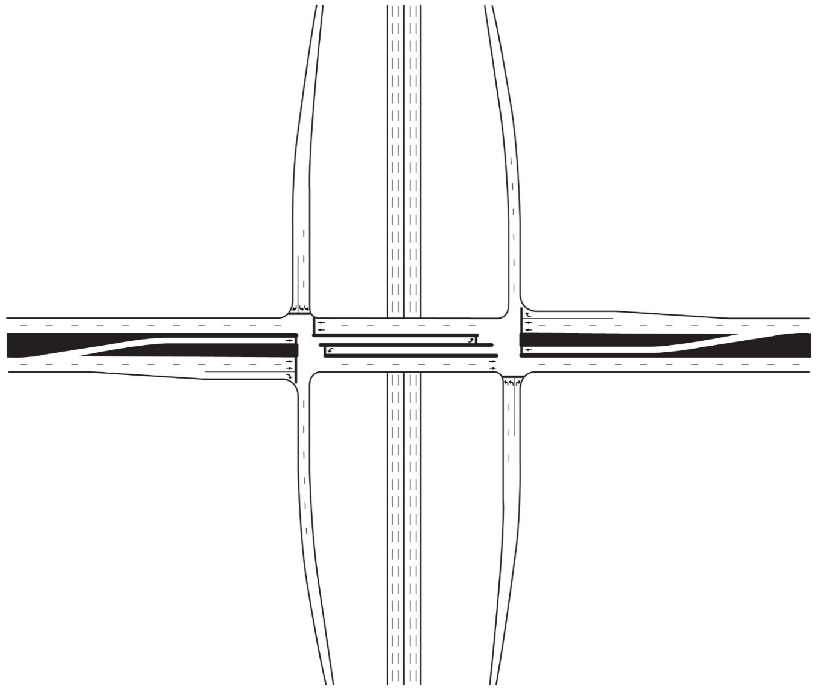
 |  |  |  |  |  |  |  |  | Multimodal Capacity Adjustment Factor |  |  |  |  |  |  | 1.00
 |  |  |  |  |  |  |  |  |  |  |  |  |  |  |  |  |  |  |  |  |  |  |  |  |  |  |  |  |  |  |  |  | No
Zone 3

 |  |  |  |  |  |  |  |  |  |  |  |  |  |  |  |  |  |  |  |  |  |  |  |  |  |  |  |  |  |  |  |  |  |  |  |  |  |  |  |  |  | WB Critical Vol
 |  | 664 |  |  |  | CLV |  |  |  |  |  |  |  |  |  |  |  |  |  |  |  |  |  |  |  |  |  |  |  |  |  |  | pcph |  | pcph | pcph |  |  |  |  |  |  | 358
 |  |  |  |  |  |  |  |  |  |  |  |  |  |  |  |  |  |  |  |  |  |  |  |  |  |  |  |  |  |  |  |  | 51 |  | 216 | 31
 |  |  |  |  |  |  |  |  |  |  |  |  |  |  |  |  |  |  |  |  |  |  |  |  |  |  |  |  |  |  |  |  | 1 |  | 2 | 1
 |  | 0.38 | V/C | 1750 |  | MAX |  |  |  |  |  |  |  |  |  |  |  |  |  |  |  |  |  |  |  |  |  |  |  |  |  |  |  |  |  |  |  |  | 1 | 226 | pcph |  | Shared ?

Zone 3
 |  |  |  |  |  |  |  |  |  |  |  |  |  |  |  |  |  |  |  |  |  |  |  |  |  |  |  |  |  |  |  |  |  |  |  |  |  |  |  |  |  |  | No
 |  |  |  | 3 Phases |  |  |  |  |  |  |  |  |  |  |  |  |  | EW Split? |  |  | FALSE |  |  |  |  |  |  |  |  |  |  |  |  |  |  |  |  |  |  | 0 | pcph |  | WB
 |  |  |  |  |  |  |  |  |  |  |  |  |  |  |  |  |  | NS Split? |  |  | TRUE

 |  |  |  |  |  |  |  |  |  |  |  |  |  |  |  |  |  |  |  |  |  |  |  |  |  |  |  |  |  |  |  |  |  | 664 |  |  |  |  | 1 | 340 | pcph

 |  |  |  |  |  |  |  |  |  |  |  |  |  |  |  |  |  |  |  |  |  |  |  |  |  |  |  |  |  |  |  |  |  |  | 1 | 2
 |  |  |  |  |  |  |  |  |  |  |  |  |  |  |  |  |  |  |  |  |  |  |  |  |  |  |  |  |  |  |  |  |  |  | 102 | 612
 |  |  |  |  |  |  |  |  |  |  |  |  |  |  |  |  |  |  |  |  |  |  |  |  |  |  |  |  |  |  |  |  |  |  | pcph | pcph | pcph

 |  |  |  |  |  |  |  |  |  |  |  |  |  |  |  |  |  |  |  |  |  |  |  |  |  |  |  | pcph |  | pcph | pcph
 |  |  |  |  |  |  |  |  |  |  |  |  |  |  |  |  |  |  |  |  |  |  |  |  |  |  |  |  |  | 556 | 31
 |  |  |  |  |  |  |  |  |  |  |  |  |  |  |  |  |  |  |  |  |  |  |  |  |  |  |  |  |  | 2 | 1

Zone 4
 |  |  |  |  |  |  |  |  |  |  |  |  |  |  |  |  |  |  |  |  |  |  |  |  | pcph | 306 | 1

 |  |  |  |  |  |  |  |  |  |  |  |  |  |  |  |  |  |  |  |  | EB |  |  |  | pcph | 0 |  |  | 600

 |  |  |  |  |  |  |  |  |  |  |  |  |  |  |  |  |  |  |  |  |  | Shared ? |  |  | pcph | 204 | 1

Zone 4
 |  |  |  |  |  |  |  |  |  |  |  |  |  |  |  |  |  |  |  |  |  | No
 |  |  |  |  |  |  |  |  |  |  |  |  |  |  |  |  |  |  |  |  |  |  |  |  |  |  |  |  |  | 1 | 2 | 1
 |  |  |  |  |  |  |  |  |  |  |  |  |  |  |  |  |  |  |  |  |  |  |  |  |  |  |  |  |  | 102 | 306 | 179
 |  |  |  |  |  |  |  |  |  |  |  |  |  |  |  |  |  |  | EB Critical Vol |  |  |  |  |  |  |  |  |  |  | pcph | pcph | pcph
 |  |  |  |  |  |  |  |  |  | 600 |  |  |  |  | CLV |  |  |  |  | 322

 |  |  |  |  |  |  |  |  |  | 0.34 |  | V/C | 1750 |  | MAX
 |  |  |  |  |  |  |  |  |  |  |  |  |  |  |  |  |  |  |  |  |  |  | NB Critical Vol |  |  |  |  |  |  | NB |  | Shared ? |  |  |  |  |  |  |  |  |  | EW Split? |  | FALSE
 |  |  |  |  |  |  |  |  |  |  |  |  |  |  |  |  |  |  |  |  |  |  |  | 278 |  |  |  |  |  |  |  |  |  |  |  |  |  |  |  |  |  | NS Split? |  | TRUE
 |  |  |  |  |  |  |  |  |  |  |  |  | 3 Phases |  |  |  |  |  |  |  |  |  |  |  |  |  |  |  |  |  |  | No

Back to Results

 |  |  |  |  | Note: This diagram does not reflect the actual lane configuration of the Intersection

SPI N-S
Single Point Interchange (N-S) |  |  |  |  |  |  |  |  |  |  | Single Point Interchange (N-S)

Design and Results |  |  |  |  |  |  |  |  |  |  | Data Input and Configuration

 | Project Name: | Cap-X Sample Street |  | Volume-to-Capacity Ratio
 |  |  |  |  |  |  |  |  |  |  |  | Multimodal Capacity Adjustment Factor |  | 1.00
 | Project Number: | 10000 |  | < 0.750 | 0.750 - 0.875 |  |  | 0.875 - 1.00 |  | ≥ 1.00

 | Location | Anywhere, USA |  | VOLUME / CAPACITY RATIO: |  |  |  | 0.36

 | Date | 2017 AM

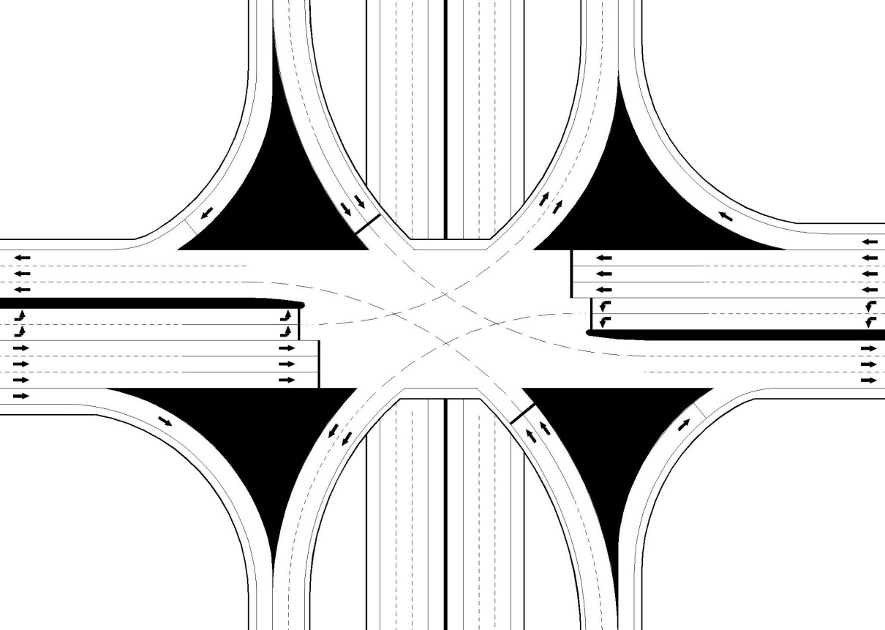
 |  |  |  |  |  |  |  |  |  |  |  |  |  |  |  |  |  |  |  |  |  |  |  |  |  |  | 1 | 226 | pepch

Zone 1
 |  |  |  |  |  |  |  |  |  |  |  |  |  |  |  |  |  |  |  |  |  |  |  | 2
 |  |  |  |  |  |  |  |  |  |  |  |  |  |  |  |  |  |  |  |  |  |  |  | 612
 |  |  |  |  |  |  |  |  |  |  |  |  |  |  |  |  |  |  |  |  |  |  |  | pepch
Zone 1
 |  |  |  |  |  |  |  |  |  |  |  |  |  |  |  |  |  |  |  |  |  |  |  |  |  |  | 572

 |  |  |  |  |  | 572 |  |  | CLV

 |  |  |  |  |  | 0.32 | V/C | 1800 | MAX |  |  |  |  |  |  |  | pepch |  |  | pepch |  | pepch
 |  |  |  |  |  |  |  |  |  |  |  |  |  |  |  |  | 51 |  |  | 216 |  | 31
 |  |  |  |  |  |  |  |  |  |  |  |  |  |  |  |  | 1 |  |  | 2 |  | 1
 |  |  |  |  |  |  |  | 2 Phases |  |  |  |  |  |  |  |  |  |  |  |  |  |  |  |  |  |  |  |  |  | WARNING: Includes Frontage Roads on Ramps

Zone 3
 |  |  |  |  |  |  |  |  |  |  |  |  |  |  |  |  | pepch | 306 | 1 |  |  |  |  |  | 2 | 1133 | pepch

Zone 3
 |  |  |  |  |  |  |  |  |  |  |  |  |  |  |  |  | pepch | 1020 | 2 |  | 618 |  |  |  | 1 | 340 | pepch

 |  |  |  |  |  | 618 |  |  | CLV

 |  |  |  |  |  | 0.36 | V/C | 1700 | MAX
 |  |  |  |  |  |  |  |  |  |  |  |  |  |  |  |  |  |  |  |  |  |  | 1 | 2 | 1
 |  |  |  |  |  |  |  |  |  |  |  |  |  |  |  |  |  |  |  |  |  |  | 102 | 306 | 179
 |  |  |  |  |  |  |  | 4 Phases |  |  |  |  |  |  |  |  |  |  |  |  |  |  | pepch | pepch | pepch

Zone 6
Zone 6

 |  |  |  |  |  |  |  |  |  |  |  |  | 518 |  |  |  |  |  |  | pepch
 |  |  |  |  |  | 518 |  |  | CLV |  |  |  |  |  |  |  |  |  |  | 556
 |  |  |  |  |  |  |  |  |  |  |  |  |  |  |  |  |  |  |  | 2

 |  |  |  |  |  | 0.29 | V/C | 1800 | MAX

 |  |  |  |  |  |  |  |  |  |  |  |  |  |  | pepch | 204 | 1
 |  |  |  |  |  |  |  | 2 Phases

Back to Results

 |  |  | Note: This diagram does not reflect the actual lane configuration of the Intersection

SPI RAB N-S
Single Point Interchange w/ Roundabout (N-S) |  |  |  |  |  |  |  |  |  |  |  |  |  |  |  |  |  |  |  |  |  |  |  |  |  |  | Single Point Interchange w/ Roundabout (N-S)

Design and Results |  |  |  |  |  |  |  |  |  |  |  |  |  |  |  |  |  |  |  |  |  |  |  |  |  |  | CAPACITY CALCULATIONS

 |  |  |  |  |  |  |  |  |  |  |  |  |  |  |  |  |  |  |  |  |  |  |  |  |  |  |  |  |  |  |  |  |  |  |  |  |  |  |  |  |  |  |  |  |  |  |  |  |  |  |  |  |  |  |  |  |  |  |  |  |  |  | EQUATION: A x exp(-B x Q)
 | Project Name: |  |  |  |  |  | Cap-X Sample Street |  |  |  |  |  |  | Volume-to-Capacity Ratio |  |  |  |  |  |  |  |  |  |  |  |  |  |  |  |  | Through lane utilization factor |  |  |  |  | 0.53
 |  |  |  |  |  |  |  |  |  |  |  |  |  |  |  |  |  |  |  |  |  |  |  |  |  |  |  |  |  |  |  |  |  |  |  |  |  |  |  |  | Lane Capacity |  |  |  |  |  |  |  |  |  |  |  |  |  |  |  |  |  |  |  |  |  | Number of Entry Lanes |  | Number of Circulating Lanes | Lane | A | B
 | Project Number: |  |  |  |  |  | 10000 |  |  |  |  |  |  | < 0.750 |  | 0.750 - 0.875 |  |  | 0.875 - 1.00 |  |  |  |  |  | ≥ 1.00 |  |  |  |  |  |  |  |  |  |  |  |  |  |  |  | 1 |  |  | 950

 | Location |  |  |  |  |  | Anywhere, USA |  |  |  |  |  |  | VOLUME / CAPACITY RATIO: |  |  |  |  | 0.46 |  |  |  |  |  |  |  |  |  |  |  |  |  |  |  |  |  |  |  |  |  | 2 |  |  | 950 |  |  |  |  |  |  |  |  |  |  |  |  |  |  |  |  |  |  | 1 |  | 1 | - | 1380 | 0.00102

 | Date |  |  |  |  |  | 2017 AM |  |  |  |  |  |  |  |  |  |  |  |  |  |  |  |  |  |  |  |  |  |  |  |  |  |  |  |  |  |  |  |  |  |  |  |  |  |  |  |  |  |  |  |  |  |  |  |  |  |  |  |  |  | 0.53 |  | 1 |  | 2 | - | 1420 | 0.00085
 |  |  |  |  |  |  |  |  |  |  |  |  |  |  |  |  |  |  |  |  |  |  |  |  |  |  |  |  |  |  |  |  |  |  |  |  |  |  |  |  |  |  |  |  |  |  |  |  |  |  |  |  |  |  | 226
 |  |  |  |  |  |  |  |  |  |  |  |  |  |  |  |  |  |  |  |  |  |  |  |  |  |  |  |  |  |  |  |  |  |  |  |  |  |  |  |  |  |  |  |  |  |  |  |  |  |  |  |  |  |  |  |  |  |  |  |  |  |  | 2 |  | 1 | Left | 1420 | 0.00091
 |  |  |  |  |  |  |  |  |  | Enter the lane configurations in the yellow cells. |  |  |  |  |  |  |  |  |  |  |  | 226 | pcph
 |  |  |  |  |  |  |  |  |  |  |  |  |  |  |  |  |  |  |  |  |  |  |  |  |  |  |  |  |  |  |  |  |  |  |  |  |  |  |  |  |  |  |  |  |  |  |  |  |  | WB |  |  | 0 |  |  |  |  |  |  |  | Through lane utilization factor |  | 2 |  | 1 | Right | 1420 | 0.00091

 |  |  |  |  |  |  |  |  |  |  |  |  |  |  |  |  |  |  |  |  |  | 0 | pcph |  |  |  |  |  |  |  |  |  |  |  |  |  |  |  |  |  |  | pcph |  | pcph |  |  |  |  |  |  |  |  |  |  |  |  |  |  |  |  |  |  | 2 |  | 2 | Left | 1350 | 0.00092
 |  |  |  |  |  |  |  |  |  |  | SB |  |  |  |  |  |  |  |  |  |  |  |  |  |  |  |  |  |  |  |  | 51 |  |  |  |  | 31 |  |  |  |  | 51 |  | 247
 |  |  |  |  |  |  |  |  |  |  |  |  |  |  |  |  |  |  |  |  |  |  |  |  |  |  |  |  |  |  |  |  |  |  |  |  |  |  |  |  |  | V/C RATIO |  | V/C RATIO |  |  |  |  |  |  |  |  | 0 |  |  |  |  |  |  |  |  |  | 2 |  | 2 | Right | 1420 | 0.00085
 |  |  |  | pcph |  | pcph |  | pcph |  |  |  |  |  |  |  |  |  |  |  |  |  | 340 | pcph |  |  |  |  |  |  |  |  |  | 0 | 216
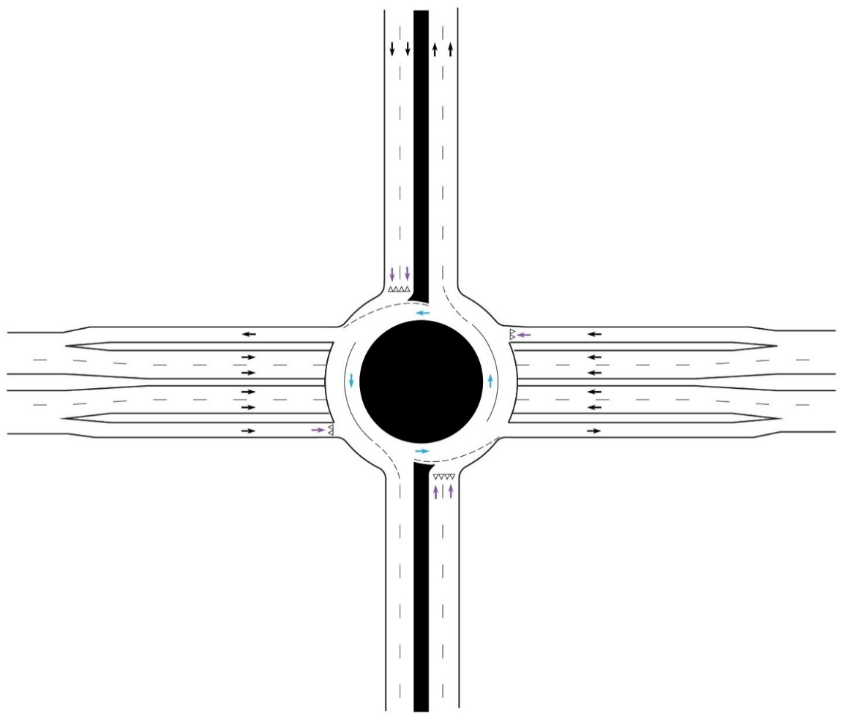
 |  |  |  | 51 |  | 216 |  | 31 |  |  |  |  |  |  |  |  |  |  |  |  |  |  |  |  |  |  |  |  |  |  |  |  |  |  |  |  |  |  |  |  |  |  |  |  | Conflicting flow
 |  |  |  |  |  |  |  |  |  |  |  |  |  |  |  |  |  |  |  |  |  |  |  |  |  |  |  |  |  |  |  |  |  |  |  |  |  |  |  |  |  |  |  |  | 442 |  |  |  |  |  |  |  |  |  | 340
 |  |  |  | Number of Entry Lanes |  |  |  |  |  | Slip Lane? |  |  |  |  |  |  |  |  |  |  |  |  |  |  |  |  |  |  |  |  |  |  | SB |  |  |  |  |  |  |  |  |  |  |  |  |  |  |  |  |  |  |  |  |  |  |  |  |  |  |  |  |  | Assumptions
 |  |  |  |  |  |  |  |  |  |  |  |  |  |  |  |  | Number of Entry Lanes |  |  |  |  |  |  | Slip Lane? |  |  |  |  |  |  |  |  |  |  |  |  |  |  |  |  |  | 0.05 |  | 0.26

 |  |  |  | 2 |  |  |  |  |  | No |  |  |  |  |  |  |  |  |  |  |  |  |  |  |  |  |  |  |  |  |  |  |  |  |  |  |  |  |  |  |  | 2 |  | 1
 |  |  |  |  |  |  |  |  |  |  |  |  |  |  |  |  | 2 |  |  |  |  |  |  | No |  |  |  |  |  |  |  |  |  |  |  |  |  | Conflicting flow | 587 |  |  |  |  |  |  |  |  |  |  |  |  |  |  |  |  |  |  |  | 741 | 741 |  | Lane Capacity |  | ● The number of circulating lanes in one quadrant is assumed to be equal to the number of exiting lanes in the next quadrant.
 |  |  |  |  |  |  |  |  |  |  |  |  |  |  |  |  |  |  |  |  |  |  |  |  |  |  |  |  |  |  |  |  |  |  |  |  |  |  |  |  |  | App. V/C |  | 0.26 |  |  |  | App. V/C |  | 2 | 0.30 |  | V/C RATIO |  |  | 226 | pcph

 |  | Number of Circulating Lanes
 |  |  |  |  |  |  |  |  |  |  |  |  |  |  |  |  |  |  |  | Number of Circulating Lanes |  |  |  |  |  |  |  |  |  |  |  |  |  |  |  |  |  |  |  |  |  |  |  |  |  |  |  | 0.46 |  | 1 | 0.46 |  | V/C RATIO |  |  | 340 | pcph |  | 1 | 2 |  |  |  | ● The roundabout is limited to a maximum of two entry lanes and two circulating lanes.

 |  | 1
 |  |  |  |  |  |  |  |  |  |  |  |  |  |  |  |  |  |  |  | 1
 |  |  |  |  |  |  |  |  |  |  |  |  |  |  |  |  |  |  |  |  |  |  |  |  |  |  |  |  |  |  |  |  |  |  |  |  |  |  |  |  |  |  |  |  |  |  |  |  |  |  |  |  |  |  |  |  |  |  |  |  |  |  |  | ● All left-turning vehicles are assumed to stay in the innermost lane until exiting the roundabout.

 |  |  |  |  |  |  |  |  |  |  |  |  |  |  |  |  |  |  |  |  |  |  |  |  |  |  |  |  | Lane Capacity | 2 |  | 1 |  |  |  |  |  |  |  |  |  |  |  |  |  |  |  |  |  |  |  |  |  | Conflicting flow
 |  |  |  |  |  |  |  |  |  |  |  |  |  |  |  |  |  |  |  |  |  |  |  |  |  |  |  |  |  |  |  |  |  |  | pcph | 306 | V/C RATIO |  |  | 0.37 | 1 |  | App. V/C
 |  |  |  |  |  |  |  |  |  |  |  |  |  |  |  |  |  |  |  |  |  |  |  |  |  |  |  |  |  |  |  |  |  |  |  |  |  |  |  |  |  |  |  |  |  |  |  |  |  |  |  |  |  |  |  |  |  |  |  |  |  |  |  | ● This worksheet does not use the CLV methodology. The calculations are based on the HCM 2010.
EB |  |  |  |  |  |  |  |  |  |  |  |  |  |  |  |  |  |  |  |  |  |  |  |  |  | WB
 |  |  |  |  |  |  |  |  |  |  |  |  |  |  |  |  |  |  |  |  |  |  |  |  |  |  |  |  |  |  |  |  |  |  | pcph | 204 | V/C RATIO |  |  | 0.25 | 2 |  | 0.37 |  |  |  |  |  |  |  |  | 714
 |  |  |  |  |  |  |  |  |  |  |  |  |  |  |  |  |  |  |  |  |  |  |  |  |  |  |  |  |  | 832 |  | 832

 |  |  |  |  |  |  |  |  |  |  |  |  |  |  |  |  |  |  |  |  |  |  |  |  |  |  |  |  |  |  |  |  |  |  |  |  |  |  |  |  |  |  |  |  |  |  | App. V/C |  | 0.39

 |  |  | Number of Entry Lanes |  |  |  |  |  | Slip Lane? |  |  |  |  |  |  |  |  |  |  |  | Number of Circulating Lanes
 |  |  |  |  |  |  |  |  |  |  |  |  |  |  |  |  |  |  |  |  |  |  |  |  |  |  |  | Through lane utilization factor |  |  |  |  |  | 306 |  |  |  |  |  |  |  | 337 |  |  |  |  | 1 |  | 2

 |  |  | 2 |  |  |  |  |  | No |  |  |  |  |  |  |  |  |  |  |  | 1 |  |  |  |  |  |  |  |  |  |  |  |  |  |  |  |  |  |  |  |  | Conflicting flow |  |  |  |  | 0.39 |  | 0.17
 |  |  |  |  |  |  |  |  |  |  |  |  |  |  |  |  |  |  |  |  |  |  |  |  |  |  |  |  |  |  |  |  |  |  |  | 0 |  |  | EB
 |  |  |  |  |  |  |  |  |  |  |  |  |  |  |  |  |  |  |  |  |  |  |  |  |  |  |  |  |  |  |  |  |  |  |  |  |  |  |  |  |  |  |  |  |  |  | V/C RATIO |  | V/C RATIO |  |  |  |  |  |  |  | NB

 |  |  |  |  | Number of Circulating Lanes |  |  |  |  |  |  |  |  |  |  |  |  | Number of Entry Lanes |  |  |  |  |  |  | Slip Lane?
 |  |  |  |  |  |  |  |  |  |  |  |  |  |  |  |  |  |  |  |  |  |  |  |  |  |  |  |  |  |  |  |  |  |  |  | 0
 |  |  |  |  |  |  |  |  |  |  |  |  |  |  |  |  |  |  |  |  |  |  |  |  |  |  |  |  |  |  |  |  |  |  |  |  |  |  |  |  |  |  |  |  |  |  |  |  |  |  |  |  |  |  |  | 306 |  | 0
 |  |  |  |  | 1 |  |  |  |  |  |  |  |  |  |  |  |  | 2 |  |  |  |  |  |  | No |  |  |  |  |  |  |  |  |  |  |  |  |  |  |  |  |  |  |  |  |  | 408 |  | 179
 |  |  |  |  |  |  |  |  |  |  |  |  |  |  |  |  |  |  |  |  |  |  |  |  |  |  |  | 0.53 |  |  |  |  |  | 204 |  |  |  |  |  |  |  |  |  |  |  |  | pcph |  | pcph |  |  |  |  |  | 102 |  |  |  | 179

 |  |  |  |  |  |  |  |  |  |  | NB
 |  |  |  |  | pcph | 306 |  |  |  |  |  |  |  |  |  |  |  |  |  |  |  |  |  |  |  |  |  |  |  |  |  |  |  |  |  |  |  |  |  |  |  |  |  |  |  | 1 |  |  | 1045

 |  |  |  |  |  |  |  |  |  |  |  |  |  |  |  |  |  |  |  |  |  |  |  |  |  |  |  |  |  |  |  |  |  |  |  |  |  |  |  |  |  |  |  |  |  | 2 |  |  | 1045
 |  |  |  |  | pcph | 0 |  |  |  |  |  | 102 | 306 |  | 179
 |  |  |  |  |  |  |  |  |  |  |  | pcph | pcph |  | pcph |  |  |  |  |  |  |  |  |  |  |  |  |  |  |  |  |  |  |  |  |  |  |  |  |  |  |  |  |  |  | Lane Capacity
Back to Results
 |  |  |  |  | pcph | 204
 |  |  |  |  |  |  |  |  |  |  |  |  |  |  |  |  |  |  |  |  |  |  |  |  |  |  |  |  |  |  |  |  |  |  |  |  |  |  |  |  |  |  |  |  |  |  |  |  |  |  |  |  |  |  | Through lane utilization factor |  |  |  | 0.53

