kth-annda-lab1-slp
Perceptron rule
Learning rate | 0.001 | 0.005 | 0.01 | 0.1 | 0.25 | 1 | 10 | 25 | 100 | 1000 | 10000 | 100000 | 1000000 | 10000000
Accuracy - mean | 1 | 1 | 1 | 1 | 1 | 1 | 1 | 1 | 1 | 1 | 1 | 1 | 1 | 1
Accuracy - std | 0 | 0 | 0 | 0 | 0 | 0 | 0 | 0 | 0 | 0 | 0 | 0 | 0 | 0
Convergence epoch - mean | 29.22 | 8.26 | 3.45 | 1.91 | 1.9 | 1.93 | 1.87 | 1.87 | 1.82 | 1.9 | 1.85 | 1.82 | 1.92 | 1.8
Convergence epoch - std | 27.842622003 | 6.8009117036 | 2.1418449991 | 0.37669616404 | 0.3 | 0.32419130155 | 0.41605288125 | 0.36482872694 | 0.40938978981 | 0.3 | 0.35707142143 | 0.38418745425 | 0.33704599093 | 0.4472135955

Deta rule
Sequential
Learning rate | 0.0001 | 0.001 | 0.002 | 0.003 | 0.004 | 0.005 | 0.01 | 0.1 | 0.2 | 0.3
accuracy_mean | 1 | 1 | 1 | 1 | 1 | 1 | 1 | 1 | 1 | 0.90465
accuracy_std | 0 | 0 | 0 | 0 | 0 | 0 | 0 | 0 | 0 | 0.016737009888
co_epoch_mean | 1009.25 | 108.69 | 70.43 | 58.63 | 51.19 | 61.08 | 49.02 | 39.55 | 43.32 | 44.46
co_epoch_std | 250.39801816 | 34.327742425 | 36.296351056 | 29.411445051 | 31.782603732 | 39.731770663 | 33.768618568 | 34.344541051 | 33.651413046 | 36.480794947
loss_mean | 6.2428764326 | 5.8290250662 | 5.8260857406 | 5.8185442376 | 5.8191669924 | 5.8130586212 | 5.836449002 | 7.3112104018 | 12.272383515 | 81.198532549
loss_std | 4.2373434201 | 0.0040927511833 | 0.012824892433 | 0.023911267862 | 0.032258253982 | 0.036651659225 | 0.048321624412 | 0.15655425794 | 0.84479373391 | 38.773546774
Batch
Learning rate | 0.0001 | 0.001 | 0.002 | 0.003 | 0.004 | 0.005 | 0.01 | 0.1 | 0.2 | 0.3
acc_mean | 1 | 1 | 1 | 1 | 1 | 1 | 1 | 1 | 1 | 1
acc_std | 0 | 0 | 0 | 0 | 0 | 0 | 0 | 0 | 0 | 0
convergence_epochs_mean | 1081.97 | 110.99 | 117.69 | 2.1 | 1.92 | 1.91 | 2.07 | 2.04 | 2.11 | 2.32
convergence_epochs_std | 245.29877517 | 25.018191381 | 16.386393746 | 0.65574385243 | 0.41665333312 | 0.44933283877 | 0.51487862647 | 0.78638413005 | 0.84728979694 | 0.8818163074
mse_loss_mean | 0.058141321725 | 0.058140902213 | 0.058141323316 | 8.2095861025 | 18.400528323 | 33.531465331 | 975.80902421 | 3.140212951E+12 | 8.5179312796E+15 | 2.7837165896E+15
mse_loss_std | 0.000000354 | 0.000000151 | 7.67E-08 | 9.8892366363 | 27.261147211 | 50.831201826 | 5597.034824 | 2.2651402942E+13 | 8.38E+16 | 1.94E+16

Deta rule
eta | 0.0001 | 0.001 | 0.002 | 0.003 | 0.004 | 0.005 | 0.01 | 0.1 | 0.2 | 0.3
seq_accuracy_mean | 100.00% | 100.00% | 100.00% | 100.00% | 100.00% | 100.00% | 100.00% | 100.00% | 100.00% | 90.47%
seq_accuracy_std | 0.00% | 0.00% | 0.00% | 0.00% | 0.00% | 0.00% | 0.00% | 0.00% | 0.00% | 1.67%
seq_co_epoch_mean | 1,009.25 | 108.69 | 70.43 | 58.63 | 51.19 | 61.08 | 49.02 | 39.55 | 43.32 | 44.46
seq_co_epoch_std | 250.40 | 34.33 | 36.30 | 29.41 | 31.78 | 39.73 | 33.77 | 34.34 | 33.65 | 36.48
seq_loss_mean | 6.24E+00 | 5.83E+00 | 5.83E+00 | 5.82E+00 | 5.82E+00 | 5.81E+00 | 5.84E+00 | 7.31E+00 | 1.23E+01 | 8.12E+01
seq_loss_std | 4.24E+00 | 4.09E-03 | 1.28E-02 | 2.39E-02 | 3.23E-02 | 3.67E-02 | 4.83E-02 | 1.57E-01 | 8.45E-01 | 3.88E+01
batch_acc_mean | 100.00% | 100.00% | 100.00% | 100.00% | 100.00% | 100.00% | 100.00% | 100.00% | 100.00% | 100.00%
batch_acc_std | 0.00% | 0.00% | 0.00% | 0.00% | 0.00% | 0.00% | 0.00% | 0.00% | 0.00% | 0.00%
batch_convergence_epochs_mean | 1,081.97 | 110.99 | 117.69 | 2.10 | 1.92 | 1.91 | 2.07 | 2.04 | 2.11 | 2.32
batch_convergence_epochs_std | 245.30 | 25.02 | 16.39 | 0.66 | 0.42 | 0.45 | 0.51 | 0.79 | 0.85 | 0.88
batch_mse_loss_mean | 5.81E-02 | 5.81E-02 | 5.81E-02 | 8.21E+00 | 1.84E+01 | 3.35E+01 | 9.76E+02 | 3.14E+12 | 8.52E+15 | 2.78E+15
batch_mse_loss_std | 3.54E-07 | 1.51E-07 | 7.67E-08 | 9.89E+00 | 2.73E+01 | 5.08E+01 | 5.60E+03 | 2.27E+13 | 8.38E+16 | 1.94E+16

Delta on inseparable data
dataset
1 | eta | 0.001 | 0.002 | 0.003 | 0.004 | 0.005 | 0.01 | 0.1
 | train_loss_mean | 0.65562421189 | 0.63916189285 | 0.61370932951 | 0.61271053302 | 0.60199216272 | 0.58319980933 |  | 214582149.48
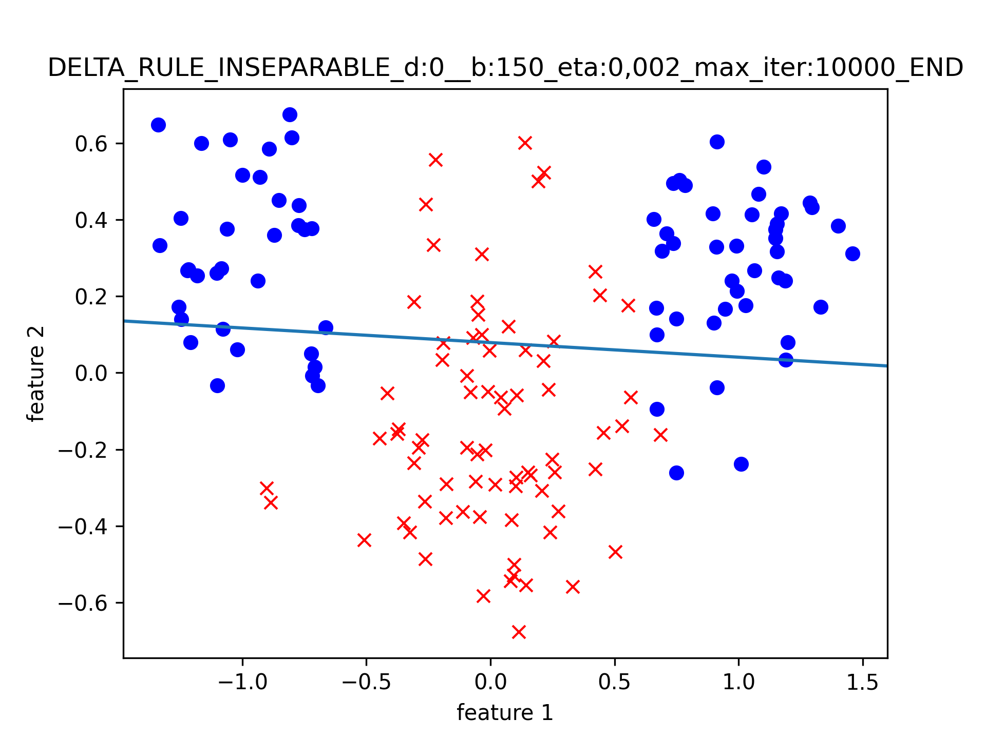
 | train_loss_std | 0.10871016386 | 0.096063993631 | 0.083960177284 | 0.081353751969 | 0.059744933064 | 0.025455368701 |  | 2050857384.4
 | cepoch_mean | 95.98 | 51.21 | 142.87 | 104.12 | 86.5 | 47.74 | 1.79
 | cepoch_std | 58.177483617 | 25.953148171 | 61.598645277 | 47.429164024 | 34.541134897 | 7.8925534525 | 1.1857065404
 | train_acc_mean | 0.80986666667 | 0.80926666667 | 0.80793333333 | 0.80813333333 | 0.80773333333 | 0.80693333333 | 0.606
 | train_acc_std | 0.0046647615159 | 0.0044116008684 | 0.0029356051808 | 0.0032083225108 | 0.0026195843606 | 0.0016110727965 | 0.091963760979
 | train_sens_mean | 0.76466666667 | 0.764 | 0.76773333333 | 0.76933333333 | 0.76906666667 | 0.77306666667 | 0.78173333333
 | train_sens_std | 2.68E-02 | 0.02290075205 | 0.018873143765 | 0.017333333333 | 0.01495236882 | 0.011466666667 | 0.35058125703
 | train_spec_mean | 0.85506666667 | 0.85453333333 | 0.84813333333 | 0.84693333333 | 0.8464 | 0.8408 | 0.43026666667
 | train_spec_std | 0.032858213923 | 0.029520313157 | 0.023008790591 | 0.0219478169 | 0.018995204073 | 0.013175060616 | 0.34719884792
 | real_acc_mean | 0.8079 | 0.80675 | 0.8063 | 0.80635 | 0.8061 | 0.8051 | 0.6082
 | real_acc_std | 0.0044260591953 | 0.0045483513497 | 0.0032109188716 | 0.0030704234236 | 0.0027910571474 | 0.0007 | 0.093318058274
 | real_sens_mean | 0.743 | 0.7423 | 0.7454 | 0.7467 | 0.7464 | 0.7497 | 0.779
 | real_sens_std | 2.54E-02 | 0.020388967605 | 0.016638509549 | 0.01606580219 | 0.013001538371 | 0.012202868515 | 0.35335393022
 | real_spec_mean | 0.8728 | 0.8712 | 0.8672 | 0.866 | 0.8658 | 0.8605 | 0.4374
 | real_spec_std | 0.028847183571 | 0.025701361832 | 0.020053927296 | 0.01902629759 | 0.016442627527 | 0.011694015564 | 0.34473647907

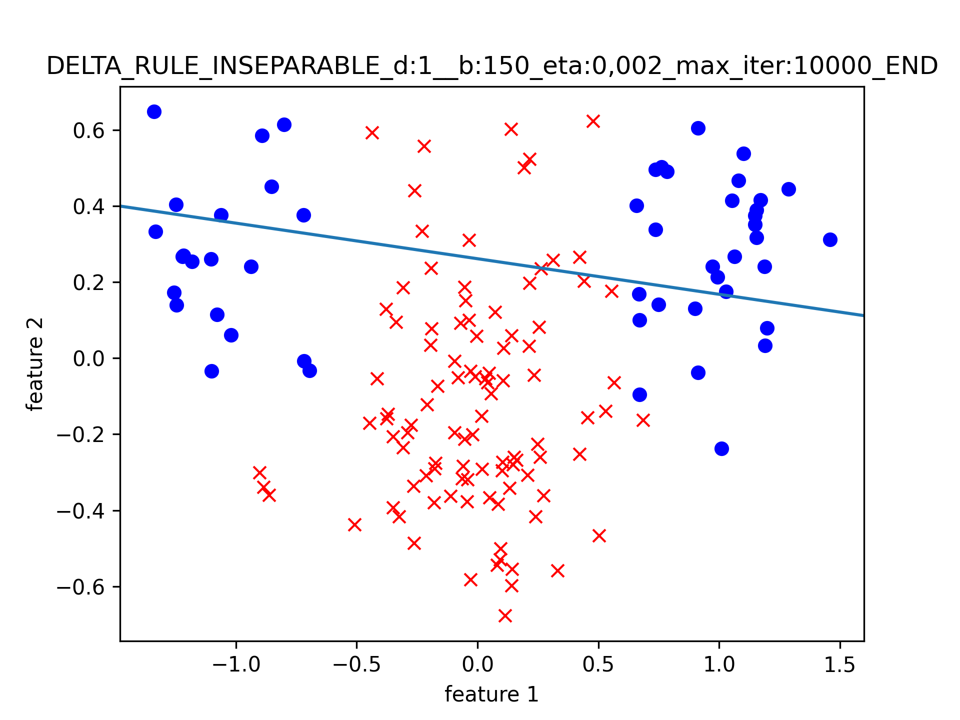
2 | eta | 0.001 | 0.002 | 0.003 | 0.004 | 0.005 | 0.01 | 0.1
 | train_loss_mean | 0.6567648217 | 0.66842551414 | 0.68035607698 | 0.66131019759 | 0.67419164716 | 0.65506813543 | 87.830892964
 | train_loss_std | 0.10163710237 | 0.12399702778 | 0.13303918127 | 0.10710095064 | 0.12577102432 | 0.094834695948 | 277.42004705
 | cepoch_mean | 91.92 | 44.79 | 26.27 | 21.61 | 16.46 | 8.82 | 1.73
 | cepoch_std | 51.911016172 | 24.128943201 | 17.978239625 | 12.183509347 | 9.9462756849 | 4.6376287044 | 0.50705029336
 | train_acc_mean | 0.79066666667 | 0.79113333333 | 0.79253333333 | 0.79093333333 | 0.79133333333 | 0.78786666667 | 0.7048
 | train_acc_std | 0.022330845633 | 0.022172154709 | 0.022632916049 | 0.021838192843 | 0.021898756941 | 0.015387729599 | 0.056741754173
 | train_sens_mean | 0.9068 | 0.9117 | 0.9135 | 0.9122 | 0.9154 | 0.9056 | 0.985
 | train_sens_std | 3.97E-02 | 0.042568885351 | 0.042317254164 | 0.040928718524 | 0.041747335244 | 0.034621380677 | 0.037775653535
 | train_spec_mean | 0.5584 | 0.55 | 0.5506 | 0.5484 | 0.5432 | 0.5524 | 0.1444
 | train_spec_std | 0.044603138903 | 0.048785243671 | 0.054218447045 | 0.045359012335 | 0.044156086783 | 0.041355048059 | 0.21774443736
 | real_acc_mean | 0.7514 | 0.74625 | 0.7454 | 0.7458 | 0.7439 | 0.744 | 0.5598
 | real_acc_std | 0.025768973592 | 0.029063508047 | 0.030673115264 | 0.02766514052 | 0.027354889874 | 0.029189039039 | 0.087572598454
 | real_sens_mean | 0.9068 | 0.9117 | 0.9135 | 0.9122 | 0.9154 | 0.9056 | 0.985
 | real_sens_std | 3.97E-02 | 0.042568885351 | 0.042317254164 | 0.040928718524 | 0.041747335244 | 0.034621380677 | 0.037775653535
 | real_spec_mean | 0.596 | 0.5808 | 0.5773 | 0.5794 | 0.5724 | 0.5824 | 0.1346
 | real_spec_std | 0.085603738236 | 0.097197530833 | 0.097712384067 | 0.091791284989 | 0.091303011999 | 0.087728216669 | 0.19975194617

3 | eta | 0.001 | 0.002 | 0.003 | 0.004 | 0.005 | 0.01 | 0.1
 | train_loss_mean | 0.48023188306 | 0.48034968253 | 0.48051985289 | 0.48125858327 | 0.48255802695 | 0.48338056804 |  | 1.38E+24
 | train_loss_std | 7.52E-05 | 0.00016926348952 | 0.00023502217752 | 0.005969833799 | 0.017535648298 | 0.021318873346 |  | 1.37E+25
 | cepoch_mean | 125.49 | 62.68 | 41.39 | 30.67 | 24.34 | 12.71 | 3.26
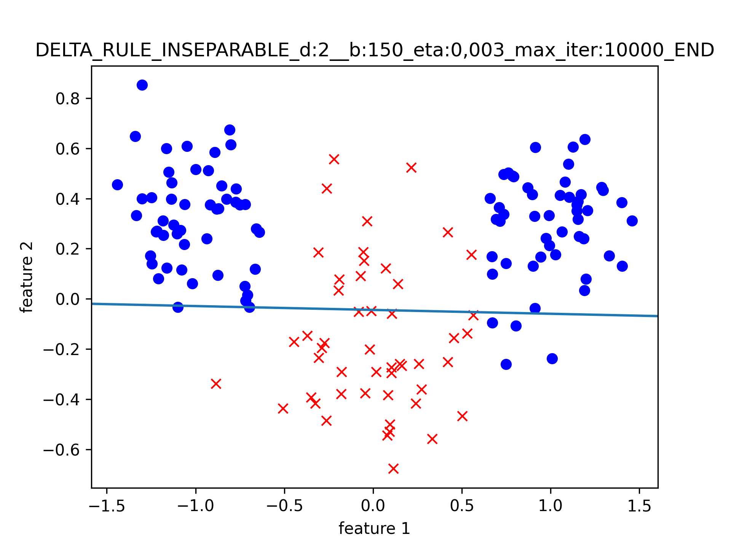
 | cepoch_std | 16.967318586 | 9.2594600275 | 6.4759478071 | 5.0676523164 | 4.386843968 | 2.8576038914 | 2.8411969309
 | train_acc_mean | 0.87333333333 | 0.87333333333 | 0.87333333333 | 0.8734 | 0.8734 | 0.8728 | 0.67346666667
 | train_acc_std | 0 | 0 | 0 | 0.00066332495807 | 0.00066332495807 | 0.0022469732728 | 0.026599582286
 | train_sens_mean | 0.72 | 0.72 | 0.72 | 0.72 | 0.72 | 0.7198 | 0.0692
 | train_sens_std | 1.11E-16 | 1.11E-16 | 1.11E-16 | 1.11E-16 | 1.11E-16 | 0.0019899748742 | 0.22104153456
 | train_spec_mean | 0.95 | 0.95 | 0.95 | 0.9501 | 0.9501 | 0.9493 | 0.9756
 | train_spec_std | 0 | 0 | 0 | 0.00099498743711 | 0.00099498743711 | 0.0035369478368 | 0.098735201423
 | real_acc_mean | 0.8 | 0.8 | 0.8 | 0.8001 | 0.8002 | 0.80115 | 0.5201
 | real_acc_std | 2.22E-16 | 2.22E-16 | 2.22E-16 | 0.00099498743711 | 0.0015684387141 | 0.0031507935508 | 0.060629943097
 | real_sens_mean | 0.65 | 0.65 | 0.65 | 0.6501 | 0.6503 | 0.653 | 0.0646
 | real_sens_std | 1.11E-16 | 1.11E-16 | 1.11E-16 | 0.00099498743711 | 0.0029849623113 | 0.0091104335791 | 0.21153448891
 | real_spec_mean | 0.95 | 0.95 | 0.95 | 0.9501 | 0.9501 | 0.9493 | 0.9756
 | real_spec_std | 0 | 0 | 0 | 0.00099498743711 | 0.00099498743711 | 0.0035369478368 | 0.098735201423

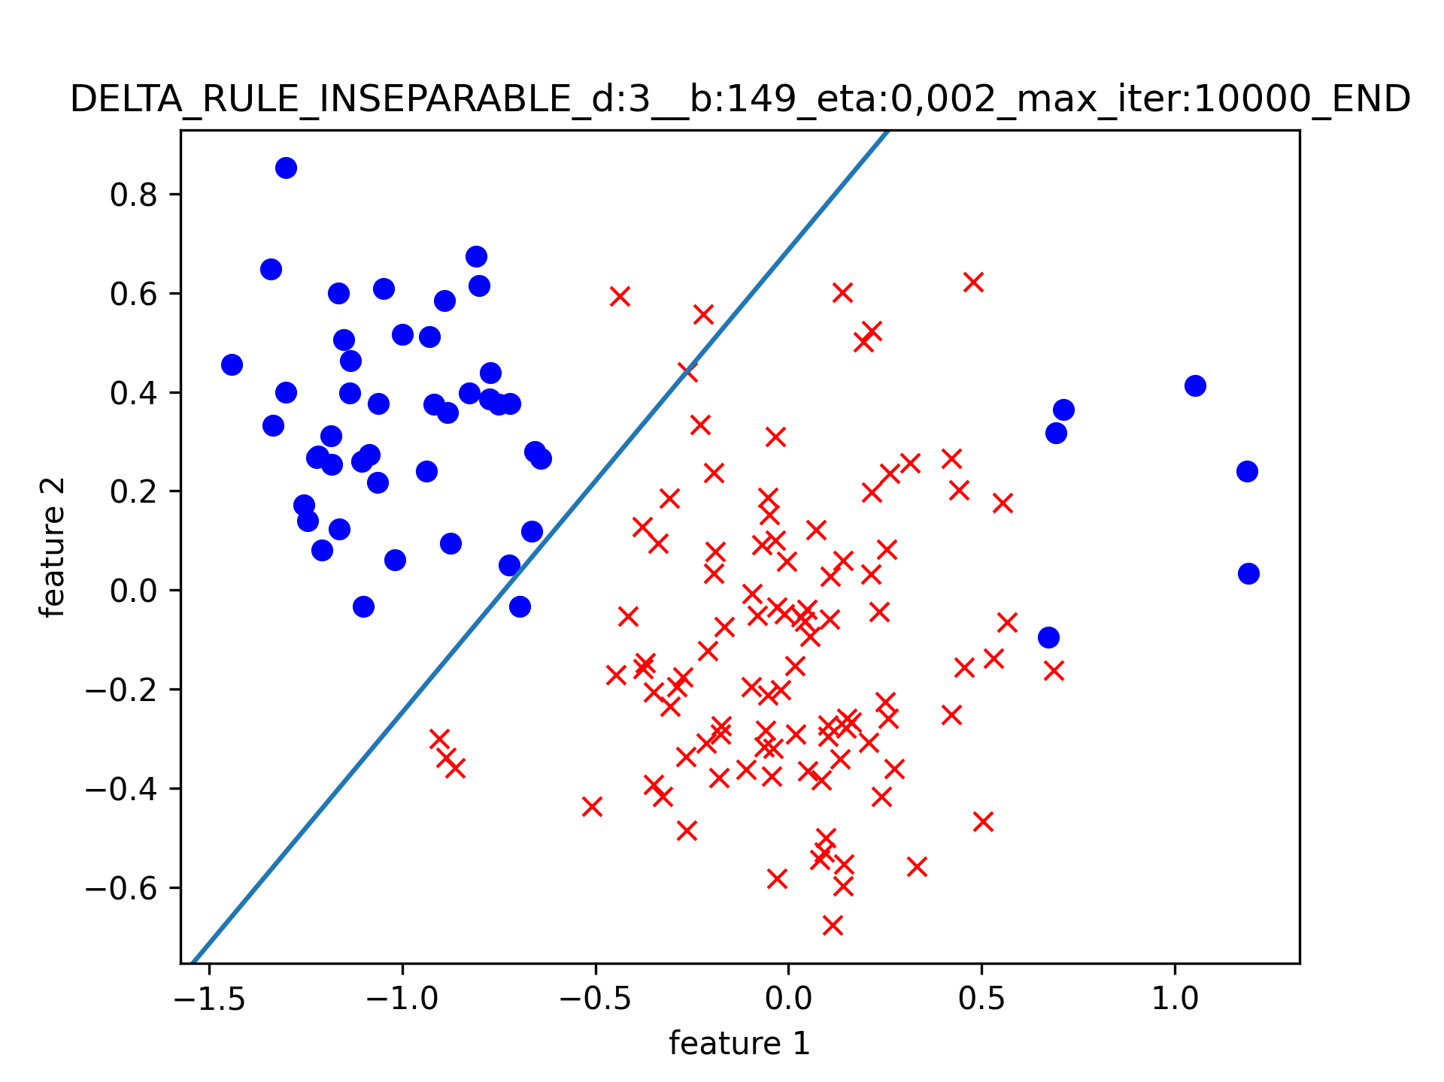
4 | eta | 0.001 | 0.002 | 0.003 | 0.004 | 0.005 | 0.01 | 0.1
 | train_loss_mean | 0.42379818401 | 0.42222988982 | 0.4219787691 | 0.421981683 | 0.4229121415 | 0.42374756237 | 2025.9637134
 | train_loss_std | 0.011853993402 | 0.01160155402 | 0.010984494306 | 0.012746413135 | 0.011918288335 | 0.019387245002 | 7932.095725
 | cepoch_mean | 88.41 | 46.17 | 33.16 | 25.8 | 19.82 | 10.19 | 1.86
 | cepoch_std | 74.691109913 | 35.853606513 | 26.381326729 | 20.222264957 | 16.161299453 | 7.087587742 | 0.63277168078
 | train_acc_mean | 0.94154362416 | 0.94120805369 | 0.94087248322 | 0.94020134228 | 0.9411409396 | 0.94026845638 | 0.73369127517
 | train_acc_std | 0.0067311789365 | 0.0067861608911 | 0.0069549762738 | 0.0074792326926 | 0.0069003603021 | 0.0066777680343 | 0.097631424038
 | train_sens_mean | 0.9827 | 0.9823 | 0.9819 | 0.9807 | 0.9823 | 0.9784 | 0.9693
 | train_sens_std | 0.01008513758 | 9.99E-03 | 0.010362914648 | 0.011247666425 | 0.01028153685 | 0.0097693397935 | 0.070388280274
 | train_spec_mean | 0.85755102041 | 0.85734693878 | 0.85714285714 | 0.85755102041 | 0.85714285714 | 0.86244897959 | 0.25285714286
 | train_spec_std | 0.0028571428571 | 2.03E-03 | 1.11E-16 | 2.86E-03 | 1.11E-16 | 0.0089517192651 | 0.38030320659
 | real_acc_mean | 0.73155 | 0.73065 | 0.7308 | 0.7298 | 0.7309 | 0.72975 | 0.5661
 | real_acc_std | 0.0091568280534 | 0.0091557359071 | 0.0095057877107 | 0.0095895776758 | 0.0093642938869 | 0.0085549693161 | 0.092362275849
 | real_sens_mean | 0.9827 | 0.9823 | 0.9819 | 0.9807 | 0.9823 | 0.9784 | 0.9693
 | real_sens_std | 0.01008513758 | 9.99E-03 | 0.010362914648 | 0.011247666425 | 0.01028153685 | 0.0097693397935 | 0.070388280274
 | real_spec_mean | 0.4804 | 0.479 | 0.4797 | 0.4789 | 0.4795 | 0.4811 | 0.1629
 | real_spec_std | 0.0099919967974 | 0.0098488578018 | 0.0098442876837 | 0.0099894944817 | 0.0099373034572 | 0.013030349189 | 0.22952252613

DATASETS 1 2 3 4 -- comparison
 | dataset |  | 1 | 2 | 3 | 4 |  | 0 | -1
 | train_acc_mean |  | 0.80926666667 | 0.79113333333 | 0.87333333333 | 0.94120805369 |  | 0.8199 | 0.94120805369
 | train_sens_mean |  | 0.764 | 0.9117 | 0.72 | 0.9823 |  | 0.78 | 0.94120805369
 | train_spec_mean |  | 0.85453333333 | 0.55 | 0.95 | 0.85734693878 |  | 0.8598 | 0.94120805369
 | real_acc_mean |  | 0.80675 | 0.74625 | 0.8 | 0.73065 |  | 0.8199 | 0.73065
 | real_sens_mean |  | 0.7423 | 0.9117 | 0.65 | 0.9823 |  | 0.78 | 0.73065
 | real_spec_mean |  | 0.8712 | 0.5808 | 0.95 | 0.479 |  | 0.8598 | 0.73065

UNSAMPLED | eta | 0.001 | 0.002 | 0.003 | 0.004 | 0.005 | 0.01 | 0.1
 | train_loss_mean | 0.59493543333 | 0.59522995973 | 0.59564584131 | 0.59582598208 | 0.59595495484 | 0.91664036636 | 529276425.09
 | train_loss_std | 0.0013767734441 | 0.0014078406961 | 0.00043293026975 | 0.00058169333635 | 0.0012187993545 | 0.41195155782 | 5255890223
 | cepoch_mean | 91.13 | 45.4 | 28.79 | 21.44 | 17.31 | 15.95 | 1.78
 | cepoch_std | 26.464185232 | 14.586294937 | 3.6312394578 | 3.1664491153 | 4.1223658256 | 13.803169926 | 1.1276524287
 | train_acc_mean | 0.8199 | 0.8199 | 0.82 | 0.82 | 0.81995 | 0.72795 | 0.6119
 | train_acc_std | 0.0007 | 0.0007 | 1.11E-16 | 1.11E-16 | 0.00049749371855 | 0.09266092758 | 0.096924661464
 | train_sens_mean | 0.78 | 0.78 | 0.78 | 0.78 | 0.78 | 0.5033 | 0.7303
 | train_sens_std | 1.11E-16 | 1.11E-16 | 1.11E-16 | 1.11E-16 | 1.11E-16 | 0.21613909873 | 0.39642516318
 | train_spec_mean | 0.8598 | 0.8598 | 0.86 | 0.86 | 0.8599 | 0.9526 | 0.4935
 | train_spec_std | 0.0014 | 0.0014 | 0 | 0 | 0.00099498743711 | 0.10365924947 | 0.35005535277
 | real_acc_mean | 0.8199 | 0.8199 | 0.82 | 0.82 | 0.81995 | 0.72795 | 0.6119
 | real_acc_std | 0.0007 | 0.0007 | 1.11E-16 | 1.11E-16 | 0.00049749371855 | 0.09266092758 | 0.096924661464
 | real_sens_mean | 0.78 | 0.78 | 0.78 | 0.78 | 0.78 | 0.5033 | 0.7303
 | real_sens_std | 1.11E-16 | 1.11E-16 | 1.11E-16 | 1.11E-16 | 1.11E-16 | 0.21613909873 | 0.39642516318
 | real_spec_mean | 0.8598 | 0.8598 | 0.86 | 0.86 | 0.8599 | 0.9526 | 0.4935
 | real_spec_std | 0.0014 | 0.0014 | 0 | 0 | 0.00099498743711 | 0.10365924947 | 0.35005535277

