Sheet1
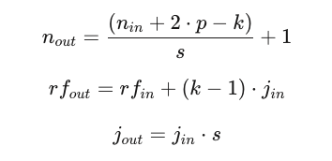
Layer | rf_in | n_in | j_in | s | p | k | Effective Kernel Size | rf_out | n_out | j_out
Prep Block - custBlock - 1-1
1 (Initial) | 1 | 32 | 1 | 1 | 1 | 3 | 3 | 3 | 32 | 1
 | custBlock - 1-2 / conv - 2-2
2 | 3 | 32 | 1 | 2 | 1 | 3 | 3 | 5 | 16.5 | 2
custBlock - 1-2 / Sequential - 2-3
3 | 5 | 16.5 | 2 | 1 | 1 | 3 | 3 | 9 | 16.5 | 2
4 | 9 | 16.5 | 2 | 1 | 1 | 3 | 3 | 13 | 16.5 | 2
custBlock - 1-3 |  |  |  |  |  |  |  |  |  |  | ORDER | 1. s & p value
5 | 13 | 16.5 | 2 | 2 | 1 | 3 | 3 | 17 | 8.75 | 4 |  | 2. n_in, rf_in & j_in
custBlock - 1-4 / convLayer - 2-5 |  |  |  |  |  |  |  |  |  |  |  | 3. n_out, rf_out & j_out
6 | 17 | 8.75 | 4 | 2 | 1 | 3 | 3 | 25 | 4.875 | 8 |  | 4. n_out calculated using effective kernel value
custBlock - 1-4 / Sequential - 2-6 |  |  |  |  |  |  |  |  |  |  | Effective Kernel, k = k + (k - 1) * (dilation -1)
7 | 25 | 4.875 | 8 | 1 | 1 | 3 | 3 | 41 | 4.875 | 8 | In this network architecture, default dilation (that is dilation = 1) is used
8 | 41 | 4.875 | 8 | 1 | 1 | 3 | 3 | 57 | 4.875 | 8
MaxPool2d Layer
9 | 57 | 4.875 | 8 | 4 | 1 | 4 | 4 | 81 | 1.21875 | 32

